md_SUR10
md_SUR10 - Inflation - Next 12 months forecast as of: 2025-04-01

Model | Random Forest w/ Lags - None
Training Data | 1991-12-01 to 2024-05-01
Test Data | 2024-05-01 to 2025-04-01

Date | Inflation Change YoY % | Lower Bound - 95% Confidence Interval | Upper Bound - 95% Confidence Interval | Bias Corrected Forecast
2025-05-01 | 5.42 | 5.57 | 6.01 | 5.84
2025-06-01 | 5.52 | 5.67 | 6.24 | 5.98
2025-07-01 | 5.62 | 5.81 | 6.37 | 6.13
2025-08-01 | 5.7 | 5.9 | 6.49 | 6.22
2025-09-01 | 5.73 | 5.97 | 6.6 | 6.27
2025-10-01 | 5.79 | 6.03 | 6.74 | 6.34
2025-11-01 | 5.86 | 6.08 | 6.94 | 6.41
2025-12-01 | 5.92 | 6.17 | 7.14 | 6.49
2026-01-01 | 5.96 | 6.12 | 7.25 | 6.53
2026-02-01 | 5.94 | 6.01 | 7.33 | 6.52
2026-03-01 | 5.94 | 5.97 | 7.47 | 6.53
2026-04-01 | 5.86 | 5.95 | 7.33 | 6.46

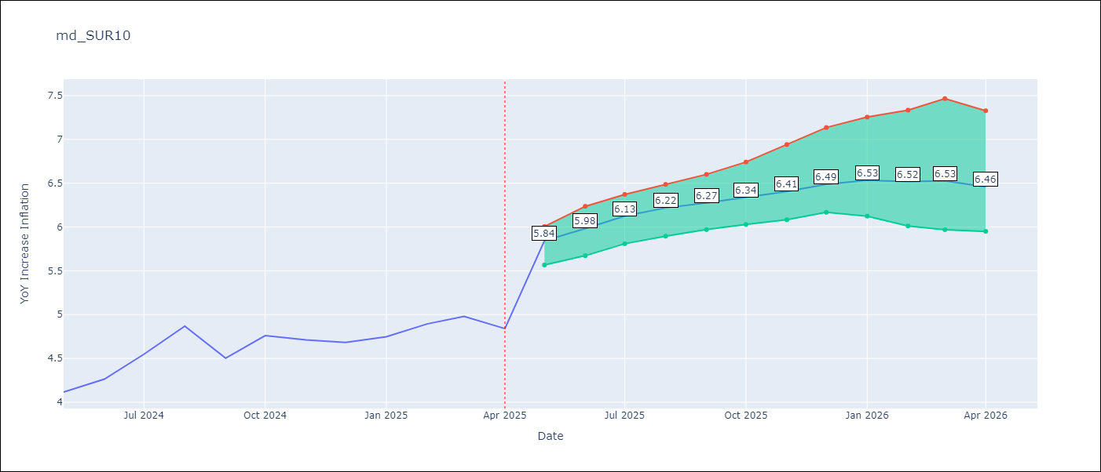

Test Set
RMSE | 0.53 | 0.3951498866008708
Naive RMSE | 0.86 | 0.86
MAPE | 4.6% | 7.66%

Test Predictions
Date | Predicted | Actual | Bias Vector | Bias Corrected
2024-06-01 | 3.98 | 4.12 | 0.43 | 4.42
2024-07-01 | 4.05 | 4.26 | 0.46 | 4.52
2024-08-01 | 4.17 | 4.55 | 0.5 | 4.68
2024-09-01 | 4.28 | 4.87 | 0.52 | 4.81
2024-10-01 | 4.37 | 4.5 | 0.54 | 4.89
2024-11-01 | 4.47 | 4.76 | 0.55 | 4.99
2024-12-01 | 4.53 | 4.71 | 0.55 | 5.07
2025-01-01 | 4.62 | 4.68 | 0.57 | 5.16
2025-02-01 | 4.69 | 4.75 | 0.58 | 5.27
2025-03-01 | 4.68 | 4.89 | 0.58 | 5.33
2025-04-01 | 4.78 | 4.98 | 0.59 | 5.43
2025-05-01 | 4.98 | 4.84 | 0.59 | 5.52

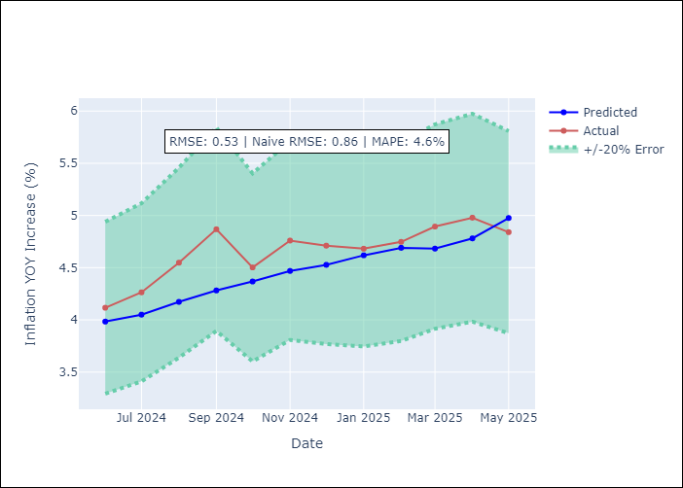
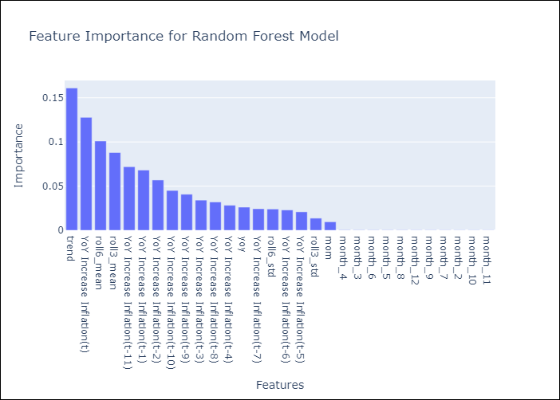

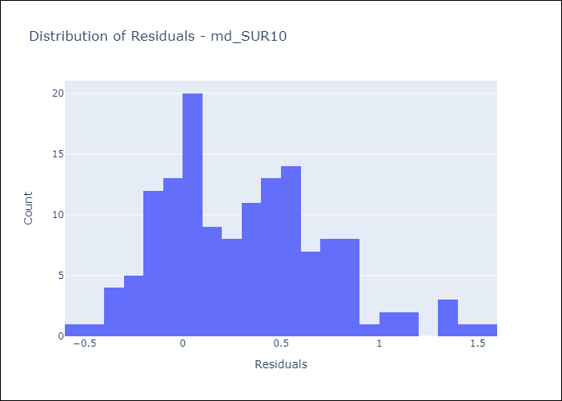
Appendix A: Model Summary
Model | Random Forest w/ Lags
Sample | 1991-12-01 to 2025-04-01
No. of Observations | 401
Residuals
Mean | 0.3158632802
St Dev | 0.42128947213
Kurtosis | 0.015519720396
Skewness | 0.52465524889

Bias-Corrected Residuals
Mean | -0.34890891888
St Dev | 0.18548854198
Kurtosis | 0.77929921236
Skewness | 0.52420455571

Assumptions | P-value

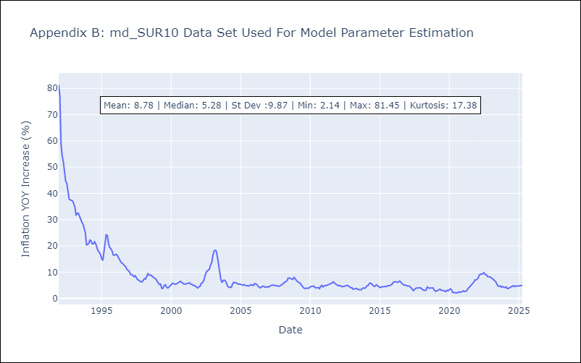

Appendix C: Residuals Analysis
Mean

