md_SUR10
md_SUR10 - Inflation - Next 12 months forecast as of: 2025-04-01

Model | Random Forest w/ Lags - None
Training Data | 1991-12-01 to 2024-05-01
Test Data | 2024-05-01 to 2025-04-01

Date | Inflation Change YoY % | Lower Bound - 95% Confidence Interval | Upper Bound - 95% Confidence Interval | Bias Corrected Forecast
2025-05-01 | 5.26 | 5.11 | 5.66 | 5.31
2025-06-01 | 5.36 | 5.17 | 5.82 | 5.41
2025-07-01 | 5.47 | 5.29 | 5.95 | 5.52
2025-08-01 | 5.59 | 5.33 | 6.01 | 5.62
2025-09-01 | 5.63 | 5.4 | 6.01 | 5.67
2025-10-01 | 5.65 | 5.38 | 6.14 | 5.73
2025-11-01 | 5.7 | 5.37 | 6.28 | 5.84
2025-12-01 | 5.78 | 5.42 | 6.46 | 5.92
2026-01-01 | 5.74 | 5.41 | 6.6 | 5.95
2026-02-01 | 5.71 | 5.35 | 6.7 | 5.9
2026-03-01 | 5.72 | 5.32 | 6.82 | 5.9
2026-04-01 | 5.7 | 5.27 | 6.7 | 5.83

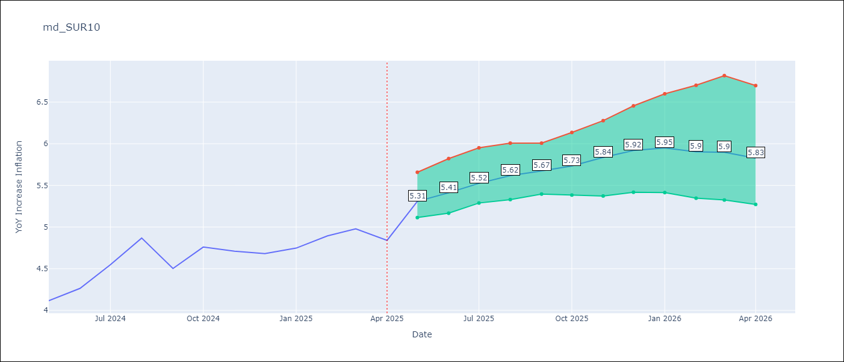

Test Set
RMSE | 0.53 | 0.3057087661503642
Naive RMSE | 0.86 | 0.86
MAPE | 4.6% | 5.59%

Test Predictions
Date | Predicted | Actual | Bias Vector | Bias Corrected
2024-06-01 | 3.98 | 4.12 | 0 | 3.97
2024-07-01 | 4.05 | 4.26 | 0 | 4.03
2024-08-01 | 4.17 | 4.55 | 0 | 4.13
2024-09-01 | 4.28 | 4.87 | 0 | 4.22
2024-10-01 | 4.37 | 4.5 | 0 | 4.27
2024-11-01 | 4.47 | 4.76 | 0 | 4.34
2024-12-01 | 4.53 | 4.71 | 0 | 4.42
2025-01-01 | 4.62 | 4.68 | 0 | 4.49
2025-02-01 | 4.69 | 4.75 | 0 | 4.61
2025-03-01 | 4.68 | 4.89 | 0 | 4.71
2025-04-01 | 4.78 | 4.98 | 0 | 4.78
2025-05-01 | 4.98 | 4.84 | 0 | 4.86

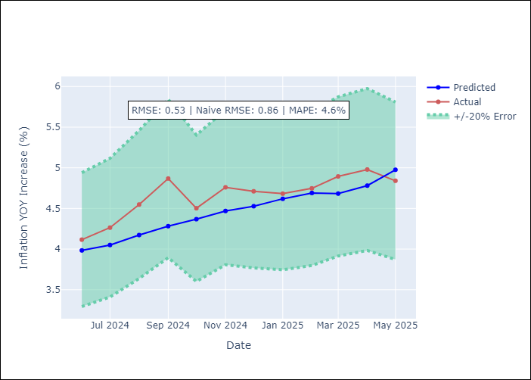
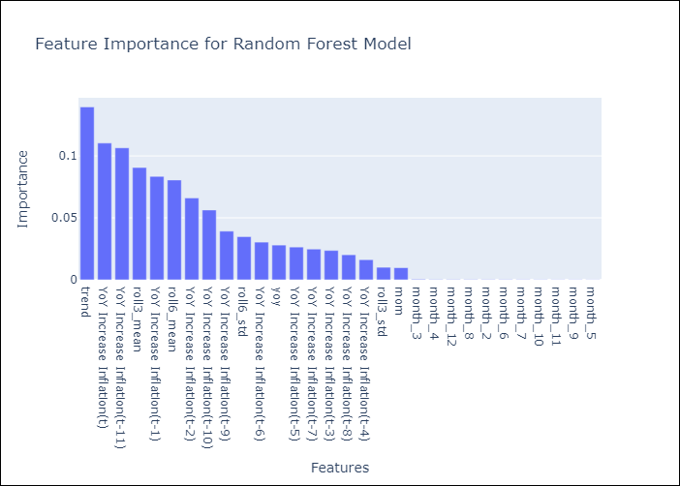

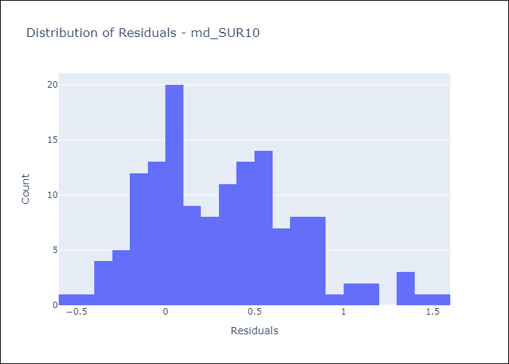
Appendix A: Model Summary
Model | Random Forest w/ Lags
Sample | 1991-12-01 to 2025-04-01
No. of Observations | 401
Residuals
Mean | 0.3158632802
St Dev | 0.42128947213
Kurtosis | 0.015519720396
Skewness | 0.52465524889

Bias-Corrected Residuals
Mean | 0.25814613434
St Dev | 0.16376331405
Kurtosis | 1.6764099097
Skewness | 0.9413175831

Assumptions | P-value

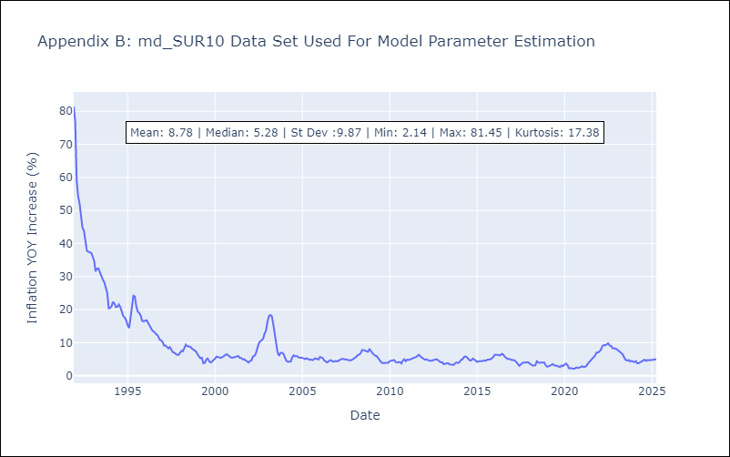

Appendix C: Residuals Analysis
Mean

