md_SUR10
md_SUR10 - Inflation - Next 12 months forecast as of: 2025-04-01

Model | Random Forest w/ Lags - None
Training Data | 1991-12-01 to 2024-05-01
Test Data | 2024-05-01 to 2025-04-01

Date | Inflation Change YoY % | Lower Bound - 95% Confidence Interval | Upper Bound - 95% Confidence Interval | Bias Corrected Forecast
2025-05-01 | 5.26 | 5.1 | 5.57 | 5.4
2025-06-01 | 5.36 | 5.18 | 5.72 | 5.5
2025-07-01 | 5.47 | 5.28 | 5.86 | 5.59
2025-08-01 | 5.59 | 5.33 | 5.93 | 5.66
2025-09-01 | 5.63 | 5.39 | 5.99 | 5.74
2025-10-01 | 5.65 | 5.41 | 6.07 | 5.81
2025-11-01 | 5.7 | 5.46 | 6.16 | 5.88
2025-12-01 | 5.78 | 5.49 | 6.29 | 5.93
2026-01-01 | 5.74 | 5.52 | 6.33 | 5.93
2026-02-01 | 5.71 | 5.53 | 6.29 | 5.9
2026-03-01 | 5.72 | 5.5 | 6.32 | 5.91
2026-04-01 | 5.7 | 5.44 | 6.25 | 5.86

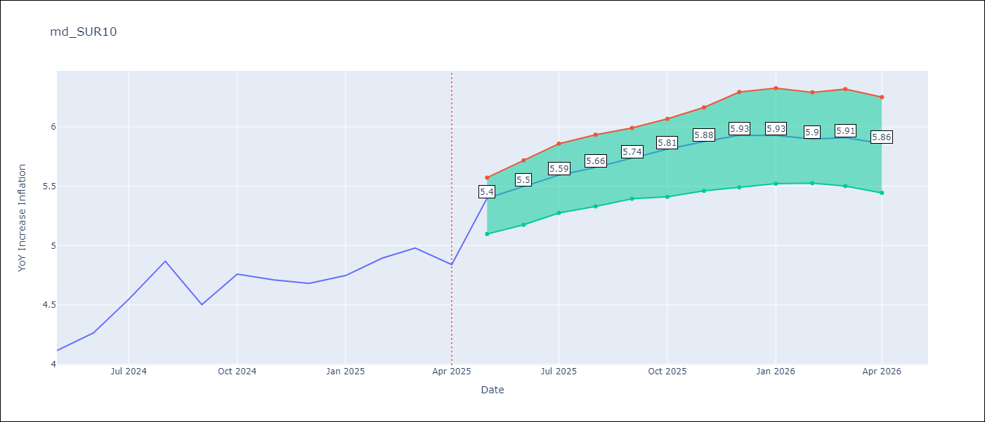

Test Set
RMSE | 0.53 | 0.2511490711242825
Naive RMSE | 0.86 | 0.86
MAPE | 4.6% | 4.28%

Test Predictions
Date | Predicted | Actual | Bias Vector | Bias Corrected
2024-06-01 | 3.98 | 4.12 | 0 | 4.01
2024-07-01 | 4.05 | 4.26 | 0 | 4.09
2024-08-01 | 4.17 | 4.55 | 0 | 4.19
2024-09-01 | 4.28 | 4.87 | 0 | 4.27
2024-10-01 | 4.37 | 4.5 | 0 | 4.35
2024-11-01 | 4.47 | 4.76 | 0 | 4.43
2024-12-01 | 4.53 | 4.71 | 0 | 4.51
2025-01-01 | 4.62 | 4.68 | 0 | 4.59
2025-02-01 | 4.69 | 4.75 | 0 | 4.7
2025-03-01 | 4.68 | 4.89 | 0 | 4.81
2025-04-01 | 4.78 | 4.98 | -0.01 | 4.91
2025-05-01 | 4.98 | 4.84 | -0.01 | 5.03

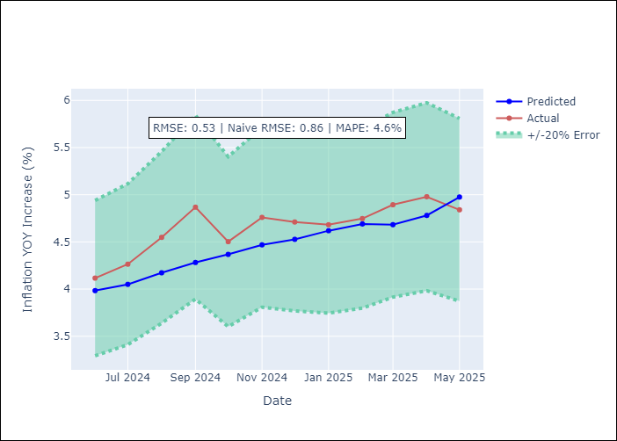
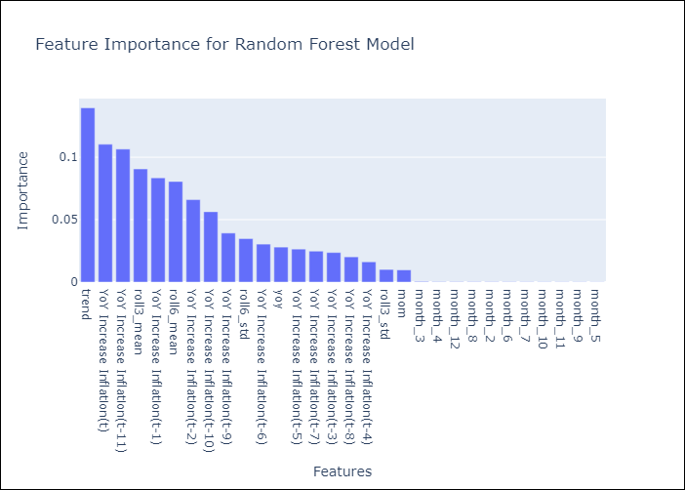

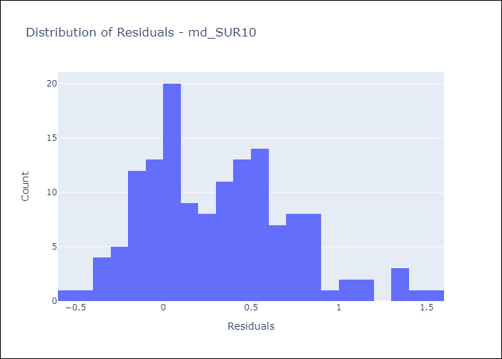
Appendix A: Model Summary
Model | Random Forest w/ Lags
Sample | 1991-12-01 to 2025-04-01
No. of Observations | 401
Residuals
Mean | 0.3158632802
St Dev | 0.42128947213
Kurtosis | 0.015519720396
Skewness | 0.52465524889

Bias-Corrected Residuals
Mean | 0.16929630942
St Dev | 0.18551176659
Kurtosis | 1.6822725741
Skewness | 0.59428173068

Assumptions | P-value

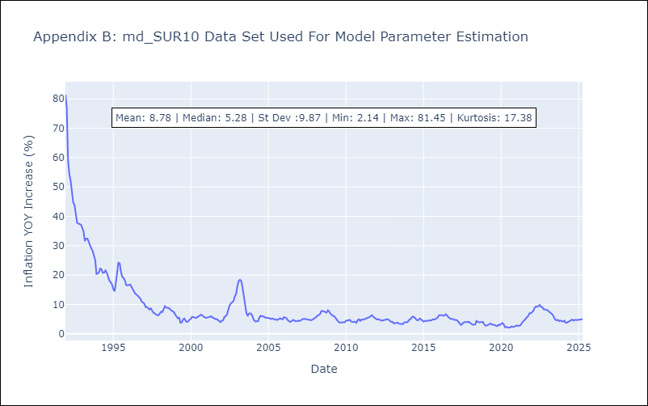

Appendix C: Residuals Analysis
Mean

