md_SUR10
md_SUR10 - Inflation - Next 12 months forecast as of: 2025-04-01

Model | Random Forest w/ Lags - None
Training Data | 1991-12-01 to 2024-05-01
Test Data | 2024-05-01 to 2025-04-01

Date | Inflation Change YoY % | Lower Bound - 95% Confidence Interval | Upper Bound - 95% Confidence Interval | Bias Corrected Forecast
2025-05-01 | 5.26 | 5.11 | 5.63 | 5.14
2025-06-01 | 5.36 | 5.2 | 5.78 | 5.24
2025-07-01 | 5.47 | 5.29 | 5.99 | 5.33
2025-08-01 | 5.59 | 5.34 | 6.07 | 5.38
2025-09-01 | 5.63 | 5.43 | 6.14 | 5.44
2025-10-01 | 5.65 | 5.46 | 6.22 | 5.51
2025-11-01 | 5.7 | 5.52 | 6.3 | 5.58
2025-12-01 | 5.78 | 5.51 | 6.36 | 5.63
2026-01-01 | 5.74 | 5.51 | 6.42 | 5.63
2026-02-01 | 5.71 | 5.45 | 6.37 | 5.6
2026-03-01 | 5.72 | 5.38 | 6.4 | 5.58
2026-04-01 | 5.7 | 5.41 | 6.37 | 5.51

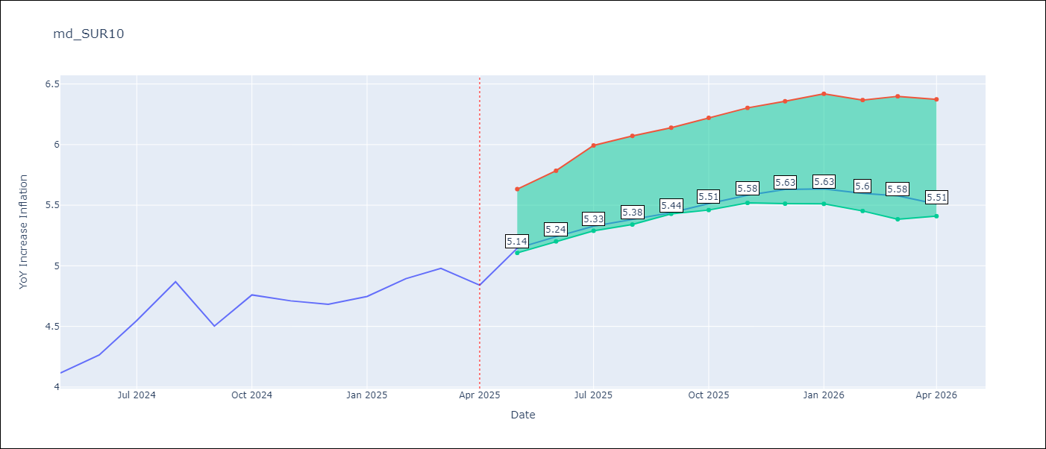

Test Set
RMSE | 0.53 | 0.5122610799369655
Naive RMSE | 0.86 | 0.86
MAPE | 4.6% | 10.35%

Test Predictions
Date | Predicted | Actual | Bias Vector | Bias Corrected
2024-06-01 | 3.98 | 4.12 | 0 | 3.73
2024-07-01 | 4.05 | 4.26 | 0 | 3.77
2024-08-01 | 4.17 | 4.55 | 0 | 3.86
2024-09-01 | 4.28 | 4.87 | 0 | 3.96
2024-10-01 | 4.37 | 4.5 | 0 | 4.04
2024-11-01 | 4.47 | 4.76 | 0 | 4.15
2024-12-01 | 4.53 | 4.71 | 0 | 4.25
2025-01-01 | 4.62 | 4.68 | 0 | 4.33
2025-02-01 | 4.69 | 4.75 | 0 | 4.43
2025-03-01 | 4.68 | 4.89 | 0 | 4.48
2025-04-01 | 4.78 | 4.98 | -0.01 | 4.52
2025-05-01 | 4.98 | 4.84 | -0.01 | 4.6

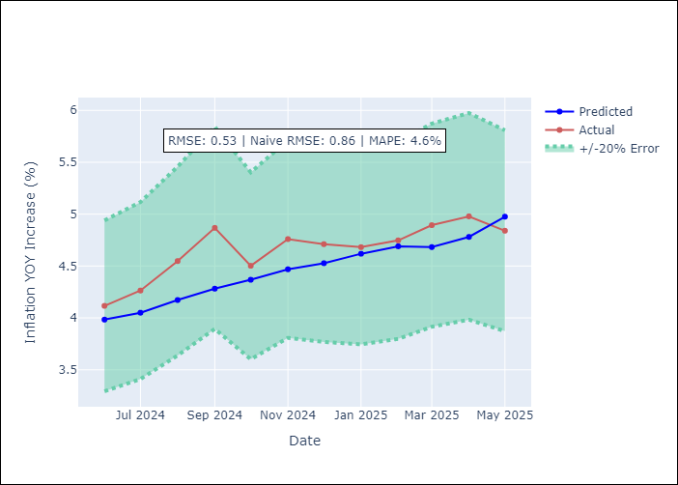
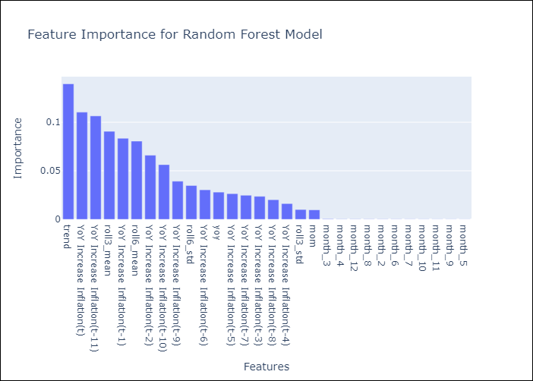

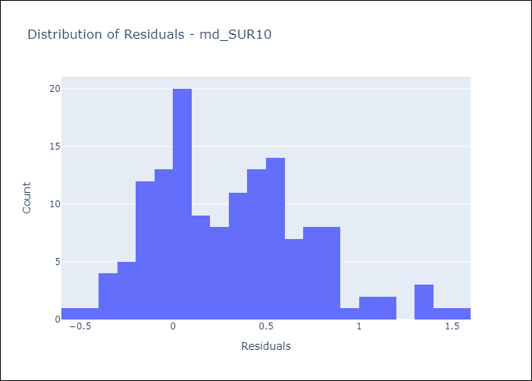
Appendix A: Model Summary
Model | Random Forest w/ Lags
Sample | 1991-12-01 to 2025-04-01
No. of Observations | 401
Residuals
Mean | 0.3158632802
St Dev | 0.42128947213
Kurtosis | 0.015519720396
Skewness | 0.52465524889

Bias-Corrected Residuals
Mean | 0.48189902898
St Dev | 0.17373756037
Kurtosis | 1.8578393779
Skewness | 1.2375823644

Assumptions | P-value

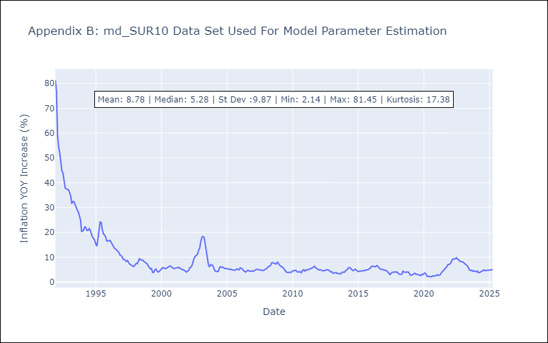

Appendix C: Residuals Analysis
Mean

