ARG
ARG - Inflation - Next 12 months forecast as of: 2025-04-01

Model | Random Forest w/ Lags - None
Training Data | 2006-12-01 to 2024-05-01
Test Data | 2024-05-01 to 2025-04-01

Date | Inflation Change YoY % | Lower Bound - 95% Confidence Interval | Upper Bound - 95% Confidence Interval | Bias Corrected Forecast
2025-05-01 | 89.12 | 86.96 | 98.68 | 88.5
2025-06-01 | 92.43 | 90.13 | 101.7 | 91.4
2025-07-01 | 94.7 | 92.93 | 102.98 | 93.21
2025-08-01 | 98.02 | 94.96 | 107.28 | 96.71
2025-09-01 | 103.73 | 98.22 | 114.46 | 102.71
2025-10-01 | 110.37 | 105.45 | 120.9 | 108.66
2025-11-01 | 117.84 | 111.24 | 129.83 | 116.16
2025-12-01 | 131.35 | 117.2 | 153.83 | 131.59
2026-01-01 | 151.66 | 128.7 | 183.89 | 152.68
2026-02-01 | 173 | 147.83 | 205.47 | 172.78
2026-03-01 | 190.01 | 167.93 | 221.88 | 189.2
2026-04-01 | 202.83 | 190.14 | 236.11 | 201.57

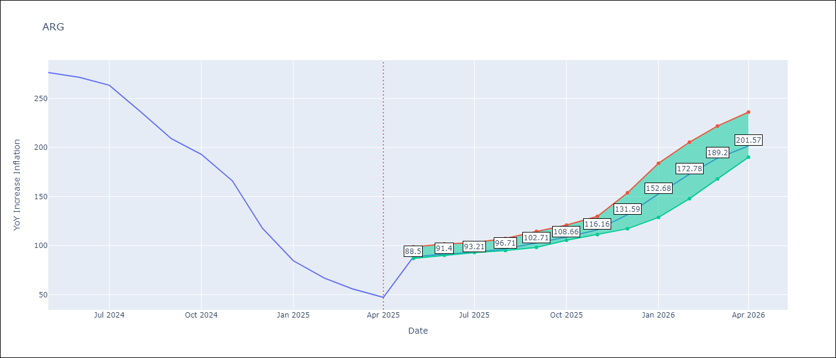

Test Set |  | Bias Corrected
RMSE | 112.46 | 143.67398968596012
Naive RMSE | 111.72 | 111.72
MAPE | 134.27% | 135.93%

Test Predictions
Date | Predicted | Actual | Bias Vector | Bias Corrected
2024-06-01 | 108.55 | 276.41 | 0.08 | 109.18
2024-07-01 | 111.87 | 271.53 | 0.09 | 112.41
2024-08-01 | 113.09 | 263.45 | 0.08 | 113.3
2024-09-01 | 117.64 | 236.72 | 0.1 | 118.13
2024-10-01 | 125.65 | 209 | 0.12 | 126.93
2024-11-01 | 133.39 | 192.99 | 0.14 | 134.61
2024-12-01 | 145.29 | 166.03 | 0.14 | 146.61
2025-01-01 | 171.6 | 117.76 | 0.16 | 174.83
2025-02-01 | 206.02 | 84.54 | 0.17 | 210.87
2025-03-01 | 238.4 | 66.87 | 0.16 | 242.54
2025-04-01 | 262.57 | 55.93 | 0.13 | 265.28
2025-05-01 | 276.8 | 47.26 | 0.08 | 278.33

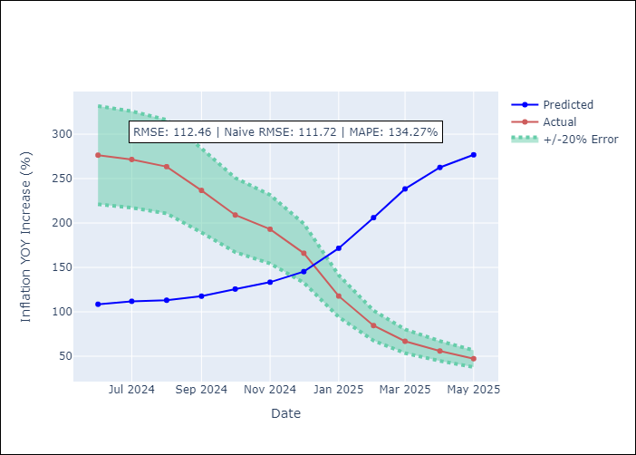
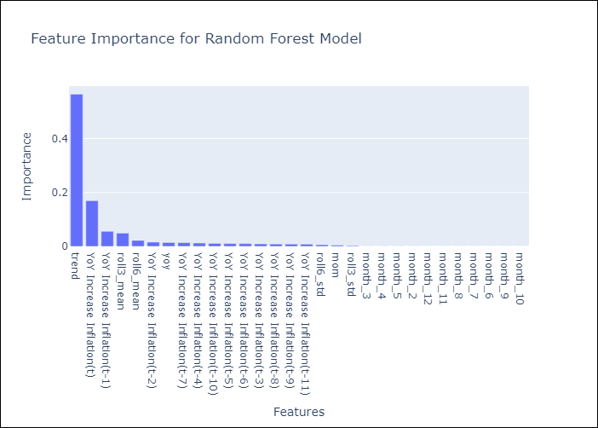

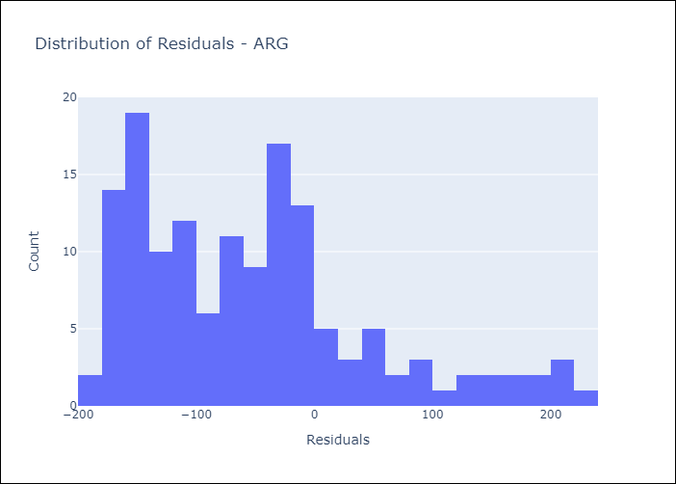
Appendix A: Model Summary
Model | Random Forest w/ Lags
Sample | 2006-12-01 to 2025-04-01
No. of Observations | 221
Residuals
Mean | -52.484065786
St Dev | 99.457868941
Kurtosis | 0.37782342495
Skewness | 0.93506497502

Bias-Corrected Residuals
Mean | -3.7114266813
St Dev | 143.62604438
Kurtosis | -1.5506529716
Skewness | -0.38330288506

Assumptions | P-value

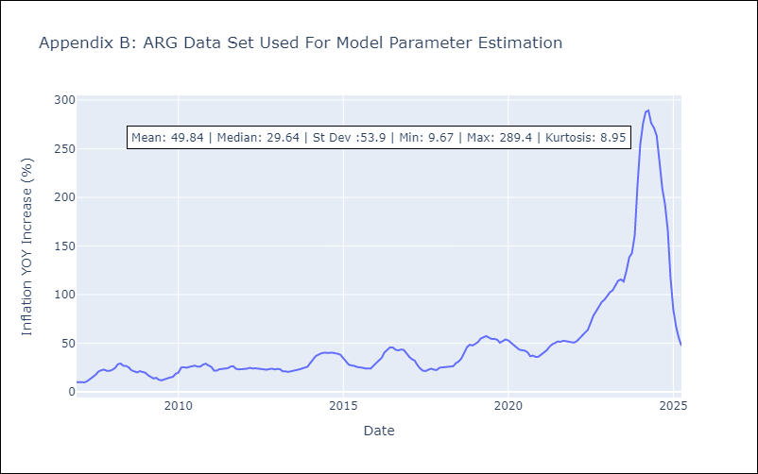

Appendix C: Residuals Analysis
Mean

BRA
BRA - Inflation - Next 12 months forecast as of: 2025-04-01

Model | Random Forest w/ Lags - None
Training Data | 1997-12-01 to 2024-05-01
Test Data | 2024-05-01 to 2025-04-01

Date | Inflation Change YoY % | Lower Bound - 95% Confidence Interval | Upper Bound - 95% Confidence Interval | Bias Corrected Forecast
2025-05-01 | 5.18 | 4.99 | 5.62 | 5.28
2025-06-01 | 5.3 | 5.07 | 5.72 | 5.37
2025-07-01 | 5.49 | 5.06 | 5.87 | 5.49
2025-08-01 | 5.68 | 5.16 | 6.05 | 5.64
2025-09-01 | 5.88 | 5.21 | 6.22 | 5.79
2025-10-01 | 6.1 | 5.2 | 6.46 | 5.97
2025-11-01 | 6.29 | 5.33 | 6.68 | 6.16
2025-12-01 | 6.48 | 5.48 | 6.87 | 6.33
2026-01-01 | 6.68 | 5.6 | 7 | 6.47
2026-02-01 | 6.86 | 5.64 | 7.18 | 6.6
2026-03-01 | 7.01 | 5.67 | 7.33 | 6.7
2026-04-01 | 7.13 | 5.63 | 7.46 | 6.77

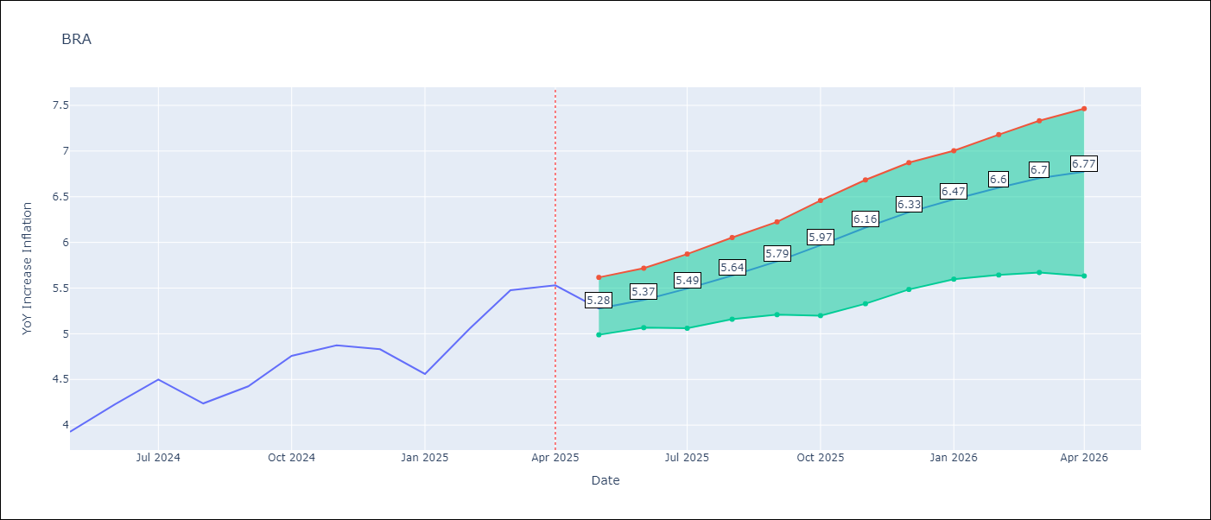

Test Set |  | Bias Corrected
RMSE | 1.34 | 0.34920420040629285
Naive RMSE | 0.73 | 0.73
MAPE | 6.99% | 6.53%

Test Predictions
Date | Predicted | Actual | Bias Vector | Bias Corrected
2024-06-01 | 3.63 | 3.93 | 0.01 | 3.66
2024-07-01 | 3.73 | 4.23 | 0 | 3.7
2024-08-01 | 3.89 | 4.5 | 0 | 3.81
2024-09-01 | 4.09 | 4.24 | 0 | 3.97
2024-10-01 | 4.3 | 4.42 | 0 | 4.16
2024-11-01 | 4.51 | 4.76 | 0 | 4.31
2024-12-01 | 4.71 | 4.87 | 0 | 4.48
2025-01-01 | 4.91 | 4.83 | 0 | 4.66
2025-02-01 | 5.15 | 4.56 | 0.01 | 4.84
2025-03-01 | 5.42 | 5.06 | 0.01 | 5.06
2025-04-01 | 5.74 | 5.48 | 0.01 | 5.32
2025-05-01 | 6.05 | 5.53 | 0.01 | 5.6

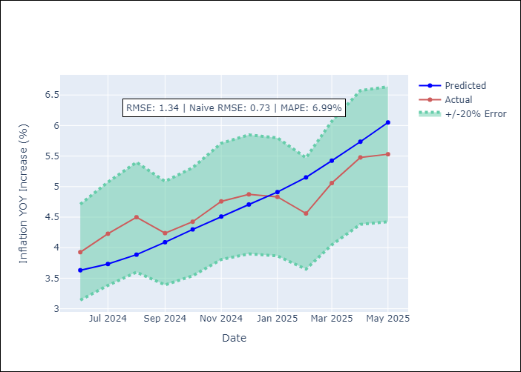
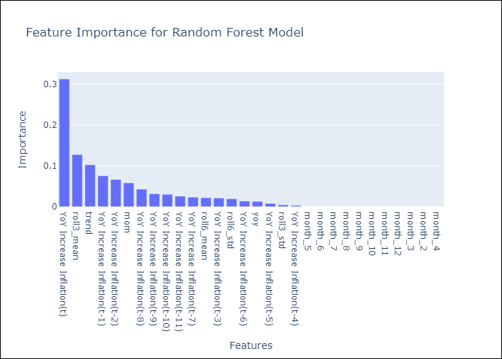

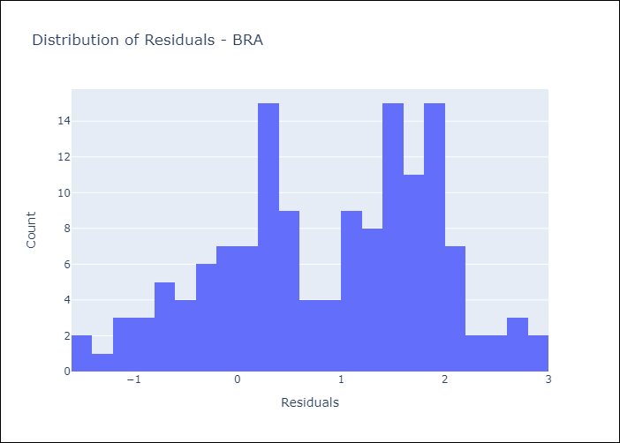
Appendix A: Model Summary
Model | Random Forest w/ Lags
Sample | 1997-12-01 to 2025-04-01
No. of Observations | 329
Residuals
Mean | 0.86334813424
St Dev | 1.0259837658
Kurtosis | -0.73831402645
Skewness | -0.28284824847

Bias-Corrected Residuals
Mean | 0.23688739624
St Dev | 0.25656955213
Kurtosis | 0.12514031229
Skewness | -0.2739096095

Assumptions | P-value



Appendix C: Residuals Analysis
Mean

CHL
CHL - Inflation - Next 12 months forecast as of: 2025-04-01

Model | Random Forest w/ Lags - None
Training Data | 2012-11-01 to 2024-05-01
Test Data | 2024-05-01 to 2025-04-01

Date | Inflation Change YoY % | Lower Bound - 95% Confidence Interval | Upper Bound - 95% Confidence Interval | Bias Corrected Forecast
2025-05-01 | 7.84 | 5.65 | 9.16 | 7.79
2025-06-01 | 8.55 | 5.89 | 9.47 | 8.08
2025-07-01 | 9.26 | 6.21 | 9.99 | 8.39
2025-08-01 | 9.87 | 6.61 | 10.54 | 8.69
2025-09-01 | 10.36 | 6.96 | 10.97 | 8.97
2025-10-01 | 10.8 | 7.28 | 11.45 | 9.2
2025-11-01 | 11.04 | 7.74 | 11.51 | 9.38
2025-12-01 | 11.1 | 7.87 | 11.36 | 9.6
2026-01-01 | 11.42 | 8.37 | 11.6 | 9.78
2026-02-01 | 11.53 | 8.58 | 11.64 | 9.91
2026-03-01 | 11.55 | 8.92 | 11.75 | 10
2026-04-01 | 11.46 | 8.93 | 11.67 | 9.99

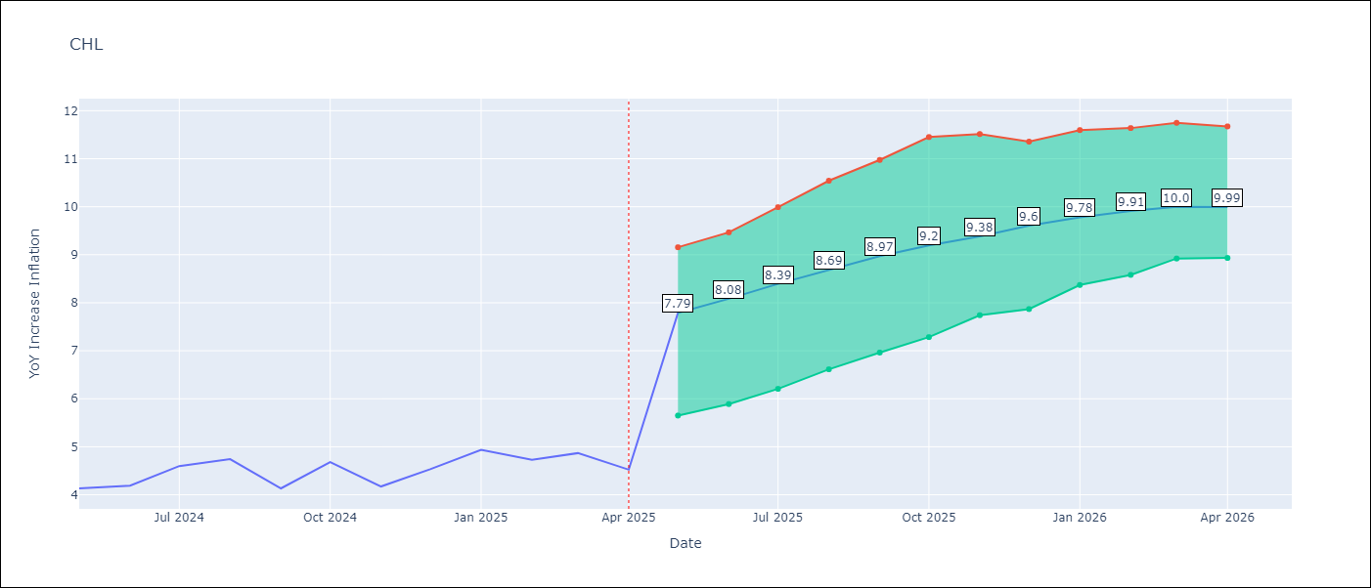

Test Set |  | Bias Corrected
RMSE | 3.57 | 3.7212240914001598
Naive RMSE | 1.71 | 1.71
MAPE | 101.18% | 82.14%

Test Predictions
Date | Predicted | Actual | Bias Vector | Bias Corrected
2024-06-01 | 8.3 | 4.13 | -0.01 | 7.6
2024-07-01 | 8.41 | 4.19 | -0.01 | 7.68
2024-08-01 | 8.58 | 4.6 | -0.01 | 7.72
2024-09-01 | 8.83 | 4.74 | 0 | 7.82
2024-10-01 | 8.92 | 4.13 | 0 | 7.91
2024-11-01 | 9.05 | 4.68 | 0 | 8.04
2024-12-01 | 9.31 | 4.17 | 0 | 8.19
2025-01-01 | 9.34 | 4.53 | 0 | 8.33
2025-02-01 | 9.44 | 4.94 | 0 | 8.48
2025-03-01 | 9.49 | 4.73 | 0.01 | 8.73
2025-04-01 | 9.61 | 4.87 | 0.01 | 8.98
2025-05-01 | 9.61 | 4.52 | 0.01 | 9.12

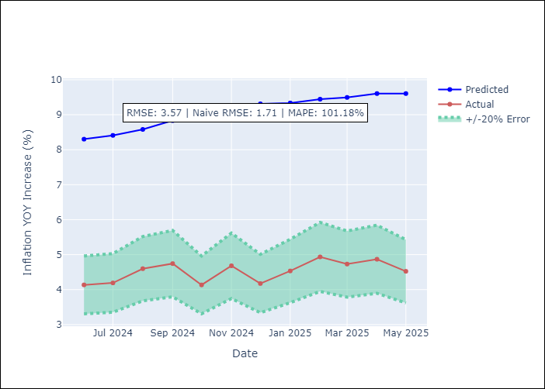
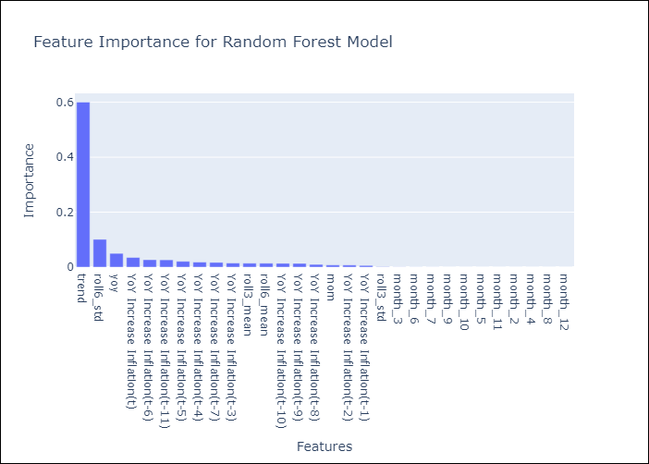

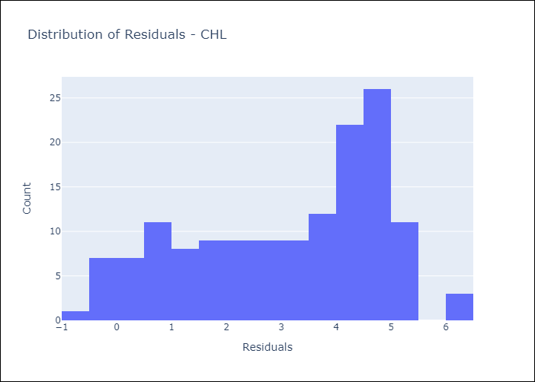
Appendix A: Model Summary
Model | Random Forest w/ Lags
Sample | 2012-11-01 to 2025-04-01
No. of Observations | 150
Residuals
Mean | 3.1145731108
St Dev | 1.7386832664
Kurtosis | -1.0813502104
Skewness | -0.40995231408

Bias-Corrected Residuals
Mean | -3.6971340476
St Dev | 0.42273936751
Kurtosis | 0.028058162527
Skewness | -0.47675271492

Assumptions | P-value

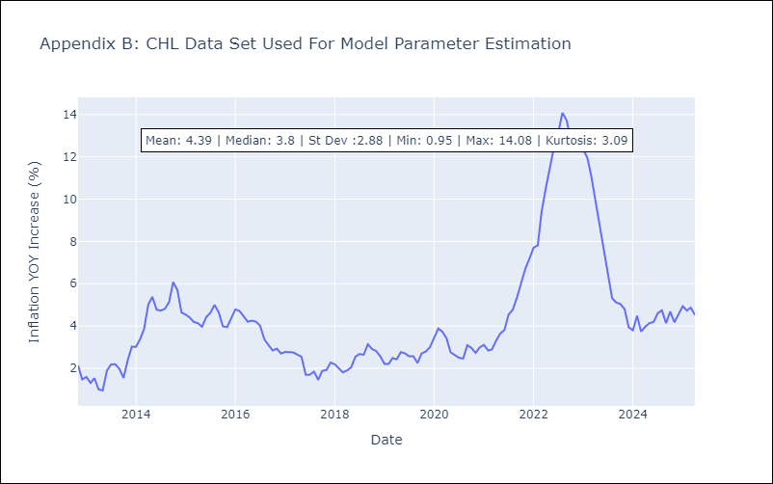

Appendix C: Residuals Analysis
Mean

COL
COL - Inflation - Next 12 months forecast as of: 2025-04-01

Model | Random Forest w/ Lags - None
Training Data | 2005-12-01 to 2024-05-01
Test Data | 2024-05-01 to 2025-04-01

Date | Inflation Change YoY % | Lower Bound - 95% Confidence Interval | Upper Bound - 95% Confidence Interval | Bias Corrected Forecast
2025-05-01 | 10.33 | 8.79 | 11.26 | 9.89
2025-06-01 | 10.23 | 8.76 | 11.24 | 9.85
2025-07-01 | 10.08 | 8.69 | 11.17 | 9.78
2025-08-01 | 9.9 | 8.53 | 11.04 | 9.69
2025-09-01 | 9.69 | 8.38 | 10.91 | 9.56
2025-10-01 | 9.49 | 8.26 | 10.71 | 9.41
2025-11-01 | 9.32 | 8.14 | 10.52 | 9.24
2025-12-01 | 9.1 | 7.96 | 10.26 | 9.04
2026-01-01 | 8.83 | 7.8 | 10.02 | 8.77
2026-02-01 | 8.52 | 7.62 | 9.8 | 8.46
2026-03-01 | 8.16 | 7.43 | 9.41 | 8.17
2026-04-01 | 7.82 | 7.16 | 8.97 | 7.88

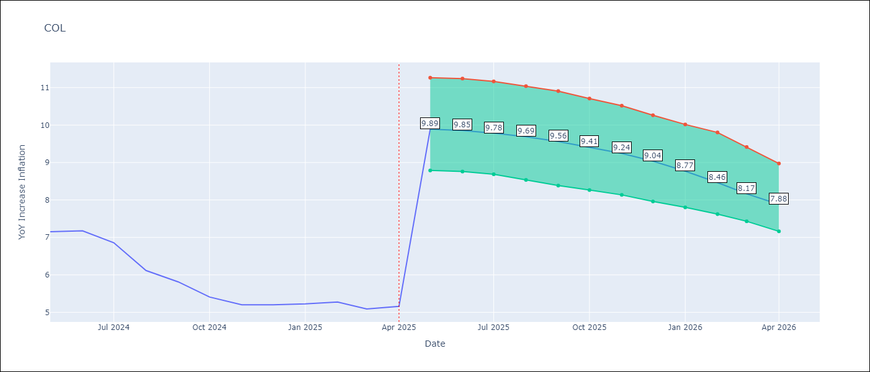

Test Set |  | Bias Corrected
RMSE | 2.87 | 3.322522535918975
Naive RMSE | 2.95 | 2.95
MAPE | 58.23% | 58.23%

Test Predictions
Date | Predicted | Actual | Bias Vector | Bias Corrected
2024-06-01 | 9.5 | 7.15 | 0 | 9.66
2024-07-01 | 9.51 | 7.18 | 0.01 | 9.64
2024-08-01 | 9.47 | 6.86 | 0.01 | 9.6
2024-09-01 | 9.43 | 6.12 | 0.01 | 9.55
2024-10-01 | 9.35 | 5.81 | 0.02 | 9.46
2024-11-01 | 9.29 | 5.41 | 0.02 | 9.34
2024-12-01 | 9.2 | 5.2 | 0.02 | 9.21
2025-01-01 | 9.07 | 5.2 | 0.03 | 9.02
2025-02-01 | 8.89 | 5.22 | 0.03 | 8.79
2025-03-01 | 8.67 | 5.27 | 0.03 | 8.53
2025-04-01 | 8.39 | 5.09 | 0.03 | 8.26
2025-05-01 | 8.12 | 5.16 | 0.04 | 7.99

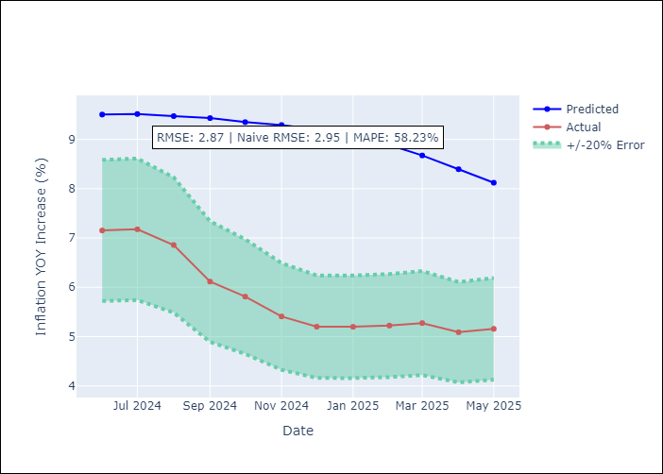
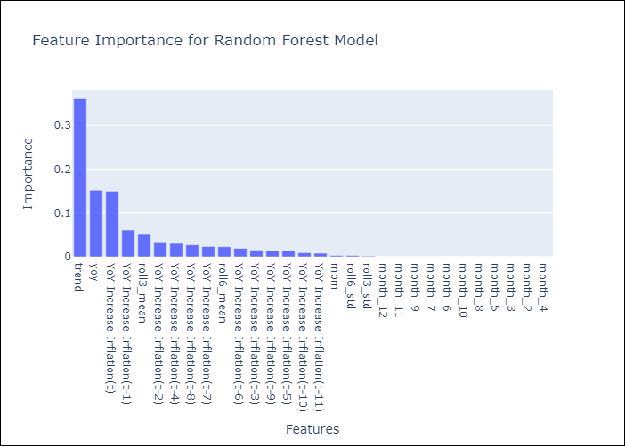

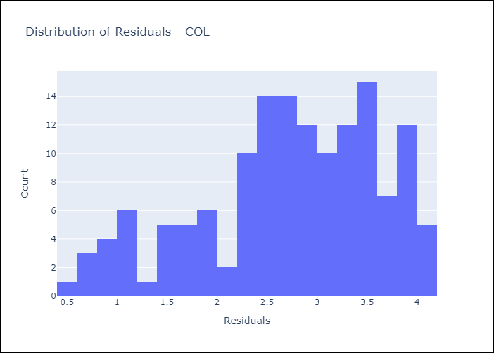
Appendix A: Model Summary
Model | Random Forest w/ Lags
Sample | 2005-12-01 to 2025-04-01
No. of Observations | 233
Residuals
Mean | 2.7268097117
St Dev | 0.89593650964
Kurtosis | -0.47388208569
Skewness | -0.56534967713

Bias-Corrected Residuals
Mean | -3.2815341836
St Dev | 0.52027819813
Kurtosis | -1.3359358754
Skewness | 0.2508187803

Assumptions | P-value

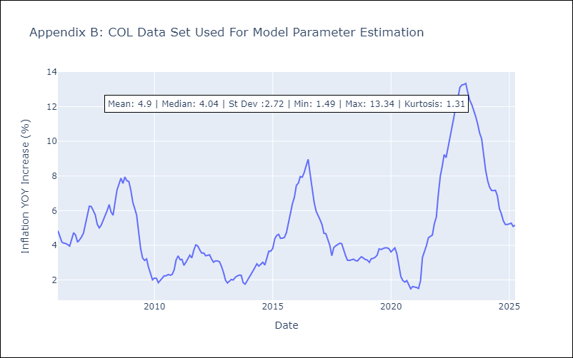

Appendix C: Residuals Analysis
Mean

ECU
ECU - Inflation - Next 12 months forecast as of: 2025-04-01

Model | Random Forest w/ Lags - None
Training Data | 2008-12-01 to 2024-05-01
Test Data | 2024-05-01 to 2025-04-01

Date | Inflation Change YoY % | Lower Bound - 95% Confidence Interval | Upper Bound - 95% Confidence Interval | Bias Corrected Forecast
2025-05-01 | 1.89 | 1.13 | 1.81 | 1.56
2025-06-01 | 1.9 | 1.09 | 1.83 | 1.56
2025-07-01 | 1.9 | 1.13 | 1.85 | 1.58
2025-08-01 | 1.94 | 1.12 | 1.91 | 1.6
2025-09-01 | 1.95 | 1.16 | 1.87 | 1.61
2025-10-01 | 1.92 | 1.17 | 1.85 | 1.61
2025-11-01 | 1.88 | 1.15 | 1.83 | 1.59
2025-12-01 | 1.86 | 1.13 | 1.78 | 1.57
2026-01-01 | 1.86 | 1.14 | 1.76 | 1.55
2026-02-01 | 1.82 | 1.11 | 1.71 | 1.53
2026-03-01 | 1.78 | 1.15 | 1.74 | 1.53
2026-04-01 | 1.8 | 1.19 | 1.82 | 1.56

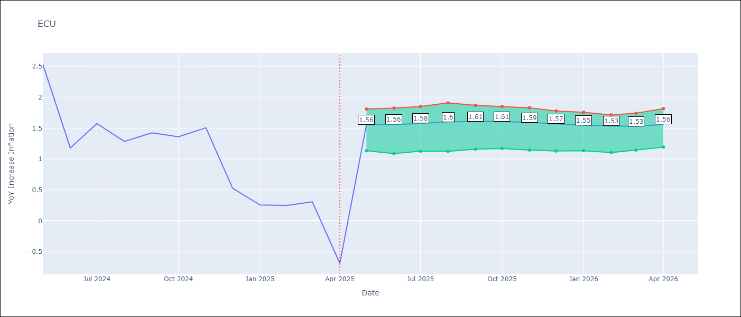

Test Set |  | Bias Corrected
RMSE | 0.91 | 1.3621104726692872
Naive RMSE | 0.86 | 0.86
MAPE | 242.78% | 249.63%

Test Predictions
Date | Predicted | Actual | Bias Vector | Bias Corrected
2024-06-01 | 1.75 | 2.53 | 0 | 1.99
2024-07-01 | 1.82 | 1.18 | 0 | 2.03
2024-08-01 | 1.88 | 1.57 | 0 | 2.07
2024-09-01 | 1.93 | 1.28 | 0 | 2.1
2024-10-01 | 1.99 | 1.42 | 0 | 2.13
2024-11-01 | 2.05 | 1.36 | 0 | 2.15
2024-12-01 | 2.08 | 1.51 | 0 | 2.15
2025-01-01 | 2.07 | 0.53 | 0 | 2.12
2025-02-01 | 2.05 | 0.26 | 0 | 2.08
2025-03-01 | 2.03 | 0.25 | -0.01 | 2.04
2025-04-01 | 1.99 | 0.31 | 0 | 1.99
2025-05-01 | 1.94 | -0.69 | -0.01 | 1.94

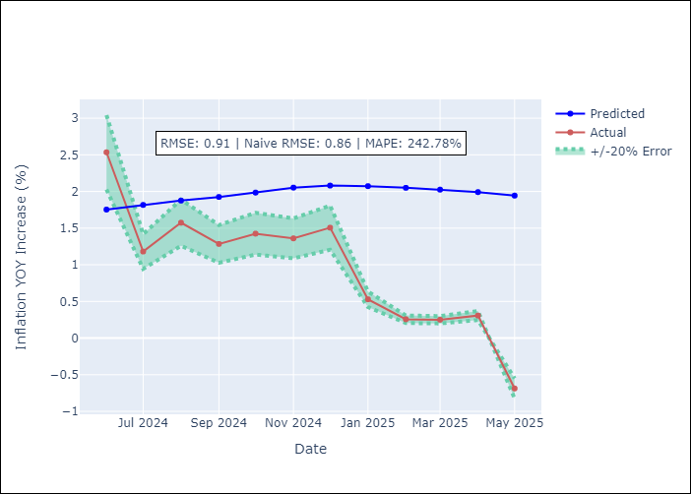
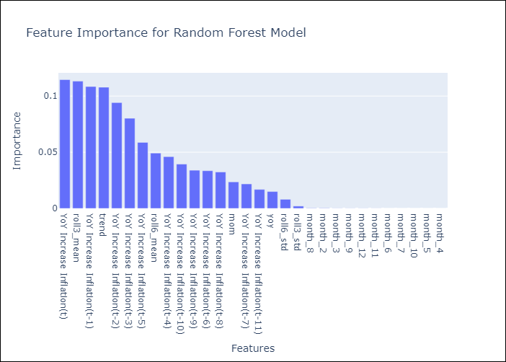

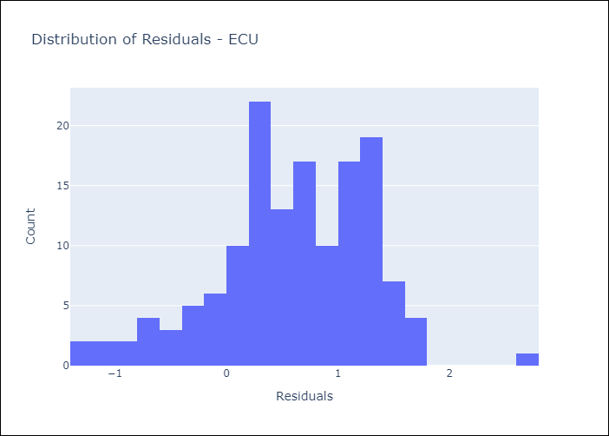
Appendix A: Model Summary
Model | Random Forest w/ Lags
Sample | 2008-12-01 to 2025-04-01
No. of Observations | 197
Residuals
Mean | 0.59636301901
St Dev | 0.69053763813
Kurtosis | 0.28948808361
Skewness | -0.45315177167

Bias-Corrected Residuals
Mean | -1.1057389534
St Dev | 0.79541580736
Kurtosis | 0.50604547421
Skewness | 0.090288782355

Assumptions | P-value

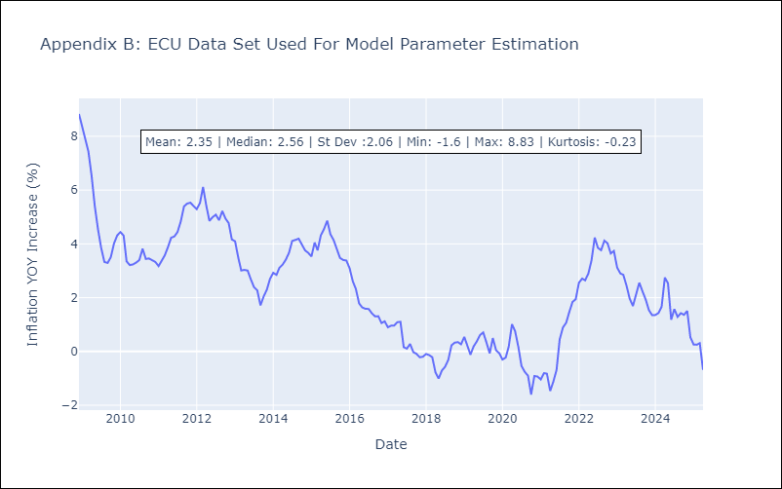

Appendix C: Residuals Analysis
Mean

PER
PER - Inflation - Next 12 months forecast as of: 2025-04-01

Model | Random Forest w/ Lags - None
Training Data | 1993-12-01 to 2024-05-01
Test Data | 2024-05-01 to 2025-04-01

Date | Inflation Change YoY % | Lower Bound - 95% Confidence Interval | Upper Bound - 95% Confidence Interval | Bias Corrected Forecast
2025-05-01 | 3.33 | 2.35 | 4.1 | 3.2
2025-06-01 | 3.42 | 2.4 | 4.15 | 3.25
2025-07-01 | 3.56 | 2.4 | 4.28 | 3.34
2025-08-01 | 3.67 | 2.43 | 4.25 | 3.39
2025-09-01 | 3.82 | 2.4 | 4.38 | 3.47
2025-10-01 | 3.98 | 2.49 | 4.44 | 3.57
2025-11-01 | 4.15 | 2.55 | 4.61 | 3.68
2025-12-01 | 4.33 | 2.7 | 4.67 | 3.84
2026-01-01 | 4.45 | 2.84 | 4.87 | 4
2026-02-01 | 4.58 | 2.88 | 5.03 | 4.2
2026-03-01 | 4.76 | 3.01 | 5.3 | 4.37
2026-04-01 | 4.95 | 3.02 | 5.49 | 4.54

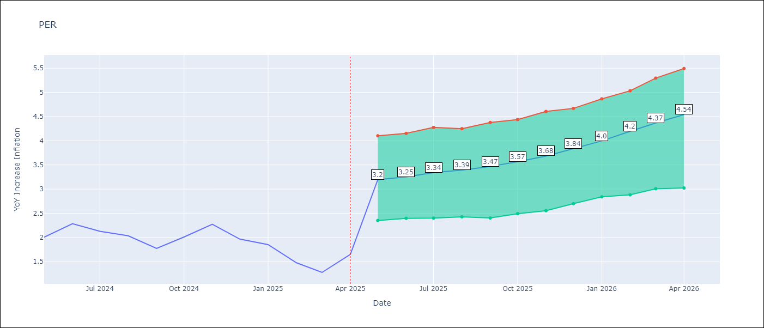

Test Set |  | Bias Corrected
RMSE | 2.74 | 3.1312265735704496
Naive RMSE | 2.19 | 2.19
MAPE | 164.16% | 168.89%

Test Predictions
Date | Predicted | Actual | Bias Vector | Bias Corrected
2024-06-01 | 3.65 | 2 | 0 | 3.52
2024-07-01 | 3.88 | 2.29 | 0 | 3.8
2024-08-01 | 4.12 | 2.13 | -0.01 | 4.11
2024-09-01 | 4.33 | 2.03 | -0.01 | 4.34
2024-10-01 | 4.54 | 1.78 | -0.01 | 4.57
2024-11-01 | 4.71 | 2.01 | -0.01 | 4.71
2024-12-01 | 4.91 | 2.27 | -0.01 | 4.9
2025-01-01 | 5.1 | 1.97 | 0 | 5.11
2025-02-01 | 5.24 | 1.85 | 0 | 5.38
2025-03-01 | 5.42 | 1.48 | 0 | 5.66
2025-04-01 | 5.64 | 1.28 | 0 | 5.93
2025-05-01 | 5.85 | 1.65 | 0 | 6.17

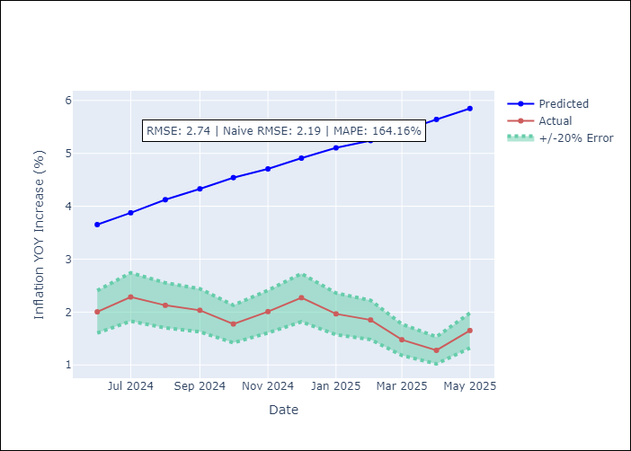
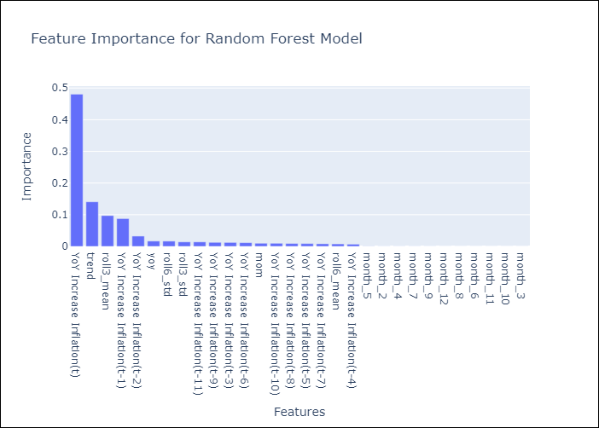

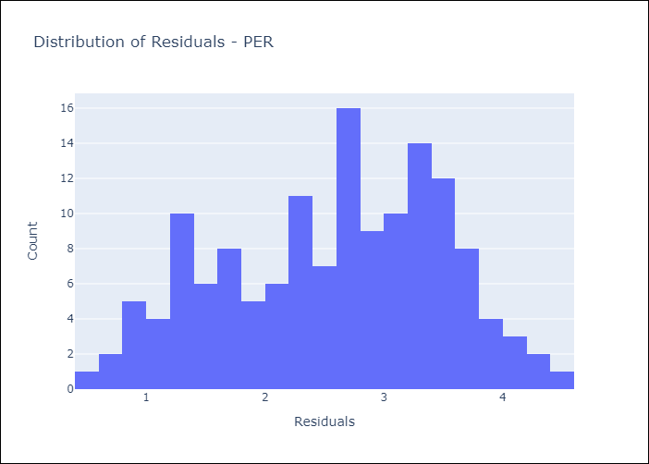
Appendix A: Model Summary
Model | Random Forest w/ Lags
Sample | 1993-12-01 to 2025-04-01
No. of Observations | 377
Residuals
Mean | 2.5795517169
St Dev | 0.92220246468
Kurtosis | -0.80298305187
Skewness | -0.23509003641

Bias-Corrected Residuals
Mean | -2.9547148035
St Dev | 1.0364556357
Kurtosis | -1.0144885141
Skewness | -0.30231464323

Assumptions | P-value

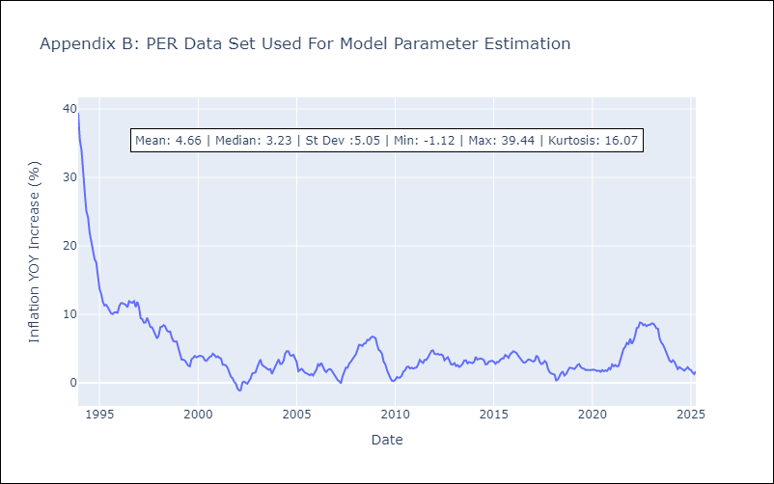

Appendix C: Residuals Analysis
Mean

PRY
PRY - Inflation - Next 12 months forecast as of: 2025-04-01

Model | Random Forest w/ Lags - None
Training Data | 1995-11-01 to 2024-05-01
Test Data | 2024-05-01 to 2025-04-01

Date | Inflation Change YoY % | Lower Bound - 95% Confidence Interval | Upper Bound - 95% Confidence Interval | Bias Corrected Forecast
2025-05-01 | 3.37 | 3.31 | 4.05 | 3.54
2025-06-01 | 3.31 | 3.25 | 4.09 | 3.49
2025-07-01 | 3.25 | 3.26 | 4.18 | 3.47
2025-08-01 | 3.28 | 3.21 | 4.24 | 3.49
2025-09-01 | 3.27 | 3.27 | 4.44 | 3.52
2025-10-01 | 3.28 | 3.35 | 4.52 | 3.56
2025-11-01 | 3.27 | 3.32 | 4.44 | 3.56
2025-12-01 | 3.25 | 3.22 | 4.46 | 3.54
2026-01-01 | 3.23 | 3.18 | 4.38 | 3.52
2026-02-01 | 3.17 | 3.12 | 4.36 | 3.52
2026-03-01 | 3.16 | 2.97 | 4.26 | 3.52
2026-04-01 | 3.23 | 3.08 | 4.33 | 3.59

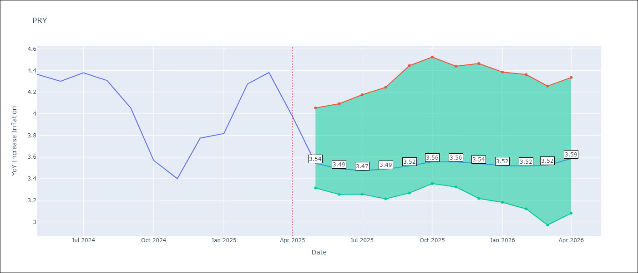

Test Set |  | Bias Corrected
RMSE | 0.9 | 0.8263220872595084
Naive RMSE | 0.82 | 0.82
MAPE | 26.55% | 18.09%

Test Predictions
Date | Predicted | Actual | Bias Vector | Bias Corrected
2024-06-01 | 3.05 | 4.36 | -0.01 | 3.27
2024-07-01 | 2.95 | 4.3 | -0.01 | 3.24
2024-08-01 | 2.9 | 4.38 | -0.01 | 3.23
2024-09-01 | 2.91 | 4.31 | -0.01 | 3.23
2024-10-01 | 2.94 | 4.05 | -0.01 | 3.26
2024-11-01 | 2.99 | 3.57 | -0.01 | 3.27
2024-12-01 | 2.97 | 3.4 | -0.01 | 3.29
2025-01-01 | 2.93 | 3.78 | -0.02 | 3.29
2025-02-01 | 2.91 | 3.82 | -0.02 | 3.29
2025-03-01 | 2.92 | 4.27 | -0.02 | 3.36
2025-04-01 | 2.96 | 4.38 | -0.01 | 3.39
2025-05-01 | 3.02 | 3.97 | -0.01 | 3.42

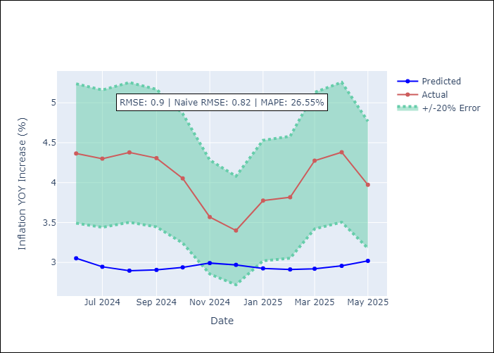
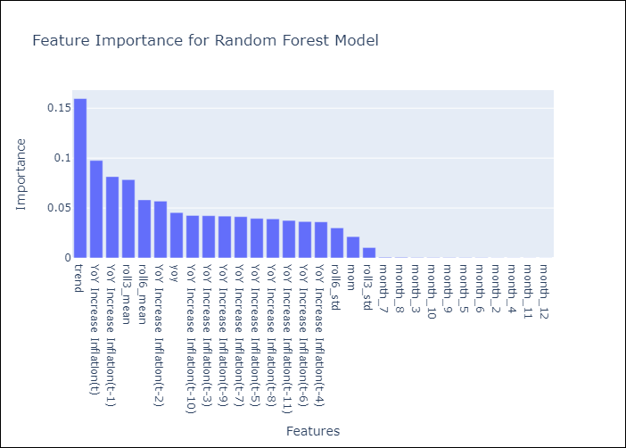

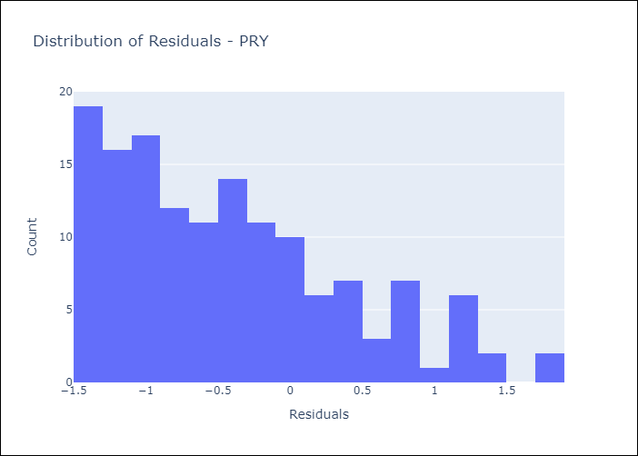
Appendix A: Model Summary
Model | Random Forest w/ Lags
Sample | 1995-11-01 to 2025-04-01
No. of Observations | 354
Residuals
Mean | -0.42745034705
St Dev | 0.79638427957
Kurtosis | -0.23698189863
Skewness | 0.75201390582

Bias-Corrected Residuals
Mean | 0.75542970416
St Dev | 0.33486438145
Kurtosis | -1.0452973307
Skewness | -0.55295949377

Assumptions | P-value



Appendix C: Residuals Analysis
Mean

URY
URY - Inflation - Next 12 months forecast as of: 2025-04-01

Model | Random Forest w/ Lags - None
Training Data | 1991-12-01 to 2024-05-01
Test Data | 2024-05-01 to 2025-04-01

Date | Inflation Change YoY % | Lower Bound - 95% Confidence Interval | Upper Bound - 95% Confidence Interval | Bias Corrected Forecast
2025-05-01 | 6.02 | 5.76 | 6.59 | 6.09
2025-06-01 | 6.43 | 5.98 | 7.19 | 6.5
2025-07-01 | 6.94 | 6.16 | 7.94 | 6.99
2025-08-01 | 7.53 | 6.54 | 8.72 | 7.52
2025-09-01 | 8.11 | 6.86 | 9.41 | 8
2025-10-01 | 8.63 | 7.18 | 10.18 | 8.49
2025-11-01 | 9.13 | 7.48 | 10.74 | 8.97
2025-12-01 | 9.55 | 7.9 | 11.13 | 9.38
2026-01-01 | 9.9 | 8.19 | 11.44 | 9.72
2026-02-01 | 10.24 | 8.42 | 11.87 | 10.04
2026-03-01 | 10.49 | 8.62 | 12.21 | 10.31
2026-04-01 | 10.67 | 8.96 | 12.51 | 10.51

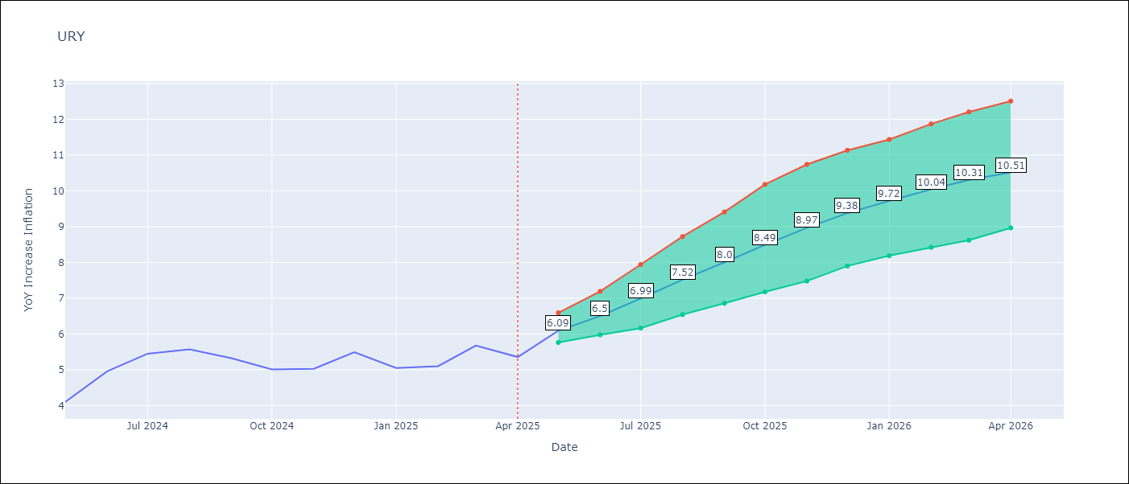

Test Set |  | Bias Corrected
RMSE | 2.75 | 3.239616303831007
Naive RMSE | 1.24 | 1.24
MAPE | 51.78% | 50.99%

Test Predictions
Date | Predicted | Actual | Bias Vector | Bias Corrected
2024-06-01 | 5.18 | 4.1 | 0 | 5.22
2024-07-01 | 5.47 | 4.96 | 0 | 5.49
2024-08-01 | 5.8 | 5.45 | 0.01 | 5.83
2024-09-01 | 6.25 | 5.57 | 0.01 | 6.26
2024-10-01 | 6.73 | 5.32 | 0.01 | 6.71
2024-11-01 | 7.23 | 5.01 | 0.01 | 7.2
2024-12-01 | 7.77 | 5.03 | 0 | 7.78
2025-01-01 | 8.43 | 5.49 | 0 | 8.46
2025-02-01 | 9.21 | 5.05 | 0 | 9.19
2025-03-01 | 10.06 | 5.1 | 0 | 9.96
2025-04-01 | 10.87 | 5.67 | -0.01 | 10.69
2025-05-01 | 11.54 | 5.36 | -0.01 | 11.25

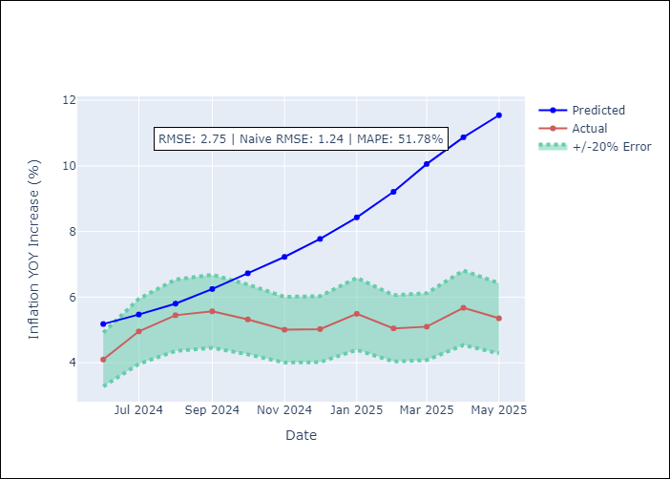
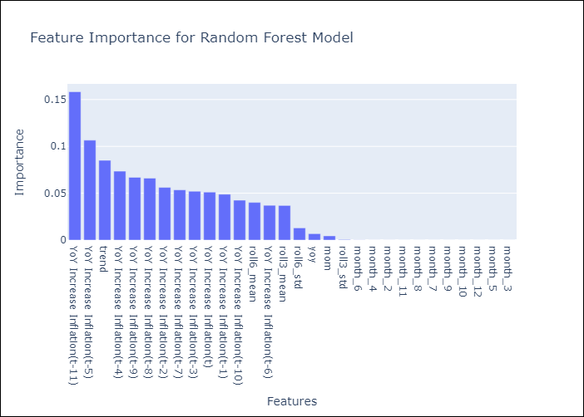

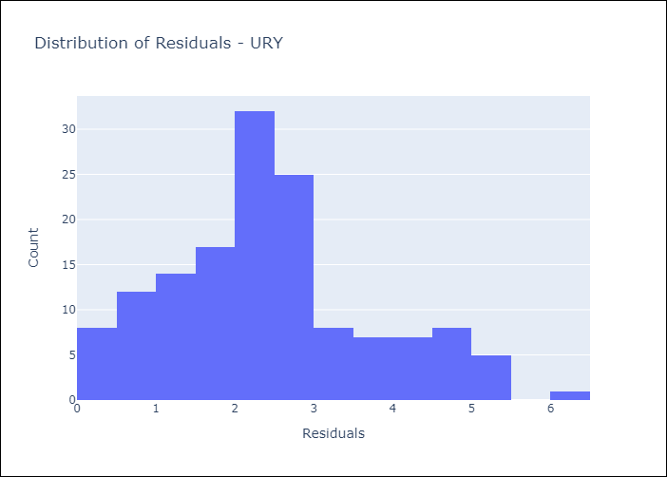
Appendix A: Model Summary
Model | Random Forest w/ Lags
Sample | 1991-12-01 to 2025-04-01
No. of Observations | 401
Residuals
Mean | 2.4219215585
St Dev | 1.3050731261
Kurtosis | -0.06056633188
Skewness | 0.4863329685

Bias-Corrected Residuals
Mean | -2.6612229199
St Dev | 1.8474323713
Kurtosis | -1.3121401297
Skewness | -0.39145822569

Assumptions | P-value

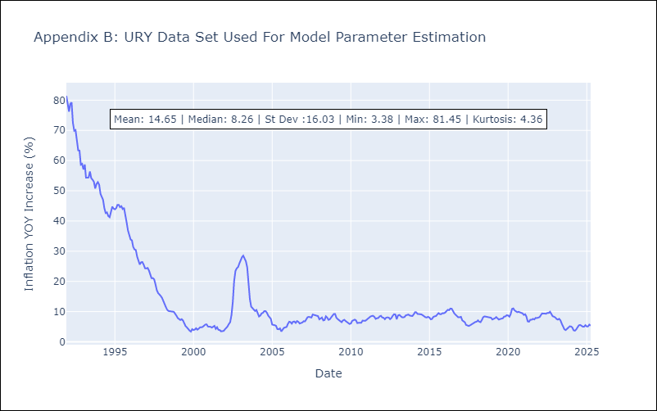

Appendix C: Residuals Analysis
Mean

