CRI
CRI - Inflation - Next 12 months forecast as of: 2025-04-01

Model | Random Forest w/ Lags - None
Training Data | 1994-06-01 to 2024-05-01
Test Data | 2024-05-01 to 2025-04-01

Date | Inflation Change YoY % | Lower Bound - 95% Confidence Interval | Upper Bound - 95% Confidence Interval | Bias Corrected Forecast
2025-05-01 | 1.79 | 0.45 | 1.92 | 1.34
2025-06-01 | 1.97 | 0.55 | 2.15 | 1.51
2025-07-01 | 2.22 | 0.69 | 2.45 | 1.7
2025-08-01 | 2.49 | 1.04 | 2.78 | 1.93
2025-09-01 | 3 | 1.18 | 3.36 | 2.25
2025-10-01 | 3.62 | 1.29 | 4.1 | 2.64
2025-11-01 | 4.28 | 1.52 | 4.85 | 3.08
2025-12-01 | 5.03 | 1.72 | 5.72 | 3.58
2026-01-01 | 5.85 | 1.98 | 6.86 | 4.15
2026-02-01 | 6.76 | 2.3 | 7.93 | 4.75
2026-03-01 | 7.6 | 2.6 | 8.83 | 5.32
2026-04-01 | 8.18 | 2.84 | 9.24 | 5.81

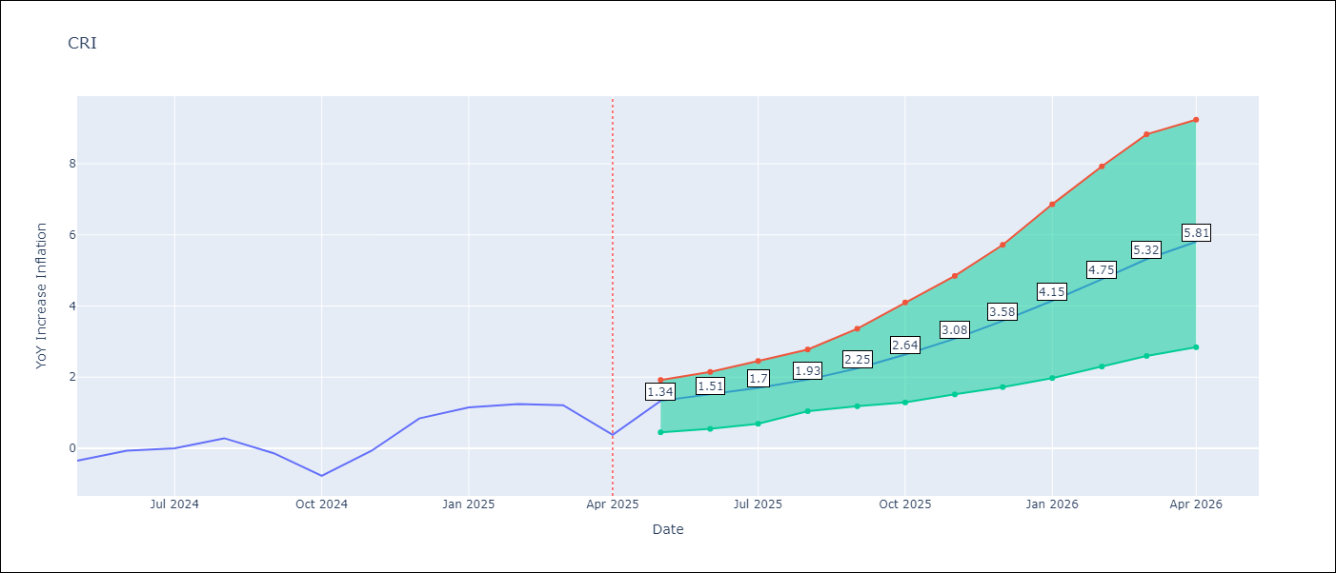

Test Set |  | Bias Corrected
RMSE | 3.88 | 2.8970633020059573
Naive RMSE | 1.62 | 1.62
MAPE | inf% | 1083.83%

Test Predictions
Date | Predicted | Actual | Bias Vector | Bias Corrected
2024-06-01 | 1.79 | -0.35 | 0 | 1.22
2024-07-01 | 1.98 | -0.06 | 0 | 1.4
2024-08-01 | 2.23 | 0 | 0 | 1.58
2024-09-01 | 2.51 | 0.28 | -0.01 | 1.81
2024-10-01 | 3.02 | -0.14 | -0.01 | 2.12
2024-11-01 | 3.65 | -0.77 | -0.01 | 2.49
2024-12-01 | 4.3 | -0.07 | -0.01 | 2.91
2025-01-01 | 5.06 | 0.84 | -0.01 | 3.4
2025-02-01 | 5.89 | 1.15 | -0.02 | 3.94
2025-03-01 | 6.81 | 1.25 | -0.02 | 4.52
2025-04-01 | 7.65 | 1.21 | -0.02 | 5.07
2025-05-01 | 8.23 | 0.38 | -0.02 | 5.54

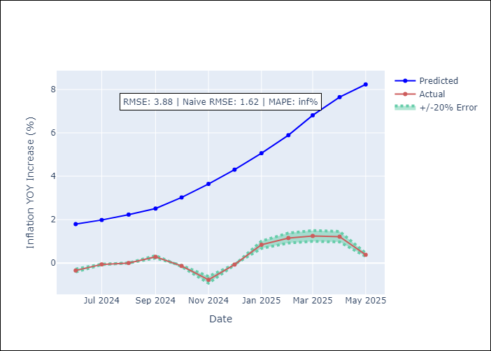
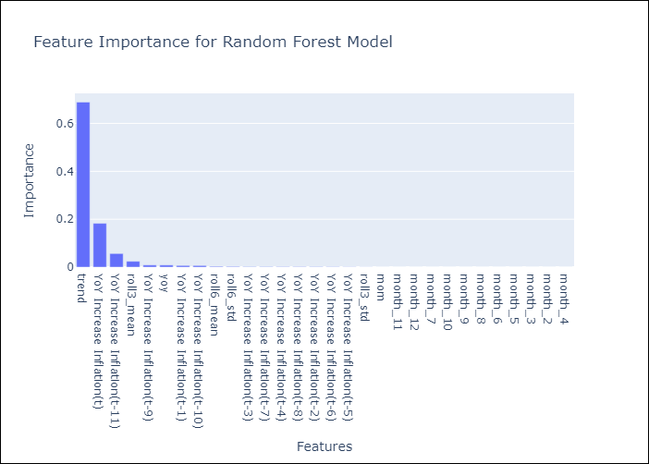

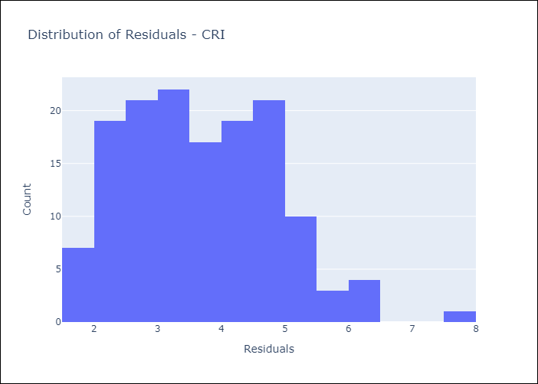
Appendix A: Model Summary
Model | Random Forest w/ Lags
Sample | 1994-06-01 to 2025-04-01
No. of Observations | 371
Residuals
Mean | 3.6927623935
St Dev | 1.1784368957
Kurtosis | -0.093509378551
Skewness | 0.46360886501

Bias-Corrected Residuals
Mean | -2.6910873986
St Dev | 1.0728580469
Kurtosis | 0.63926133916
Skewness | -0.83850387138

Assumptions | P-value

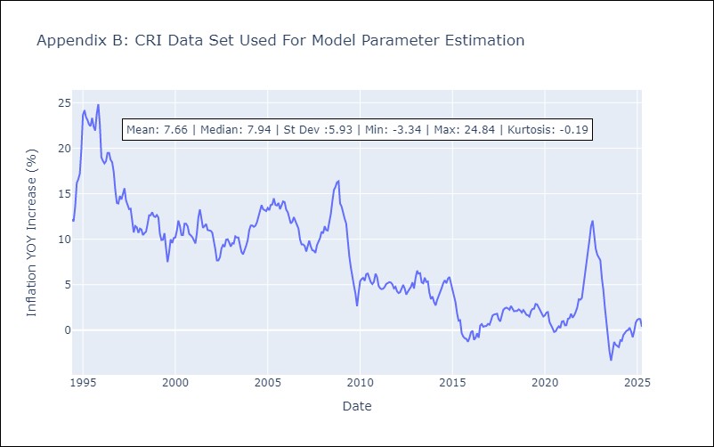

Appendix C: Residuals Analysis
Mean

DOM
DOM - Inflation - Next 12 months forecast as of: 2025-04-01

Model | Random Forest w/ Lags - None
Training Data | 1993-12-01 to 2024-05-01
Test Data | 2024-05-01 to 2025-04-01

Date | Inflation Change YoY % | Lower Bound - 95% Confidence Interval | Upper Bound - 95% Confidence Interval | Bias Corrected Forecast
2025-05-01 | 3.88 | 3.49 | 4.11 | 3.87
2025-06-01 | 3.9 | 3.32 | 4.12 | 3.81
2025-07-01 | 3.89 | 3.26 | 4.14 | 3.73
2025-08-01 | 3.9 | 3.16 | 4.22 | 3.67
2025-09-01 | 3.85 | 2.89 | 4.24 | 3.58
2025-10-01 | 3.72 | 2.69 | 4.25 | 3.46
2025-11-01 | 3.61 | 2.57 | 4.2 | 3.35
2025-12-01 | 3.54 | 2.48 | 4.17 | 3.24
2026-01-01 | 3.54 | 2.47 | 4.17 | 3.19
2026-02-01 | 3.54 | 2.47 | 4.26 | 3.15
2026-03-01 | 3.6 | 2.33 | 4.46 | 3.18
2026-04-01 | 3.65 | 2.31 | 4.57 | 3.23

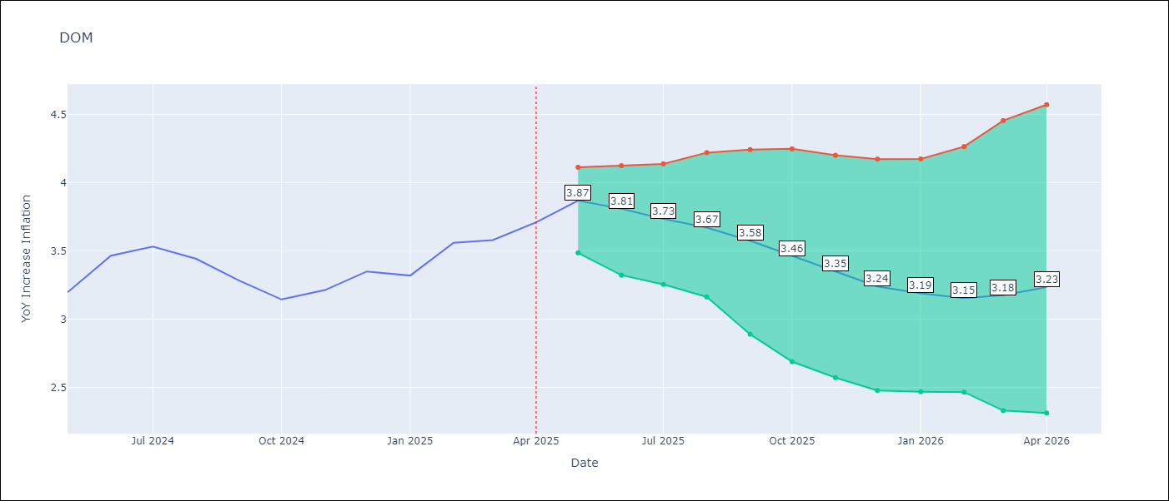

Test Set |  | Bias Corrected
RMSE | 1.57 | 0.8099116688804361
Naive RMSE | 0.65 | 0.65
MAPE | 23.38% | 22.18%

Test Predictions
Date | Predicted | Actual | Bias Vector | Bias Corrected
2024-06-01 | 3.05 | 3.2 | -0.01 | 3.07
2024-07-01 | 2.91 | 3.47 | -0.01 | 2.94
2024-08-01 | 2.8 | 3.53 | -0.01 | 2.83
2024-09-01 | 2.71 | 3.44 | -0.01 | 2.73
2024-10-01 | 2.65 | 3.28 | -0.01 | 2.64
2024-11-01 | 2.59 | 3.15 | -0.01 | 2.57
2024-12-01 | 2.48 | 3.21 | -0.01 | 2.49
2025-01-01 | 2.38 | 3.35 | -0.01 | 2.45
2025-02-01 | 2.34 | 3.32 | -0.01 | 2.43
2025-03-01 | 2.36 | 3.56 | -0.02 | 2.44
2025-04-01 | 2.4 | 3.58 | -0.02 | 2.49
2025-05-01 | 2.48 | 3.71 | -0.03 | 2.58

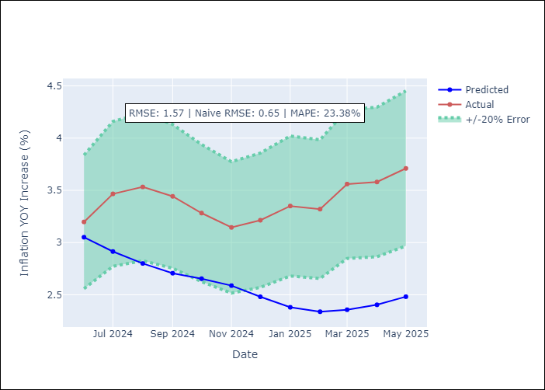
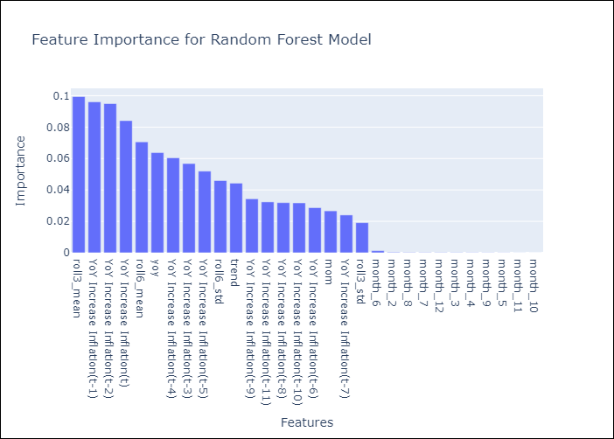

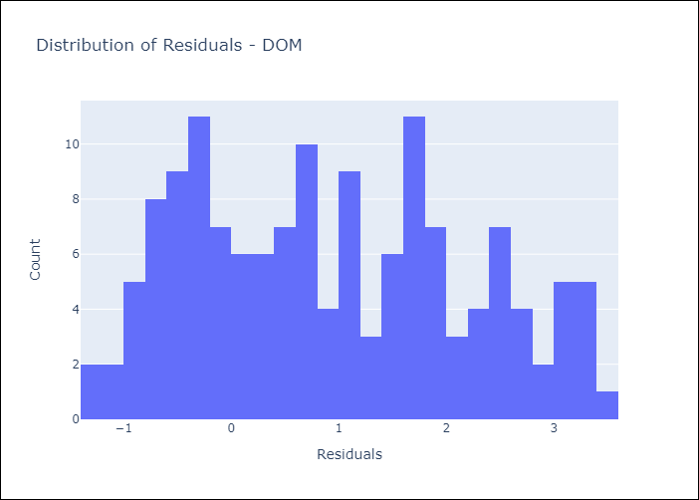
Appendix A: Model Summary
Model | Random Forest w/ Lags
Sample | 1993-12-01 to 2025-04-01
No. of Observations | 377
Residuals
Mean | 0.92738082139
St Dev | 1.2631254415
Kurtosis | -1.048102863
Skewness | 0.21192068562

Bias-Corrected Residuals
Mean | 0.76144342114
St Dev | 0.27597251275
Kurtosis | 0.70701666073
Skewness | -0.61188490077

Assumptions | P-value

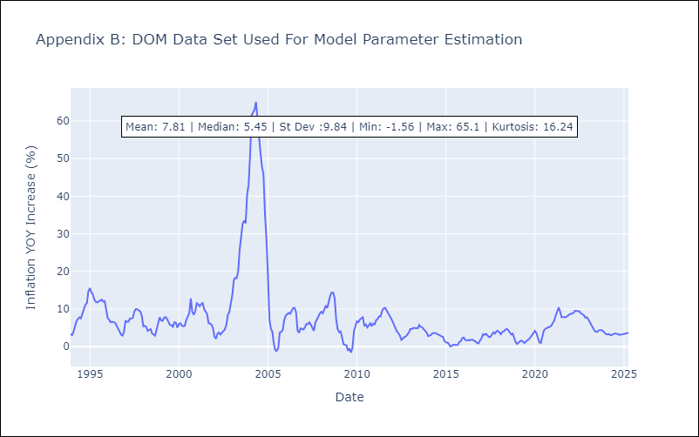

Appendix C: Residuals Analysis
Mean

GTM
GTM - Inflation - Next 12 months forecast as of: 2025-04-01

Model | Random Forest w/ Lags - None
Training Data | 1994-06-01 to 2024-05-01
Test Data | 2024-05-01 to 2025-04-01

Date | Inflation Change YoY % | Lower Bound - 95% Confidence Interval | Upper Bound - 95% Confidence Interval | Bias Corrected Forecast
2025-05-01 | 3.94 | 3.63 | 5.18 | 4.45
2025-06-01 | 4.31 | 3.85 | 5.68 | 4.77
2025-07-01 | 4.74 | 3.96 | 6.35 | 5.1
2025-08-01 | 5.25 | 4.21 | 6.82 | 5.47
2025-09-01 | 5.85 | 4.73 | 7.21 | 5.84
2025-10-01 | 6.45 | 5.23 | 7.42 | 6.22
2025-11-01 | 6.97 | 5.8 | 7.89 | 6.54
2025-12-01 | 7.42 | 6.35 | 8.15 | 6.8
2026-01-01 | 7.72 | 6.68 | 8.29 | 6.98
2026-02-01 | 7.87 | 6.99 | 8.34 | 7.09
2026-03-01 | 7.91 | 7.01 | 8.37 | 7.09
2026-04-01 | 7.9 | 6.92 | 8.24 | 7.02

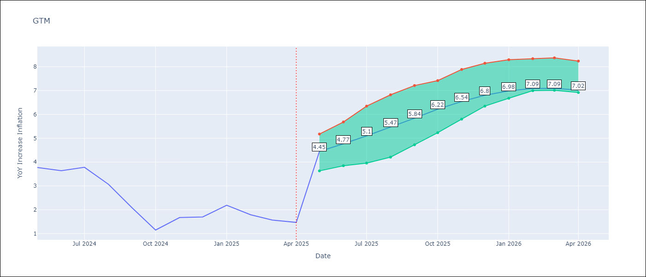

Test Set |  | Bias Corrected
RMSE | 3.44 | 4.806612476311395
Naive RMSE | 1.45 | 1.45
MAPE | 261.74% | 247.98%

Test Predictions
Date | Predicted | Actual | Bias Vector | Bias Corrected
2024-06-01 | 3.63 | 3.77 | 0 | 4.17
2024-07-01 | 4.02 | 3.64 | 0 | 4.61
2024-08-01 | 4.56 | 3.78 | -0.01 | 5.11
2024-09-01 | 5.17 | 3.07 | -0.01 | 5.64
2024-10-01 | 5.93 | 2.07 | 0 | 6.19
2024-11-01 | 6.74 | 1.15 | 0 | 6.73
2024-12-01 | 7.46 | 1.67 | 0 | 7.2
2025-01-01 | 8.1 | 1.7 | 0 | 7.58
2025-02-01 | 8.54 | 2.19 | 0 | 7.86
2025-03-01 | 8.77 | 1.79 | 0 | 8.02
2025-04-01 | 8.83 | 1.57 | 0 | 8.04
2025-05-01 | 8.81 | 1.47 | 0.01 | 7.92

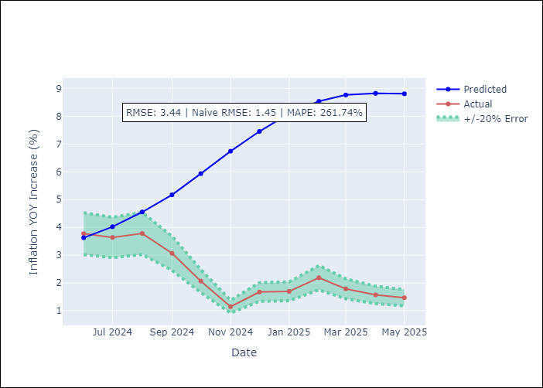
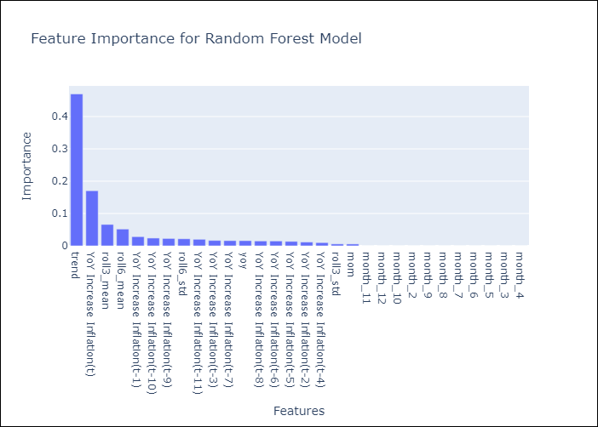

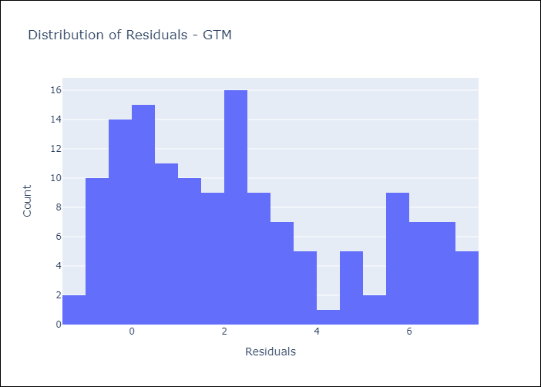
Appendix A: Model Summary
Model | Random Forest w/ Lags
Sample | 1994-06-01 to 2025-04-01
No. of Observations | 371
Residuals
Mean | 2.417672833
St Dev | 2.4469042004
Kurtosis | -0.94627090561
Skewness | 0.51720956071

Bias-Corrected Residuals
Mean | -4.2670857718
St Dev | 2.2125782502
Kurtosis | -1.2582326499
Skewness | 0.74268594034

Assumptions | P-value

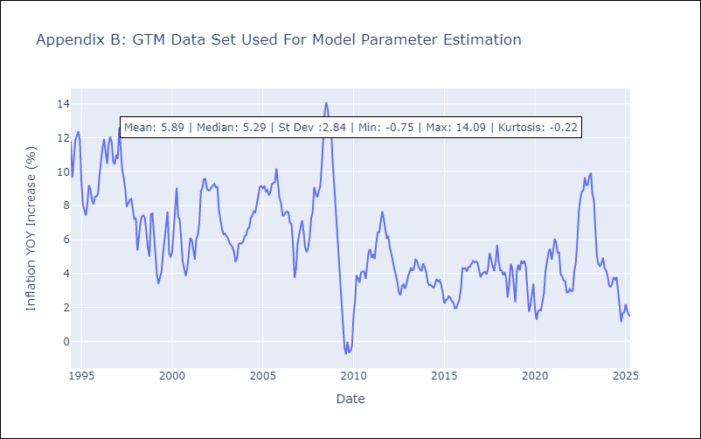

Appendix C: Residuals Analysis
Mean

HND
HND - Inflation - Next 12 months forecast as of: 2025-04-01

Model | Random Forest w/ Lags - None
Training Data | 1994-06-01 to 2024-05-01
Test Data | 2024-05-01 to 2025-04-01

Date | Inflation Change YoY % | Lower Bound - 95% Confidence Interval | Upper Bound - 95% Confidence Interval | Bias Corrected Forecast
2025-05-01 | 5.51 | 5 | 5.85 | 5.33
2025-06-01 | 5.6 | 5.07 | 5.99 | 5.4
2025-07-01 | 5.69 | 5.06 | 6.15 | 5.49
2025-08-01 | 5.78 | 5.03 | 6.26 | 5.58
2025-09-01 | 5.89 | 5.09 | 6.36 | 5.68
2025-10-01 | 6.05 | 5.13 | 6.52 | 5.78
2025-11-01 | 6.07 | 5.13 | 6.64 | 5.85
2025-12-01 | 6.05 | 5.07 | 6.7 | 5.89
2026-01-01 | 6.07 | 4.97 | 6.75 | 5.92
2026-02-01 | 6.13 | 5.01 | 6.74 | 5.94
2026-03-01 | 6.12 | 5.05 | 6.73 | 5.95
2026-04-01 | 6.14 | 5.02 | 6.75 | 5.95

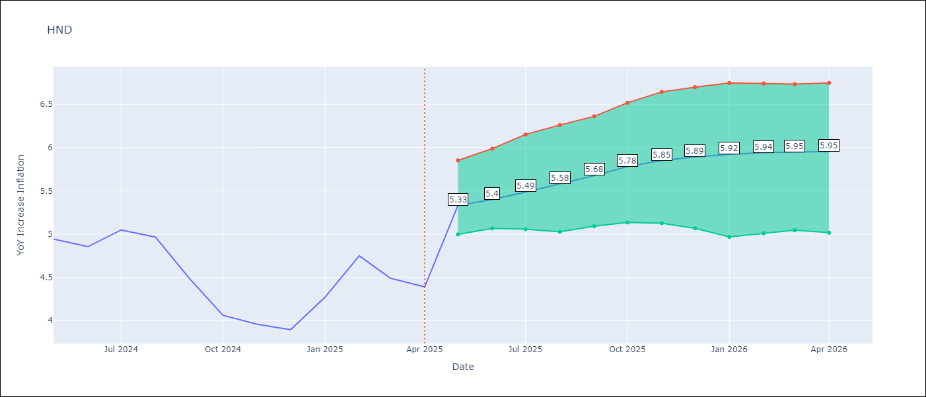

Test Set |  | Bias Corrected
RMSE | 1.34 | 1.6245050439871471
Naive RMSE | 0.79 | 0.79
MAPE | 36.71% | 33.86%

Test Predictions
Date | Predicted | Actual | Bias Vector | Bias Corrected
2024-06-01 | 5.52 | 4.94 | -0.02 | 5.29
2024-07-01 | 5.58 | 4.86 | -0.02 | 5.38
2024-08-01 | 5.67 | 5.05 | -0.02 | 5.51
2024-09-01 | 5.81 | 4.97 | -0.02 | 5.68
2024-10-01 | 5.99 | 4.48 | -0.01 | 5.85
2024-11-01 | 6.17 | 4.06 | -0.01 | 6.01
2024-12-01 | 6.28 | 3.96 | -0.01 | 6.15
2025-01-01 | 6.38 | 3.89 | -0.01 | 6.25
2025-02-01 | 6.46 | 4.27 | -0.01 | 6.34
2025-03-01 | 6.5 | 4.75 | -0.01 | 6.39
2025-04-01 | 6.44 | 4.49 | -0.01 | 6.4
2025-05-01 | 6.36 | 4.39 | -0.01 | 6.36

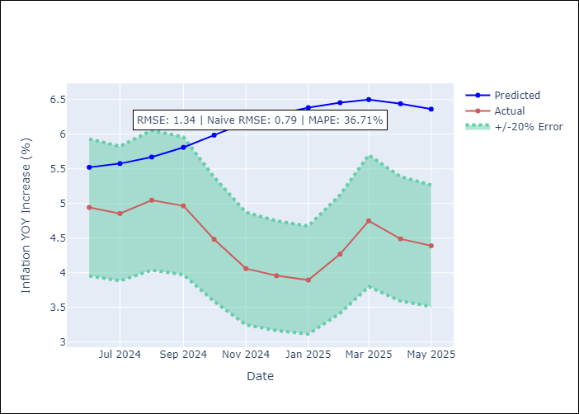
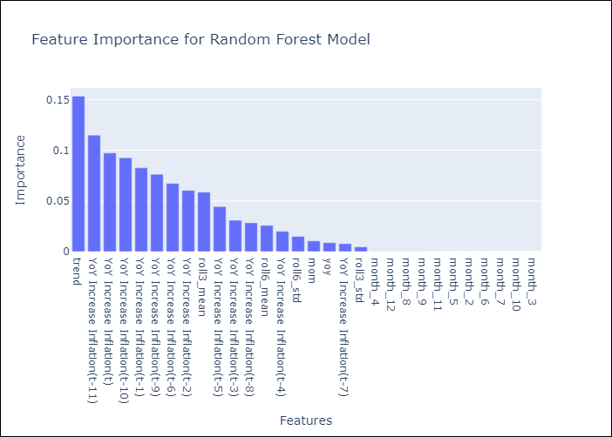

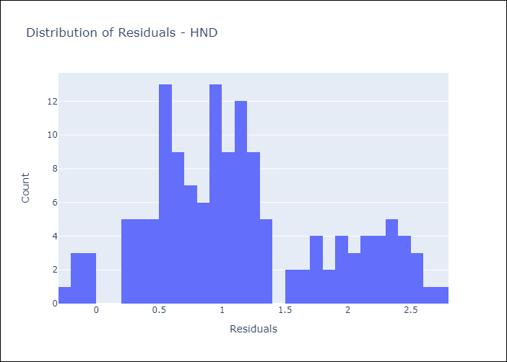
Appendix A: Model Summary
Model | Random Forest w/ Lags
Sample | 1994-06-01 to 2025-04-01
No. of Observations | 371
Residuals
Mean | 1.1421616224
St Dev | 0.70641092257
Kurtosis | -0.5610029654
Skewness | 0.43870247506

Bias-Corrected Residuals
Mean | -1.459423649
St Dev | 0.71351191355
Kurtosis | -1.5787322378
Skewness | 0.49940205763

Assumptions | P-value

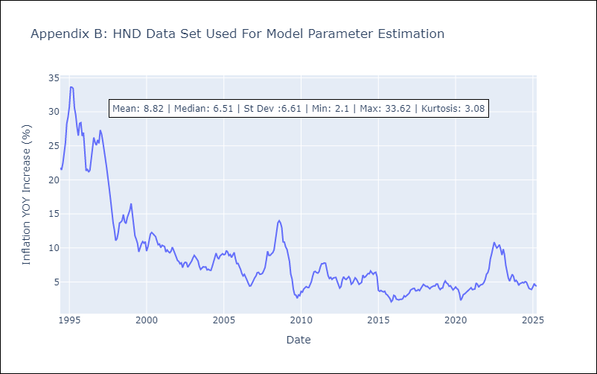

Appendix C: Residuals Analysis
Mean

HTI
HTI - Inflation - Next 12 months forecast as of: 2024-03-01

Model | Random Forest w/ Lags - None
Training Data | 1997-12-01 to 2023-04-01
Test Data | 2023-04-01 to 2024-03-01

Date | Inflation Change YoY % | Lower Bound - 95% Confidence Interval | Upper Bound - 95% Confidence Interval | Bias Corrected Forecast
2024-04-01 | 24.5 | 20.11 | 33.89 | 24.68
2024-05-01 | 23.32 | 20.04 | 33.46 | 24.07
2024-06-01 | 22.33 | 19.91 | 33.25 | 23.53
2024-07-01 | 21.46 | 19.34 | 30.09 | 23
2024-08-01 | 20.87 | 18.54 | 28.34 | 22.51
2024-09-01 | 20.36 | 17.67 | 29.3 | 22.16
2024-10-01 | 19.82 | 15.97 | 32.21 | 21.96
2024-11-01 | 18.97 | 15.06 | 33.19 | 21.59
2024-12-01 | 18.22 | 14.24 | 35.35 | 21.26
2025-01-01 | 17.51 | 13.52 | 37.17 | 20.86
2025-02-01 | 17.22 | 13.31 | 38.47 | 20.57
2025-03-01 | 17.61 | 13.74 | 40.29 | 20.64

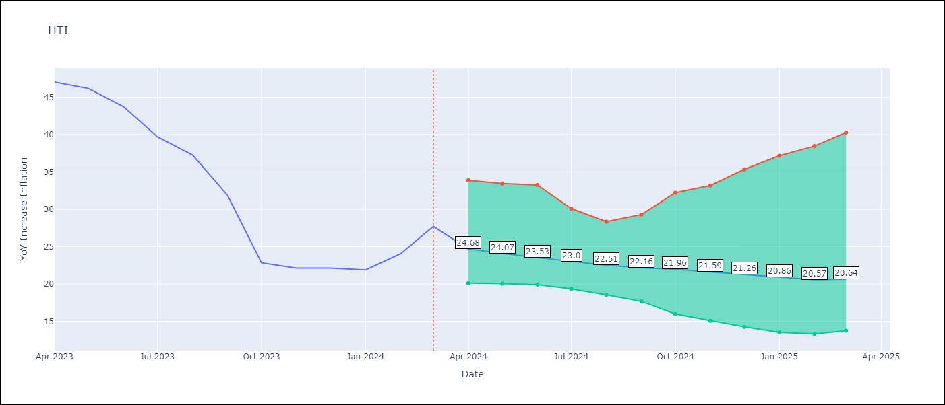

Test Set |  | Bias Corrected
RMSE | 19.73 | 11.622920142718101
Naive RMSE | 14.65 | 14.65
MAPE | 20.47% | 21.99%

Test Predictions
Date | Predicted | Actual | Bias Vector | Bias Corrected
2023-05-01 | 31.98 | 47.04 | 0.03 | 28.12
2023-06-01 | 29.9 | 46.18 | 0.03 | 26.77
2023-07-01 | 27.86 | 43.75 | 0.02 | 25.52
2023-08-01 | 25.86 | 39.71 | 0.01 | 24.36
2023-09-01 | 24.48 | 37.27 | 0 | 23.38
2023-10-01 | 23.48 | 31.86 | 0 | 22.8
2023-11-01 | 23.43 | 22.83 | -0.01 | 22.6
2023-12-01 | 23.38 | 22.12 | 0 | 22.44
2024-01-01 | 23.29 | 22.12 | 0 | 22.25
2024-02-01 | 22.85 | 21.87 | 0 | 21.93
2024-03-01 | 22.36 | 24.04 | 0 | 21.61
2024-04-01 | 21.75 | 27.7 | 0.01 | 21.56

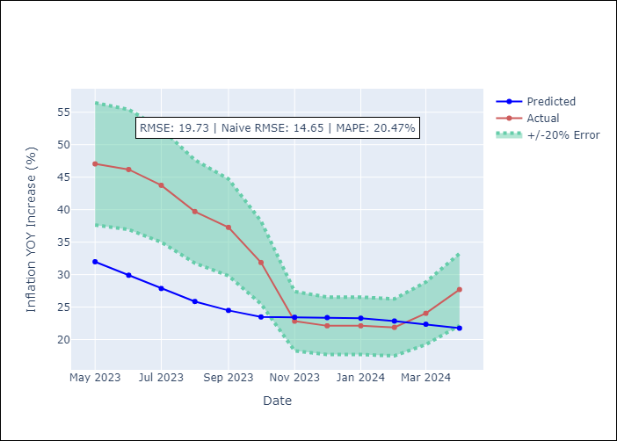
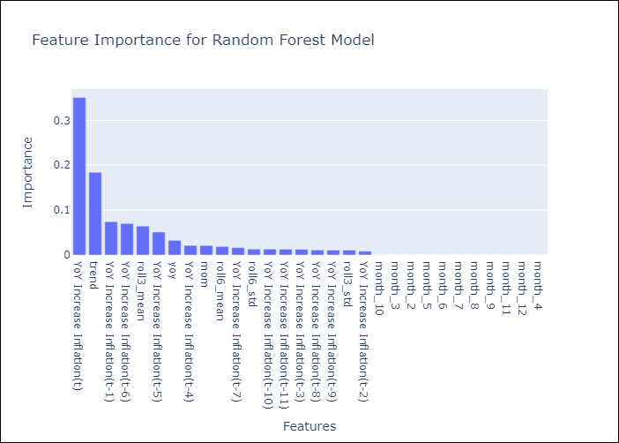

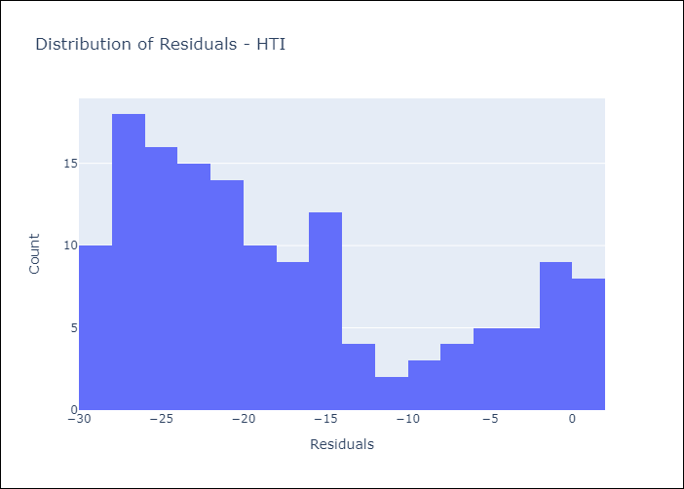
Appendix A: Model Summary
Model | Random Forest w/ Lags
Sample | 1997-12-01 to 2024-03-01
No. of Observations | 316
Residuals
Mean | -17.419690393
St Dev | 9.2577017677
Kurtosis | -0.80965952643
Skewness | 0.69327408421

Bias-Corrected Residuals
Mean | 8.5938380899
St Dev | 7.8254852584
Kurtosis | -1.8921140088
Skewness | 0.17181818546

Assumptions | P-value

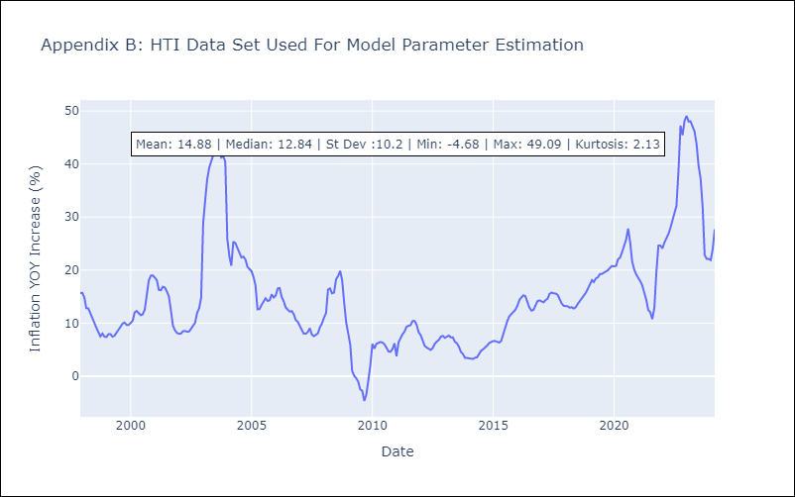

Appendix C: Residuals Analysis
Mean

MEX
MEX - Inflation - Next 12 months forecast as of: 2025-04-01

Model | Random Forest w/ Lags - None
Training Data | 1991-12-01 to 2024-05-01
Test Data | 2024-05-01 to 2025-04-01

Date | Inflation Change YoY % | Lower Bound - 95% Confidence Interval | Upper Bound - 95% Confidence Interval | Bias Corrected Forecast
2025-05-01 | 4.09 | 4.04 | 4.76 | 4.33
2025-06-01 | 4.07 | 3.98 | 4.83 | 4.34
2025-07-01 | 4.04 | 3.91 | 4.87 | 4.35
2025-08-01 | 4.03 | 3.83 | 4.9 | 4.36
2025-09-01 | 4.03 | 3.74 | 4.85 | 4.35
2025-10-01 | 4 | 3.66 | 4.91 | 4.34
2025-11-01 | 3.99 | 3.6 | 4.91 | 4.33
2025-12-01 | 3.98 | 3.53 | 5.02 | 4.33
2026-01-01 | 3.97 | 3.47 | 5.07 | 4.33
2026-02-01 | 4 | 3.44 | 5.06 | 4.37
2026-03-01 | 4.06 | 3.39 | 5.08 | 4.41
2026-04-01 | 4.16 | 3.39 | 5.16 | 4.46

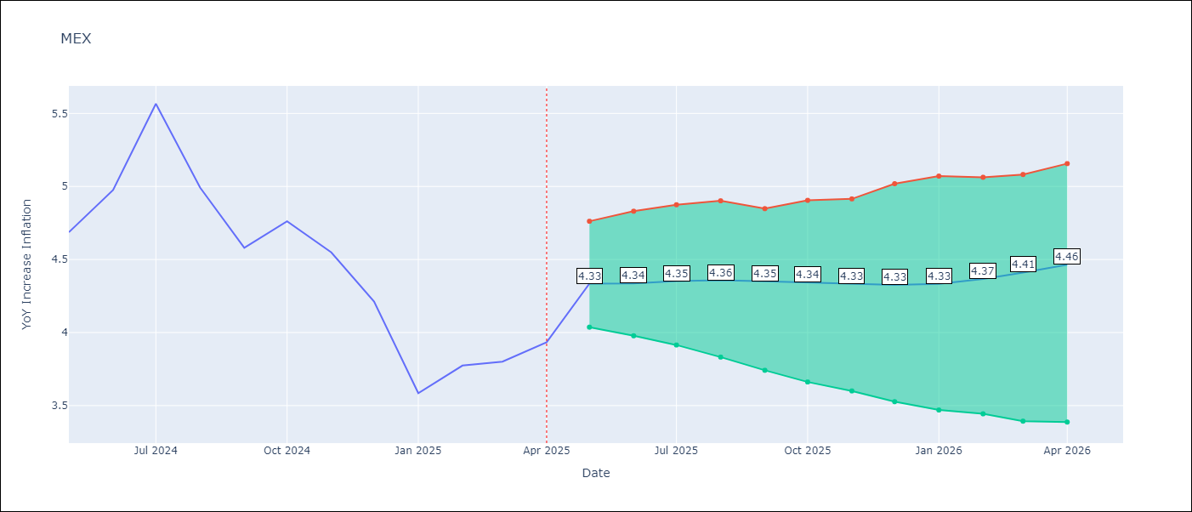

Test Set |  | Bias Corrected
RMSE | 0.68 | 0.5763138687816836
Naive RMSE | 0.6 | 0.6
MAPE | 10.82% | 11.36%

Test Predictions
Date | Predicted | Actual | Bias Vector | Bias Corrected
2024-06-01 | 4.33 | 4.69 | 0.05 | 4.45
2024-07-01 | 4.23 | 4.98 | 0.05 | 4.42
2024-08-01 | 4.16 | 5.57 | 0.05 | 4.39
2024-09-01 | 4.13 | 4.99 | 0.05 | 4.38
2024-10-01 | 4.14 | 4.58 | 0.06 | 4.38
2024-11-01 | 4.14 | 4.76 | 0.05 | 4.39
2024-12-01 | 4.16 | 4.55 | 0.05 | 4.41
2025-01-01 | 4.16 | 4.21 | 0.05 | 4.42
2025-02-01 | 4.15 | 3.59 | 0.04 | 4.42
2025-03-01 | 4.1 | 3.77 | 0.04 | 4.4
2025-04-01 | 4.03 | 3.8 | 0.03 | 4.38
2025-05-01 | 4.01 | 3.93 | 0.02 | 4.37

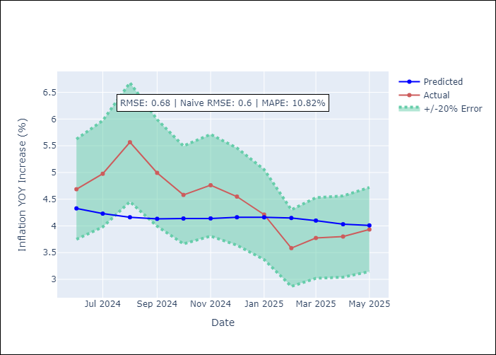
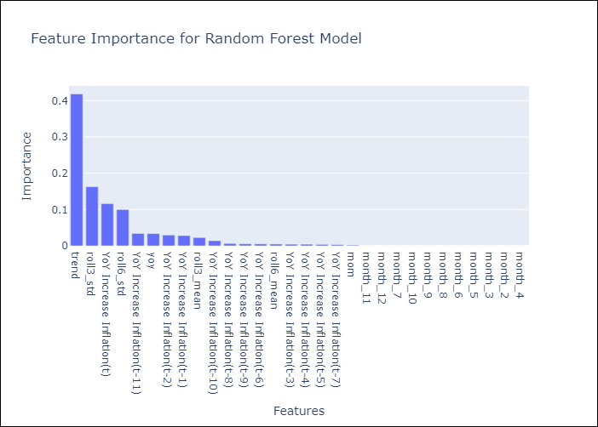

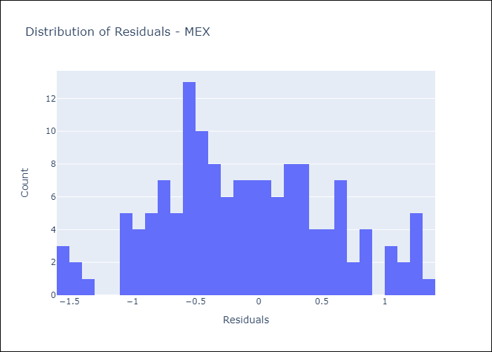
Appendix A: Model Summary
Model | Random Forest w/ Lags
Sample | 1991-12-01 to 2025-04-01
No. of Observations | 401
Residuals
Mean | -0.10959661833
St Dev | 0.66780093186
Kurtosis | -0.46616809691
Skewness | 0.13720510012

Bias-Corrected Residuals
Mean | 0.051255887273
St Dev | 0.57403005964
Kurtosis | -0.59554420658
Skewness | 0.18748683874

Assumptions | P-value

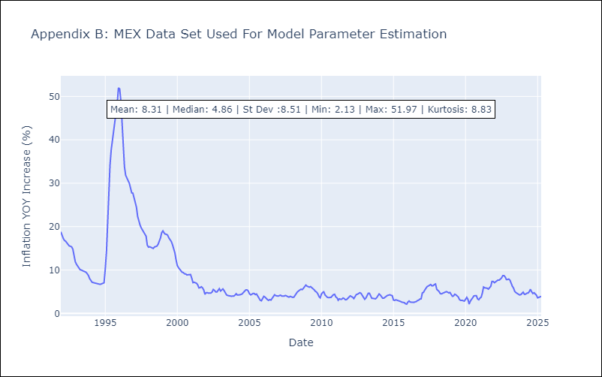

Appendix C: Residuals Analysis
Mean

NIC
NIC - Inflation - Next 12 months forecast as of: 2025-04-01

Model | Random Forest w/ Lags - None
Training Data | 2012-11-01 to 2024-04-01
Test Data | 2024-04-01 to 2025-04-01

Date | Inflation Change YoY % | Lower Bound - 95% Confidence Interval | Upper Bound - 95% Confidence Interval | Bias Corrected Forecast
2025-05-01 | 7.73 | 6.61 | 8.33 | 7.52
2025-06-01 | 7.89 | 6.66 | 8.52 | 7.68
2025-07-01 | 8.08 | 6.81 | 8.53 | 7.83
2025-08-01 | 8.11 | 6.76 | 8.55 | 7.84
2025-09-01 | 8.12 | 6.66 | 8.48 | 7.81
2025-10-01 | 8.09 | 6.54 | 8.39 | 7.76
2025-11-01 | 7.99 | 6.59 | 8.27 | 7.69
2025-12-01 | 7.92 | 6.56 | 8.15 | 7.62
2026-01-01 | 7.83 | 6.65 | 8.02 | 7.53
2026-02-01 | 7.78 | 6.6 | 7.87 | 7.49
2026-03-01 | 7.65 | 6.65 | 7.76 | 7.41
2026-04-01 | 7.56 | 6.53 | 7.58 | 7.32

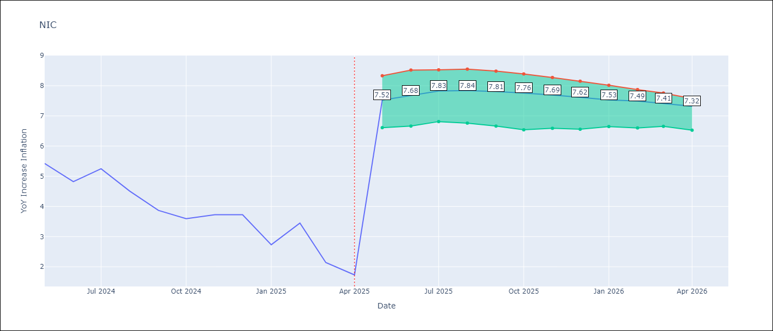

Test Set |  | Bias Corrected
RMSE | 2.36 | 2.5054617386546267
Naive RMSE | 2.33 | 2.33
MAPE | 81.11% | 75.1%

Test Predictions
Date | Predicted | Actual | Bias Vector | Bias Corrected
2024-05-01 | 5.73 | 5.42 | -0.01 | 5.67
2024-06-01 | 5.57 | 5.43 | -0.01 | 5.49
2024-07-01 | 5.64 | 4.82 | -0.01 | 5.54
2024-08-01 | 5.71 | 5.25 | -0.01 | 5.59
2024-09-01 | 5.86 | 4.51 | -0.01 | 5.69
2024-10-01 | 5.96 | 3.87 | 0 | 5.76
2024-11-01 | 6.17 | 3.59 | 0 | 5.96
2024-12-01 | 6.29 | 3.73 | 0 | 6.06
2025-01-01 | 6.42 | 2.73 | 0 | 6.17
2025-02-01 | 6.52 | 3.45 | 0 | 6.25
2025-03-01 | 6.53 | 2.14 | 0 | 6.29
2025-04-01 | 6.67 | 1.73 | 0 | 6.39

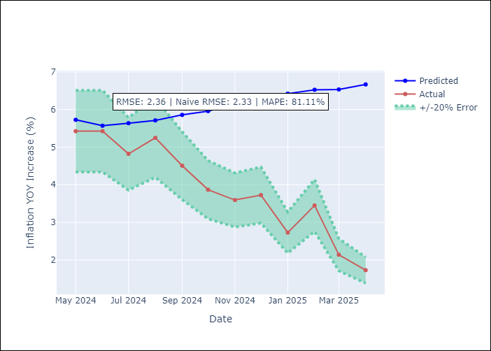
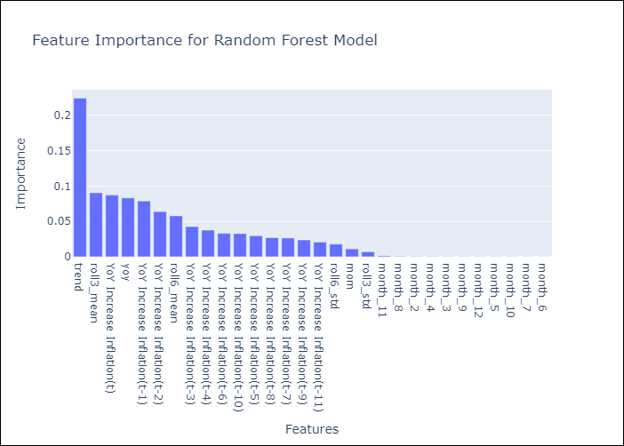

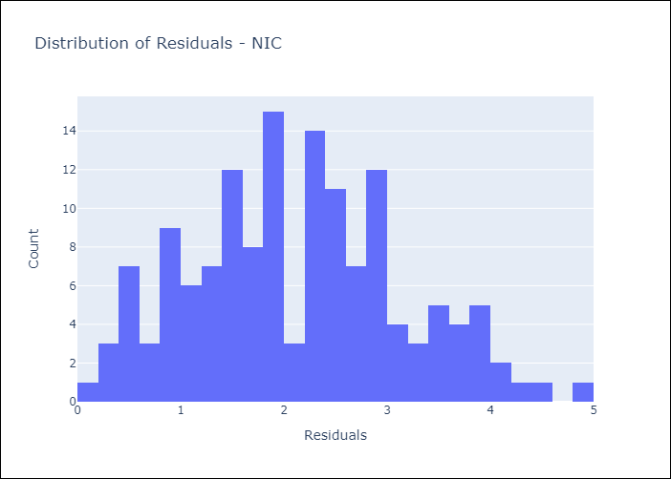
Appendix A: Model Summary
Model | Random Forest w/ Lags
Sample | 2012-11-01 to 2025-04-01
No. of Observations | 149
Residuals
Mean | 2.1258531573
St Dev | 1.0247083911
Kurtosis | -0.46254738593
Skewness | 0.26306076659

Bias-Corrected Residuals
Mean | -2.016583375
St Dev | 1.4868523852
Kurtosis | -1.0675073418
Skewness | -0.32584313954

Assumptions | P-value

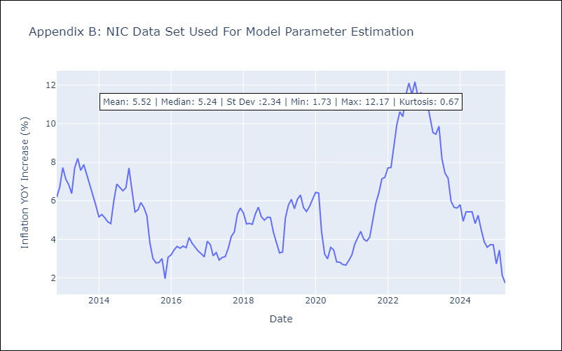

Appendix C: Residuals Analysis
Mean

PAN
PAN - Inflation - Next 12 months forecast as of: 2025-04-01

Model | Random Forest w/ Lags - None
Training Data | 1994-06-01 to 2024-05-01
Test Data | 2024-05-01 to 2025-04-01

Date | Inflation Change YoY % | Lower Bound - 95% Confidence Interval | Upper Bound - 95% Confidence Interval | Bias Corrected Forecast
2025-05-01 | -0.6 | -0.62 | -0.05 | -0.38
2025-06-01 | -0.58 | -0.7 | -0.06 | -0.36
2025-07-01 | -0.5 | -0.61 | 0.03 | -0.29
2025-08-01 | -0.43 | -0.58 | 0.15 | -0.23
2025-09-01 | -0.35 | -0.63 | 0.29 | -0.19
2025-10-01 | -0.25 | -0.58 | 0.44 | -0.16
2025-11-01 | -0.18 | -0.61 | 0.48 | -0.14
2025-12-01 | -0.11 | -0.74 | 0.48 | -0.12
2026-01-01 | -0.1 | -0.73 | 0.57 | -0.11
2026-02-01 | -0.14 | -0.88 | 0.54 | -0.1
2026-03-01 | -0.21 | -1.05 | 0.55 | -0.11
2026-04-01 | -0.22 | -1.1 | 0.36 | -0.13

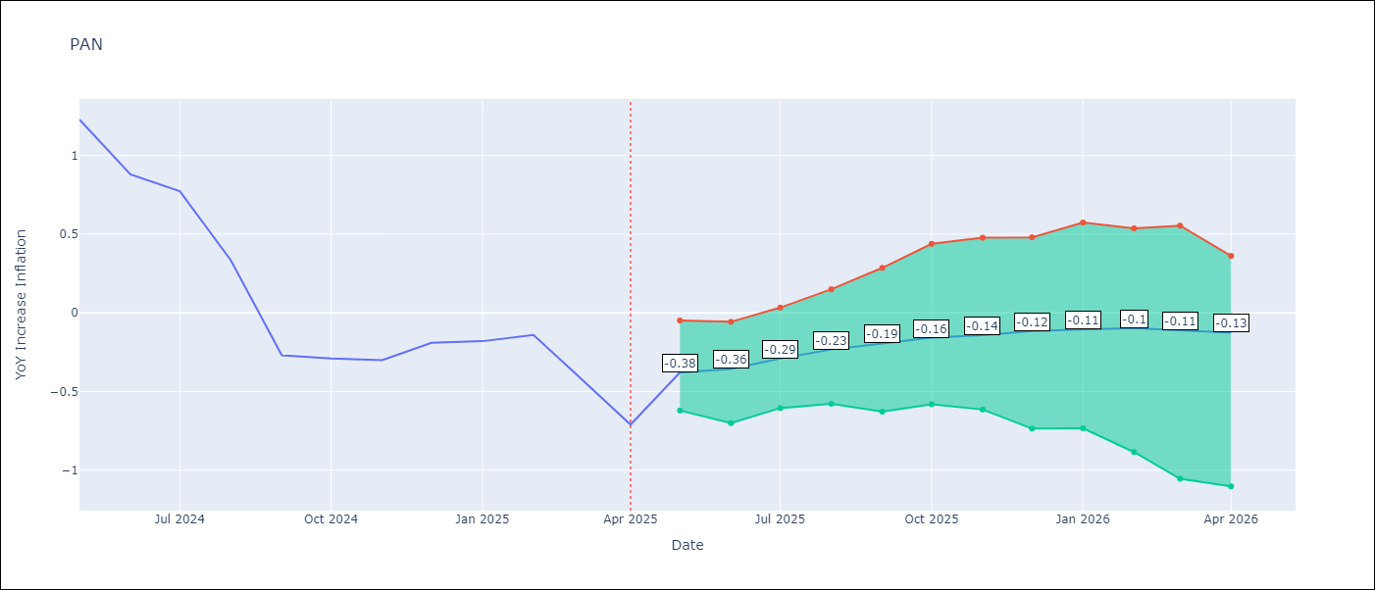

Test Set |  | Bias Corrected
RMSE | 1.06 | 1.0129539523187319
Naive RMSE | 1.45 | 1.45
MAPE | 282.81% | 321.52%

Test Predictions
Date | Predicted | Actual | Bias Vector | Bias Corrected
2024-06-01 | 1.35 | 1.23 | -0.01 | 1.29
2024-07-01 | 1.1 | 0.88 | -0.01 | 1.14
2024-08-01 | 0.81 | 0.77 | -0.01 | 0.93
2024-09-01 | 0.74 | 0.33 | -0.01 | 0.85
2024-10-01 | 0.58 | -0.27 | -0.01 | 0.75
2024-11-01 | 0.53 | -0.29 | -0.01 | 0.72
2024-12-01 | 0.57 | -0.3 | -0.01 | 0.69
2025-01-01 | 0.71 | -0.19 | -0.01 | 0.84
2025-02-01 | 0.86 | -0.18 | -0.01 | 0.97
2025-03-01 | 0.91 | -0.14 | 0 | 0.99
2025-04-01 | 0.89 | -0.41 | 0 | 1.03
2025-05-01 | 0.9 | -0.71 | 0 | 1.07

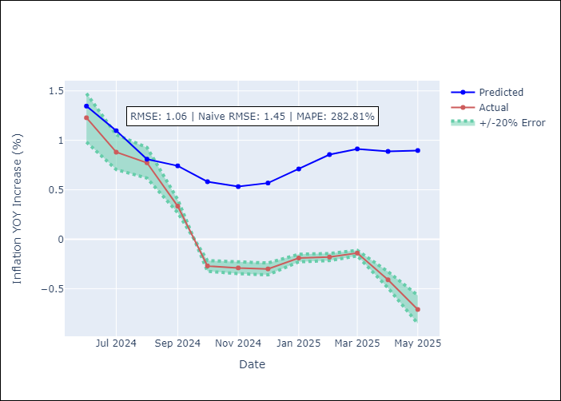
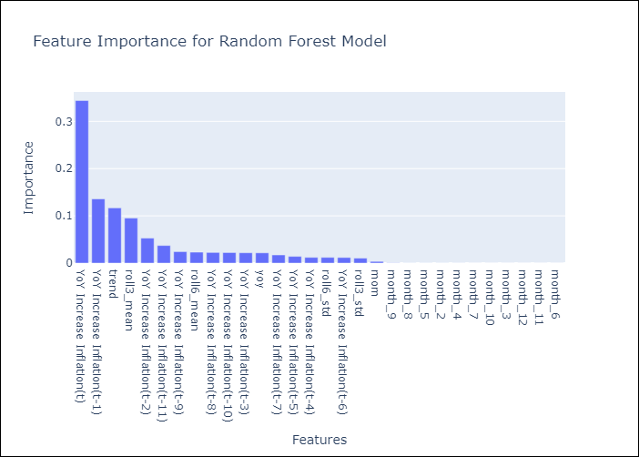

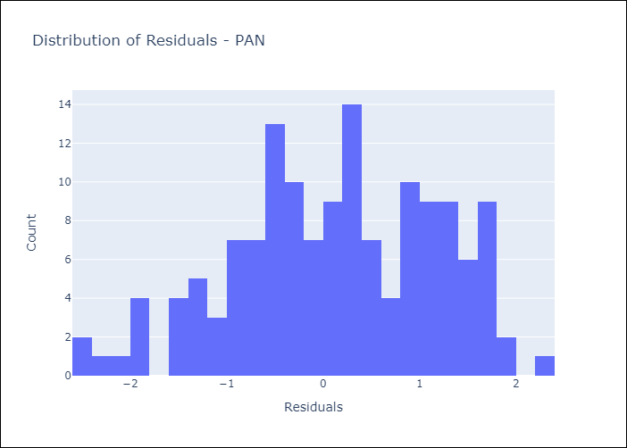
Appendix A: Model Summary
Model | Random Forest w/ Lags
Sample | 1994-06-01 to 2025-04-01
No. of Observations | 371
Residuals
Mean | 0.12267378697
St Dev | 1.0504165142
Kurtosis | -0.56144102041
Skewness | -0.26374947181

Bias-Corrected Residuals
Mean | -0.87820813594
St Dev | 0.50480310962
Kurtosis | -0.64431281534
Skewness | 0.19683572591

Assumptions | P-value

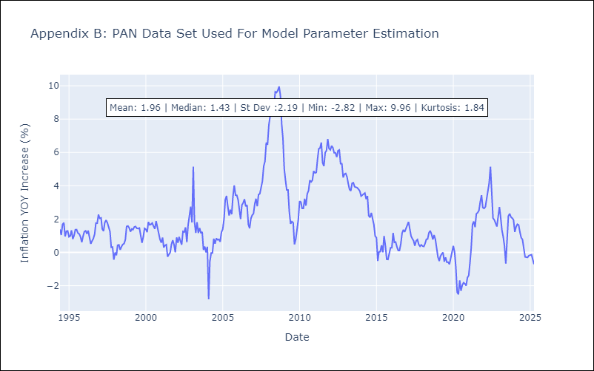

Appendix C: Residuals Analysis
Mean

SLV
SLV - Inflation - Next 12 months forecast as of: 2025-04-01

Model | Random Forest w/ Lags - None
Training Data | 1994-06-01 to 2024-05-01
Test Data | 2024-05-01 to 2025-04-01

Date | Inflation Change YoY % | Lower Bound - 95% Confidence Interval | Upper Bound - 95% Confidence Interval | Bias Corrected Forecast
2025-05-01 | 0.85 | 0.57 | 1.54 | 0.84
2025-06-01 | 1.07 | 0.71 | 1.77 | 1.07
2025-07-01 | 1.33 | 0.93 | 2.02 | 1.33
2025-08-01 | 1.64 | 1.19 | 2.27 | 1.62
2025-09-01 | 2.03 | 1.36 | 2.66 | 1.98
2025-10-01 | 2.39 | 1.43 | 2.96 | 2.31
2025-11-01 | 2.72 | 1.58 | 3.25 | 2.62
2025-12-01 | 3.02 | 1.73 | 3.55 | 2.94
2026-01-01 | 3.32 | 1.95 | 3.75 | 3.26
2026-02-01 | 3.64 | 2.29 | 4.12 | 3.58
2026-03-01 | 3.94 | 2.52 | 4.43 | 3.89
2026-04-01 | 4.26 | 2.75 | 4.79 | 4.2

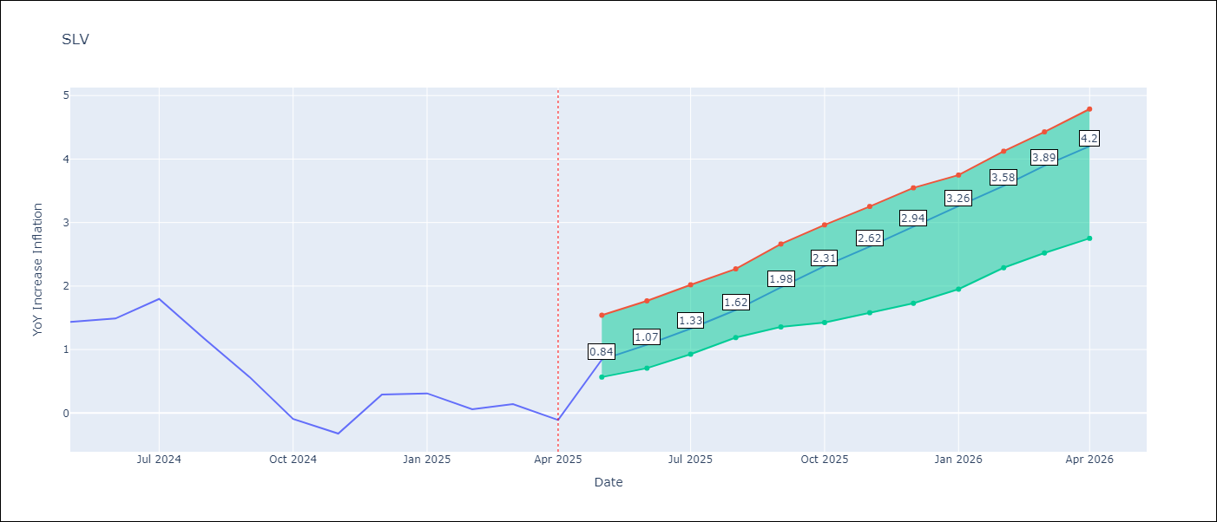

Test Set |  | Bias Corrected
RMSE | 1.72 | 2.31012772911951
Naive RMSE | 1.51 | 1.51
MAPE | 1359.8% | 1370.91%

Test Predictions
Date | Predicted | Actual | Bias Vector | Bias Corrected
2024-06-01 | 0.68 | 1.44 | 0 | 0.71
2024-07-01 | 0.87 | 1.49 | 0 | 0.9
2024-08-01 | 1.07 | 1.8 | 0 | 1.1
2024-09-01 | 1.34 | 1.17 | 0 | 1.38
2024-10-01 | 1.69 | 0.57 | 0 | 1.71
2024-11-01 | 2.03 | -0.09 | 0 | 2.05
2024-12-01 | 2.35 | -0.32 | 0 | 2.37
2025-01-01 | 2.65 | 0.29 | 0 | 2.68
2025-02-01 | 2.94 | 0.31 | 0 | 2.97
2025-03-01 | 3.23 | 0.06 | 0 | 3.25
2025-04-01 | 3.5 | 0.14 | 0 | 3.53
2025-05-01 | 3.75 | -0.11 | 0 | 3.77

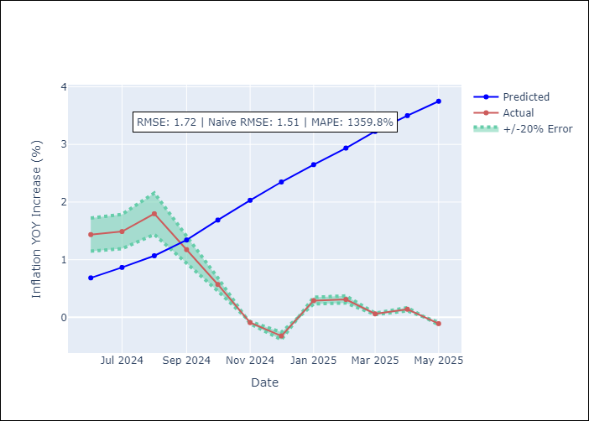
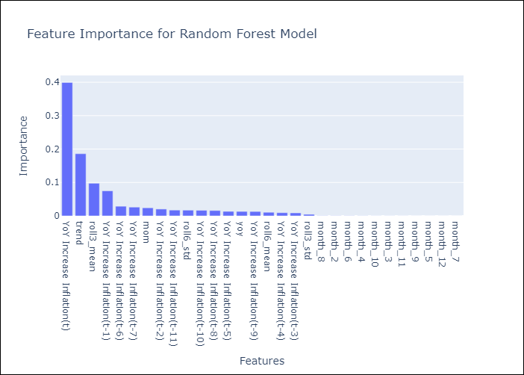

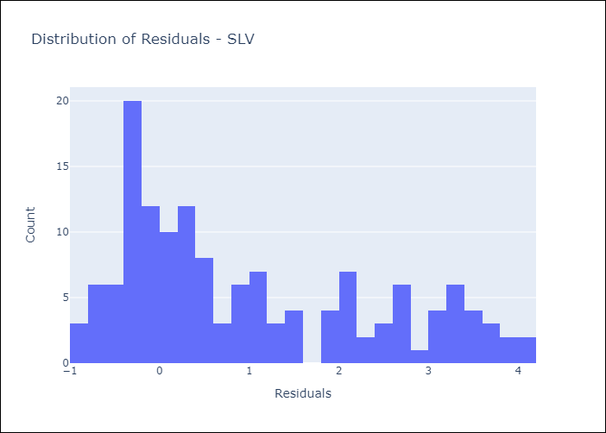
Appendix A: Model Summary
Model | Random Forest w/ Lags
Sample | 1994-06-01 to 2025-04-01
No. of Observations | 371
Residuals
Mean | 0.99631140766
St Dev | 1.4015902326
Kurtosis | -0.84566907086
Skewness | 0.66634369926

Bias-Corrected Residuals
Mean | -1.6399930905
St Dev | 1.6269950178
Kurtosis | -1.5234385818
Skewness | 0.37855341866

Assumptions | P-value

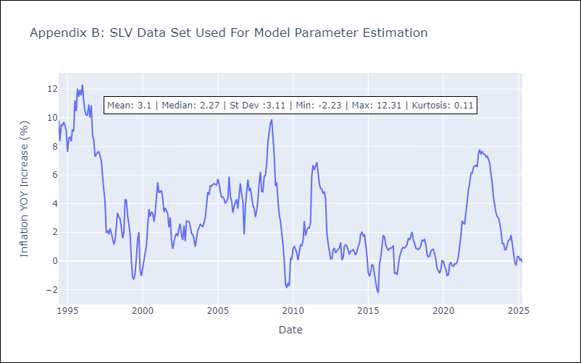

Appendix C: Residuals Analysis
Mean

