ATG
ATG - Inflation - Next 12 months forecast as of: 2025-01-01

Model | Random Forest w/ Lags - None
Training Data | 2003-12-01 to 2024-02-01
Test Data | 2024-02-01 to 2025-01-01

Date | Inflation Change YoY % | Lower Bound - 95% Confidence Interval | Upper Bound - 95% Confidence Interval | Bias Corrected Forecast
2025-02-01 | 5.2 | 4.31 | 6.34 | 5.02
2025-03-01 | 5.28 | 4.29 | 6.31 | 5.2
2025-04-01 | 5.79 | 4.17 | 6.54 | 5.56
2025-05-01 | 5.83 | 4.22 | 7.03 | 5.71
2025-06-01 | 5.71 | 4.25 | 6.92 | 5.7
2025-07-01 | 5.85 | 3.99 | 7.11 | 5.93
2025-08-01 | 6.01 | 3.78 | 6.63 | 6.04
2025-09-01 | 6.12 | 3.98 | 6.71 | 6.15
2025-10-01 | 5.93 | 4.26 | 6.83 | 6.19
2025-11-01 | 5.75 | 4.03 | 6.38 | 6.02
2025-12-01 | 5.72 | 3.75 | 6.21 | 5.98
2026-01-01 | 6.03 | 4.73 | 6.19 | 6.22

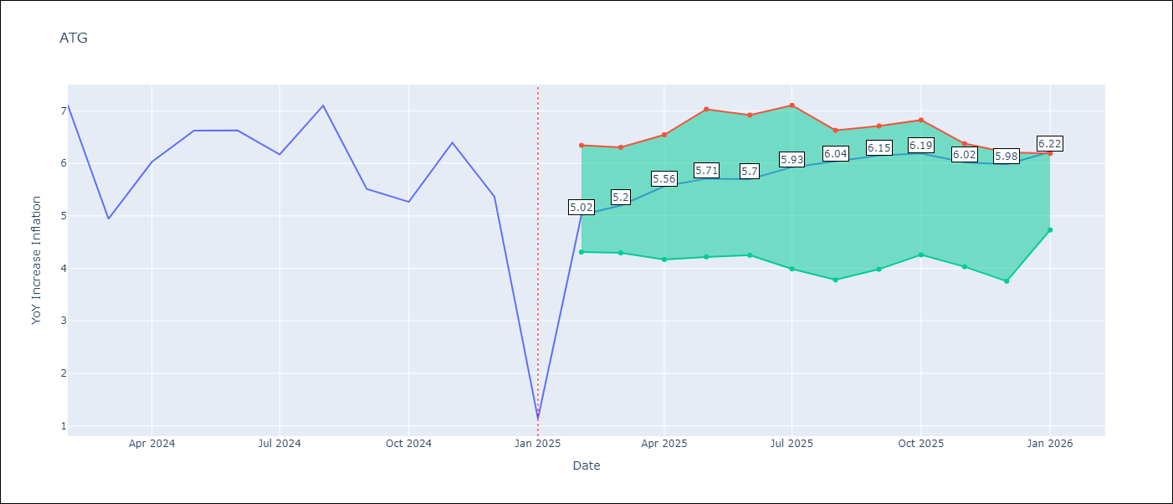

Test Set |  | Bias Corrected
RMSE | 1.75 | 1.452099027912453
Naive RMSE | 2.27 | 2.27
MAPE | 44.88% | 41.6%

Test Predictions
Date | Predicted | Actual | Bias Vector | Bias Corrected
2024-03-01 | 6.85 | 7.11 | 0.01 | 6.79
2024-04-01 | 6.98 | 4.94 | 0.01 | 6.83
2024-05-01 | 7.27 | 6.03 | 0.01 | 7.14
2024-06-01 | 7.33 | 6.62 | 0.01 | 7.12
2024-07-01 | 7.08 | 6.63 | 0.01 | 6.81
2024-08-01 | 6.82 | 6.17 | 0.01 | 6.57
2024-09-01 | 6.8 | 7.1 | 0.01 | 6.54
2024-10-01 | 6.7 | 5.51 | 0.01 | 6.43
2024-11-01 | 6.38 | 5.27 | 0.01 | 6.06
2024-12-01 | 6.01 | 6.39 | 0.01 | 5.69
2025-01-01 | 5.6 | 5.37 | 0.02 | 5.33
2025-02-01 | 5.54 | 1.14 | 0.01 | 5.34

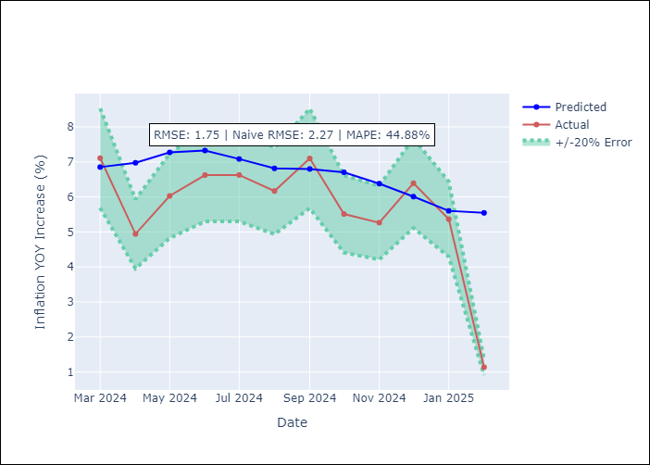
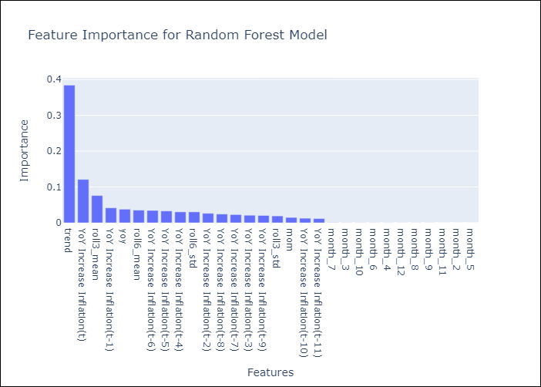

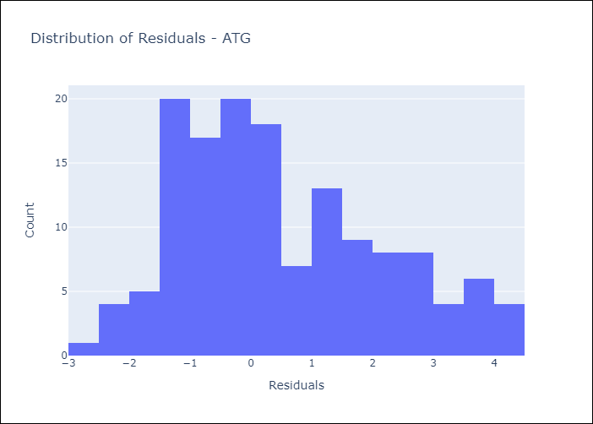
Appendix A: Model Summary
Model | Random Forest w/ Lags
Sample | 2003-12-01 to 2025-01-01
No. of Observations | 254
Residuals
Mean | 0.50958422199
St Dev | 1.673209124
Kurtosis | -0.59309593704
Skewness | 0.50436885484

Bias-Corrected Residuals
Mean | -0.69837858855
St Dev | 1.2731295825
Kurtosis | 4.0920649023
Skewness | -1.7875825313

Assumptions | P-value

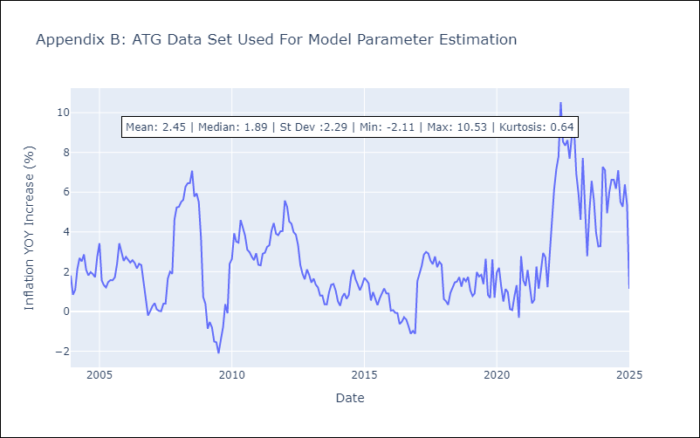

Appendix C: Residuals Analysis
Mean

BLZ
BLZ - Inflation - Next 12 months forecast as of: 2025-03-01

Model | Random Forest w/ Lags - None
Training Data | 2014-12-01 to 2024-04-01
Test Data | 2024-04-01 to 2025-03-01

Date | Inflation Change YoY % | Lower Bound - 95% Confidence Interval | Upper Bound - 95% Confidence Interval | Bias Corrected Forecast
2025-04-01 | 4.73 | 3.69 | 5.7 | 4.47
2025-05-01 | 4.97 | 3.48 | 5.9 | 4.58
2025-06-01 | 5.18 | 3.39 | 5.96 | 4.69
2025-07-01 | 5.36 | 3.34 | 5.95 | 4.72
2025-08-01 | 5.5 | 3.47 | 5.83 | 4.87
2025-09-01 | 5.45 | 3.7 | 5.82 | 5.03
2025-10-01 | 5.31 | 3.9 | 5.82 | 5.09
2025-11-01 | 5.35 | 4.15 | 6.04 | 5.19
2025-12-01 | 5.31 | 4.12 | 5.97 | 5.15
2026-01-01 | 5.1 | 4.45 | 5.76 | 5.15
2026-02-01 | 4.98 | 4.31 | 5.59 | 5.03
2026-03-01 | 4.93 | 4.24 | 5.5 | 4.86

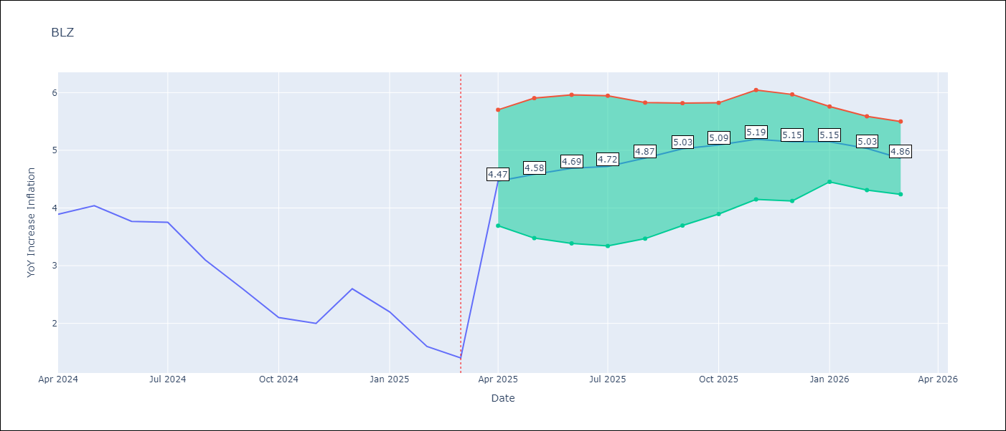

Test Set |  | Bias Corrected
RMSE | 2.27 | 3.00749271531223
Naive RMSE | 0.96 | 0.96
MAPE | 145.83% | 128.34%

Test Predictions
Date | Predicted | Actual | Bias Vector | Bias Corrected
2024-05-01 | 5.93 | 3.89 | 0 | 5.52
2024-06-01 | 6.2 | 4.04 | 0 | 5.63
2024-07-01 | 6.46 | 3.77 | 0 | 5.7
2024-08-01 | 6.63 | 3.75 | 0 | 5.71
2024-09-01 | 6.64 | 3.1 | 0 | 5.82
2024-10-01 | 6.61 | 2.6 | 0.01 | 5.95
2024-11-01 | 6.37 | 2.1 | 0.01 | 5.87
2024-12-01 | 6.19 | 2 | 0 | 5.79
2025-01-01 | 6 | 2.6 | 0 | 5.64
2025-02-01 | 5.79 | 2.2 | 0 | 5.61
2025-03-01 | 5.56 | 1.6 | 0 | 5.4
2025-04-01 | 5.23 | 1.4 | -0.01 | 5.05

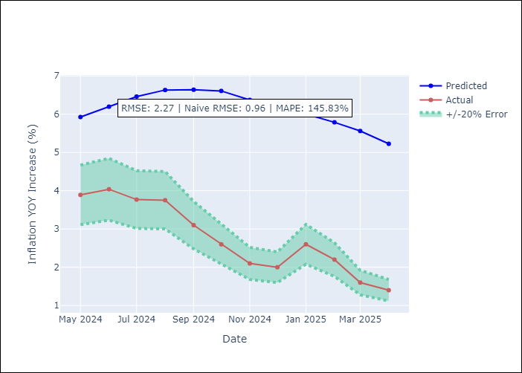
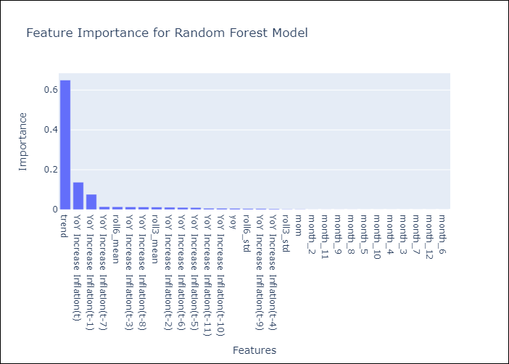

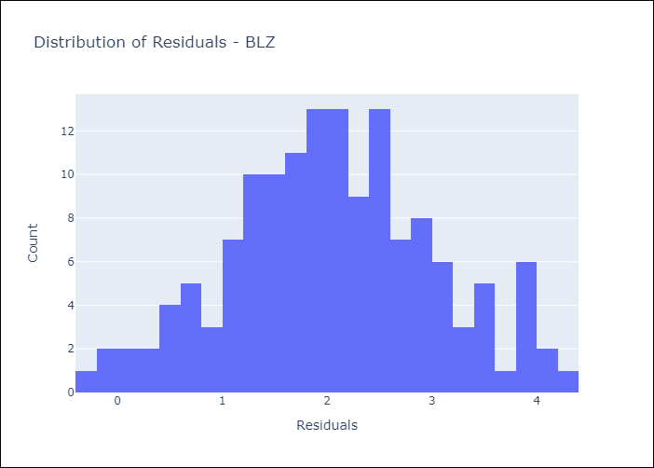
Appendix A: Model Summary
Model | Random Forest w/ Lags
Sample | 2014-12-01 to 2025-03-01
No. of Observations | 124
Residuals
Mean | 2.0523207817
St Dev | 0.97756309846
Kurtosis | -0.265799693
Skewness | 0.02493937224

Bias-Corrected Residuals
Mean | -2.8861401186
St Dev | 0.84569950261
Kurtosis | -1.620169509
Skewness | 0.46903247528

Assumptions | P-value

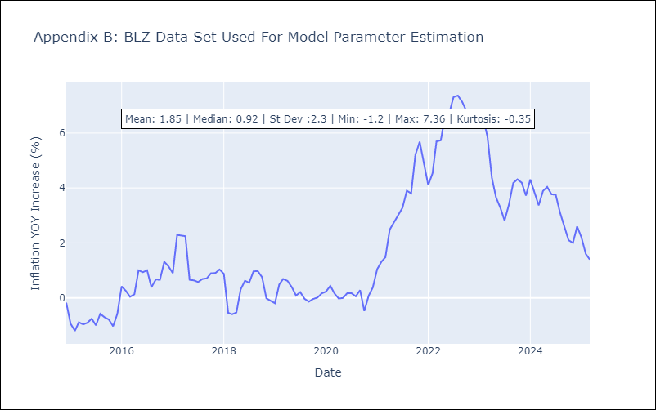

Appendix C: Residuals Analysis
Mean

BRB
BRB - Inflation - Next 12 months forecast as of: 2025-03-01

Model | Random Forest w/ Lags - None
Training Data | 2002-12-01 to 2024-04-01
Test Data | 2024-04-01 to 2025-03-01

Date | Inflation Change YoY % | Lower Bound - 95% Confidence Interval | Upper Bound - 95% Confidence Interval | Bias Corrected Forecast
2025-04-01 | 2.42 | 1.01 | 3.77 | 2.56
2025-05-01 | 2.96 | 1 | 3.99 | 2.69
2025-06-01 | 3.58 | 1.11 | 4.52 | 2.95
2025-07-01 | 4.03 | 0.99 | 5.08 | 3.13
2025-08-01 | 4.38 | 1.16 | 5.07 | 3.38
2025-09-01 | 4.42 | 1.36 | 5.25 | 3.54
2025-10-01 | 4.59 | 1.47 | 5.36 | 3.76
2025-11-01 | 4.76 | 1.51 | 5.66 | 3.93
2025-12-01 | 4.86 | 1.77 | 5.94 | 4.18
2026-01-01 | 5.13 | 1.95 | 6.32 | 4.43
2026-02-01 | 5.35 | 2.7 | 6.75 | 4.72
2026-03-01 | 5.41 | 2.72 | 7.05 | 4.94

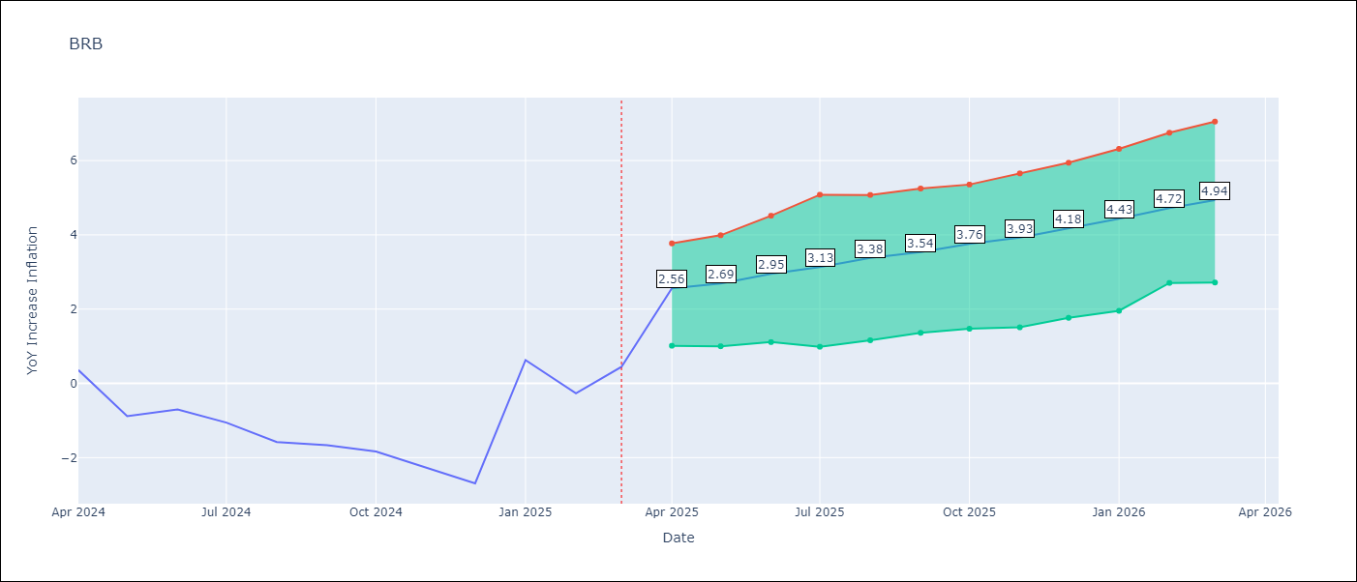

Test Set |  | Bias Corrected
RMSE | 6.77 | 5.004373362379837
Naive RMSE | 6.79 | 6.79
MAPE | 538.45% | 605.93%

Test Predictions
Date | Predicted | Actual | Bias Vector | Bias Corrected
2024-05-01 | 1.53 | 0.36 | 0.01 | 1.93
2024-06-01 | 1.51 | -0.88 | 0.01 | 2.05
2024-07-01 | 1.67 | -0.7 | 0.01 | 2.23
2024-08-01 | 1.76 | -1.06 | 0.01 | 2.56
2024-09-01 | 2.09 | -1.58 | 0.01 | 2.96
2024-10-01 | 2.36 | -1.66 | 0.01 | 3.41
2024-11-01 | 2.76 | -1.83 | 0.01 | 3.85
2024-12-01 | 3.42 | -2.26 | 0.02 | 4.26
2025-01-01 | 4.02 | -2.69 | 0.02 | 4.81
2025-02-01 | 4.68 | 0.63 | 0.03 | 5.39
2025-03-01 | 5.47 | -0.27 | 0.03 | 5.77
2025-04-01 | 5.97 | 0.45 | 0.03 | 6.03

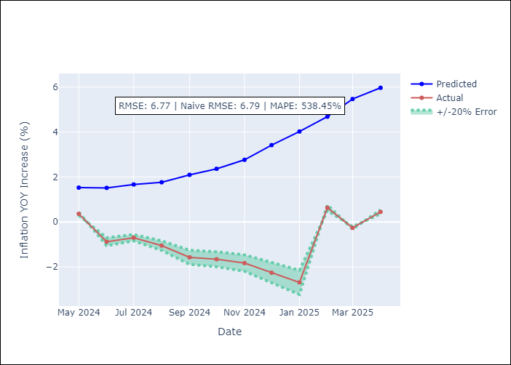
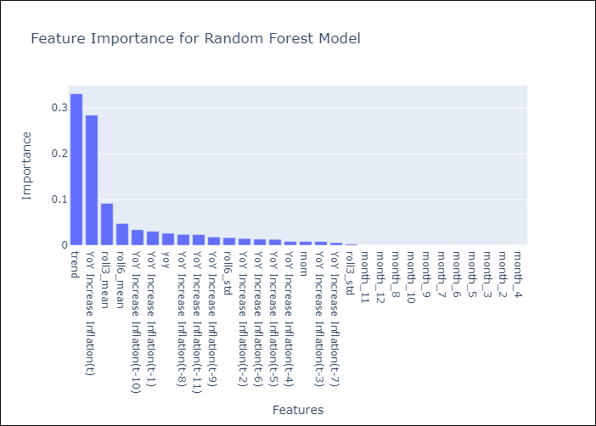

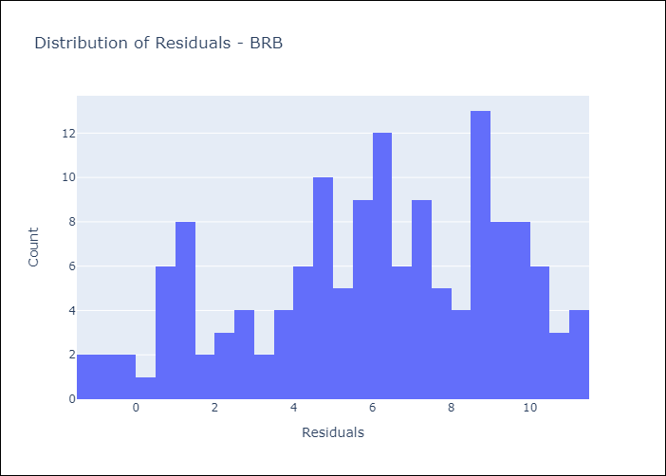
Appendix A: Model Summary
Model | Random Forest w/ Lags
Sample | 2002-12-01 to 2025-03-01
No. of Observations | 264
Residuals
Mean | 5.966511017
St Dev | 3.2059023263
Kurtosis | -0.75334733733
Skewness | -0.39945500876

Bias-Corrected Residuals
Mean | -4.7294147902
St Dev | 1.6359671427
Kurtosis | -0.4092477438
Skewness | 0.29907245184

Assumptions | P-value

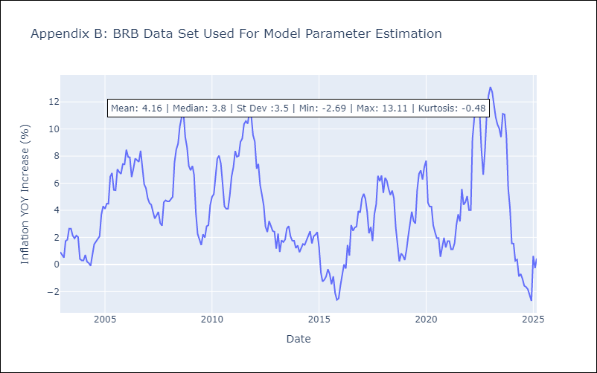

Appendix C: Residuals Analysis
Mean

DMA
DMA - Inflation - Next 12 months forecast as of: 2025-01-01

Model | Random Forest w/ Lags - None
Training Data | 2003-12-01 to 2024-02-01
Test Data | 2024-02-01 to 2025-01-01

Date | Inflation Change YoY % | Lower Bound - 95% Confidence Interval | Upper Bound - 95% Confidence Interval | Bias Corrected Forecast
2025-02-01 | 4.23 | 1.83 | 5.69 | 3.97
2025-03-01 | 4.76 | 2.03 | 6.11 | 4.4
2025-04-01 | 4.98 | 2.24 | 6.34 | 4.66
2025-05-01 | 5.25 | 2.55 | 6.39 | 4.87
2025-06-01 | 5.46 | 2.61 | 6.57 | 5
2025-07-01 | 5.74 | 2.8 | 6.67 | 5.25
2025-08-01 | 6.12 | 3.18 | 6.78 | 5.62
2025-09-01 | 6.41 | 3.28 | 6.75 | 5.95
2025-10-01 | 6.46 | 3.46 | 6.81 | 6.15
2025-11-01 | 6.43 | 3.73 | 6.86 | 6.26
2025-12-01 | 6.43 | 3.99 | 6.86 | 6.28
2026-01-01 | 6.26 | 4.08 | 6.83 | 6.17

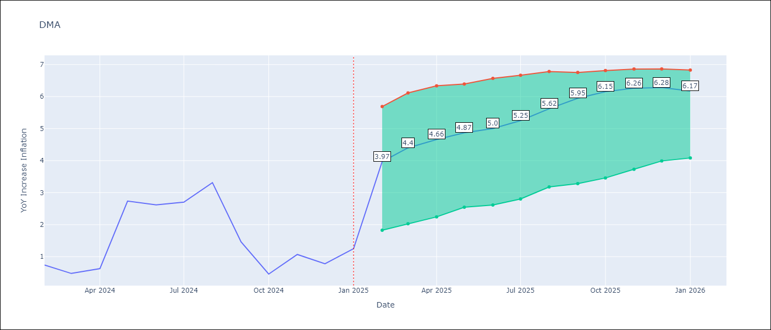

Test Set |  | Bias Corrected
RMSE | 3.63 | 3.9152765317380696
Naive RMSE | 3.18 | 3.18
MAPE | 361.15% | 318.4%

Test Predictions
Date | Predicted | Actual | Bias Vector | Bias Corrected
2024-03-01 | 1.68 | 0.74 | 0.01 | 1.7
2024-04-01 | 1.86 | 0.48 | 0.01 | 1.92
2024-05-01 | 1.61 | 0.63 | 0.02 | 1.61
2024-06-01 | 1.4 | 2.74 | 0 | 1.41
2024-07-01 | 0.3 | 2.62 | -0.01 | 0.31
2024-08-01 | -0.1 | 2.7 | -0.03 | 0.04
2024-09-01 | -1.11 | 3.31 | -0.02 | -0.58
2024-10-01 | -2.09 | 1.46 | -0.01 | -1.53
2024-11-01 | -3.87 | 0.46 | -0.01 | -2.78
2024-12-01 | -5.45 | 1.07 | 0 | -4.48
2025-01-01 | -6.5 | 0.78 | -0.02 | -5.83
2025-02-01 | -6.94 | 1.25 | -0.01 | -6.27

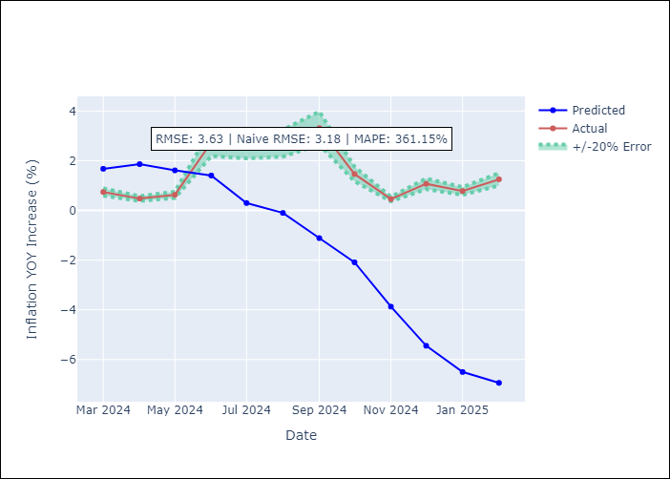
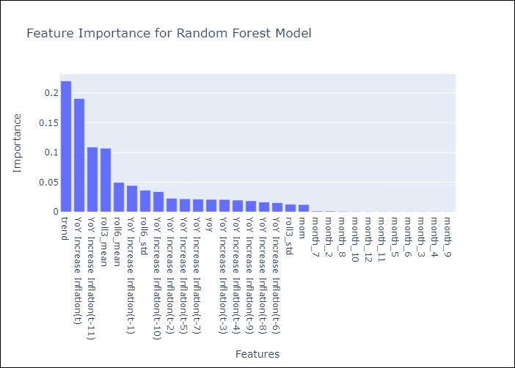

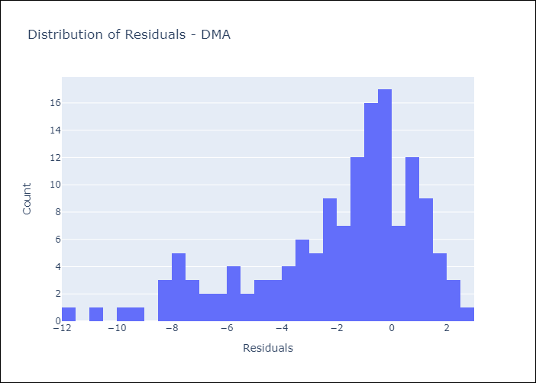
Appendix A: Model Summary
Model | Random Forest w/ Lags
Sample | 2003-12-01 to 2025-01-01
No. of Observations | 254
Residuals
Mean | -1.9901081431
St Dev | 3.0364374643
Kurtosis | 0.36529823752
Skewness | -0.99649384558

Bias-Corrected Residuals
Mean | 2.7283353359
St Dev | 2.8081268873
Kurtosis | -0.83525327226
Skewness | 0.072416765031

Assumptions | P-value

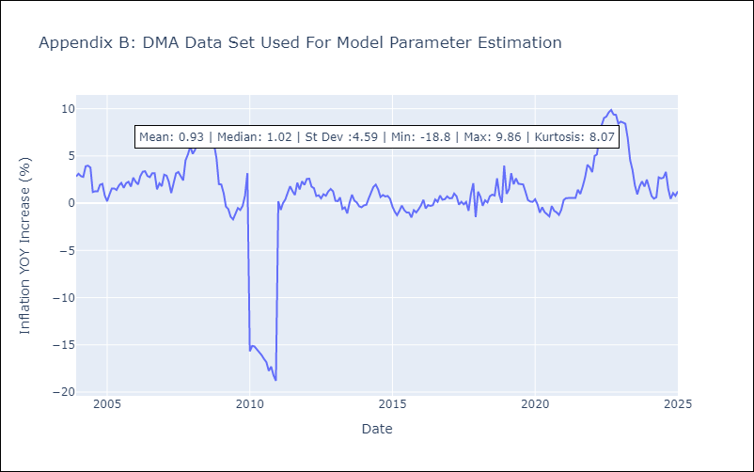

Appendix C: Residuals Analysis
Mean

GRD
GRD - Inflation - Next 12 months forecast as of: 2025-01-01

Model | Random Forest w/ Lags - None
Training Data | 2003-12-01 to 2024-02-01
Test Data | 2024-02-01 to 2025-01-01

Date | Inflation Change YoY % | Lower Bound - 95% Confidence Interval | Upper Bound - 95% Confidence Interval | Bias Corrected Forecast
2025-02-01 | 1.53 | 1.45 | 2.21 | 1.69
2025-03-01 | 1.46 | 1.28 | 2.15 | 1.66
2025-04-01 | 1.4 | 1.36 | 2.14 | 1.66
2025-05-01 | 1.33 | 1.38 | 2.16 | 1.65
2025-06-01 | 1.26 | 1.3 | 2.14 | 1.61
2025-07-01 | 1.2 | 1.23 | 2.03 | 1.51
2025-08-01 | 1 | 1.02 | 1.87 | 1.36
2025-09-01 | 0.89 | 0.84 | 1.78 | 1.25
2025-10-01 | 0.72 | 0.82 | 1.74 | 1.2
2025-11-01 | 0.67 | 0.79 | 1.78 | 1.19
2025-12-01 | 0.65 | 0.74 | 1.85 | 1.15
2026-01-01 | 0.65 | 0.68 | 1.72 | 1.1

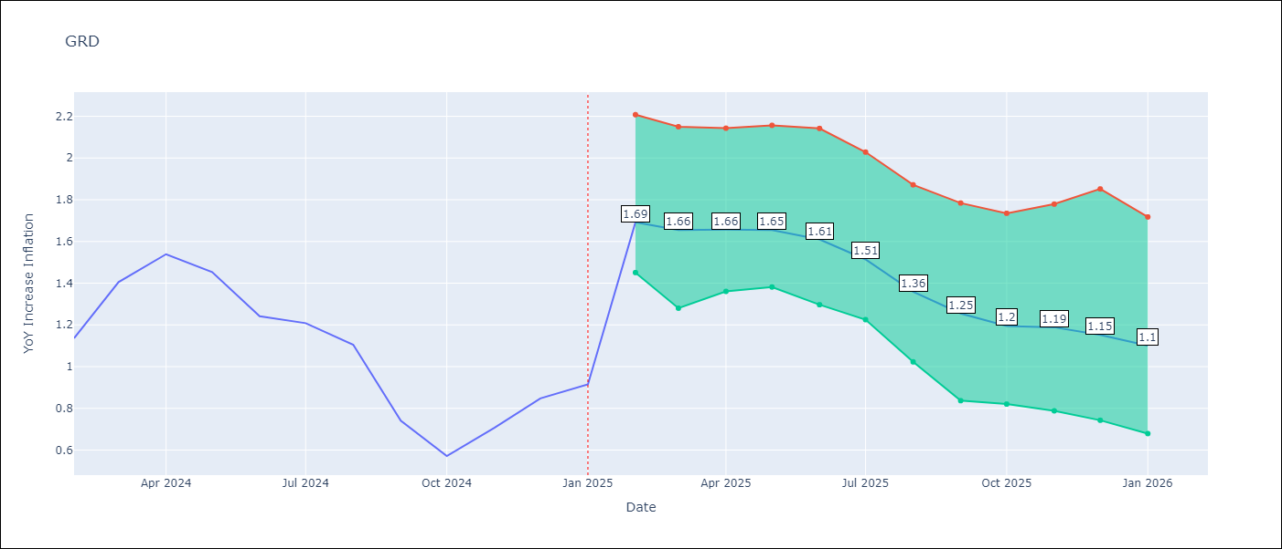

Test Set |  | Bias Corrected
RMSE | 0.97 | 0.7147360436040999
Naive RMSE | 1.18 | 1.18
MAPE | 71.93% | 75.91%

Test Predictions
Date | Predicted | Actual | Bias Vector | Bias Corrected
2024-03-01 | 1.86 | 1.14 | 0.01 | 1.79
2024-04-01 | 1.86 | 1.41 | 0.01 | 1.77
2024-05-01 | 1.88 | 1.54 | 0.01 | 1.79
2024-06-01 | 1.94 | 1.45 | 0.01 | 1.85
2024-07-01 | 1.99 | 1.24 | 0 | 1.9
2024-08-01 | 1.96 | 1.21 | 0 | 1.89
2024-09-01 | 1.84 | 1.11 | 0 | 1.8
2024-10-01 | 1.7 | 0.74 | 0 | 1.72
2024-11-01 | 1.49 | 0.57 | 0 | 1.62
2024-12-01 | 1.41 | 0.71 | 0 | 1.6
2025-01-01 | 1.43 | 0.85 | 0 | 1.62
2025-02-01 | 1.51 | 0.92 | 0 | 1.65

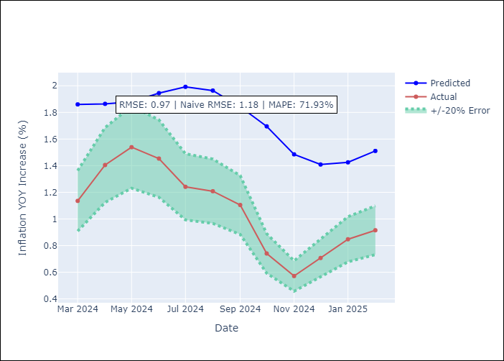
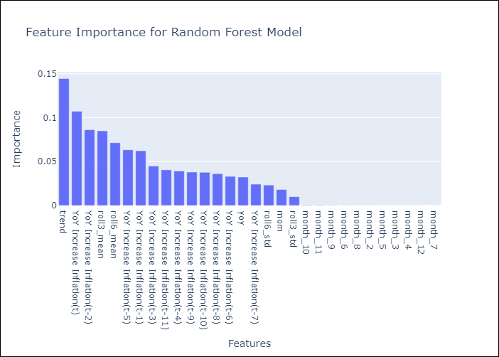

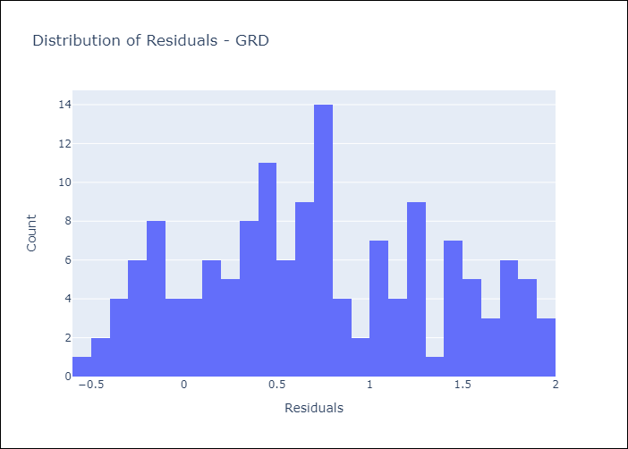
Appendix A: Model Summary
Model | Random Forest w/ Lags
Sample | 2003-12-01 to 2025-01-01
No. of Observations | 254
Residuals
Mean | 0.70993064971
St Dev | 0.65374281976
Kurtosis | -0.92911577363
Skewness | 0.12803990174

Bias-Corrected Residuals
Mean | -0.67622048918
St Dev | 0.2314594177
Kurtosis | -0.45807533467
Skewness | 0.32709895214

Assumptions | P-value

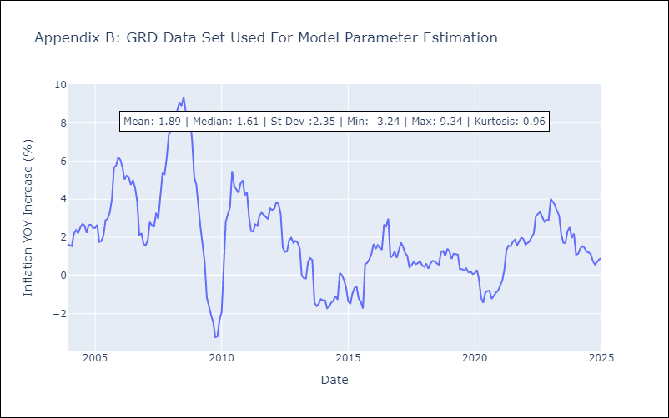

Appendix C: Residuals Analysis
Mean

GUY
GUY - Inflation - Next 12 months forecast as of: 2025-03-01

Model | Random Forest w/ Lags - None
Training Data | 2007-12-01 to 2024-04-01
Test Data | 2024-04-01 to 2025-03-01

Date | Inflation Change YoY % | Lower Bound - 95% Confidence Interval | Upper Bound - 95% Confidence Interval | Bias Corrected Forecast
2025-04-01 | 3.15 | 2.16 | 4.91 | 3.51
2025-05-01 | 3.32 | 2.31 | 5.2 | 3.66
2025-06-01 | 3.61 | 2.56 | 5.39 | 3.87
2025-07-01 | 3.81 | 2.82 | 5.3 | 4
2025-08-01 | 3.85 | 2.81 | 5.12 | 4.03
2025-09-01 | 3.92 | 2.69 | 4.94 | 4.06
2025-10-01 | 4.02 | 2.9 | 5.08 | 4.1
2025-11-01 | 4.13 | 3.03 | 5.14 | 4.16
2025-12-01 | 4.23 | 3.16 | 5.03 | 4.23
2026-01-01 | 4.28 | 3.23 | 5.35 | 4.27
2026-02-01 | 4.3 | 3.19 | 5.28 | 4.33
2026-03-01 | 4.37 | 2.98 | 5.25 | 4.34

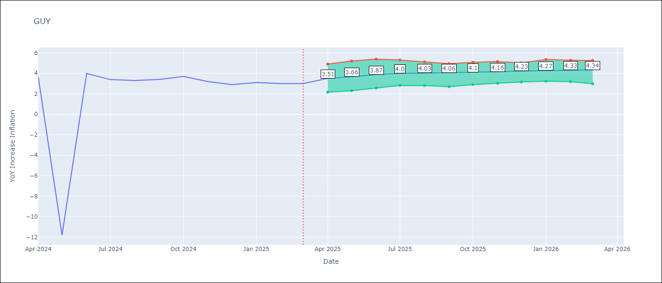

Test Set |  | Bias Corrected
RMSE | 4.55 | 4.385927360607576
Naive RMSE | 4.05 | 4.05
MAPE | 50.49% | 46.41%

Test Predictions
Date | Predicted | Actual | Bias Vector | Bias Corrected
2024-05-01 | 2.12 | 3.67 | 0.03 | 2.21
2024-06-01 | 2.58 | -11.79 | 0.03 | 2.6
2024-07-01 | 2.92 | 3.99 | 0.02 | 2.94
2024-08-01 | 3.23 | 3.39 | 0.02 | 3.26
2024-09-01 | 3.52 | 3.3 | 0.01 | 3.58
2024-10-01 | 4.02 | 3.4 | 0.02 | 3.96
2024-11-01 | 4.5 | 3.7 | 0.02 | 4.3
2024-12-01 | 4.82 | 3.2 | 0.02 | 4.6
2025-01-01 | 5.07 | 2.9 | 0.02 | 4.86
2025-02-01 | 5.25 | 3.1 | 0.02 | 5.04
2025-03-01 | 5.47 | 3 | 0.02 | 5.21
2025-04-01 | 5.61 | 3 | 0.01 | 5.28

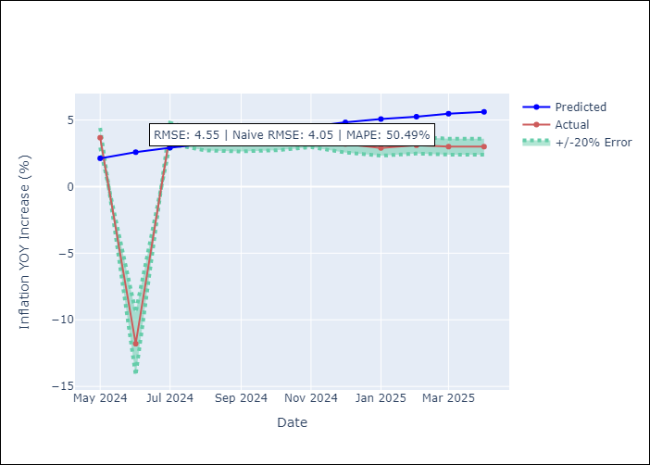
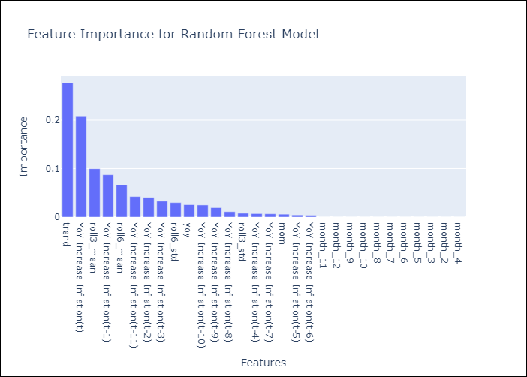

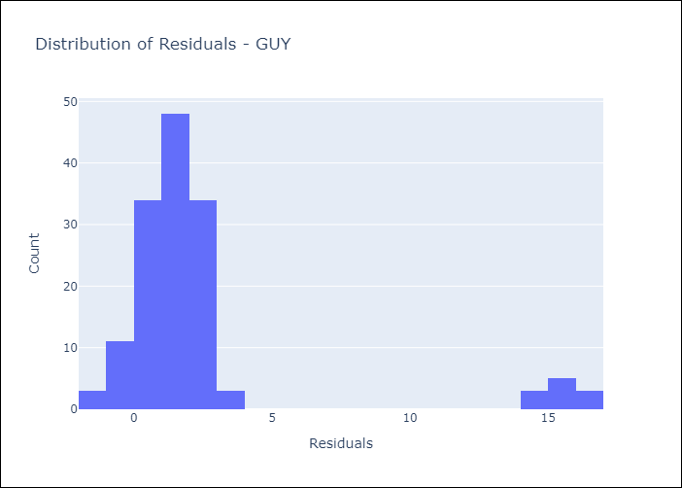
Appendix A: Model Summary
Model | Random Forest w/ Lags
Sample | 2007-12-01 to 2025-03-01
No. of Observations | 208
Residuals
Mean | 2.35490867
St Dev | 3.8973693362
Kurtosis | 7.0235902781
Skewness | 2.8576319705

Bias-Corrected Residuals
Mean | -1.9159046418
St Dev | 3.9453349941
Kurtosis | 9.3438163357
Skewness | -2.9003383333

Assumptions | P-value

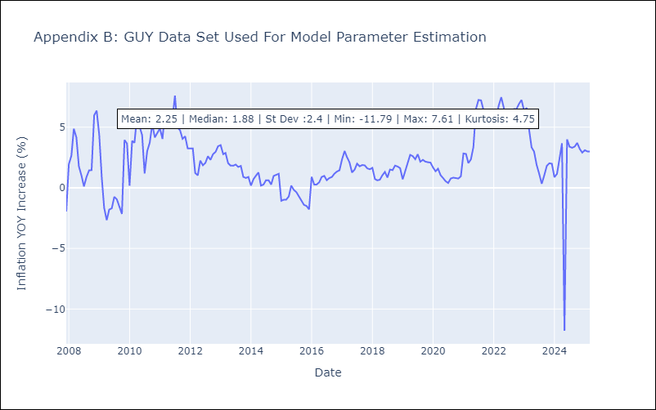

Appendix C: Residuals Analysis
Mean

JAM
JAM - Inflation - Next 12 months forecast as of: 2025-04-01

Model | Random Forest w/ Lags - None
Training Data | 1994-06-01 to 2024-05-01
Test Data | 2024-05-01 to 2025-04-01

Date | Inflation Change YoY % | Lower Bound - 95% Confidence Interval | Upper Bound - 95% Confidence Interval | Bias Corrected Forecast
2025-05-01 | 5.7 | 5.19 | 6.49 | 5.64
2025-06-01 | 5.87 | 5.19 | 7 | 5.93
2025-07-01 | 6.05 | 5.56 | 7.1 | 6.16
2025-08-01 | 6.4 | 5.65 | 7.36 | 6.5
2025-09-01 | 6.75 | 6.22 | 7.59 | 6.77
2025-10-01 | 7.05 | 6.34 | 7.99 | 7.21
2025-11-01 | 7.42 | 6.73 | 8.44 | 7.63
2025-12-01 | 7.82 | 7.08 | 8.98 | 8.15
2026-01-01 | 8.2 | 7.54 | 9.36 | 8.46
2026-02-01 | 8.65 | 8.11 | 10.01 | 8.82
2026-03-01 | 8.77 | 8.38 | 10.15 | 9.05
2026-04-01 | 8.9 | 8.46 | 10.33 | 9.32

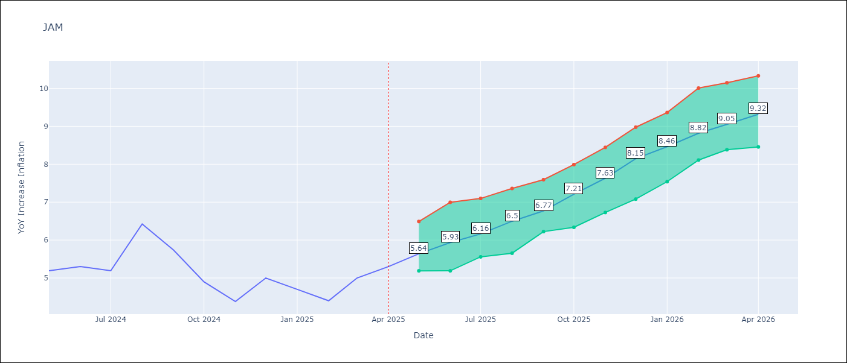

Test Set |  | Bias Corrected
RMSE | 2.69 | 2.9508641925412773
Naive RMSE | 1.13 | 1.13
MAPE | 52.82% | 52.67%

Test Predictions
Date | Predicted | Actual | Bias Vector | Bias Corrected
2024-06-01 | 6.02 | 5.19 | 0 | 6.03
2024-07-01 | 6.28 | 5.3 | 0 | 6.26
2024-08-01 | 6.52 | 5.19 | 0 | 6.5
2024-09-01 | 6.84 | 6.42 | 0 | 6.78
2024-10-01 | 7.2 | 5.74 | 0 | 7.08
2024-11-01 | 7.49 | 4.9 | 0 | 7.5
2024-12-01 | 7.77 | 4.38 | 0.01 | 7.84
2025-01-01 | 8.19 | 5 | 0 | 8.28
2025-02-01 | 8.55 | 4.7 | 0 | 8.54
2025-03-01 | 9 | 4.4 | 0 | 8.93
2025-04-01 | 9.24 | 5 | -0.01 | 9.18
2025-05-01 | 9.36 | 5.3 | -0.01 | 9.43

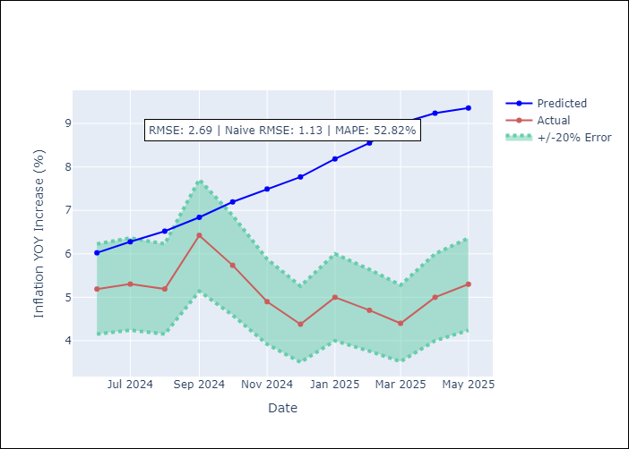
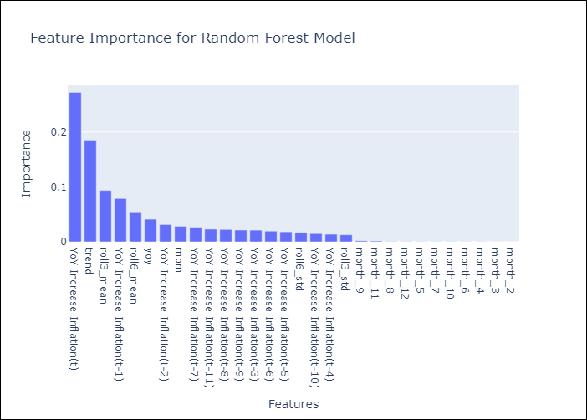

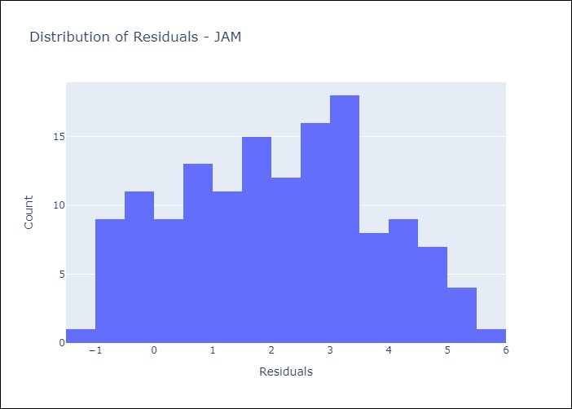
Appendix A: Model Summary
Model | Random Forest w/ Lags
Sample | 1994-06-01 to 2025-04-01
No. of Observations | 371
Residuals
Mean | 2.0966428672
St Dev | 1.6780565006
Kurtosis | -0.86341127052
Skewness | 0.023050006088

Bias-Corrected Residuals
Mean | -2.5677474066
St Dev | 1.4540538982
Kurtosis | -1.8040320466
Skewness | 0.16714881195

Assumptions | P-value

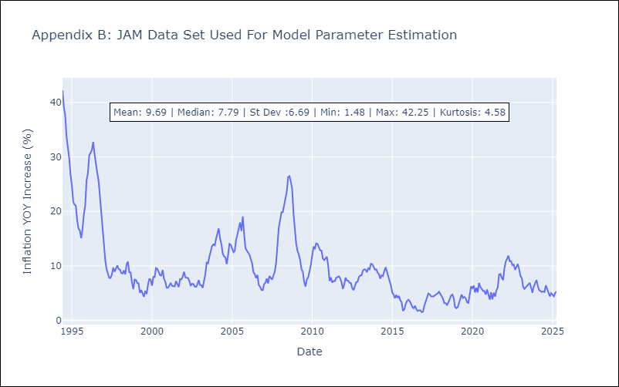

Appendix C: Residuals Analysis
Mean

KNA
KNA - Inflation - Next 12 months forecast as of: 2025-02-01

Model | Random Forest w/ Lags - None
Training Data | 2005-12-01 to 2024-03-01
Test Data | 2024-03-01 to 2025-02-01

Date | Inflation Change YoY % | Lower Bound - 95% Confidence Interval | Upper Bound - 95% Confidence Interval | Bias Corrected Forecast
2025-03-01 | 2.61 | 1.9 | 3.17 | 2.31
2025-04-01 | 2.72 | 2.09 | 3.09 | 2.41
2025-05-01 | 2.7 | 2.04 | 3 | 2.41
2025-06-01 | 2.71 | 1.91 | 2.98 | 2.37
2025-07-01 | 2.66 | 1.98 | 3.09 | 2.38
2025-08-01 | 2.56 | 1.92 | 2.96 | 2.36
2025-09-01 | 2.45 | 1.73 | 2.84 | 2.25
2025-10-01 | 2.28 | 1.71 | 2.72 | 2.2
2025-11-01 | 2.26 | 1.72 | 2.61 | 2.14
2025-12-01 | 2.15 | 1.52 | 2.52 | 2
2026-01-01 | 2.01 | 1.5 | 2.33 | 1.92
2026-02-01 | 1.96 | 1.52 | 2.35 | 1.86

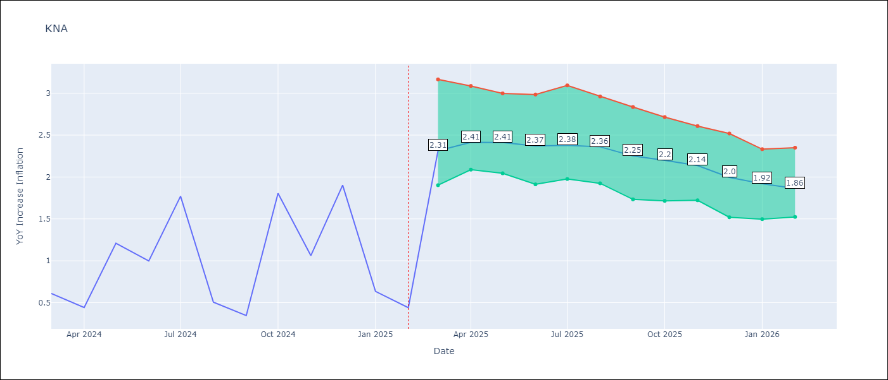

Test Set |  | Bias Corrected
RMSE | 1.57 | 1.0422737539794964
Naive RMSE | 1.85 | 1.85
MAPE | 149.8% | 161.2%

Test Predictions
Date | Predicted | Actual | Bias Vector | Bias Corrected
2024-04-01 | 1.29 | 0.61 | 0 | 1.47
2024-05-01 | 1.3 | 0.44 | 0.01 | 1.48
2024-06-01 | 1.43 | 1.21 | 0 | 1.54
2024-07-01 | 1.52 | 1 | 0 | 1.61
2024-08-01 | 1.59 | 1.77 | 0 | 1.73
2024-09-01 | 1.75 | 0.51 | 0.01 | 1.84
2024-10-01 | 1.8 | 0.35 | 0.01 | 1.89
2024-11-01 | 1.8 | 1.8 | 0.01 | 1.96
2024-12-01 | 1.95 | 1.06 | 0.01 | 2.07
2025-01-01 | 2.1 | 1.9 | 0.01 | 2.11
2025-02-01 | 2.2 | 0.63 | 0.01 | 2.17
2025-03-01 | 2.22 | 0.44 | 0.01 | 2.2

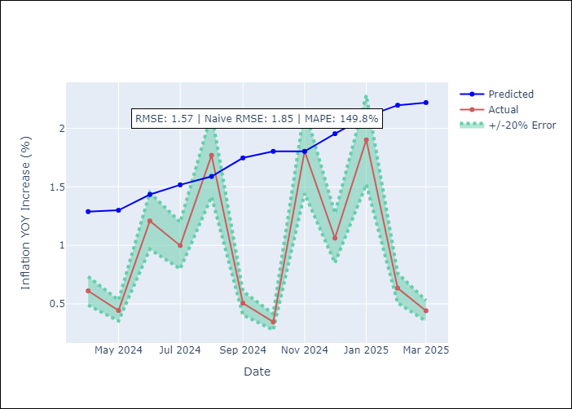
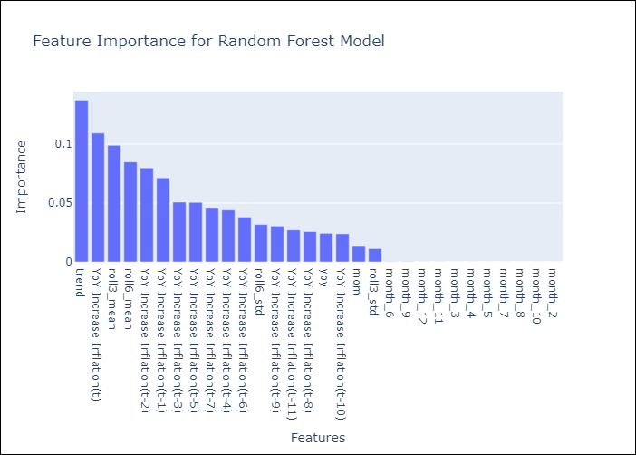

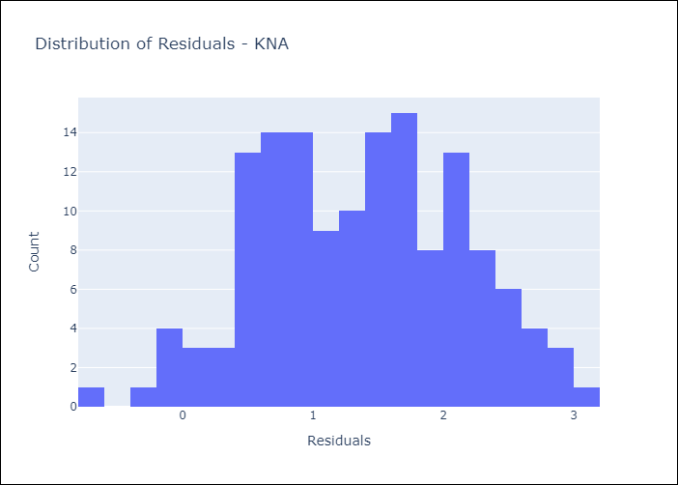
Appendix A: Model Summary
Model | Random Forest w/ Lags
Sample | 2005-12-01 to 2025-02-01
No. of Observations | 231
Residuals
Mean | 1.3686141362
St Dev | 0.77418421909
Kurtosis | -0.67267815918
Skewness | -0.0052831452015

Bias-Corrected Residuals
Mean | -0.86321809477
St Dev | 0.58411394359
Kurtosis | -1.3993769979
Skewness | 0.033091673144

Assumptions | P-value

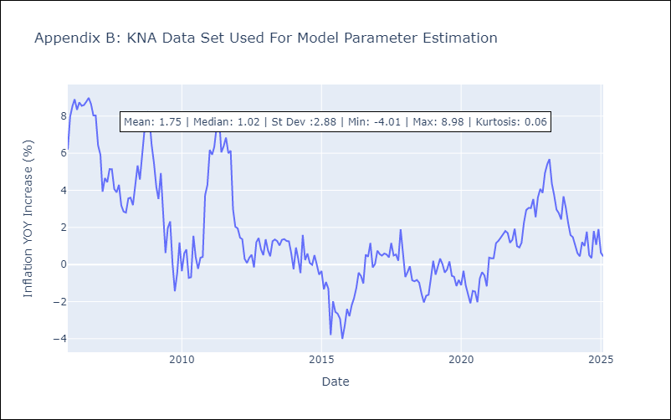

Appendix C: Residuals Analysis
Mean

LCA
LCA - Inflation - Next 12 months forecast as of: 2025-01-01

Model | Random Forest w/ Lags - None
Training Data | 2007-12-01 to 2024-02-01
Test Data | 2024-02-01 to 2025-01-01

Date | Inflation Change YoY % | Lower Bound - 95% Confidence Interval | Upper Bound - 95% Confidence Interval | Bias Corrected Forecast
2025-02-01 | 4.81 | 3.69 | 5.63 | 4.5
2025-03-01 | 4.98 | 3.68 | 5.81 | 4.62
2025-04-01 | 5.13 | 3.6 | 5.94 | 4.73
2025-05-01 | 5.27 | 3.61 | 5.98 | 4.79
2025-06-01 | 5.44 | 3.7 | 6.12 | 4.85
2025-07-01 | 5.54 | 3.5 | 6.21 | 4.79
2025-08-01 | 5.5 | 3.21 | 6.18 | 4.67
2025-09-01 | 5.33 | 2.89 | 6.33 | 4.45
2025-10-01 | 5.12 | 2.51 | 6.24 | 4.24
2025-11-01 | 4.89 | 2.16 | 5.98 | 4.02
2025-12-01 | 4.75 | 1.92 | 5.61 | 3.88
2026-01-01 | 4.58 | 1.72 | 5.15 | 3.73

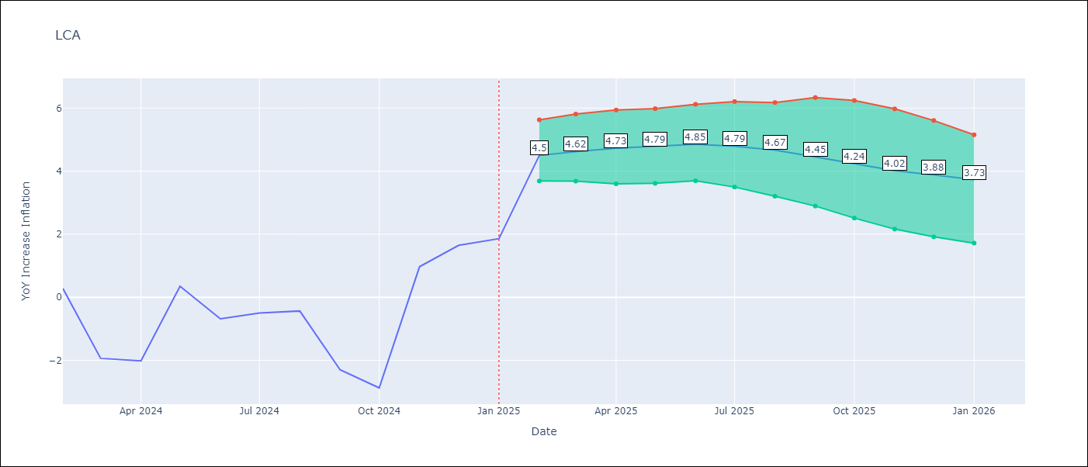

Test Set |  | Bias Corrected
RMSE | 4.7 | 4.452389583871047
Naive RMSE | 4.11 | 4.11
MAPE | 693.53% | 516.91%

Test Predictions
Date | Predicted | Actual | Bias Vector | Bias Corrected
2024-03-01 | 4.12 | 0.28 | -0.01 | 3.46
2024-04-01 | 4.58 | -1.94 | -0.01 | 3.55
2024-05-01 | 4.95 | -2.02 | -0.01 | 3.69
2024-06-01 | 5.06 | 0.35 | -0.01 | 3.76
2024-07-01 | 5.23 | -0.68 | -0.02 | 3.88
2024-08-01 | 5.26 | -0.5 | -0.01 | 3.92
2024-09-01 | 5.36 | -0.43 | -0.02 | 3.88
2024-10-01 | 5.45 | -2.3 | -0.02 | 3.79
2024-11-01 | 5.58 | -2.87 | -0.02 | 3.69
2024-12-01 | 5.66 | 0.97 | -0.02 | 3.64
2025-01-01 | 5.77 | 1.65 | -0.02 | 3.66
2025-02-01 | 5.81 | 1.86 | -0.03 | 3.66

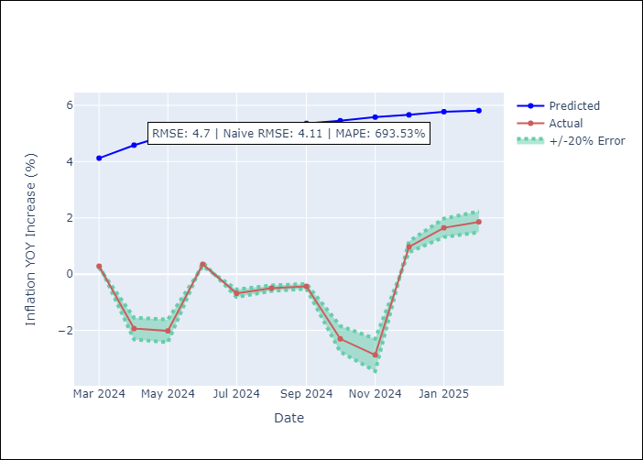
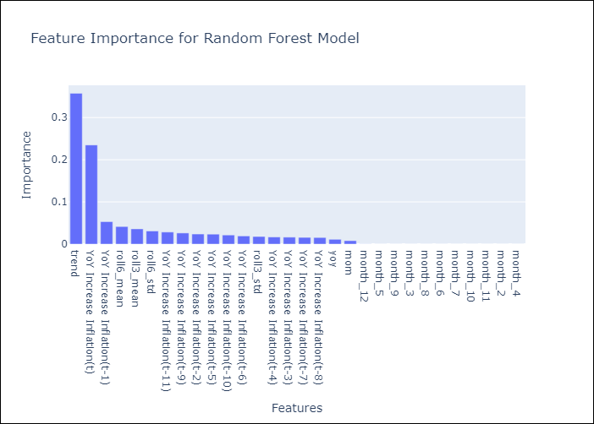

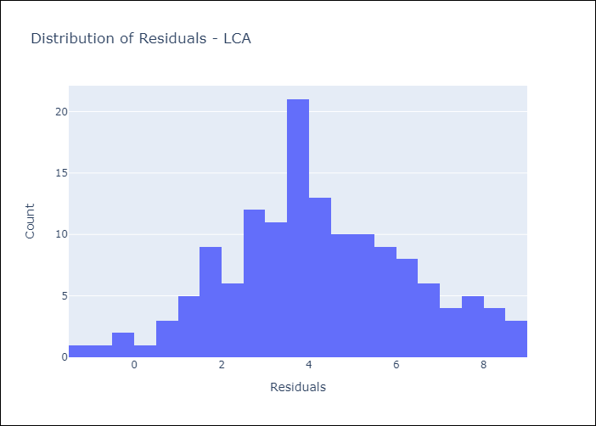
Appendix A: Model Summary
Model | Random Forest w/ Lags
Sample | 2007-12-01 to 2025-01-01
No. of Observations | 206
Residuals
Mean | 4.2022271187
St Dev | 2.1145087449
Kurtosis | -0.258153845
Skewness | 0.04803733875

Bias-Corrected Residuals
Mean | -4.1842293346
St Dev | 1.5218402946
Kurtosis | -1.2095662112
Skewness | 0.069141573687

Assumptions | P-value

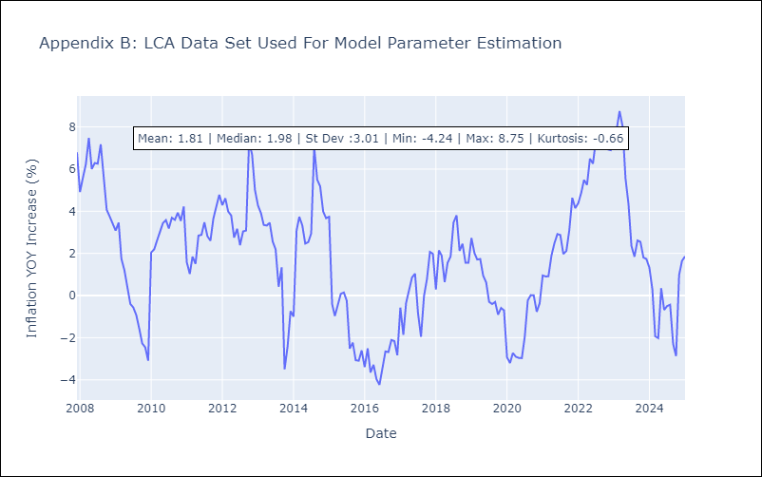

Appendix C: Residuals Analysis
Mean

SUR
SUR - Inflation - Next 12 months forecast as of: 2024-08-01

Model | Random Forest w/ Lags - None
Training Data | 2012-03-01 to 2023-09-01
Test Data | 2023-09-01 to 2024-08-01

Date | Inflation Change YoY % | Lower Bound - 95% Confidence Interval | Upper Bound - 95% Confidence Interval | Bias Corrected Forecast
2024-09-01 | 28.97 | 19.57 | 36.14 | 22.97
2024-10-01 | 30.27 | 20.43 | 38.39 | 23.84
2024-11-01 | 31.66 | 20.73 | 39.26 | 24.76
2024-12-01 | 32.69 | 21.65 | 40.07 | 25.79
2025-01-01 | 34.6 | 21.82 | 42.5 | 26.88
2025-02-01 | 35.26 | 20.58 | 41.71 | 27.71
2025-03-01 | 36.8 | 19.63 | 42.57 | 28.85
2025-04-01 | 37.88 | 21.42 | 44.04 | 30.12
2025-05-01 | 39.45 | 23.08 | 45.4 | 31.42
2025-06-01 | 40.42 | 23.6 | 46.59 | 32.26
2025-07-01 | 41.32 | 24.17 | 48.04 | 33.15
2025-08-01 | 41.73 | 24.1 | 48.21 | 33.75

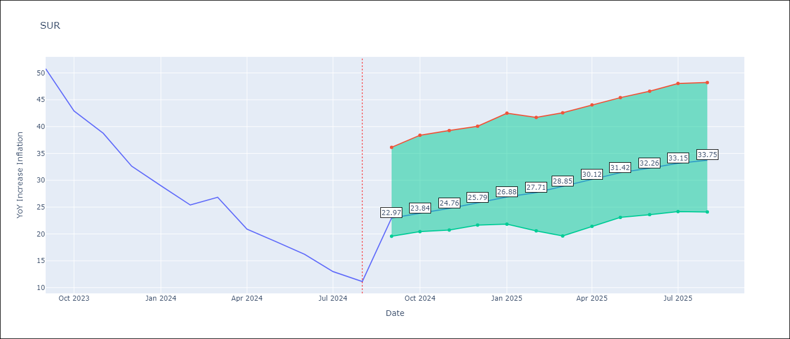

Test Set |  | Bias Corrected
RMSE | 18.41 | 29.857680403854957
Naive RMSE | 20.96 | 20.96
MAPE | 152.32% | 146.3%

Test Predictions
Date | Predicted | Actual | Bias Vector | Bias Corrected
2023-10-01 | 55 | 50.79 | 0.04 | 54.26
2023-11-01 | 55.21 | 42.92 | 0.06 | 54.15
2023-12-01 | 55.07 | 38.74 | 0.07 | 53.82
2024-01-01 | 55.07 | 32.63 | 0.01 | 53.69
2024-02-01 | 55.36 | 28.98 | 0.01 | 53.76
2024-03-01 | 55.55 | 25.4 | -0.01 | 53.91
2024-04-01 | 55.44 | 26.83 | -0.04 | 53.87
2024-05-01 | 55.67 | 20.9 | -0.07 | 54.37
2024-06-01 | 56.55 | 18.62 | -0.1 | 55.08
2024-07-01 | 56.79 | 16.21 | -0.14 | 55.42
2024-08-01 | 56.61 | 12.99 | -0.13 | 55.51
2024-09-01 | 56.47 | 11.13 | -0.13 | 55.12

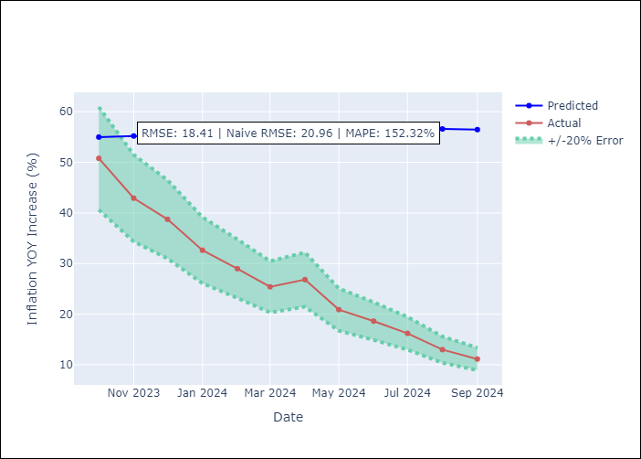
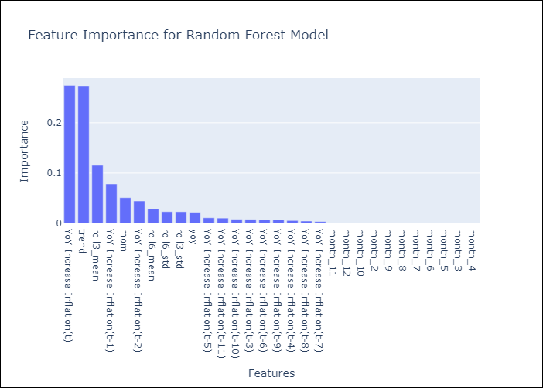

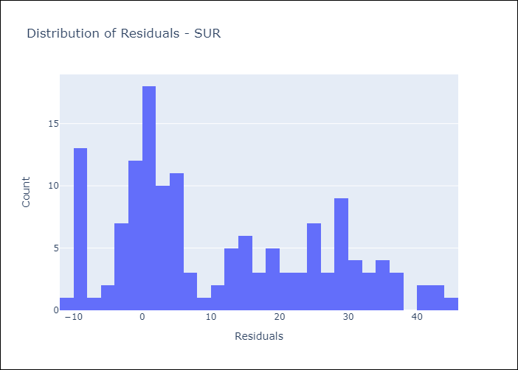
Appendix A: Model Summary
Model | Random Forest w/ Lags
Sample | 2012-03-01 to 2024-08-01
No. of Observations | 146
Residuals
Mean | 11.057074617
St Dev | 14.714452063
Kurtosis | -0.94602248899
Skewness | 0.47473237233

Bias-Corrected Residuals
Mean | -27.236406677
St Dev | 12.233528943
Kurtosis | -0.6616467223
Skewness | 0.44690227575

Assumptions | P-value

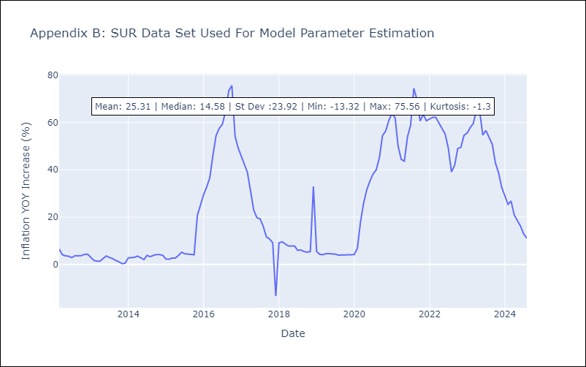

Appendix C: Residuals Analysis
Mean

TTO
TTO - Inflation - Next 12 months forecast as of: 2025-04-01

Model | Random Forest w/ Lags - None
Training Data | 1994-06-01 to 2024-05-01
Test Data | 2024-05-01 to 2025-04-01

Date | Inflation Change YoY % | Lower Bound - 95% Confidence Interval | Upper Bound - 95% Confidence Interval | Bias Corrected Forecast
2025-05-01 | 3.38 | 3.09 | 4.12 | 3.23
2025-06-01 | 3.61 | 3.16 | 4.34 | 3.43
2025-07-01 | 3.85 | 3.36 | 4.51 | 3.59
2025-08-01 | 4.09 | 3.5 | 4.71 | 3.75
2025-09-01 | 4.25 | 3.81 | 4.92 | 3.92
2025-10-01 | 4.34 | 3.85 | 5.08 | 4.03
2025-11-01 | 4.45 | 3.91 | 5.19 | 4.12
2025-12-01 | 4.52 | 3.93 | 5.12 | 4.23
2026-01-01 | 4.59 | 3.99 | 5.14 | 4.3
2026-02-01 | 4.71 | 4.03 | 5.13 | 4.36
2026-03-01 | 4.88 | 4.12 | 5.01 | 4.45
2026-04-01 | 5 | 4.06 | 4.95 | 4.47



Test Set |  | Bias Corrected
RMSE | 2.89 | 1.2918194259649858
Naive RMSE | 2.44 | 2.44
MAPE | 281.73% | 278.04%

Test Predictions
Date | Predicted | Actual | Bias Vector | Bias Corrected
2024-06-01 | 1.57 | 0.9 | 0.01 | 1.51
2024-07-01 | 1.62 | 0.7 | 0.01 | 1.6
2024-08-01 | 1.67 | 0.3 | 0.01 | 1.66
2024-09-01 | 1.75 | 0.4 | 0 | 1.69
2024-10-01 | 1.88 | 0.4 | 0 | 1.78
2024-11-01 | 1.9 | 0.2 | 0 | 1.9
2024-12-01 | 1.97 | 0.5 | 0 | 1.94
2025-01-01 | 1.98 | 0.5 | 0 | 1.99
2025-02-01 | 2.03 | 0.7 | 0 | 2.08
2025-03-01 | 2.18 | 0.7 | 0 | 2.16
2025-04-01 | 2.19 | 1 | 0 | 2.24
2025-05-01 | 2.29 | 1.5 | 0 | 2.32





Appendix A: Model Summary
Model | Random Forest w/ Lags
Sample | 1994-06-01 to 2025-04-01
No. of Observations | 371
Residuals
Mean | 2.7130256238
St Dev | 1.0058311078
Kurtosis | -0.48533561443
Skewness | -0.24707017502

Bias-Corrected Residuals
Mean | -1.2556603698
St Dev | 0.30350364929
Kurtosis | 0.25325239716
Skewness | 0.96420962375

Assumptions | P-value



Appendix C: Residuals Analysis
Mean

