md_CAR13
md_CAR13 - Inflation - Next 12 months forecast as of: 2025-04-01

Model | Random Forest w/ Lags - None
Training Data | 1994-06-01 to 2024-05-01
Test Data | 2024-05-01 to 2025-04-01

Date | Inflation Change YoY % | Lower Bound - 95% Confidence Interval | Upper Bound - 95% Confidence Interval | Bias Corrected Forecast
2025-05-01 | 3.47 | 3.14 | 3.82 | 3.28
2025-06-01 | 3.53 | 3.3 | 4.06 | 3.42
2025-07-01 | 3.65 | 3.41 | 4.23 | 3.54
2025-08-01 | 3.8 | 3.62 | 4.49 | 3.73
2025-09-01 | 4.04 | 3.74 | 4.68 | 3.84
2025-10-01 | 4.09 | 3.82 | 4.83 | 3.98
2025-11-01 | 4.28 | 3.99 | 5 | 4.12
2025-12-01 | 4.32 | 4.05 | 5.05 | 4.2
2026-01-01 | 4.3 | 4.1 | 5.04 | 4.29
2026-02-01 | 4.5 | 4.09 | 5.08 | 4.33
2026-03-01 | 4.49 | 4.06 | 4.92 | 4.3
2026-04-01 | 4.41 | 4.02 | 4.9 | 4.32

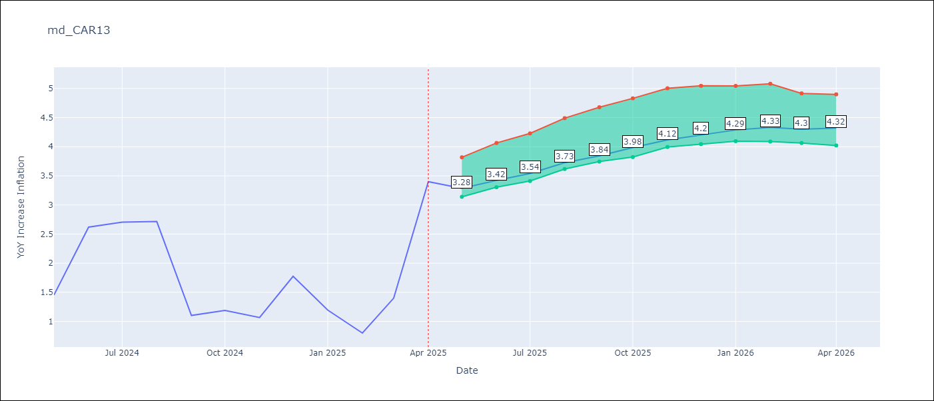

Test Set |  | Bias Corrected
RMSE | 1.12 | 0.8496680405173087
Naive RMSE | 1.23 | 1.23
MAPE | 53.57% | 55.59%

Test Predictions
Date | Predicted | Actual | Bias Vector | Bias Corrected
2024-06-01 | 1.85 | 1.45 | 0 | 1.79
2024-07-01 | 1.78 | 2.62 | 0 | 1.8
2024-08-01 | 1.78 | 2.7 | 0 | 1.82
2024-09-01 | 1.82 | 2.72 | 0 | 1.84
2024-10-01 | 1.82 | 1.1 | 0 | 1.87
2024-11-01 | 1.88 | 1.19 | 0 | 1.92
2024-12-01 | 1.92 | 1.07 | 0 | 1.97
2025-01-01 | 1.93 | 1.77 | 0 | 2
2025-02-01 | 1.99 | 1.19 | 0.01 | 2.04
2025-03-01 | 2.04 | 0.8 | 0.01 | 2.09
2025-04-01 | 2.06 | 1.4 | 0.01 | 2.13
2025-05-01 | 2.18 | 3.4 | 0.01 | 2.2

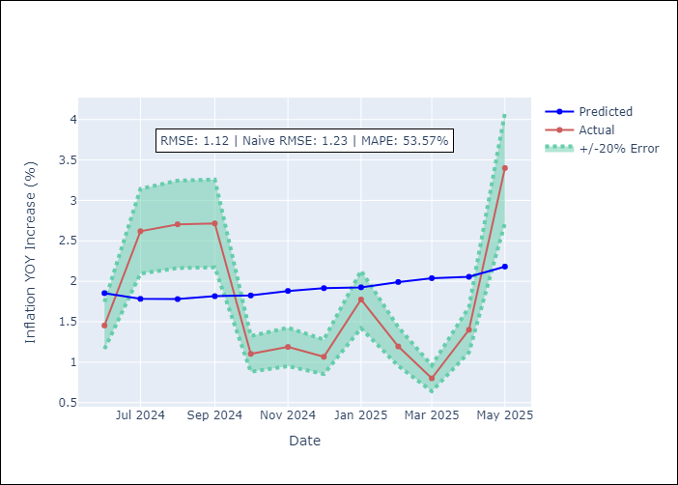
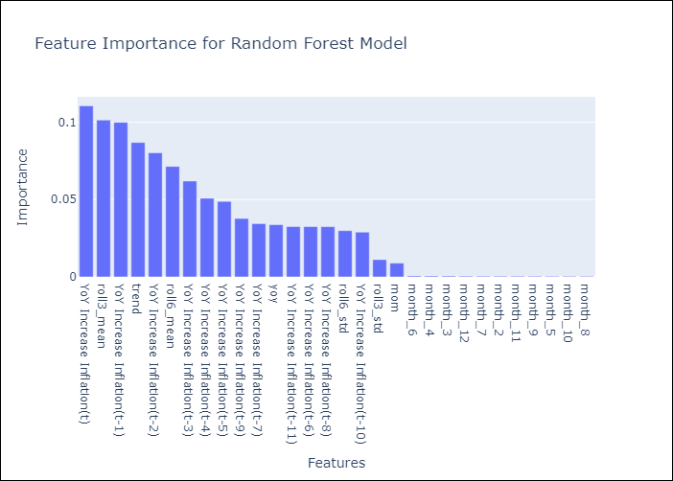

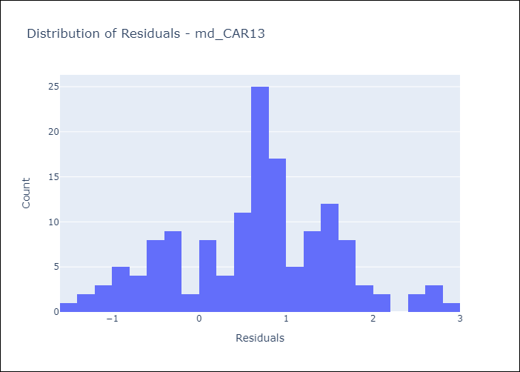
Appendix A: Model Summary
Model | Random Forest w/ Lags
Sample | 1994-06-01 to 2025-04-01
No. of Observations | 371
Residuals
Mean | 0.6539577947
St Dev | 0.90780051411
Kurtosis | -0.21136631452
Skewness | -0.044300784077

Bias-Corrected Residuals
Mean | -0.17065399912
St Dev | 0.83235388607
Kurtosis | -1.4713060473
Skewness | 0.53245830931

Assumptions | P-value

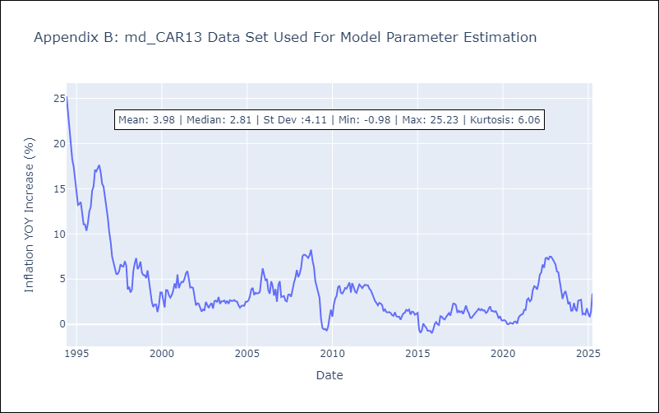

Appendix C: Residuals Analysis
Mean

md_CEN09
md_CEN09 - Inflation - Next 12 months forecast as of: 2025-04-01

Model | Random Forest w/ Lags - None
Training Data | 1993-12-01 to 2024-05-01
Test Data | 2024-05-01 to 2025-04-01

Date | Inflation Change YoY % | Lower Bound - 95% Confidence Interval | Upper Bound - 95% Confidence Interval | Bias Corrected Forecast
2025-05-01 | 4 | 3.74 | 4.42 | 3.89
2025-06-01 | 4.13 | 3.89 | 4.56 | 4.01
2025-07-01 | 4.27 | 4.08 | 4.73 | 4.16
2025-08-01 | 4.42 | 4.17 | 4.88 | 4.32
2025-09-01 | 4.61 | 4.26 | 5.07 | 4.47
2025-10-01 | 4.75 | 4.36 | 5.23 | 4.6
2025-11-01 | 4.9 | 4.45 | 5.41 | 4.75
2025-12-01 | 5.02 | 4.59 | 5.55 | 4.88
2026-01-01 | 5.11 | 4.66 | 5.8 | 5.01
2026-02-01 | 5.21 | 4.72 | 6.04 | 5.17
2026-03-01 | 5.29 | 4.86 | 6.19 | 5.32
2026-04-01 | 5.32 | 4.87 | 6.31 | 5.36

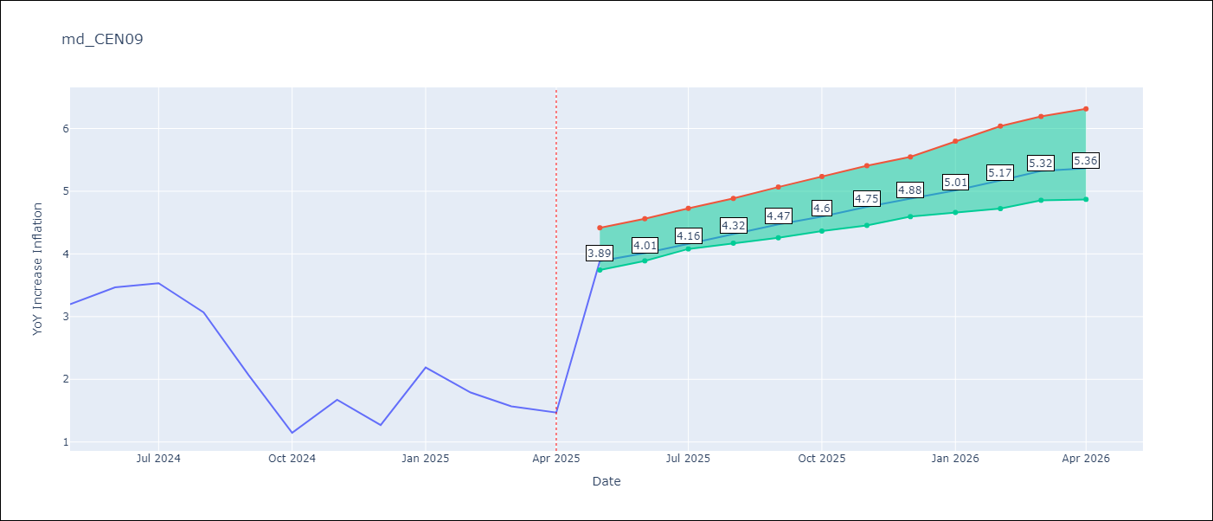

Test Set |  | Bias Corrected
RMSE | 2.09 | 2.0546600180578727
Naive RMSE | 1.51 | 1.51
MAPE | 114.47% | 109.38%

Test Predictions
Date | Predicted | Actual | Bias Vector | Bias Corrected
2024-06-01 | 3.41 | 3.2 | -0.01 | 3.36
2024-07-01 | 3.49 | 3.47 | -0.01 | 3.43
2024-08-01 | 3.53 | 3.53 | -0.01 | 3.51
2024-09-01 | 3.61 | 3.07 | -0.01 | 3.6
2024-10-01 | 3.75 | 2.07 | -0.01 | 3.71
2024-11-01 | 3.96 | 1.15 | 0 | 3.86
2024-12-01 | 4.2 | 1.67 | 0 | 4.02
2025-01-01 | 4.36 | 1.27 | 0 | 4.15
2025-02-01 | 4.44 | 2.19 | 0 | 4.26
2025-03-01 | 4.43 | 1.79 | 0 | 4.33
2025-04-01 | 4.43 | 1.57 | 0 | 4.36
2025-05-01 | 4.34 | 1.47 | 0 | 4.3

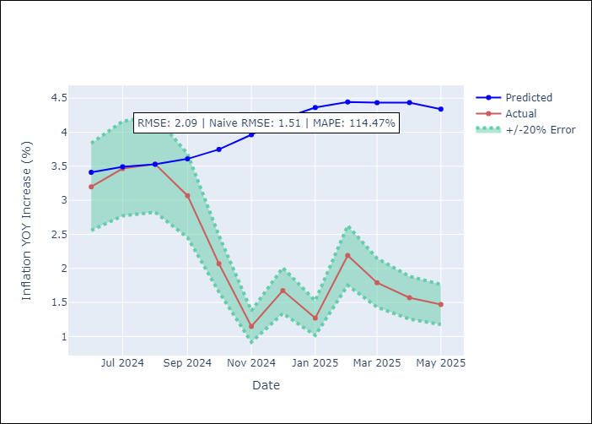
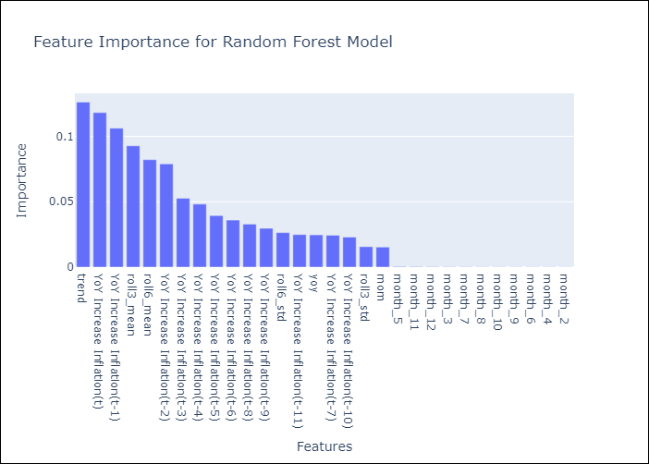

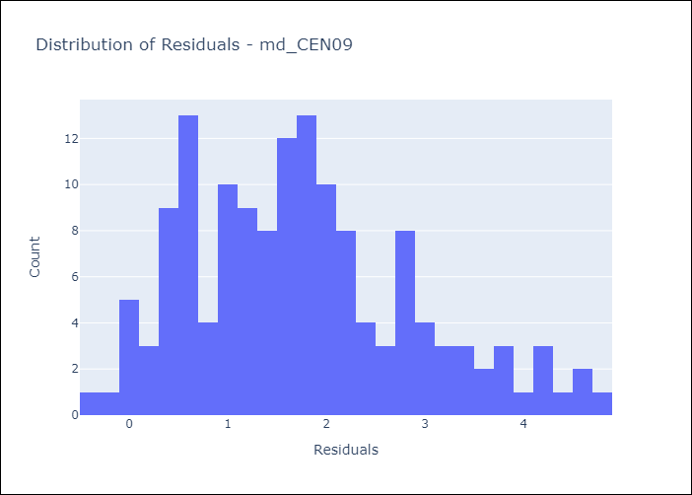
Appendix A: Model Summary
Model | Random Forest w/ Lags
Sample | 1993-12-01 to 2025-04-01
No. of Observations | 377
Residuals
Mean | 1.7451397739
St Dev | 1.1443589698
Kurtosis | -0.23727492144
Skewness | 0.56901869292

Bias-Corrected Residuals
Mean | -1.7042019109
St Dev | 1.1477472007
Kurtosis | -1.5933422349
Skewness | 0.59212355825

Assumptions | P-value

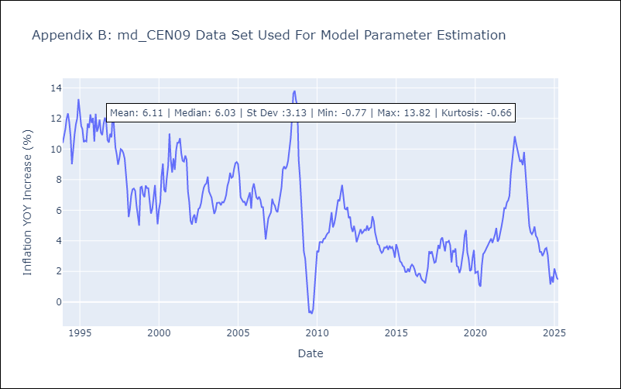

Appendix C: Residuals Analysis
Mean

md_CEN10
md_CEN10 - Inflation - Next 12 months forecast as of: 2025-04-01

Model | Random Forest w/ Lags - None
Training Data | 1993-12-01 to 2024-05-01
Test Data | 2024-05-01 to 2025-04-01

Date | Inflation Change YoY % | Lower Bound - 95% Confidence Interval | Upper Bound - 95% Confidence Interval | Bias Corrected Forecast
2025-05-01 | 4 | 3.71 | 4.58 | 3.86
2025-06-01 | 4.13 | 3.87 | 4.74 | 3.99
2025-07-01 | 4.27 | 4.05 | 4.91 | 4.14
2025-08-01 | 4.42 | 4.2 | 5.14 | 4.29
2025-09-01 | 4.61 | 4.26 | 5.31 | 4.44
2025-10-01 | 4.75 | 4.3 | 5.39 | 4.56
2025-11-01 | 4.9 | 4.34 | 5.5 | 4.7
2025-12-01 | 5.02 | 4.44 | 5.64 | 4.82
2026-01-01 | 5.11 | 4.47 | 5.83 | 4.94
2026-02-01 | 5.21 | 4.64 | 5.99 | 5.09
2026-03-01 | 5.29 | 4.71 | 6.18 | 5.23
2026-04-01 | 5.32 | 4.67 | 6.17 | 5.28

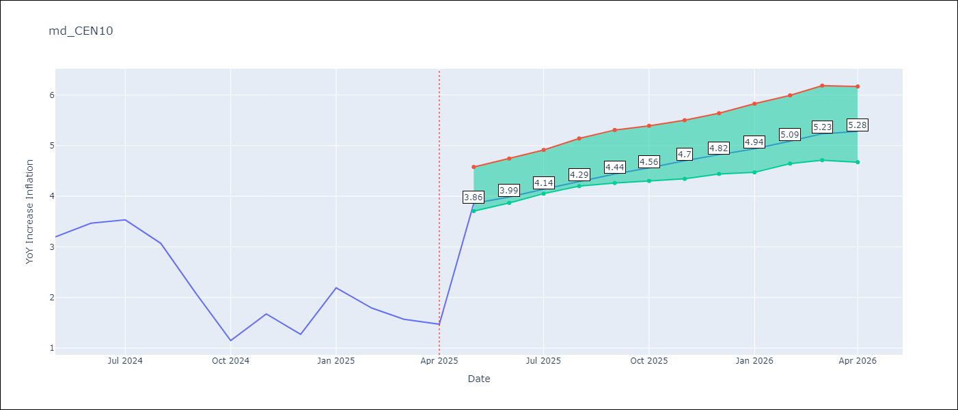

Test Set |  | Bias Corrected
RMSE | 2.09 | 2.0005410020349323
Naive RMSE | 1.51 | 1.51
MAPE | 114.47% | 106.6%

Test Predictions
Date | Predicted | Actual | Bias Vector | Bias Corrected
2024-06-01 | 3.41 | 3.2 | -0.01 | 3.33
2024-07-01 | 3.49 | 3.47 | -0.01 | 3.41
2024-08-01 | 3.53 | 3.53 | -0.01 | 3.49
2024-09-01 | 3.61 | 3.07 | -0.01 | 3.57
2024-10-01 | 3.75 | 2.07 | -0.01 | 3.67
2024-11-01 | 3.96 | 1.15 | -0.01 | 3.82
2024-12-01 | 4.2 | 1.67 | 0 | 3.97
2025-01-01 | 4.36 | 1.27 | 0 | 4.1
2025-02-01 | 4.44 | 2.19 | 0 | 4.19
2025-03-01 | 4.43 | 1.79 | 0 | 4.25
2025-04-01 | 4.43 | 1.57 | 0 | 4.27
2025-05-01 | 4.34 | 1.47 | 0.01 | 4.21


Appendix A: Model Summary
Model | Random Forest w/ Lags
Sample | 1993-12-01 to 2025-04-01
No. of Observations | 377
Residuals
Mean | 1.7451397739
St Dev | 1.1443589698
Kurtosis | -0.23727492144
Skewness | 0.56901869292

Bias-Corrected Residuals
Mean | -1.6515765993
St Dev | 1.1289194114
Kurtosis | -1.5894532334
Skewness | 0.59543803667

Assumptions | P-value



Appendix C: Residuals Analysis
Mean

md_R01
md_R01 - Inflation - Next 12 months forecast as of: 2025-04-01

Model | Random Forest w/ Lags - None
Training Data | 1991-12-01 to 2024-05-01
Test Data | 2024-05-01 to 2025-04-01

Date | Inflation Change YoY % | Lower Bound - 95% Confidence Interval | Upper Bound - 95% Confidence Interval | Bias Corrected Forecast
2025-05-01 | 4.55 | 4.23 | 4.85 | 4.46
2025-06-01 | 4.63 | 4.27 | 4.97 | 4.54
2025-07-01 | 4.75 | 4.35 | 5.12 | 4.63
2025-08-01 | 4.87 | 4.37 | 5.19 | 4.71
2025-09-01 | 4.91 | 4.43 | 5.31 | 4.76
2025-10-01 | 4.98 | 4.46 | 5.33 | 4.81
2025-11-01 | 5 | 4.45 | 5.34 | 4.84
2025-12-01 | 5.01 | 4.42 | 5.34 | 4.85
2026-01-01 | 5.03 | 4.36 | 5.36 | 4.84
2026-02-01 | 5.05 | 4.4 | 5.37 | 4.83
2026-03-01 | 5.08 | 4.38 | 5.36 | 4.82
2026-04-01 | 5.02 | 4.37 | 5.32 | 4.78

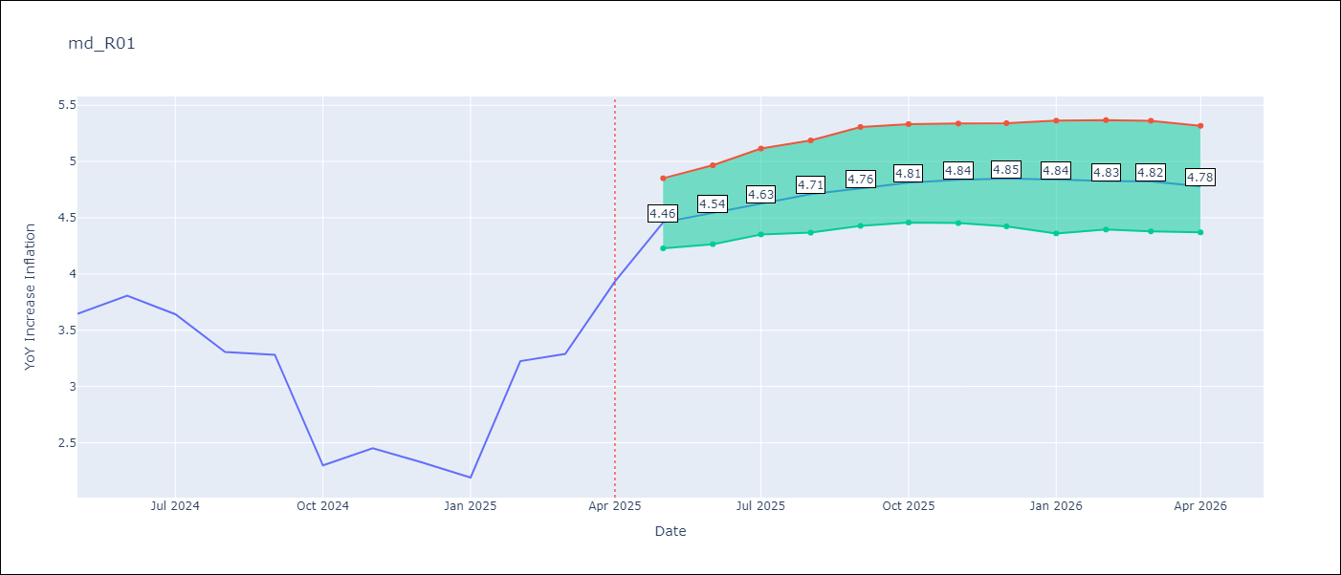

Test Set |  | Bias Corrected
RMSE | 1.05 | 0.920455175164804
Naive RMSE | 0.87 | 0.87
MAPE | 24.23% | 28.0%

Test Predictions
Date | Predicted | Actual | Bias Vector | Bias Corrected
2024-06-01 | 3.39 | 3.65 | 0 | 3.54
2024-07-01 | 3.46 | 3.81 | 0 | 3.61
2024-08-01 | 3.56 | 3.64 | 0 | 3.7
2024-09-01 | 3.59 | 3.31 | 0 | 3.74
2024-10-01 | 3.62 | 3.28 | 0.01 | 3.78
2024-11-01 | 3.6 | 2.3 | 0.01 | 3.79
2024-12-01 | 3.61 | 2.45 | 0.01 | 3.81
2025-01-01 | 3.61 | 2.33 | 0.01 | 3.83
2025-02-01 | 3.61 | 2.19 | 0.01 | 3.83
2025-03-01 | 3.59 | 3.23 | 0.01 | 3.83
2025-04-01 | 3.62 | 3.29 | 0 | 3.8
2025-05-01 | 3.64 | 3.93 | 0 | 3.78

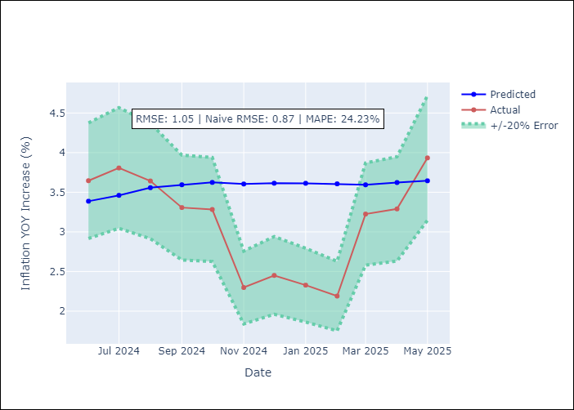
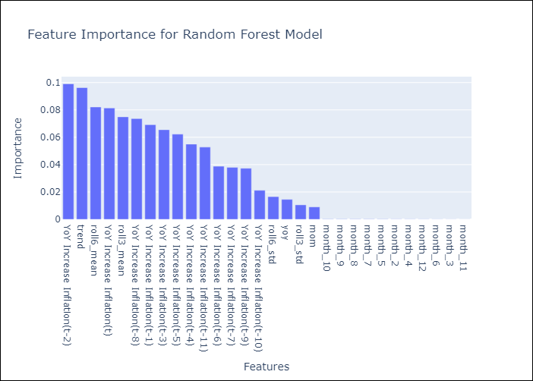

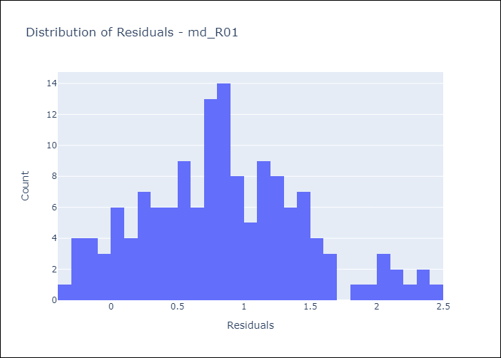
Appendix A: Model Summary
Model | Random Forest w/ Lags
Sample | 1991-12-01 to 2025-04-01
No. of Observations | 401
Residuals
Mean | 0.84611141452
St Dev | 0.61345768962
Kurtosis | -0.087994932588
Skewness | 0.35242564002

Bias-Corrected Residuals
Mean | -0.63662467433
St Dev | 0.66479075921
Kurtosis | -1.535800835
Skewness | -0.31952002153

Assumptions | P-value

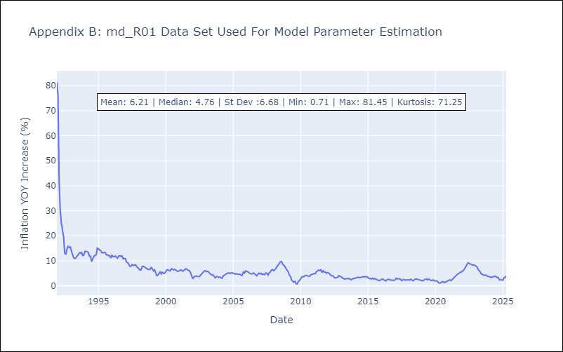

Appendix C: Residuals Analysis
Mean

md_R02
md_R02 - Inflation - Next 12 months forecast as of: 2025-04-01

Model | Random Forest w/ Lags - None
Training Data | 1991-12-01 to 2024-05-01
Test Data | 2024-05-01 to 2025-04-01

Date | Inflation Change YoY % | Lower Bound - 95% Confidence Interval | Upper Bound - 95% Confidence Interval | Bias Corrected Forecast
2025-05-01 | 4.57 | 4.27 | 4.95 | 4.53
2025-06-01 | 4.64 | 4.29 | 5.06 | 4.58
2025-07-01 | 4.74 | 4.34 | 5.18 | 4.62
2025-08-01 | 4.79 | 4.43 | 5.31 | 4.64
2025-09-01 | 4.84 | 4.47 | 5.43 | 4.67
2025-10-01 | 4.9 | 4.51 | 5.57 | 4.74
2025-11-01 | 4.96 | 4.55 | 5.68 | 4.8
2025-12-01 | 5.05 | 4.58 | 5.76 | 4.85
2026-01-01 | 5.12 | 4.61 | 5.83 | 4.9
2026-02-01 | 5.17 | 4.64 | 5.89 | 4.91
2026-03-01 | 5.26 | 4.66 | 5.92 | 4.94
2026-04-01 | 5.35 | 4.62 | 5.92 | 4.98

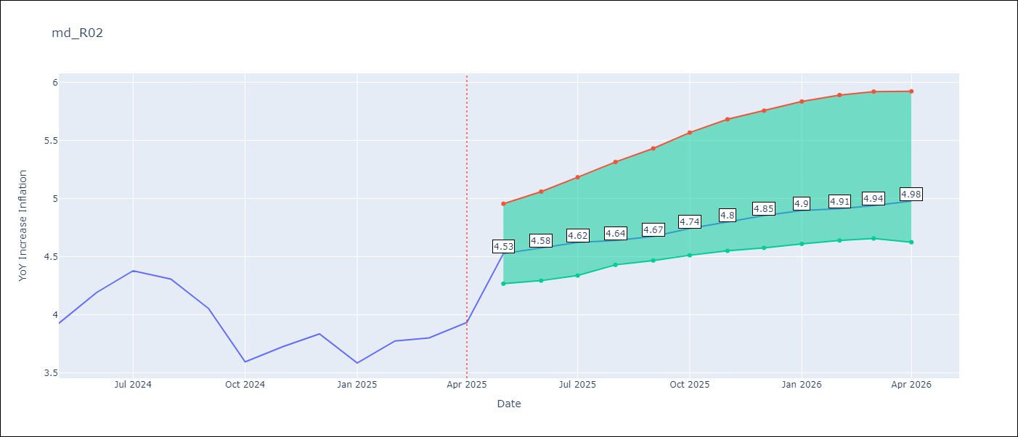

Test Set |  | Bias Corrected
RMSE | 0.93 | 0.5739242778177953
Naive RMSE | 0.85 | 0.85
MAPE | 16.69% | 13.54%

Test Predictions
Date | Predicted | Actual | Bias Vector | Bias Corrected
2024-06-01 | 3.81 | 3.93 | 0.01 | 3.78
2024-07-01 | 3.93 | 4.19 | 0.01 | 3.87
2024-08-01 | 4.06 | 4.38 | 0.01 | 3.97
2024-09-01 | 4.18 | 4.31 | 0.02 | 4.09
2024-10-01 | 4.32 | 4.05 | 0.02 | 4.2
2024-11-01 | 4.41 | 3.59 | 0.02 | 4.29
2024-12-01 | 4.49 | 3.73 | 0.01 | 4.35
2025-01-01 | 4.6 | 3.83 | 0.01 | 4.42
2025-02-01 | 4.7 | 3.59 | 0.01 | 4.48
2025-03-01 | 4.79 | 3.77 | 0.01 | 4.51
2025-04-01 | 4.85 | 3.8 | 0.01 | 4.55
2025-05-01 | 4.95 | 3.93 | 0.01 | 4.63

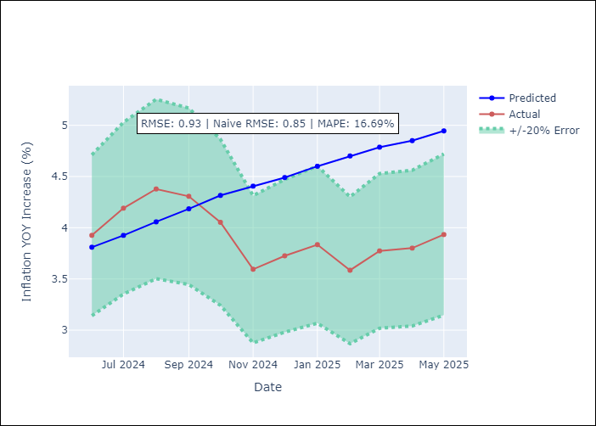


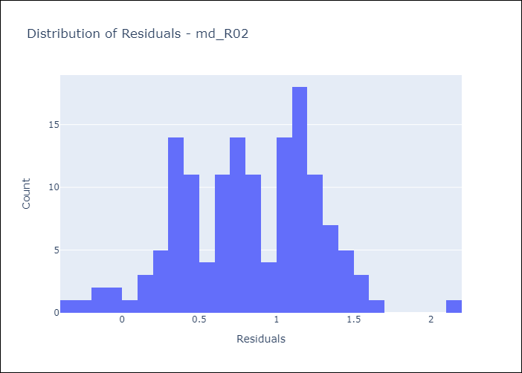
Appendix A: Model Summary
Model | Random Forest w/ Lags
Sample | 1991-12-01 to 2025-04-01
No. of Observations | 401
Residuals
Mean | 0.8199543838
St Dev | 0.43380094296
Kurtosis | -0.16392863334
Skewness | -0.15598242404

Bias-Corrected Residuals
Mean | -0.33609934686
St Dev | 0.4652164074
Kurtosis | -1.6799913991
Skewness | 0.51852236759

Assumptions | P-value

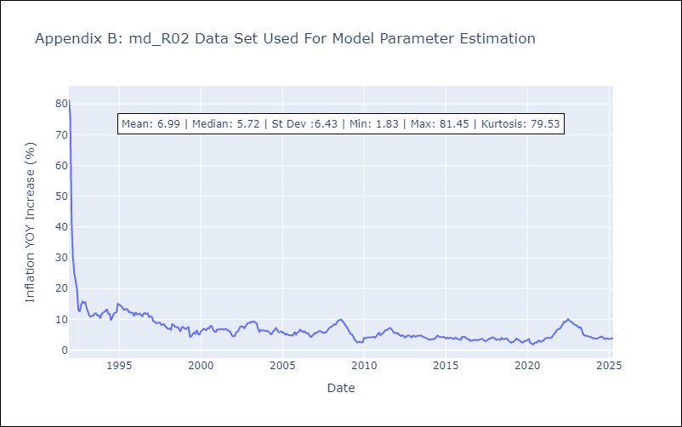

Appendix C: Residuals Analysis
Mean

md_R07
md_R07 - Inflation - Next 12 months forecast as of: 2025-04-01

Model | Random Forest w/ Lags - None
Training Data | 1994-06-01 to 2024-05-01
Test Data | 2024-05-01 to 2025-04-01

Date | Inflation Change YoY % | Lower Bound - 95% Confidence Interval | Upper Bound - 95% Confidence Interval | Bias Corrected Forecast
2025-05-01 | 3.47 | 3.23 | 3.83 | 3.33
2025-06-01 | 3.53 | 3.36 | 4.02 | 3.48
2025-07-01 | 3.65 | 3.47 | 4.17 | 3.59
2025-08-01 | 3.8 | 3.64 | 4.36 | 3.78
2025-09-01 | 4.04 | 3.74 | 4.57 | 3.9
2025-10-01 | 4.09 | 3.72 | 4.74 | 4.04
2025-11-01 | 4.28 | 3.97 | 4.96 | 4.18
2025-12-01 | 4.32 | 3.93 | 5.01 | 4.26
2026-01-01 | 4.3 | 4.02 | 5.03 | 4.35
2026-02-01 | 4.5 | 4.05 | 5.02 | 4.4
2026-03-01 | 4.49 | 4.03 | 5.03 | 4.36
2026-04-01 | 4.41 | 4.06 | 5.01 | 4.36

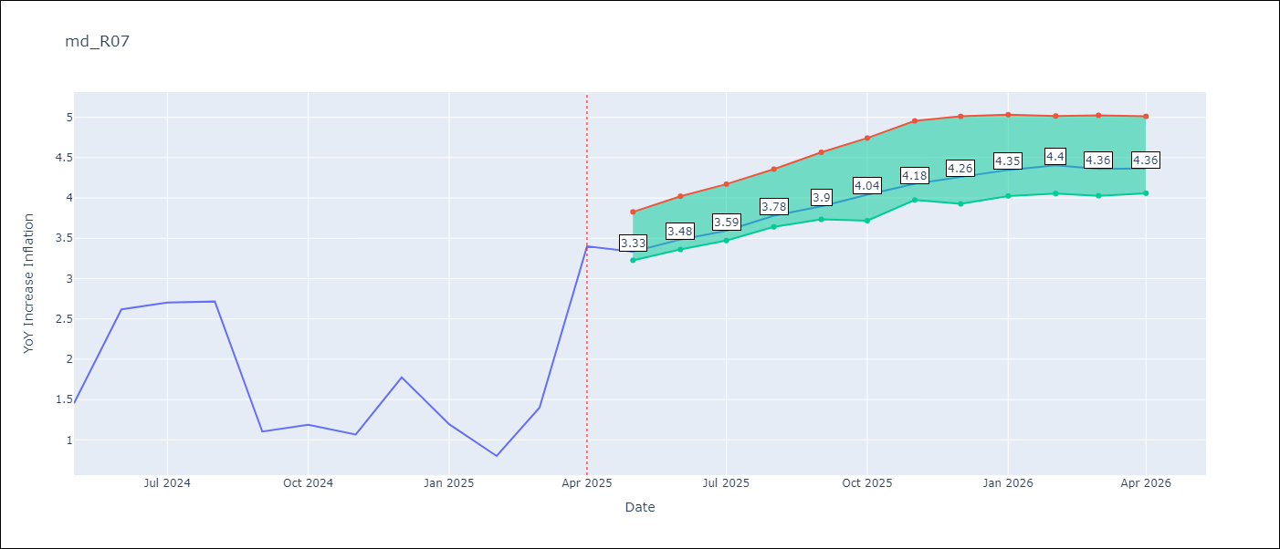

Test Set |  | Bias Corrected
RMSE | 1.12 | 0.8338553391793491
Naive RMSE | 1.23 | 1.23
MAPE | 53.57% | 52.91%

Test Predictions
Date | Predicted | Actual | Bias Vector | Bias Corrected
2024-06-01 | 1.85 | 1.45 | 0 | 1.77
2024-07-01 | 1.78 | 2.62 | 0 | 1.78
2024-08-01 | 1.78 | 2.7 | 0 | 1.79
2024-09-01 | 1.82 | 2.72 | 0 | 1.8
2024-10-01 | 1.82 | 1.1 | 0 | 1.83
2024-11-01 | 1.88 | 1.19 | 0.01 | 1.89
2024-12-01 | 1.92 | 1.07 | 0 | 1.92
2025-01-01 | 1.93 | 1.77 | 0 | 1.94
2025-02-01 | 1.99 | 1.19 | 0.01 | 1.96
2025-03-01 | 2.04 | 0.8 | 0.01 | 2.01
2025-04-01 | 2.06 | 1.4 | 0.01 | 2.05
2025-05-01 | 2.18 | 3.4 | 0.01 | 2.13


Appendix A: Model Summary
Model | Random Forest w/ Lags
Sample | 1994-06-01 to 2025-04-01
No. of Observations | 371
Residuals
Mean | 0.6539577947
St Dev | 0.90780051411
Kurtosis | -0.21136631452
Skewness | -0.044300784077

Bias-Corrected Residuals
Mean | -0.12094955579
St Dev | 0.82503692744
Kurtosis | -1.4379059029
Skewness | 0.5583462402

Assumptions | P-value

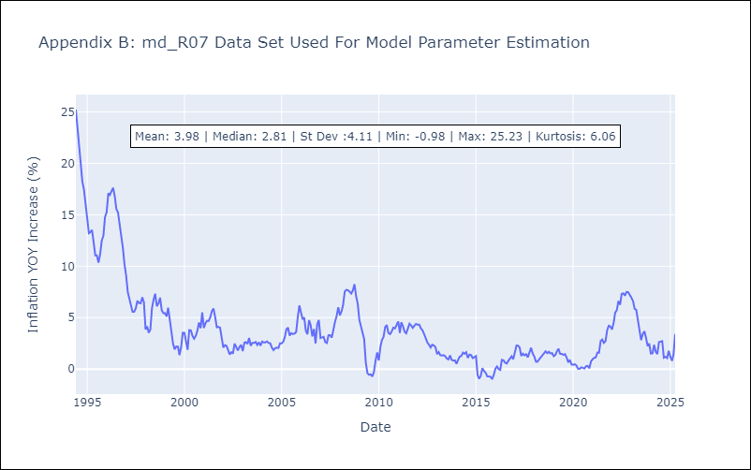

Appendix C: Residuals Analysis
Mean

md_SUR10
md_SUR10 - Inflation - Next 12 months forecast as of: 2025-04-01

Model | Random Forest w/ Lags - None
Training Data | 1991-12-01 to 2024-05-01
Test Data | 2024-05-01 to 2025-04-01

Date | Inflation Change YoY % | Lower Bound - 95% Confidence Interval | Upper Bound - 95% Confidence Interval | Bias Corrected Forecast
2025-05-01 | 5.26 | 5.14 | 5.65 | 5.43
2025-06-01 | 5.36 | 5.16 | 5.79 | 5.53
2025-07-01 | 5.47 | 5.21 | 5.95 | 5.63
2025-08-01 | 5.59 | 5.29 | 5.99 | 5.7
2025-09-01 | 5.63 | 5.31 | 6.08 | 5.79
2025-10-01 | 5.65 | 5.36 | 6.17 | 5.88
2025-11-01 | 5.7 | 5.37 | 6.27 | 5.95
2025-12-01 | 5.78 | 5.36 | 6.45 | 6.01
2026-01-01 | 5.74 | 5.34 | 6.63 | 6
2026-02-01 | 5.71 | 5.27 | 6.64 | 5.94
2026-03-01 | 5.72 | 5.29 | 6.7 | 5.94
2026-04-01 | 5.7 | 5.26 | 6.58 | 5.87

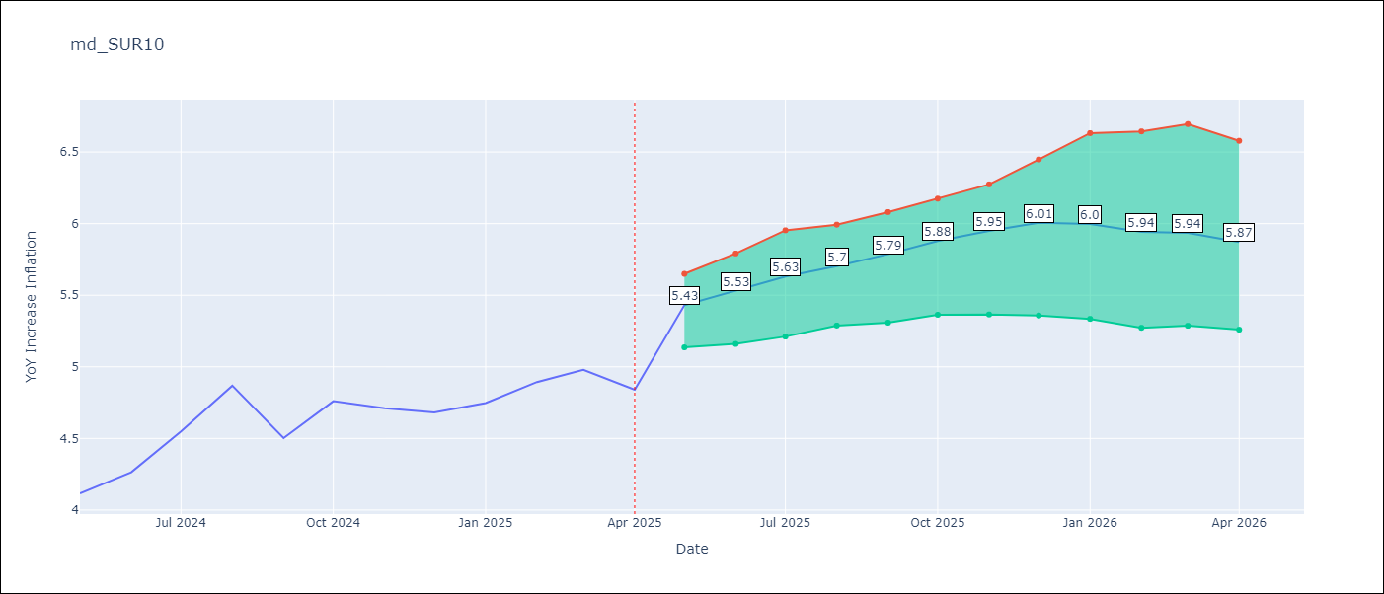

Test Set |  | Bias Corrected
RMSE | 0.53 | 0.21811692294296375
Naive RMSE | 0.86 | 0.86
MAPE | 4.6% | 3.36%

Test Predictions
Date | Predicted | Actual | Bias Vector | Bias Corrected
2024-06-01 | 3.98 | 4.12 | 0 | 4.04
2024-07-01 | 4.05 | 4.26 | 0 | 4.13
2024-08-01 | 4.17 | 4.55 | 0 | 4.24
2024-09-01 | 4.28 | 4.87 | 0 | 4.34
2024-10-01 | 4.37 | 4.5 | 0 | 4.43
2024-11-01 | 4.47 | 4.76 | 0 | 4.52
2024-12-01 | 4.53 | 4.71 | 0 | 4.62
2025-01-01 | 4.62 | 4.68 | 0 | 4.69
2025-02-01 | 4.69 | 4.75 | 0 | 4.81
2025-03-01 | 4.68 | 4.89 | -0.01 | 4.91
2025-04-01 | 4.78 | 4.98 | -0.01 | 5.02
2025-05-01 | 4.98 | 4.84 | -0.01 | 5.15

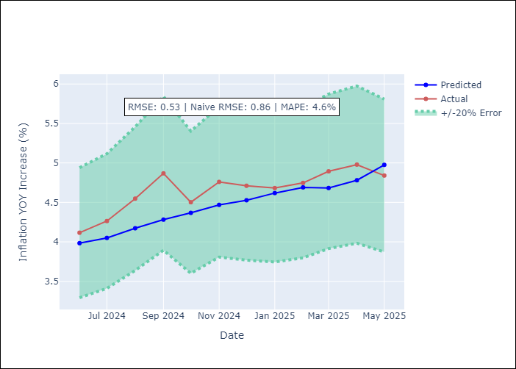
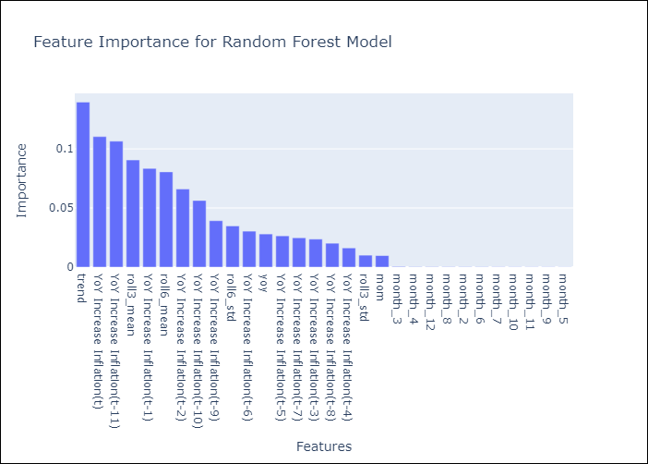

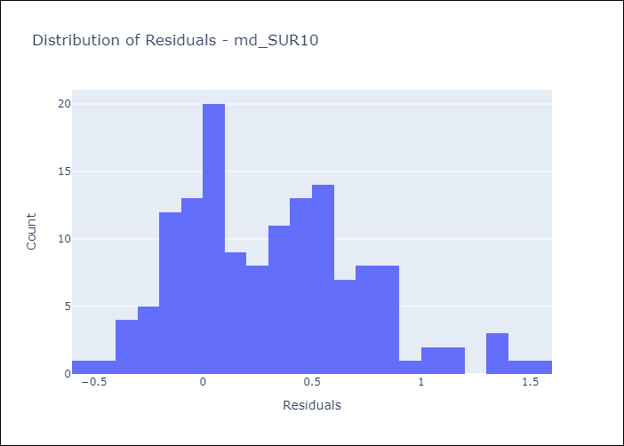
Appendix A: Model Summary
Model | Random Forest w/ Lags
Sample | 1991-12-01 to 2025-04-01
No. of Observations | 401
Residuals
Mean | 0.3158632802
St Dev | 0.42128947213
Kurtosis | 0.015519720396
Skewness | 0.52465524889

Bias-Corrected Residuals
Mean | 0.083018328312
St Dev | 0.20170014685
Kurtosis | 1.3251525703
Skewness | 0.42547751247

Assumptions | P-value

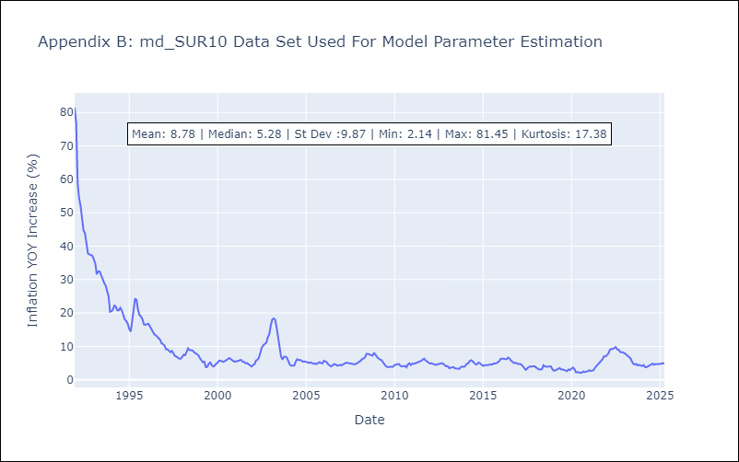

Appendix C: Residuals Analysis
Mean

