md_R01
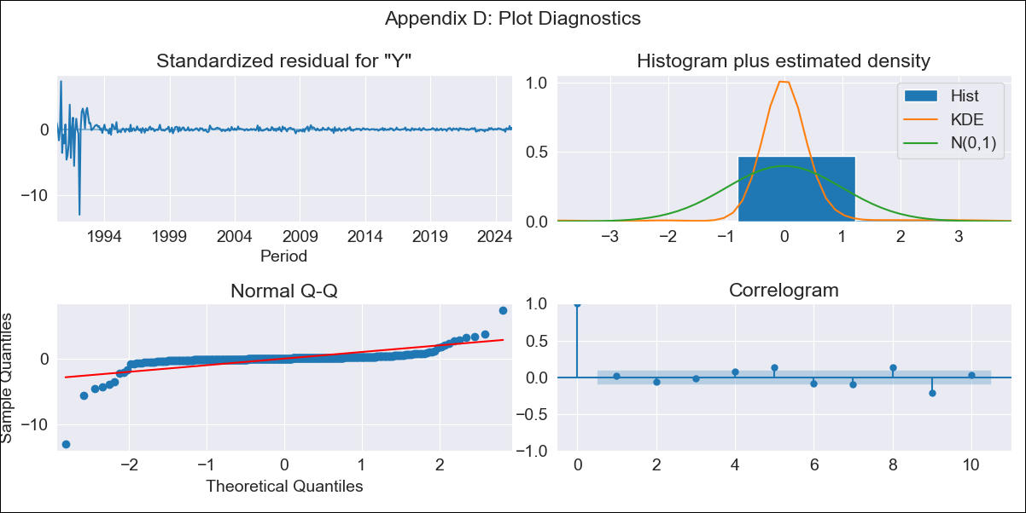
md_R01 - Inflation - Next 12 months forecast as of: 2025-04-01

Model | ARIMA - [(0, 2, 1), (0, 0, 0, 12)]
Training Data | 1990-01-01 to 2024-05-01
Test Data | 2024-05-01 to 2025-04-01

Date | Inflation Change YoY % | Lower Bound - 95% Confidence Interval | Upper Bound - 95% Confidence Interval | Bias Corrected Forecast
2025-05-01 | 4.16 | -0.41 | 8.73
2025-06-01 | 4.39 | -2.86 | 11.65
2025-07-01 | 4.62 | -5.26 | 14.5
2025-08-01 | 4.85 | -7.72 | 17.42
2025-09-01 | 5.08 | -10.29 | 20.44
2025-10-01 | 5.31 | -12.97 | 23.59
2025-11-01 | 5.54 | -15.78 | 26.86
2025-12-01 | 5.77 | -18.72 | 30.25
2026-01-01 | 6 | -21.78 | 33.77
2026-02-01 | 6.22 | -24.95 | 37.4
2026-03-01 | 6.45 | -28.25 | 41.16
2026-04-01 | 6.68 | -31.66 | 45.03
2026-05-01 | 6.91 | -35.19 | 49.01
2026-06-01 | 7.14 | -38.82 | 53.1
2026-07-01 | 7.37 | -42.56 | 57.3
2026-08-01 | 7.6 | -46.4 | 61.6

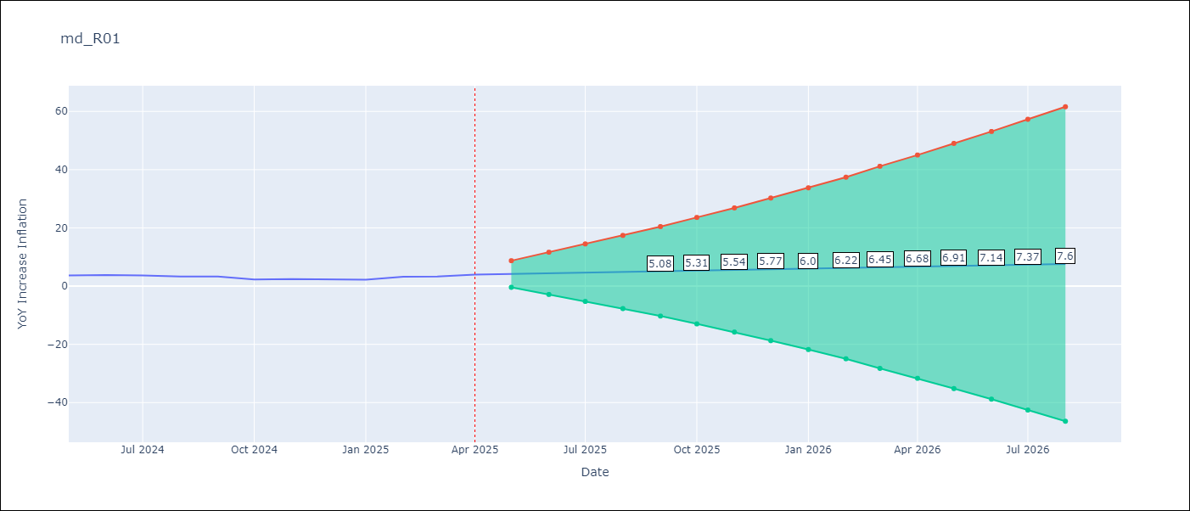

Test Set
RMSE | 0.6
Naive RMSE | 0.75
MAPE | 17.31%

Test Predictions
Date | Predicted | Actual
2024-05-01 | 3.49 | 3.65
2024-06-01 | 3.41 | 3.81
2024-07-01 | 3.33 | 3.64
2024-08-01 | 3.26 | 3.31
2024-09-01 | 3.18 | 3.28
2024-10-01 | 3.1 | 2.3
2024-11-01 | 3.03 | 2.45
2024-12-01 | 2.95 | 2.33
2025-01-01 | 2.87 | 2.19
2025-02-01 | 2.8 | 3.23
2025-03-01 | 2.72 | 3.29
2025-04-01 | 2.64 | 3.93

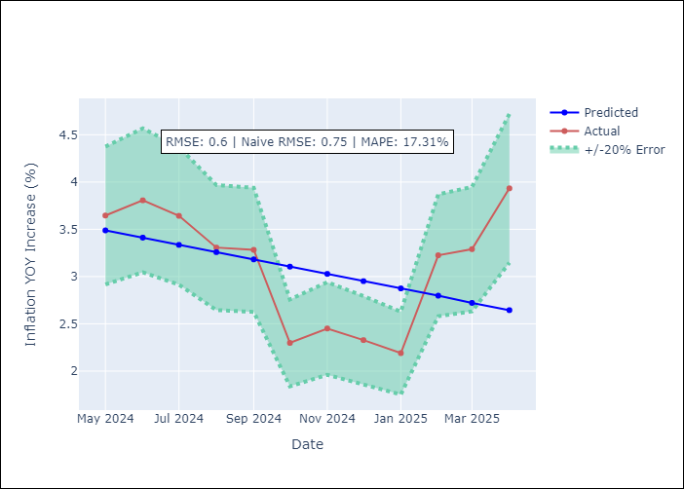

Appendix A: Model Summary
Model | ARIMA(0, 2, 1)
Sample | 01-01-1990- 04-01-2025
No. of Observations | 424
Terms | P-value (Statistical significance)
ma.L1 | 0.000
sigma2 | 0.000
Assumptions | P-value

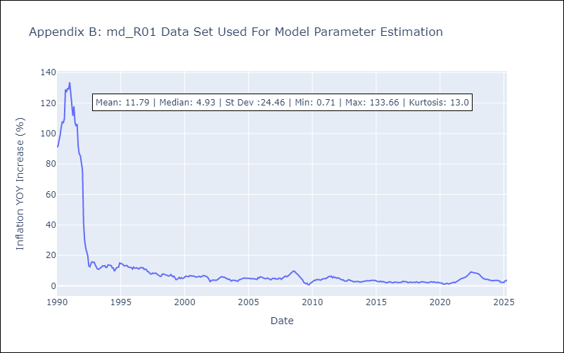

Appendix C: Residuals Analysis
Mean | 0.06

Normal? | No

