md_R01
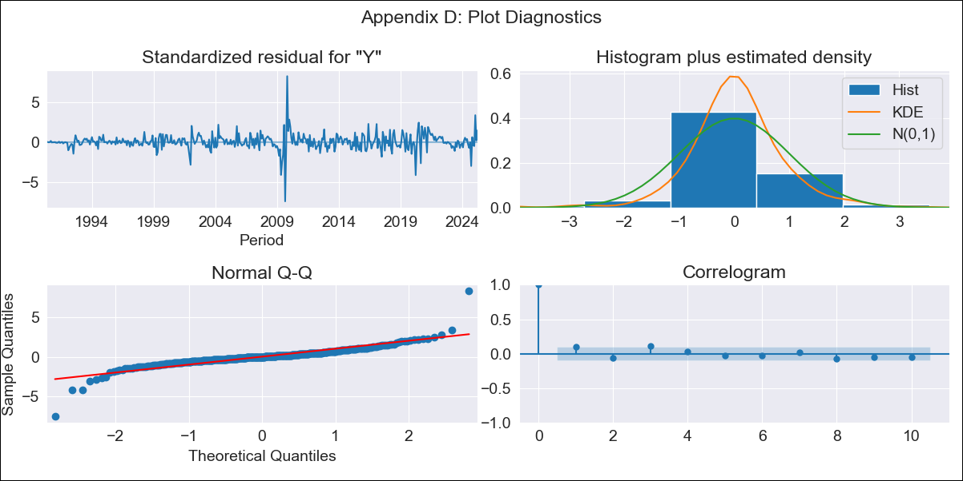
md_R01 - Inflation - Next 12 months forecast as of: 2025-04-01

Model | ARIMA - [(0, 2, 1), (0, 0, 0, 12)]
Training Data | 1990-01-01 to 2024-05-01
Test Data | 2024-05-01 to 2025-04-01

Date | Inflation Change YoY % | Lower Bound - 95% Confidence Interval | Upper Bound - 95% Confidence Interval | Bias Corrected Forecast
2025-05-01 | 3.92 | 3.07 | 5.12
2025-06-01 | 3.9 | 2.78 | 5.74
2025-07-01 | 3.89 | 2.57 | 6.29
2025-08-01 | 3.88 | 2.41 | 6.82
2025-09-01 | 3.86 | 2.28 | 7.34
2025-10-01 | 3.85 | 2.17 | 7.85
2025-11-01 | 3.83 | 2.07 | 8.37
2025-12-01 | 3.82 | 1.98 | 8.91
2026-01-01 | 3.8 | 1.9 | 9.45
2026-02-01 | 3.79 | 1.83 | 10.02
2026-03-01 | 3.78 | 1.76 | 10.61
2026-04-01 | 3.76 | 1.7 | 11.22
2026-05-01 | 3.75 | 1.64 | 11.86
2026-06-01 | 3.73 | 1.59 | 12.53
2026-07-01 | 3.72 | 1.54 | 13.23
2026-08-01 | 3.71 | 1.49 | 13.97

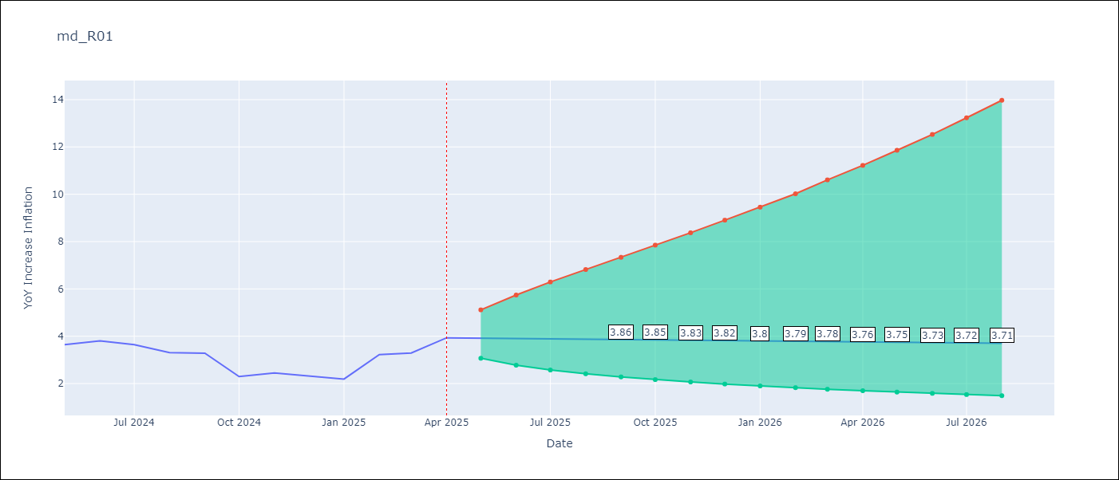

Test Set
RMSE | 0.69
Naive RMSE | 0.47
MAPE | 20.64%

Test Predictions
Date | Predicted | Actual
2024-05-01 | 3.55 | 3.65
2024-06-01 | 3.54 | 3.81
2024-07-01 | 3.52 | 3.64
2024-08-01 | 3.51 | 3.31
2024-09-01 | 3.5 | 3.28
2024-10-01 | 3.48 | 2.3
2024-11-01 | 3.47 | 2.45
2024-12-01 | 3.45 | 2.33
2025-01-01 | 3.44 | 2.19
2025-02-01 | 3.43 | 3.22
2025-03-01 | 3.41 | 3.29
2025-04-01 | 3.4 | 3.93

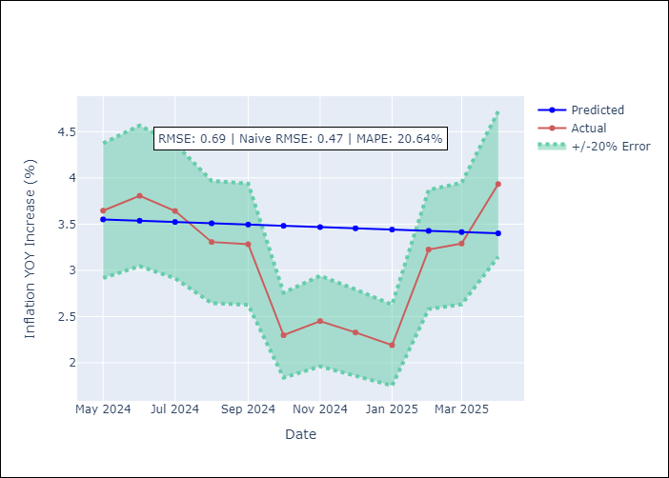

Appendix A: Model Summary
Model | ARIMA(0, 2, 1)
Sample | 01-01-1990- 04-01-2025
No. of Observations | 424
Terms | P-value (Statistical significance)
ma.L1 | 0.935
sigma2 | 0.935
Assumptions | P-value

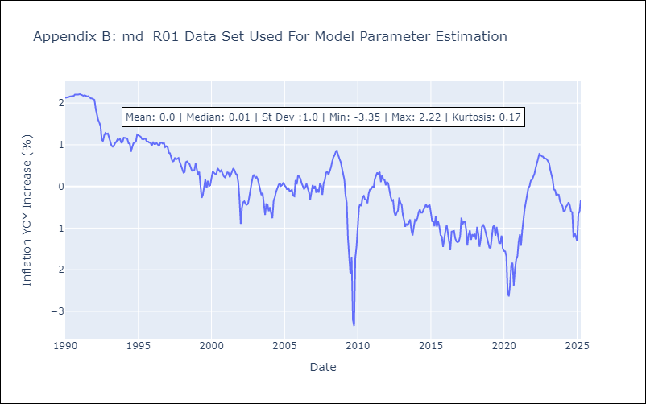

Appendix C: Residuals Analysis
Mean | 0.01

Normal? | No

