md_R01
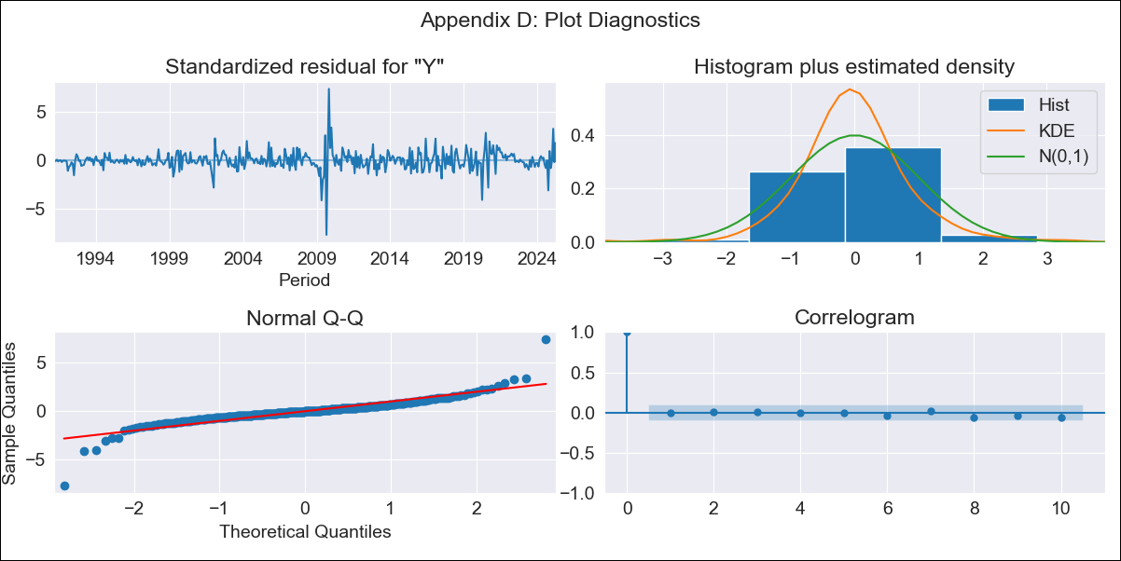
md_R01 - Inflation - Next 12 months forecast as of: 2025-04-01

Model | ARIMA - [(3, 1, 0), (0, 0, 1, 12)]
Training Data | 1990-01-01 to 2024-05-01
Test Data | 2024-05-01 to 2025-04-01

Date | Inflation Change YoY % | Lower Bound - 95% Confidence Interval | Upper Bound - 95% Confidence Interval | Bias Corrected Forecast
2025-05-01 | 4.24 | 3.3 | 5.57
2025-06-01 | 4.2 | 2.92 | 6.39
2025-07-01 | 4.3 | 2.76 | 7.28
2025-08-01 | 4.39 | 2.61 | 8.37
2025-09-01 | 4.39 | 2.44 | 9.33
2025-10-01 | 4.53 | 2.37 | 10.84
2025-11-01 | 4.52 | 2.24 | 11.92
2025-12-01 | 4.54 | 2.14 | 13.27
2026-01-01 | 4.57 | 2.05 | 14.79
2026-02-01 | 4.41 | 1.91 | 15.3
2026-03-01 | 4.41 | 1.83 | 16.76
2026-04-01 | 4.34 | 1.74 | 17.87
2026-05-01 | 4.32 | 1.68 | 19.17
2026-06-01 | 4.32 | 1.63 | 20.82
2026-07-01 | 4.31 | 1.58 | 22.58
2026-08-01 | 4.31 | 1.53 | 24.51

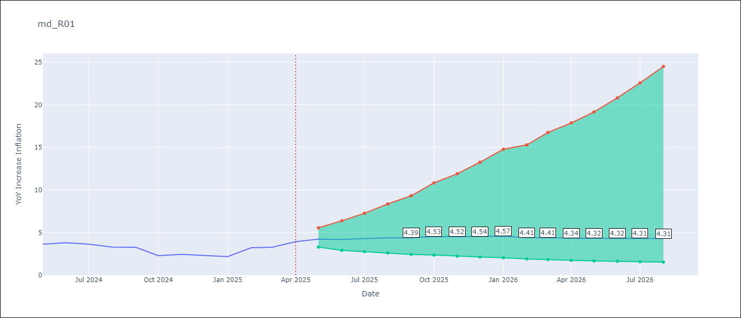

Test Set
RMSE | 0.82
Naive RMSE | 0.75
MAPE | 24.72%

Test Predictions
Date | Predicted | Actual
2024-05-01 | 3.57 | 3.65
2024-06-01 | 3.58 | 3.81
2024-07-01 | 3.61 | 3.64
2024-08-01 | 3.64 | 3.31
2024-09-01 | 3.63 | 3.28
2024-10-01 | 3.63 | 2.3
2024-11-01 | 3.66 | 2.45
2024-12-01 | 3.67 | 2.33
2025-01-01 | 3.68 | 2.19
2025-02-01 | 3.71 | 3.22
2025-03-01 | 3.7 | 3.29
2025-04-01 | 3.69 | 3.93

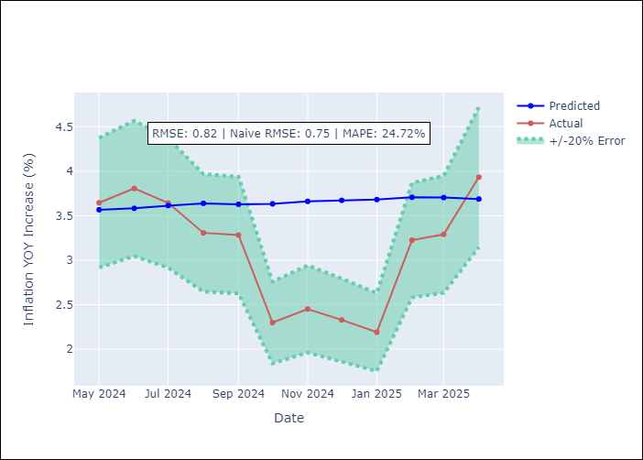

Appendix A: Model Summary
Model | ARIMA(3, 1, 0)x(0, 0, [1], 12)
Sample | 01-01-1990- 04-01-2025
No. of Observations | 424
Terms | P-value (Statistical significance)
ar.L1 | 0.007
ar.L2 | 0.000
ar.L3 | 0.001
ma.S.L12 | 0.178
sigma2 | 0.000
Assumptions | P-value

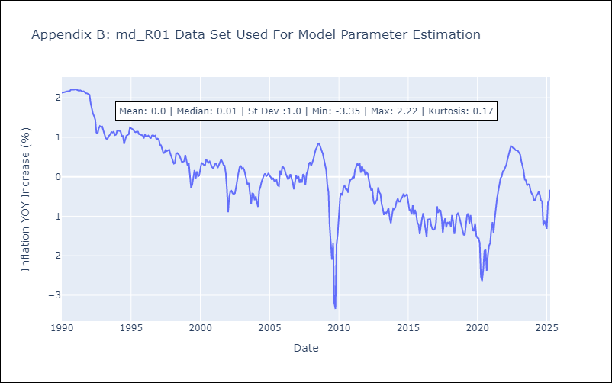

Appendix C: Residuals Analysis
Mean | -0.0

Normal? | No

