md_R01
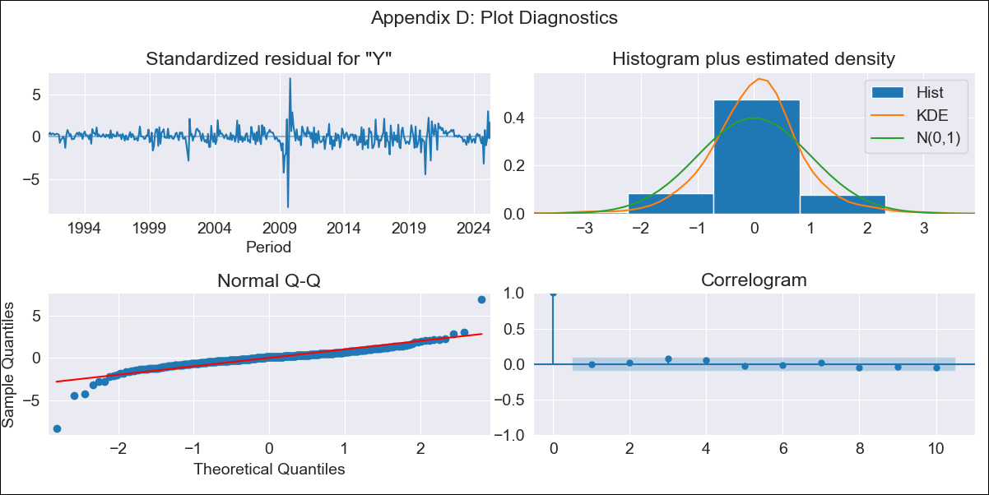
md_R01 - Inflation - Next 12 months forecast as of: 2025-04-01

Model | ARIMA - [(2, 0, 2), (1, 0, 0, 12)]
Training Data | 1990-01-01 to 2024-05-01
Test Data | 2024-05-01 to 2025-04-01

Date | Inflation Change YoY % | Lower Bound - 95% Confidence Interval | Upper Bound - 95% Confidence Interval | Bias Corrected Forecast
2025-05-01 | 4.11 | 3.22 | 5.37
2025-06-01 | 3.98 | 2.8 | 5.96
2025-07-01 | 4.06 | 2.67 | 6.65
2025-08-01 | 4.06 | 2.52 | 7.22
2025-09-01 | 4.08 | 2.42 | 7.77
2025-10-01 | 4.19 | 2.38 | 8.58
2025-11-01 | 4.18 | 2.29 | 9.02
2025-12-01 | 4.2 | 2.23 | 9.56
2026-01-01 | 4.22 | 2.18 | 10.11
2026-02-01 | 4.1 | 2.08 | 10.09
2026-03-01 | 4.09 | 2.03 | 10.48
2026-04-01 | 4.04 | 1.97 | 10.66
2026-05-01 | 4.03 | 1.94 | 10.92
2026-06-01 | 4.04 | 1.92 | 11.25
2026-07-01 | 4.04 | 1.89 | 11.51
2026-08-01 | 4.04 | 1.87 | 11.78

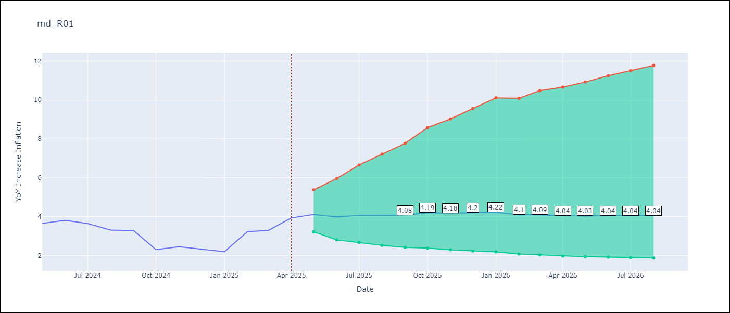

Test Set
RMSE | 0.88
Naive RMSE | 0.75
MAPE | 26.39%

Test Predictions
Date | Predicted | Actual
2024-05-01 | 3.61 | 3.65
2024-06-01 | 3.64 | 3.81
2024-07-01 | 3.66 | 3.64
2024-08-01 | 3.69 | 3.31
2024-09-01 | 3.7 | 3.28
2024-10-01 | 3.71 | 2.3
2024-11-01 | 3.75 | 2.45
2024-12-01 | 3.77 | 2.33
2025-01-01 | 3.78 | 2.19
2025-02-01 | 3.82 | 3.22
2025-03-01 | 3.82 | 3.29
2025-04-01 | 3.81 | 3.93

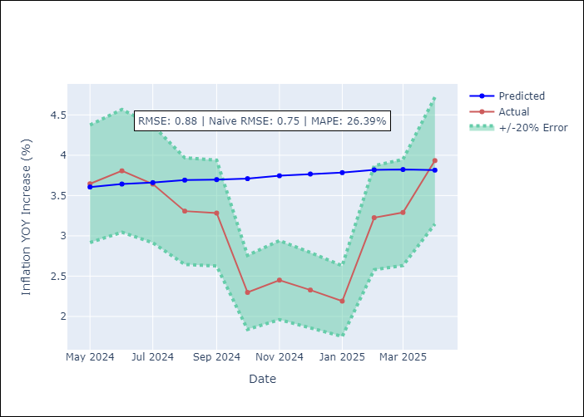

Appendix A: Model Summary
Model | ARIMA(2, 0, 2)x(1, 0, [], 12)
Sample | 01-01-1990- 04-01-2025
No. of Observations | 424
Terms | P-value (Statistical significance)
const | 0.571
ar.L1 | 0.021
ar.L2 | 0.010
ma.L1 | 0.001
ma.L2 | 0.571
ar.S.L12 | 0.226
sigma2 | 0.000
Assumptions | P-value

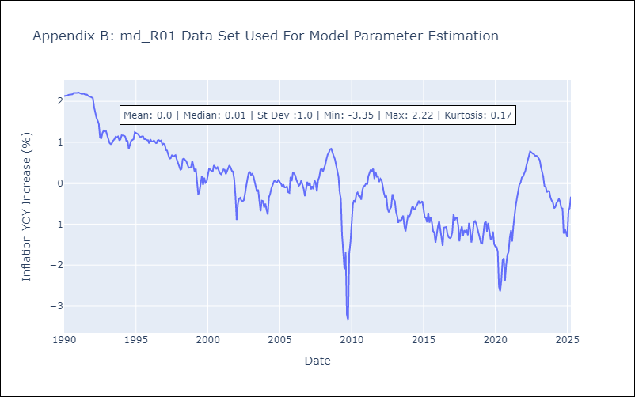

Appendix C: Residuals Analysis
Mean | 0.01

Normal? | No

