md_R01
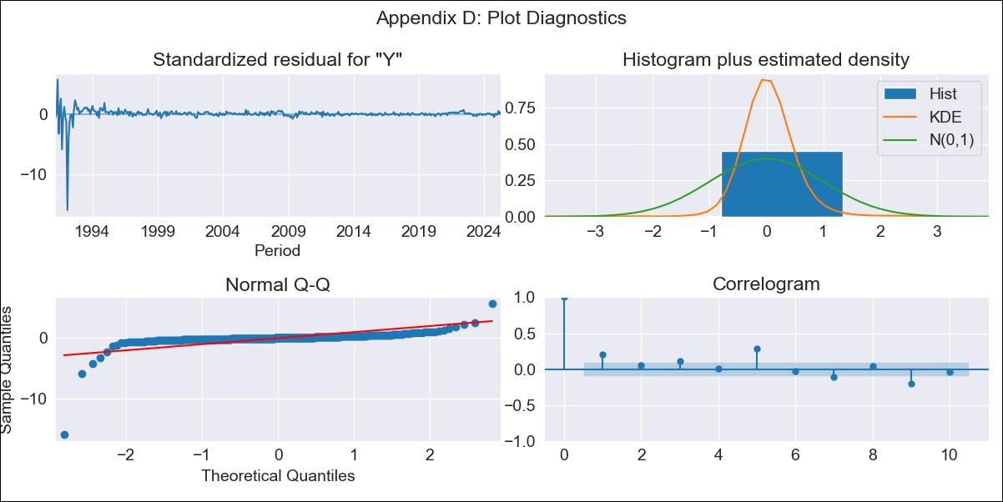
md_R01 - Inflation - Next 12 months forecast as of: 2025-04-01

Model | ARIMA - ((1, 1, 1), (1, 0, 0, 12))
Training Data | 1990-01-01 to 2024-05-01
Test Data | 2024-05-01 to 2025-04-01

Date | Inflation Change YoY % | Lower Bound - 95% Confidence Interval | Upper Bound - 95% Confidence Interval | Bias Corrected Forecast
2025-05-01 | 3.96 | 0.21 | 7.7
2025-06-01 | 3.98 | -1.14 | 9.1
2025-07-01 | 3.99 | -2.08 | 10.06
2025-08-01 | 4 | -2.79 | 10.79
2025-09-01 | 4.01 | -3.35 | 11.38
2025-10-01 | 4.01 | -3.83 | 11.84
2025-11-01 | 4.02 | -4.2 | 12.24
2025-12-01 | 4.03 | -4.51 | 12.57
2026-01-01 | 4.04 | -4.77 | 12.85
2026-02-01 | 4.07 | -4.97 | 13.12
2026-03-01 | 4.08 | -5.16 | 13.33
2026-04-01 | 4.11 | -5.31 | 13.52
2026-05-01 | 4.12 | -5.46 | 13.69
2026-06-01 | 4.12 | -5.59 | 13.84
2026-07-01 | 4.13 | -5.71 | 13.97
2026-08-01 | 4.14 | -5.8 | 14.08

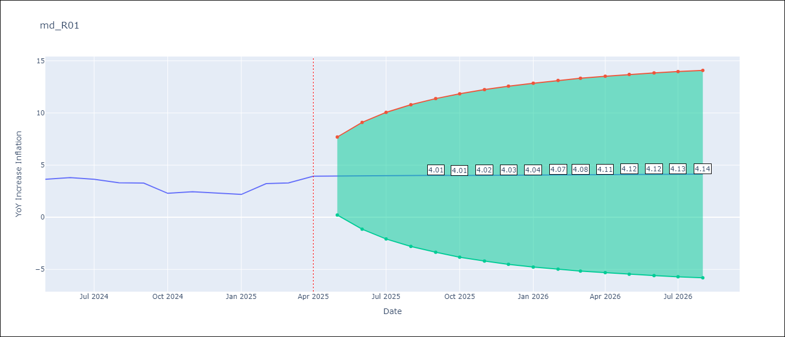

Test Set
RMSE | 0.92
Naive RMSE | 0.75
MAPE | 27.64%

Test Predictions
Date | Predicted | Actual
2024-05-01 | 3.6 | 3.65
2024-06-01 | 3.63 | 3.81
2024-07-01 | 3.67 | 3.64
2024-08-01 | 3.7 | 3.31
2024-09-01 | 3.74 | 3.28
2024-10-01 | 3.78 | 2.3
2024-11-01 | 3.8 | 2.45
2024-12-01 | 3.83 | 2.33
2025-01-01 | 3.86 | 2.19
2025-02-01 | 3.87 | 3.23
2025-03-01 | 3.9 | 3.29
2025-04-01 | 3.93 | 3.93

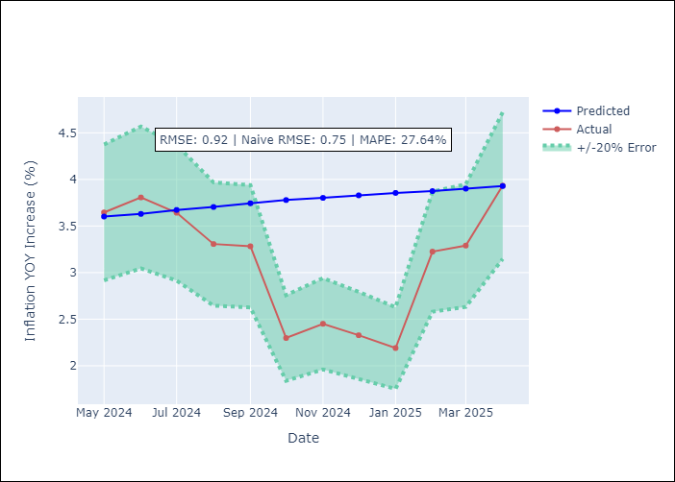

Appendix A: Model Summary
Model | ARIMA(1, 1, 1)x(1, 0, [], 12)
Sample | 01-01-1990- 04-01-2025
No. of Observations | 424
Terms | P-value (Statistical significance)
ar.L1 | 0.000
ma.L1 | 0.990
ar.S.L12 | 0.200
sigma2 | 0.990
Assumptions | P-value

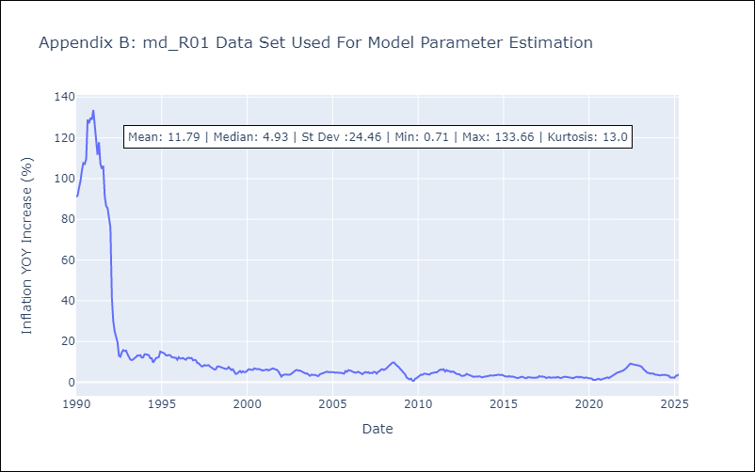

Appendix C: Residuals Analysis
Mean | 0.08

Normal? | No

