md_R01
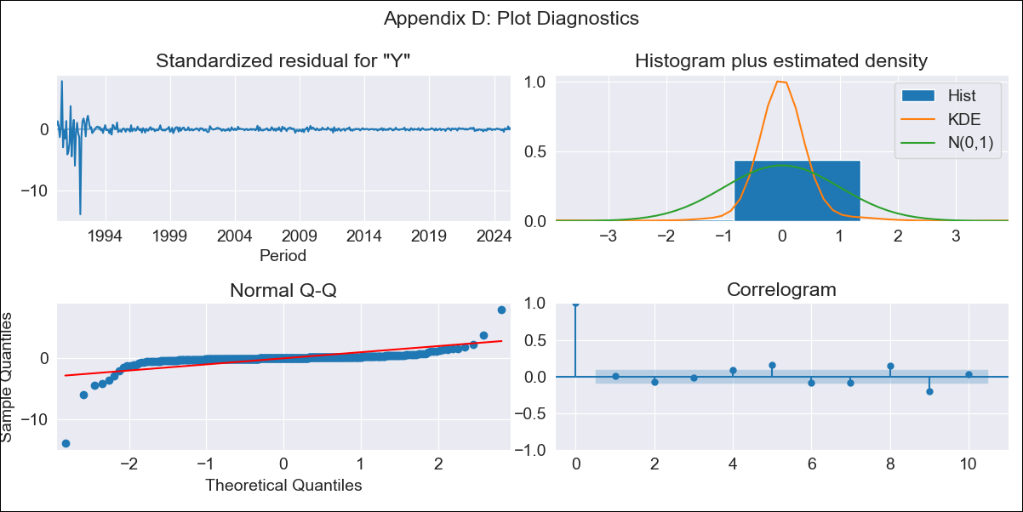
md_R01 - Inflation - Next 12 months forecast as of: 2025-04-01

Model | ARIMA - ((1, 1, 1), (0, 0, 0, 12))
Training Data | 1990-01-01 to 2024-05-01
Test Data | 2024-05-01 to 2025-04-01

Date | Inflation Change YoY % | Lower Bound - 95% Confidence Interval | Upper Bound - 95% Confidence Interval | Bias Corrected Forecast
2025-05-01 | 4.13 | -0.32 | 8.58
2025-06-01 | 4.31 | -2.64 | 11.25
2025-07-01 | 4.46 | -4.78 | 13.7
2025-08-01 | 4.59 | -6.87 | 16.05
2025-09-01 | 4.71 | -8.92 | 18.34
2025-10-01 | 4.82 | -10.94 | 20.57
2025-11-01 | 4.91 | -12.93 | 22.75
2025-12-01 | 4.99 | -14.89 | 24.88
2026-01-01 | 5.06 | -16.82 | 26.95
2026-02-01 | 5.13 | -18.71 | 28.97
2026-03-01 | 5.18 | -20.57 | 30.93
2026-04-01 | 5.23 | -22.39 | 32.85
2026-05-01 | 5.27 | -24.17 | 34.71
2026-06-01 | 5.31 | -25.91 | 36.53
2026-07-01 | 5.34 | -27.61 | 38.3
2026-08-01 | 5.37 | -29.28 | 40.03

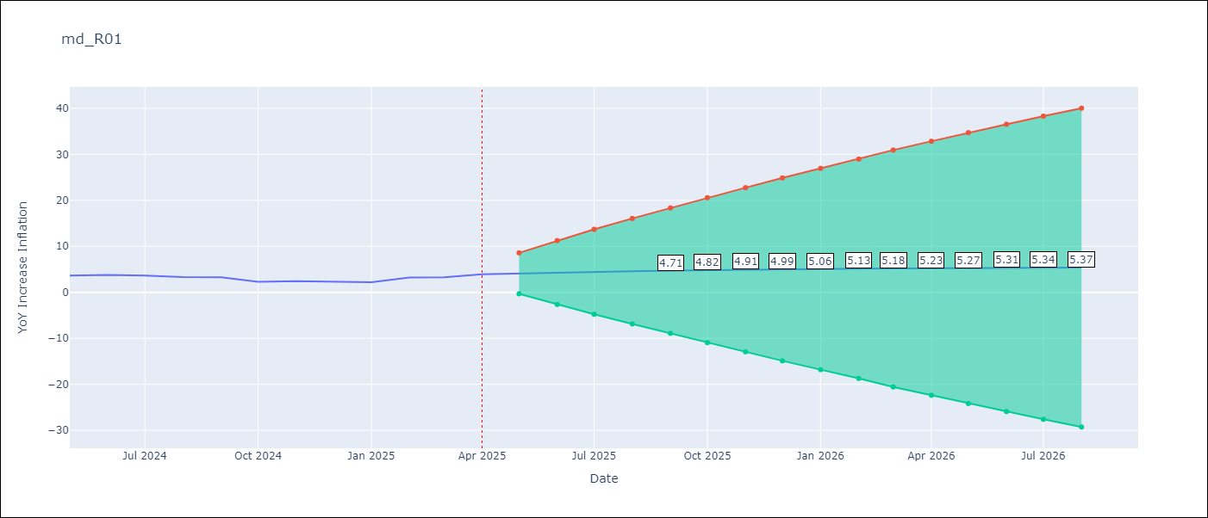

Test Set
RMSE | 0.71
Naive RMSE | 0.75
MAPE | 21.19%

Test Predictions
Date | Predicted | Actual
2024-05-01 | 3.55 | 3.65
2024-06-01 | 3.54 | 3.81
2024-07-01 | 3.52 | 3.64
2024-08-01 | 3.51 | 3.31
2024-09-01 | 3.51 | 3.28
2024-10-01 | 3.5 | 2.3
2024-11-01 | 3.49 | 2.45
2024-12-01 | 3.48 | 2.33
2025-01-01 | 3.48 | 2.19
2025-02-01 | 3.47 | 3.23
2025-03-01 | 3.47 | 3.29
2025-04-01 | 3.47 | 3.93

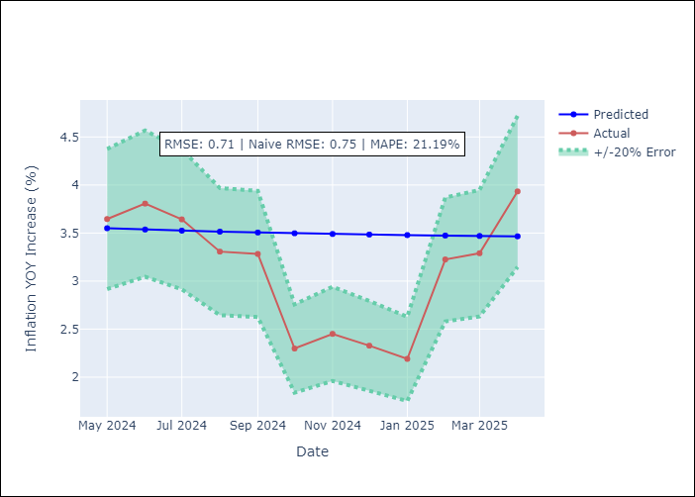

Appendix A: Model Summary
Model | ARIMA(1, 1, 1)
Sample | 01-01-1990- 04-01-2025
No. of Observations | 424
Terms | P-value (Statistical significance)
ar.L1 | 0.000
ma.L1 | 0.000
sigma2 | 0.000
Assumptions | P-value

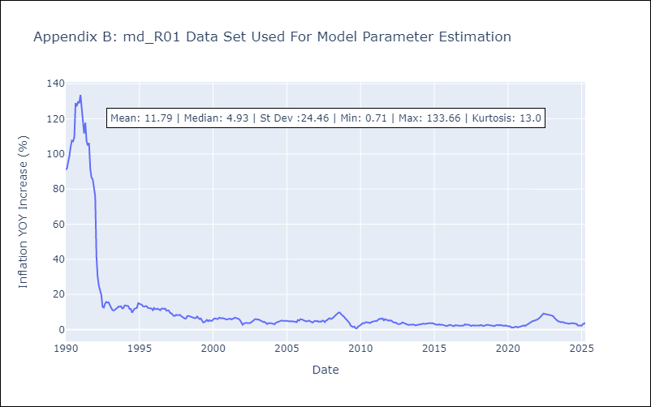

Appendix C: Residuals Analysis
Mean | 0.03

Normal? | No

