md_R01
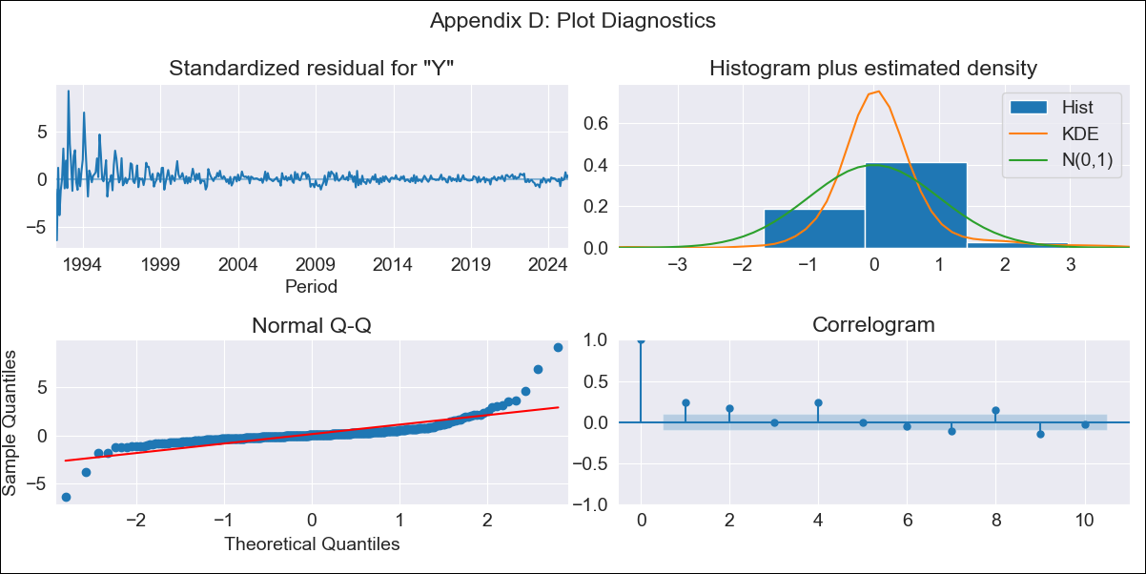
md_R01 - Inflation - Next 12 months forecast as of: 2025-04-01

Model | ARIMA - ((1, 1, 1), (0, 1, 1, 12))
Training Data | 1990-01-01 to 2024-05-01
Test Data | 2024-05-01 to 2025-04-01

Date | Inflation Change YoY % | Lower Bound - 95% Confidence Interval | Upper Bound - 95% Confidence Interval | Bias Corrected Forecast
2025-05-01 | 3.93 | 1.24 | 6.62
2025-06-01 | 4.02 | 0.14 | 7.9
2025-07-01 | 4 | -0.72 | 8.73
2025-08-01 | 3.88 | -1.61 | 9.37
2025-09-01 | 3.85 | -2.28 | 9.97
2025-10-01 | 3.57 | -3.16 | 10.3
2025-11-01 | 3.59 | -3.66 | 10.85
2025-12-01 | 3.53 | -4.24 | 11.3
2026-01-01 | 3.45 | -4.77 | 11.68
2026-02-01 | 3.7 | -4.98 | 12.39
2026-03-01 | 3.63 | -5.47 | 12.73
2026-04-01 | 3.86 | -5.65 | 13.38
2026-05-01 | 3.86 | -6.25 | 13.97
2026-06-01 | 3.95 | -6.75 | 14.65
2026-07-01 | 3.94 | -7.3 | 15.17
2026-08-01 | 3.81 | -7.96 | 15.58

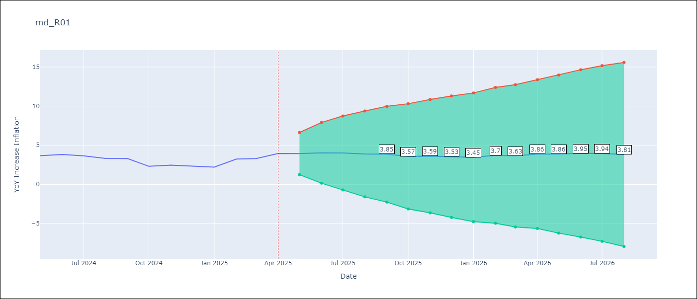

Test Set
RMSE | 0.7
Naive RMSE | 0.75
MAPE | 20.44%

Test Predictions
Date | Predicted | Actual
2024-05-01 | 3.52 | 3.65
2024-06-01 | 3.6 | 3.81
2024-07-01 | 3.62 | 3.64
2024-08-01 | 3.59 | 3.31
2024-09-01 | 3.53 | 3.28
2024-10-01 | 3.52 | 2.3
2024-11-01 | 3.49 | 2.45
2024-12-01 | 3.45 | 2.33
2025-01-01 | 3.39 | 2.19
2025-02-01 | 3.37 | 3.23
2025-03-01 | 3.24 | 3.29
2025-04-01 | 3.34 | 3.93

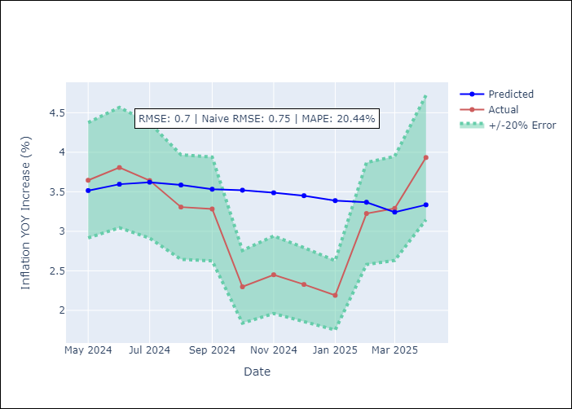

Appendix A: Model Summary
Model | ARIMA(1, 1, 1)x(0, 1, 1, 12)
Sample | 01-01-1990- 04-01-2025
No. of Observations | 424
Terms | P-value (Statistical significance)
ar.L1 | 0.000
ma.L1 | 0.000
ma.S.L12 | 0.000
sigma2 | 0.000
Assumptions | P-value

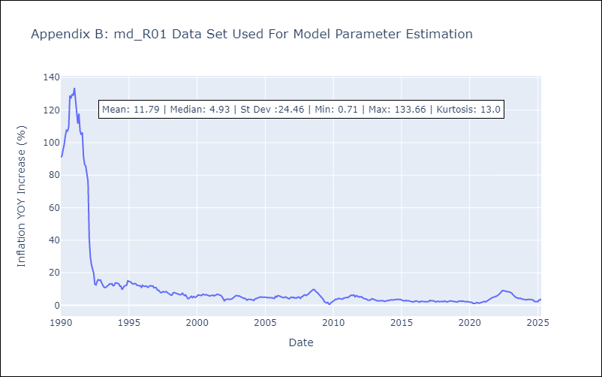

Appendix C: Residuals Analysis
Mean | 0.03

Normal? | No

