md_R01
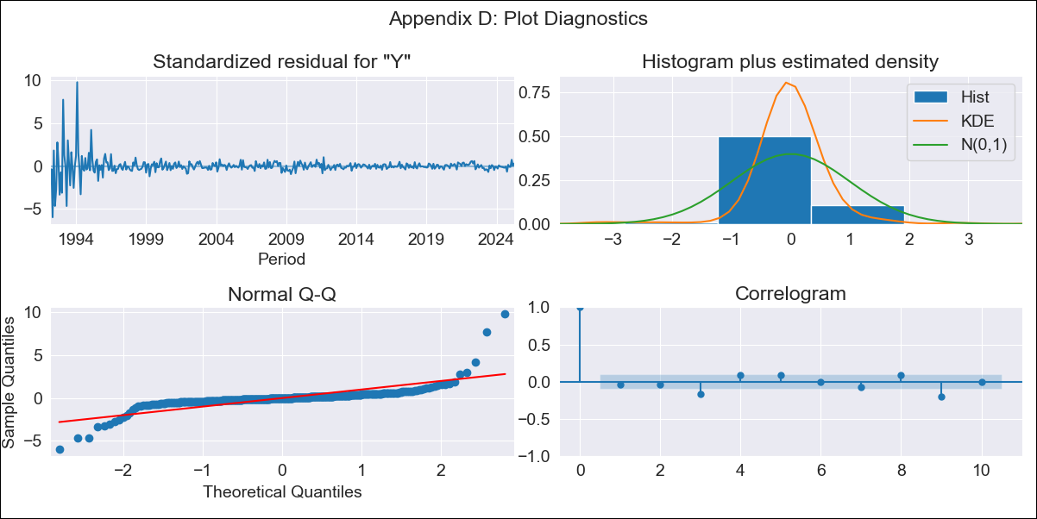
md_R01 - Inflation - Next 12 months forecast as of: 2025-04-01

Model | ARIMA - ((2, 0, 1), (1, 1, 1, 12))
Training Data | 1990-01-01 to 2024-05-01
Test Data | 2024-05-01 to 2025-04-01

Date | Inflation Change YoY % | Lower Bound - 95% Confidence Interval | Upper Bound - 95% Confidence Interval | Bias Corrected Forecast
2025-05-01 | 4.05 | 1.23 | 6.88
2025-06-01 | 4.11 | -0.19 | 8.4
2025-07-01 | 4.15 | -1.33 | 9.63
2025-08-01 | 3.96 | -2.52 | 10.44
2025-09-01 | 4.05 | -3.28 | 11.38
2025-10-01 | 3.76 | -4.29 | 11.81
2025-11-01 | 3.71 | -4.96 | 12.38
2025-12-01 | 3.62 | -5.58 | 12.83
2026-01-01 | 3.54 | -6.13 | 13.21
2026-02-01 | 3.71 | -6.36 | 13.79
2026-03-01 | 3.66 | -6.77 | 14.1
2026-04-01 | 3.93 | -6.82 | 14.68
2026-05-01 | 3.97 | -7.27 | 15.2
2026-06-01 | 4.01 | -7.69 | 15.71
2026-07-01 | 3.97 | -8.16 | 16.1
2026-08-01 | 3.72 | -8.8 | 16.24

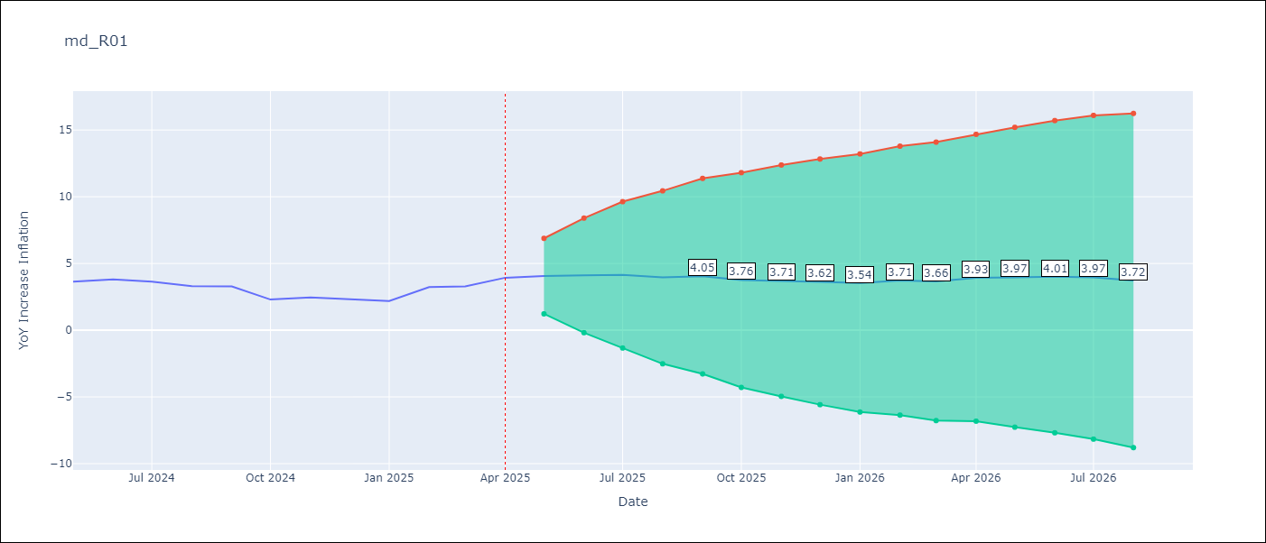

Test Set
RMSE | 1.21
Naive RMSE | 0.75
MAPE | 38.0%

Test Predictions
Date | Predicted | Actual
2024-05-01 | 3.76 | 3.65
2024-06-01 | 4.08 | 3.81
2024-07-01 | 4.16 | 3.64
2024-08-01 | 4.12 | 3.31
2024-09-01 | 4.22 | 3.28
2024-10-01 | 4.19 | 2.3
2024-11-01 | 4.25 | 2.45
2024-12-01 | 4.24 | 2.33
2025-01-01 | 4.2 | 2.19
2025-02-01 | 4.13 | 3.23
2025-03-01 | 3.92 | 3.29
2025-04-01 | 3.98 | 3.93

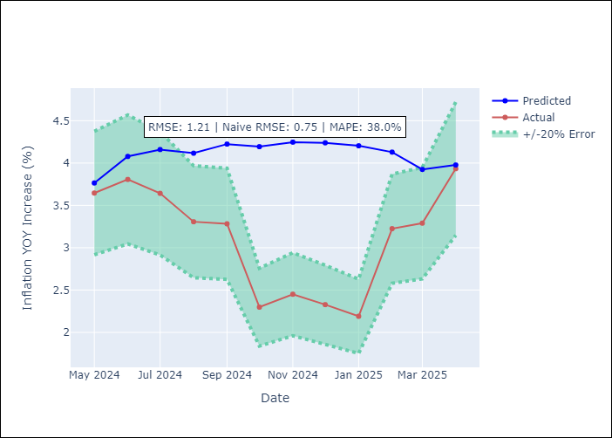

Appendix A: Model Summary
Model | ARIMA(2, 0, 1)x(1, 1, 1, 12)
Sample | 01-01-1990- 04-01-2025
No. of Observations | 424
Terms | P-value (Statistical significance)
ar.L1 | 0.000
ar.L2 | 0.000
ma.L1 | 0.000
ar.S.L12 | 0.000
ma.S.L12 | 0.000
sigma2 | 0.000
Assumptions | P-value

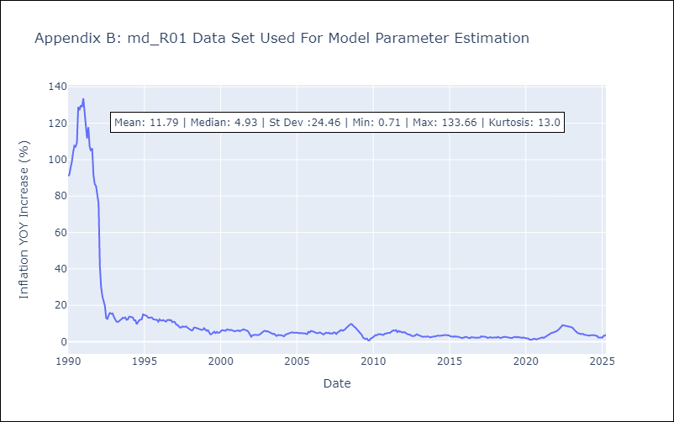

Appendix C: Residuals Analysis
Mean | -0.22

Normal? | No

