md_R01
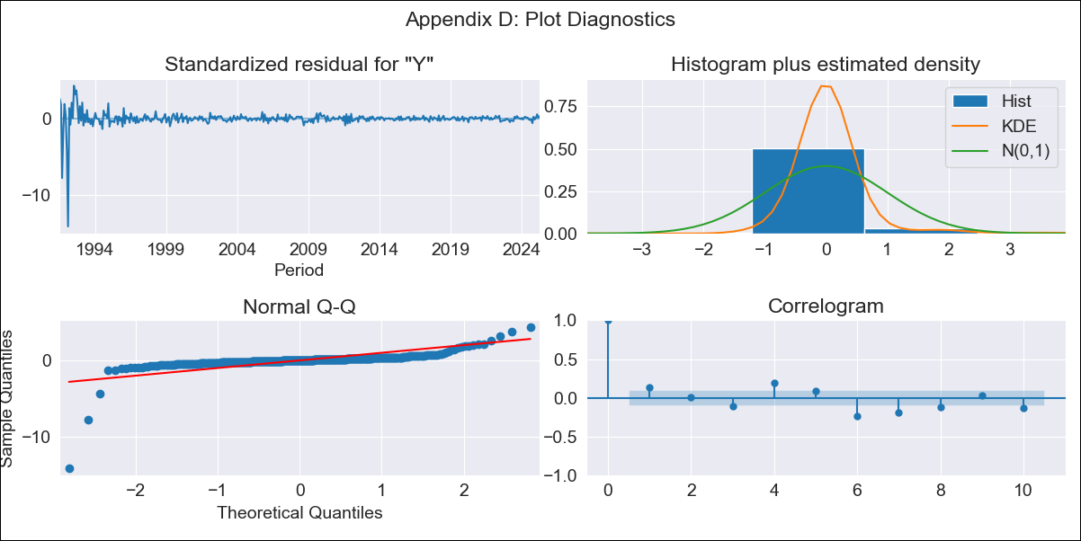
md_R01 - Inflation - Next 12 months forecast as of: 2025-04-01

Model | ARIMA - ((5, 1, 0), (1, 0, 0, 12))
Training Data | 1990-01-01 to 2024-05-01
Test Data | 2024-05-01 to 2025-04-01

Date | Inflation Change YoY % | Lower Bound - 95% Confidence Interval | Upper Bound - 95% Confidence Interval | Bias Corrected Forecast
2025-05-01 | 4.3 | 0.99 | 7.6
2025-06-01 | 4.22 | -1.21 | 9.65
2025-07-01 | 4.7 | -2.33 | 11.72
2025-08-01 | 4.8 | -3.84 | 13.44
2025-09-01 | 5 | -4.94 | 14.95
2025-10-01 | 5.13 | -6.57 | 16.82
2025-11-01 | 5.15 | -8.5 | 18.81
2025-12-01 | 5.34 | -10.1 | 20.79
2026-01-01 | 5.48 | -11.78 | 22.74
2026-02-01 | 5.76 | -13.18 | 24.7
2026-03-01 | 5.96 | -14.68 | 26.61
2026-04-01 | 6.14 | -16.3 | 28.58
2026-05-01 | 6.3 | -18.11 | 30.7
2026-06-01 | 6.4 | -20.01 | 32.8
2026-07-01 | 6.54 | -21.8 | 34.87
2026-08-01 | 6.66 | -23.58 | 36.89

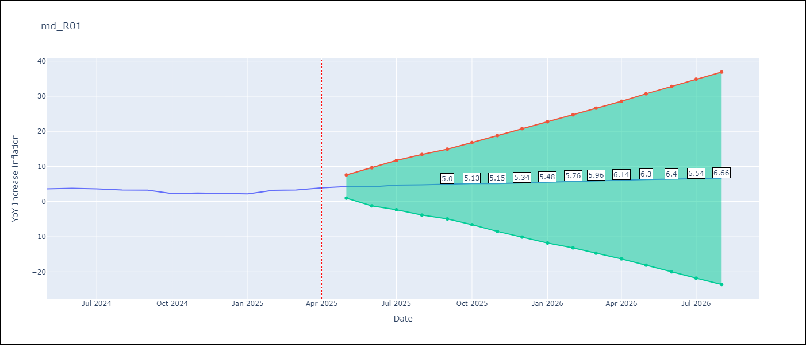

Test Set
RMSE | 0.64
Naive RMSE | 0.75
MAPE | 19.01%

Test Predictions
Date | Predicted | Actual
2024-05-01 | 3.44 | 3.65
2024-06-01 | 3.31 | 3.81
2024-07-01 | 3.24 | 3.64
2024-08-01 | 3.19 | 3.31
2024-09-01 | 3.37 | 3.28
2024-10-01 | 3.38 | 2.3
2024-11-01 | 3.33 | 2.45
2024-12-01 | 3.31 | 2.33
2025-01-01 | 3.28 | 2.19
2025-02-01 | 3.29 | 3.23
2025-03-01 | 3.33 | 3.29
2025-04-01 | 3.39 | 3.93

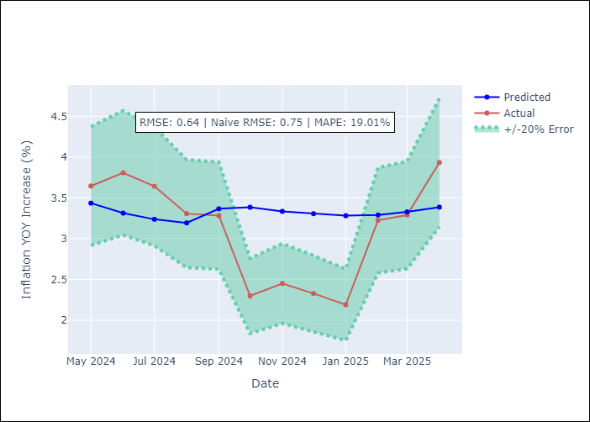

Appendix A: Model Summary
Model | ARIMA(5, 1, 0)x(1, 0, 0, 12)
Sample | 01-01-1990- 04-01-2025
No. of Observations | 424
Terms | P-value (Statistical significance)
ar.L1 | 0.000
ar.L2 | 0.115
ar.L3 | 0.000
ar.L4 | 0.000
ar.L5 | 0.000
ar.S.L12 | 0.000
sigma2 | 0.000
Assumptions | P-value

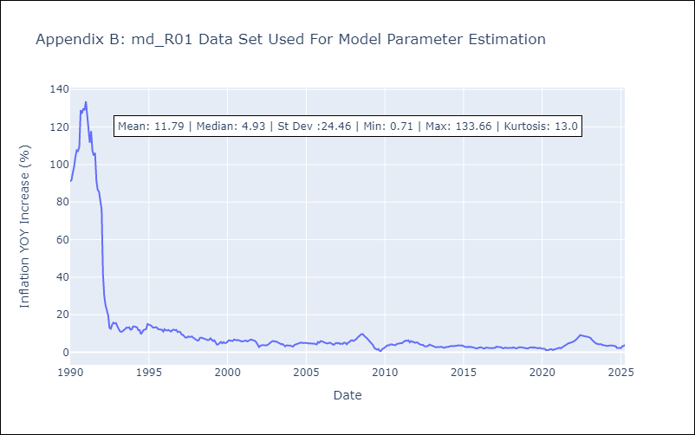

Appendix C: Residuals Analysis
Mean | 0.09

Normal? | No

