md_CAR13
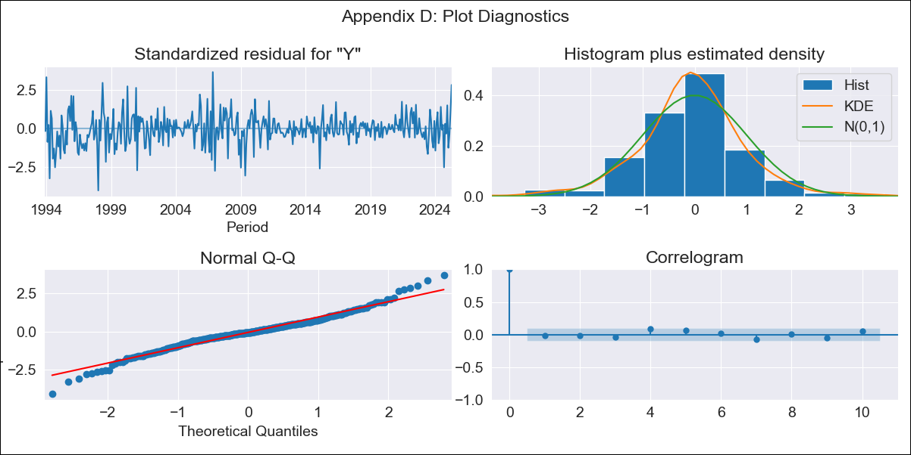
md_CAR13 - Inflation - Next 12 months forecast as of: 2025-04-01

Model | ARIMA - ((3, 1, 0), (1, 0, 0, 12))
Training Data | 1992-07-01 to 2024-05-01
Test Data | 2024-05-01 to 2025-04-01

Date | Inflation Change YoY % | Lower Bound - 95% Confidence Interval | Upper Bound - 95% Confidence Interval | Bias Corrected Forecast
2025-05-01 | 3.67 | 2.36 | 4.99
2025-06-01 | 3.66 | 1.67 | 5.64
2025-07-01 | 3.92 | 1.39 | 6.45
2025-08-01 | 3.99 | 0.92 | 7.07
2025-09-01 | 4.33 | 0.76 | 7.89
2025-10-01 | 4.36 | 0.36 | 8.36
2025-11-01 | 4.39 | -0.01 | 8.8
2025-12-01 | 4.28 | -0.51 | 9.06
2026-01-01 | 4.39 | -0.75 | 9.53
2026-02-01 | 4.46 | -1 | 9.93
2026-03-01 | 4.36 | -1.42 | 10.14
2026-04-01 | 4 | -2.07 | 10.08
2026-05-01 | 3.95 | -2.34 | 10.25
2026-06-01 | 3.96 | -2.54 | 10.45
2026-07-01 | 3.91 | -2.78 | 10.6
2026-08-01 | 3.9 | -2.97 | 10.77

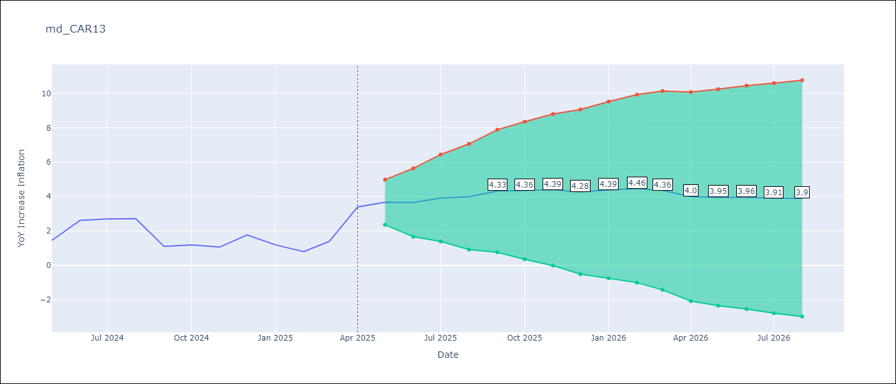

Test Set
RMSE | 0.87
Naive RMSE | 0.82
MAPE | 58.94%

Test Predictions
Date | Predicted | Actual
2024-05-01 | 1.77 | 1.45
2024-06-01 | 2.05 | 2.62
2024-07-01 | 2.07 | 2.7
2024-08-01 | 1.95 | 2.72
2024-09-01 | 1.91 | 1.1
2024-10-01 | 1.99 | 1.19
2024-11-01 | 2.13 | 1.07
2024-12-01 | 2.09 | 1.77
2025-01-01 | 2.25 | 1.19
2025-02-01 | 2.24 | 0.8
2025-03-01 | 2.1 | 1.4
2025-04-01 | 2.22 | 3.4

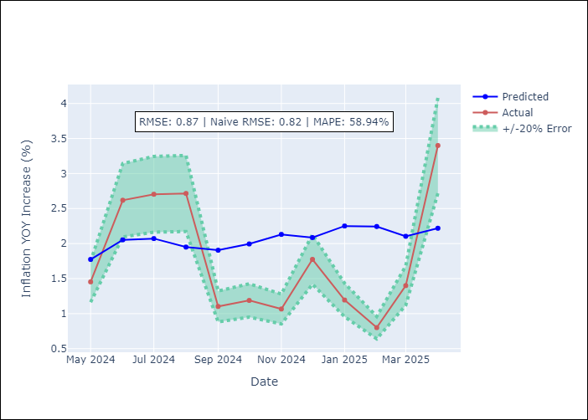

Appendix A: Model Summary
Model | ARIMA(3, 1, 0)x(1, 0, 0, 12)
Sample | 07-01-1992- 04-01-2025
No. of Observations | 394
Terms | P-value (Statistical significance)
ar.L1 | 0.004
ar.L2 | 0.487
ar.L3 | 0.002
ar.S.L12 | 0.000
sigma2 | 0.000
Assumptions | P-value

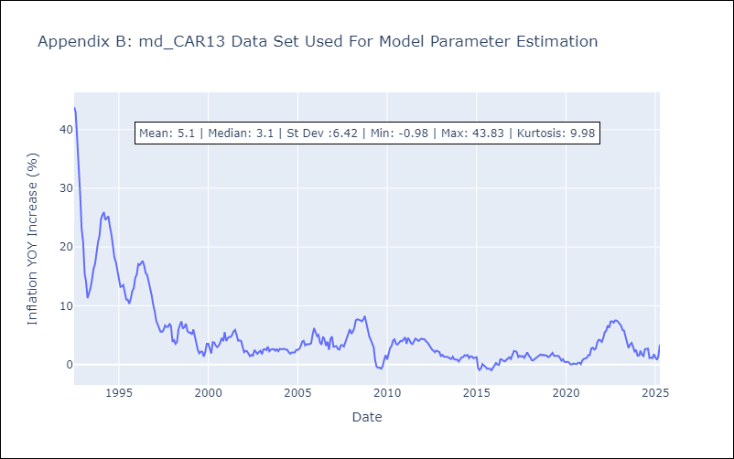

Appendix C: Residuals Analysis
Mean | 0.02

Normal? | No

md_CEN09
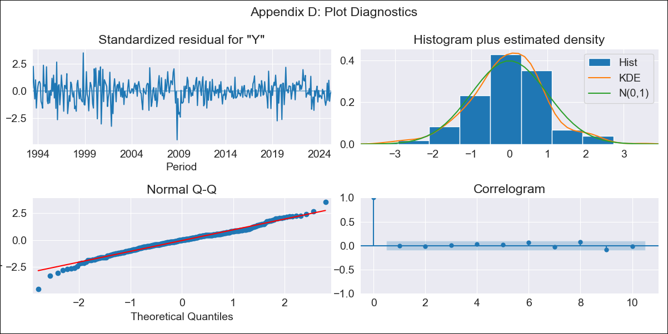
md_CEN09 - Inflation - Next 12 months forecast as of: 2025-04-01

Model | ARIMA - ((2, 1, 3), (0, 0, 1, 12))
Training Data | 1992-01-01 to 2024-05-01
Test Data | 2024-05-01 to 2025-04-01

Date | Inflation Change YoY % | Lower Bound - 95% Confidence Interval | Upper Bound - 95% Confidence Interval | Bias Corrected Forecast
2025-05-01 | 1.43 | 0.15 | 2.71
2025-06-01 | 1.65 | -0.31 | 3.62
2025-07-01 | 1.79 | -0.74 | 4.33
2025-08-01 | 1.96 | -1.01 | 4.93
2025-09-01 | 2.15 | -1.15 | 5.44
2025-10-01 | 2.34 | -1.23 | 5.91
2025-11-01 | 2.3 | -1.54 | 6.15
2025-12-01 | 2.59 | -1.56 | 6.73
2026-01-01 | 2.36 | -2.07 | 6.79
2026-02-01 | 2.44 | -2.23 | 7.11
2026-03-01 | 2.46 | -2.42 | 7.34
2026-04-01 | 2.56 | -2.52 | 7.64
2026-05-01 | 2.66 | -2.52 | 7.85
2026-06-01 | 2.68 | -2.61 | 7.96
2026-07-01 | 2.59 | -2.78 | 7.96
2026-08-01 | 2.52 | -2.92 | 7.97

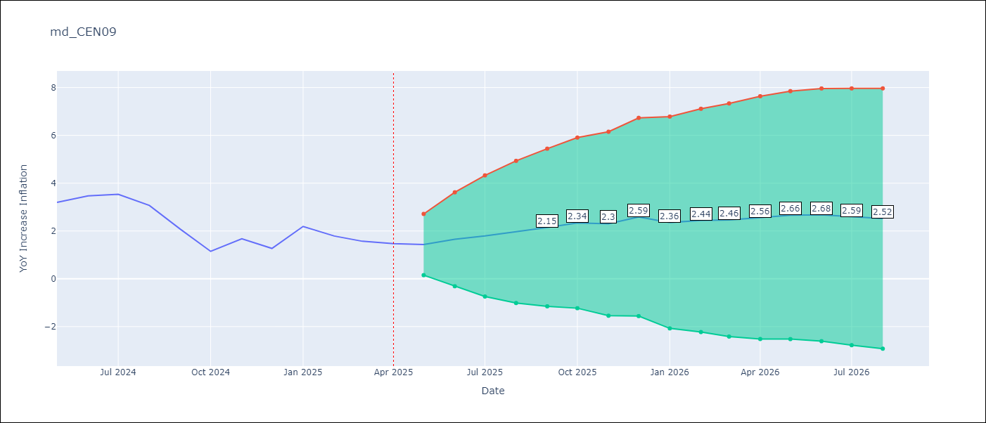

Test Set
RMSE | 1.92
Naive RMSE | 1.17
MAPE | 101.98%

Test Predictions
Date | Predicted | Actual
2024-05-01 | 3.1 | 3.2
2024-06-01 | 3.51 | 3.47
2024-07-01 | 3.6 | 3.53
2024-08-01 | 3.76 | 3.07
2024-09-01 | 3.74 | 2.07
2024-10-01 | 3.58 | 1.15
2024-11-01 | 3.76 | 1.67
2024-12-01 | 3.81 | 1.27
2025-01-01 | 4 | 2.19
2025-02-01 | 4.13 | 1.79
2025-03-01 | 4.22 | 1.57
2025-04-01 | 4.35 | 1.47

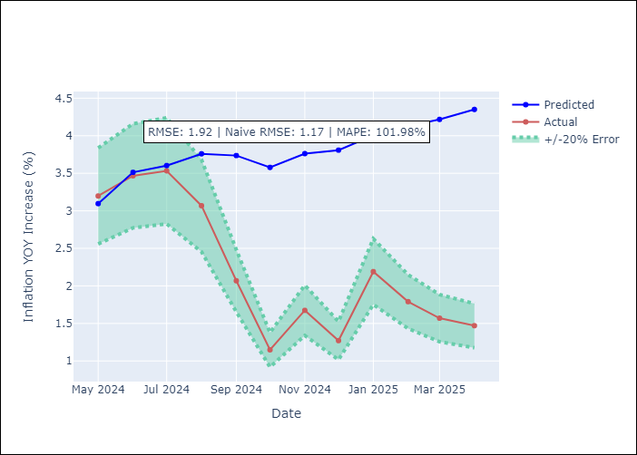

Appendix A: Model Summary
Model | ARIMA(2, 1, 3)x(0, 0, [1], 12)
Sample | 01-01-1992- 04-01-2025
No. of Observations | 400
Terms | P-value (Statistical significance)
ar.L1 | 0.000
ar.L2 | 0.000
ma.L1 | 0.000
ma.L2 | 0.000
ma.L3 | 0.398
ma.S.L12 | 0.000
sigma2 | 0.000
Assumptions | P-value

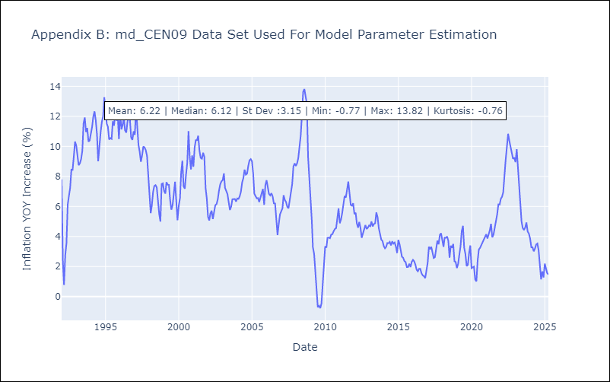

Appendix C: Residuals Analysis
Mean | -0.0

Normal? | No

md_CEN10
md_CEN10 - Inflation - Next 12 months forecast as of: 2025-04-01

Model | ARIMA - ((2, 1, 3), (0, 0, 1, 12))
Training Data | 1992-01-01 to 2024-05-01
Test Data | 2024-05-01 to 2025-04-01

Date | Inflation Change YoY % | Lower Bound - 95% Confidence Interval | Upper Bound - 95% Confidence Interval | Bias Corrected Forecast
2025-05-01 | 1.43 | 0.15 | 2.71
2025-06-01 | 1.65 | -0.31 | 3.62
2025-07-01 | 1.79 | -0.74 | 4.33
2025-08-01 | 1.96 | -1.01 | 4.93
2025-09-01 | 2.15 | -1.15 | 5.44
2025-10-01 | 2.34 | -1.23 | 5.91
2025-11-01 | 2.3 | -1.54 | 6.15
2025-12-01 | 2.59 | -1.56 | 6.73
2026-01-01 | 2.36 | -2.07 | 6.79
2026-02-01 | 2.44 | -2.23 | 7.11
2026-03-01 | 2.46 | -2.42 | 7.34
2026-04-01 | 2.56 | -2.52 | 7.64
2026-05-01 | 2.66 | -2.52 | 7.85
2026-06-01 | 2.68 | -2.61 | 7.96
2026-07-01 | 2.59 | -2.78 | 7.96
2026-08-01 | 2.52 | -2.92 | 7.97



Test Set
RMSE | 1.92
Naive RMSE | 1.17
MAPE | 101.98%

Test Predictions
Date | Predicted | Actual
2024-05-01 | 3.1 | 3.2
2024-06-01 | 3.51 | 3.47
2024-07-01 | 3.6 | 3.53
2024-08-01 | 3.76 | 3.07
2024-09-01 | 3.74 | 2.07
2024-10-01 | 3.58 | 1.15
2024-11-01 | 3.76 | 1.67
2024-12-01 | 3.81 | 1.27
2025-01-01 | 4 | 2.19
2025-02-01 | 4.13 | 1.79
2025-03-01 | 4.22 | 1.57
2025-04-01 | 4.35 | 1.47

Appendix A: Model Summary
Model | ARIMA(2, 1, 3)x(0, 0, [1], 12)
Sample | 01-01-1992- 04-01-2025
No. of Observations | 400
Terms | P-value (Statistical significance)
ar.L1 | 0.000
ar.L2 | 0.000
ma.L1 | 0.000
ma.L2 | 0.000
ma.L3 | 0.398
ma.S.L12 | 0.000
sigma2 | 0.000
Assumptions | P-value



Appendix C: Residuals Analysis
Mean | -0.0

Normal? | No

md_R01
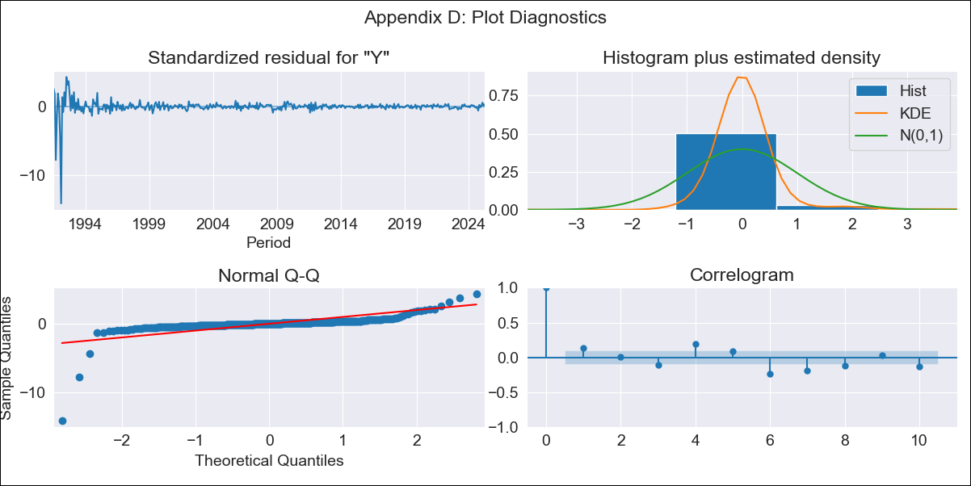
md_R01 - Inflation - Next 12 months forecast as of: 2025-04-01

Model | ARIMA - ((5, 1, 0), (1, 0, 0, 12))
Training Data | 1990-01-01 to 2024-05-01
Test Data | 2024-05-01 to 2025-04-01

Date | Inflation Change YoY % | Lower Bound - 95% Confidence Interval | Upper Bound - 95% Confidence Interval | Bias Corrected Forecast
2025-05-01 | 4.3 | 0.99 | 7.6
2025-06-01 | 4.22 | -1.21 | 9.65
2025-07-01 | 4.7 | -2.33 | 11.72
2025-08-01 | 4.8 | -3.84 | 13.44
2025-09-01 | 5 | -4.94 | 14.95
2025-10-01 | 5.13 | -6.57 | 16.82
2025-11-01 | 5.15 | -8.5 | 18.81
2025-12-01 | 5.34 | -10.1 | 20.79
2026-01-01 | 5.48 | -11.78 | 22.74
2026-02-01 | 5.76 | -13.18 | 24.7
2026-03-01 | 5.96 | -14.68 | 26.61
2026-04-01 | 6.14 | -16.3 | 28.58
2026-05-01 | 6.3 | -18.11 | 30.7
2026-06-01 | 6.4 | -20.01 | 32.8
2026-07-01 | 6.54 | -21.8 | 34.87
2026-08-01 | 6.66 | -23.58 | 36.89

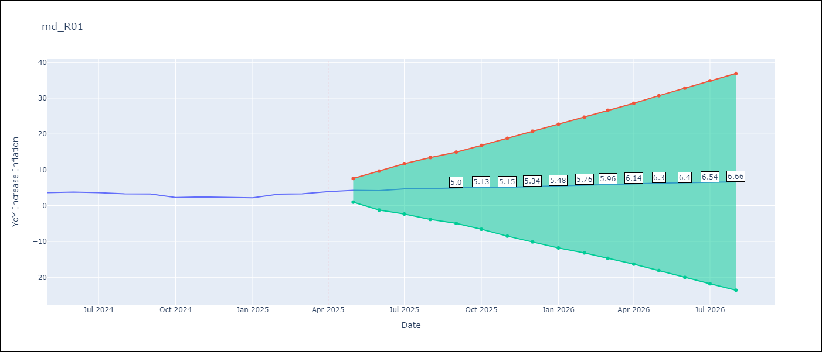

Test Set
RMSE | 0.64
Naive RMSE | 0.75
MAPE | 19.01%

Test Predictions
Date | Predicted | Actual
2024-05-01 | 3.44 | 3.65
2024-06-01 | 3.31 | 3.81
2024-07-01 | 3.24 | 3.64
2024-08-01 | 3.19 | 3.31
2024-09-01 | 3.37 | 3.28
2024-10-01 | 3.38 | 2.3
2024-11-01 | 3.33 | 2.45
2024-12-01 | 3.31 | 2.33
2025-01-01 | 3.28 | 2.19
2025-02-01 | 3.29 | 3.23
2025-03-01 | 3.33 | 3.29
2025-04-01 | 3.39 | 3.93

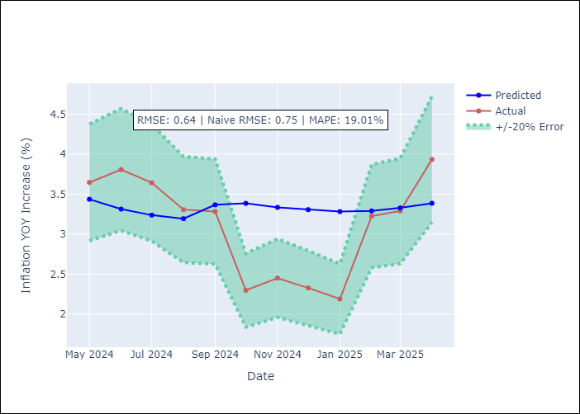

Appendix A: Model Summary
Model | ARIMA(5, 1, 0)x(1, 0, 0, 12)
Sample | 01-01-1990- 04-01-2025
No. of Observations | 424
Terms | P-value (Statistical significance)
ar.L1 | 0.000
ar.L2 | 0.115
ar.L3 | 0.000
ar.L4 | 0.000
ar.L5 | 0.000
ar.S.L12 | 0.000
sigma2 | 0.000
Assumptions | P-value

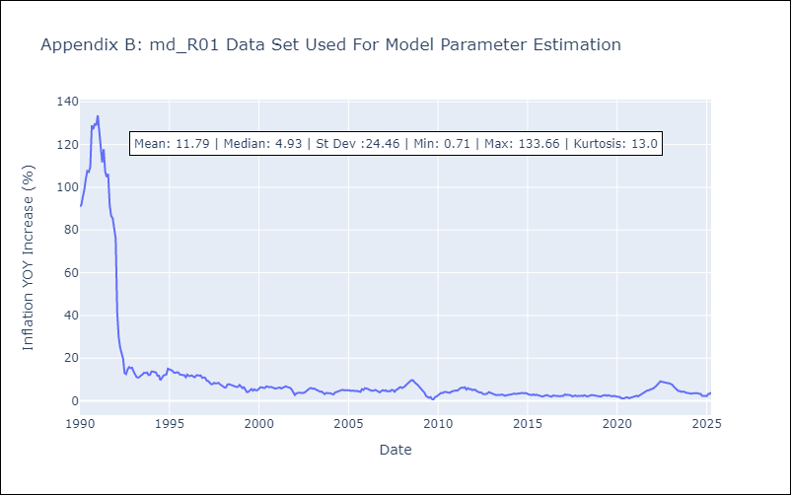

Appendix C: Residuals Analysis
Mean | 0.09

Normal? | No

md_R02
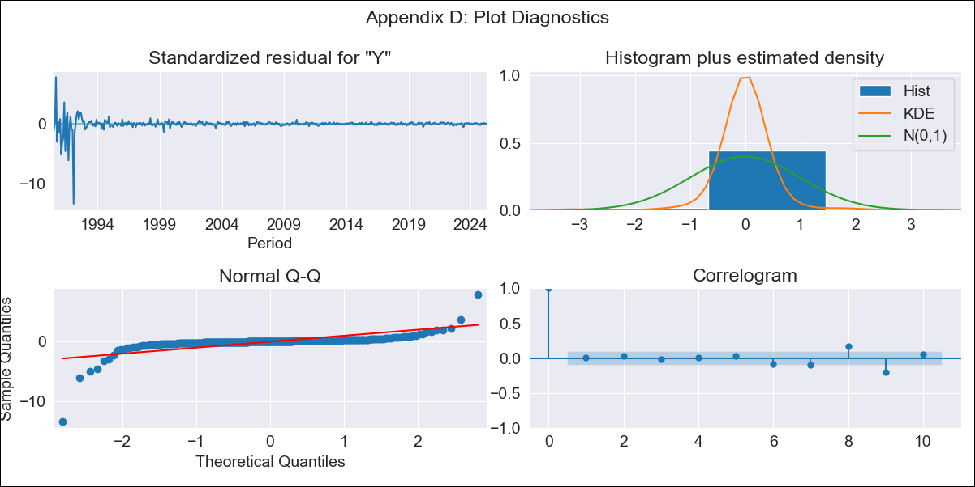
md_R02 - Inflation - Next 12 months forecast as of: 2025-04-01

Model | ARIMA - ((5, 1, 0), (0, 0, 0, 12))
Training Data | 1990-01-01 to 2024-05-01
Test Data | 2024-05-01 to 2025-04-01

Date | Inflation Change YoY % | Lower Bound - 95% Confidence Interval | Upper Bound - 95% Confidence Interval | Bias Corrected Forecast
2025-05-01 | 3.96 | -0.43 | 8.35
2025-06-01 | 3.96 | -2.84 | 10.76
2025-07-01 | 4.01 | -4.81 | 12.83
2025-08-01 | 4.04 | -6.7 | 14.78
2025-09-01 | 4.08 | -8.71 | 16.86
2025-10-01 | 4.09 | -10.98 | 19.17
2025-11-01 | 4.11 | -13.18 | 21.39
2025-12-01 | 4.13 | -15.28 | 23.53
2026-01-01 | 4.14 | -17.34 | 25.63
2026-02-01 | 4.16 | -19.38 | 27.7
2026-03-01 | 4.17 | -21.4 | 29.74
2026-04-01 | 4.18 | -23.37 | 31.72
2026-05-01 | 4.19 | -25.28 | 33.65
2026-06-01 | 4.19 | -27.15 | 35.53
2026-07-01 | 4.2 | -28.97 | 37.37
2026-08-01 | 4.21 | -30.75 | 39.16

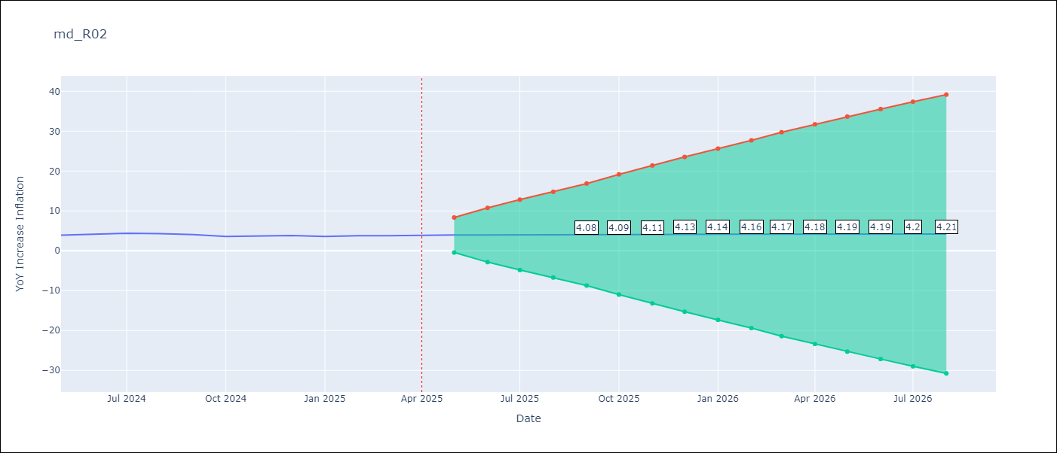

Test Set
RMSE | 0.61
Naive RMSE | 0.35
MAPE | 14.33%

Test Predictions
Date | Predicted | Actual
2024-05-01 | 3.59 | 3.93
2024-06-01 | 3.51 | 4.19
2024-07-01 | 3.46 | 4.38
2024-08-01 | 3.41 | 4.31
2024-09-01 | 3.38 | 4.05
2024-10-01 | 3.34 | 3.59
2024-11-01 | 3.31 | 3.73
2024-12-01 | 3.29 | 3.83
2025-01-01 | 3.26 | 3.59
2025-02-01 | 3.24 | 3.77
2025-03-01 | 3.23 | 3.8
2025-04-01 | 3.21 | 3.93

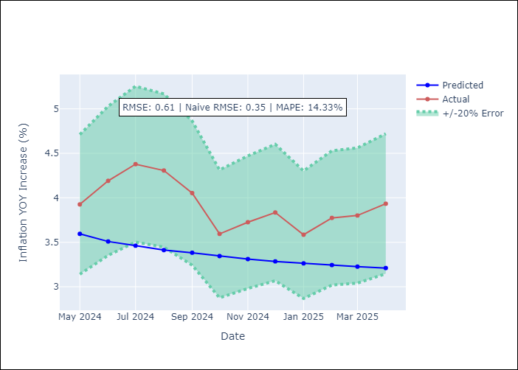

Appendix A: Model Summary
Model | ARIMA(5, 1, 0)
Sample | 01-01-1990- 04-01-2025
No. of Observations | 424
Terms | P-value (Statistical significance)
ar.L1 | 0.000
ar.L2 | 0.095
ar.L3 | 0.000
ar.L4 | 0.000
ar.L5 | 0.000
sigma2 | 0.000
Assumptions | P-value



Appendix C: Residuals Analysis
Mean | 0.07

Normal? | No

md_R07
md_R07 - Inflation - Next 12 months forecast as of: 2025-04-01

Model | ARIMA - ((3, 1, 0), (1, 0, 0, 12))
Training Data | 1992-07-01 to 2024-05-01
Test Data | 2024-05-01 to 2025-04-01

Date | Inflation Change YoY % | Lower Bound - 95% Confidence Interval | Upper Bound - 95% Confidence Interval | Bias Corrected Forecast
2025-05-01 | 3.67 | 2.36 | 4.99
2025-06-01 | 3.66 | 1.67 | 5.64
2025-07-01 | 3.92 | 1.39 | 6.45
2025-08-01 | 3.99 | 0.92 | 7.07
2025-09-01 | 4.33 | 0.76 | 7.89
2025-10-01 | 4.36 | 0.36 | 8.36
2025-11-01 | 4.39 | -0.01 | 8.8
2025-12-01 | 4.28 | -0.51 | 9.06
2026-01-01 | 4.39 | -0.75 | 9.53
2026-02-01 | 4.46 | -1 | 9.93
2026-03-01 | 4.36 | -1.42 | 10.14
2026-04-01 | 4 | -2.07 | 10.08
2026-05-01 | 3.95 | -2.34 | 10.25
2026-06-01 | 3.96 | -2.54 | 10.45
2026-07-01 | 3.91 | -2.78 | 10.6
2026-08-01 | 3.9 | -2.97 | 10.77



Test Set
RMSE | 0.87
Naive RMSE | 0.82
MAPE | 58.94%

Test Predictions
Date | Predicted | Actual
2024-05-01 | 1.77 | 1.45
2024-06-01 | 2.05 | 2.62
2024-07-01 | 2.07 | 2.7
2024-08-01 | 1.95 | 2.72
2024-09-01 | 1.91 | 1.1
2024-10-01 | 1.99 | 1.19
2024-11-01 | 2.13 | 1.07
2024-12-01 | 2.09 | 1.77
2025-01-01 | 2.25 | 1.19
2025-02-01 | 2.24 | 0.8
2025-03-01 | 2.1 | 1.4
2025-04-01 | 2.22 | 3.4

Appendix A: Model Summary
Model | ARIMA(3, 1, 0)x(1, 0, 0, 12)
Sample | 07-01-1992- 04-01-2025
No. of Observations | 394
Terms | P-value (Statistical significance)
ar.L1 | 0.004
ar.L2 | 0.487
ar.L3 | 0.002
ar.S.L12 | 0.000
sigma2 | 0.000
Assumptions | P-value

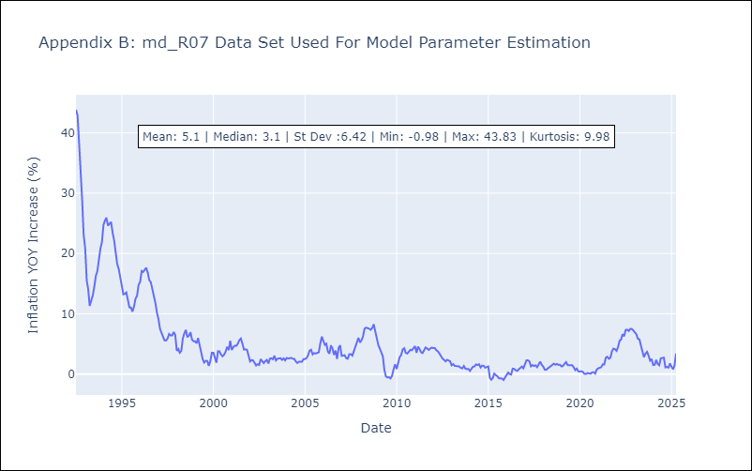

Appendix C: Residuals Analysis
Mean | 0.02

Normal? | No

md_SUR10
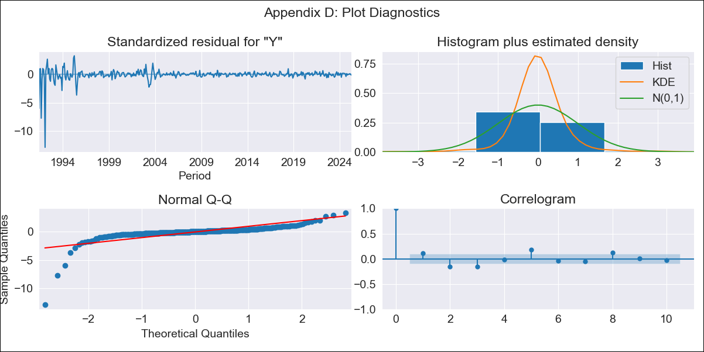
md_SUR10 - Inflation - Next 12 months forecast as of: 2025-04-01

Model | ARIMA - ((4, 1, 0), (1, 0, 0, 12))
Training Data | 1990-01-01 to 2024-05-01
Test Data | 2024-05-01 to 2025-04-01

Date | Inflation Change YoY % | Lower Bound - 95% Confidence Interval | Upper Bound - 95% Confidence Interval | Bias Corrected Forecast
2025-05-01 | 4.86 | 2.29 | 7.43
2025-06-01 | 4.86 | 0.83 | 8.89
2025-07-01 | 4.8 | -0.55 | 10.15
2025-08-01 | 4.78 | -2.25 | 11.8
2025-09-01 | 4.8 | -3.87 | 13.48
2025-10-01 | 4.77 | -5.5 | 15.04
2025-11-01 | 4.77 | -7.13 | 16.67
2025-12-01 | 4.77 | -8.74 | 18.29
2026-01-01 | 4.76 | -10.32 | 19.85
2026-02-01 | 4.75 | -11.88 | 21.38
2026-03-01 | 4.74 | -13.4 | 22.88
2026-04-01 | 4.75 | -14.87 | 24.36
2026-05-01 | 4.74 | -16.24 | 25.73
2026-06-01 | 4.74 | -17.57 | 27.06
2026-07-01 | 4.75 | -18.86 | 28.35
2026-08-01 | 4.75 | -20.1 | 29.59



Test Set
RMSE | 1.15
Naive RMSE | 0.87
MAPE | 22.98%

Test Predictions
Date | Predicted | Actual
2024-05-01 | 3.87 | 4.12
2024-06-01 | 3.71 | 4.26
2024-07-01 | 3.71 | 4.55
2024-08-01 | 3.69 | 4.87
2024-09-01 | 3.59 | 4.5
2024-10-01 | 3.57 | 4.76
2024-11-01 | 3.52 | 4.71
2024-12-01 | 3.49 | 4.68
2025-01-01 | 3.46 | 4.75
2025-02-01 | 3.41 | 4.89
2025-03-01 | 3.44 | 4.98
2025-04-01 | 3.41 | 4.84

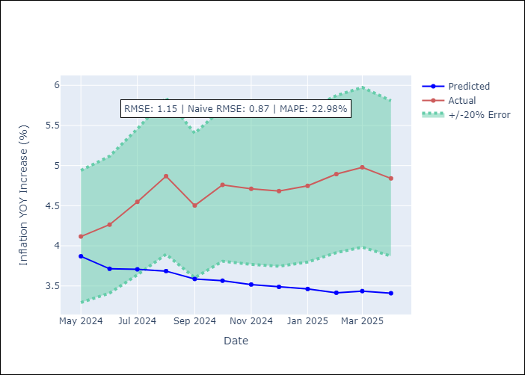

Appendix A: Model Summary
Model | ARIMA(4, 1, 0)x(1, 0, 0, 12)
Sample | 01-01-1990- 04-01-2025
No. of Observations | 424
Terms | P-value (Statistical significance)
ar.L1 | 0.000
ar.L2 | 0.001
ar.L3 | 0.000
ar.L4 | 0.304
ar.S.L12 | 0.012
sigma2 | 0.000
Assumptions | P-value

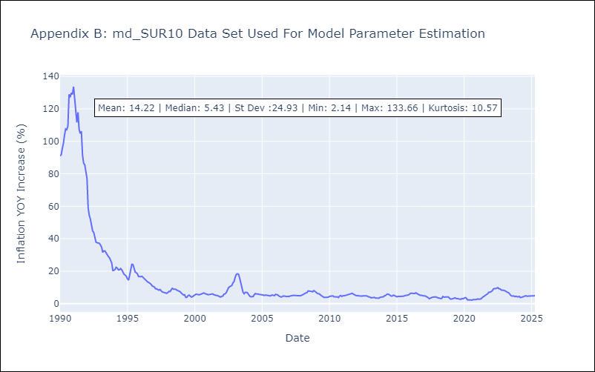

Appendix C: Residuals Analysis
Mean | 0.08

Normal? | No

