md_CAR13
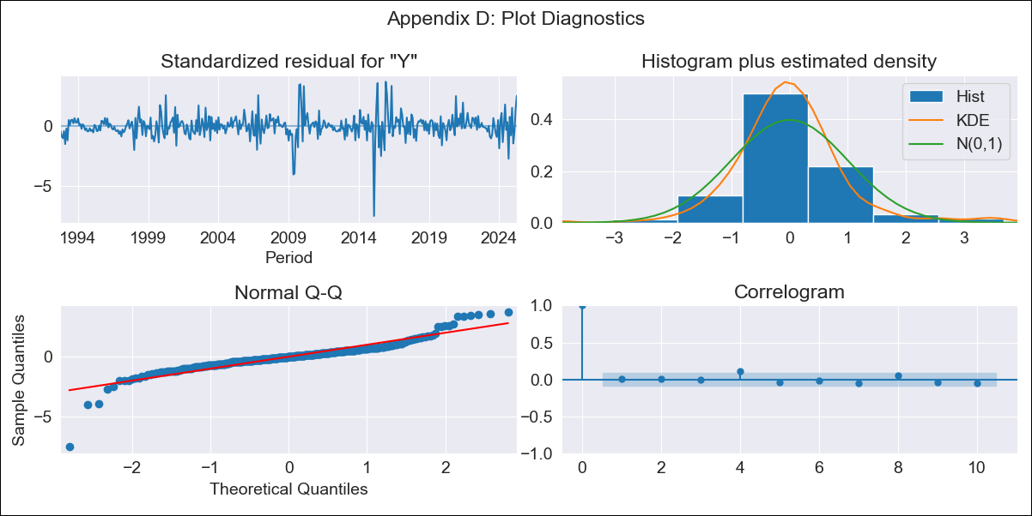
md_CAR13 - Inflation - Next 12 months forecast as of: 2025-04-01

Model | ARIMA - ((2, 1, 0), (0, 0, 0, 12))
Training Data | 1992-07-01 to 2024-05-01
Test Data | 2024-05-01 to 2025-04-01

Date | Inflation Change YoY % | Lower Bound - 95% Confidence Interval | Upper Bound - 95% Confidence Interval | Bias Corrected Forecast
2025-05-01 | 3.73 | 2.17 | 6.04
2025-06-01 | 3.34 | 1.31 | 7.06
2025-07-01 | 3.21 | 0.95 | 7.92
2025-08-01 | 3.24 | 0.78 | 8.93
2025-09-01 | 3.27 | 0.63 | 9.94
2025-10-01 | 3.27 | 0.49 | 10.9
2025-11-01 | 3.27 | 0.37 | 11.84
2025-12-01 | 3.27 | 0.27 | 12.79
2026-01-01 | 3.27 | 0.18 | 13.75
2026-02-01 | 3.27 | 0.11 | 14.73
2026-03-01 | 3.27 | 0.04 | 15.71
2026-04-01 | 3.27 | -0.03 | 16.7
2026-05-01 | 3.27 | -0.08 | 17.72
2026-06-01 | 3.27 | -0.14 | 18.74
2026-07-01 | 3.27 | -0.18 | 19.78
2026-08-01 | 3.27 | -0.23 | 20.85

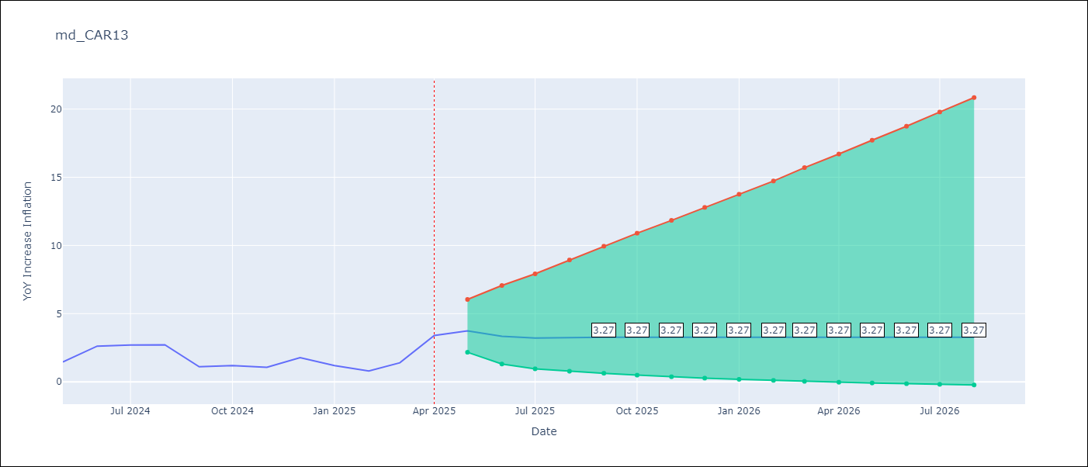

Test Set
RMSE | 0.86
Naive RMSE | 0.82
MAPE | 36.37%

Test Predictions
Date | Predicted | Actual
2024-05-01 | 1.44 | 1.45
2024-06-01 | 1.48 | 2.62
2024-07-01 | 1.53 | 2.7
2024-08-01 | 1.53 | 2.72
2024-09-01 | 1.52 | 1.1
2024-10-01 | 1.52 | 1.19
2024-11-01 | 1.52 | 1.07
2024-12-01 | 1.52 | 1.77
2025-01-01 | 1.52 | 1.19
2025-02-01 | 1.52 | 0.8
2025-03-01 | 1.52 | 1.4
2025-04-01 | 1.52 | 3.4

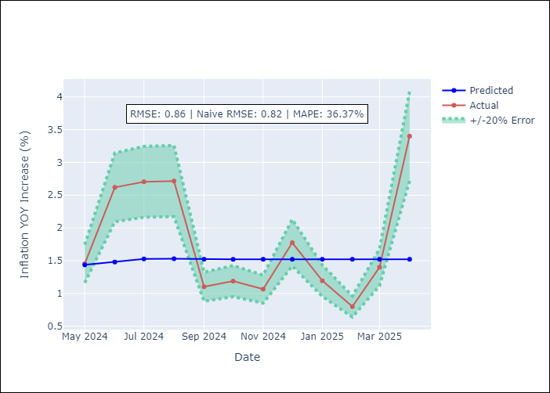

Appendix A: Model Summary
Model | ARIMA(2, 1, 0)
Sample | 07-01-1992- 04-01-2025
No. of Observations | 394
Terms | P-value (Statistical significance)
ar.L1 | 0.000
ar.L2 | 0.000
sigma2 | 0.000
Assumptions | P-value

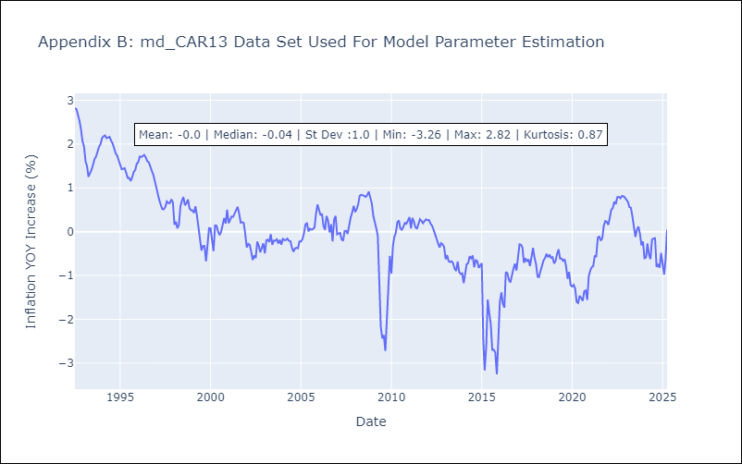

Appendix C: Residuals Analysis
Mean | 0.0

Normal? | No

md_CEN09
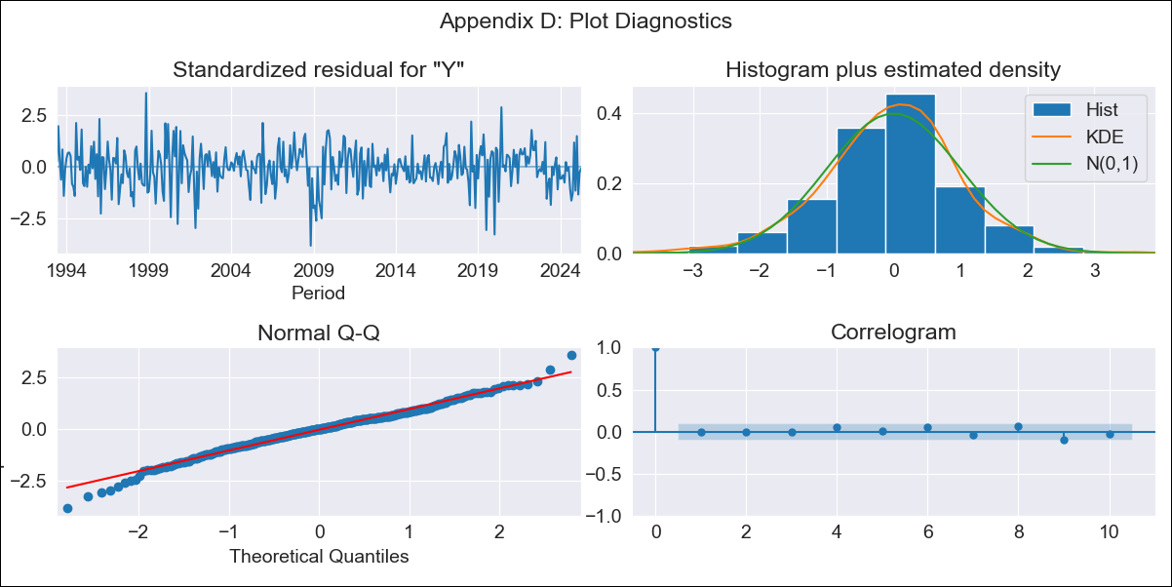
md_CEN09 - Inflation - Next 12 months forecast as of: 2025-04-01

Model | ARIMA - ((2, 1, 3), (0, 0, 1, 12))
Training Data | 1992-01-01 to 2024-05-01
Test Data | 2024-05-01 to 2025-04-01

Date | Inflation Change YoY % | Lower Bound - 95% Confidence Interval | Upper Bound - 95% Confidence Interval | Bias Corrected Forecast
2025-05-01 | 1.4 | 0.53 | 2.38
2025-06-01 | 1.55 | 0.22 | 3.14
2025-07-01 | 1.68 | -0.01 | 3.81
2025-08-01 | 1.83 | -0.15 | 4.42
2025-09-01 | 2.01 | -0.22 | 4.96
2025-10-01 | 2.21 | -0.23 | 5.49
2025-11-01 | 2.13 | -0.43 | 5.67
2025-12-01 | 2.4 | -0.42 | 6.32
2026-01-01 | 2.16 | -0.7 | 6.31
2026-02-01 | 2.26 | -0.76 | 6.7
2026-03-01 | 2.28 | -0.85 | 6.95
2026-04-01 | 2.35 | -0.91 | 7.27
2026-05-01 | 2.45 | -0.91 | 7.53
2026-06-01 | 2.47 | -0.94 | 7.67
2026-07-01 | 2.4 | -1.03 | 7.67
2026-08-01 | 2.33 | -1.1 | 7.67

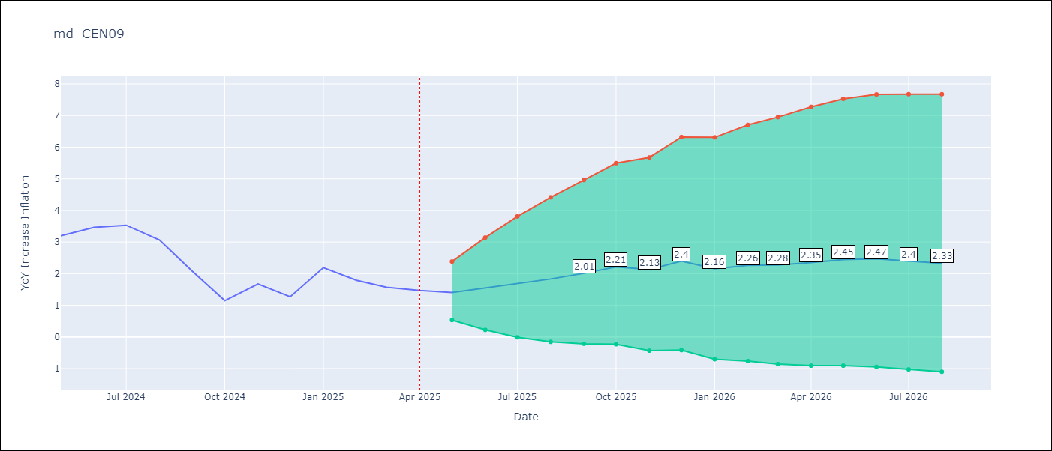

Test Set
RMSE | 1.78
Naive RMSE | 1.17
MAPE | 94.62%

Test Predictions
Date | Predicted | Actual
2024-05-01 | 3.06 | 3.2
2024-06-01 | 3.41 | 3.47
2024-07-01 | 3.48 | 3.53
2024-08-01 | 3.6 | 3.07
2024-09-01 | 3.58 | 2.07
2024-10-01 | 3.46 | 1.15
2024-11-01 | 3.62 | 1.67
2024-12-01 | 3.65 | 1.27
2025-01-01 | 3.81 | 2.19
2025-02-01 | 3.95 | 1.79
2025-03-01 | 4.02 | 1.57
2025-04-01 | 4.15 | 1.47

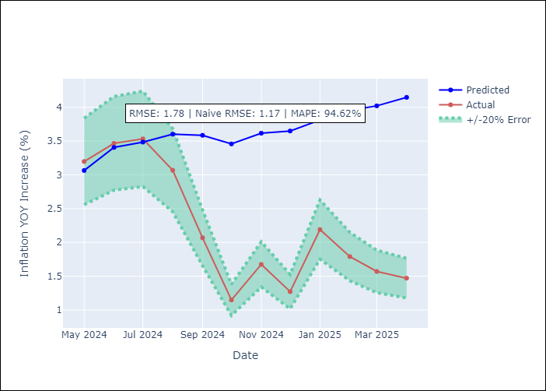

Appendix A: Model Summary
Model | ARIMA(2, 1, 3)x(0, 0, [1], 12)
Sample | 01-01-1992- 04-01-2025
No. of Observations | 400
Terms | P-value (Statistical significance)
ar.L1 | 0.000
ar.L2 | 0.000
ma.L1 | 0.000
ma.L2 | 0.000
ma.L3 | 0.141
ma.S.L12 | 0.000
sigma2 | 0.000
Assumptions | P-value

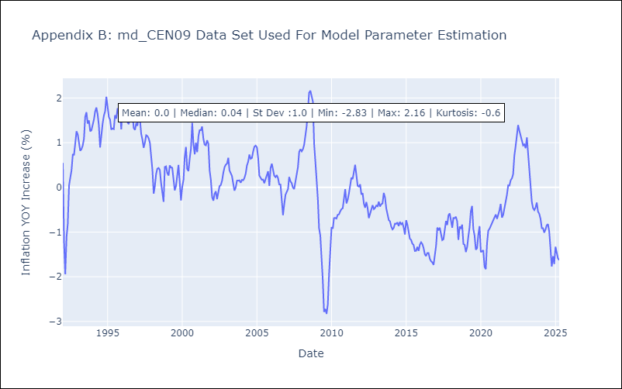

Appendix C: Residuals Analysis
Mean | -0.01

Normal? | No

md_CEN10
md_CEN10 - Inflation - Next 12 months forecast as of: 2025-04-01

Model | ARIMA - ((2, 1, 3), (0, 0, 1, 12))
Training Data | 1992-01-01 to 2024-05-01
Test Data | 2024-05-01 to 2025-04-01

Date | Inflation Change YoY % | Lower Bound - 95% Confidence Interval | Upper Bound - 95% Confidence Interval | Bias Corrected Forecast
2025-05-01 | 1.4 | 0.53 | 2.38
2025-06-01 | 1.55 | 0.22 | 3.14
2025-07-01 | 1.68 | -0.01 | 3.81
2025-08-01 | 1.83 | -0.15 | 4.42
2025-09-01 | 2.01 | -0.22 | 4.96
2025-10-01 | 2.21 | -0.23 | 5.49
2025-11-01 | 2.13 | -0.43 | 5.67
2025-12-01 | 2.4 | -0.42 | 6.32
2026-01-01 | 2.16 | -0.7 | 6.31
2026-02-01 | 2.26 | -0.76 | 6.7
2026-03-01 | 2.28 | -0.85 | 6.95
2026-04-01 | 2.35 | -0.91 | 7.27
2026-05-01 | 2.45 | -0.91 | 7.53
2026-06-01 | 2.47 | -0.94 | 7.67
2026-07-01 | 2.4 | -1.03 | 7.67
2026-08-01 | 2.33 | -1.1 | 7.67

Test Set
RMSE | 1.78
Naive RMSE | 1.17
MAPE | 94.62%

Test Predictions
Date | Predicted | Actual
2024-05-01 | 3.06 | 3.2
2024-06-01 | 3.41 | 3.47
2024-07-01 | 3.48 | 3.53
2024-08-01 | 3.6 | 3.07
2024-09-01 | 3.58 | 2.07
2024-10-01 | 3.46 | 1.15
2024-11-01 | 3.62 | 1.67
2024-12-01 | 3.65 | 1.27
2025-01-01 | 3.81 | 2.19
2025-02-01 | 3.95 | 1.79
2025-03-01 | 4.02 | 1.57
2025-04-01 | 4.15 | 1.47

Appendix A: Model Summary
Model | ARIMA(2, 1, 3)x(0, 0, [1], 12)
Sample | 01-01-1992- 04-01-2025
No. of Observations | 400
Terms | P-value (Statistical significance)
ar.L1 | 0.000
ar.L2 | 0.000
ma.L1 | 0.000
ma.L2 | 0.000
ma.L3 | 0.141
ma.S.L12 | 0.000
sigma2 | 0.000
Assumptions | P-value



Appendix C: Residuals Analysis
Mean | -0.01

Normal? | No

md_R01 (2)
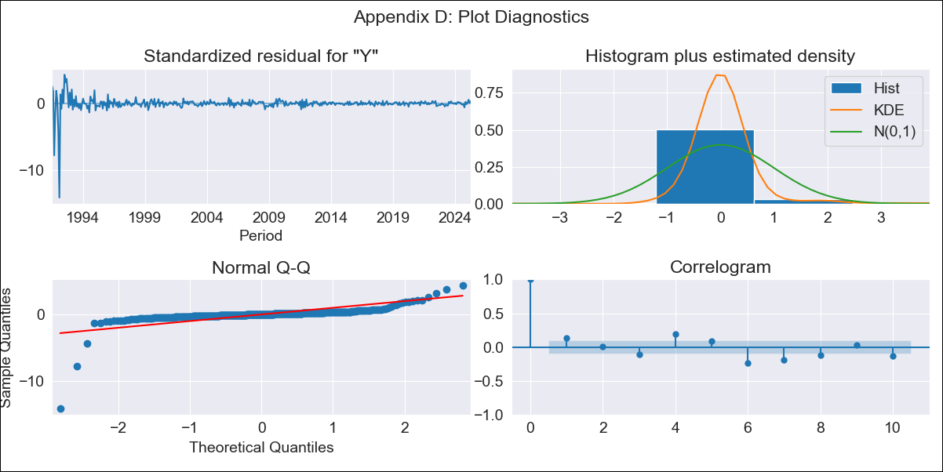
md_R01 - Inflation - Next 12 months forecast as of: 2025-04-01

Model | ARIMA - ((5, 1, 0), (1, 0, 0, 12))
Training Data | 1990-01-01 to 2024-05-01
Test Data | 2024-05-01 to 2025-04-01

Date | Inflation Change YoY % | Lower Bound - 95% Confidence Interval | Upper Bound - 95% Confidence Interval | Bias Corrected Forecast
2025-05-01 | 4.3 | 0.99 | 7.6
2025-06-01 | 4.22 | -1.21 | 9.65
2025-07-01 | 4.7 | -2.33 | 11.72
2025-08-01 | 4.8 | -3.84 | 13.44
2025-09-01 | 5 | -4.94 | 14.95
2025-10-01 | 5.13 | -6.57 | 16.82
2025-11-01 | 5.15 | -8.5 | 18.81
2025-12-01 | 5.34 | -10.1 | 20.79
2026-01-01 | 5.48 | -11.78 | 22.74
2026-02-01 | 5.76 | -13.18 | 24.7
2026-03-01 | 5.96 | -14.68 | 26.61
2026-04-01 | 6.14 | -16.3 | 28.58
2026-05-01 | 6.3 | -18.11 | 30.7
2026-06-01 | 6.4 | -20.01 | 32.8
2026-07-01 | 6.54 | -21.8 | 34.87
2026-08-01 | 6.66 | -23.58 | 36.89

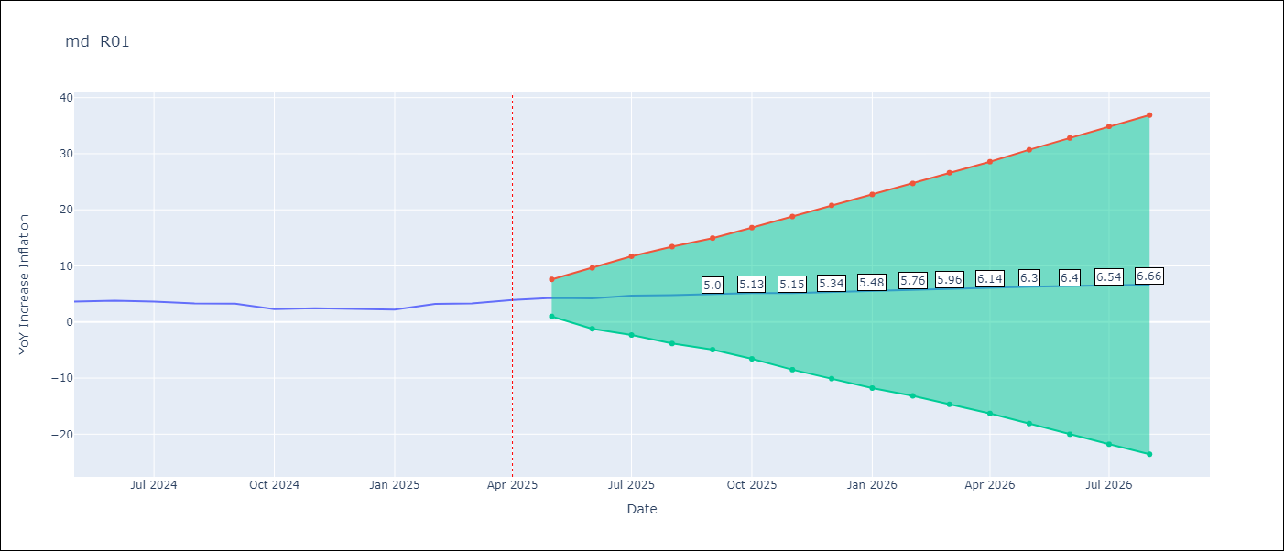

Test Set
RMSE | 0.64
Naive RMSE | 0.75
MAPE | 19.01%

Test Predictions
Date | Predicted | Actual
2024-05-01 | 3.44 | 3.65
2024-06-01 | 3.31 | 3.81
2024-07-01 | 3.24 | 3.64
2024-08-01 | 3.19 | 3.31
2024-09-01 | 3.37 | 3.28
2024-10-01 | 3.38 | 2.3
2024-11-01 | 3.33 | 2.45
2024-12-01 | 3.31 | 2.33
2025-01-01 | 3.28 | 2.19
2025-02-01 | 3.29 | 3.23
2025-03-01 | 3.33 | 3.29
2025-04-01 | 3.39 | 3.93

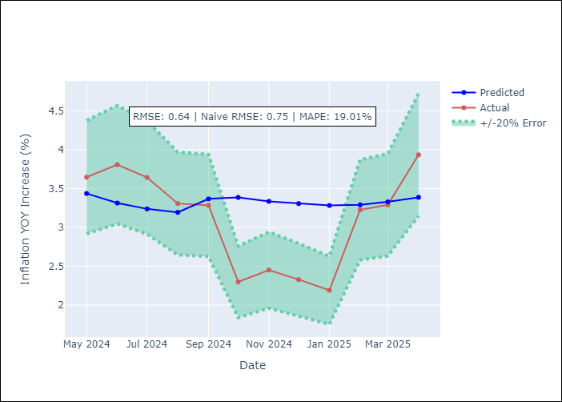

Appendix A: Model Summary
Model | ARIMA(5, 1, 0)x(1, 0, 0, 12)
Sample | 01-01-1990- 04-01-2025
No. of Observations | 424
Terms | P-value (Statistical significance)
ar.L1 | 0.000
ar.L2 | 0.115
ar.L3 | 0.000
ar.L4 | 0.000
ar.L5 | 0.000
ar.S.L12 | 0.000
sigma2 | 0.000
Assumptions | P-value

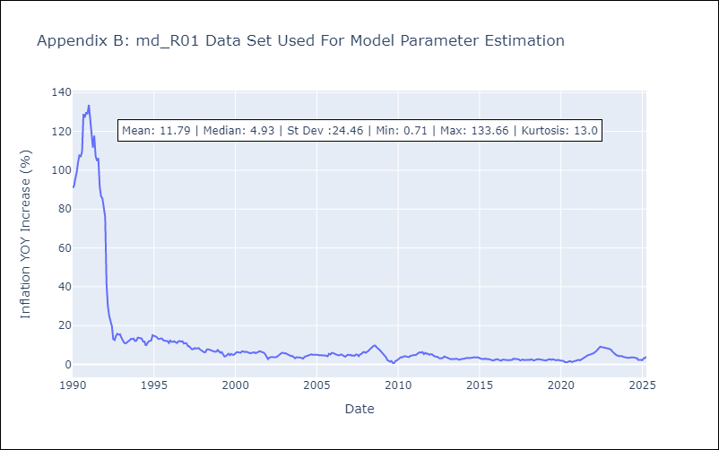

Appendix C: Residuals Analysis
Mean | 0.09

Normal? | No

md_R01
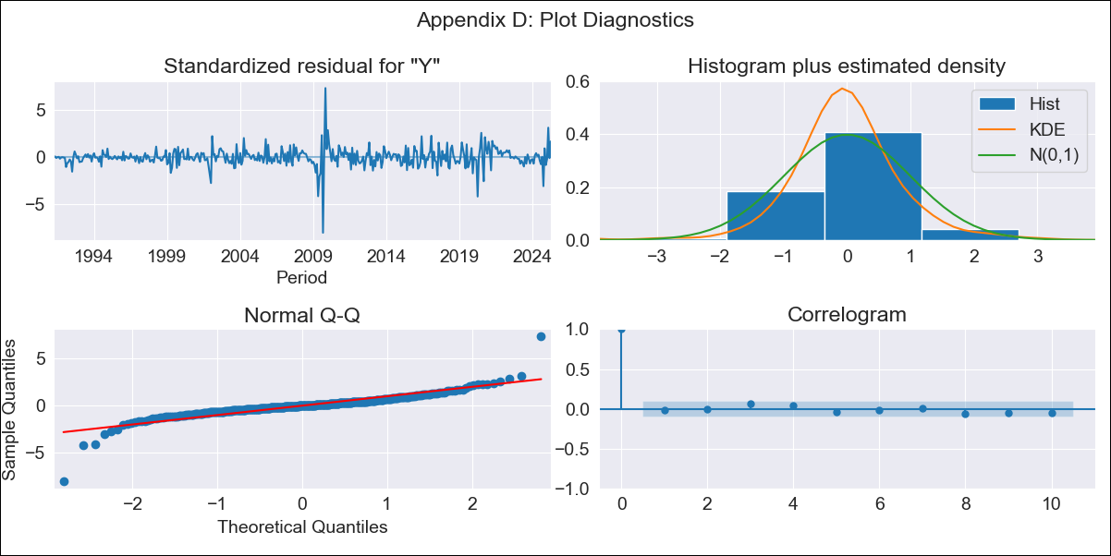
md_R01 - Inflation - Next 12 months forecast as of: 2025-04-01

Model | ARIMA - ((1, 1, 1), (0, 0, 1, 12))
Training Data | 1990-01-01 to 2024-05-01
Test Data | 2024-05-01 to 2025-04-01

Date | Inflation Change YoY % | Lower Bound - 95% Confidence Interval | Upper Bound - 95% Confidence Interval | Bias Corrected Forecast
2025-05-01 | 4.1 | 3.2 | 5.37
2025-06-01 | 3.98 | 2.77 | 6.03
2025-07-01 | 4.06 | 2.62 | 6.83
2025-08-01 | 4.06 | 2.44 | 7.53
2025-09-01 | 4.08 | 2.32 | 8.27
2025-10-01 | 4.2 | 2.26 | 9.38
2025-11-01 | 4.19 | 2.15 | 10.11
2025-12-01 | 4.21 | 2.07 | 11
2026-01-01 | 4.23 | 2 | 12.01
2026-02-01 | 4.09 | 1.87 | 12.22
2026-03-01 | 4.08 | 1.8 | 13.11
2026-04-01 | 4.02 | 1.72 | 13.71
2026-05-01 | 4 | 1.67 | 14.49
2026-06-01 | 4.01 | 1.63 | 15.44
2026-07-01 | 4.01 | 1.58 | 16.37
2026-08-01 | 4.01 | 1.55 | 17.43

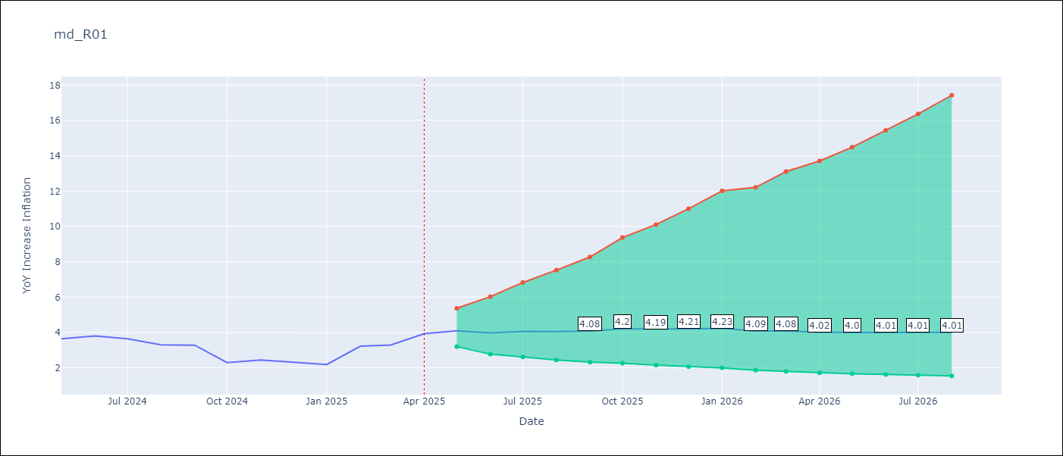

Test Set
RMSE | 0.83
Naive RMSE | 0.75
MAPE | 25.03%

Test Predictions
Date | Predicted | Actual
2024-05-01 | 3.6 | 3.65
2024-06-01 | 3.63 | 3.81
2024-07-01 | 3.64 | 3.64
2024-08-01 | 3.66 | 3.31
2024-09-01 | 3.65 | 3.28
2024-10-01 | 3.66 | 2.3
2024-11-01 | 3.68 | 2.45
2024-12-01 | 3.7 | 2.33
2025-01-01 | 3.71 | 2.19
2025-02-01 | 3.73 | 3.22
2025-03-01 | 3.73 | 3.29
2025-04-01 | 3.71 | 3.93

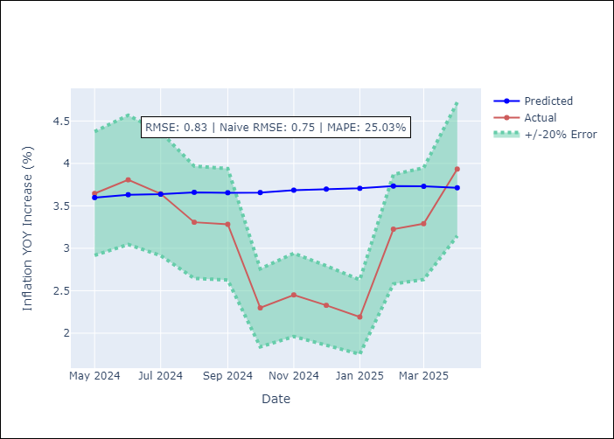

Appendix A: Model Summary
Model | ARIMA(1, 1, 1)x(0, 0, 1, 12)
Sample | 01-01-1990- 04-01-2025
No. of Observations | 424
Terms | P-value (Statistical significance)
ar.L1 | 0.000
ma.L1 | 0.000
ma.S.L12 | 0.150
sigma2 | 0.001
Assumptions | P-value

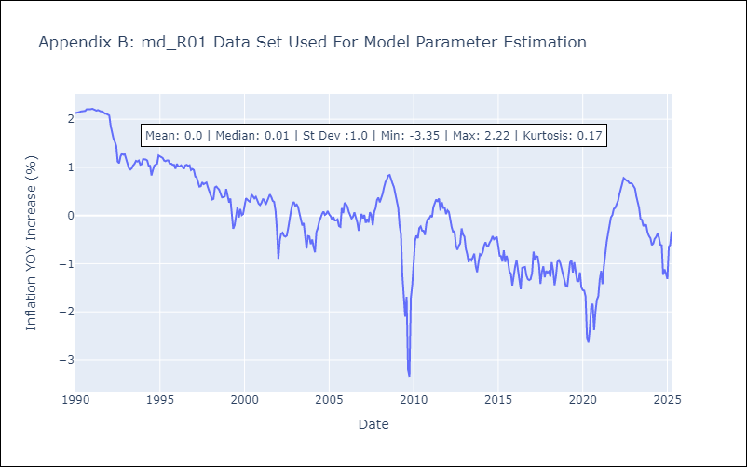

Appendix C: Residuals Analysis
Mean | 0.0

Normal? | No

md_R07
md_R07 - Inflation - Next 12 months forecast as of: 2025-04-01

Model | ARIMA - ((2, 1, 0), (0, 0, 0, 12))
Training Data | 1992-07-01 to 2024-05-01
Test Data | 2024-05-01 to 2025-04-01

Date | Inflation Change YoY % | Lower Bound - 95% Confidence Interval | Upper Bound - 95% Confidence Interval | Bias Corrected Forecast
2025-05-01 | 3.73 | 2.17 | 6.04
2025-06-01 | 3.34 | 1.31 | 7.06
2025-07-01 | 3.21 | 0.95 | 7.92
2025-08-01 | 3.24 | 0.78 | 8.93
2025-09-01 | 3.27 | 0.63 | 9.94
2025-10-01 | 3.27 | 0.49 | 10.9
2025-11-01 | 3.27 | 0.37 | 11.84
2025-12-01 | 3.27 | 0.27 | 12.79
2026-01-01 | 3.27 | 0.18 | 13.75
2026-02-01 | 3.27 | 0.11 | 14.73
2026-03-01 | 3.27 | 0.04 | 15.71
2026-04-01 | 3.27 | -0.03 | 16.7
2026-05-01 | 3.27 | -0.08 | 17.72
2026-06-01 | 3.27 | -0.14 | 18.74
2026-07-01 | 3.27 | -0.18 | 19.78
2026-08-01 | 3.27 | -0.23 | 20.85



Test Set
RMSE | 0.86
Naive RMSE | 0.82
MAPE | 36.37%

Test Predictions
Date | Predicted | Actual
2024-05-01 | 1.44 | 1.45
2024-06-01 | 1.48 | 2.62
2024-07-01 | 1.53 | 2.7
2024-08-01 | 1.53 | 2.72
2024-09-01 | 1.52 | 1.1
2024-10-01 | 1.52 | 1.19
2024-11-01 | 1.52 | 1.07
2024-12-01 | 1.52 | 1.77
2025-01-01 | 1.52 | 1.19
2025-02-01 | 1.52 | 0.8
2025-03-01 | 1.52 | 1.4
2025-04-01 | 1.52 | 3.4

Appendix A: Model Summary
Model | ARIMA(2, 1, 0)
Sample | 07-01-1992- 04-01-2025
No. of Observations | 394
Terms | P-value (Statistical significance)
ar.L1 | 0.000
ar.L2 | 0.000
sigma2 | 0.000
Assumptions | P-value

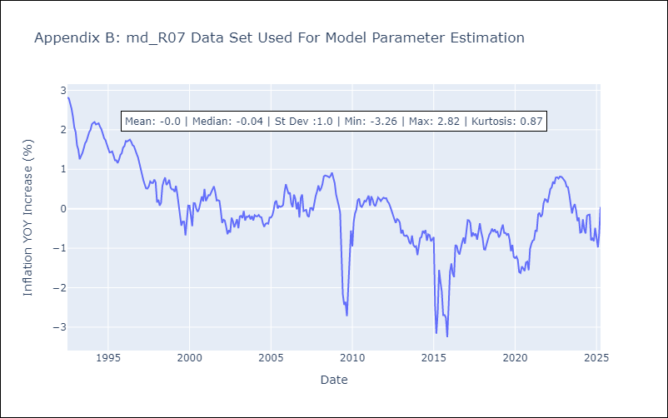

Appendix C: Residuals Analysis
Mean | 0.0

Normal? | No

md_R02
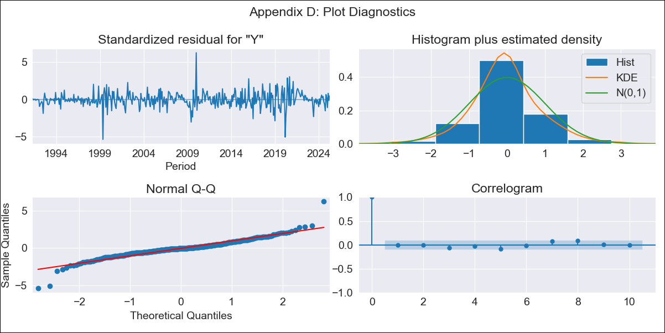
md_R02 - Inflation - Next 12 months forecast as of: 2025-04-01

Model | ARIMA - ((0, 1, 1), (0, 0, 1, 12))
Training Data | 1990-01-01 to 2024-05-01
Test Data | 2024-05-01 to 2025-04-01

Date | Inflation Change YoY % | Lower Bound - 95% Confidence Interval | Upper Bound - 95% Confidence Interval | Bias Corrected Forecast
2025-05-01 | 3.91 | 3.36 | 4.62
2025-06-01 | 3.9 | 3.11 | 5.04
2025-07-01 | 3.87 | 2.93 | 5.36
2025-08-01 | 3.89 | 2.82 | 5.73
2025-09-01 | 3.94 | 2.74 | 6.16
2025-10-01 | 4.05 | 2.72 | 6.74
2025-11-01 | 4.02 | 2.62 | 7.02
2025-12-01 | 4 | 2.54 | 7.31
2026-01-01 | 4.08 | 2.51 | 7.88
2026-02-01 | 4.03 | 2.43 | 8.11
2026-03-01 | 4.03 | 2.38 | 8.5
2026-04-01 | 4 | 2.31 | 8.77
2026-05-01 | 4 | 2.28 | 9.01
2026-06-01 | 4 | 2.25 | 9.26
2026-07-01 | 4 | 2.22 | 9.51
2026-08-01 | 4 | 2.2 | 9.76

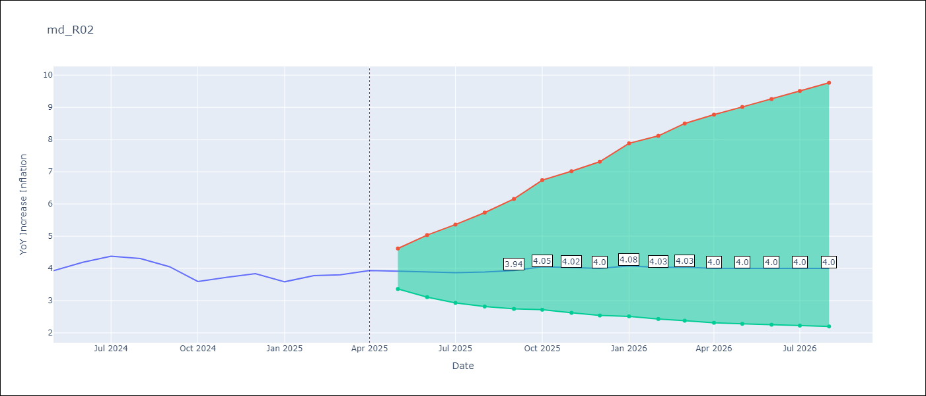

Test Set
RMSE | 0.34
Naive RMSE | 0.35
MAPE | 8.15%

Test Predictions
Date | Predicted | Actual
2024-05-01 | 3.75 | 3.93
2024-06-01 | 3.92 | 4.19
2024-07-01 | 3.95 | 4.38
2024-08-01 | 3.98 | 4.31
2024-09-01 | 3.98 | 4.05
2024-10-01 | 4.02 | 3.59
2024-11-01 | 4.03 | 3.73
2024-12-01 | 4.06 | 3.83
2025-01-01 | 4.14 | 3.59
2025-02-01 | 4.14 | 3.77
2025-03-01 | 4.19 | 3.8
2025-04-01 | 4.18 | 3.93

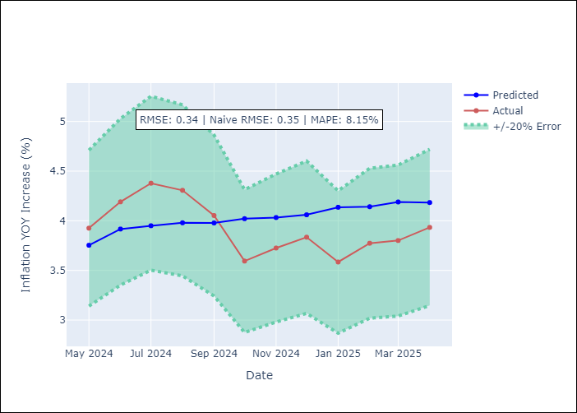

Appendix A: Model Summary
Model | ARIMA(0, 1, 1)x(0, 0, 1, 12)
Sample | 01-01-1990- 04-01-2025
No. of Observations | 424
Terms | P-value (Statistical significance)
ma.L1 | 0.000
ma.S.L12 | 0.000
sigma2 | 0.000
Assumptions | P-value

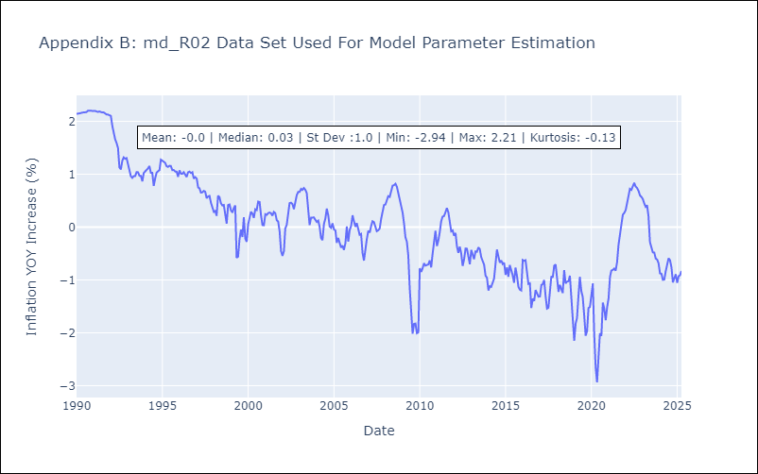

Appendix C: Residuals Analysis
Mean | -0.0

Normal? | No

md_SUR10
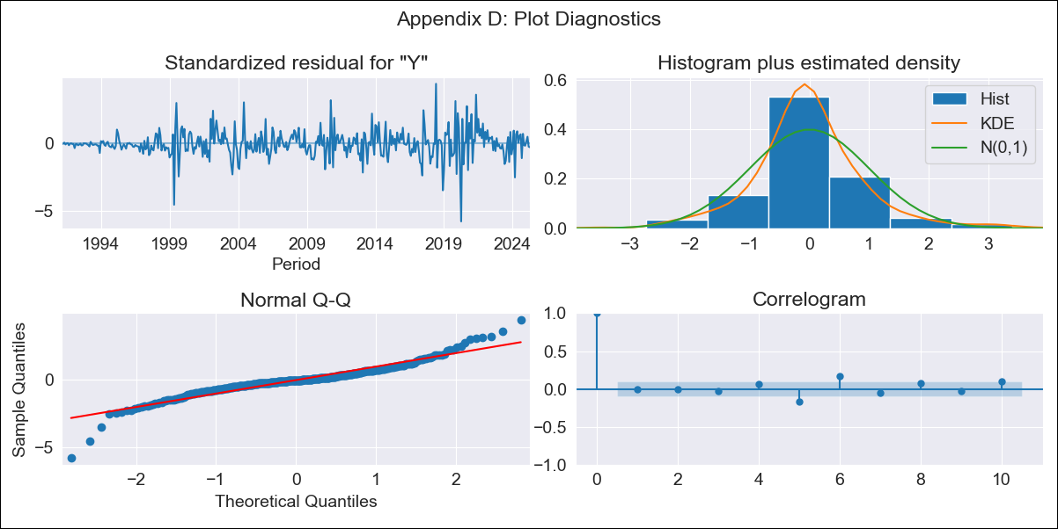
md_SUR10 - Inflation - Next 12 months forecast as of: 2025-04-01

Model | ARIMA - ((1, 1, 0), (0, 0, 1, 12))
Training Data | 1990-01-01 to 2024-05-01
Test Data | 2024-05-01 to 2025-04-01

Date | Inflation Change YoY % | Lower Bound - 95% Confidence Interval | Upper Bound - 95% Confidence Interval | Bias Corrected Forecast
2025-05-01 | 4.76 | 4.11 | 5.6
2025-06-01 | 4.74 | 3.79 | 6.16
2025-07-01 | 4.71 | 3.56 | 6.62
2025-08-01 | 4.67 | 3.37 | 7.02
2025-09-01 | 4.72 | 3.27 | 7.6
2025-10-01 | 4.69 | 3.15 | 8.01
2025-11-01 | 4.69 | 3.05 | 8.49
2025-12-01 | 4.7 | 2.97 | 9.01
2026-01-01 | 4.7 | 2.9 | 9.49
2026-02-01 | 4.67 | 2.81 | 9.91
2026-03-01 | 4.67 | 2.75 | 10.48
2026-04-01 | 4.69 | 2.7 | 11.12
2026-05-01 | 4.7 | 2.66 | 11.6
2026-06-01 | 4.7 | 2.63 | 12.07
2026-07-01 | 4.7 | 2.59 | 12.54
2026-08-01 | 4.7 | 2.56 | 13.03

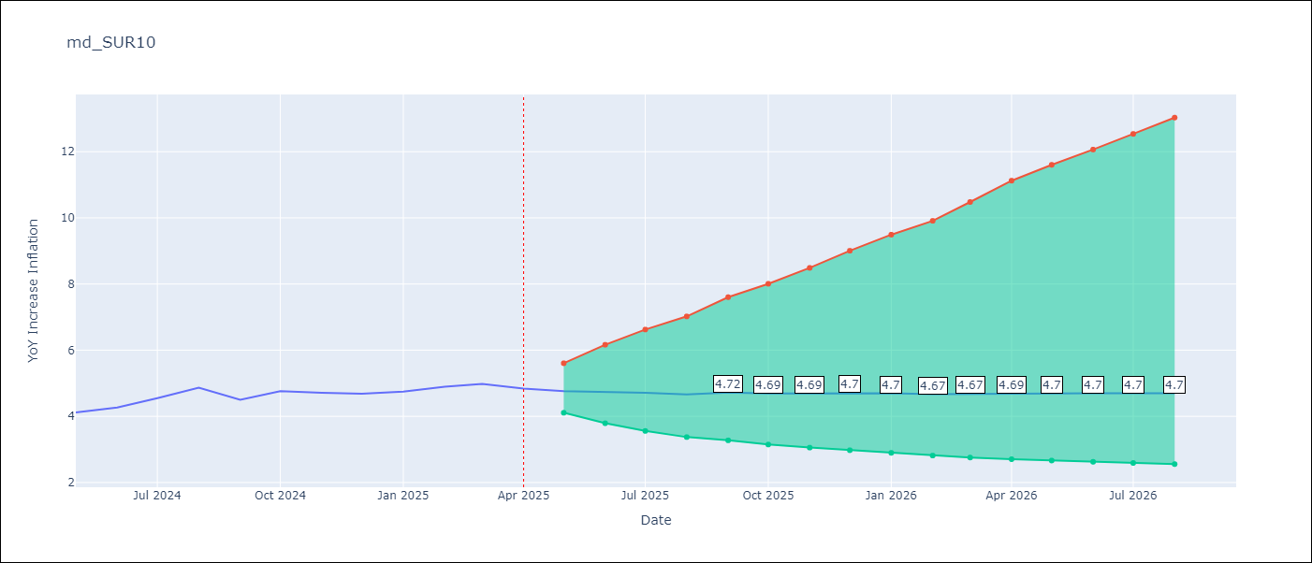

Test Set
RMSE | 0.65
Naive RMSE | 0.87
MAPE | 13.27%

Test Predictions
Date | Predicted | Actual
2024-05-01 | 3.86 | 4.12
2024-06-01 | 3.93 | 4.26
2024-07-01 | 4 | 4.55
2024-08-01 | 4.02 | 4.87
2024-09-01 | 4 | 4.5
2024-10-01 | 4.06 | 4.76
2024-11-01 | 4.04 | 4.71
2024-12-01 | 4.06 | 4.68
2025-01-01 | 4.08 | 4.75
2025-02-01 | 4.05 | 4.89
2025-03-01 | 4.15 | 4.98
2025-04-01 | 4.14 | 4.84

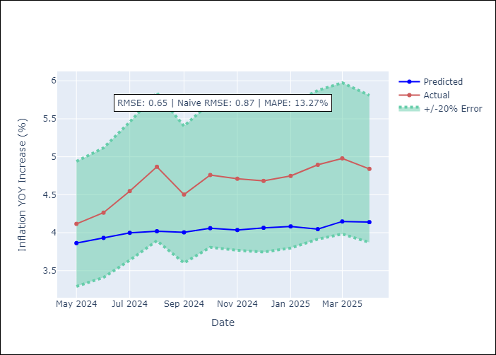

Appendix A: Model Summary
Model | ARIMA(1, 1, 0)x(0, 0, [1], 12)
Sample | 01-01-1990- 04-01-2025
No. of Observations | 424
Terms | P-value (Statistical significance)
ar.L1 | 0.000
ma.S.L12 | 0.000
sigma2 | 0.000
Assumptions | P-value

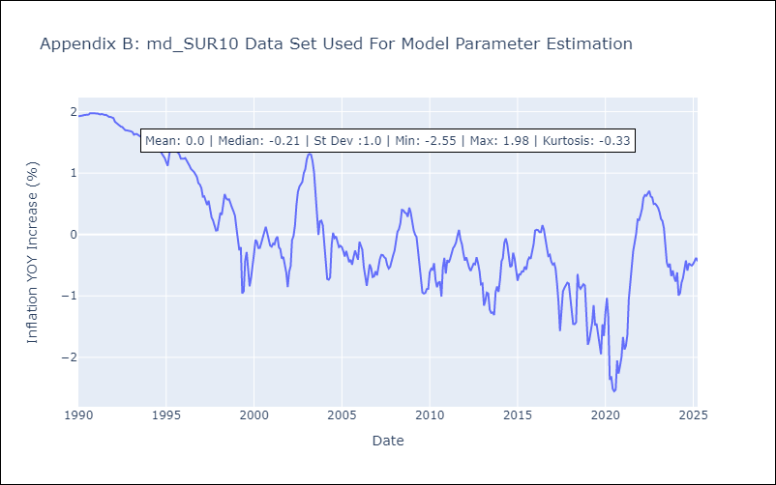

Appendix C: Residuals Analysis
Mean | -0.0

Normal? | No

