md_R01
md_R01 - Inflation - Next 12 months forecast as of: 2025-04-01

Model | Random Forest w/ Lags - None
Training Data | 1990-01-01 to 2024-05-01
Test Data | 2024-05-01 to 2025-04-01

Date | Inflation Change YoY % | Lower Bound - 95% Confidence Interval | Upper Bound - 95% Confidence Interval | Bias Corrected Forecast
2025-05-01 | 3.12 | 2.8 | 3.18 | 3.01
2025-06-01 | 3.24 | 2.83 | 3.29 | 3.08
2025-07-01 | 3.32 | 2.87 | 3.39 | 3.14
2025-08-01 | 3.38 | 2.9 | 3.43 | 3.19
2025-09-01 | 3.46 | 2.93 | 3.49 | 3.22
2025-10-01 | 3.52 | 2.96 | 3.52 | 3.27
2025-11-01 | 3.58 | 3.03 | 3.58 | 3.34
2025-12-01 | 3.65 | 3.08 | 3.68 | 3.41
2026-01-01 | 3.68 | 3.1 | 3.74 | 3.47
2026-02-01 | 3.71 | 3.12 | 3.85 | 3.52
2026-03-01 | 3.75 | 3.17 | 3.94 | 3.58
2026-04-01 | 3.85 | 3.22 | 4.07 | 3.67

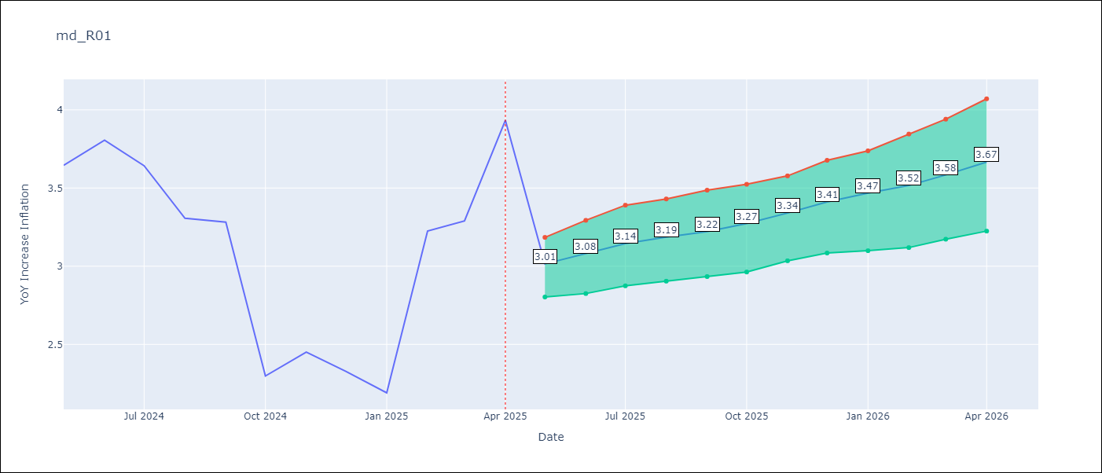

Test Set |  | Bias Corrected
RMSE | 0.92 | 0.9139565707197015
Naive RMSE | 1.19 | 1.19
MAPE | 28.32% | 27.74%

Test Predictions
Date | Predicted | Actual | Bias Vector | Bias Corrected
2024-06-01 | 3.47 | 3.65 | 0.02 | 3.59
2024-07-01 | 3.6 | 3.81 | 0.01 | 3.66
2024-08-01 | 3.7 | 3.64 | 0.01 | 3.74
2024-09-01 | 3.74 | 3.31 | 0.01 | 3.75
2024-10-01 | 3.79 | 3.28 | 0.01 | 3.77
2024-11-01 | 3.82 | 2.3 | 0.01 | 3.78
2024-12-01 | 3.82 | 2.45 | 0.01 | 3.8
2025-01-01 | 3.82 | 2.33 | 0.01 | 3.82
2025-02-01 | 3.81 | 2.19 | 0.01 | 3.82
2025-03-01 | 3.82 | 3.23 | 0.01 | 3.83
2025-04-01 | 3.82 | 3.29 | 0.01 | 3.8
2025-05-01 | 3.76 | 3.93 | 0.01 | 3.75

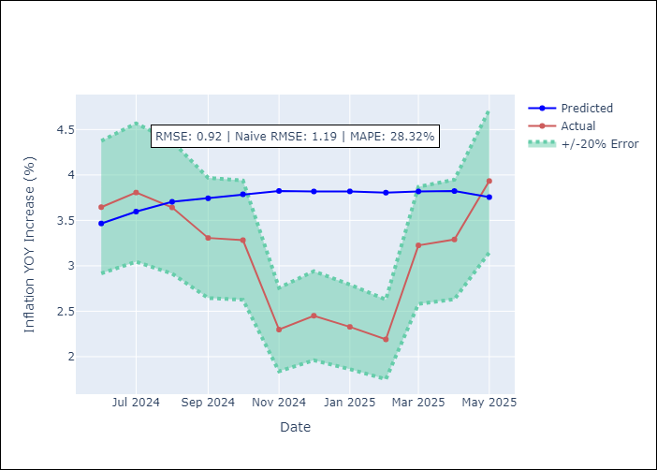
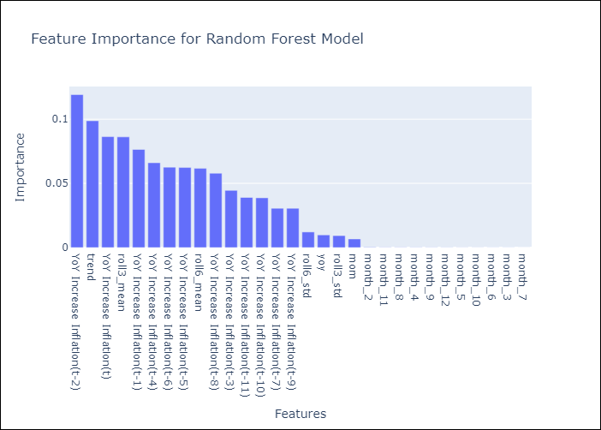

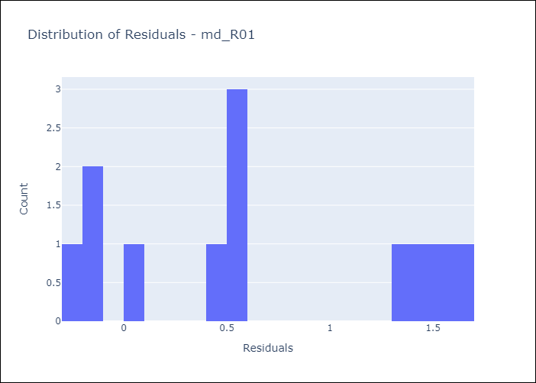
Appendix A: Model Summary
Model | Random Forest w/ Lags
Sample | 1990-01-01 to 2025-04-01
No. of Observations | 424
Residuals
Mean | 0.63032473281
St Dev | 0.67444985469
Kurtosis | -1.4333776886
Skewness | 0.23598816814

Bias-Corrected Residuals
Mean | -0.64247637377
St Dev | 0.6500313241
Kurtosis | -1.5138120032
Skewness | -0.33431950572

Assumptions | P-value

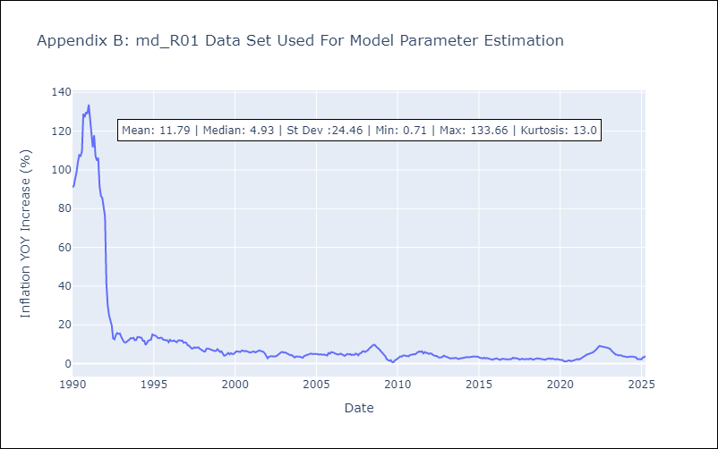

Appendix C: Residuals Analysis
Mean

