md_R01
md_R01 - Inflation - Next 12 months forecast as of: 2025-04-01

Model | Random Forest w/ Lags - None
Training Data | 1990-01-01 to 2024-05-01
Test Data | 2024-05-01 to 2025-04-01

Date | Inflation Change YoY % | Lower Bound - 95% Confidence Interval | Upper Bound - 95% Confidence Interval | Bias Corrected Forecast
2025-05-01 | 3.79 | 2.11 | 45.17
2025-06-01 | 3.83 | 3.5 | 3.91
2025-07-01 | 3.85 | 2.18 | 56.28
2025-08-01 | 3.84 | 3.17 | 56.69
2025-09-01 | 3.85 | 1.99 | 65.7
2025-10-01 | 3.83 | 2.07 | 46.73
2025-11-01 | 3.83 | 2.63 | 47.55
2025-12-01 | 3.82 | 3.62 | 46.51
2026-01-01 | 3.83 | 3.03 | 47.08
2026-02-01 | 3.82 | 3.55 | 46.44
2026-03-01 | 3.82 | 2.85 | 46.33
2026-04-01 | 3.82 | 3.4 | 46.95

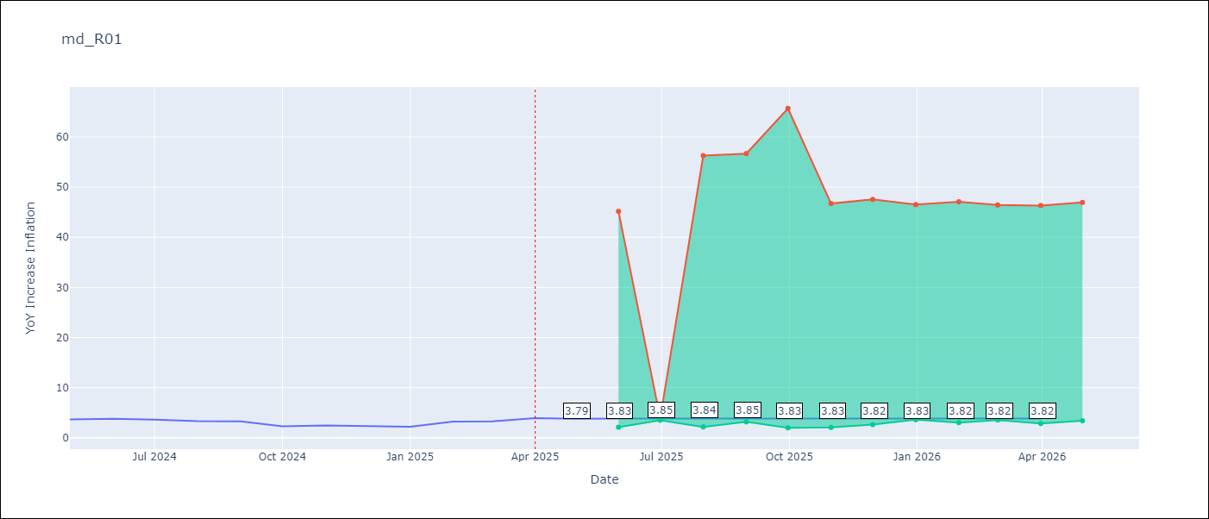

Test Set
RMSE | 0.27
Naive RMSE | 0.75
MAPE | 6.82%

Test Predictions
Date | Predicted | Actual | Bias Vector | Bias Corrected
2025-05-01 | 3.5 | 3.65
2025-06-01 | 3.81 | 3.81
2025-07-01 | 3.67 | 3.64
2025-08-01 | 3.35 | 3.31
2025-09-01 | 3.45 | 3.28
2025-10-01 | 3.01 | 2.3
2025-11-01 | 2.86 | 2.45
2025-12-01 | 2.31 | 2.33
2026-01-01 | 2.22 | 2.19
2026-02-01 | 2.97 | 3.23
2026-03-01 | 3 | 3.29
2026-04-01 | 3.79 | 3.93

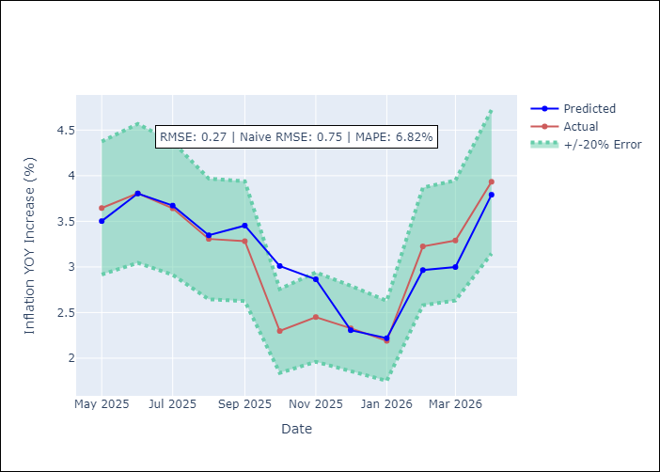
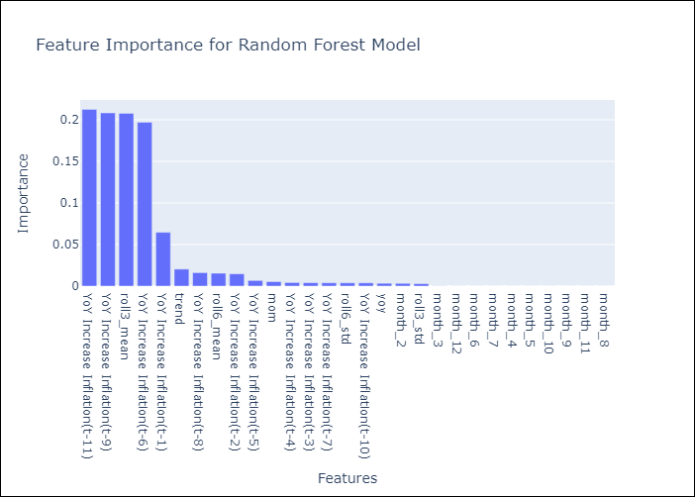

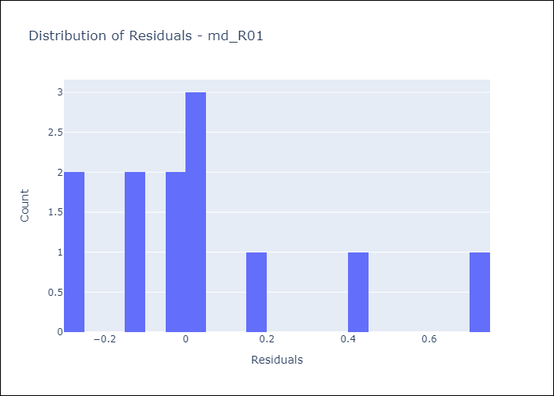
Appendix A: Model Summary
Model | Random Forest w/ Lags
Sample | 1990-01-01 to 2025-04-01
No. of Observations | 424
Residuals
Mean | 0.044800327327
St Dev | 0.27090902786
Kurtosis | 0.73171725705
Skewness | 1.1315263887

Assumptions | P-value

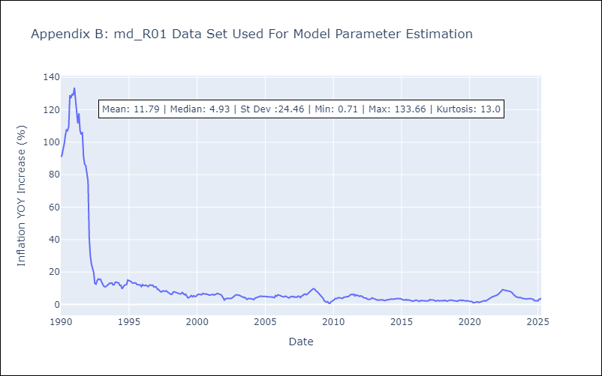

Appendix C: Residuals Analysis
Mean

