ARG
ARG - Inflation - Next 12 months forecast as of: 2025-04-01

Model | Random Forest w/ Lags - None
Training Data | 2005-01-01 to 2024-05-01
Test Data | 2024-05-01 to 2025-04-01

Date | Inflation Change YoY % | Lower Bound - 95% Confidence Interval | Upper Bound - 95% Confidence Interval | Bias Corrected Forecast
2025-05-01 | 224.52 | 175.16 | 281.84
2025-06-01 | 216.15 | 153.49 | 279.73
2025-07-01 | 224.69 | 183.41 | 285.73
2025-08-01 | 243.07 | 172.62 | 285.88
2025-09-01 | 246.84 | 156.93 | 288.51
2025-10-01 | 186.34 | 144.19 | 286.94
2025-11-01 | 119.22 | 155.73 | 288.31
2025-12-01 | 117.5 | 157.98 | 288.31
2026-01-01 | 120.8 | 153.72 | 288.41
2026-02-01 | 170.47 | 151.82 | 288.21
2026-03-01 | 229.18 | 157.2 | 286.3
2026-04-01 | 228.72 | 154.62 | 286.91

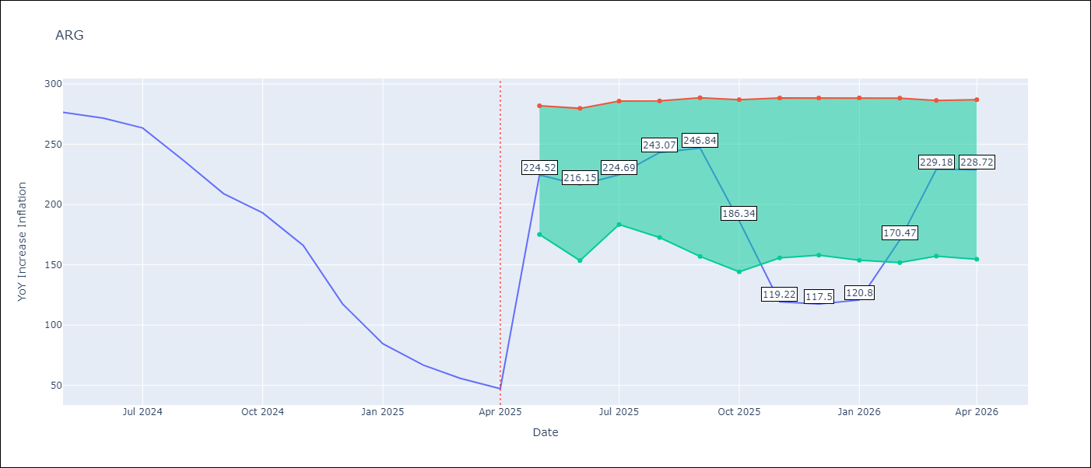

Test Set
RMSE | 114.93
Naive RMSE | 149.73
MAPE | 116.68%

Test Predictions
Date | Predicted | Actual | Bias Vector | Bias Corrected
2025-05-01 | 281.55 | 276.41
2025-06-01 | 279.52 | 271.53
2025-07-01 | 279.45 | 263.45
2025-08-01 | 277.7 | 236.72
2025-09-01 | 276.27 | 209
2025-10-01 | 276.72 | 192.99
2025-11-01 | 269.65 | 166.03
2025-12-01 | 259.67 | 117.76
2026-01-01 | 249.43 | 84.54
2026-02-01 | 237.39 | 66.87
2026-03-01 | 226.44 | 55.93
2026-04-01 | 216.74 | 47.26

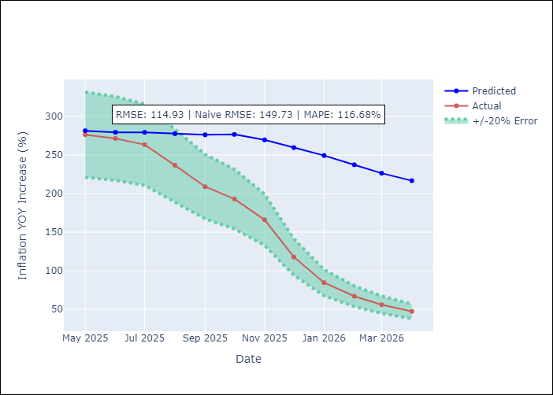
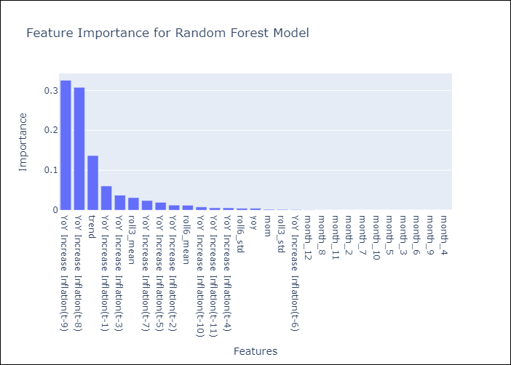

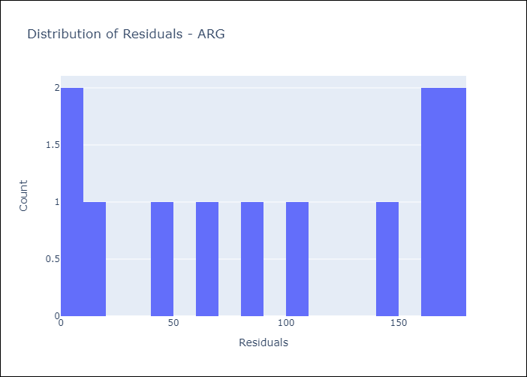
Appendix A: Model Summary
Model | Random Forest w/ Lags
Sample | 2005-01-01 to 2025-04-01
No. of Observations | 244
Residuals
Mean | 95.16905646
St Dev | 64.426963848
Kurtosis | -1.5716456656
Skewness | -0.11324286064

Assumptions | P-value

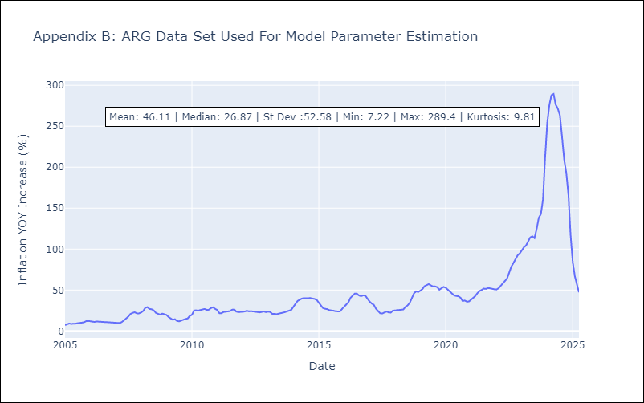

Appendix C: Residuals Analysis
Mean

