ARG
ARG - Inflation - Next 12 months forecast as of: 2025-04-01

Model | Random Forest w/ Lags - None
Training Data | 2005-01-01 to 2024-05-01
Test Data | 2024-05-01 to 2025-04-01

Date | Inflation Change YoY % | Lower Bound - 95% Confidence Interval | Upper Bound - 95% Confidence Interval | Bias Corrected Forecast
2025-05-01 | 224.52 | 175.51 | 278.29
2025-06-01 | 216.15 | 173.89 | 274.61
2025-07-01 | 224.69 | 176.5 | 282.2
2025-08-01 | 243.07 | 174.98 | 284.41
2025-09-01 | 246.84 | 159.63 | 285.46
2025-10-01 | 186.34 | 155.44 | 283.99
2025-11-01 | 119.22 | 168.36 | 285.12
2025-12-01 | 117.5 | 157.33 | 284.65
2026-01-01 | 120.8 | 155.95 | 284.69
2026-02-01 | 170.47 | 150.77 | 285.42
2026-03-01 | 229.18 | 152.26 | 285.07
2026-04-01 | 228.72 | 149.92 | 286.16

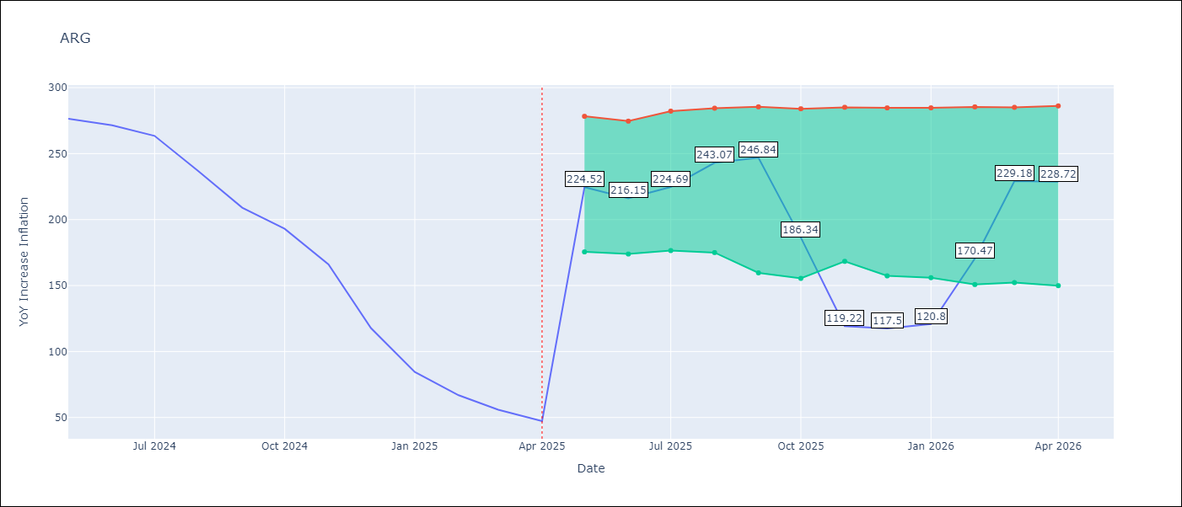

Test Set
RMSE | 114.93
Naive RMSE | 149.73
MAPE | 116.68%

Test Predictions
Date | Predicted | Actual | Bias Vector | Bias Corrected
2025-05-01 | 281.55 | 276.41
2025-06-01 | 279.52 | 271.53
2025-07-01 | 279.45 | 263.45
2025-08-01 | 277.7 | 236.72
2025-09-01 | 276.27 | 209
2025-10-01 | 276.72 | 192.99
2025-11-01 | 269.65 | 166.03
2025-12-01 | 259.67 | 117.76
2026-01-01 | 249.43 | 84.54
2026-02-01 | 237.39 | 66.87
2026-03-01 | 226.44 | 55.93
2026-04-01 | 216.74 | 47.26

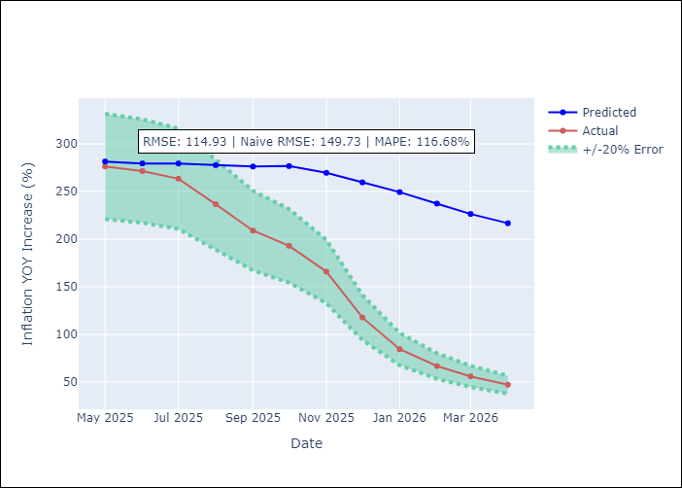
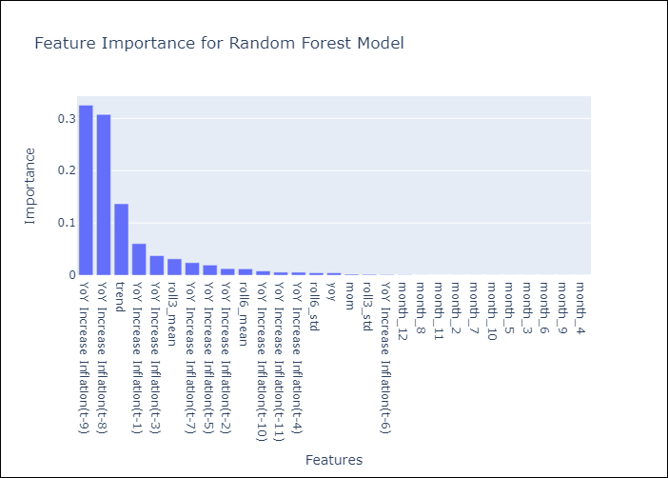

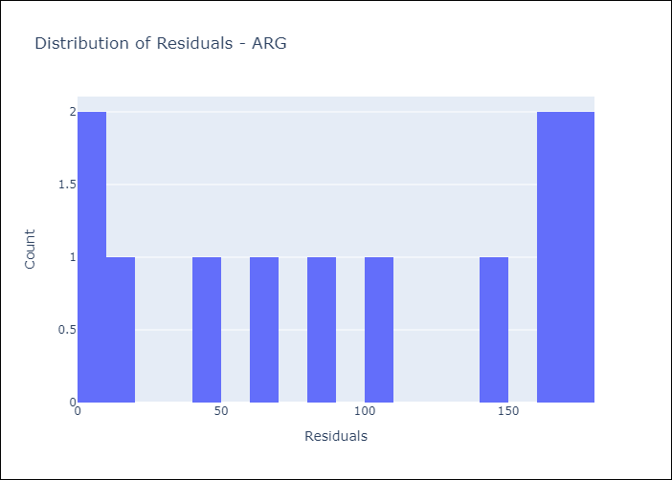
Appendix A: Model Summary
Model | Random Forest w/ Lags
Sample | 2005-01-01 to 2025-04-01
No. of Observations | 244
Residuals
Mean | 95.16905646
St Dev | 64.426963848
Kurtosis | -1.5716456656
Skewness | -0.11324286064

Assumptions | P-value

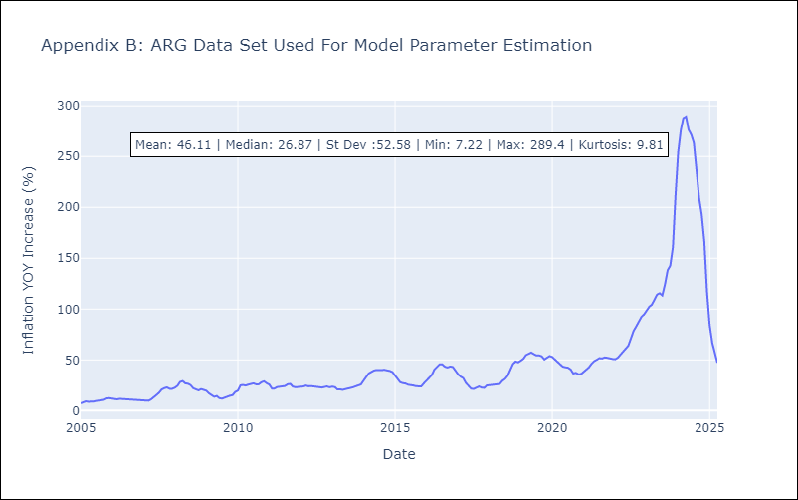

Appendix C: Residuals Analysis
Mean

BRA
BRA - Inflation - Next 12 months forecast as of: 2025-04-01

Model | Random Forest w/ Lags - None
Training Data | 1996-01-01 to 2024-05-01
Test Data | 2024-05-01 to 2025-04-01

Date | Inflation Change YoY % | Lower Bound - 95% Confidence Interval | Upper Bound - 95% Confidence Interval | Bias Corrected Forecast
2025-05-01 | 5.53 | 6.29 | 6.52
2025-06-01 | 5.85 | 6.22 | 6.55
2025-07-01 | 5.98 | 6.18 | 6.56
2025-08-01 | 5.99 | 6.18 | 6.55
2025-09-01 | 6.06 | 6.11 | 6.56
2025-10-01 | 6.15 | 6.12 | 6.56
2025-11-01 | 6.3 | 6.1 | 6.6
2025-12-01 | 6.32 | 6.13 | 6.56
2026-01-01 | 6.26 | 6.17 | 6.56
2026-02-01 | 6.37 | 6.17 | 6.56
2026-03-01 | 6.4 | 6.17 | 6.55
2026-04-01 | 6.39 | 6.17 | 6.55

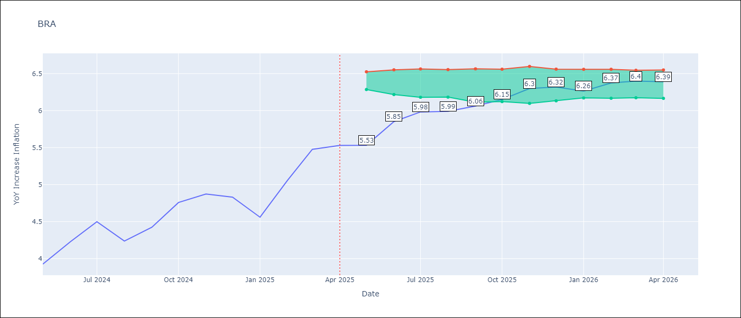

Test Set
RMSE | 0.13
Naive RMSE | 1.12
MAPE | 2.25%

Test Predictions
Date | Predicted | Actual | Bias Vector | Bias Corrected
2025-05-01 | 3.97 | 3.93
2025-06-01 | 4.32 | 4.23
2025-07-01 | 4.45 | 4.5
2025-08-01 | 4.1 | 4.24
2025-09-01 | 4.44 | 4.42
2025-10-01 | 4.87 | 4.76
2025-11-01 | 4.71 | 4.87
2025-12-01 | 4.68 | 4.83
2026-01-01 | 4.63 | 4.56
2026-02-01 | 5.27 | 5.06
2026-03-01 | 5.26 | 5.48
2026-04-01 | 5.51 | 5.53

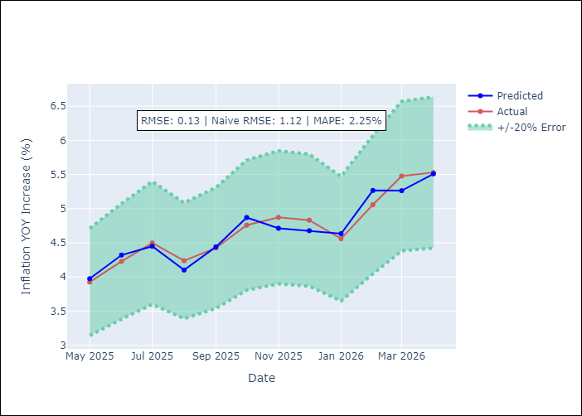
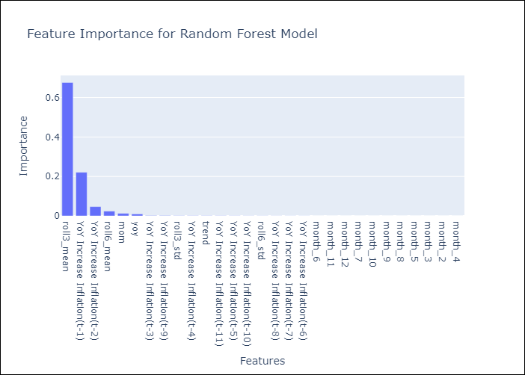

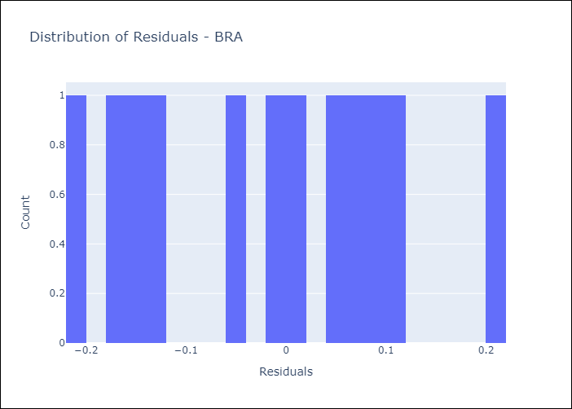
Appendix A: Model Summary
Model | Random Forest w/ Lags
Sample | 1996-01-01 to 2025-04-01
No. of Observations | 352
Residuals
Mean | -0.015141898185
St Dev | 0.12481627343
Kurtosis | -1.0722244648
Skewness | 0.0091778258608

Assumptions | P-value

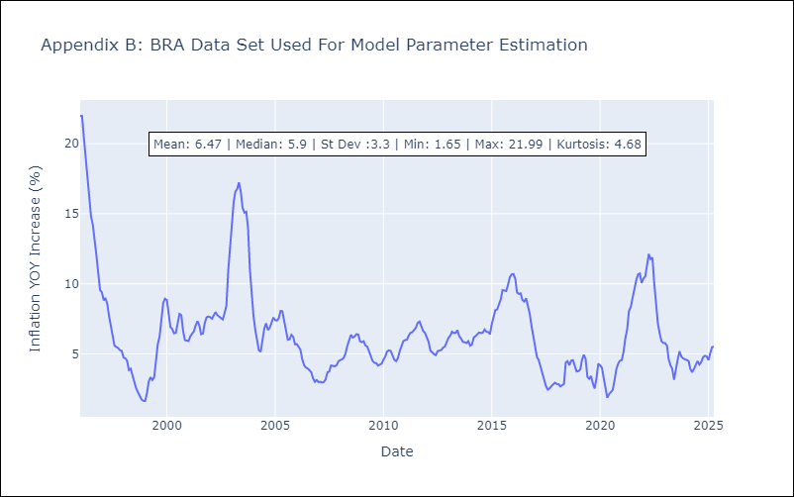

Appendix C: Residuals Analysis
Mean

CHL
CHL - Inflation - Next 12 months forecast as of: 2025-04-01

Model | Random Forest w/ Lags - None
Training Data | 2010-12-01 to 2024-05-01
Test Data | 2024-05-01 to 2025-04-01

Date | Inflation Change YoY % | Lower Bound - 95% Confidence Interval | Upper Bound - 95% Confidence Interval | Bias Corrected Forecast
2025-05-01 | 4.66 | 3.87 | 4.36
2025-06-01 | 4.68 | 3.62 | 4.52
2025-07-01 | 4.54 | 3.54 | 4.6
2025-08-01 | 4.5 | 3.66 | 4.56
2025-09-01 | 4.32 | 3.61 | 4.58
2025-10-01 | 4.26 | 3.68 | 4.56
2025-11-01 | 4.25 | 3.67 | 4.67
2025-12-01 | 4.21 | 3.66 | 4.73
2026-01-01 | 4.22 | 3.66 | 4.73
2026-02-01 | 4.1 | 3.58 | 4.8
2026-03-01 | 4.14 | 3.67 | 4.79
2026-04-01 | 4.06 | 3.59 | 4.75

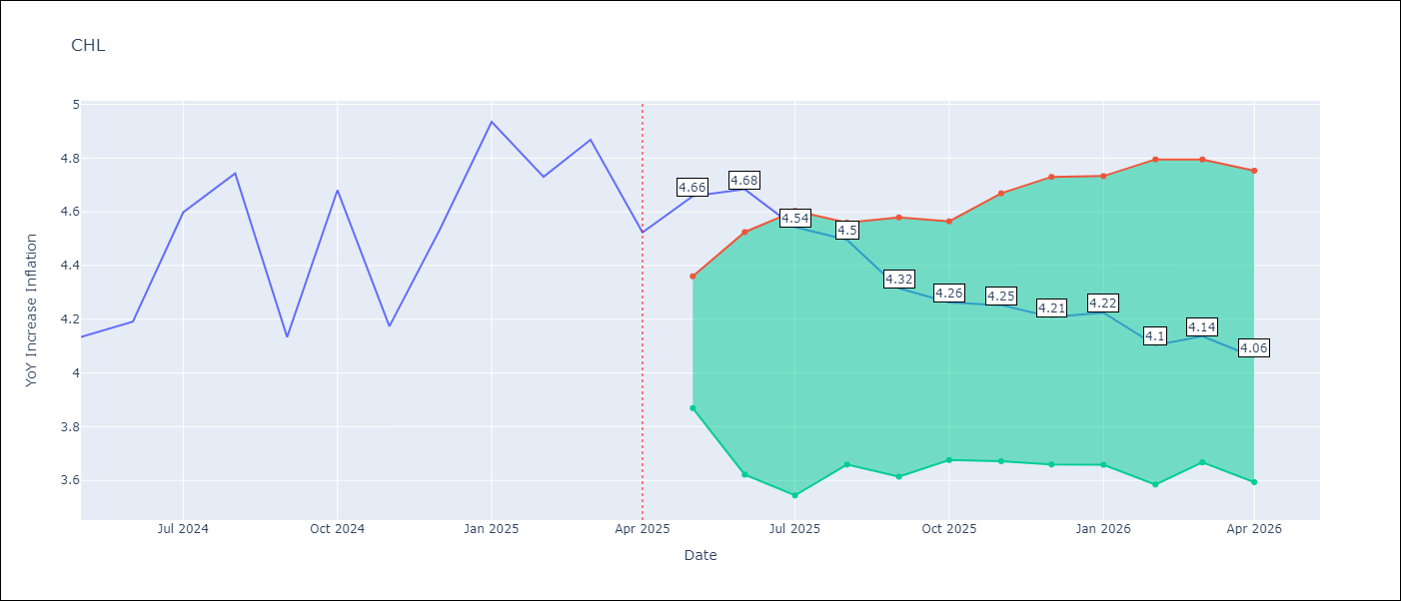

Test Set
RMSE | 0.23
Naive RMSE | 0.62
MAPE | 3.91%

Test Predictions
Date | Predicted | Actual | Bias Vector | Bias Corrected
2025-05-01 | 4.19 | 4.13
2025-06-01 | 4.24 | 4.19
2025-07-01 | 4.32 | 4.6
2025-08-01 | 4.34 | 4.74
2025-09-01 | 3.94 | 4.13
2025-10-01 | 4.37 | 4.68
2025-11-01 | 4.13 | 4.17
2025-12-01 | 4.51 | 4.53
2026-01-01 | 4.48 | 4.94
2026-02-01 | 4.64 | 4.73
2026-03-01 | 4.73 | 4.87
2026-04-01 | 4.64 | 4.52

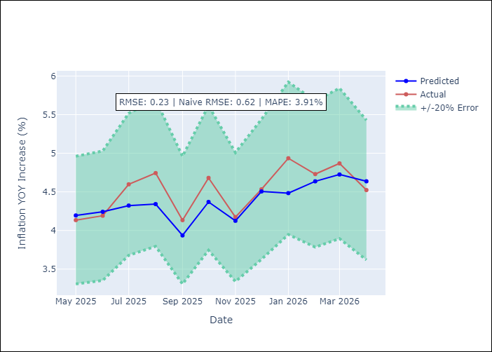
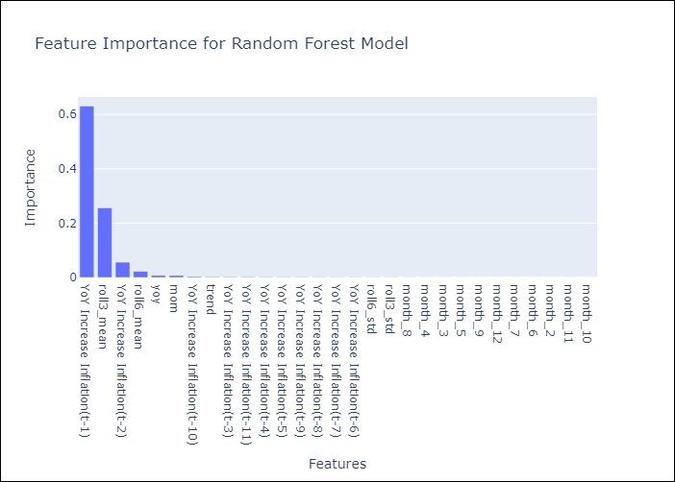

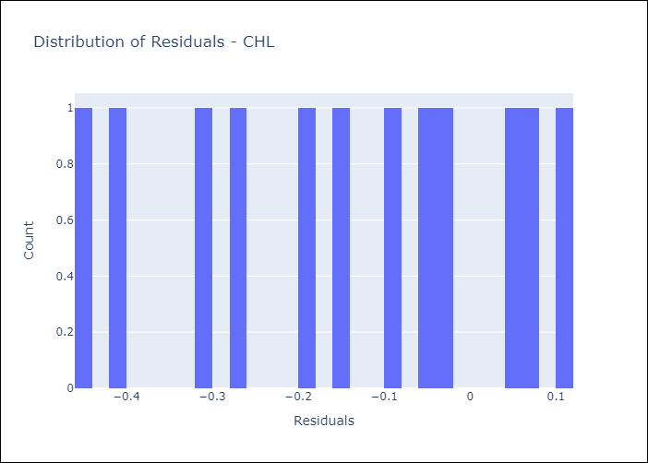
Appendix A: Model Summary
Model | Random Forest w/ Lags
Sample | 2010-12-01 to 2025-04-01
No. of Observations | 173
Residuals
Mean | -0.14380249823
St Dev | 0.17800294149
Kurtosis | -1.1504678723
Skewness | -0.26395895853

Assumptions | P-value

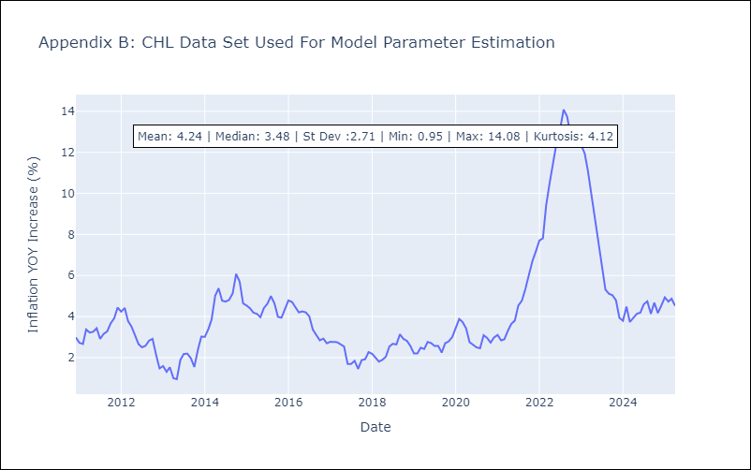

Appendix C: Residuals Analysis
Mean

COL
COL - Inflation - Next 12 months forecast as of: 2025-04-01

Model | Random Forest w/ Lags - None
Training Data | 2004-01-01 to 2024-05-01
Test Data | 2024-05-01 to 2025-04-01

Date | Inflation Change YoY % | Lower Bound - 95% Confidence Interval | Upper Bound - 95% Confidence Interval | Bias Corrected Forecast
2025-05-01 | 5.56 | 4.99 | 5.79
2025-06-01 | 5.69 | 4.83 | 5.83
2025-07-01 | 5.97 | 4.75 | 5.96
2025-08-01 | 6.07 | 4.62 | 6.04
2025-09-01 | 6.13 | 4.51 | 6.26
2025-10-01 | 6.08 | 4.21 | 6.3
2025-11-01 | 6 | 4.14 | 6.3
2025-12-01 | 6.03 | 4.1 | 6.28
2026-01-01 | 5.54 | 4.05 | 6.26
2026-02-01 | 5.4 | 4.06 | 6.29
2026-03-01 | 5.4 | 4.1 | 6.57
2026-04-01 | 5.48 | 4.1 | 6.68

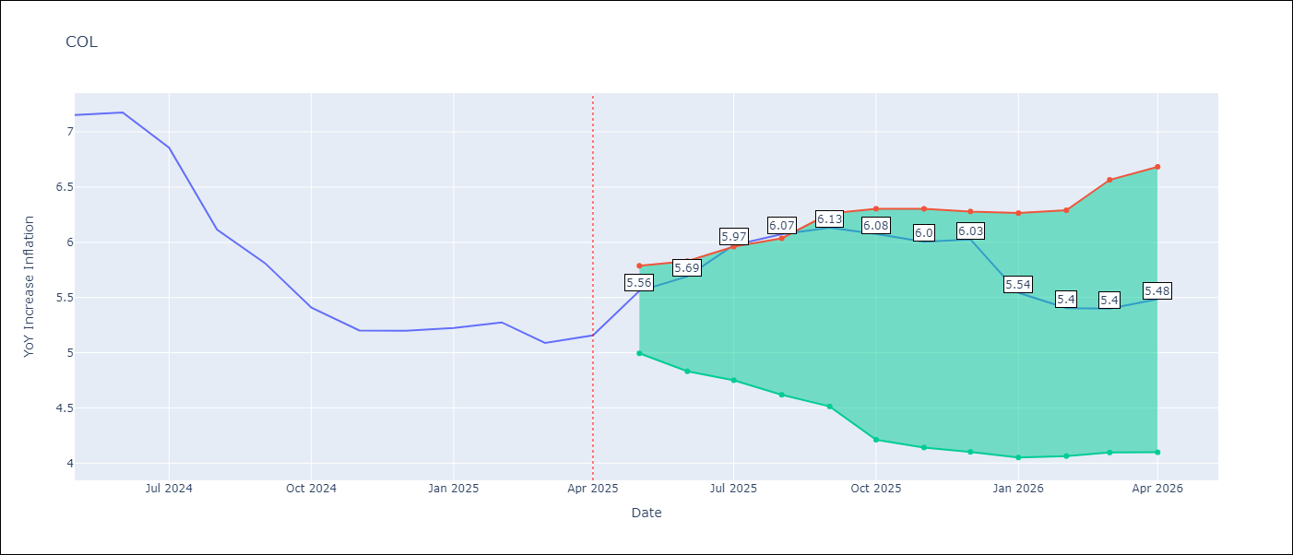

Test Set
RMSE | 0.35
Naive RMSE | 1.57
MAPE | 4.55%

Test Predictions
Date | Predicted | Actual | Bias Vector | Bias Corrected
2025-05-01 | 6.62 | 7.15
2025-06-01 | 6.67 | 7.18
2025-07-01 | 6.6 | 6.86
2025-08-01 | 6.4 | 6.12
2025-09-01 | 5.89 | 5.81
2025-10-01 | 5.43 | 5.41
2025-11-01 | 5.18 | 5.2
2025-12-01 | 5.08 | 5.2
2026-01-01 | 5.26 | 5.22
2026-02-01 | 5.43 | 5.27
2026-03-01 | 5.81 | 5.09
2026-04-01 | 5.66 | 5.16

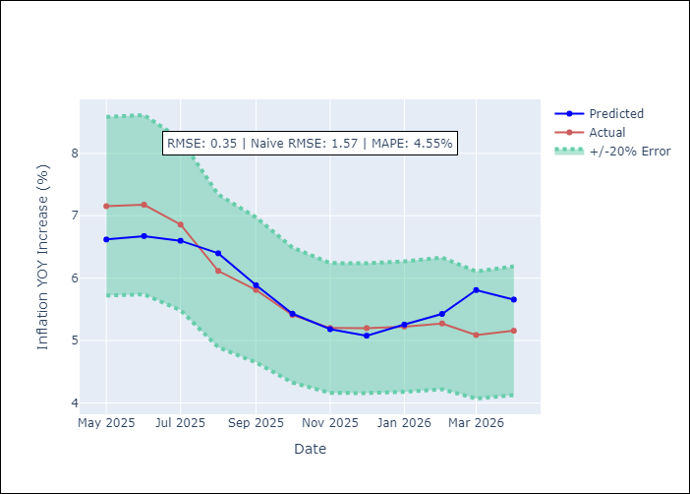
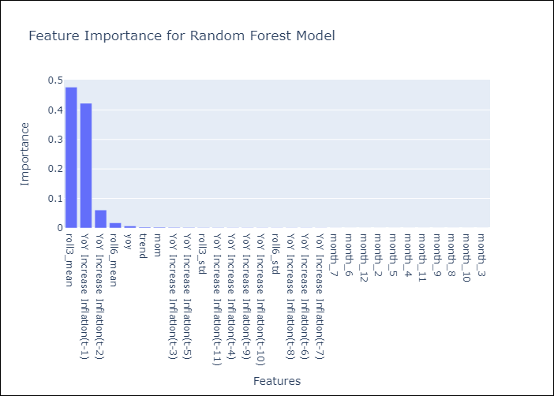

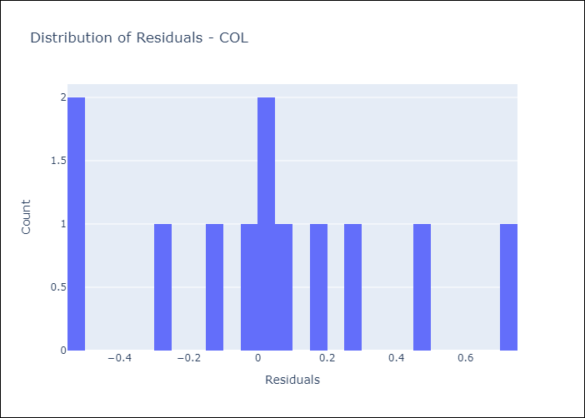
Appendix A: Model Summary
Model | Random Forest w/ Lags
Sample | 2004-01-01 to 2025-04-01
No. of Observations | 256
Residuals
Mean | 0.029083508662
St Dev | 0.35192927584
Kurtosis | -0.45493003099
Skewness | 0.18628027911

Assumptions | P-value

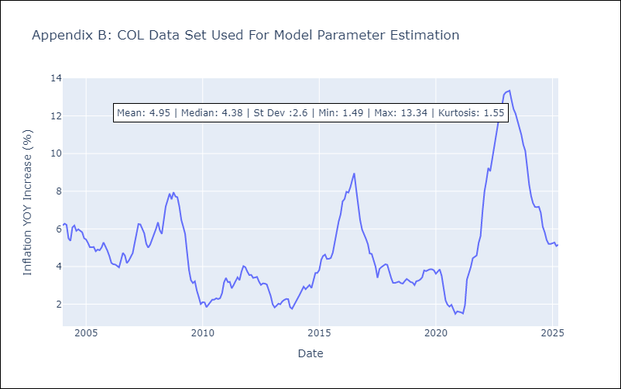

Appendix C: Residuals Analysis
Mean

ECU
ECU - Inflation - Next 12 months forecast as of: 2025-04-01

Model | Random Forest w/ Lags - None
Training Data | 2007-01-01 to 2024-05-01
Test Data | 2024-05-01 to 2025-04-01

Date | Inflation Change YoY % | Lower Bound - 95% Confidence Interval | Upper Bound - 95% Confidence Interval | Bias Corrected Forecast
2025-05-01 | 0.04 | -0.43 | 0.43
2025-06-01 | 0.02 | -0.42 | 0.47
2025-07-01 | -0.17 | -0.61 | 0.49
2025-08-01 | -0.14 | -0.54 | 0.59
2025-09-01 | -0.19 | -0.79 | 0.55
2025-10-01 | -0.19 | -0.84 | 0.68
2025-11-01 | -0.32 | -0.89 | 0.72
2025-12-01 | -0.29 | -0.94 | 0.72
2026-01-01 | -0.19 | -1 | 0.68
2026-02-01 | -0.39 | -0.93 | 0.68
2026-03-01 | -0.02 | -0.96 | 0.61
2026-04-01 | -0.23 | -0.9 | 0.66

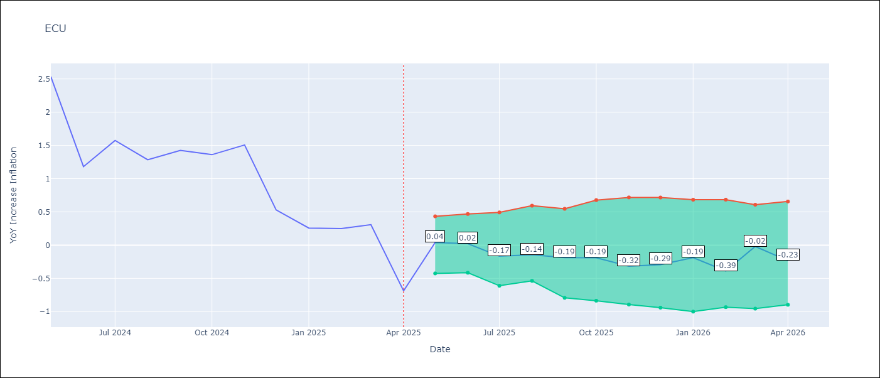

Test Set
RMSE | 0.42
Naive RMSE | 1.97
MAPE | 39.0%

Test Predictions
Date | Predicted | Actual | Bias Vector | Bias Corrected
2025-05-01 | 2.35 | 2.53
2025-06-01 | 2.08 | 1.18
2025-07-01 | 1.68 | 1.57
2025-08-01 | 1.44 | 1.28
2025-09-01 | 1.37 | 1.42
2025-10-01 | 1.45 | 1.36
2025-11-01 | 1.4 | 1.51
2025-12-01 | 1.32 | 0.53
2026-01-01 | 0.26 | 0.26
2026-02-01 | 0.32 | 0.25
2026-03-01 | 0.51 | 0.31
2026-04-01 | 0.03 | -0.69

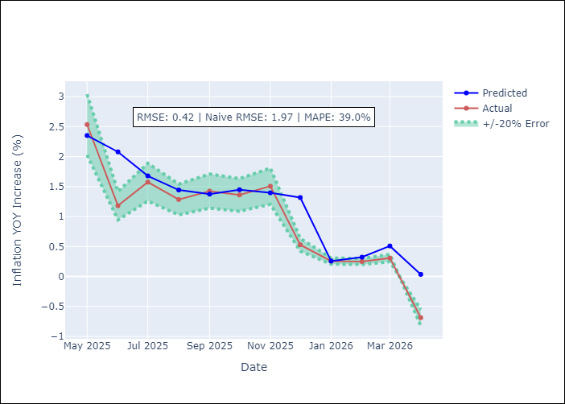
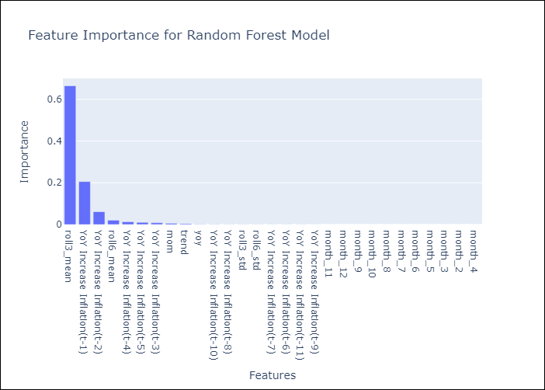

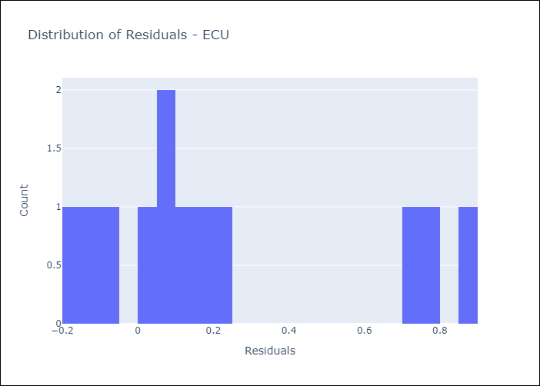
Appendix A: Model Summary
Model | Random Forest w/ Lags
Sample | 2007-01-01 to 2025-04-01
No. of Observations | 220
Residuals
Mean | 0.2239677528
St Dev | 0.35171956053
Kurtosis | -0.7207837266
Skewness | 0.89016034908

Assumptions | P-value

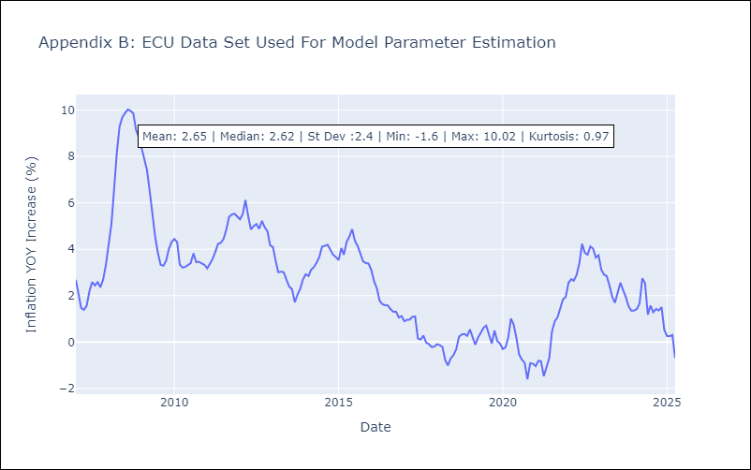

Appendix C: Residuals Analysis
Mean

PER
PER - Inflation - Next 12 months forecast as of: 2025-04-01

Model | Random Forest w/ Lags - None
Training Data | 1992-01-01 to 2024-05-01
Test Data | 2024-05-01 to 2025-04-01

Date | Inflation Change YoY % | Lower Bound - 95% Confidence Interval | Upper Bound - 95% Confidence Interval | Bias Corrected Forecast
2025-05-01 | 1.8 | 1.84 | 2.12
2025-06-01 | 1.8 | 1.78 | 2.15
2025-07-01 | 1.83 | 1.75 | 2.21
2025-08-01 | 1.81 | 1.76 | 2.3
2025-09-01 | 1.8 | 1.77 | 2.37
2025-10-01 | 1.82 | 1.79 | 2.37
2025-11-01 | 1.84 | 1.78 | 2.27
2025-12-01 | 1.84 | 1.77 | 2.28
2026-01-01 | 1.83 | 1.77 | 2.33
2026-02-01 | 1.82 | 1.76 | 2.34
2026-03-01 | 1.91 | 1.76 | 2.36
2026-04-01 | 1.95 | 1.76 | 2.39

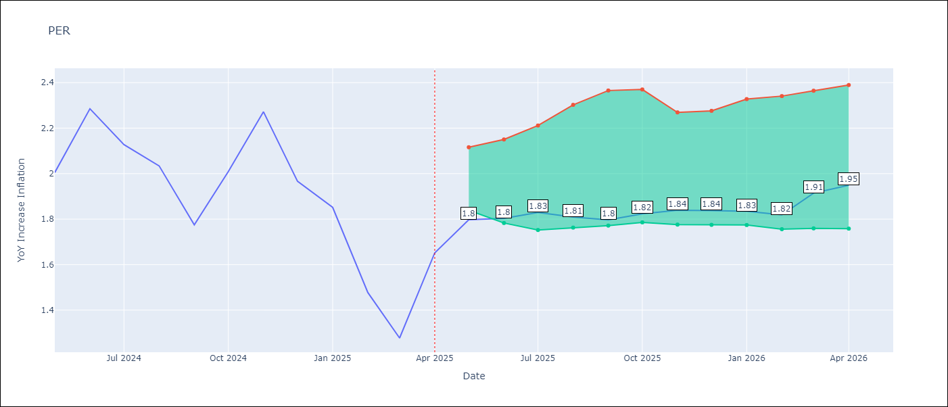

Test Set
RMSE | 0.15
Naive RMSE | 0.6
MAPE | 6.47%

Test Predictions
Date | Predicted | Actual | Bias Vector | Bias Corrected
2025-05-01 | 1.97 | 2
2025-06-01 | 2.31 | 2.29
2025-07-01 | 2.15 | 2.13
2025-08-01 | 2.03 | 2.03
2025-09-01 | 1.61 | 1.78
2025-10-01 | 1.84 | 2.01
2025-11-01 | 1.98 | 2.27
2025-12-01 | 2.07 | 1.97
2026-01-01 | 2.11 | 1.85
2026-02-01 | 1.57 | 1.48
2026-03-01 | 1.41 | 1.28
2026-04-01 | 1.77 | 1.65

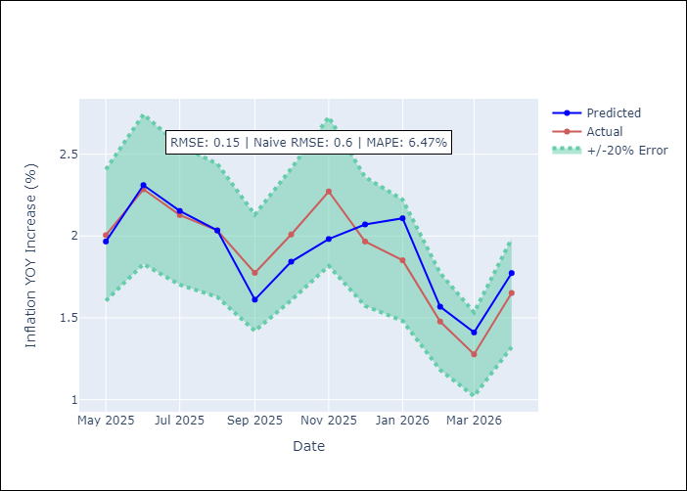
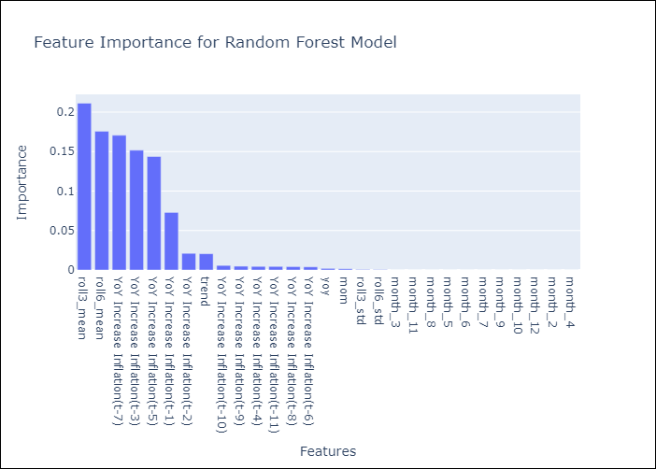

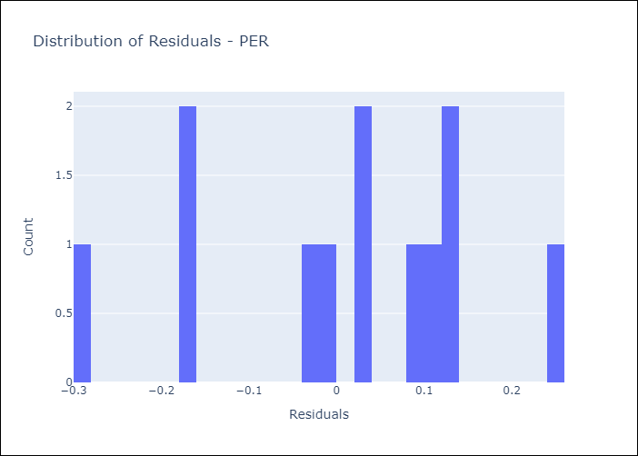
Appendix A: Model Summary
Model | Random Forest w/ Lags
Sample | 1992-01-01 to 2025-04-01
No. of Observations | 400
Residuals
Mean | 0.0081271788834
St Dev | 0.14676415792
Kurtosis | -0.46409604901
Skewness | -0.44639247896

Assumptions | P-value

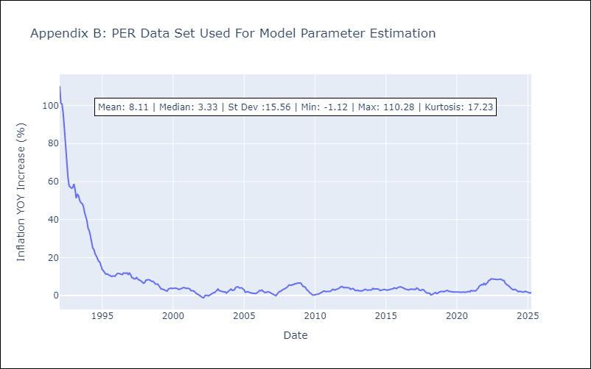

Appendix C: Residuals Analysis
Mean

PRY
PRY - Inflation - Next 12 months forecast as of: 2025-04-01

Model | Random Forest w/ Lags - None
Training Data | 1993-12-01 to 2024-05-01
Test Data | 2024-05-01 to 2025-04-01

Date | Inflation Change YoY % | Lower Bound - 95% Confidence Interval | Upper Bound - 95% Confidence Interval | Bias Corrected Forecast
2025-05-01 | 3.93 | 3.81 | 4.04
2025-06-01 | 3.95 | 3.75 | 4.04
2025-07-01 | 4 | 3.8 | 4.08
2025-08-01 | 3.98 | 3.77 | 4.05
2025-09-01 | 3.97 | 3.8 | 4.04
2025-10-01 | 3.96 | 3.79 | 4.05
2025-11-01 | 4.02 | 3.79 | 4.05
2025-12-01 | 4.09 | 3.79 | 4.05
2026-01-01 | 4.06 | 3.76 | 4.04
2026-02-01 | 4.04 | 3.75 | 4.05
2026-03-01 | 3.99 | 3.78 | 4.05
2026-04-01 | 3.99 | 3.79 | 4.05

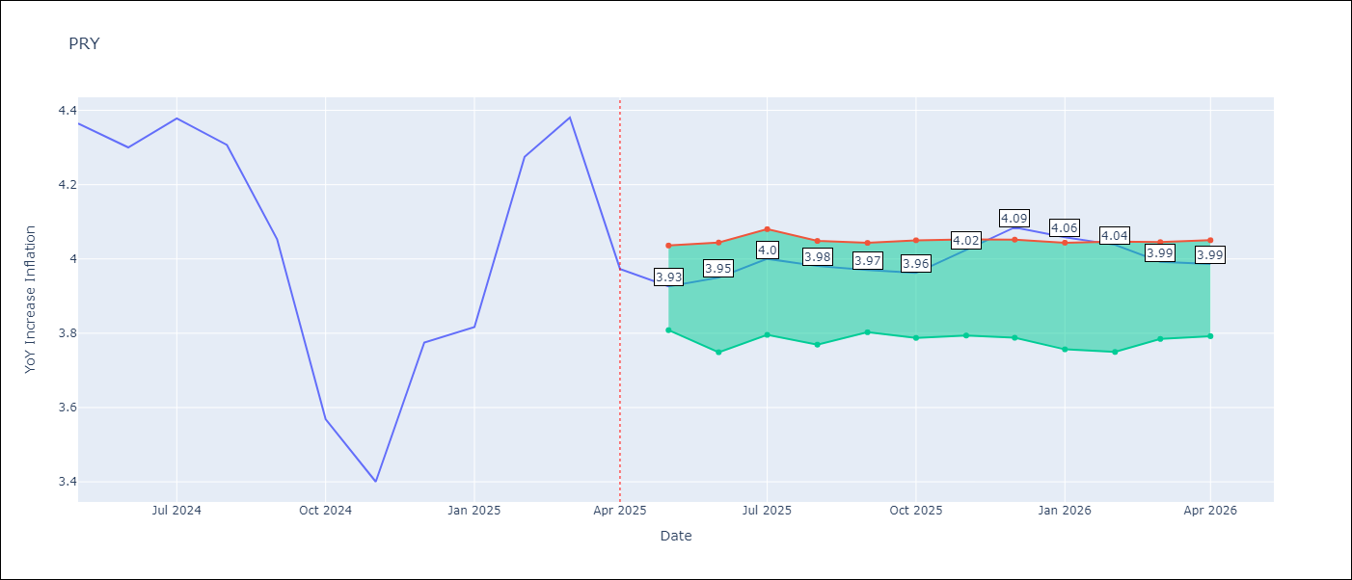

Test Set
RMSE | 0.19
Naive RMSE | 0.34
MAPE | 3.71%

Test Predictions
Date | Predicted | Actual | Bias Vector | Bias Corrected
2025-05-01 | 3.98 | 4.36
2025-06-01 | 4.1 | 4.3
2025-07-01 | 4.27 | 4.38
2025-08-01 | 4.21 | 4.31
2025-09-01 | 4.1 | 4.05
2025-10-01 | 3.62 | 3.57
2025-11-01 | 3.73 | 3.4
2025-12-01 | 3.75 | 3.78
2026-01-01 | 3.94 | 3.82
2026-02-01 | 4.18 | 4.27
2026-03-01 | 4.11 | 4.38
2026-04-01 | 3.89 | 3.97

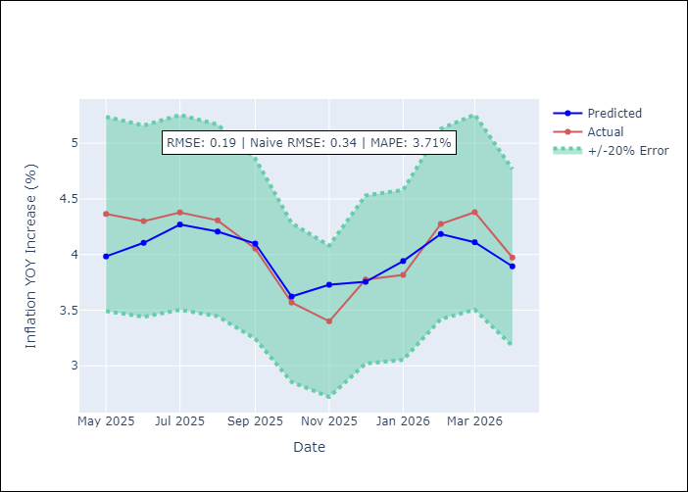
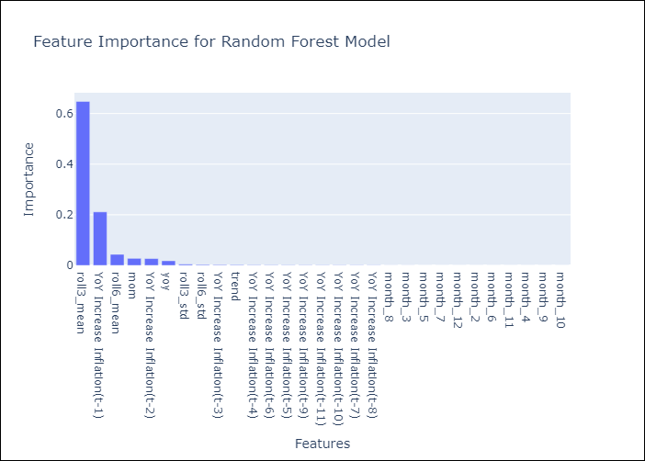

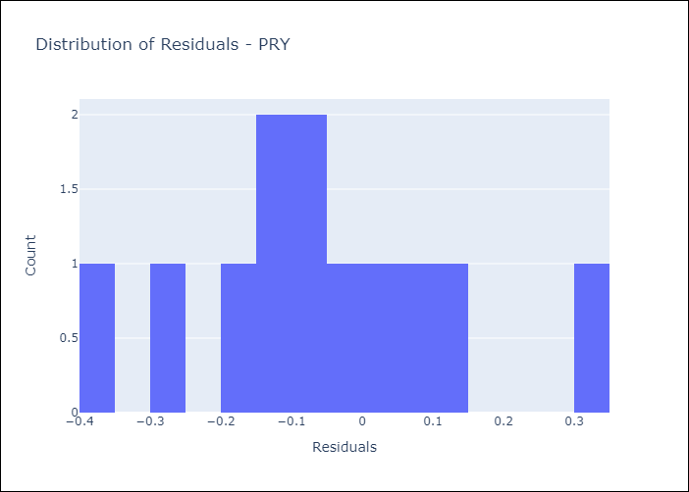
Appendix A: Model Summary
Model | Random Forest w/ Lags
Sample | 1993-12-01 to 2025-04-01
No. of Observations | 377
Residuals
Mean | -0.057925911888
St Dev | 0.17842293266
Kurtosis | 0.0443544018
Skewness | 0.28869799376

Assumptions | P-value

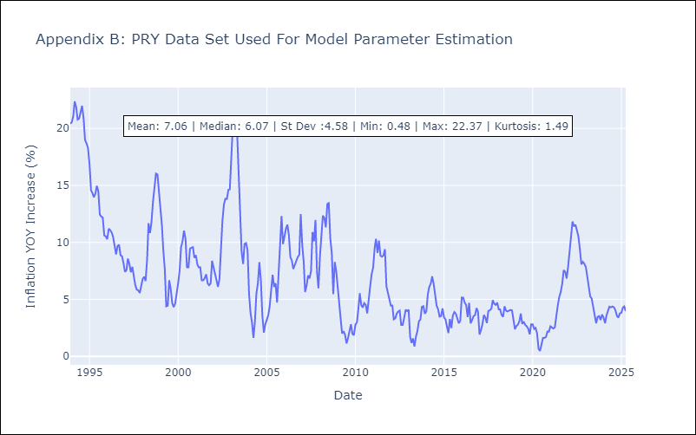

Appendix C: Residuals Analysis
Mean

URY
URY - Inflation - Next 12 months forecast as of: 2025-04-01

Model | Random Forest w/ Lags - None
Training Data | 1990-01-01 to 2024-05-01
Test Data | 2024-05-01 to 2025-04-01

Date | Inflation Change YoY % | Lower Bound - 95% Confidence Interval | Upper Bound - 95% Confidence Interval | Bias Corrected Forecast
2025-05-01 | 5.1 | 5.1 | 5.66
2025-06-01 | 5.14 | 4.97 | 5.78
2025-07-01 | 5.27 | 4.86 | 5.85
2025-08-01 | 5.28 | 4.87 | 5.95
2025-09-01 | 5.25 | 4.84 | 6.09
2025-10-01 | 5.17 | 4.87 | 6.4
2025-11-01 | 5.15 | 4.87 | 6.58
2025-12-01 | 5.21 | 4.85 | 6.57
2026-01-01 | 5.27 | 4.86 | 6.62
2026-02-01 | 5.31 | 4.84 | 6.66
2026-03-01 | 5.32 | 4.84 | 6.71
2026-04-01 | 5.28 | 4.84 | 6.81

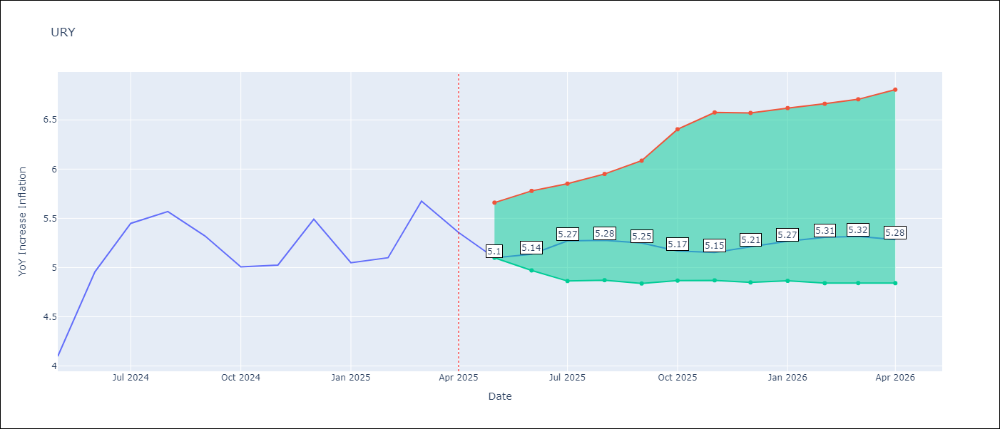

Test Set
RMSE | 0.31
Naive RMSE | 1.55
MAPE | 4.65%

Test Predictions
Date | Predicted | Actual | Bias Vector | Bias Corrected
2025-05-01 | 4.13 | 4.1
2025-06-01 | 4.37 | 4.96
2025-07-01 | 4.94 | 5.45
2025-08-01 | 5.44 | 5.57
2025-09-01 | 5.35 | 5.32
2025-10-01 | 5.22 | 5.01
2025-11-01 | 5.5 | 5.03
2025-12-01 | 5.4 | 5.49
2026-01-01 | 5.07 | 5.05
2026-02-01 | 5.3 | 5.1
2026-03-01 | 5.34 | 5.67
2026-04-01 | 5.06 | 5.36

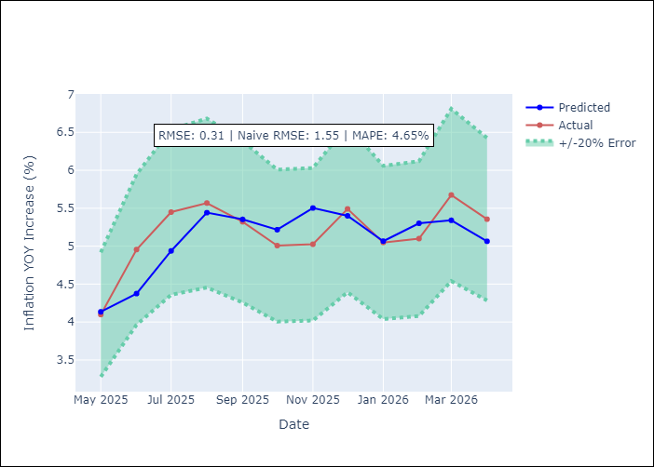
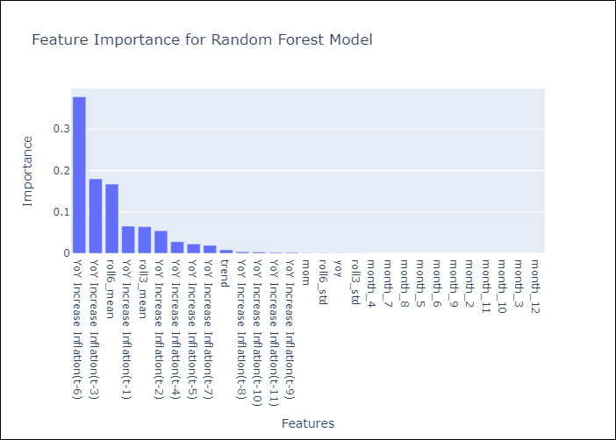

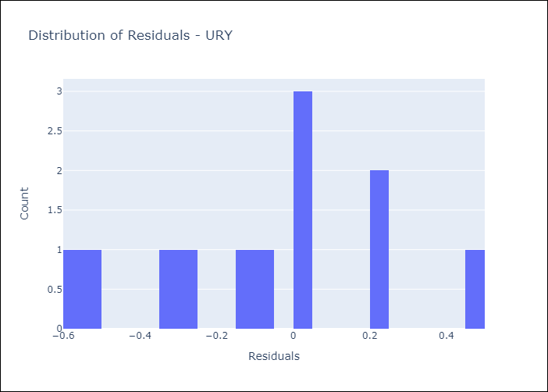
Appendix A: Model Summary
Model | Random Forest w/ Lags
Sample | 1990-01-01 to 2025-04-01
No. of Observations | 424
Residuals
Mean | -0.080141057271
St Dev | 0.29682180203
Kurtosis | -0.70580440457
Skewness | -0.023883548023

Assumptions | P-value

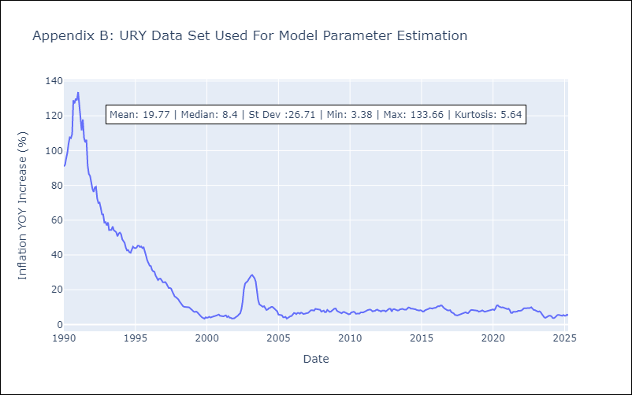

Appendix C: Residuals Analysis
Mean

