DOM
DOM - Inflation - Next 12 months forecast as of: 2025-04-01

Model | Random Forest w/ Lags - None
Training Data | 1992-01-01 to 2024-05-01
Test Data | 2024-05-01 to 2025-04-01

Date | Inflation Change YoY % | Lower Bound - 95% Confidence Interval | Upper Bound - 95% Confidence Interval | Bias Corrected Forecast
2025-05-01 | 3.68 | 3.2 | 3.52
2025-06-01 | 3.63 | 3.1 | 3.61
2025-07-01 | 3.67 | 3.02 | 3.62
2025-08-01 | 3.6 | 2.99 | 3.73
2025-09-01 | 3.57 | 2.92 | 3.86
2025-10-01 | 3.52 | 2.86 | 3.97
2025-11-01 | 3.49 | 2.85 | 4.02
2025-12-01 | 3.39 | 2.83 | 4.13
2026-01-01 | 3.3 | 2.85 | 4.18
2026-02-01 | 3.28 | 2.82 | 4.17
2026-03-01 | 3.28 | 2.9 | 4.21
2026-04-01 | 3.3 | 2.85 | 4.23

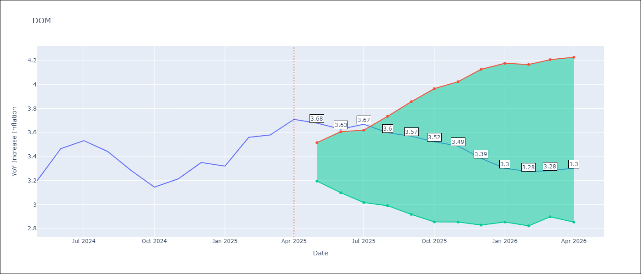

Test Set
RMSE | 0.1
Naive RMSE | 0.42
MAPE | 2.37%

Test Predictions
Date | Predicted | Actual | Bias Vector | Bias Corrected
2025-05-01 | 3.19 | 3.2
2025-06-01 | 3.39 | 3.47
2025-07-01 | 3.36 | 3.53
2025-08-01 | 3.41 | 3.44
2025-09-01 | 3.27 | 3.28
2025-10-01 | 3.2 | 3.15
2025-11-01 | 3.14 | 3.21
2025-12-01 | 3.24 | 3.35
2026-01-01 | 3.27 | 3.32
2026-02-01 | 3.39 | 3.56
2026-03-01 | 3.41 | 3.58
2026-04-01 | 3.66 | 3.71

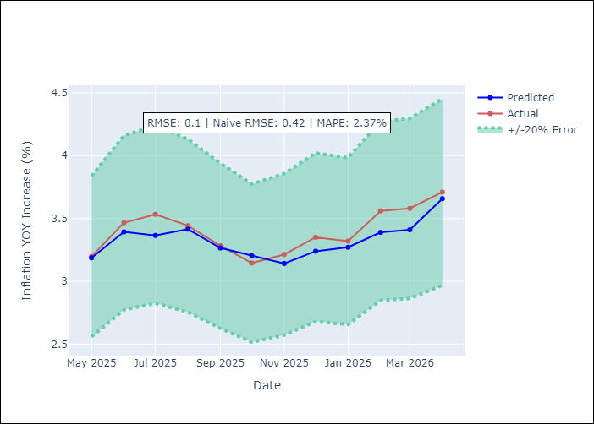
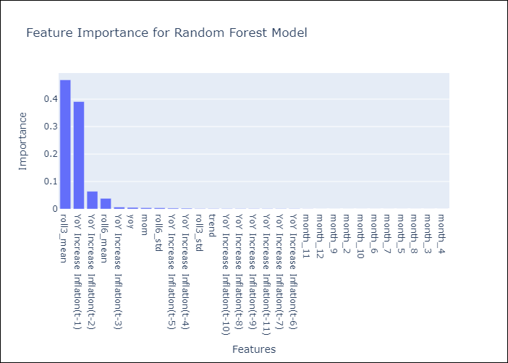

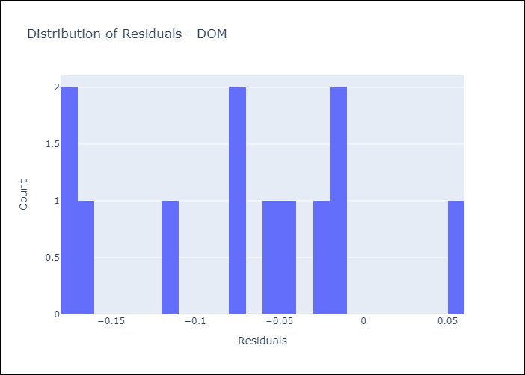
Appendix A: Model Summary
Model | Random Forest w/ Lags
Sample | 1992-01-01 to 2025-04-01
No. of Observations | 400
Residuals
Mean | -0.072155020657
St Dev | 0.068635474618
Kurtosis | -0.79237965641
Skewness | -0.034678769262

Assumptions | P-value

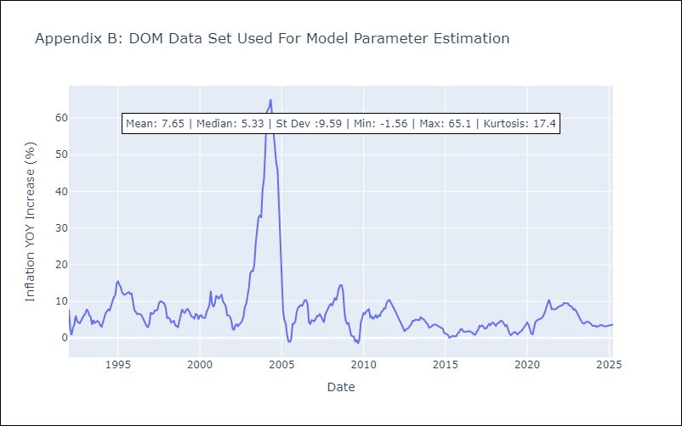

Appendix C: Residuals Analysis
Mean

GTM
GTM - Inflation - Next 12 months forecast as of: 2025-04-01

Model | Random Forest w/ Lags - None
Training Data | 1992-07-01 to 2024-05-01
Test Data | 2024-05-01 to 2025-04-01

Date | Inflation Change YoY % | Lower Bound - 95% Confidence Interval | Upper Bound - 95% Confidence Interval | Bias Corrected Forecast
2025-05-01 | 2.02 | 3.62 | 4.07
2025-06-01 | 2.18 | 3.7 | 4.23
2025-07-01 | 2.25 | 3.68 | 4.3
2025-08-01 | 2.3 | 3.62 | 4.43
2025-09-01 | 2.51 | 3.62 | 4.52
2025-10-01 | 2.75 | 3.62 | 4.6
2025-11-01 | 2.87 | 3.59 | 4.63
2025-12-01 | 3.13 | 3.58 | 4.62
2026-01-01 | 3.29 | 3.58 | 4.65
2026-02-01 | 3.43 | 3.59 | 4.66
2026-03-01 | 3.71 | 3.59 | 4.65
2026-04-01 | 3.81 | 3.6 | 4.65

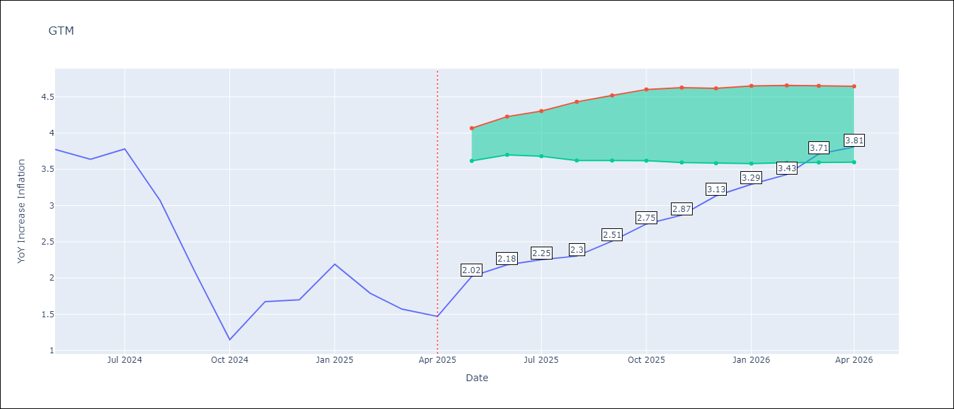

Test Set
RMSE | 0.37
Naive RMSE | 1.4
MAPE | 18.84%

Test Predictions
Date | Predicted | Actual | Bias Vector | Bias Corrected
2025-05-01 | 3.56 | 3.77
2025-06-01 | 3.52 | 3.64
2025-07-01 | 3.81 | 3.78
2025-08-01 | 3.1 | 3.07
2025-09-01 | 2.35 | 2.07
2025-10-01 | 1.84 | 1.15
2025-11-01 | 2.09 | 1.67
2025-12-01 | 2.06 | 1.7
2026-01-01 | 2.24 | 2.19
2026-02-01 | 2.21 | 1.79
2026-03-01 | 2.07 | 1.57
2026-04-01 | 2.03 | 1.47

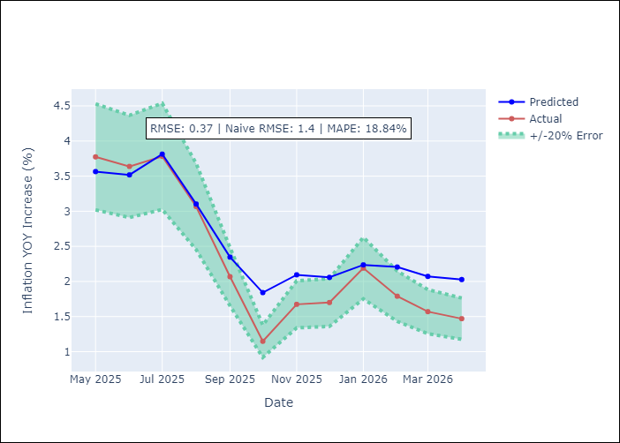
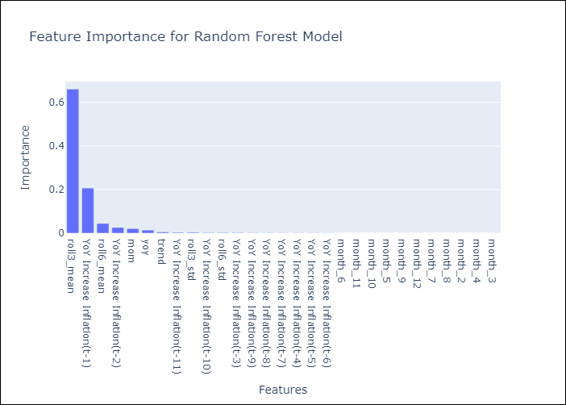

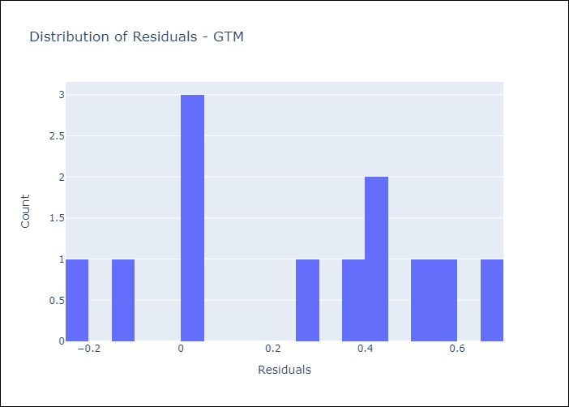
Appendix A: Model Summary
Model | Random Forest w/ Lags
Sample | 1992-07-01 to 2025-04-01
No. of Observations | 394
Residuals
Mean | 0.25068751167
St Dev | 0.27493827463
Kurtosis | -1.2068021991
Skewness | -0.14337647284

Assumptions | P-value

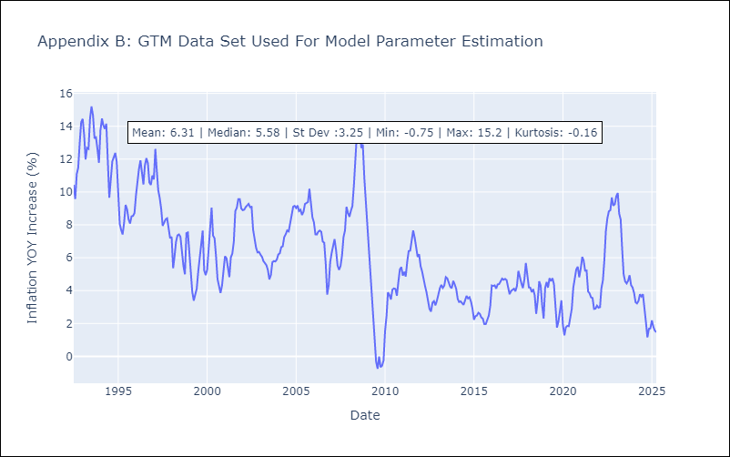

Appendix C: Residuals Analysis
Mean

HND
HND - Inflation - Next 12 months forecast as of: 2025-04-01

Model | Random Forest w/ Lags - None
Training Data | 1992-07-01 to 2024-05-01
Test Data | 2024-05-01 to 2025-04-01

Date | Inflation Change YoY % | Lower Bound - 95% Confidence Interval | Upper Bound - 95% Confidence Interval | Bias Corrected Forecast
2025-05-01 | 4.45 | 4.38 | 4.59
2025-06-01 | 4.47 | 4.32 | 4.62
2025-07-01 | 4.45 | 4.32 | 4.65
2025-08-01 | 4.42 | 4.31 | 4.7
2025-09-01 | 4.44 | 4.31 | 4.74
2025-10-01 | 4.46 | 4.3 | 4.79
2025-11-01 | 4.49 | 4.26 | 4.8
2025-12-01 | 4.51 | 4.21 | 4.83
2026-01-01 | 4.52 | 4.18 | 4.85
2026-02-01 | 4.5 | 4.15 | 4.83
2026-03-01 | 4.48 | 4.11 | 4.84
2026-04-01 | 4.49 | 4.09 | 4.85

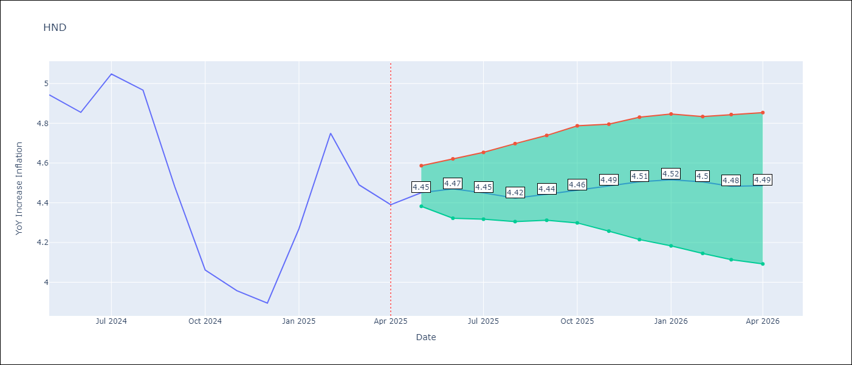

Test Set
RMSE | 0.13
Naive RMSE | 0.51
MAPE | 2.45%

Test Predictions
Date | Predicted | Actual | Bias Vector | Bias Corrected
2025-05-01 | 4.88 | 4.94
2025-06-01 | 4.9 | 4.86
2025-07-01 | 4.94 | 5.05
2025-08-01 | 4.89 | 4.97
2025-09-01 | 4.68 | 4.48
2025-10-01 | 4.35 | 4.06
2025-11-01 | 4.05 | 3.96
2025-12-01 | 3.98 | 3.89
2026-01-01 | 4.12 | 4.27
2026-02-01 | 4.65 | 4.75
2026-03-01 | 4.47 | 4.49
2026-04-01 | 4.46 | 4.39

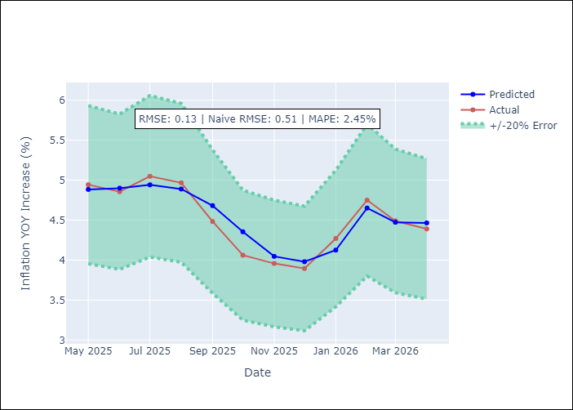
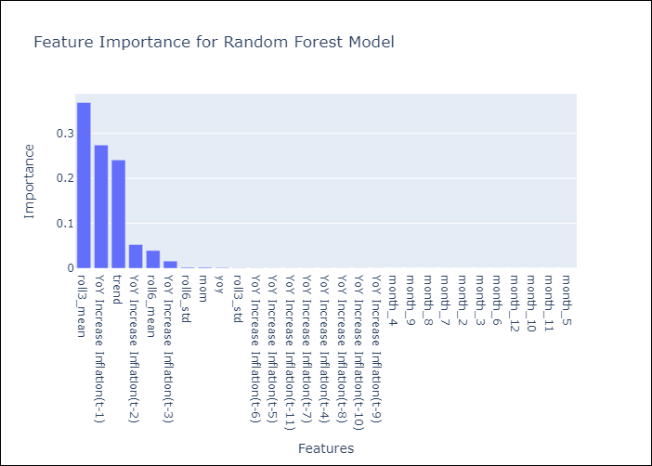

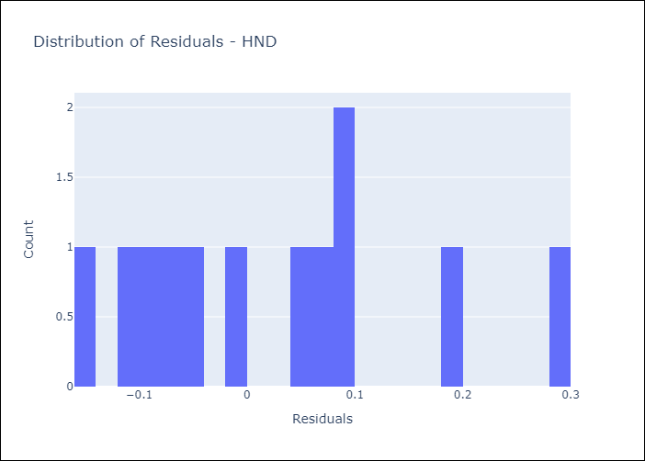
Appendix A: Model Summary
Model | Random Forest w/ Lags
Sample | 1992-07-01 to 2025-04-01
No. of Observations | 394
Residuals
Mean | 0.023159269057
St Dev | 0.12699049073
Kurtosis | -0.52363638266
Skewness | 0.61605480866

Assumptions | P-value

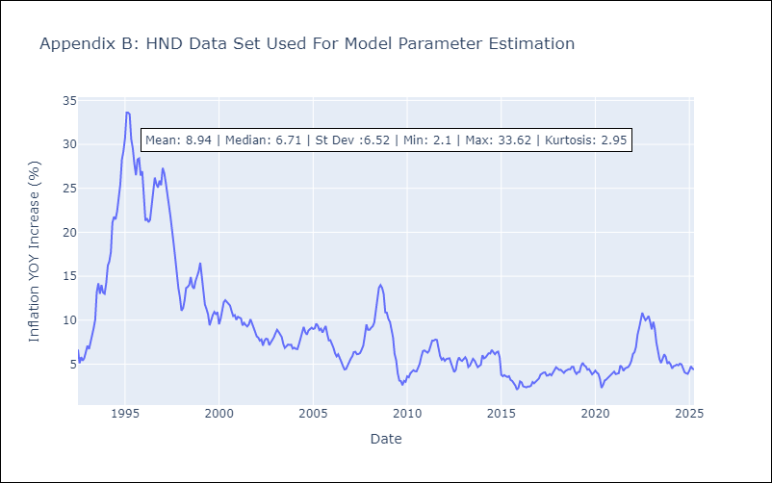

Appendix C: Residuals Analysis
Mean

HTI
HTI - Inflation - Next 12 months forecast as of: 2024-03-01

Model | Random Forest w/ Lags - None
Training Data | 1996-01-01 to 2023-04-01
Test Data | 2023-04-01 to 2024-03-01

Date | Inflation Change YoY % | Lower Bound - 95% Confidence Interval | Upper Bound - 95% Confidence Interval | Bias Corrected Forecast
2024-04-01 | 24.76 | 24.78 | 30.94
2024-05-01 | 26.34 | 24.57 | 31.3
2024-06-01 | 25.92 | 24.3 | 33.47
2024-07-01 | 26.18 | 23.67 | 36.22
2024-08-01 | 26.22 | 23.57 | 37.91
2024-09-01 | 26.27 | 23.24 | 39.42
2024-10-01 | 26.29 | 23.16 | 41.06
2024-11-01 | 26.33 | 23.03 | 41.94
2024-12-01 | 26.38 | 22.97 | 42.39
2025-01-01 | 26.54 | 22.89 | 42.92
2025-02-01 | 26.67 | 22.85 | 42.98
2025-03-01 | 26.7 | 22.82 | 42.98

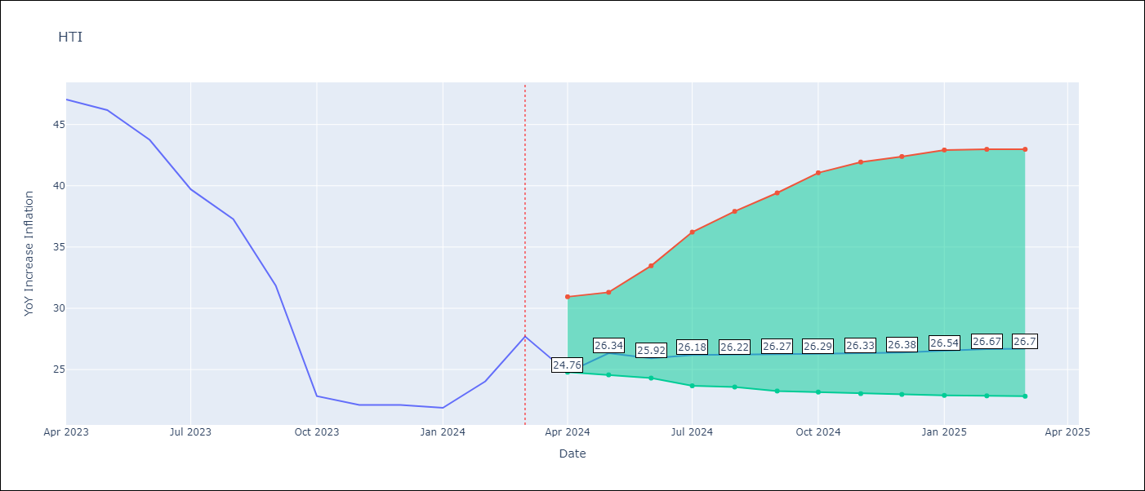

Test Set
RMSE | 4.98
Naive RMSE | 18.56
MAPE | 12.66%

Test Predictions
Date | Predicted | Actual | Bias Vector | Bias Corrected
2024-04-01 | 40.2 | 47.04
2024-05-01 | 40.26 | 46.18
2024-06-01 | 40.2 | 43.75
2024-07-01 | 40.2 | 39.71
2024-08-01 | 39.63 | 37.27
2024-09-01 | 37.38 | 31.86
2024-10-01 | 34.41 | 22.83
2024-11-01 | 26.76 | 22.12
2024-12-01 | 23.05 | 22.12
2025-01-01 | 22.09 | 21.87
2025-02-01 | 23.27 | 24.04
2025-03-01 | 24.54 | 27.7

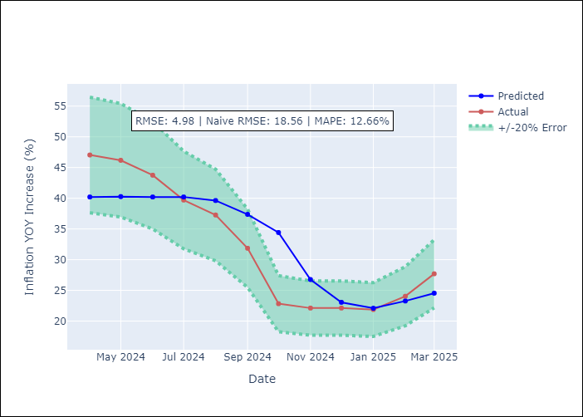
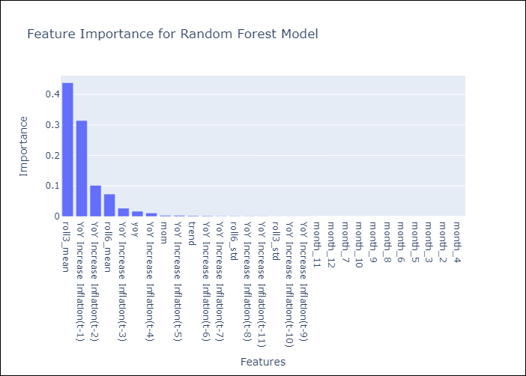

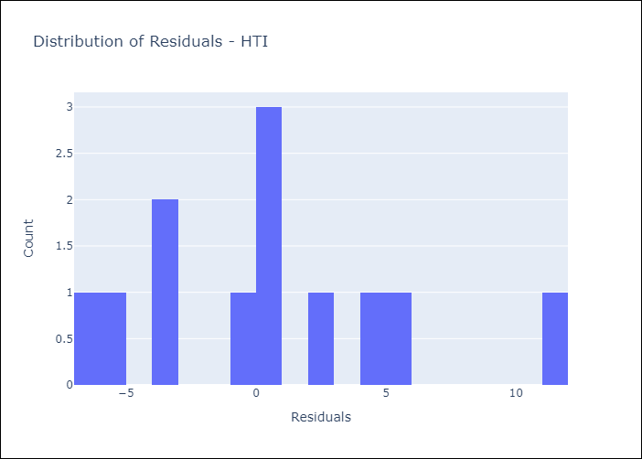
Appendix A: Model Summary
Model | Random Forest w/ Lags
Sample | 1996-01-01 to 2024-03-01
No. of Observations | 339
Residuals
Mean | 0.46147213069
St Dev | 4.9607398002
Kurtosis | -0.080897175062
Skewness | 0.56337084984

Assumptions | P-value

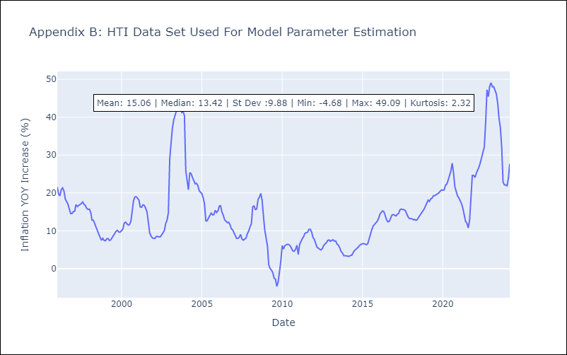

Appendix C: Residuals Analysis
Mean

MEX
MEX - Inflation - Next 12 months forecast as of: 2025-04-01

Model | Random Forest w/ Lags - None
Training Data | 1990-01-01 to 2024-05-01
Test Data | 2024-05-01 to 2025-04-01

Date | Inflation Change YoY % | Lower Bound - 95% Confidence Interval | Upper Bound - 95% Confidence Interval | Bias Corrected Forecast
2025-05-01 | 3.96 | 3.57 | 3.79
2025-06-01 | 3.87 | 3.43 | 3.91
2025-07-01 | 3.84 | 3.41 | 3.97
2025-08-01 | 3.8 | 3.42 | 4
2025-09-01 | 3.71 | 3.4 | 4.05
2025-10-01 | 3.69 | 3.39 | 4.07
2025-11-01 | 3.63 | 3.38 | 4.08
2025-12-01 | 3.62 | 3.37 | 4.06
2026-01-01 | 3.64 | 3.36 | 4.05
2026-02-01 | 3.67 | 3.37 | 4.05
2026-03-01 | 3.67 | 3.38 | 4.08
2026-04-01 | 3.68 | 3.37 | 4.1

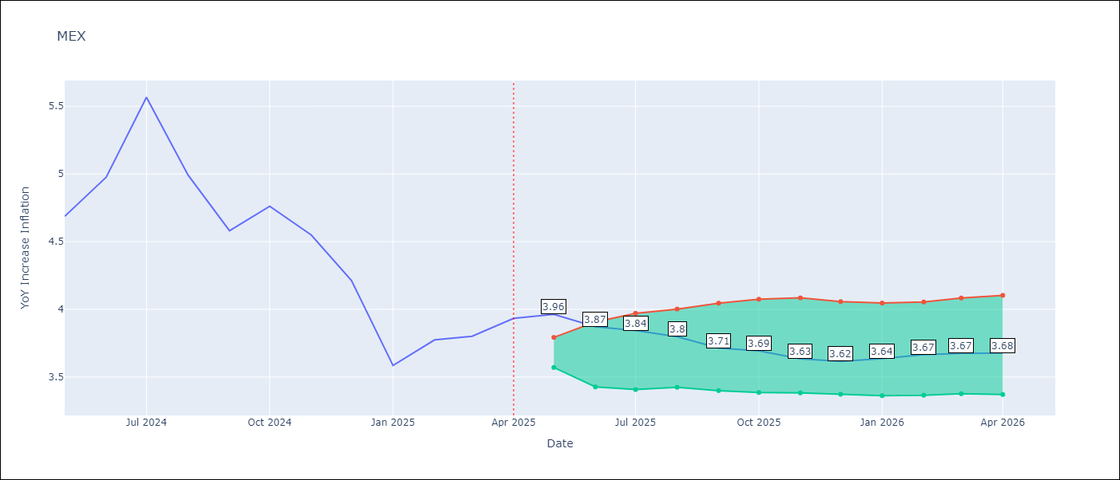

Test Set
RMSE | 0.12
Naive RMSE | 0.61
MAPE | 2.15%

Test Predictions
Date | Predicted | Actual | Bias Vector | Bias Corrected
2025-05-01 | 4.71 | 4.69
2025-06-01 | 5.02 | 4.98
2025-07-01 | 5.43 | 5.57
2025-08-01 | 5.08 | 4.99
2025-09-01 | 4.76 | 4.58
2025-10-01 | 4.94 | 4.76
2025-11-01 | 4.54 | 4.55
2025-12-01 | 4.3 | 4.21
2026-01-01 | 3.68 | 3.59
2026-02-01 | 4 | 3.77
2026-03-01 | 3.76 | 3.8
2026-04-01 | 3.93 | 3.93

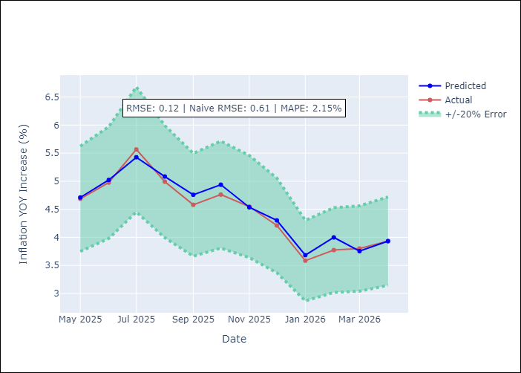
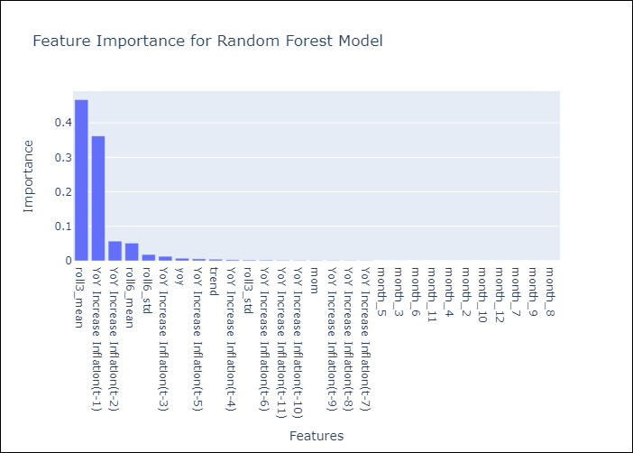

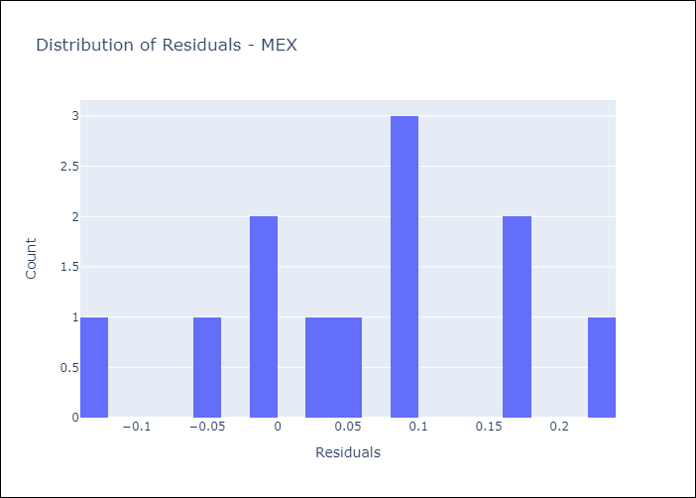
Appendix A: Model Summary
Model | Random Forest w/ Lags
Sample | 1990-01-01 to 2025-04-01
No. of Observations | 424
Residuals
Mean | 0.061053215122
St Dev | 0.099866119069
Kurtosis | -0.58395911883
Skewness | -0.18837697035

Assumptions | P-value

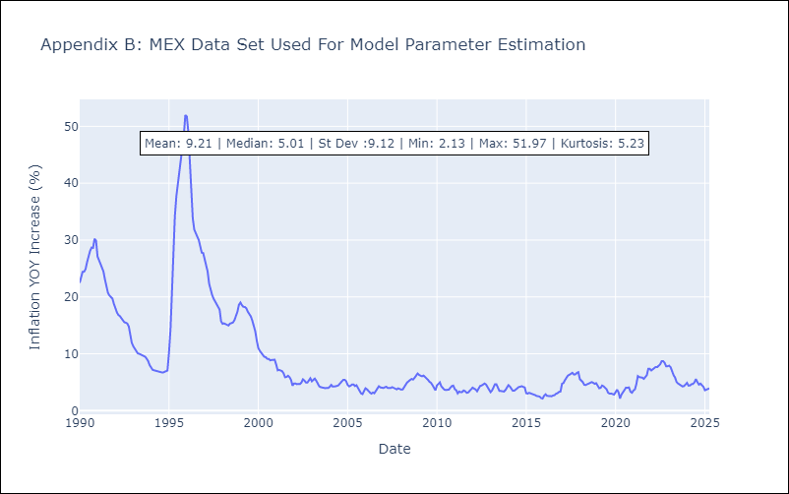

Appendix C: Residuals Analysis
Mean

NIC
NIC - Inflation - Next 12 months forecast as of: 2025-04-01

Model | Random Forest w/ Lags - None
Training Data | 2010-12-01 to 2024-04-01
Test Data | 2024-04-01 to 2025-04-01

Date | Inflation Change YoY % | Lower Bound - 95% Confidence Interval | Upper Bound - 95% Confidence Interval | Bias Corrected Forecast
2025-05-01 | 2.79 | 3.61 | 4.21
2025-06-01 | 3.19 | 3.54 | 4.28
2025-07-01 | 3.37 | 3.53 | 4.31
2025-08-01 | 3.34 | 3.44 | 4.38
2025-09-01 | 3.5 | 3.4 | 4.44
2025-10-01 | 3.56 | 3.32 | 4.41
2025-11-01 | 3.6 | 3.34 | 4.42
2025-12-01 | 3.64 | 3.32 | 4.44
2026-01-01 | 3.53 | 3.27 | 4.42
2026-02-01 | 3.7 | 3.26 | 4.43
2026-03-01 | 3.91 | 3.24 | 4.46
2026-04-01 | 3.88 | 3.2 | 4.57

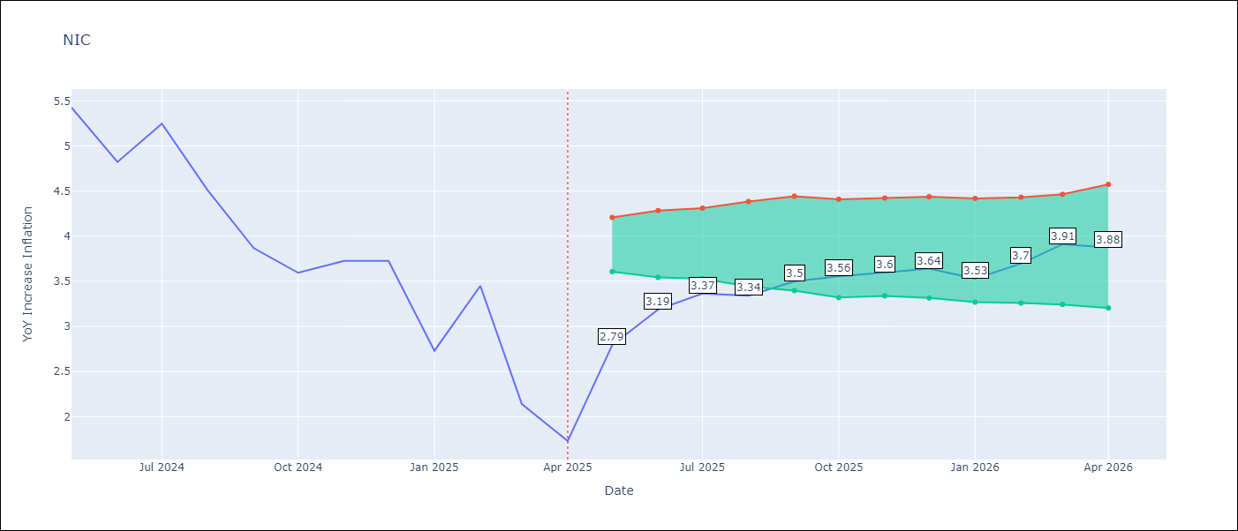

Test Set
RMSE | 0.45
Naive RMSE | 1.95
MAPE | 12.87%

Test Predictions
Date | Predicted | Actual | Bias Vector | Bias Corrected
2025-05-01 | 5.11 | 5.42
2025-06-01 | 5.22 | 5.43
2025-07-01 | 5 | 4.82
2025-08-01 | 5.43 | 5.25
2025-09-01 | 4.53 | 4.51
2025-10-01 | 3.47 | 3.87
2025-11-01 | 3.5 | 3.59
2025-12-01 | 3.46 | 3.73
2026-01-01 | 3.13 | 2.73
2026-02-01 | 3.54 | 3.45
2026-03-01 | 2.94 | 2.14
2026-04-01 | 2.82 | 1.73

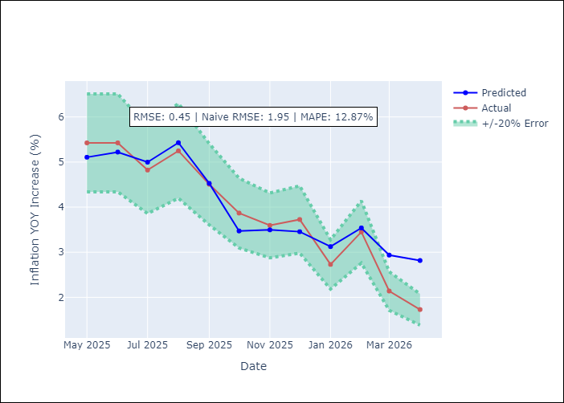
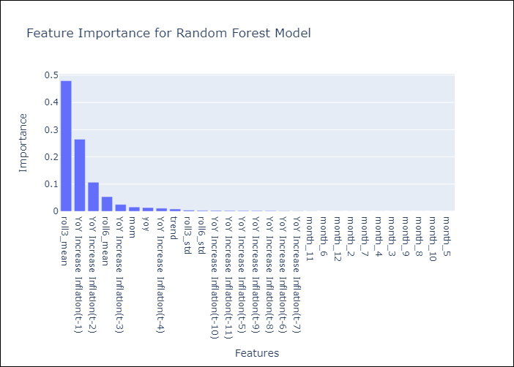

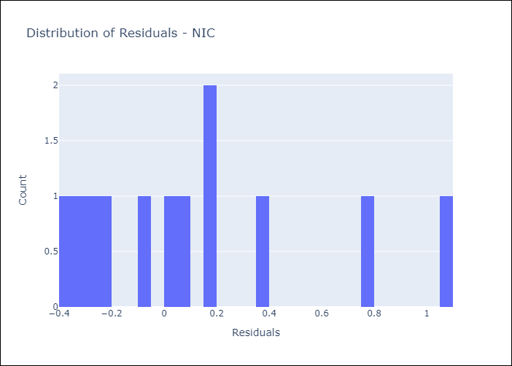
Appendix A: Model Summary
Model | Random Forest w/ Lags
Sample | 2010-12-01 to 2025-04-01
No. of Observations | 172
Residuals
Mean | 0.12132608465
St Dev | 0.43301811328
Kurtosis | -0.086894824693
Skewness | 0.92255160545

Assumptions | P-value

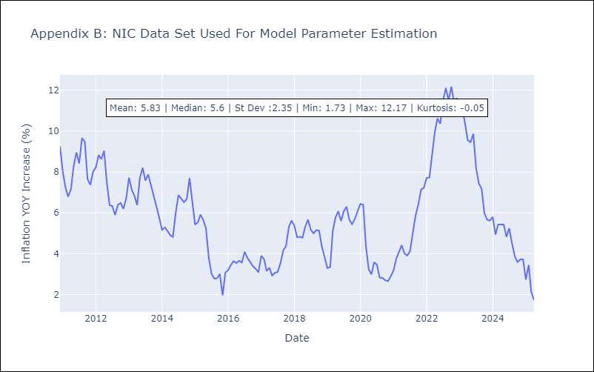

Appendix C: Residuals Analysis
Mean

PAN
PAN - Inflation - Next 12 months forecast as of: 2025-04-01

Model | Random Forest w/ Lags - None
Training Data | 1992-07-01 to 2024-05-01
Test Data | 2024-05-01 to 2025-04-01

Date | Inflation Change YoY % | Lower Bound - 95% Confidence Interval | Upper Bound - 95% Confidence Interval | Bias Corrected Forecast
2025-05-01 | -0.55 | -2.1 | -1.25
2025-06-01 | -0.55 | -2.19 | -1.49
2025-07-01 | -0.71 | -2.06 | -1.35
2025-08-01 | -0.7 | -2.03 | -1.32
2025-09-01 | -0.57 | -2.02 | -1.17
2025-10-01 | -1.25 | -2.02 | -1.07
2025-11-01 | -1.51 | -1.96 | -0.75
2025-12-01 | -1.9 | -1.96 | -0.41
2026-01-01 | -2.05 | -1.94 | -0.11
2026-02-01 | -1.94 | -1.95 | -0.03
2026-03-01 | -1.77 | -1.95 | 0.07
2026-04-01 | -1.77 | -1.9 | 0.05

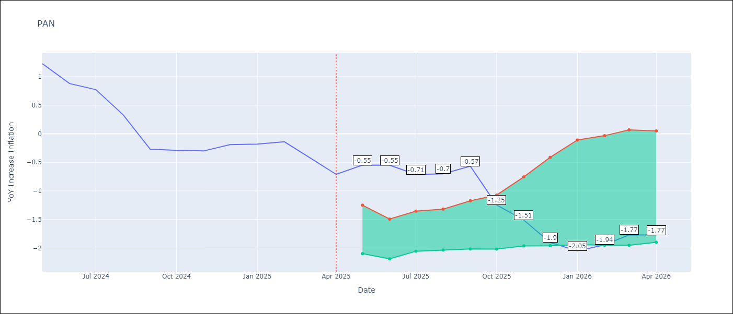

Test Set
RMSE | 0.13
Naive RMSE | 1.68
MAPE | 28.68%

Test Predictions
Date | Predicted | Actual | Bias Vector | Bias Corrected
2025-05-01 | 1.16 | 1.23
2025-06-01 | 0.92 | 0.88
2025-07-01 | 1.07 | 0.77
2025-08-01 | 0.45 | 0.33
2025-09-01 | -0.17 | -0.27
2025-10-01 | -0.33 | -0.29
2025-11-01 | -0.39 | -0.3
2025-12-01 | -0.15 | -0.19
2026-01-01 | -0.39 | -0.18
2026-02-01 | -0.15 | -0.14
2026-03-01 | -0.44 | -0.41
2026-04-01 | -0.5 | -0.71

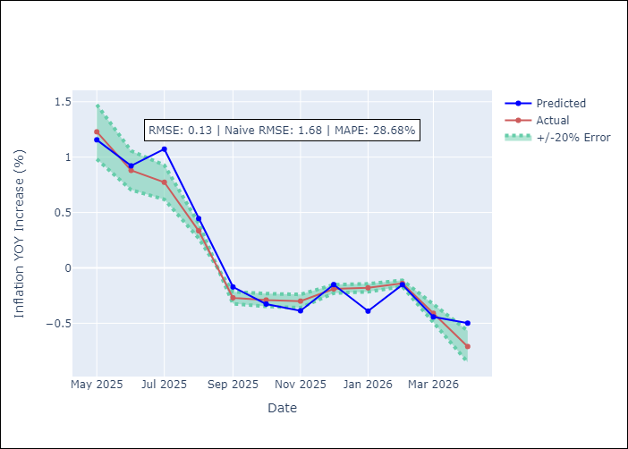
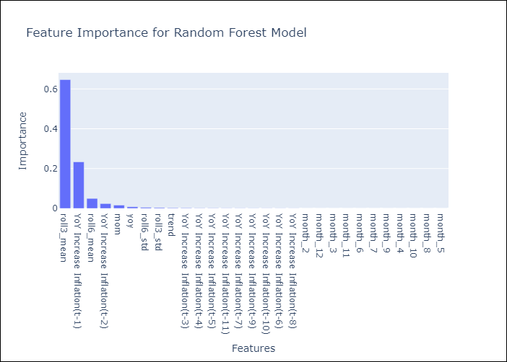

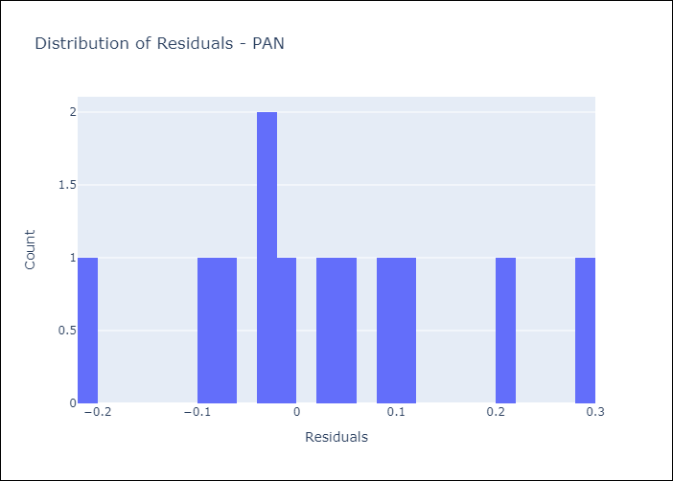
Appendix A: Model Summary
Model | Random Forest w/ Lags
Sample | 1992-07-01 to 2025-04-01
No. of Observations | 394
Residuals
Mean | 0.029015705556
St Dev | 0.13184224504
Kurtosis | -0.21471482193
Skewness | 0.35488122272

Assumptions | P-value

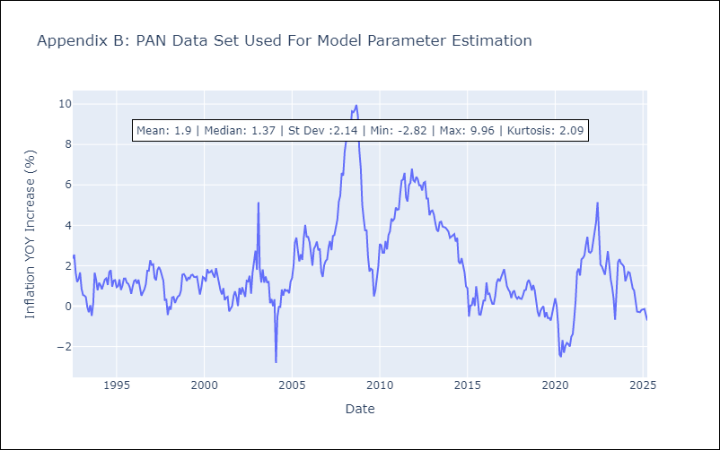

Appendix C: Residuals Analysis
Mean

SLV
SLV - Inflation - Next 12 months forecast as of: 2025-04-01

Model | Random Forest w/ Lags - None
Training Data | 1992-07-01 to 2024-05-01
Test Data | 2024-05-01 to 2025-04-01

Date | Inflation Change YoY % | Lower Bound - 95% Confidence Interval | Upper Bound - 95% Confidence Interval | Bias Corrected Forecast
2025-05-01 | -0.25 | -0.37 | -0.13
2025-06-01 | -0.55 | -0.35 | -0.09
2025-07-01 | -0.64 | -0.36 | -0.07
2025-08-01 | -0.58 | -0.38 | -0.04
2025-09-01 | -0.51 | -0.43 | -0.04
2025-10-01 | -0.45 | -0.39 | -0.05
2025-11-01 | -0.29 | -0.44 | -0.12
2025-12-01 | -0.26 | -0.44 | -0.08
2026-01-01 | -0.4 | -0.38 | -0.07
2026-02-01 | -0.41 | -0.38 | -0.09
2026-03-01 | -0.39 | -0.37 | -0.06
2026-04-01 | -0.37 | -0.37 | -0.06

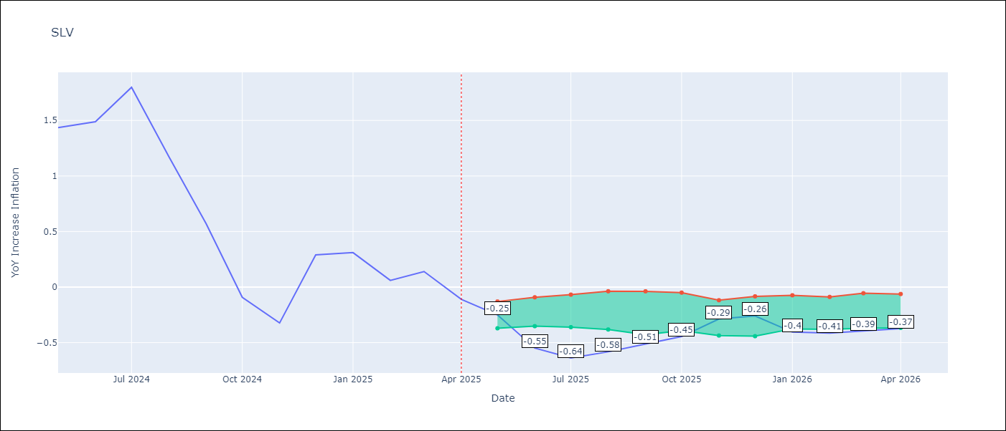

Test Set
RMSE | 0.17
Naive RMSE | 0.92
MAPE | 60.98%

Test Predictions
Date | Predicted | Actual | Bias Vector | Bias Corrected
2025-05-01 | 1.33 | 1.44
2025-06-01 | 1.47 | 1.49
2025-07-01 | 1.59 | 1.8
2025-08-01 | 1.2 | 1.17
2025-09-01 | 0.62 | 0.57
2025-10-01 | 0.02 | -0.09
2025-11-01 | -0.44 | -0.32
2025-12-01 | -0.15 | 0.29
2026-01-01 | 0.17 | 0.31
2026-02-01 | 0.01 | 0.06
2026-03-01 | -0.09 | 0.14
2026-04-01 | -0.22 | -0.11

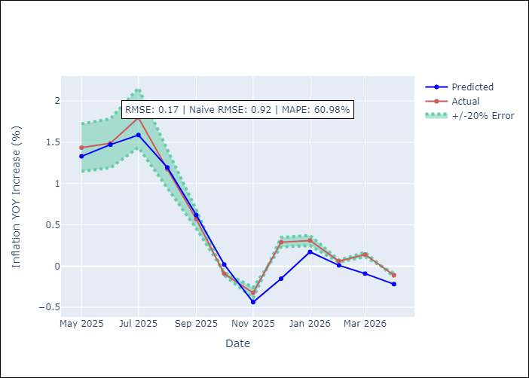
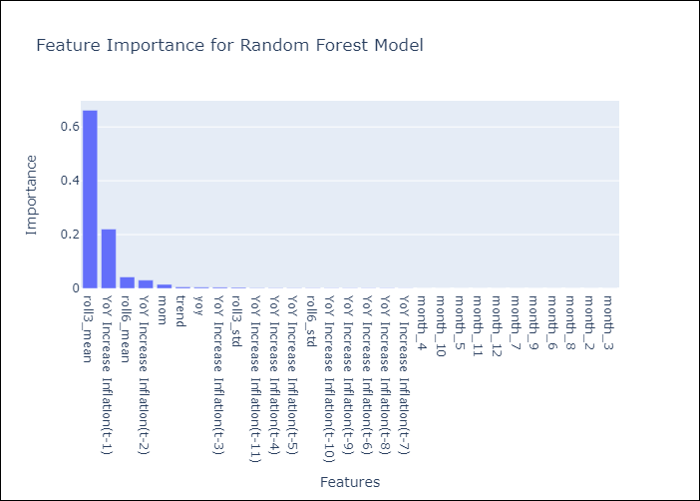

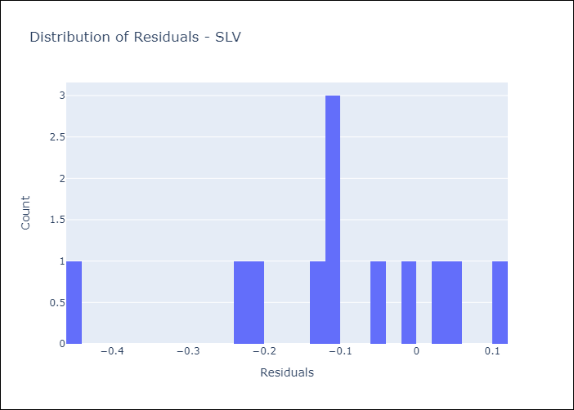
Appendix A: Model Summary
Model | Random Forest w/ Lags
Sample | 1992-07-01 to 2025-04-01
No. of Observations | 394
Residuals
Mean | -0.10274554722
St Dev | 0.14106768714
Kurtosis | 0.50035075432
Skewness | -0.78824256098

Assumptions | P-value

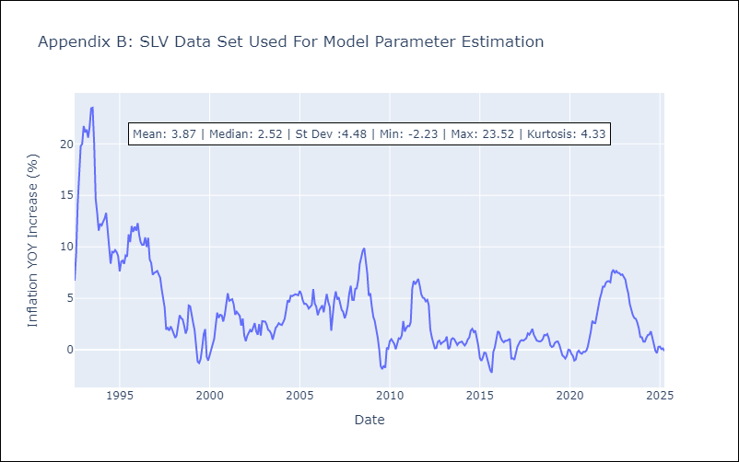

Appendix C: Residuals Analysis
Mean

