ATG
ATG - Inflation - Next 12 months forecast as of: 2025-01-01

Model | Random Forest w/ Lags - None
Training Data | 2002-01-01 to 2024-02-01
Test Data | 2024-02-01 to 2025-01-01

Date | Inflation Change YoY % | Lower Bound - 95% Confidence Interval | Upper Bound - 95% Confidence Interval | Bias Corrected Forecast
2025-02-01 | 3.31 | 2.46 | 3.59
2025-03-01 | 3.11 | 2.35 | 4.09
2025-04-01 | 2.58 | 2.33 | 4.27
2025-05-01 | 2.62 | 2.31 | 4.57
2025-06-01 | 2.77 | 2.31 | 4.77
2025-07-01 | 2.68 | 2.29 | 4.9
2025-08-01 | 2.78 | 2.3 | 5.17
2025-09-01 | 2.81 | 2.3 | 6
2025-10-01 | 2.82 | 2.26 | 5.97
2025-11-01 | 2.82 | 2.21 | 5.79
2025-12-01 | 2.82 | 2.23 | 5.79
2026-01-01 | 2.8 | 2.21 | 5.92

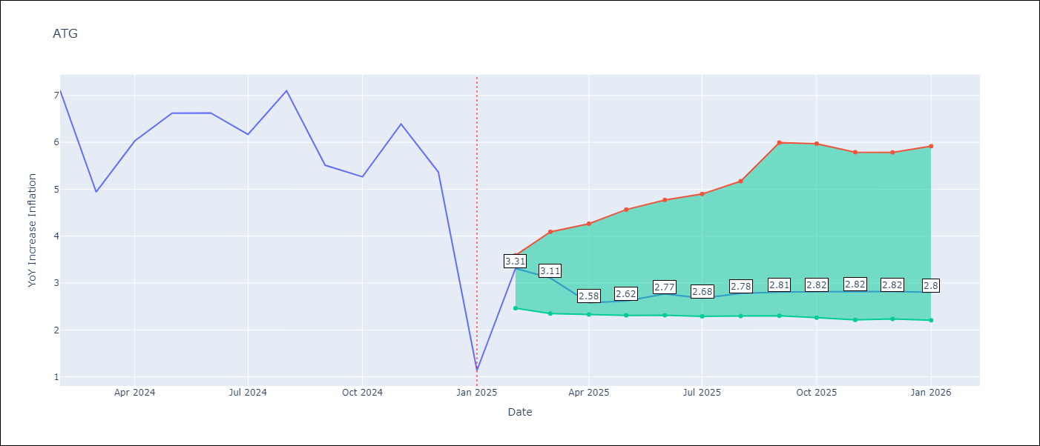

Test Set
RMSE | 0.99
Naive RMSE | 2.2
MAPE | 25.03%

Test Predictions
Date | Predicted | Actual | Bias Vector | Bias Corrected
2025-02-01 | 5.89 | 7.11
2025-03-01 | 6.48 | 4.94
2025-04-01 | 7.14 | 6.03
2025-05-01 | 5.32 | 6.62
2025-06-01 | 6.7 | 6.63
2025-07-01 | 6.31 | 6.17
2025-08-01 | 6.91 | 7.1
2025-09-01 | 5.92 | 5.51
2025-10-01 | 6 | 5.27
2025-11-01 | 6.14 | 6.39
2025-12-01 | 5.18 | 5.37
2026-01-01 | 3.17 | 1.14

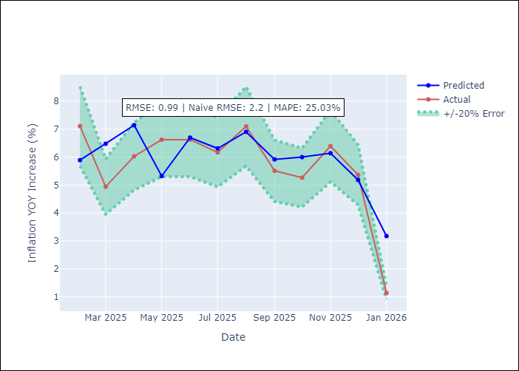
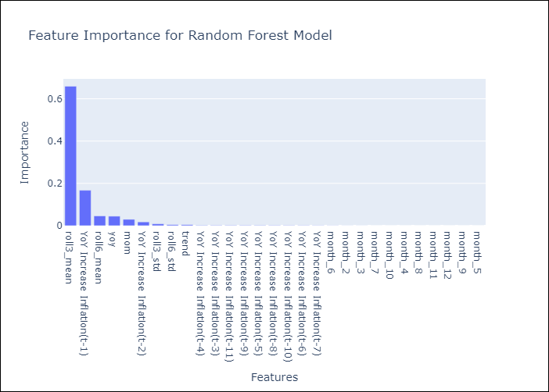

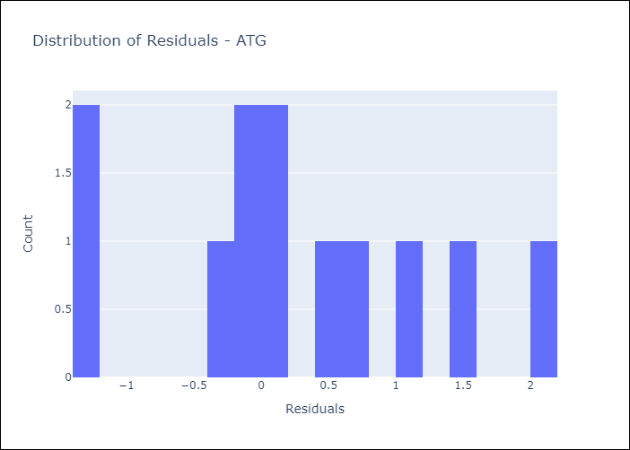
Appendix A: Model Summary
Model | Random Forest w/ Lags
Sample | 2002-01-01 to 2025-01-01
No. of Observations | 277
Residuals
Mean | 0.24114246902
St Dev | 0.96136381896
Kurtosis | -0.64275471852
Skewness | 0.15852720767

Assumptions | P-value

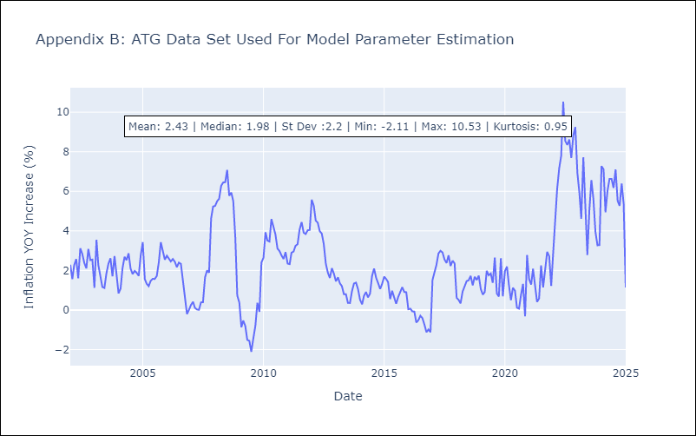

Appendix C: Residuals Analysis
Mean

BLZ
BLZ - Inflation - Next 12 months forecast as of: 2025-03-01

Model | Random Forest w/ Lags - None
Training Data | 2013-01-01 to 2024-04-01
Test Data | 2024-04-01 to 2025-03-01

Date | Inflation Change YoY % | Lower Bound - 95% Confidence Interval | Upper Bound - 95% Confidence Interval | Bias Corrected Forecast
2025-04-01 | 2.28 | 3.89 | 4.59
2025-05-01 | 2.54 | 3.93 | 4.67
2025-06-01 | 2.64 | 3.91 | 4.89
2025-07-01 | 3.01 | 3.87 | 4.9
2025-08-01 | 3.33 | 3.85 | 5.18
2025-09-01 | 3.51 | 3.81 | 5.59
2025-10-01 | 3.61 | 3.83 | 5.58
2025-11-01 | 3.88 | 3.8 | 5.67
2025-12-01 | 3.88 | 3.74 | 5.78
2026-01-01 | 3.93 | 3.73 | 5.88
2026-02-01 | 4 | 3.75 | 6.15
2026-03-01 | 4.07 | 3.77 | 6.27

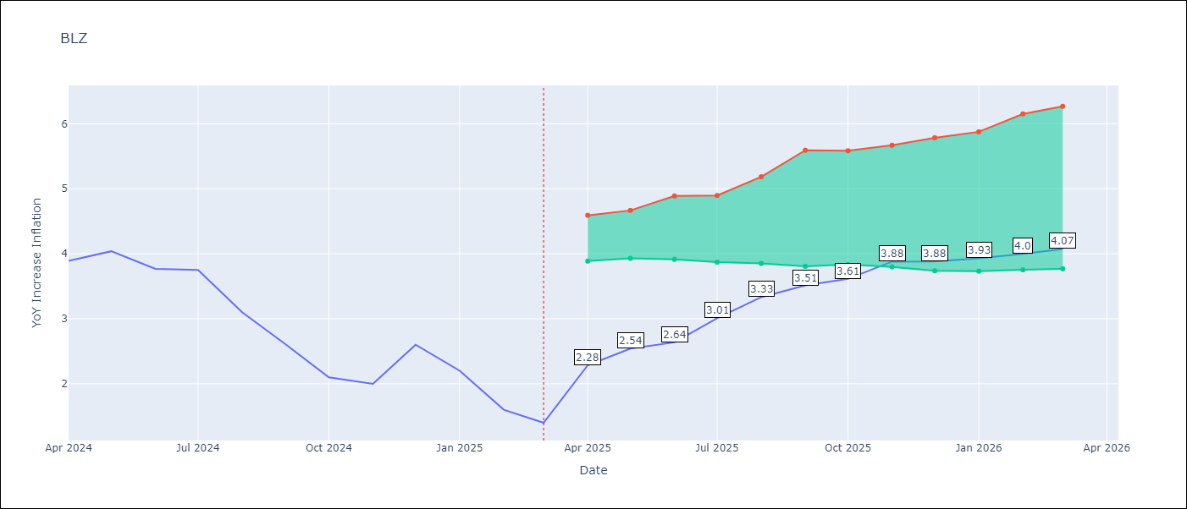

Test Set
RMSE | 0.74
Naive RMSE | 1.09
MAPE | 29.71%

Test Predictions
Date | Predicted | Actual | Bias Vector | Bias Corrected
2025-04-01 | 4 | 3.89
2025-05-01 | 3.96 | 4.04
2025-06-01 | 3.95 | 3.77
2025-07-01 | 3.98 | 3.75
2025-08-01 | 3.97 | 3.1
2025-09-01 | 3.61 | 2.6
2025-10-01 | 3.31 | 2.1
2025-11-01 | 2.77 | 2
2025-12-01 | 2.97 | 2.6
2026-01-01 | 2.93 | 2.2
2026-02-01 | 2.63 | 1.6
2026-03-01 | 2.33 | 1.4

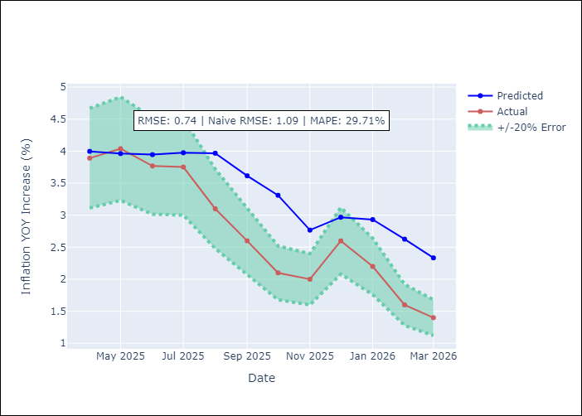
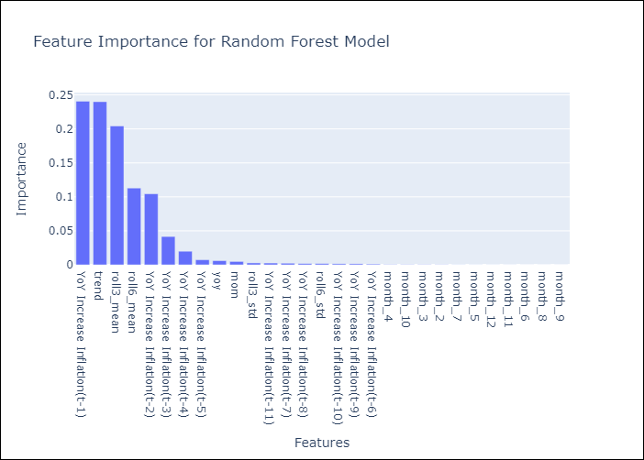

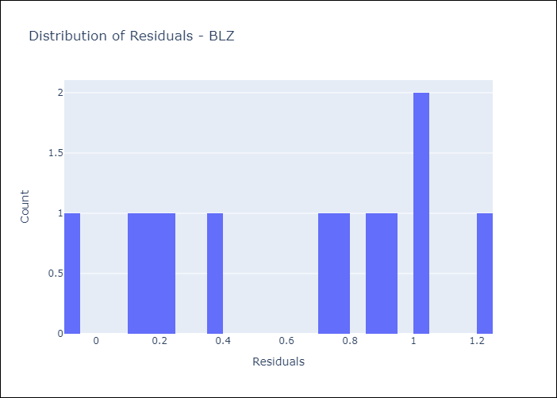
Appendix A: Model Summary
Model | Random Forest w/ Lags
Sample | 2013-01-01 to 2025-03-01
No. of Observations | 147
Residuals
Mean | 0.61254977964
St Dev | 0.41129886399
Kurtosis | -1.3893794539
Skewness | -0.24878711532

Assumptions | P-value

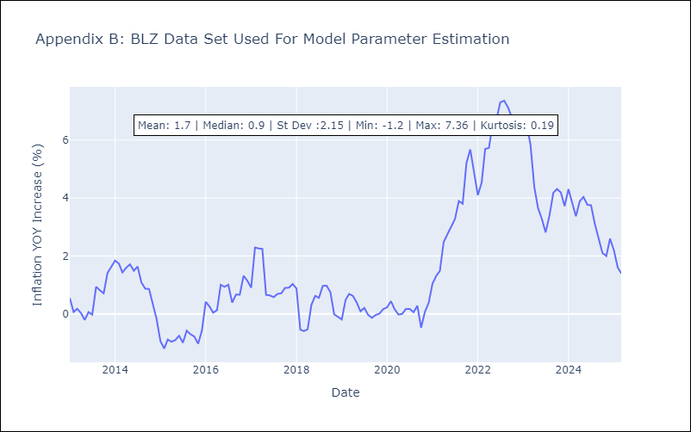

Appendix C: Residuals Analysis
Mean

BRB
BRB - Inflation - Next 12 months forecast as of: 2025-03-01

Model | Random Forest w/ Lags - None
Training Data | 2001-01-01 to 2024-04-01
Test Data | 2024-04-01 to 2025-03-01

Date | Inflation Change YoY % | Lower Bound - 95% Confidence Interval | Upper Bound - 95% Confidence Interval | Bias Corrected Forecast
2025-04-01 | 1.01 | 0.91 | 1.84
2025-05-01 | 0.74 | 0.82 | 1.9
2025-06-01 | 1.04 | 0.87 | 2.07
2025-07-01 | 0.69 | 0.94 | 2.27
2025-08-01 | 0.8 | 0.91 | 2.36
2025-09-01 | 1.1 | 0.9 | 2.44
2025-10-01 | 1.12 | 0.87 | 2.47
2025-11-01 | 1.17 | 0.9 | 2.44
2025-12-01 | 1.13 | 0.87 | 2.57
2026-01-01 | 1.22 | 0.89 | 2.59
2026-02-01 | 1.45 | 0.99 | 2.68
2026-03-01 | 1.24 | 1.07 | 2.77

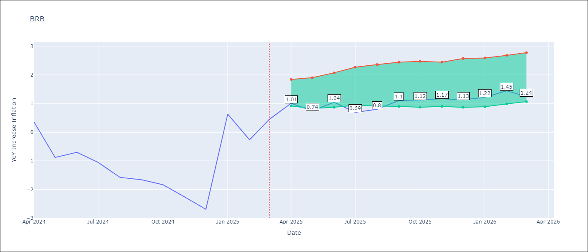

Test Set
RMSE | 0.84
Naive RMSE | 1.61
MAPE | 69.09%

Test Predictions
Date | Predicted | Actual | Bias Vector | Bias Corrected
2025-04-01 | 0.67 | 0.36
2025-05-01 | -0.12 | -0.88
2025-06-01 | -0.65 | -0.7
2025-07-01 | -0.97 | -1.06
2025-08-01 | -0.96 | -1.58
2025-09-01 | -1.09 | -1.66
2025-10-01 | -1.06 | -1.83
2025-11-01 | -1.11 | -2.26
2025-12-01 | -1.13 | -2.69
2026-01-01 | -0.9 | 0.63
2026-02-01 | -0.16 | -0.27
2026-03-01 | 1.04 | 0.45

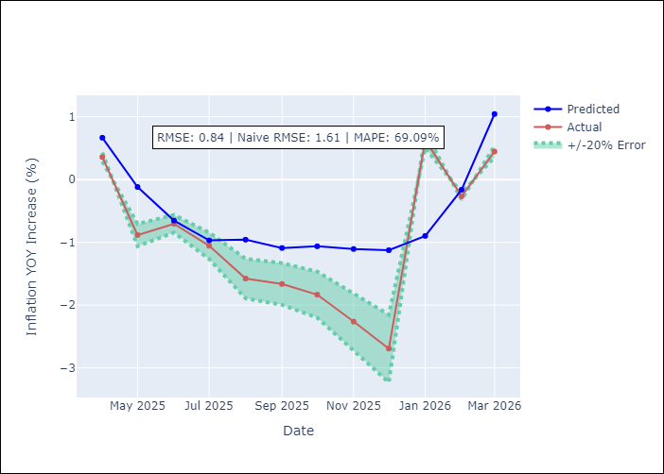
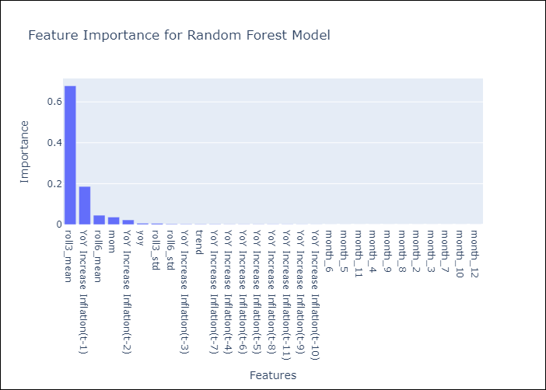

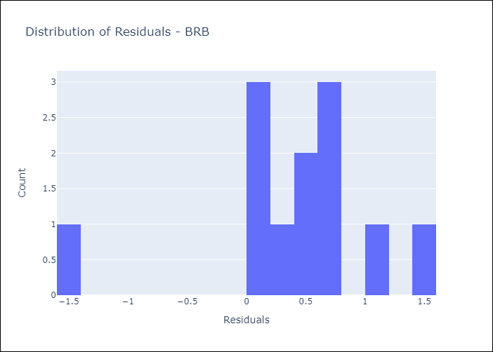
Appendix A: Model Summary
Model | Random Forest w/ Lags
Sample | 2001-01-01 to 2025-03-01
No. of Observations | 287
Residuals
Mean | 0.42263533805
St Dev | 0.72700868357
Kurtosis | 1.9271058016
Skewness | -1.2008121828

Assumptions | P-value

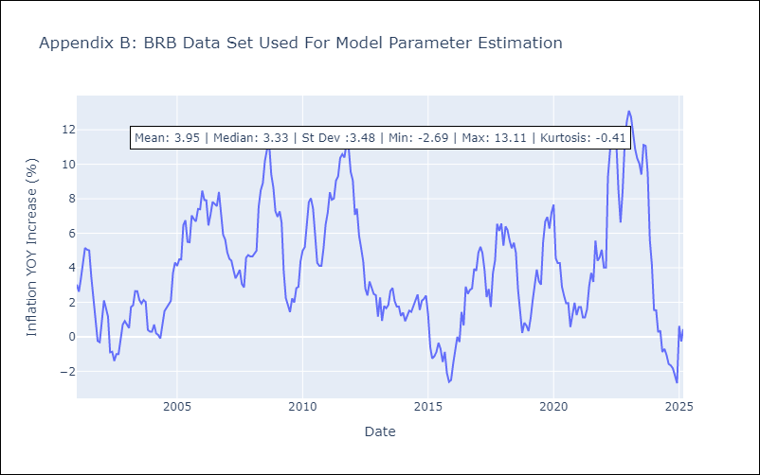

Appendix C: Residuals Analysis
Mean

DMA
DMA - Inflation - Next 12 months forecast as of: 2025-01-01

Model | Random Forest w/ Lags - None
Training Data | 2002-01-01 to 2024-02-01
Test Data | 2024-02-01 to 2025-01-01

Date | Inflation Change YoY % | Lower Bound - 95% Confidence Interval | Upper Bound - 95% Confidence Interval | Bias Corrected Forecast
2025-02-01 | 1.07 | 1.7 | 2.11
2025-03-01 | 1.06 | 1.82 | 2.23
2025-04-01 | 1.19 | 1.89 | 2.23
2025-05-01 | 1.26 | 1.89 | 2.32
2025-06-01 | 1.23 | 1.89 | 2.47
2025-07-01 | 1.31 | 1.94 | 2.65
2025-08-01 | 1.36 | 1.95 | 2.69
2025-09-01 | 1.34 | 1.93 | 2.78
2025-10-01 | 1.41 | 1.92 | 2.93
2025-11-01 | 1.53 | 1.9 | 3.07
2025-12-01 | 1.75 | 1.91 | 3.08
2026-01-01 | 1.88 | 1.95 | 3.06

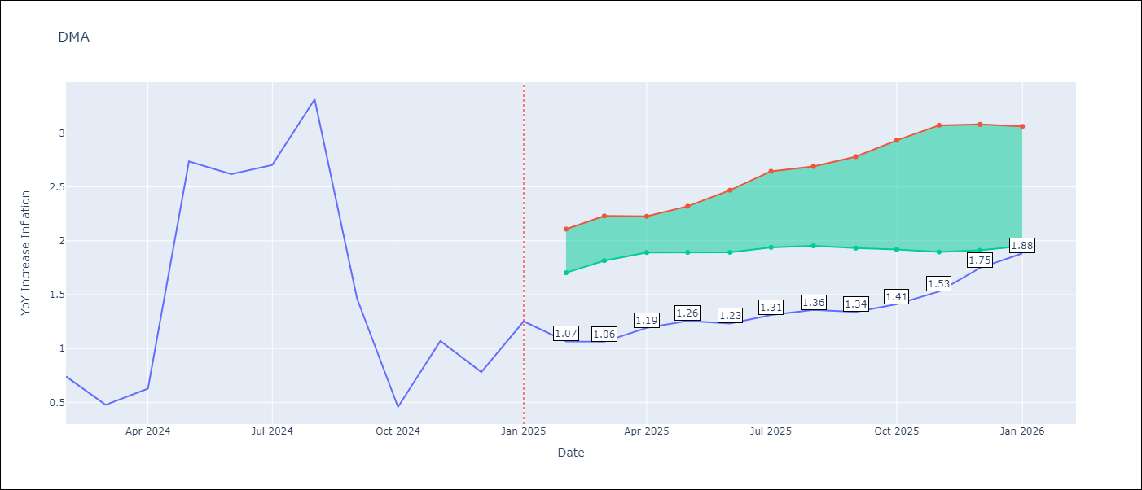

Test Set
RMSE | 0.43
Naive RMSE | 0.99
MAPE | 36.96%

Test Predictions
Date | Predicted | Actual | Bias Vector | Bias Corrected
2025-02-01 | 0.97 | 0.74
2025-03-01 | 0.85 | 0.48
2025-04-01 | 0.78 | 0.63
2025-05-01 | 1.83 | 2.74
2025-06-01 | 2.31 | 2.62
2025-07-01 | 2.67 | 2.7
2025-08-01 | 3.1 | 3.31
2025-09-01 | 1.94 | 1.46
2025-10-01 | 1.25 | 0.46
2025-11-01 | 1.31 | 1.07
2025-12-01 | 0.82 | 0.78
2026-01-01 | 0.96 | 1.25

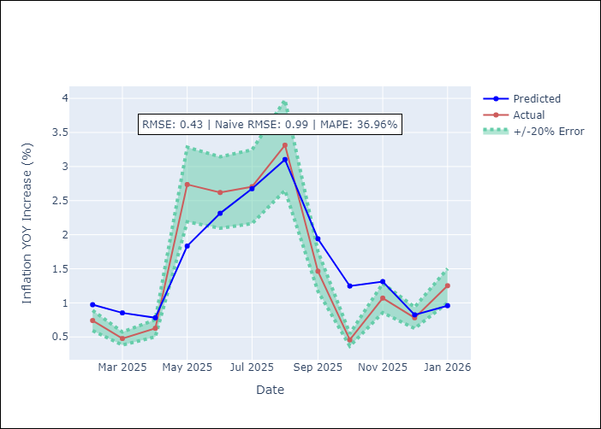
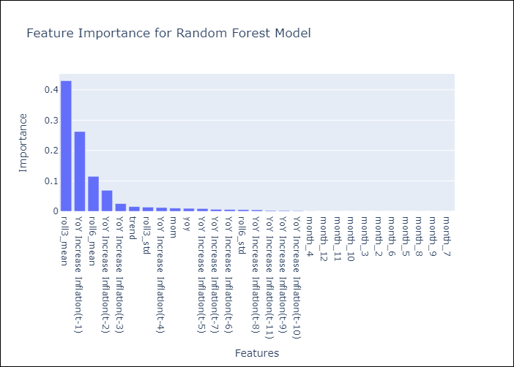

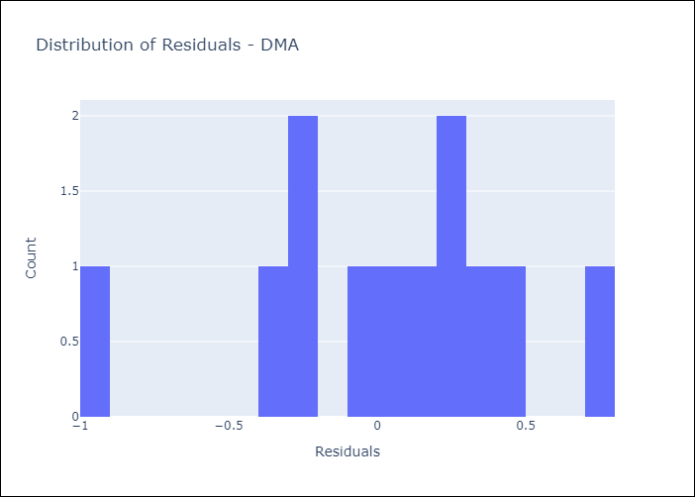
Appendix A: Model Summary
Model | Random Forest w/ Lags
Sample | 2002-01-01 to 2025-01-01
No. of Observations | 277
Residuals
Mean | 0.04773114814
St Dev | 0.42241014778
Kurtosis | 0.14333097358
Skewness | -0.4669471431

Assumptions | P-value

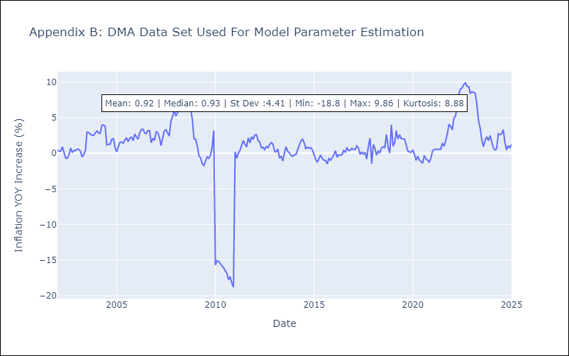

Appendix C: Residuals Analysis
Mean

GRD
GRD - Inflation - Next 12 months forecast as of: 2025-01-01

Model | Random Forest w/ Lags - None
Training Data | 2002-01-01 to 2024-02-01
Test Data | 2024-02-01 to 2025-01-01

Date | Inflation Change YoY % | Lower Bound - 95% Confidence Interval | Upper Bound - 95% Confidence Interval | Bias Corrected Forecast
2025-02-01 | 0.78 | 0.52 | 0.84
2025-03-01 | 0.72 | 0.49 | 0.92
2025-04-01 | 0.62 | 0.49 | 1.03
2025-05-01 | 0.52 | 0.51 | 1.1
2025-06-01 | 0.52 | 0.49 | 1.1
2025-07-01 | 0.56 | 0.49 | 1.1
2025-08-01 | 0.6 | 0.49 | 1.13
2025-09-01 | 0.62 | 0.47 | 1.11
2025-10-01 | 0.69 | 0.47 | 1.11
2025-11-01 | 0.7 | 0.46 | 1.11
2025-12-01 | 0.7 | 0.47 | 1.13
2026-01-01 | 0.69 | 0.46 | 1.13

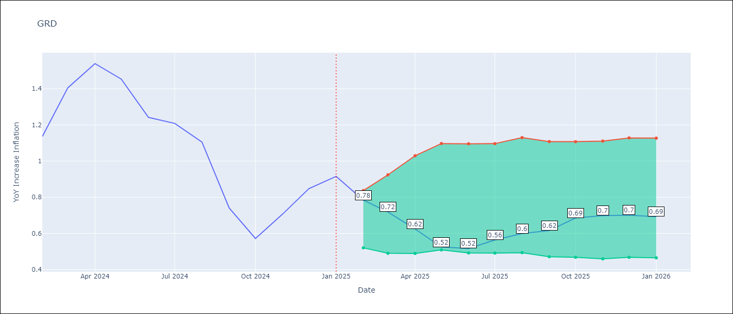

Test Set
RMSE | 0.15
Naive RMSE | 0.3
MAPE | 12.71%

Test Predictions
Date | Predicted | Actual | Bias Vector | Bias Corrected
2025-02-01 | 1.38 | 1.14
2025-03-01 | 1.41 | 1.41
2025-04-01 | 1.53 | 1.54
2025-05-01 | 1.48 | 1.45
2025-06-01 | 1.34 | 1.24
2025-07-01 | 1.35 | 1.21
2025-08-01 | 1.13 | 1.11
2025-09-01 | 0.71 | 0.74
2025-10-01 | 0.42 | 0.57
2025-11-01 | 0.52 | 0.71
2025-12-01 | 0.56 | 0.85
2026-01-01 | 0.77 | 0.92

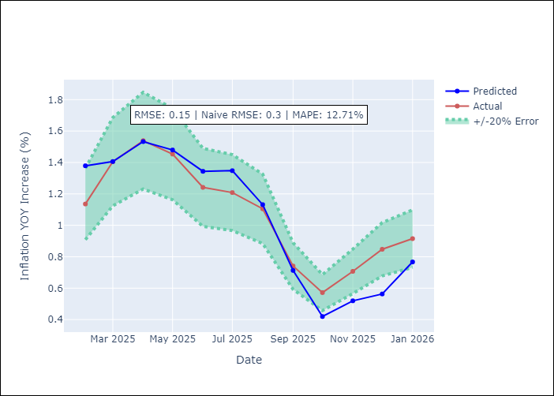
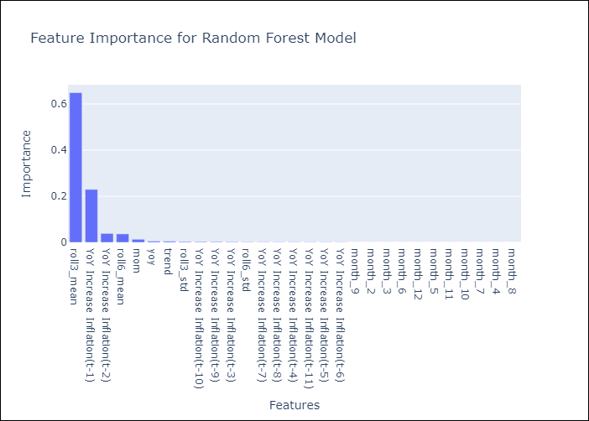

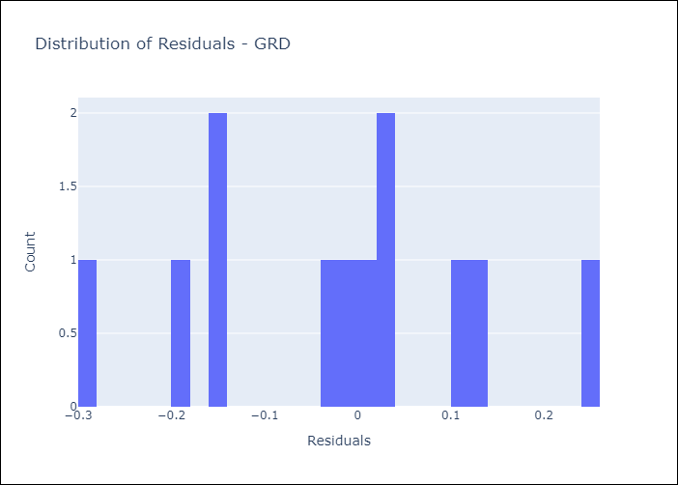
Appendix A: Model Summary
Model | Random Forest w/ Lags
Sample | 2002-01-01 to 2025-01-01
No. of Observations | 277
Residuals
Mean | -0.022332250302
St Dev | 0.14335922936
Kurtosis | -0.64667328499
Skewness | -0.044312104883

Assumptions | P-value

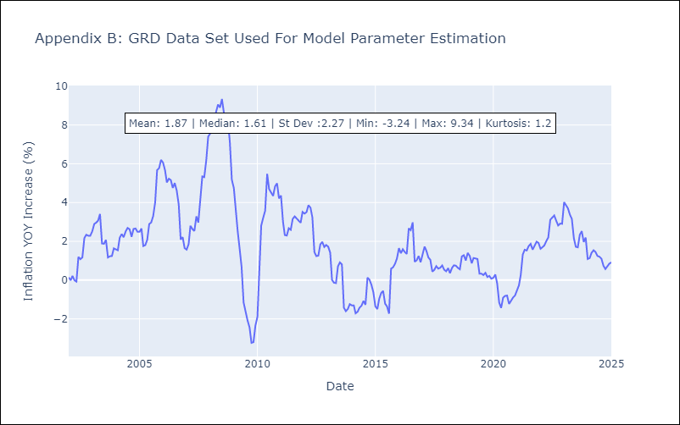

Appendix C: Residuals Analysis
Mean

GUY
GUY - Inflation - Next 12 months forecast as of: 2025-03-01

Model | Random Forest w/ Lags - None
Training Data | 2006-01-01 to 2024-04-01
Test Data | 2024-04-01 to 2025-03-01

Date | Inflation Change YoY % | Lower Bound - 95% Confidence Interval | Upper Bound - 95% Confidence Interval | Bias Corrected Forecast
2025-04-01 | 2.96 | 2.27 | 3.51
2025-05-01 | 3.89 | 2.1 | 3.81
2025-06-01 | 2.88 | 2.02 | 3.54
2025-07-01 | 2.9 | 2.01 | 3.67
2025-08-01 | 2.85 | 1.99 | 3.58
2025-09-01 | 2.84 | 1.96 | 3.77
2025-10-01 | 2.84 | 1.86 | 3.79
2025-11-01 | 2.83 | 1.74 | 4.1
2025-12-01 | 2.83 | 1.67 | 4.26
2026-01-01 | 2.83 | 1.67 | 4.19
2026-02-01 | 2.83 | 1.64 | 4.24
2026-03-01 | 2.83 | 1.67 | 4.26

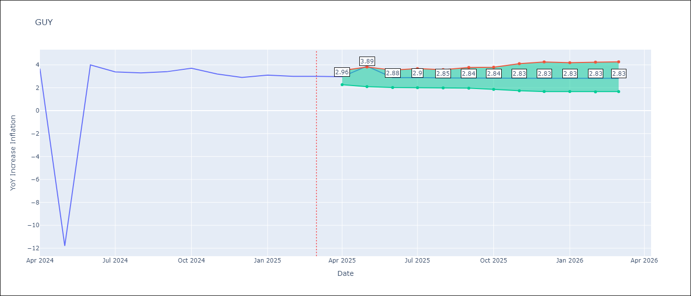

Test Set
RMSE | 3.66
Naive RMSE | 4.2
MAPE | 26.52%

Test Predictions
Date | Predicted | Actual | Bias Vector | Bias Corrected
2025-04-01 | 2.85 | 3.67
2025-05-01 | 0.08 | -11.79
2025-06-01 | 0.22 | 3.99
2025-07-01 | 1.3 | 3.39
2025-08-01 | 3.13 | 3.3
2025-09-01 | 3.17 | 3.4
2025-10-01 | 3.39 | 3.7
2025-11-01 | 2.96 | 3.2
2025-12-01 | 2.75 | 2.9
2026-01-01 | 2.96 | 3.1
2026-02-01 | 3 | 3
2026-03-01 | 2.97 | 3

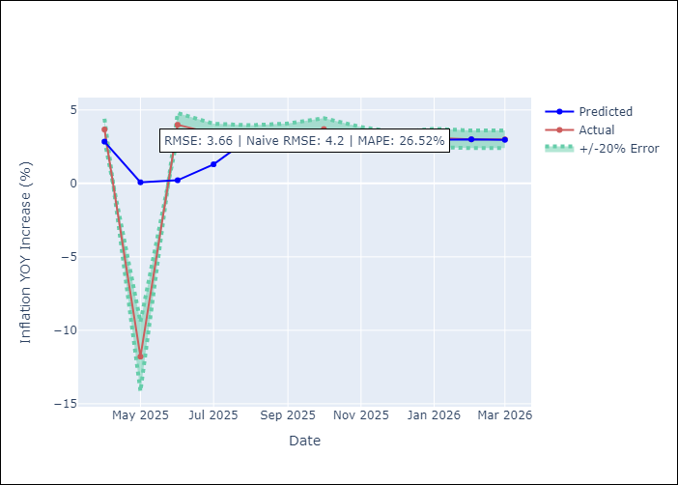
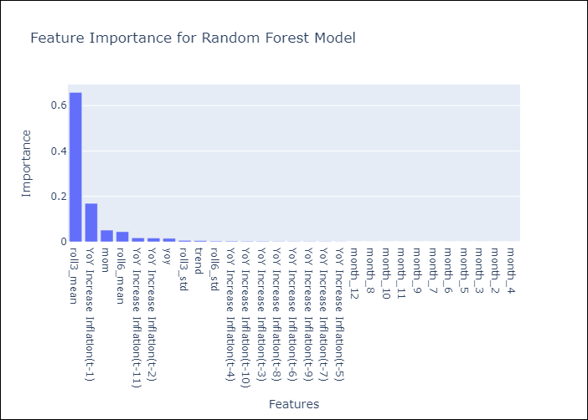

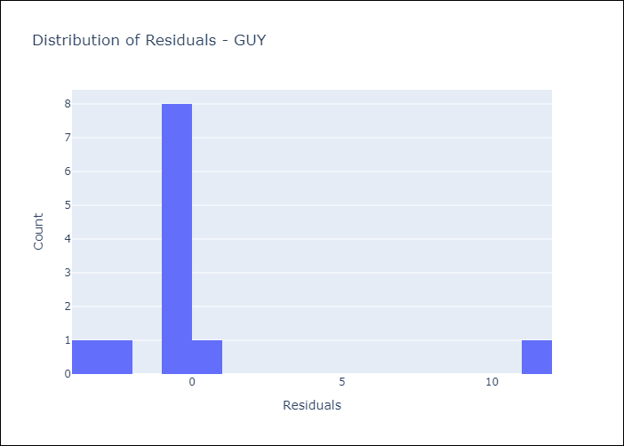
Appendix A: Model Summary
Model | Random Forest w/ Lags
Sample | 2006-01-01 to 2025-03-01
No. of Observations | 231
Residuals
Mean | 0.32495734637
St Dev | 3.6423981118
Kurtosis | 5.5612096867
Skewness | 2.505782092

Assumptions | P-value

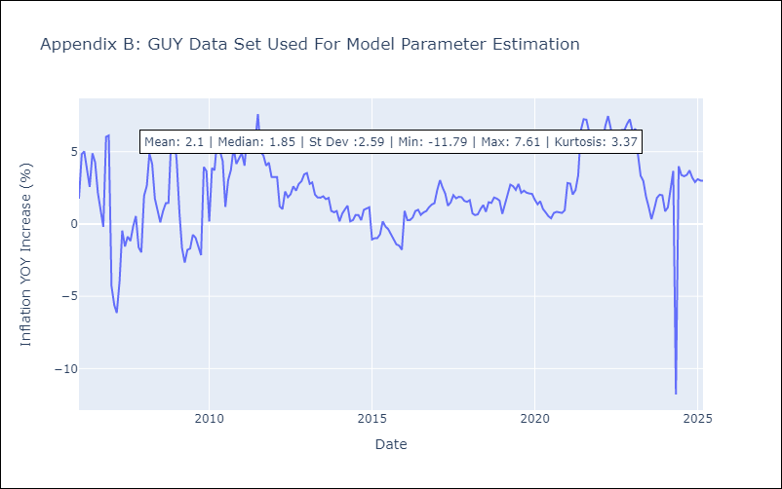

Appendix C: Residuals Analysis
Mean

JAM
JAM - Inflation - Next 12 months forecast as of: 2025-04-01

Model | Random Forest w/ Lags - None
Training Data | 1992-07-01 to 2024-05-01
Test Data | 2024-05-01 to 2025-04-01

Date | Inflation Change YoY % | Lower Bound - 95% Confidence Interval | Upper Bound - 95% Confidence Interval | Bias Corrected Forecast
2025-05-01 | 5.04 | 4.56 | 5.21
2025-06-01 | 4.94 | 4.45 | 5.34
2025-07-01 | 4.91 | 4.38 | 5.36
2025-08-01 | 4.92 | 4.33 | 5.47
2025-09-01 | 4.85 | 4.3 | 5.6
2025-10-01 | 4.85 | 4.28 | 5.68
2025-11-01 | 4.89 | 4.27 | 5.76
2025-12-01 | 4.86 | 4.25 | 5.94
2026-01-01 | 4.92 | 4.27 | 5.94
2026-02-01 | 4.89 | 4.22 | 5.93
2026-03-01 | 4.87 | 4.2 | 5.94
2026-04-01 | 4.84 | 4.18 | 6.01

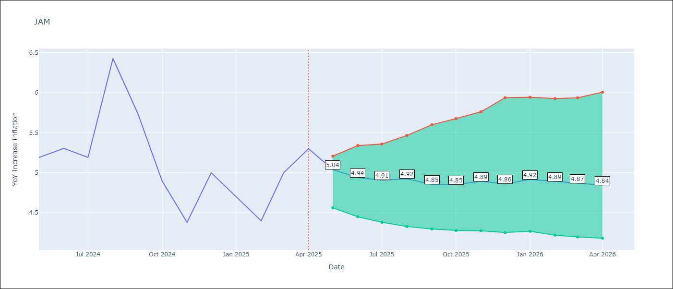

Test Set
RMSE | 0.22
Naive RMSE | 0.59
MAPE | 3.73%

Test Predictions
Date | Predicted | Actual | Bias Vector | Bias Corrected
2025-05-01 | 5.33 | 5.19
2025-06-01 | 5.46 | 5.3
2025-07-01 | 5.29 | 5.19
2025-08-01 | 6.16 | 6.42
2025-09-01 | 5.61 | 5.74
2025-10-01 | 5.37 | 4.9
2025-11-01 | 4.69 | 4.38
2025-12-01 | 5.07 | 5
2026-01-01 | 4.59 | 4.7
2026-02-01 | 4.49 | 4.4
2026-03-01 | 4.86 | 5
2026-04-01 | 4.99 | 5.3

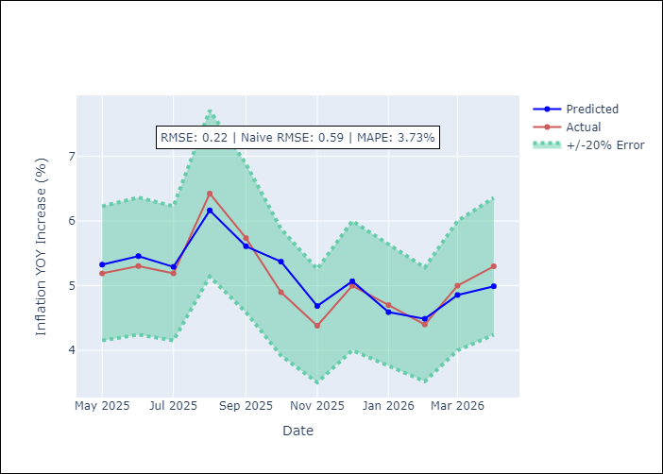
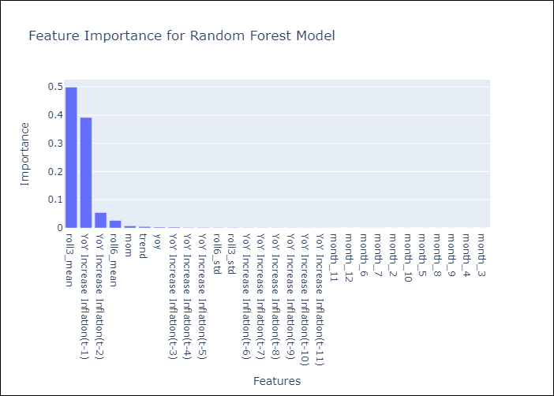

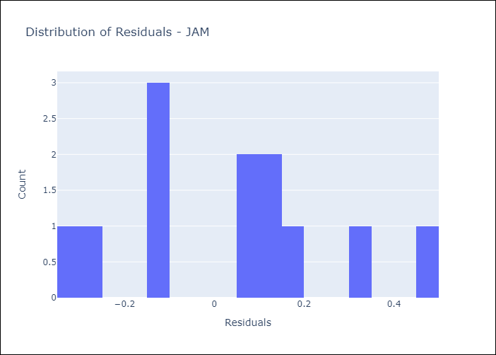
Appendix A: Model Summary
Model | Random Forest w/ Lags
Sample | 1992-07-01 to 2025-04-01
No. of Observations | 394
Residuals
Mean | 0.031293376667
St Dev | 0.22032003363
Kurtosis | -0.63170687243
Skewness | 0.26624456053

Assumptions | P-value

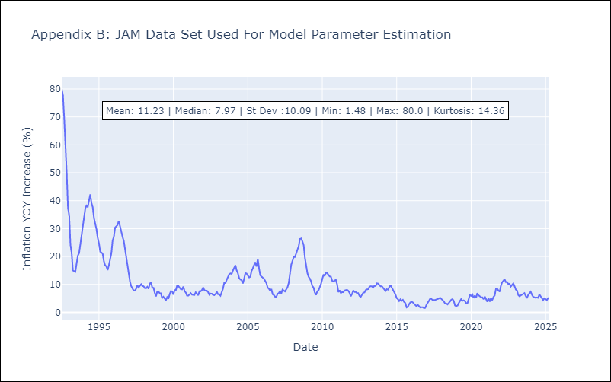

Appendix C: Residuals Analysis
Mean

KNA
KNA - Inflation - Next 12 months forecast as of: 2025-02-01

Model | Random Forest w/ Lags - None
Training Data | 2004-01-01 to 2024-03-01
Test Data | 2024-03-01 to 2025-02-01

Date | Inflation Change YoY % | Lower Bound - 95% Confidence Interval | Upper Bound - 95% Confidence Interval | Bias Corrected Forecast
2025-03-01 | 0.99 | 1.06 | 1.55
2025-04-01 | 0.96 | 0.98 | 1.57
2025-05-01 | 1.02 | 0.92 | 2.05
2025-06-01 | 1.23 | 0.99 | 2.16
2025-07-01 | 1.24 | 1.02 | 2.17
2025-08-01 | 1.25 | 1.02 | 2.17
2025-09-01 | 1.24 | 1.02 | 2.23
2025-10-01 | 1.25 | 1 | 2.26
2025-11-01 | 1.27 | 1 | 2.31
2025-12-01 | 1.29 | 1 | 2.42
2026-01-01 | 1.28 | 1 | 2.4
2026-02-01 | 1.27 | 1 | 2.39

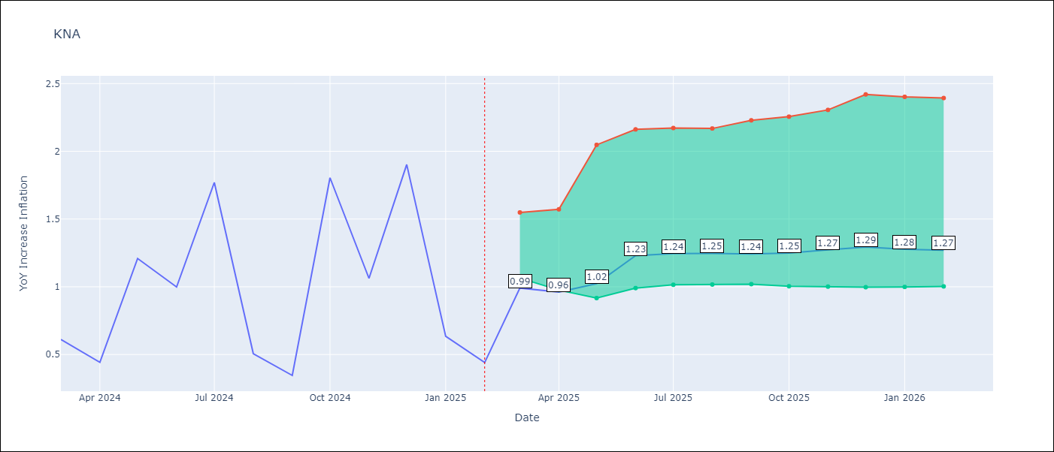

Test Set
RMSE | 0.36
Naive RMSE | 0.56
MAPE | 50.08%

Test Predictions
Date | Predicted | Actual | Bias Vector | Bias Corrected
2025-03-01 | 0.72 | 0.61
2025-04-01 | 0.82 | 0.44
2025-05-01 | 1 | 1.21
2025-06-01 | 1.15 | 1
2025-07-01 | 1.31 | 1.77
2025-08-01 | 0.87 | 0.51
2025-09-01 | 0.9 | 0.35
2025-10-01 | 1.39 | 1.8
2025-11-01 | 0.94 | 1.06
2025-12-01 | 2.28 | 1.9
2026-01-01 | 0.86 | 0.63
2026-02-01 | 0.95 | 0.44

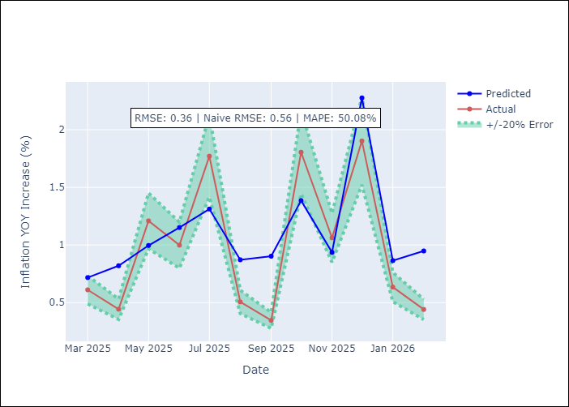
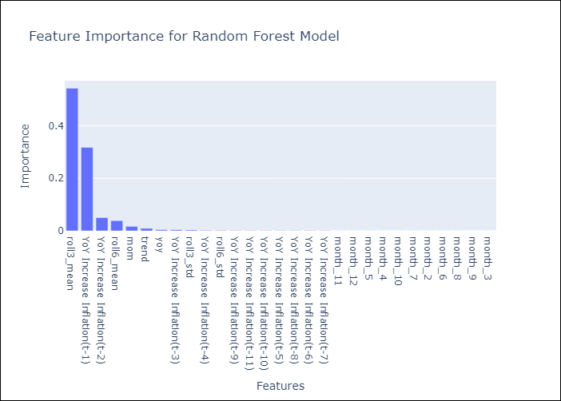

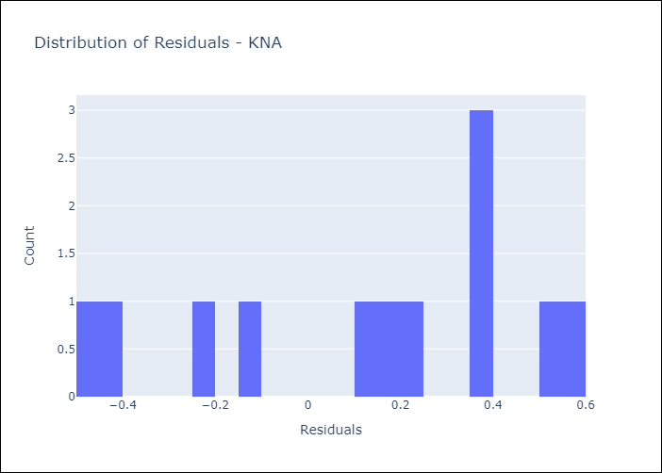
Appendix A: Model Summary
Model | Random Forest w/ Lags
Sample | 2004-01-01 to 2025-02-01
No. of Observations | 254
Residuals
Mean | 0.12101771563
St Dev | 0.3344873632
Kurtosis | -1.1037564622
Skewness | -0.48002016573

Assumptions | P-value

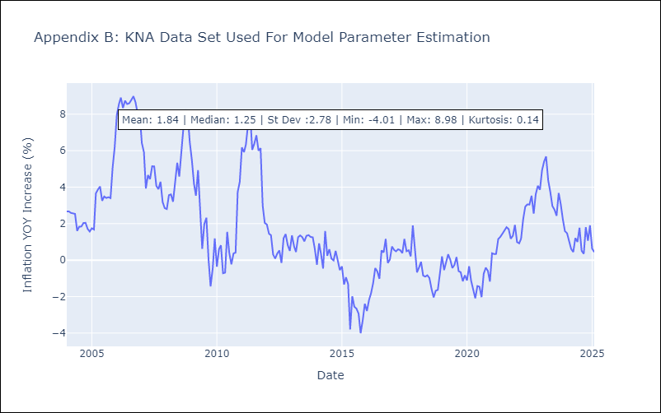

Appendix C: Residuals Analysis
Mean

SUR
SUR - Inflation - Next 12 months forecast as of: 2024-08-01

Model | Random Forest w/ Lags - None
Training Data | 2010-04-01 to 2023-09-01
Test Data | 2023-09-01 to 2024-08-01

Date | Inflation Change YoY % | Lower Bound - 95% Confidence Interval | Upper Bound - 95% Confidence Interval | Bias Corrected Forecast
2024-09-01 | 10.24 | 7.01 | 16.97
2024-10-01 | 10.23 | 6.89 | 19.69
2024-11-01 | 11.27 | 6.67 | 23.36
2024-12-01 | 10.74 | 5.85 | 23.9
2025-01-01 | 11.48 | 4.73 | 20.14
2025-02-01 | 12.04 | 5.34 | 19.77
2025-03-01 | 12.19 | 5.16 | 22.66
2025-04-01 | 11.9 | 4.99 | 21.24
2025-05-01 | 12.45 | 4.8 | 22.18
2025-06-01 | 12.59 | 4.53 | 20.8
2025-07-01 | 12.74 | 4.46 | 22.21
2025-08-01 | 12.79 | 4.39 | 20.72

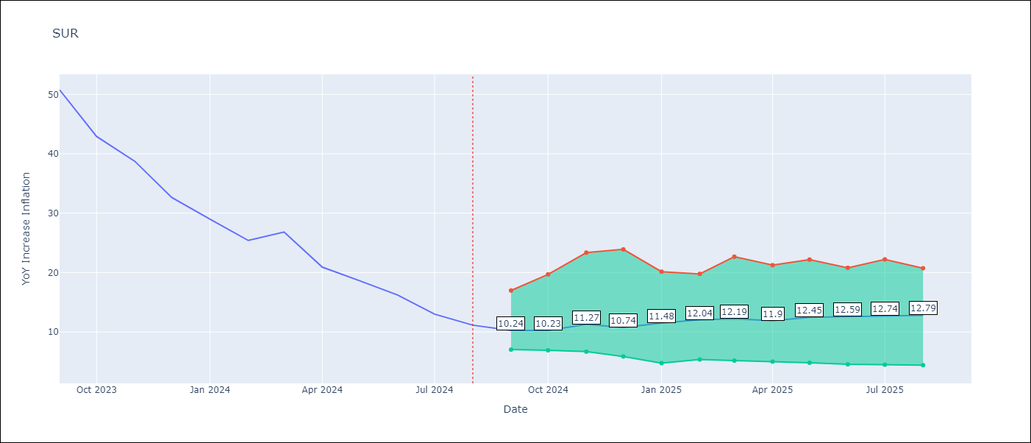

Test Set
RMSE | 2.64
Naive RMSE | 28.84
MAPE | 8.15%

Test Predictions
Date | Predicted | Actual | Bias Vector | Bias Corrected
2024-09-01 | 53.89 | 50.79
2024-10-01 | 42.13 | 42.92
2024-11-01 | 41.6 | 38.74
2024-12-01 | 39.38 | 32.63
2025-01-01 | 27.64 | 28.98
2025-02-01 | 26.47 | 25.4
2025-03-01 | 29.03 | 26.83
2025-04-01 | 19.6 | 20.9
2025-05-01 | 18.42 | 18.62
2025-06-01 | 13.94 | 16.21
2025-07-01 | 10.96 | 12.99
2025-08-01 | 10.25 | 11.13

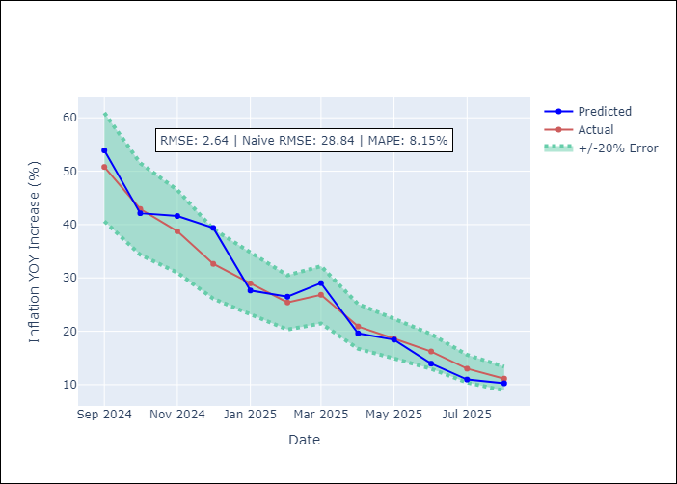
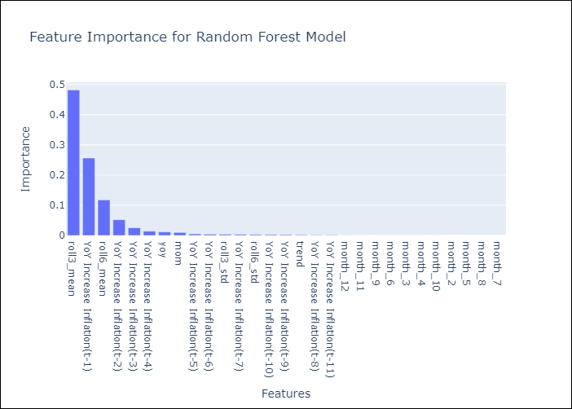

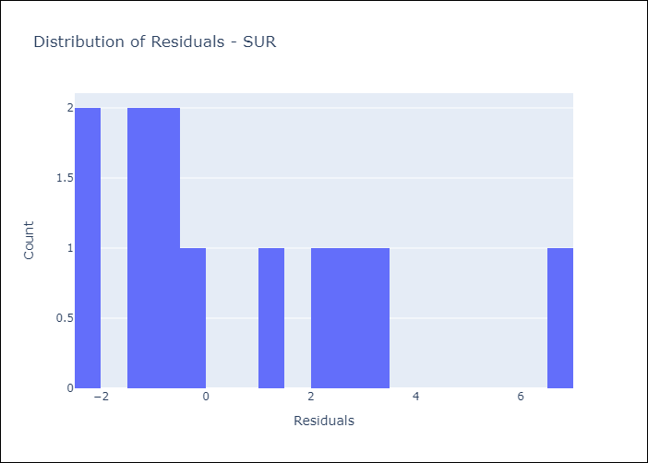
Appendix A: Model Summary
Model | Random Forest w/ Lags
Sample | 2010-04-01 to 2024-08-01
No. of Observations | 169
Residuals
Mean | 0.59818727349
St Dev | 2.5693287036
Kurtosis | 0.16062020413
Skewness | 0.99138062367

Assumptions | P-value

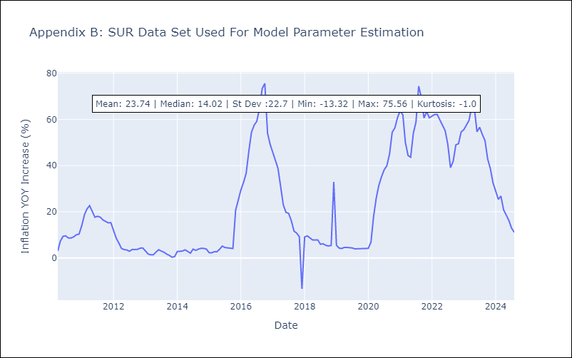

Appendix C: Residuals Analysis
Mean

TTO
TTO - Inflation - Next 12 months forecast as of: 2025-04-01

Model | Random Forest w/ Lags - None
Training Data | 1992-07-01 to 2024-05-01
Test Data | 2024-05-01 to 2025-04-01

Date | Inflation Change YoY % | Lower Bound - 95% Confidence Interval | Upper Bound - 95% Confidence Interval | Bias Corrected Forecast
2025-05-01 | 1.22 | 0.97 | 1.21
2025-06-01 | 1.03 | 0.92 | 1.21
2025-07-01 | 1.1 | 0.91 | 1.22
2025-08-01 | 1.25 | 0.87 | 1.24
2025-09-01 | 1.33 | 0.87 | 1.22
2025-10-01 | 1.29 | 0.86 | 1.22
2025-11-01 | 1.27 | 0.83 | 1.22
2025-12-01 | 1.26 | 0.83 | 1.22
2026-01-01 | 1.24 | 0.81 | 1.22
2026-02-01 | 1.2 | 0.79 | 1.22
2026-03-01 | 1.2 | 0.81 | 1.22
2026-04-01 | 1.15 | 0.81 | 1.23

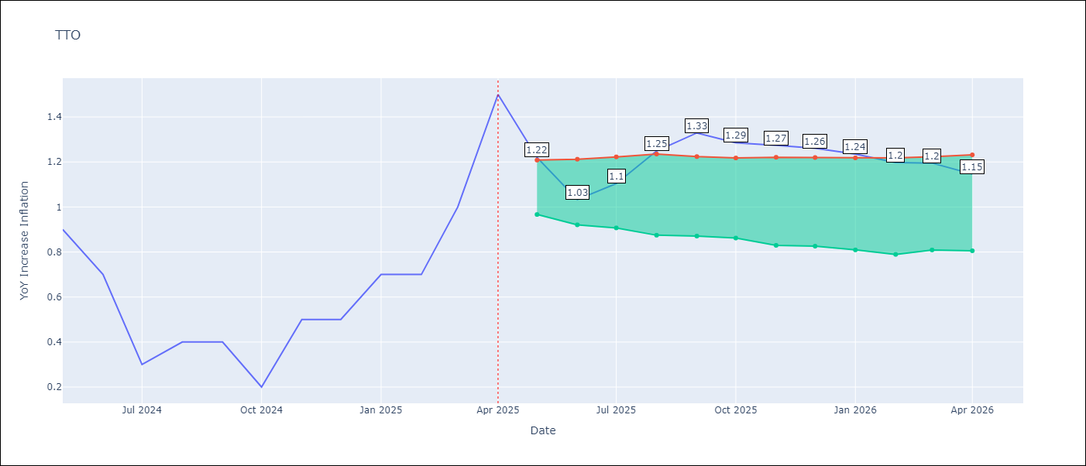

Test Set
RMSE | 0.15
Naive RMSE | 0.37
MAPE | 27.6%

Test Predictions
Date | Predicted | Actual | Bias Vector | Bias Corrected
2025-05-01 | 0.73 | 0.9
2025-06-01 | 0.57 | 0.7
2025-07-01 | 0.41 | 0.3
2025-08-01 | 0.5 | 0.4
2025-09-01 | 0.55 | 0.4
2025-10-01 | 0.44 | 0.2
2025-11-01 | 0.56 | 0.5
2025-12-01 | 0.63 | 0.5
2026-01-01 | 0.75 | 0.7
2026-02-01 | 0.7 | 0.7
2026-03-01 | 0.85 | 1
2026-04-01 | 1.24 | 1.5

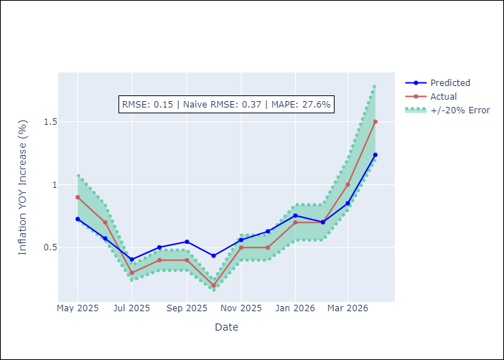
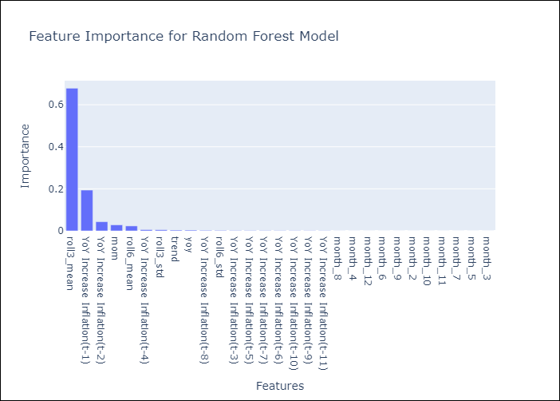

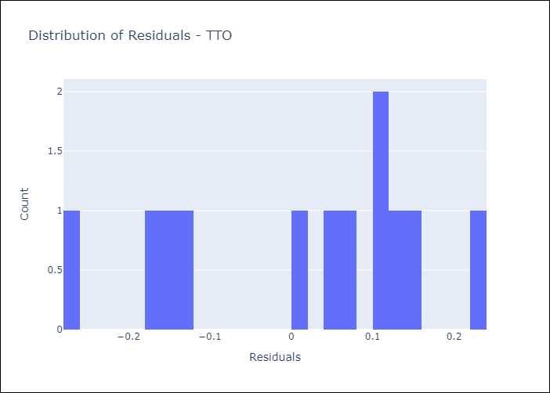
Appendix A: Model Summary
Model | Random Forest w/ Lags
Sample | 1992-07-01 to 2025-04-01
No. of Observations | 394
Residuals
Mean | 0.010492884444
St Dev | 0.14661605065
Kurtosis | -1.0174493114
Skewness | -0.41970715242

Assumptions | P-value

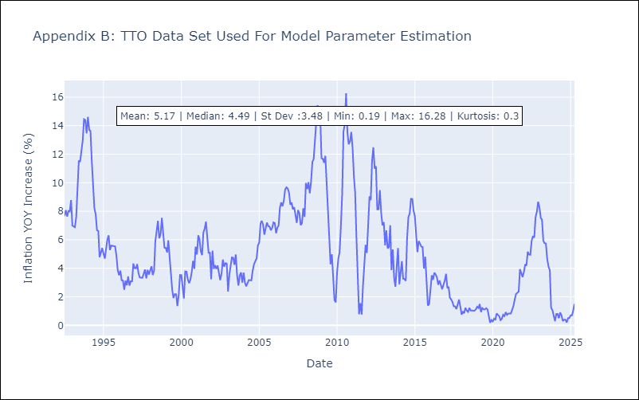

Appendix C: Residuals Analysis
Mean

