md_CAR13
md_CAR13 - Inflation - Next 12 months forecast as of: 2025-04-01

Model | Random Forest w/ Lags - None
Training Data | 1992-07-01 to 2024-05-01
Test Data | 2024-05-01 to 2025-04-01

Date | Inflation Change YoY % | Lower Bound - 95% Confidence Interval | Upper Bound - 95% Confidence Interval | Bias Corrected Forecast
2025-05-01 | 2.28 | 2.33 | 2.56
2025-06-01 | 2.38 | 2.31 | 2.6
2025-07-01 | 2.69 | 2.29 | 2.63
2025-08-01 | 2.66 | 2.13 | 2.63
2025-09-01 | 2.57 | 2.08 | 2.62
2025-10-01 | 2.58 | 2.07 | 2.61
2025-11-01 | 2.58 | 2.03 | 2.62
2025-12-01 | 2.58 | 2.02 | 2.62
2026-01-01 | 2.55 | 2.02 | 2.62
2026-02-01 | 2.54 | 2.02 | 2.63
2026-03-01 | 2.53 | 2.02 | 2.62
2026-04-01 | 2.55 | 2.03 | 2.63

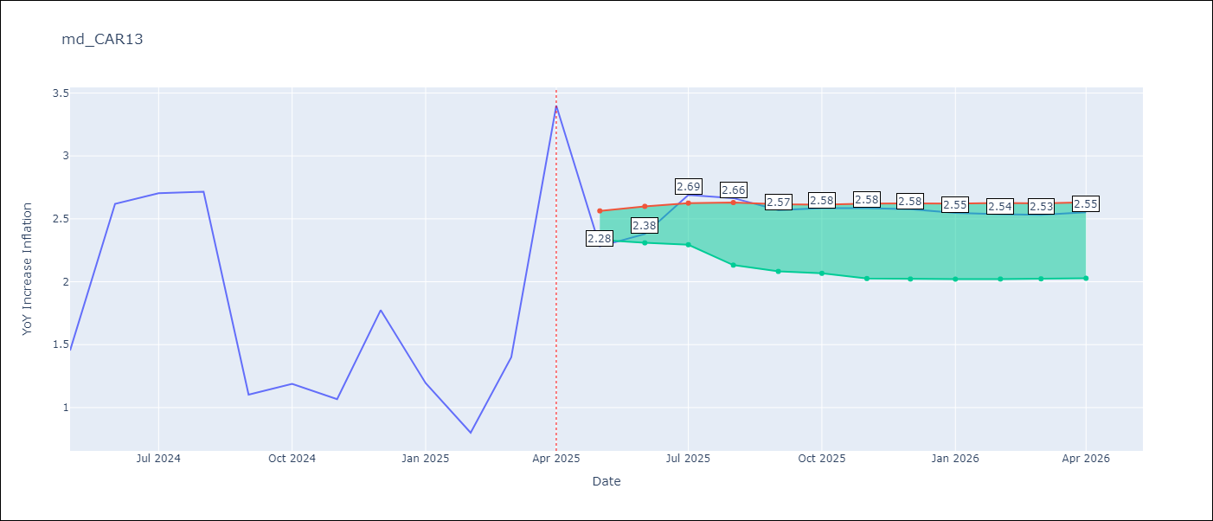

Test Set
RMSE | 0.45
Naive RMSE | 0.82
MAPE | 21.61%

Test Predictions
Date | Predicted | Actual | Bias Vector | Bias Corrected
2025-05-01 | 1.61 | 1.45
2025-06-01 | 2.31 | 2.62
2025-07-01 | 2.56 | 2.7
2025-08-01 | 2.61 | 2.72
2025-09-01 | 1.83 | 1.1
2025-10-01 | 1.77 | 1.19
2025-11-01 | 1.09 | 1.07
2025-12-01 | 1.67 | 1.77
2026-01-01 | 1.37 | 1.19
2026-02-01 | 1.12 | 0.8
2026-03-01 | 1.15 | 1.4
2026-04-01 | 2.3 | 3.4

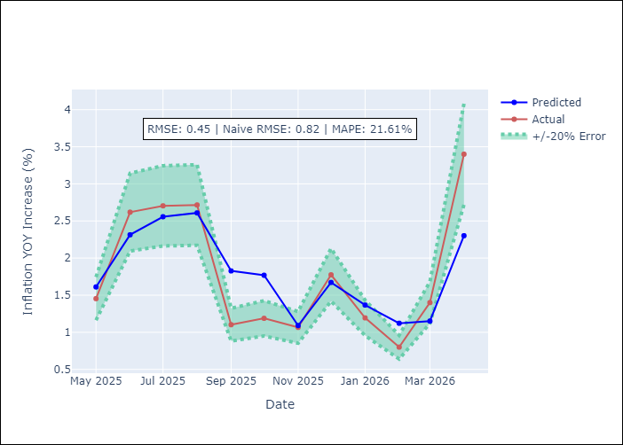
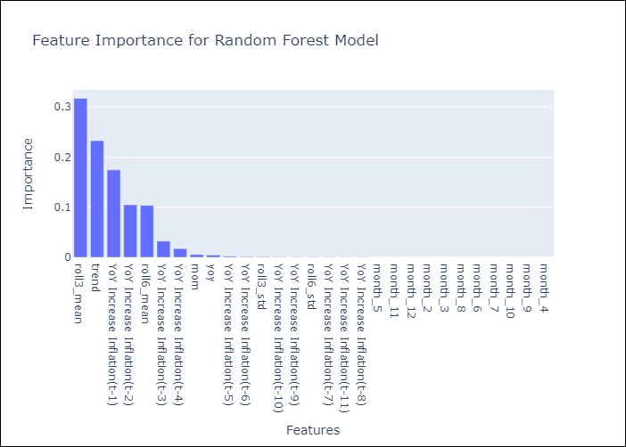

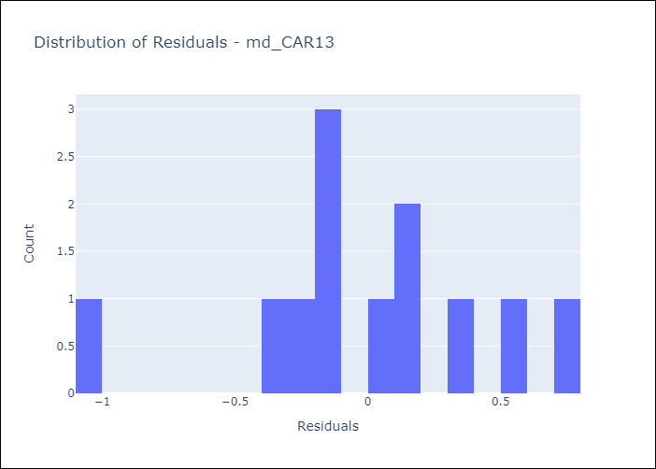
Appendix A: Model Summary
Model | Random Forest w/ Lags
Sample | 1992-07-01 to 2025-04-01
No. of Observations | 394
Residuals
Mean | -0.0022645272285
St Dev | 0.44961903733
Kurtosis | 0.79938282072
Skewness | -0.67770786518

Assumptions | P-value

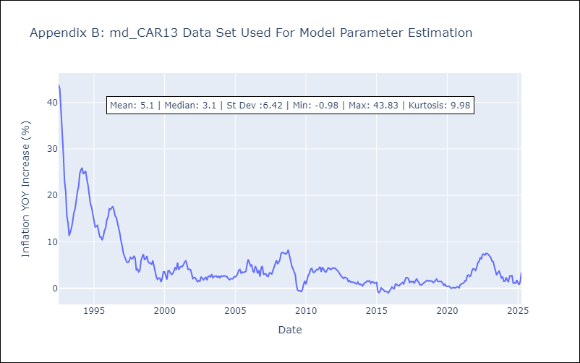

Appendix C: Residuals Analysis
Mean

md_CEN09
md_CEN09 - Inflation - Next 12 months forecast as of: 2025-04-01

Model | Random Forest w/ Lags - None
Training Data | 1992-01-01 to 2024-05-01
Test Data | 2024-05-01 to 2025-04-01

Date | Inflation Change YoY % | Lower Bound - 95% Confidence Interval | Upper Bound - 95% Confidence Interval | Bias Corrected Forecast
2025-05-01 | 1.3 | 2.1 | 2.9
2025-06-01 | 1.16 | 1.97 | 2.92
2025-07-01 | 1.25 | 2.02 | 3.24
2025-08-01 | 1.96 | 1.98 | 3.37
2025-09-01 | 2.15 | 1.96 | 3.47
2025-10-01 | 2.28 | 1.91 | 3.5
2025-11-01 | 2.56 | 1.86 | 3.57
2025-12-01 | 2.49 | 1.86 | 3.59
2026-01-01 | 2.59 | 1.81 | 3.68
2026-02-01 | 2.59 | 1.74 | 3.81
2026-03-01 | 2.56 | 1.74 | 3.86
2026-04-01 | 2.53 | 1.73 | 3.86

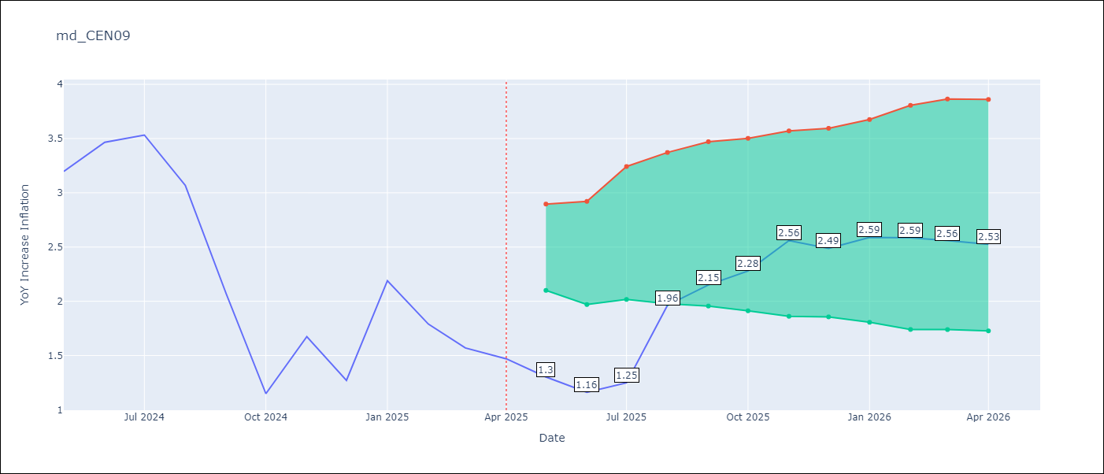

Test Set
RMSE | 0.29
Naive RMSE | 1.17
MAPE | 13.59%

Test Predictions
Date | Predicted | Actual | Bias Vector | Bias Corrected
2025-05-01 | 3.06 | 3.2
2025-06-01 | 3.5 | 3.47
2025-07-01 | 3.54 | 3.53
2025-08-01 | 2.97 | 3.07
2025-09-01 | 2.4 | 2.07
2025-10-01 | 1.87 | 1.15
2025-11-01 | 2.11 | 1.67
2025-12-01 | 1.36 | 1.27
2026-01-01 | 2.14 | 2.19
2026-02-01 | 1.47 | 1.79
2026-03-01 | 1.38 | 1.57
2026-04-01 | 1.31 | 1.47

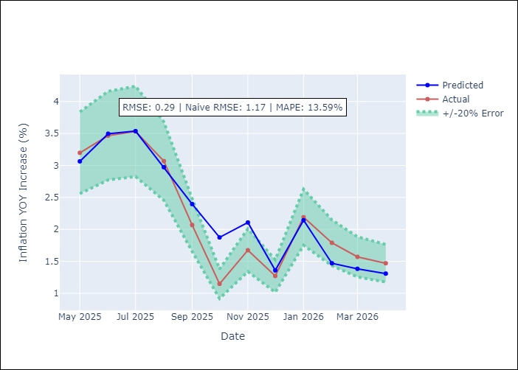
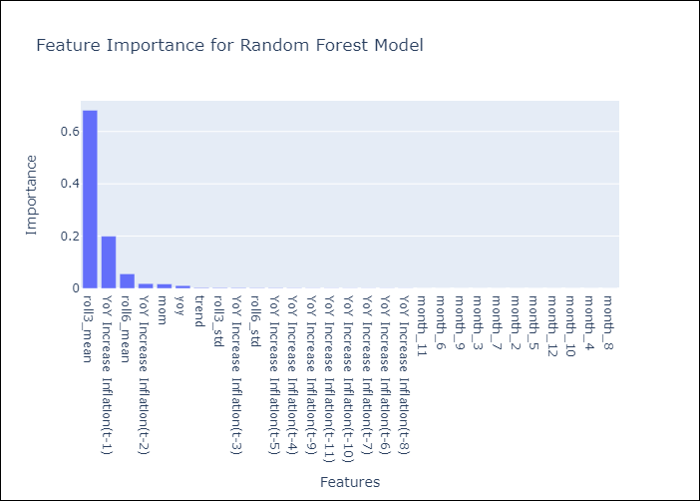

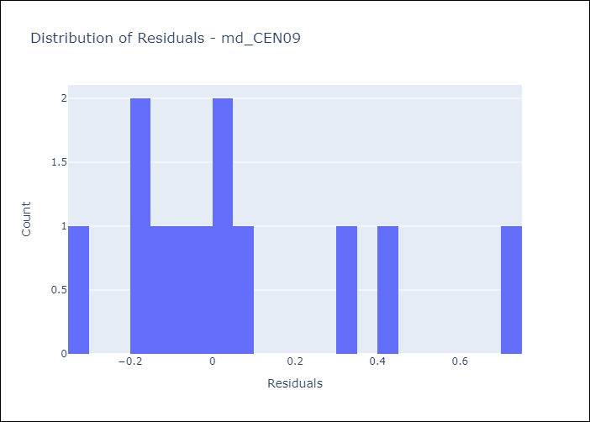
Appendix A: Model Summary
Model | Random Forest w/ Lags
Sample | 1992-01-01 to 2025-04-01
No. of Observations | 400
Residuals
Mean | 0.055355782026
St Dev | 0.28679573851
Kurtosis | 0.15150318873
Skewness | 1.0140648801

Assumptions | P-value

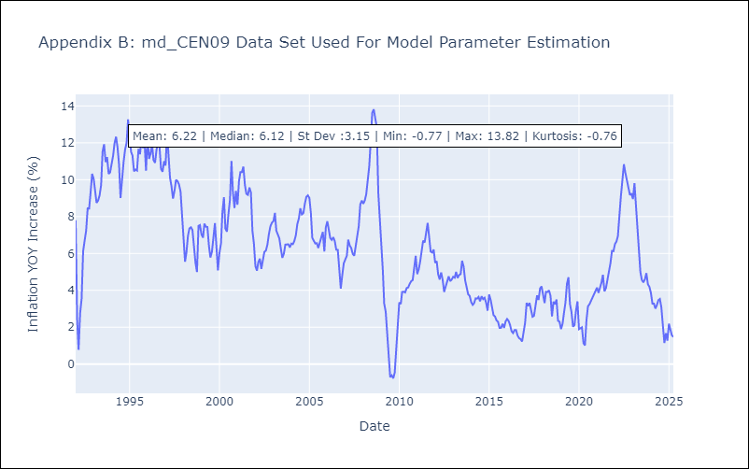

Appendix C: Residuals Analysis
Mean

md_CEN10
md_CEN10 - Inflation - Next 12 months forecast as of: 2025-04-01

Model | Random Forest w/ Lags - None
Training Data | 1992-01-01 to 2024-05-01
Test Data | 2024-05-01 to 2025-04-01

Date | Inflation Change YoY % | Lower Bound - 95% Confidence Interval | Upper Bound - 95% Confidence Interval | Bias Corrected Forecast
2025-05-01 | 1.3 | 2.23 | 3.06
2025-06-01 | 1.16 | 2.01 | 3.12
2025-07-01 | 1.25 | 1.99 | 3.26
2025-08-01 | 1.96 | 1.95 | 3.29
2025-09-01 | 2.15 | 1.96 | 3.29
2025-10-01 | 2.28 | 1.96 | 3.38
2025-11-01 | 2.56 | 1.97 | 3.55
2025-12-01 | 2.49 | 1.91 | 3.62
2026-01-01 | 2.59 | 1.89 | 3.65
2026-02-01 | 2.59 | 1.81 | 3.68
2026-03-01 | 2.56 | 1.8 | 3.69
2026-04-01 | 2.53 | 1.8 | 3.74

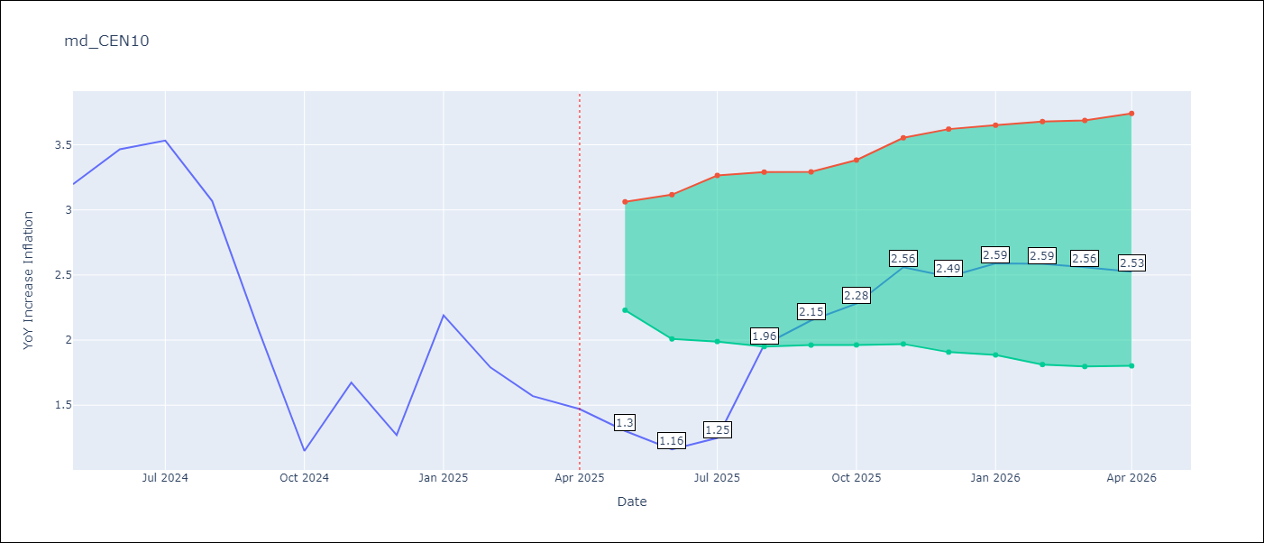

Test Set
RMSE | 0.29
Naive RMSE | 1.17
MAPE | 13.59%

Test Predictions
Date | Predicted | Actual | Bias Vector | Bias Corrected
2025-05-01 | 3.06 | 3.2
2025-06-01 | 3.5 | 3.47
2025-07-01 | 3.54 | 3.53
2025-08-01 | 2.97 | 3.07
2025-09-01 | 2.4 | 2.07
2025-10-01 | 1.87 | 1.15
2025-11-01 | 2.11 | 1.67
2025-12-01 | 1.36 | 1.27
2026-01-01 | 2.14 | 2.19
2026-02-01 | 1.47 | 1.79
2026-03-01 | 1.38 | 1.57
2026-04-01 | 1.31 | 1.47


Appendix A: Model Summary
Model | Random Forest w/ Lags
Sample | 1992-01-01 to 2025-04-01
No. of Observations | 400
Residuals
Mean | 0.055355782026
St Dev | 0.28679573851
Kurtosis | 0.15150318873
Skewness | 1.0140648801

Assumptions | P-value



Appendix C: Residuals Analysis
Mean

md_R01
md_R01 - Inflation - Next 12 months forecast as of: 2025-04-01

Model | Random Forest w/ Lags - None
Training Data | 1990-01-01 to 2024-05-01
Test Data | 2024-05-01 to 2025-04-01

Date | Inflation Change YoY % | Lower Bound - 95% Confidence Interval | Upper Bound - 95% Confidence Interval | Bias Corrected Forecast
2025-05-01 | 3.79 | 3.64 | 4.03
2025-06-01 | 3.83 | 3.57 | 4.17
2025-07-01 | 3.85 | 3.58 | 4.24
2025-08-01 | 3.84 | 3.56 | 4.2
2025-09-01 | 3.85 | 3.57 | 4.29
2025-10-01 | 3.83 | 3.57 | 4.33
2025-11-01 | 3.83 | 3.56 | 4.43
2025-12-01 | 3.82 | 3.56 | 4.39
2026-01-01 | 3.83 | 3.55 | 4.39
2026-02-01 | 3.82 | 3.55 | 4.57
2026-03-01 | 3.82 | 3.54 | 4.67
2026-04-01 | 3.82 | 3.51 | 4.66

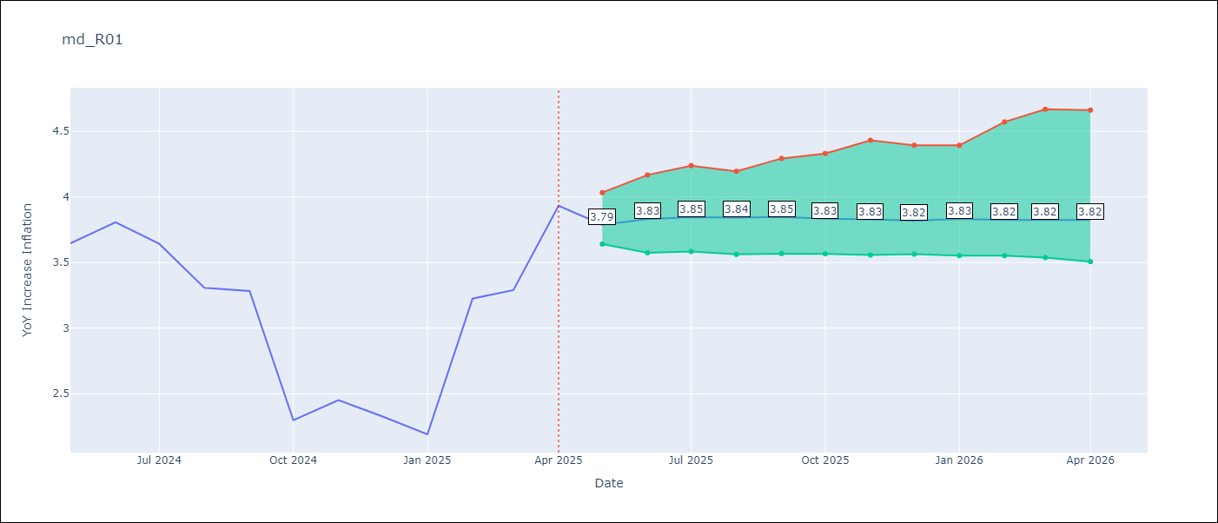

Test Set
RMSE | 0.27
Naive RMSE | 0.75
MAPE | 6.82%

Test Predictions
Date | Predicted | Actual | Bias Vector | Bias Corrected
2025-05-01 | 3.5 | 3.65
2025-06-01 | 3.81 | 3.81
2025-07-01 | 3.67 | 3.64
2025-08-01 | 3.35 | 3.31
2025-09-01 | 3.45 | 3.28
2025-10-01 | 3.01 | 2.3
2025-11-01 | 2.86 | 2.45
2025-12-01 | 2.31 | 2.33
2026-01-01 | 2.22 | 2.19
2026-02-01 | 2.97 | 3.23
2026-03-01 | 3 | 3.29
2026-04-01 | 3.79 | 3.93

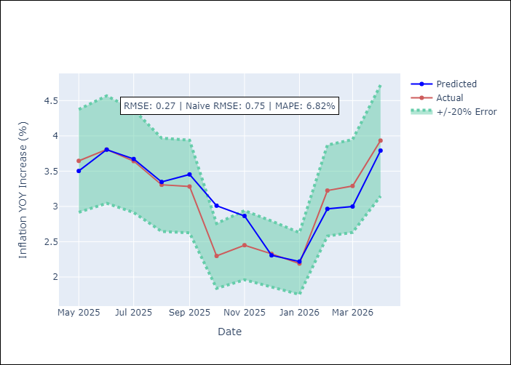
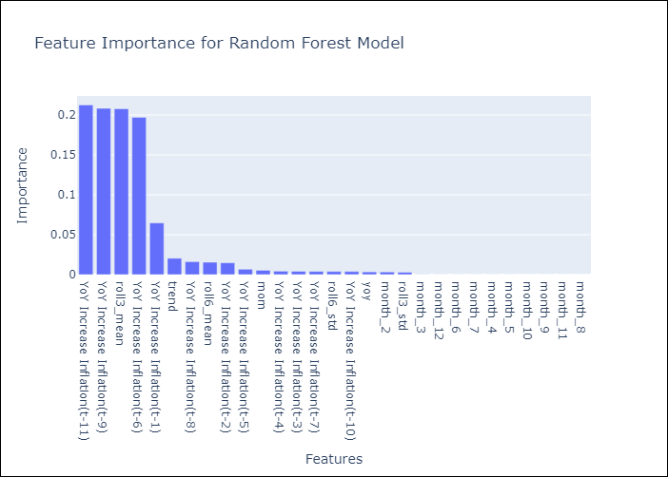

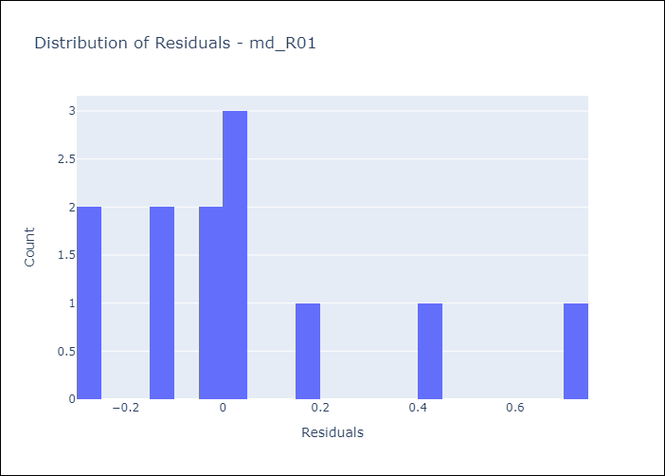
Appendix A: Model Summary
Model | Random Forest w/ Lags
Sample | 1990-01-01 to 2025-04-01
No. of Observations | 424
Residuals
Mean | 0.044800327327
St Dev | 0.27090902786
Kurtosis | 0.73171725705
Skewness | 1.1315263887

Assumptions | P-value

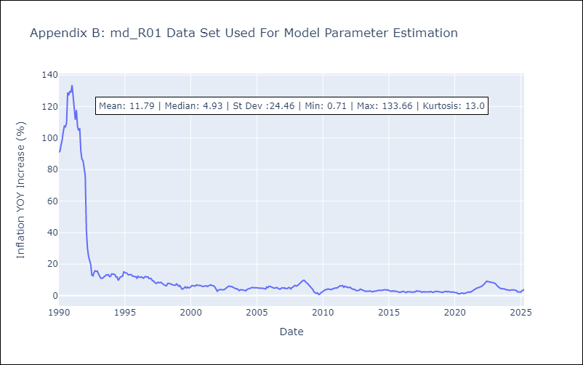

Appendix C: Residuals Analysis
Mean

md_R02
md_R02 - Inflation - Next 12 months forecast as of: 2025-04-01

Model | Random Forest w/ Lags - None
Training Data | 1990-01-01 to 2024-05-01
Test Data | 2024-05-01 to 2025-04-01

Date | Inflation Change YoY % | Lower Bound - 95% Confidence Interval | Upper Bound - 95% Confidence Interval | Bias Corrected Forecast
2025-05-01 | 3.99 | 3.97 | 4.21
2025-06-01 | 4.03 | 3.87 | 4.23
2025-07-01 | 4.05 | 3.89 | 4.28
2025-08-01 | 4.14 | 3.84 | 4.28
2025-09-01 | 4.14 | 3.82 | 4.28
2025-10-01 | 4.16 | 3.78 | 4.28
2025-11-01 | 4.15 | 3.74 | 4.27
2025-12-01 | 4.15 | 3.74 | 4.27
2026-01-01 | 4.16 | 3.74 | 4.27
2026-02-01 | 4.16 | 3.72 | 4.27
2026-03-01 | 4.16 | 3.71 | 4.27
2026-04-01 | 4.14 | 3.74 | 4.28

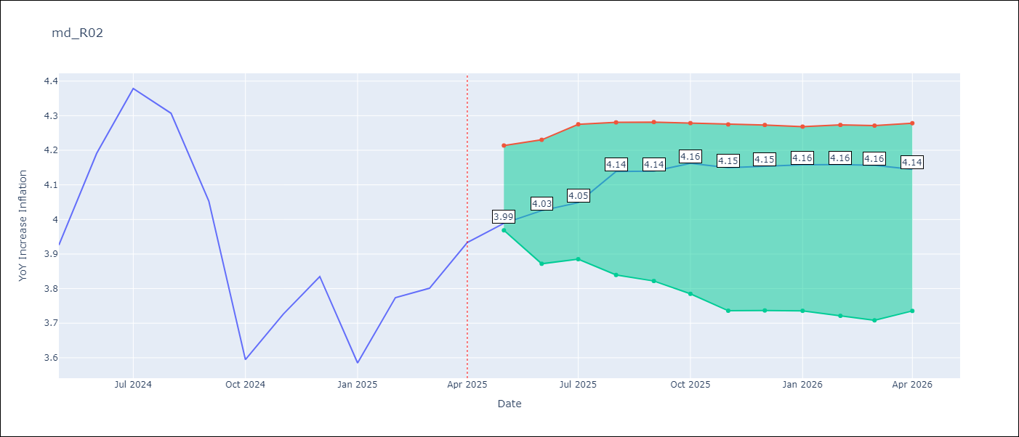

Test Set
RMSE | 0.12
Naive RMSE | 0.35
MAPE | 2.74%

Test Predictions
Date | Predicted | Actual | Bias Vector | Bias Corrected
2025-05-01 | 3.74 | 3.93
2025-06-01 | 4.05 | 4.19
2025-07-01 | 4.18 | 4.38
2025-08-01 | 4.23 | 4.31
2025-09-01 | 4.1 | 4.05
2025-10-01 | 3.75 | 3.59
2025-11-01 | 3.63 | 3.73
2025-12-01 | 3.68 | 3.83
2026-01-01 | 3.64 | 3.59
2026-02-01 | 3.72 | 3.77
2026-03-01 | 3.71 | 3.8
2026-04-01 | 3.98 | 3.93

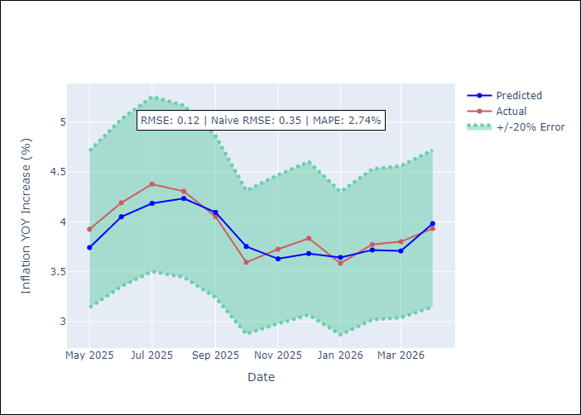
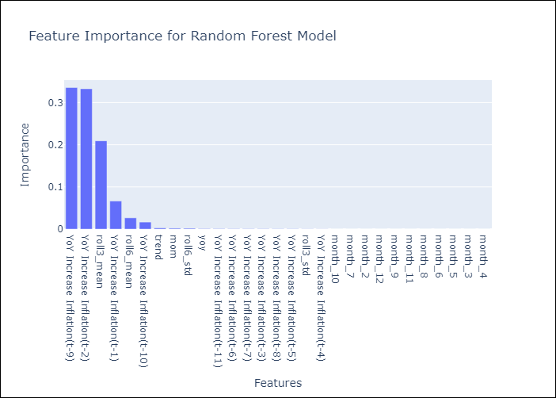

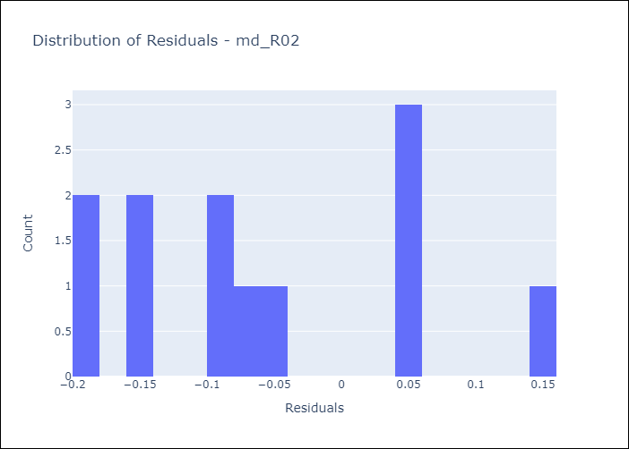
Appendix A: Model Summary
Model | Random Forest w/ Lags
Sample | 1990-01-01 to 2025-04-01
No. of Observations | 424
Residuals
Mean | -0.05652719201
St Dev | 0.10592564983
Kurtosis | -0.82468283293
Skewness | 0.52030194841

Assumptions | P-value



Appendix C: Residuals Analysis
Mean

md_R07
md_R07 - Inflation - Next 12 months forecast as of: 2025-04-01

Model | Random Forest w/ Lags - None
Training Data | 1992-07-01 to 2024-05-01
Test Data | 2024-05-01 to 2025-04-01

Date | Inflation Change YoY % | Lower Bound - 95% Confidence Interval | Upper Bound - 95% Confidence Interval | Bias Corrected Forecast
2025-05-01 | 2.28 | 2.27 | 2.56
2025-06-01 | 2.38 | 2.27 | 2.6
2025-07-01 | 2.69 | 2.27 | 2.62
2025-08-01 | 2.66 | 2.19 | 2.62
2025-09-01 | 2.57 | 2.18 | 2.6
2025-10-01 | 2.58 | 2.15 | 2.6
2025-11-01 | 2.58 | 2.11 | 2.61
2025-12-01 | 2.58 | 2.1 | 2.61
2026-01-01 | 2.55 | 2.09 | 2.62
2026-02-01 | 2.54 | 2.07 | 2.61
2026-03-01 | 2.53 | 2.04 | 2.61
2026-04-01 | 2.55 | 2.03 | 2.61

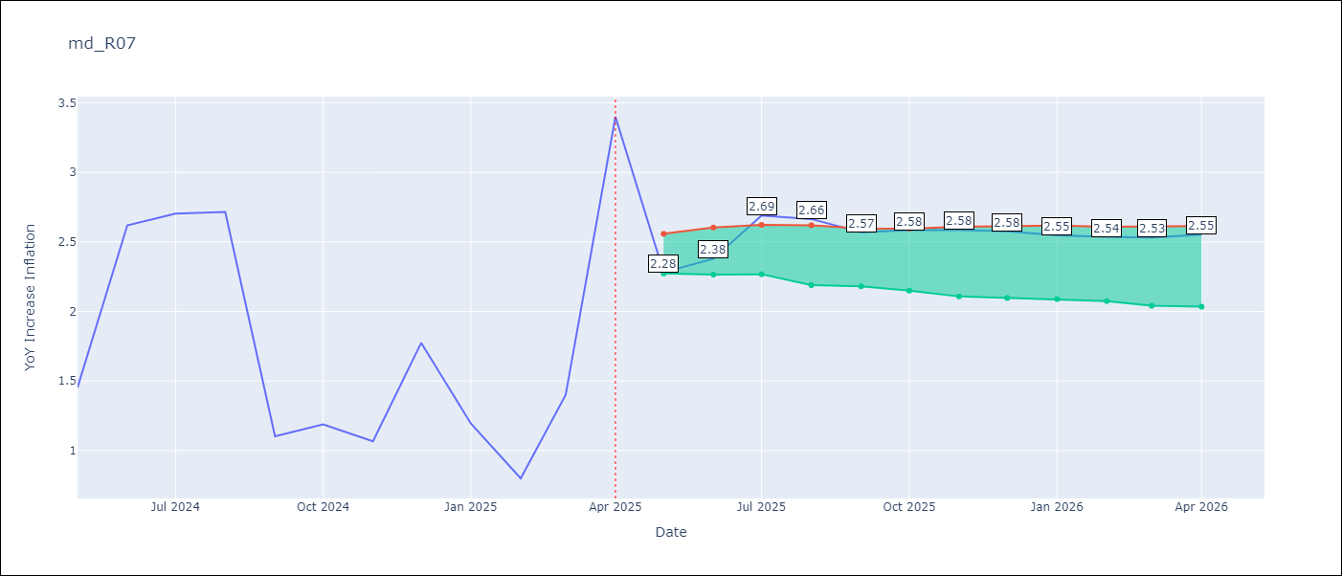

Test Set
RMSE | 0.45
Naive RMSE | 0.82
MAPE | 21.61%

Test Predictions
Date | Predicted | Actual | Bias Vector | Bias Corrected
2025-05-01 | 1.61 | 1.45
2025-06-01 | 2.31 | 2.62
2025-07-01 | 2.56 | 2.7
2025-08-01 | 2.61 | 2.72
2025-09-01 | 1.83 | 1.1
2025-10-01 | 1.77 | 1.19
2025-11-01 | 1.09 | 1.07
2025-12-01 | 1.67 | 1.77
2026-01-01 | 1.37 | 1.19
2026-02-01 | 1.12 | 0.8
2026-03-01 | 1.15 | 1.4
2026-04-01 | 2.3 | 3.4


Appendix A: Model Summary
Model | Random Forest w/ Lags
Sample | 1992-07-01 to 2025-04-01
No. of Observations | 394
Residuals
Mean | -0.0022645272285
St Dev | 0.44961903733
Kurtosis | 0.79938282072
Skewness | -0.67770786518

Assumptions | P-value

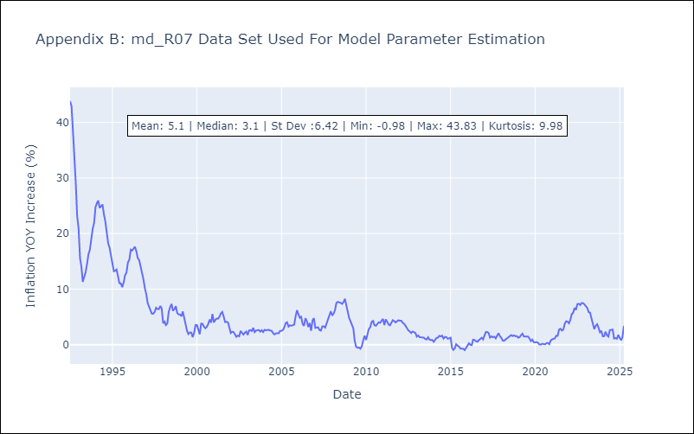

Appendix C: Residuals Analysis
Mean

md_SUR10
md_SUR10 - Inflation - Next 12 months forecast as of: 2025-04-01

Model | Random Forest w/ Lags - None
Training Data | 1990-01-01 to 2024-05-01
Test Data | 2024-05-01 to 2025-04-01

Date | Inflation Change YoY % | Lower Bound - 95% Confidence Interval | Upper Bound - 95% Confidence Interval | Bias Corrected Forecast
2025-05-01 | 4.9 | 4.83 | 4.98
2025-06-01 | 4.94 | 4.78 | 4.99
2025-07-01 | 4.92 | 4.72 | 5.04
2025-08-01 | 4.93 | 4.69 | 5.05
2025-09-01 | 4.93 | 4.67 | 5.05
2025-10-01 | 4.93 | 4.66 | 5.05
2025-11-01 | 4.93 | 4.66 | 5.05
2025-12-01 | 4.93 | 4.65 | 5.05
2026-01-01 | 4.93 | 4.64 | 5.04
2026-02-01 | 4.93 | 4.65 | 5.04
2026-03-01 | 4.92 | 4.65 | 5.04
2026-04-01 | 4.92 | 4.64 | 5.04

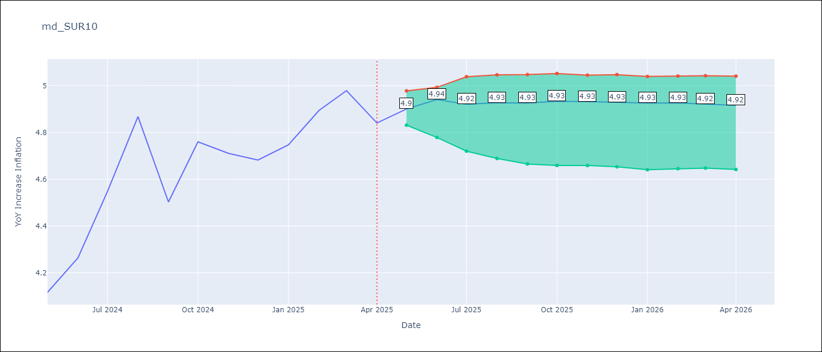

Test Set
RMSE | 0.09
Naive RMSE | 0.87
MAPE | 1.68%

Test Predictions
Date | Predicted | Actual | Bias Vector | Bias Corrected
2025-05-01 | 3.98 | 4.12
2025-06-01 | 4.07 | 4.26
2025-07-01 | 4.55 | 4.55
2025-08-01 | 4.75 | 4.87
2025-09-01 | 4.47 | 4.5
2025-10-01 | 4.87 | 4.76
2025-11-01 | 4.74 | 4.71
2025-12-01 | 4.79 | 4.68
2026-01-01 | 4.8 | 4.75
2026-02-01 | 4.88 | 4.89
2026-03-01 | 4.92 | 4.98
2026-04-01 | 4.9 | 4.84

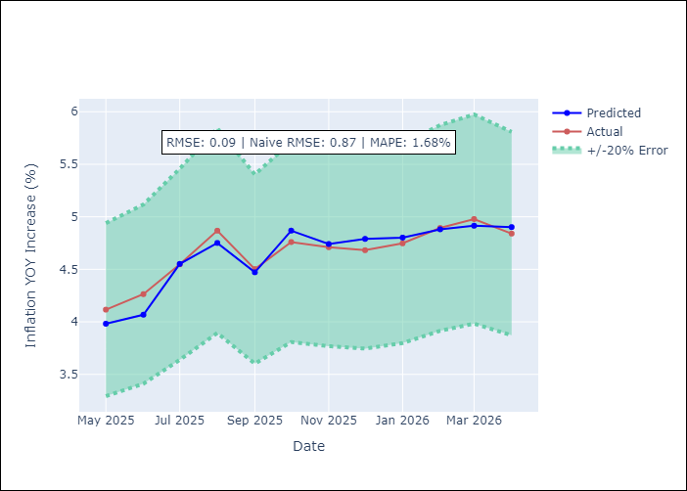
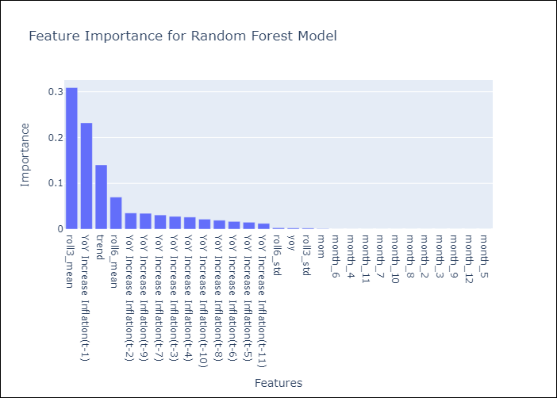

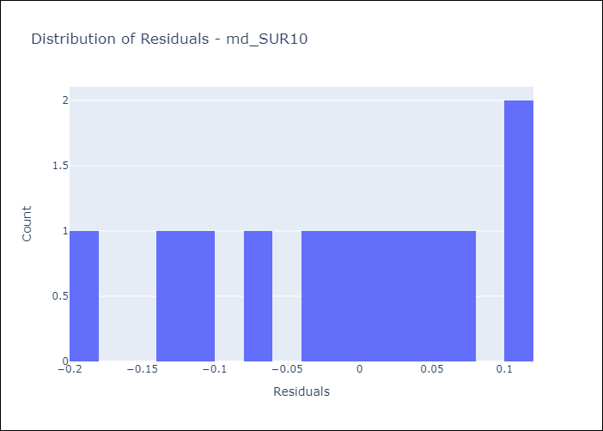
Appendix A: Model Summary
Model | Random Forest w/ Lags
Sample | 1990-01-01 to 2025-04-01
No. of Observations | 424
Residuals
Mean | -0.015615106234
St Dev | 0.092811749244
Kurtosis | -0.87040055294
Skewness | -0.41152012047

Assumptions | P-value

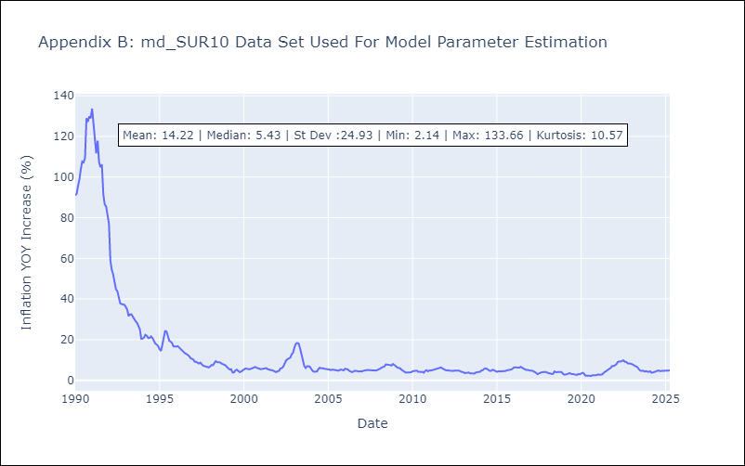

Appendix C: Residuals Analysis
Mean

