BRA
BRA - Inflation - Next 12 months forecast as of: 2025-04-01

Model | Random Forest w/ Lags - None
Training Data | 1996-01-01 to 2024-05-01
Test Data | 2024-05-01 to 2025-04-01

Date | Inflation Change YoY % | Lower Bound - 95% Confidence Interval | Upper Bound - 95% Confidence Interval | Bias Corrected Forecast
2025-05-01 | 5.53 | 6.2 | 6.55
2025-06-01 | 5.85 | 6.13 | 6.58
2025-07-01 | 5.98 | 6.05 | 6.58
2025-08-01 | 5.99 | 6.01 | 6.56
2025-09-01 | 6.06 | 5.95 | 6.58
2025-10-01 | 6.15 | 5.92 | 6.58
2025-11-01 | 6.3 | 5.94 | 6.59
2025-12-01 | 6.32 | 5.89 | 6.58
2026-01-01 | 6.26 | 5.97 | 6.58
2026-02-01 | 6.37 | 5.92 | 6.57
2026-03-01 | 6.4 | 6 | 6.57
2026-04-01 | 6.39 | 5.93 | 6.56

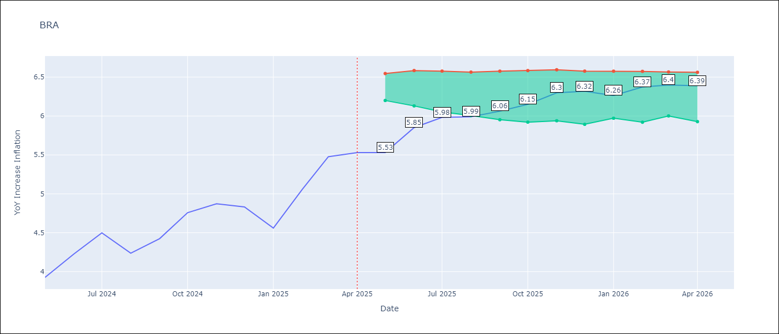

Test Set
RMSE | 0.13
Naive RMSE | 1.12
MAPE | 2.24%

Test Predictions
Date | Predicted | Actual | Bias Vector | Bias Corrected
2025-05-01 | 3.97 | 3.93
2025-06-01 | 4.26 | 4.23
2025-07-01 | 4.44 | 4.5
2025-08-01 | 4.07 | 4.24
2025-09-01 | 4.46 | 4.42
2025-10-01 | 4.88 | 4.76
2025-11-01 | 4.68 | 4.87
2025-12-01 | 4.66 | 4.83
2026-01-01 | 4.59 | 4.56
2026-02-01 | 5.24 | 5.06
2026-03-01 | 5.28 | 5.48
2026-04-01 | 5.49 | 5.53

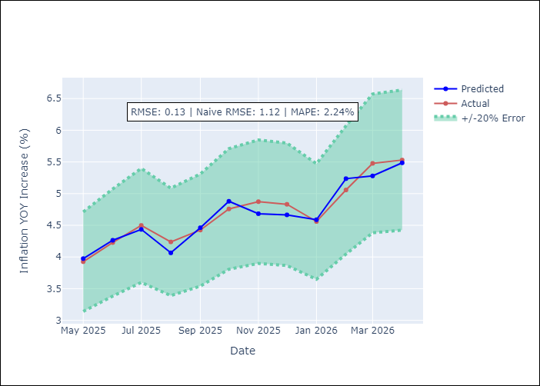
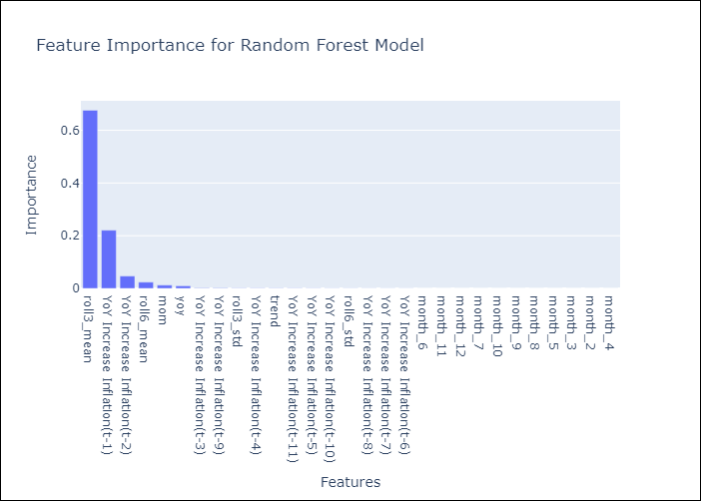

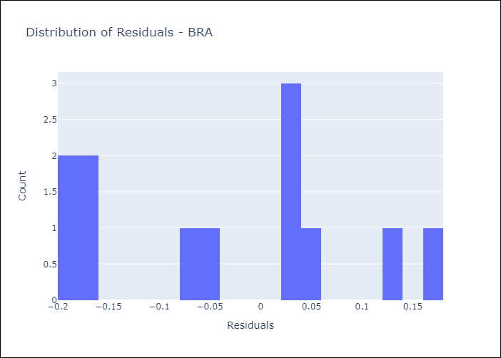
Appendix A: Model Summary
Model | Random Forest w/ Lags
Sample | 1996-01-01 to 2025-04-01
No. of Observations | 352
Residuals
Mean | -0.032109804472
St Dev | 0.12204540645
Kurtosis | -1.2280003469
Skewness | 0.026568266492

Assumptions | P-value

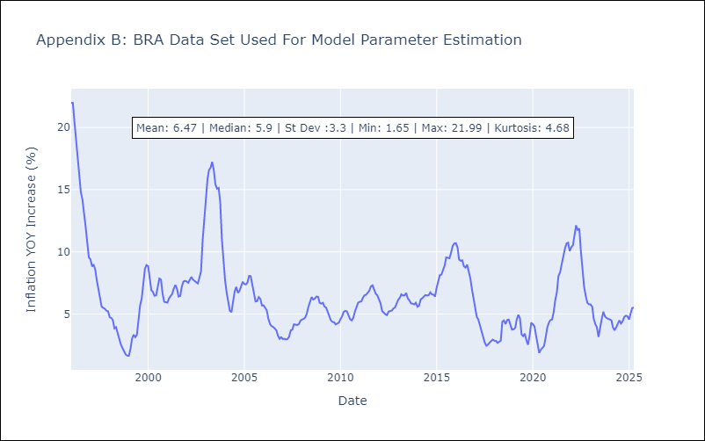

Appendix C: Residuals Analysis
Mean

