BRA
BRA - Inflation - Next 12 months forecast as of: 2025-04-01

Model | Random Forest w/ Lags - None
Training Data | 1996-01-01 to 2024-05-01
Test Data | 2024-05-01 to 2025-04-01

Date | Inflation Change YoY % | Lower Bound - 95% Confidence Interval | Upper Bound - 95% Confidence Interval | Bias Corrected Forecast
2025-05-01 | 5.48 | 6.03 | 6.4
2025-06-01 | 5.65 | 5.96 | 6.49
2025-07-01 | 5.83 | 5.92 | 6.5
2025-08-01 | 5.93 | 5.87 | 6.52
2025-09-01 | 5.94 | 5.85 | 6.52
2025-10-01 | 5.99 | 5.82 | 6.55
2025-11-01 | 6.01 | 5.78 | 6.56
2025-12-01 | 6.04 | 5.76 | 6.55
2026-01-01 | 6.13 | 5.75 | 6.56
2026-02-01 | 6.23 | 5.72 | 6.55
2026-03-01 | 6.25 | 5.78 | 6.54
2026-04-01 | 6.2 | 5.85 | 6.54

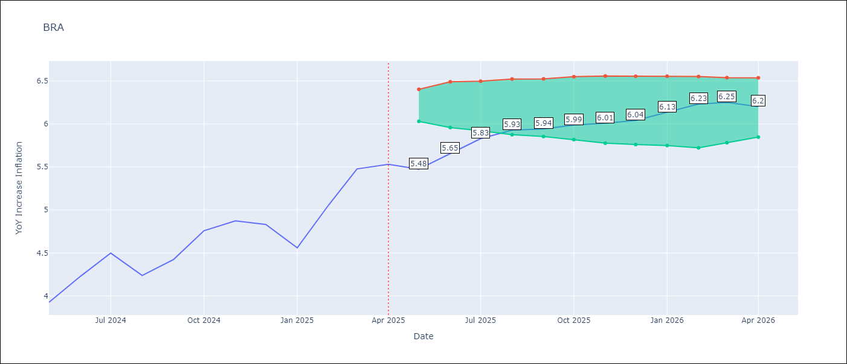

Test Set
RMSE | 0.75
Naive RMSE | 1.12
MAPE | 13.24%

Test Predictions
Date | Predicted | Actual | Bias Vector | Bias Corrected
2025-05-01 | 3.76 | 3.93
2025-06-01 | 3.86 | 4.23
2025-07-01 | 3.92 | 4.5
2025-08-01 | 3.98 | 4.24
2025-09-01 | 4.08 | 4.42
2025-10-01 | 4.14 | 4.76
2025-11-01 | 4.12 | 4.87
2025-12-01 | 4.13 | 4.83
2026-01-01 | 4.13 | 4.56
2026-02-01 | 4.14 | 5.06
2026-03-01 | 4.15 | 5.48
2026-04-01 | 4.17 | 5.53

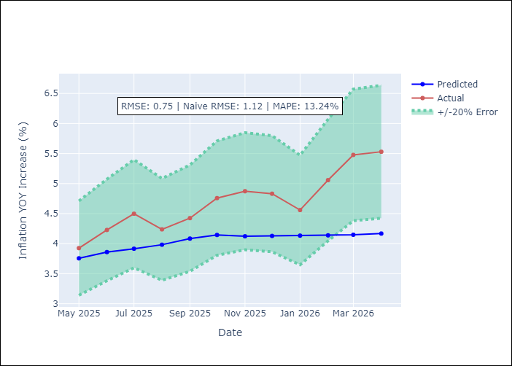
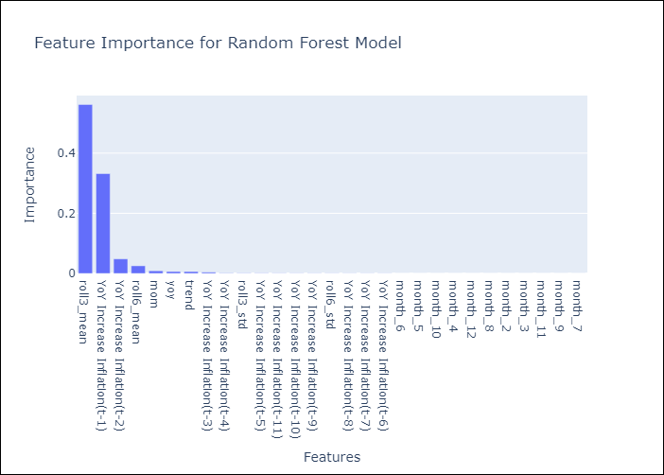

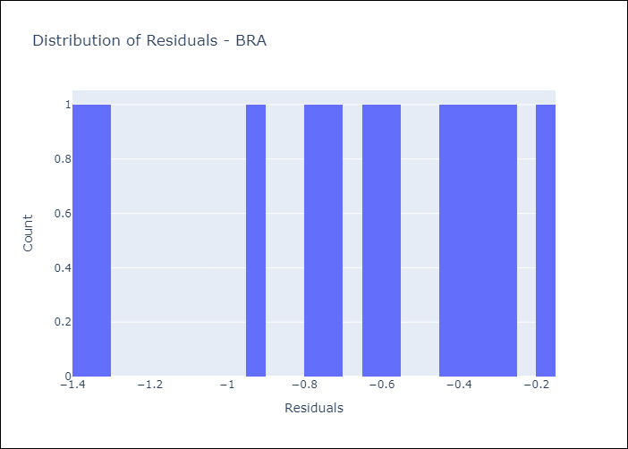
Appendix A: Model Summary
Model | Random Forest w/ Lags
Sample | 1996-01-01 to 2025-04-01
No. of Observations | 352
Residuals
Mean | -0.65148684282
St Dev | 0.37321923583
Kurtosis | -0.56058636712
Skewness | -0.72348808812

Assumptions | P-value

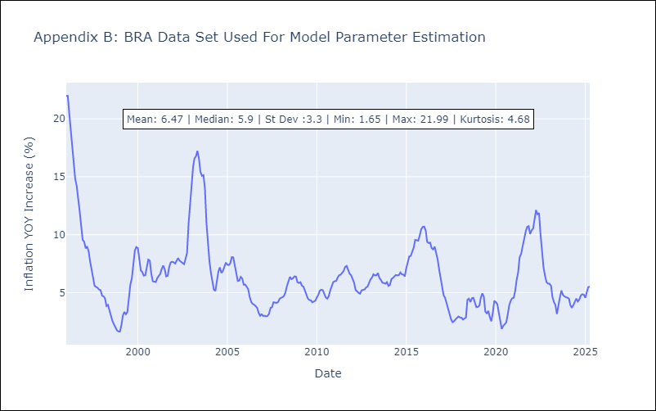

Appendix C: Residuals Analysis
Mean

