BRA
BRA - Inflation - Next 12 months forecast as of: 2025-04-01

Model | Random Forest w/ Lags - None
Training Data | 1996-01-01 to 2024-05-01
Test Data | 2024-05-01 to 2025-04-01

Date | Inflation Change YoY % | Lower Bound - 95% Confidence Interval | Upper Bound - 95% Confidence Interval | Bias Corrected Forecast
2025-05-01 | 5.47 | 6.04 | 6.39
2025-06-01 | 5.64 | 5.96 | 6.47
2025-07-01 | 5.82 | 5.93 | 6.51
2025-08-01 | 5.92 | 5.88 | 6.54
2025-09-01 | 5.93 | 5.85 | 6.55
2025-10-01 | 5.98 | 5.82 | 6.54
2025-11-01 | 6.01 | 5.82 | 6.56
2025-12-01 | 6.03 | 5.8 | 6.57
2026-01-01 | 6.13 | 5.83 | 6.56
2026-02-01 | 6.22 | 5.84 | 6.56
2026-03-01 | 6.24 | 5.85 | 6.56
2026-04-01 | 6.2 | 5.84 | 6.55

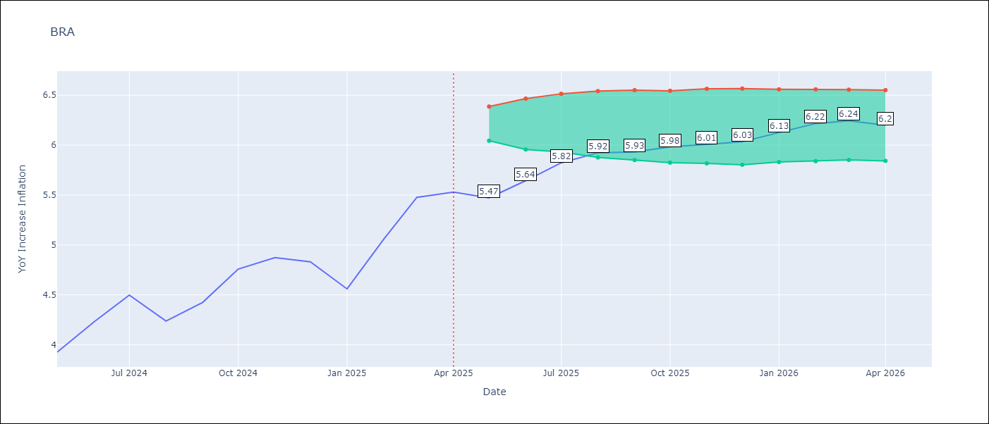

Test Set
RMSE | 0.1
Naive RMSE | 1.12
MAPE | 1.59%

Test Predictions
Date | Predicted | Actual | Bias Vector | Bias Corrected
2025-05-01 | 3.98 | 3.93
2025-06-01 | 4.21 | 4.23
2025-07-01 | 4.36 | 4.5
2025-08-01 | 4.05 | 4.24
2025-09-01 | 4.42 | 4.42
2025-10-01 | 4.74 | 4.76
2025-11-01 | 4.81 | 4.87
2025-12-01 | 4.79 | 4.83
2026-01-01 | 4.67 | 4.56
2026-02-01 | 5.05 | 5.06
2026-03-01 | 5.27 | 5.48
2026-04-01 | 5.47 | 5.53

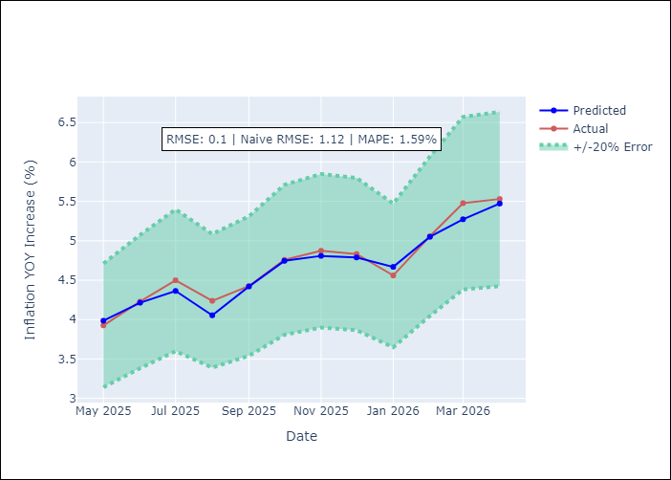
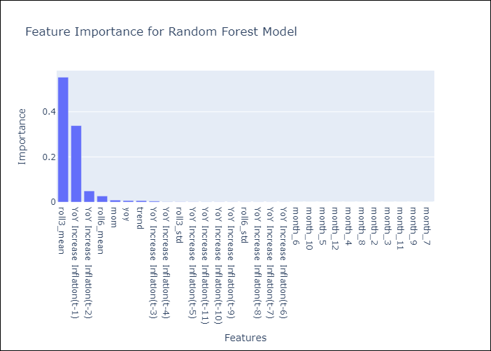

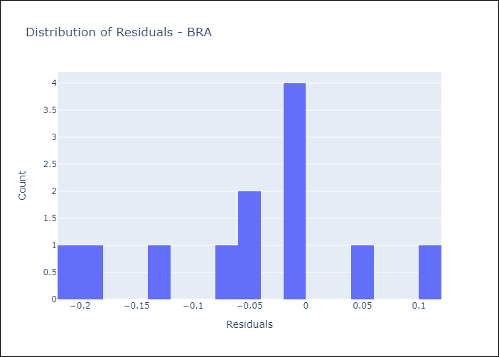
Appendix A: Model Summary
Model | Random Forest w/ Lags
Sample | 1996-01-01 to 2025-04-01
No. of Observations | 352
Residuals
Mean | -0.046811268623
St Dev | 0.087972721206
Kurtosis | -0.55913213578
Skewness | -0.25104224533

Assumptions | P-value

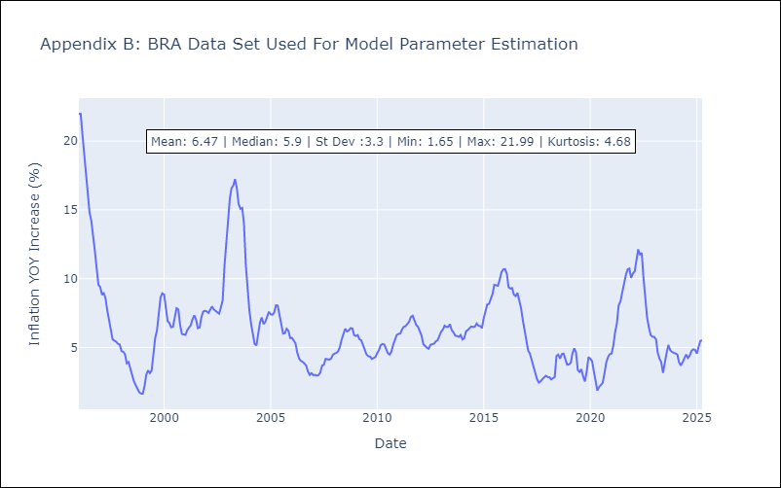

Appendix C: Residuals Analysis
Mean

