ARG
ARG - Inflation - Next 12 months forecast as of: 2025-05-01

Model | Random Forest w/ Lags - None
Training Data | 1990-01-01 to 2024-06-01
Test Data | 2024-06-01 to 2025-05-01

Date | Inflation Change YoY % | Lower Bound - 95% Confidence Interval | Upper Bound - 95% Confidence Interval | Bias Corrected Forecast
2025-06-01 | 102.22 | 221.55 | 273.72
2025-07-01 | 99.48 | 216.97 | 281.41
2025-08-01 | 133.49 | 216.64 | 285.21
2025-09-01 | 147.83 | 202.49 | 278.12
2025-10-01 | 158.41 | 200.49 | 266.25
2025-11-01 | 163.51 | 200.42 | 264.16
2025-12-01 | 173.92 | 202.15 | 266.72
2026-01-01 | 181.71 | 200.59 | 263.99
2026-02-01 | 192.66 | 200.12 | 266.67
2026-03-01 | 219.57 | 200.91 | 266.56
2026-04-01 | 232.42 | 200.11 | 266.77
2026-05-01 | 251.58 | 200.1 | 266.78

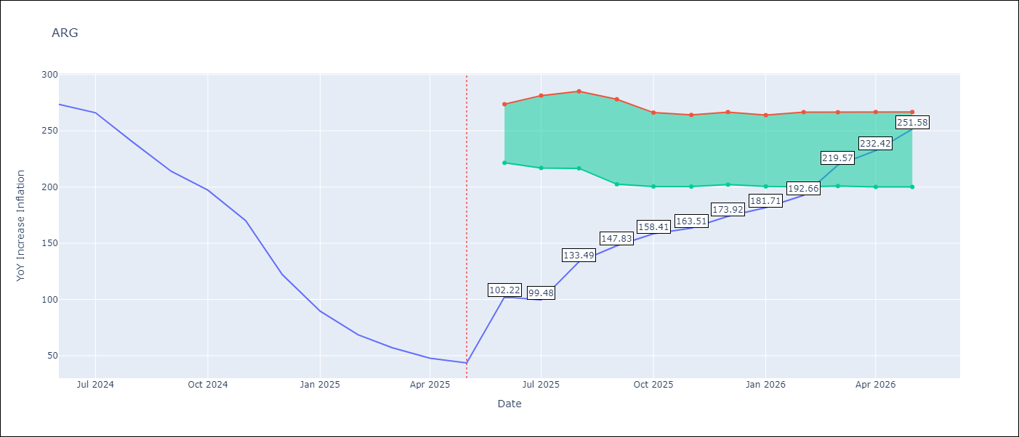

Test Set
RMSE | 79.24
Naive RMSE | 154.73
MAPE | 79.46%

Test Predictions
Date | Predicted | Actual | Bias Vector | Bias Corrected
2025-06-01 | 268.19 | 273.68
2025-07-01 | 267.7 | 266.11
2025-08-01 | 249.36 | 239.62
2025-09-01 | 255.15 | 214.01
2025-10-01 | 255.17 | 197.26
2025-11-01 | 253.4 | 170.13
2025-12-01 | 246.83 | 122.15
2026-01-01 | 228.3 | 89.58
2026-02-01 | 184.96 | 68.57
2026-03-01 | 139.43 | 57.04
2026-04-01 | 116.08 | 47.74
2026-05-01 | 102.22 | 43.5

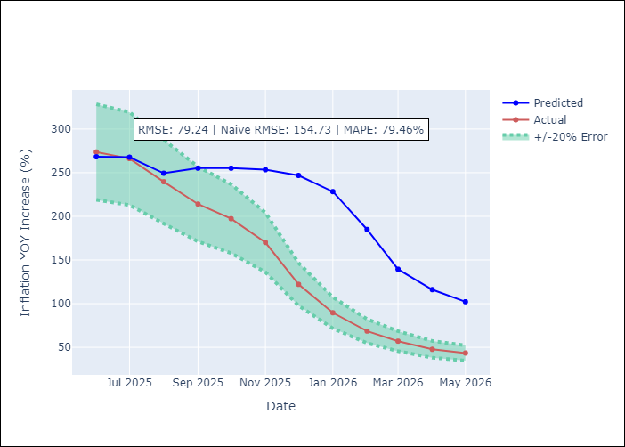
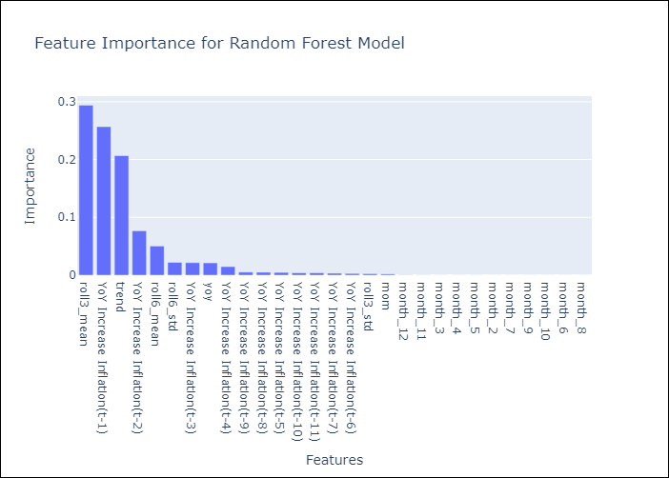

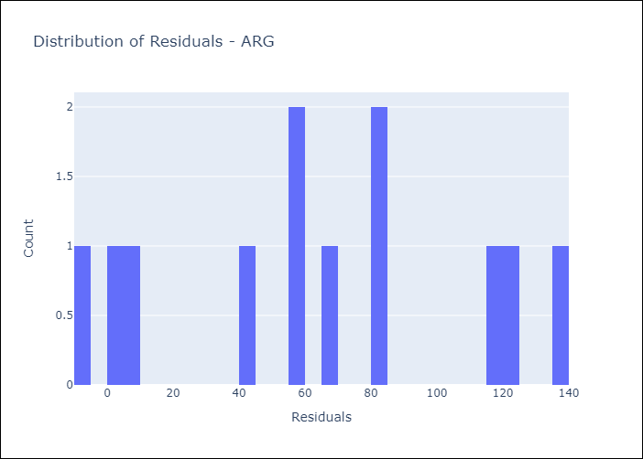
Appendix A: Model Summary
Model | Random Forest w/ Lags
Sample | 1990-01-01 to 2025-05-01
No. of Observations | 425
Residuals
Mean | 64.785393561
St Dev | 45.633577796
Kurtosis | -1.0799205654
Skewness | -0.010179750231

Assumptions | P-value

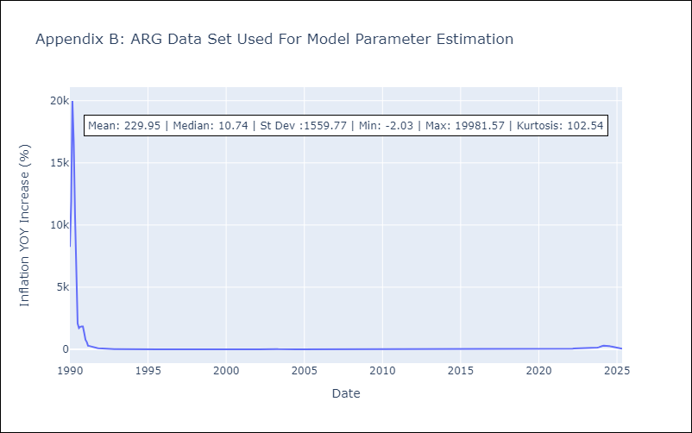

Appendix C: Residuals Analysis
Mean

BOL
BOL - Inflation - Next 12 months forecast as of: 2025-05-01

Model | Random Forest w/ Lags - None
Training Data | 1990-01-01 to 2024-06-01
Test Data | 2024-06-01 to 2025-05-01

Date | Inflation Change YoY % | Lower Bound - 95% Confidence Interval | Upper Bound - 95% Confidence Interval | Bias Corrected Forecast
2025-06-01 | 16 | 11.95 | 12.82
2025-07-01 | 16.03 | 11.76 | 12.9
2025-08-01 | 15.83 | 11.72 | 12.77
2025-09-01 | 15.64 | 11.58 | 12.75
2025-10-01 | 15.63 | 11.2 | 12.72
2025-11-01 | 15.07 | 11.05 | 12.67
2025-12-01 | 14.53 | 10.91 | 12.69
2026-01-01 | 14.15 | 10.64 | 12.68
2026-02-01 | 13.78 | 10.53 | 12.7
2026-03-01 | 13.47 | 10.39 | 12.71
2026-04-01 | 12.68 | 10.05 | 12.7
2026-05-01 | 12.4 | 9.94 | 12.68

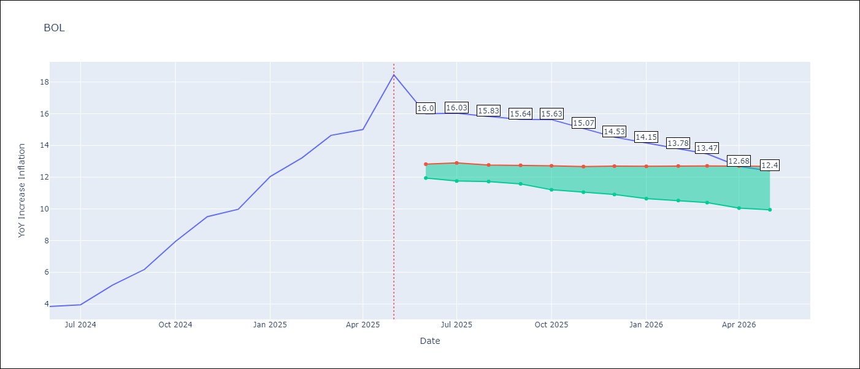

Test Set
RMSE | 0.99
Naive RMSE | 7.92
MAPE | 6.4%

Test Predictions
Date | Predicted | Actual | Bias Vector | Bias Corrected
2025-06-01 | 3.79 | 3.84
2025-07-01 | 3.86 | 3.95
2025-08-01 | 4.76 | 5.19
2025-09-01 | 6.09 | 6.18
2025-10-01 | 7.24 | 7.94
2025-11-01 | 8.52 | 9.51
2025-12-01 | 9.72 | 9.97
2026-01-01 | 10.87 | 12.03
2026-02-01 | 11.94 | 13.22
2026-03-01 | 13.7 | 14.63
2026-04-01 | 15.35 | 15.01
2026-05-01 | 16 | 18.46

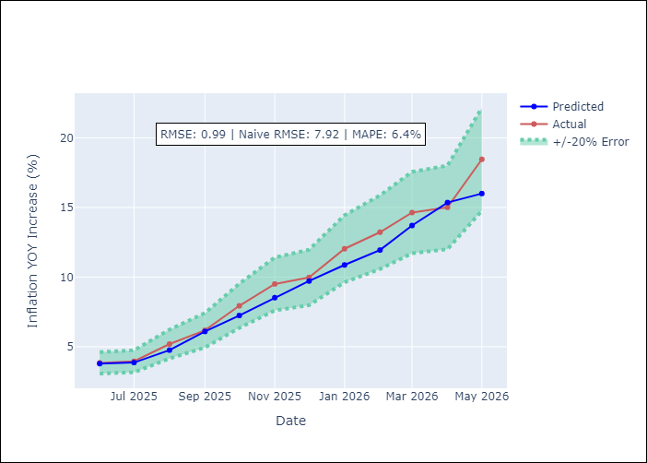
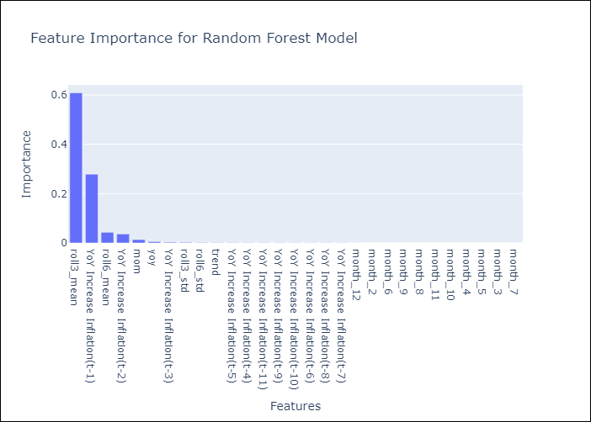

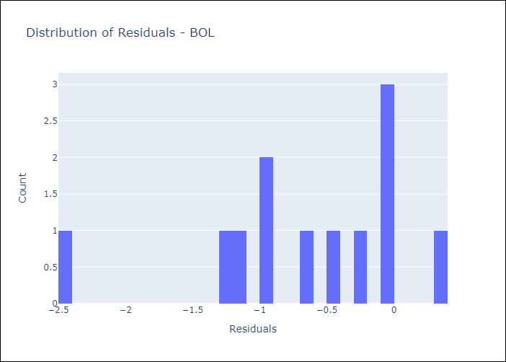
Appendix A: Model Summary
Model | Random Forest w/ Lags
Sample | 1990-01-01 to 2025-05-01
No. of Observations | 425
Residuals
Mean | -0.67514476945
St Dev | 0.72391896099
Kurtosis | 0.58389255111
Skewness | -0.93591595641

Assumptions | P-value

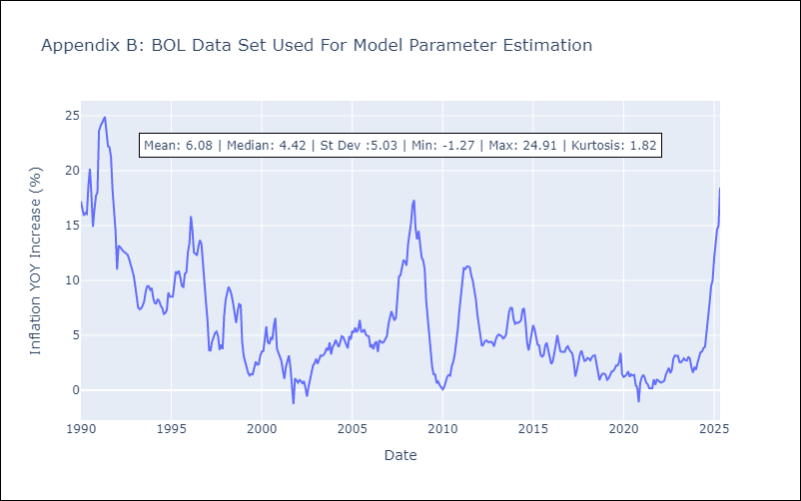

Appendix C: Residuals Analysis
Mean

BRA
BRA - Inflation - Next 12 months forecast as of: 2025-05-01

Model | Random Forest w/ Lags - None
Training Data | 1990-01-01 to 2024-06-01
Test Data | 2024-06-01 to 2025-05-01

Date | Inflation Change YoY % | Lower Bound - 95% Confidence Interval | Upper Bound - 95% Confidence Interval | Bias Corrected Forecast
2025-06-01 | 5.3 | 5.17 | 5.58
2025-07-01 | 5.38 | 5.09 | 5.66
2025-08-01 | 5.44 | 5 | 5.78
2025-09-01 | 5.41 | 4.98 | 5.85
2025-10-01 | 5.4 | 4.97 | 5.9
2025-11-01 | 5.4 | 4.96 | 5.95
2025-12-01 | 5.37 | 4.96 | 5.96
2026-01-01 | 5.36 | 4.93 | 5.95
2026-02-01 | 5.36 | 4.88 | 6
2026-03-01 | 5.36 | 4.89 | 6.05
2026-04-01 | 5.35 | 4.93 | 6.09
2026-05-01 | 5.35 | 4.95 | 6.21

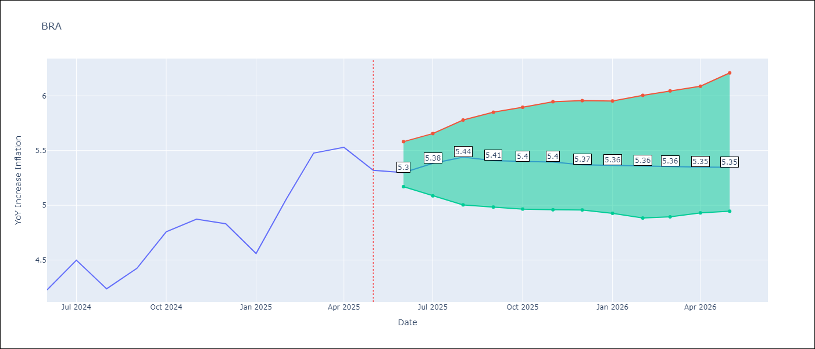

Test Set
RMSE | 0.1
Naive RMSE | 0.99
MAPE | 1.54%

Test Predictions
Date | Predicted | Actual | Bias Vector | Bias Corrected
2025-06-01 | 4.2 | 4.23
2025-07-01 | 4.36 | 4.5
2025-08-01 | 4.07 | 4.24
2025-09-01 | 4.43 | 4.42
2025-10-01 | 4.76 | 4.76
2025-11-01 | 4.81 | 4.87
2025-12-01 | 4.79 | 4.83
2026-01-01 | 4.67 | 4.56
2026-02-01 | 5.02 | 5.06
2026-03-01 | 5.28 | 5.48
2026-04-01 | 5.44 | 5.53
2026-05-01 | 5.3 | 5.32

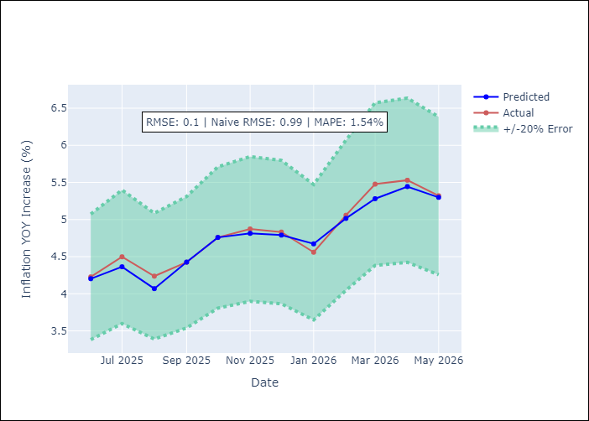
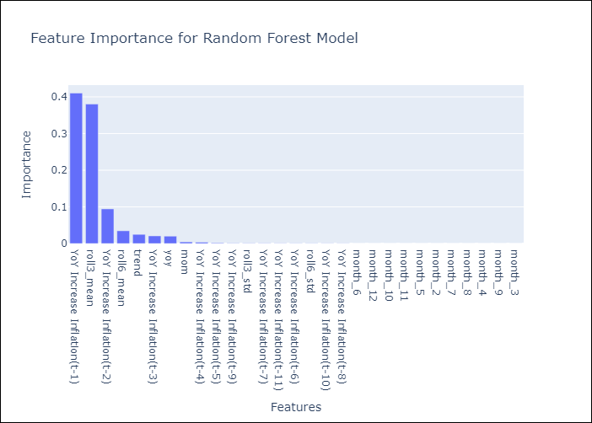

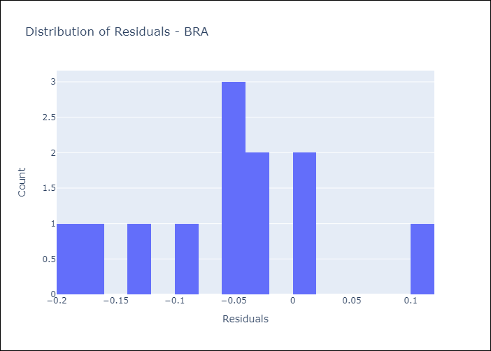
Appendix A: Model Summary
Model | Random Forest w/ Lags
Sample | 1990-01-01 to 2025-05-01
No. of Observations | 425
Residuals
Mean | -0.054750146502
St Dev | 0.080126312265
Kurtosis | -0.129856658
Skewness | 0.042363580761

Assumptions | P-value

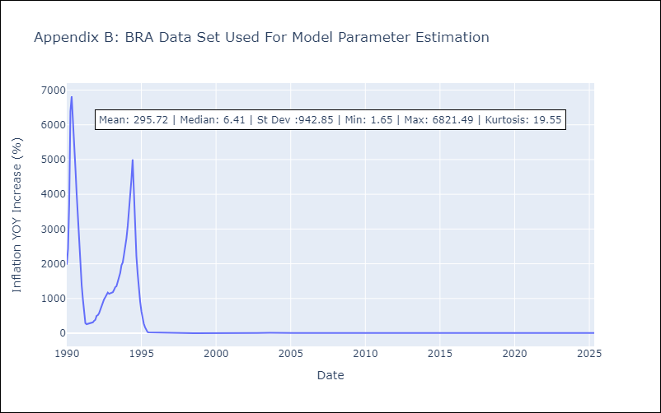

Appendix C: Residuals Analysis
Mean

CHL
CHL - Inflation - Next 12 months forecast as of: 2025-05-01

Model | Random Forest w/ Lags - None
Training Data | 1990-01-01 to 2024-06-01
Test Data | 2024-06-01 to 2025-05-01

Date | Inflation Change YoY % | Lower Bound - 95% Confidence Interval | Upper Bound - 95% Confidence Interval | Bias Corrected Forecast
2025-06-01 | 4.4 | 3.93 | 4.1
2025-07-01 | 4.34 | 3.88 | 4.13
2025-08-01 | 4.35 | 3.84 | 4.16
2025-09-01 | 4.34 | 3.81 | 4.18
2025-10-01 | 4.28 | 3.81 | 4.17
2025-11-01 | 4.24 | 3.81 | 4.16
2025-12-01 | 4.2 | 3.79 | 4.19
2026-01-01 | 4.19 | 3.75 | 4.19
2026-02-01 | 4.16 | 3.75 | 4.19
2026-03-01 | 4.05 | 3.75 | 4.18
2026-04-01 | 4.01 | 3.75 | 4.18
2026-05-01 | 4.02 | 3.75 | 4.18

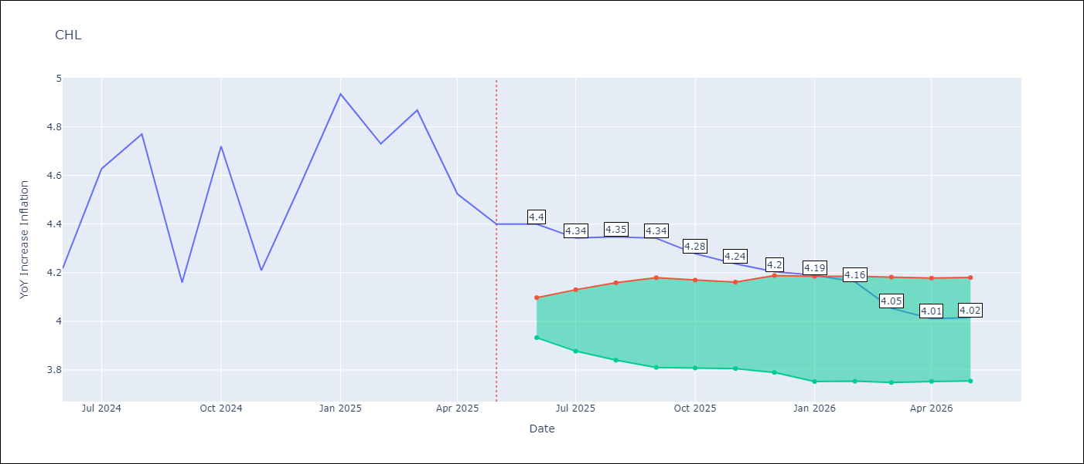

Test Set
RMSE | 0.13
Naive RMSE | 0.47
MAPE | 2.2%

Test Predictions
Date | Predicted | Actual | Bias Vector | Bias Corrected
2025-06-01 | 4.06 | 4.22
2025-07-01 | 4.42 | 4.63
2025-08-01 | 4.56 | 4.77
2025-09-01 | 4.24 | 4.16
2025-10-01 | 4.59 | 4.72
2025-11-01 | 4.22 | 4.21
2025-12-01 | 4.55 | 4.56
2026-01-01 | 4.69 | 4.94
2026-02-01 | 4.67 | 4.73
2026-03-01 | 4.81 | 4.87
2026-04-01 | 4.58 | 4.52
2026-05-01 | 4.4 | 4.4

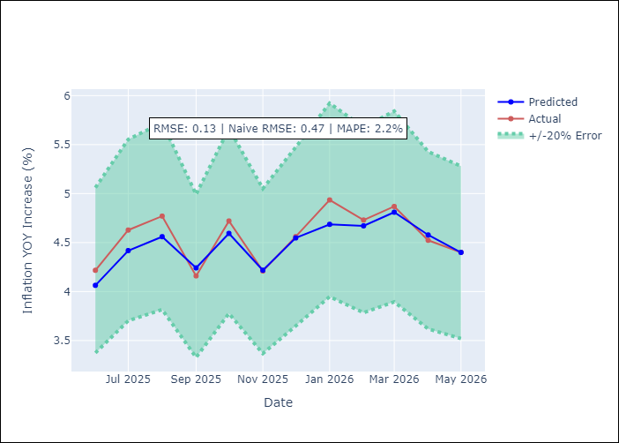
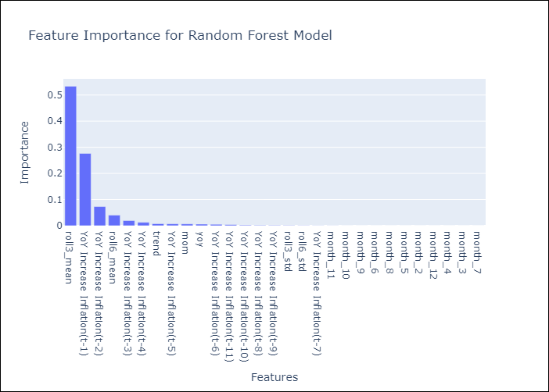

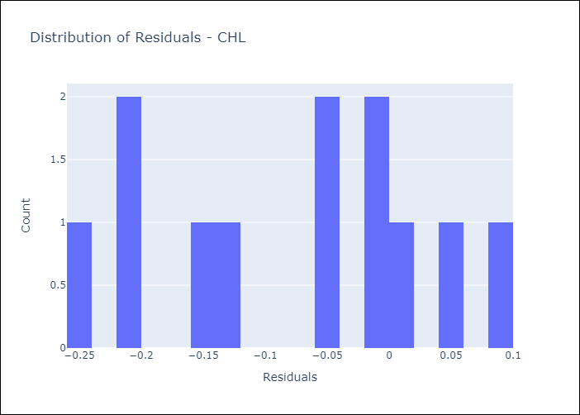
Appendix A: Model Summary
Model | Random Forest w/ Lags
Sample | 1990-01-01 to 2025-05-01
No. of Observations | 425
Residuals
Mean | -0.078048559432
St Dev | 0.10547764771
Kurtosis | -1.2717642717
Skewness | -0.16482860196

Assumptions | P-value

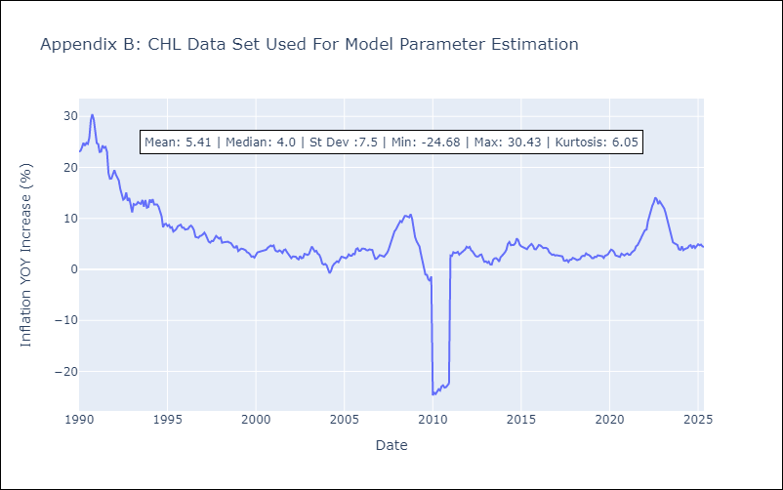

Appendix C: Residuals Analysis
Mean

COL
COL - Inflation - Next 12 months forecast as of: 2025-05-01

Model | Random Forest w/ Lags - None
Training Data | 1990-01-01 to 2024-06-01
Test Data | 2024-06-01 to 2025-05-01

Date | Inflation Change YoY % | Lower Bound - 95% Confidence Interval | Upper Bound - 95% Confidence Interval | Bias Corrected Forecast
2025-06-01 | 4.91 | 4.91 | 5.11
2025-07-01 | 4.9 | 4.9 | 5.11
2025-08-01 | 4.91 | 4.88 | 5.15
2025-09-01 | 4.93 | 4.88 | 5.14
2025-10-01 | 4.96 | 4.85 | 5.15
2025-11-01 | 5.01 | 4.82 | 5.17
2025-12-01 | 5 | 4.83 | 5.18
2026-01-01 | 5.01 | 4.81 | 5.19
2026-02-01 | 5.01 | 4.81 | 5.18
2026-03-01 | 5.02 | 4.81 | 5.19
2026-04-01 | 5.02 | 4.8 | 5.18
2026-05-01 | 5.01 | 4.8 | 5.19

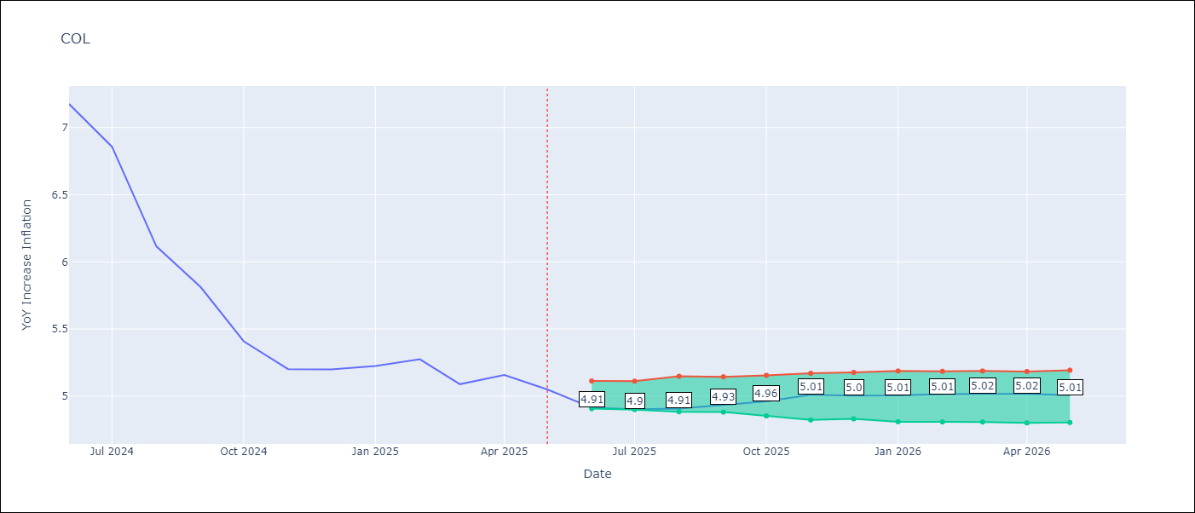

Test Set
RMSE | 0.16
Naive RMSE | 1.67
MAPE | 2.56%

Test Predictions
Date | Predicted | Actual | Bias Vector | Bias Corrected
2025-06-01 | 7.12 | 7.18
2025-07-01 | 6.97 | 6.86
2025-08-01 | 6.36 | 6.12
2025-09-01 | 5.91 | 5.81
2025-10-01 | 5.65 | 5.41
2025-11-01 | 5.15 | 5.2
2025-12-01 | 5.04 | 5.2
2026-01-01 | 5.02 | 5.22
2026-02-01 | 5.05 | 5.27
2026-03-01 | 5.13 | 5.09
2026-04-01 | 5.01 | 5.16
2026-05-01 | 4.91 | 5.05

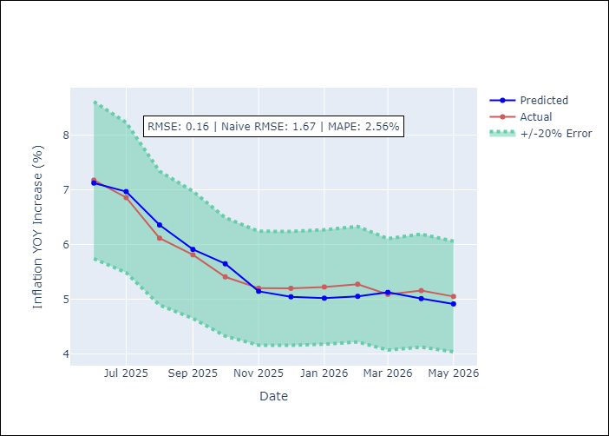
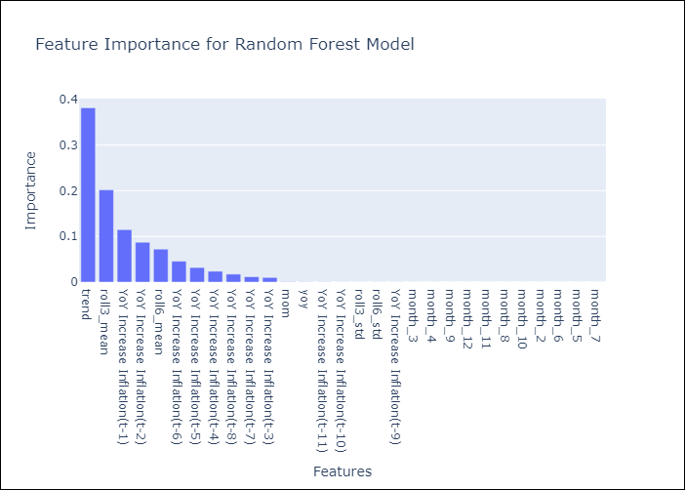

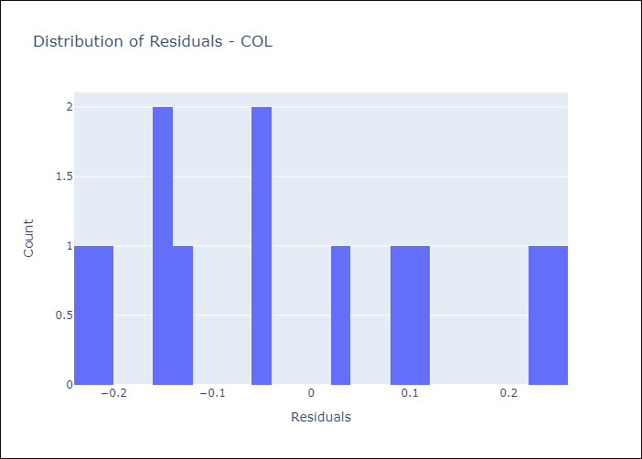
Appendix A: Model Summary
Model | Random Forest w/ Lags
Sample | 1990-01-01 to 2025-05-01
No. of Observations | 425
Residuals
Mean | -0.020527084467
St Dev | 0.15639441228
Kurtosis | -1.1554270664
Skewness | 0.41502546357

Assumptions | P-value

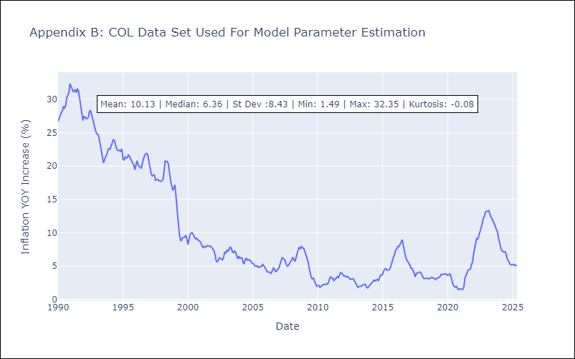

Appendix C: Residuals Analysis
Mean

ECU
ECU - Inflation - Next 12 months forecast as of: 2025-05-01

Model | Random Forest w/ Lags - None
Training Data | 1990-01-01 to 2024-06-01
Test Data | 2024-06-01 to 2025-05-01

Date | Inflation Change YoY % | Lower Bound - 95% Confidence Interval | Upper Bound - 95% Confidence Interval | Bias Corrected Forecast
2025-06-01 | -0.16 | -0.28 | 0.2
2025-07-01 | 0.01 | -0.29 | 0.2
2025-08-01 | -0.04 | -0.37 | 0.29
2025-09-01 | -0.08 | -0.31 | 0.42
2025-10-01 | -0.12 | -0.32 | 0.49
2025-11-01 | -0.11 | -0.4 | 0.49
2025-12-01 | -0.17 | -0.39 | 0.49
2026-01-01 | -0.18 | -0.42 | 0.5
2026-02-01 | -0.15 | -0.46 | 0.45
2026-03-01 | -0.13 | -0.6 | 0.46
2026-04-01 | -0.09 | -0.62 | 0.47
2026-05-01 | -0.14 | -0.57 | 0.47

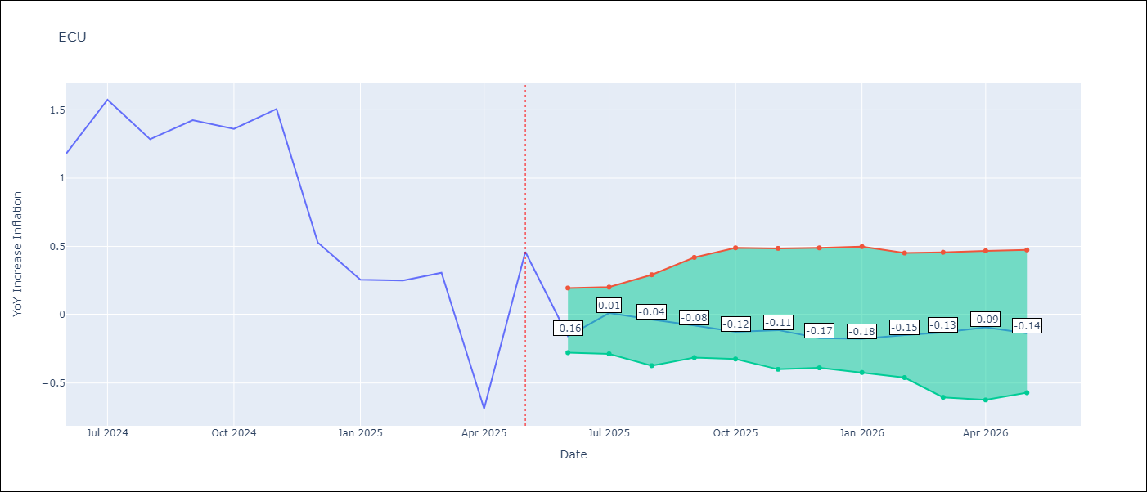

Test Set
RMSE | 0.47
Naive RMSE | 1.87
MAPE | 51.97%

Test Predictions
Date | Predicted | Actual | Bias Vector | Bias Corrected
2025-06-01 | 2.26 | 1.18
2025-07-01 | 1.92 | 1.57
2025-08-01 | 1.36 | 1.28
2025-09-01 | 1.45 | 1.42
2025-10-01 | 1.47 | 1.36
2025-11-01 | 1.51 | 1.51
2025-12-01 | 1.17 | 0.53
2026-01-01 | 0.46 | 0.26
2026-02-01 | 0.36 | 0.25
2026-03-01 | 0.36 | 0.31
2026-04-01 | 0.01 | -0.69
2026-05-01 | -0.16 | 0.46

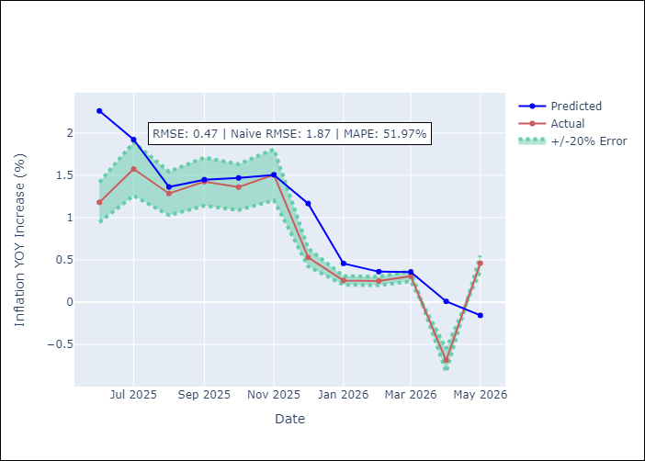
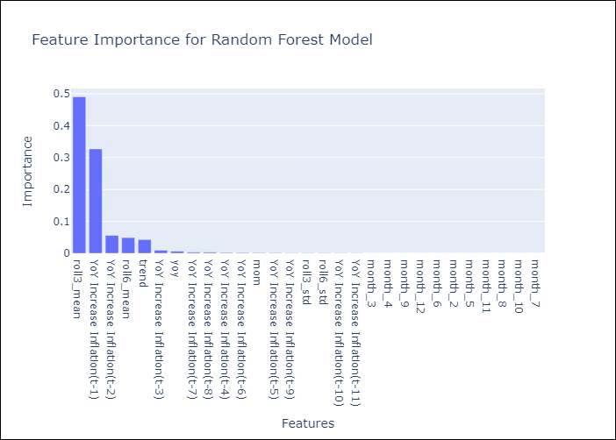

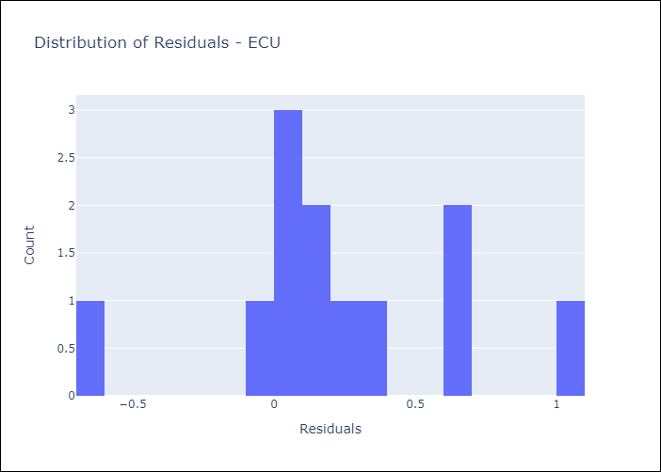
Appendix A: Model Summary
Model | Random Forest w/ Lags
Sample | 1990-01-01 to 2025-05-01
No. of Observations | 425
Residuals
Mean | 0.22622742012
St Dev | 0.41025640726
Kurtosis | 0.30105633731
Skewness | 0.20422100755

Assumptions | P-value

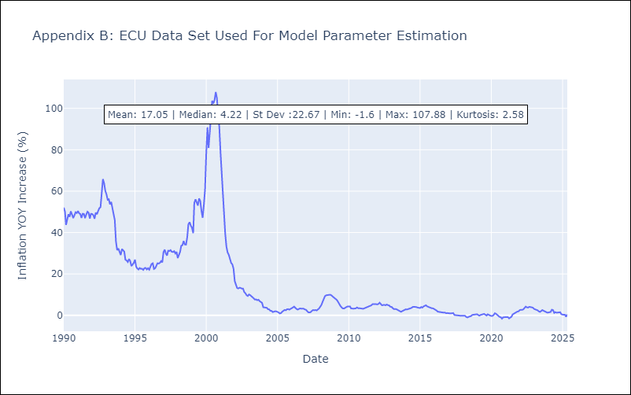

Appendix C: Residuals Analysis
Mean

PER
PER - Inflation - Next 12 months forecast as of: 2025-05-01

Model | Random Forest w/ Lags - None
Training Data | 1990-01-01 to 2024-06-01
Test Data | 2024-06-01 to 2025-05-01

Date | Inflation Change YoY % | Lower Bound - 95% Confidence Interval | Upper Bound - 95% Confidence Interval | Bias Corrected Forecast
2025-06-01 | 1.74 | 1.87 | 2.07
2025-07-01 | 1.78 | 1.84 | 2.11
2025-08-01 | 1.82 | 1.83 | 2.14
2025-09-01 | 1.84 | 1.83 | 2.14
2025-10-01 | 1.9 | 1.82 | 2.13
2025-11-01 | 1.89 | 1.82 | 2.11
2025-12-01 | 1.89 | 1.81 | 2.1
2026-01-01 | 1.91 | 1.8 | 2.09
2026-02-01 | 1.92 | 1.79 | 2.1
2026-03-01 | 1.99 | 1.79 | 2.1
2026-04-01 | 2.01 | 1.79 | 2.1
2026-05-01 | 1.98 | 1.79 | 2.1

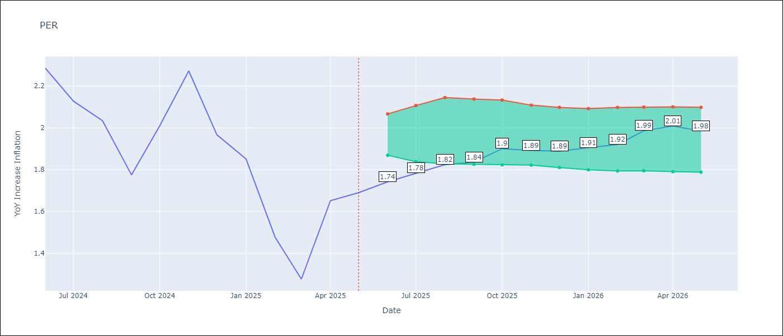

Test Set
RMSE | 0.14
Naive RMSE | 0.33
MAPE | 6.35%

Test Predictions
Date | Predicted | Actual | Bias Vector | Bias Corrected
2025-06-01 | 2.17 | 2.29
2025-07-01 | 2.06 | 2.13
2025-08-01 | 1.89 | 2.03
2025-09-01 | 1.61 | 1.78
2025-10-01 | 1.8 | 2.01
2025-11-01 | 1.95 | 2.27
2025-12-01 | 2.03 | 1.97
2026-01-01 | 1.92 | 1.85
2026-02-01 | 1.53 | 1.48
2026-03-01 | 1.4 | 1.28
2026-04-01 | 1.59 | 1.65
2026-05-01 | 1.74 | 1.69

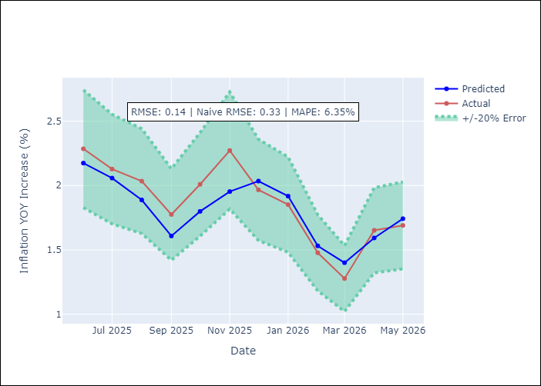
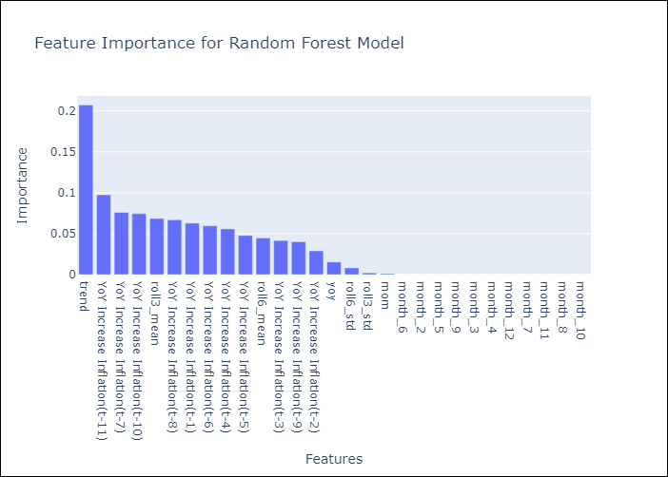

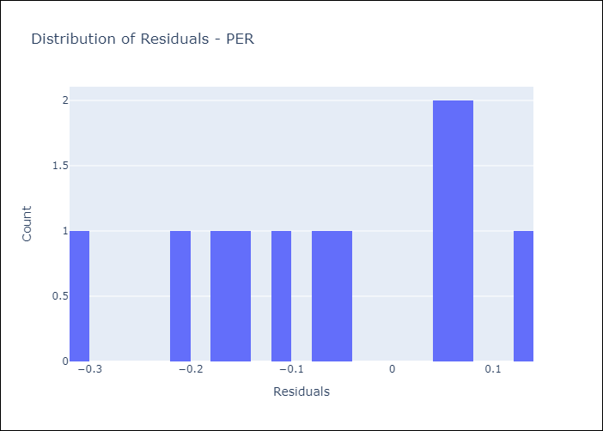
Appendix A: Model Summary
Model | Random Forest w/ Lags
Sample | 1990-01-01 to 2025-05-01
No. of Observations | 425
Residuals
Mean | -0.06000507186
St Dev | 0.12995949566
Kurtosis | -0.90233360637
Skewness | -0.36722348267

Assumptions | P-value

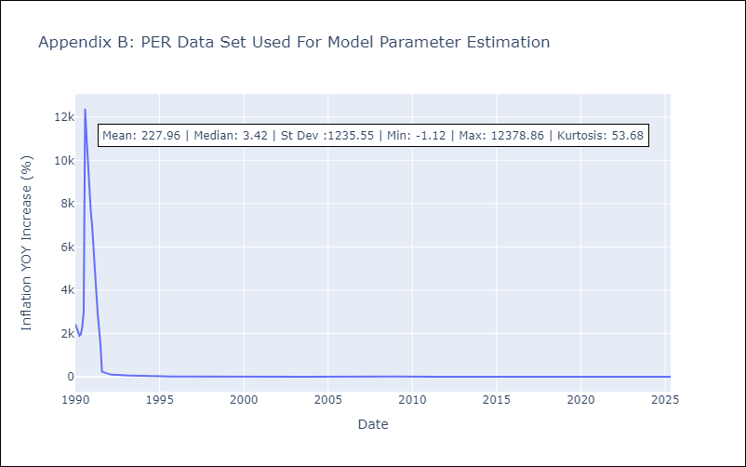

Appendix C: Residuals Analysis
Mean

PRY
PRY - Inflation - Next 12 months forecast as of: 2025-05-01

Model | Random Forest w/ Lags - None
Training Data | 1990-01-01 to 2024-06-01
Test Data | 2024-06-01 to 2025-05-01

Date | Inflation Change YoY % | Lower Bound - 95% Confidence Interval | Upper Bound - 95% Confidence Interval | Bias Corrected Forecast
2025-06-01 | 3.73 | 3.98 | 4.15
2025-07-01 | 3.93 | 3.95 | 4.15
2025-08-01 | 3.97 | 3.94 | 4.14
2025-09-01 | 4.03 | 3.93 | 4.14
2025-10-01 | 4.02 | 3.92 | 4.14
2025-11-01 | 4.07 | 3.92 | 4.13
2025-12-01 | 4.1 | 3.93 | 4.12
2026-01-01 | 4.09 | 3.93 | 4.12
2026-02-01 | 4.09 | 3.92 | 4.11
2026-03-01 | 4.05 | 3.92 | 4.11
2026-04-01 | 4.05 | 3.92 | 4.11
2026-05-01 | 4.05 | 3.92 | 4.1

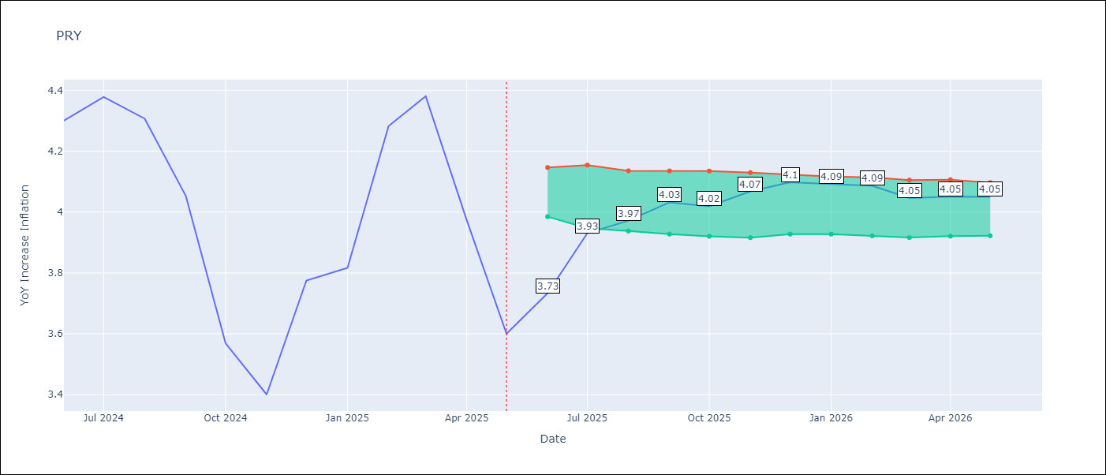

Test Set
RMSE | 0.15
Naive RMSE | 0.51
MAPE | 3.09%

Test Predictions
Date | Predicted | Actual | Bias Vector | Bias Corrected
2025-06-01 | 4.15 | 4.3
2025-07-01 | 4.27 | 4.38
2025-08-01 | 4.25 | 4.31
2025-09-01 | 4.09 | 4.05
2025-10-01 | 3.71 | 3.57
2025-11-01 | 3.7 | 3.4
2025-12-01 | 3.79 | 3.78
2026-01-01 | 3.91 | 3.82
2026-02-01 | 4.17 | 4.28
2026-03-01 | 4.11 | 4.38
2026-04-01 | 3.96 | 3.97
2026-05-01 | 3.73 | 3.6

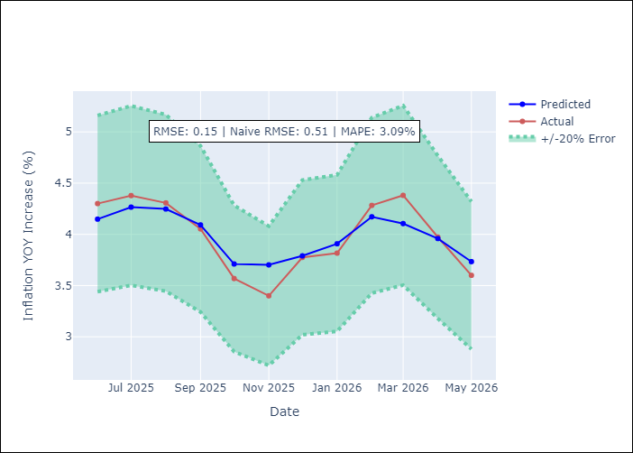
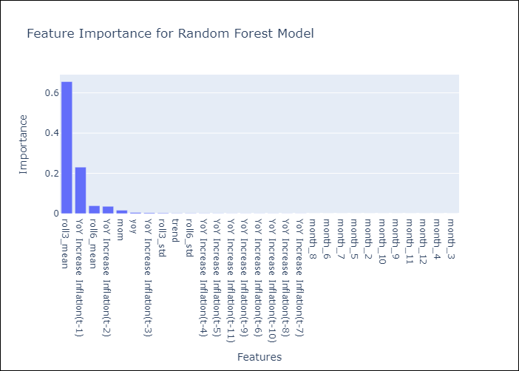

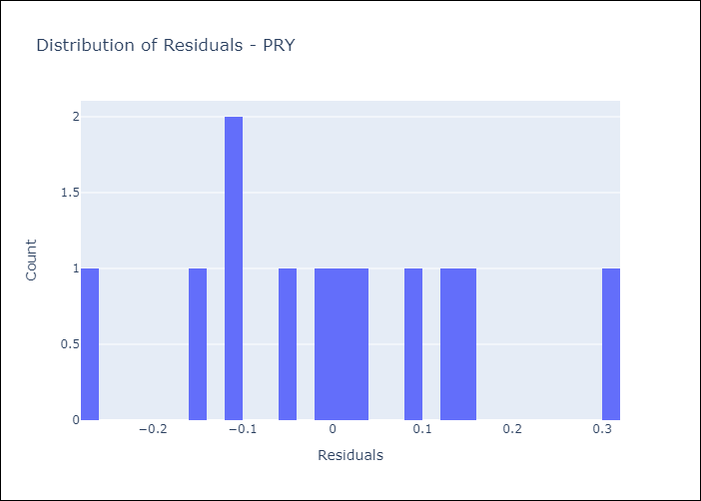
Appendix A: Model Summary
Model | Random Forest w/ Lags
Sample | 1990-01-01 to 2025-05-01
No. of Observations | 425
Residuals
Mean | -0.00021200070809
St Dev | 0.14917050089
Kurtosis | -0.3539858658
Skewness | 0.15685326179

Assumptions | P-value

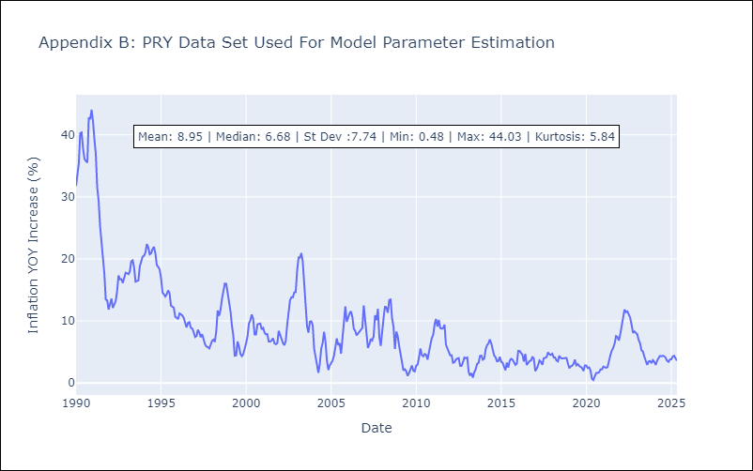

Appendix C: Residuals Analysis
Mean

URY
URY - Inflation - Next 12 months forecast as of: 2025-05-01

Model | Random Forest w/ Lags - None
Training Data | 1990-01-01 to 2024-06-01
Test Data | 2024-06-01 to 2025-05-01

Date | Inflation Change YoY % | Lower Bound - 95% Confidence Interval | Upper Bound - 95% Confidence Interval | Bias Corrected Forecast
2025-06-01 | 5.35 | 5.26 | 6
2025-07-01 | 5.45 | 5.07 | 6.11
2025-08-01 | 5.49 | 5.07 | 6.34
2025-09-01 | 5.54 | 5.01 | 6.46
2025-10-01 | 5.57 | 4.98 | 6.51
2025-11-01 | 5.58 | 4.99 | 6.55
2025-12-01 | 5.6 | 4.93 | 6.62
2026-01-01 | 5.61 | 4.85 | 6.65
2026-02-01 | 5.6 | 4.84 | 6.67
2026-03-01 | 5.6 | 4.82 | 6.72
2026-04-01 | 5.59 | 4.81 | 6.76
2026-05-01 | 5.58 | 4.85 | 6.78

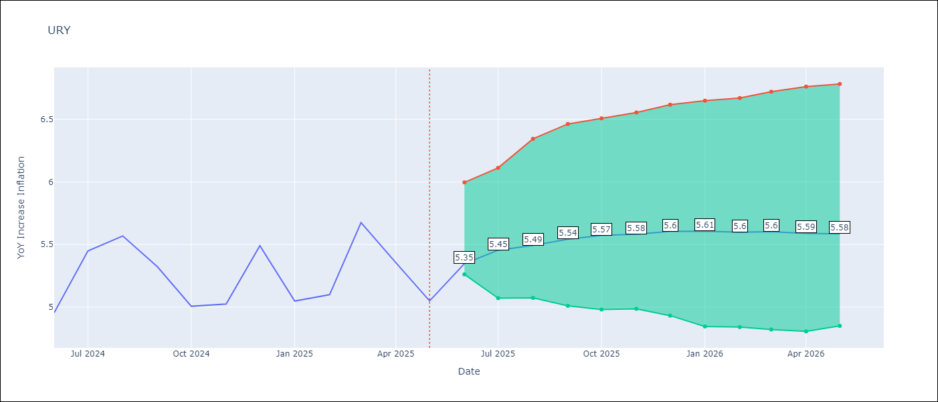

Test Set
RMSE | 0.29
Naive RMSE | 1.18
MAPE | 4.67%

Test Predictions
Date | Predicted | Actual | Bias Vector | Bias Corrected
2025-06-01 | 4.41 | 4.96
2025-07-01 | 5 | 5.45
2025-08-01 | 5.56 | 5.57
2025-09-01 | 5.5 | 5.32
2025-10-01 | 5.4 | 5.01
2025-11-01 | 5.21 | 5.03
2025-12-01 | 5.49 | 5.49
2026-01-01 | 5.32 | 5.05
2026-02-01 | 5.36 | 5.1
2026-03-01 | 5.46 | 5.67
2026-04-01 | 5.43 | 5.36
2026-05-01 | 5.35 | 5.05

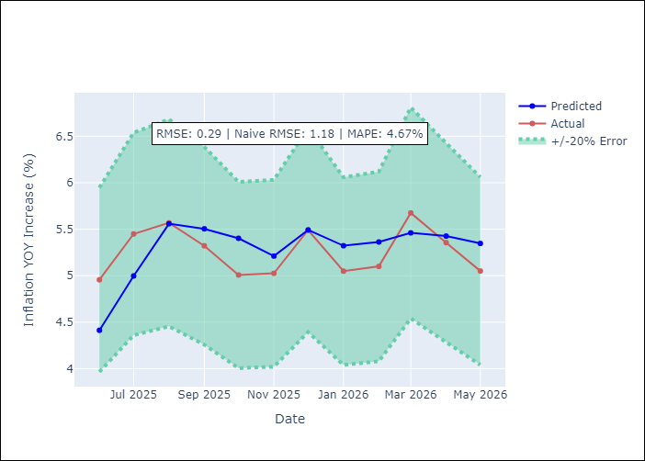
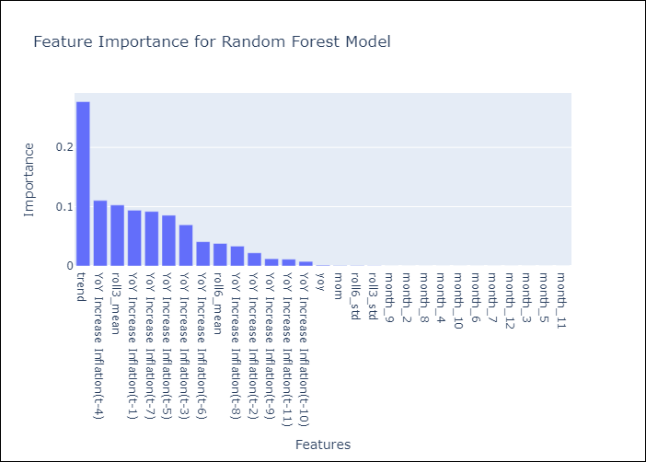

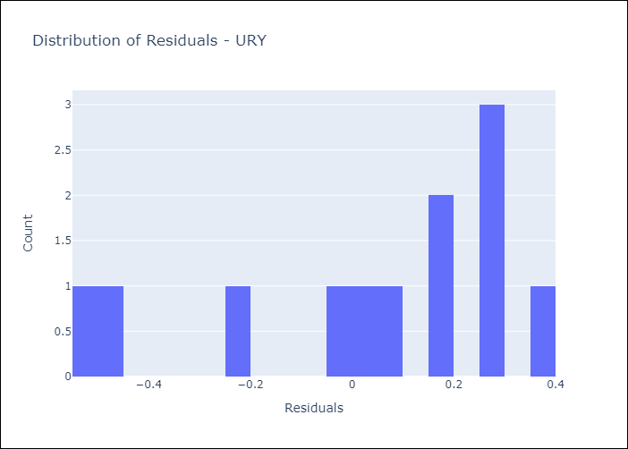
Appendix A: Model Summary
Model | Random Forest w/ Lags
Sample | 1990-01-01 to 2025-05-01
No. of Observations | 425
Residuals
Mean | 0.03728630575
St Dev | 0.2871004502
Kurtosis | -0.51785010651
Skewness | -0.82652736924

Assumptions | P-value

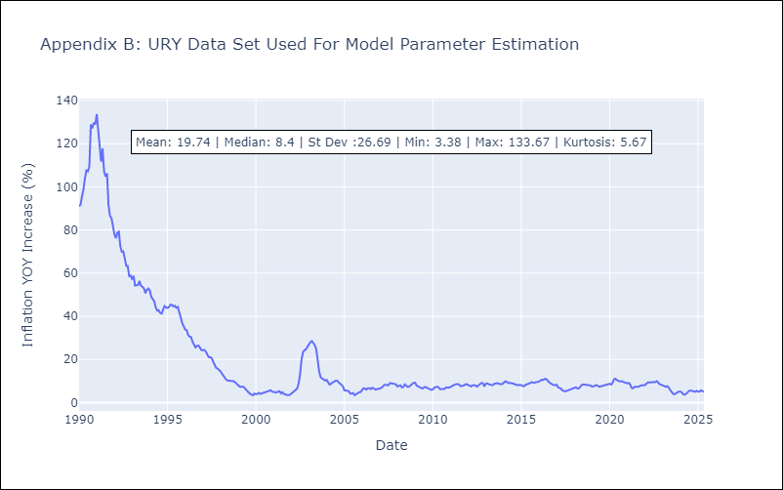

Appendix C: Residuals Analysis
Mean

VEN
VEN - Inflation - Next 12 months forecast as of: 2024-10-01

Model | Random Forest w/ Lags - None
Training Data | 1990-01-01 to 2023-11-01
Test Data | 2023-11-01 to 2024-10-01

Date | Inflation Change YoY % | Lower Bound - 95% Confidence Interval | Upper Bound - 95% Confidence Interval | Bias Corrected Forecast
2024-11-01 | 28.02 | 28.07 | 52.45
2024-12-01 | 27.02 | 27.44 | 909.16
2025-01-01 | 27.33 | 27.39 | 2310.86
2025-02-01 | 27.86 | 27.32 | 3600.38
2025-03-01 | 27.72 | 26.96 | 11541.09
2025-04-01 | 27.75 | 26.82 | 40199.75
2025-05-01 | 27.5 | 26.67 | 43215.44
2025-06-01 | 27.49 | 26.63 | 45563.51
2025-07-01 | 27.42 | 26.76 | 47985.66
2025-08-01 | 27.35 | 26.83 | 50564.42
2025-09-01 | 27.72 | 26.85 | 59119.54
2025-10-01 | 29.12 | 26.78 | 69368.87

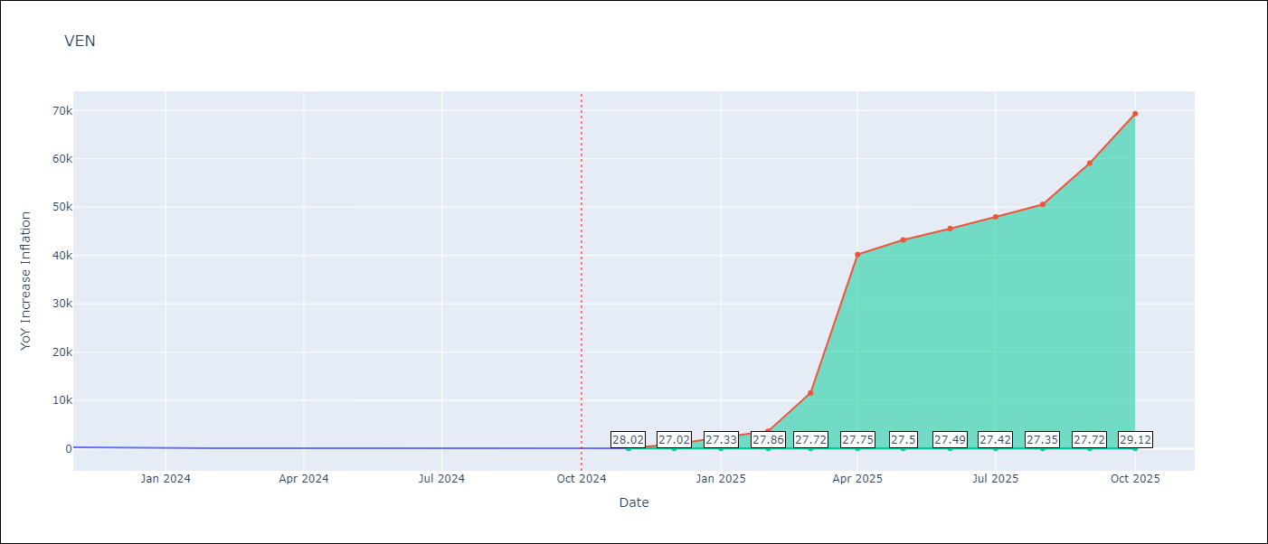

Test Set
RMSE | 49.01
Naive RMSE | 242.21
MAPE | 35.86%

Test Predictions
Date | Predicted | Actual | Bias Vector | Bias Corrected
2024-11-01 | 301.87 | 282.78
2024-12-01 | 294.34 | 189.78
2025-01-01 | 216.52 | 107.36
2025-02-01 | 143.58 | 75.91
2025-03-01 | 91.71 | 67.76
2025-04-01 | 74.75 | 64.91
2025-05-01 | 62.32 | 59.16
2025-06-01 | 57.54 | 51.37
2025-07-01 | 51.78 | 43.6
2025-08-01 | 44.98 | 35.55
2025-09-01 | 37.5 | 25.75
2025-10-01 | 28.02 | 23.58

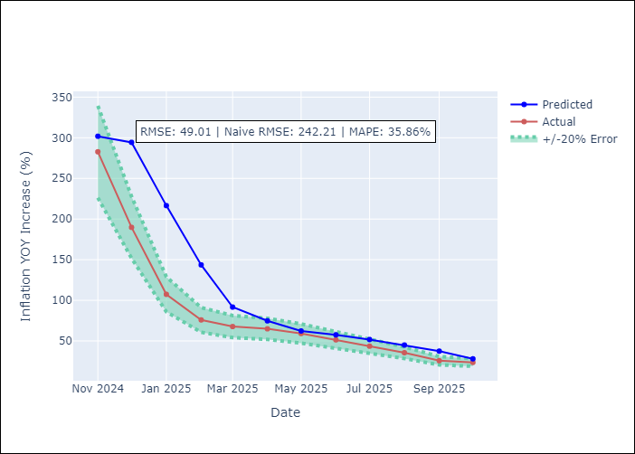
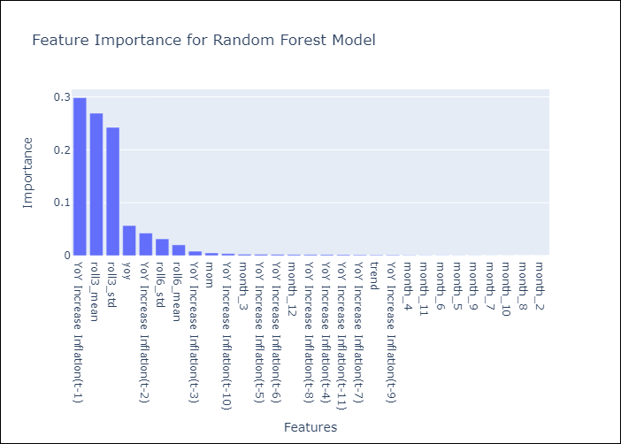

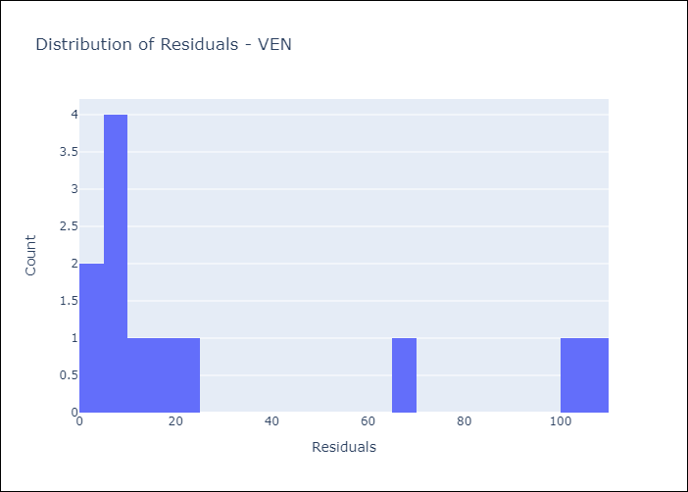
Appendix A: Model Summary
Model | Random Forest w/ Lags
Sample | 1990-01-01 to 2024-10-01
No. of Observations | 418
Residuals
Mean | 31.450567773
St Dev | 37.589652983
Kurtosis | -0.10886964866
Skewness | 1.2642088482

Assumptions | P-value

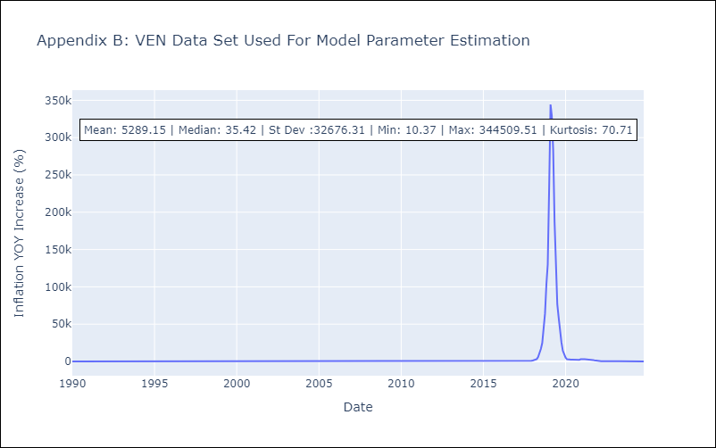

Appendix C: Residuals Analysis
Mean

