CRI
CRI - Inflation - Next 12 months forecast as of: 2025-05-01

Model | Random Forest w/ Lags - None
Training Data | 1990-01-01 to 2024-06-01
Test Data | 2024-06-01 to 2025-05-01

Date | Inflation Change YoY % | Lower Bound - 95% Confidence Interval | Upper Bound - 95% Confidence Interval | Bias Corrected Forecast
2025-06-01 | 0.38 | 0.13 | 1
2025-07-01 | 0.26 | 0.19 | 1.29
2025-08-01 | 0.53 | 0.35 | 1.5
2025-09-01 | 0.56 | 0.25 | 1.65
2025-10-01 | 0.51 | 0.16 | 1.75
2025-11-01 | 0.52 | 0.18 | 1.86
2025-12-01 | 0.56 | 0.13 | 1.95
2026-01-01 | 0.7 | 0.14 | 2.06
2026-02-01 | 0.67 | 0.1 | 2.11
2026-03-01 | 0.7 | 0.03 | 2.28
2026-04-01 | 0.75 | 0.06 | 2.35
2026-05-01 | 0.8 | 0.08 | 2.42

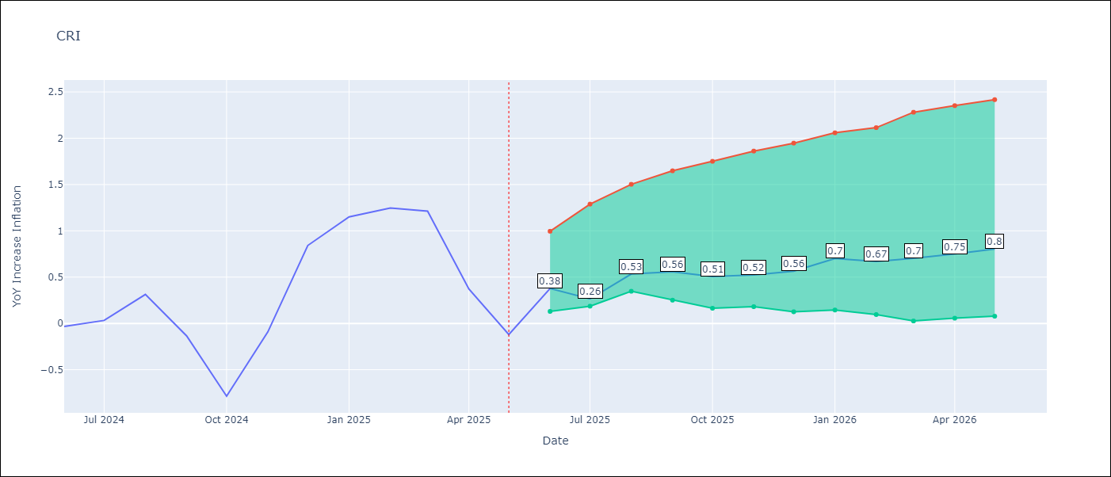

Test Set
RMSE | 0.5
Naive RMSE | 0.91
MAPE | 156.06%

Test Predictions
Date | Predicted | Actual | Bias Vector | Bias Corrected
2025-06-01 | -0.03 | -0.03
2025-07-01 | 0.14 | 0.03
2025-08-01 | 0.12 | 0.31
2025-09-01 | 0.31 | -0.14
2025-10-01 | 0.26 | -0.79
2025-11-01 | 0.13 | -0.09
2025-12-01 | 0.22 | 0.84
2026-01-01 | 0.48 | 1.15
2026-02-01 | 1.29 | 1.25
2026-03-01 | 1.38 | 1.21
2026-04-01 | 1.06 | 0.37
2026-05-01 | 0.38 | -0.12

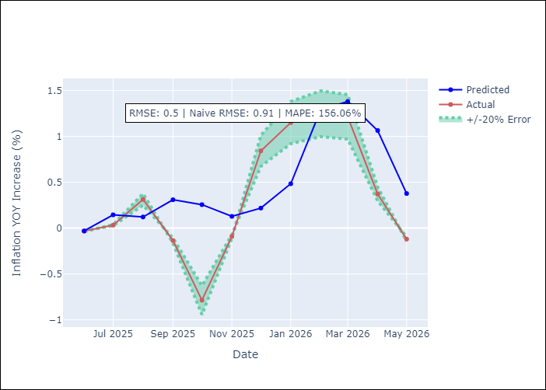
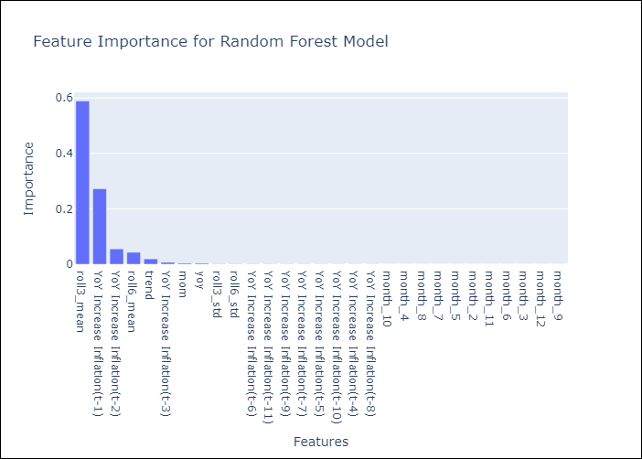

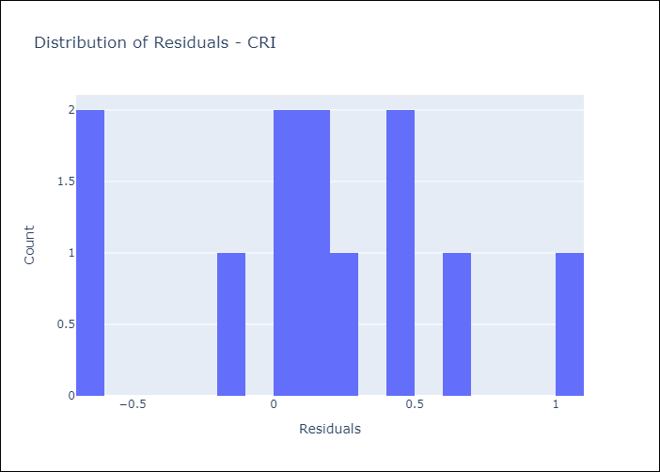
Appendix A: Model Summary
Model | Random Forest w/ Lags
Sample | 1990-01-01 to 2025-05-01
No. of Observations | 425
Residuals
Mean | 0.14499048949
St Dev | 0.4760023939
Kurtosis | -0.47145445028
Skewness | -0.057958812628

Assumptions | P-value

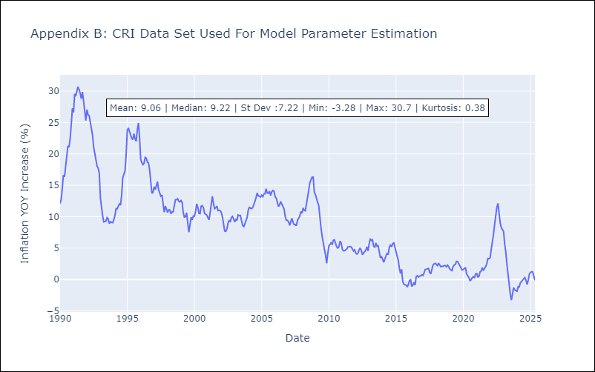

Appendix C: Residuals Analysis
Mean

DOM
DOM - Inflation - Next 12 months forecast as of: 2025-04-01

Model | Random Forest w/ Lags - None
Training Data | 1990-01-01 to 2024-05-01
Test Data | 2024-05-01 to 2025-04-01

Date | Inflation Change YoY % | Lower Bound - 95% Confidence Interval | Upper Bound - 95% Confidence Interval | Bias Corrected Forecast
2025-05-01 | 3.62 | 3.02 | 3.46
2025-06-01 | 3.47 | 2.98 | 3.58
2025-07-01 | 3.39 | 2.89 | 3.67
2025-08-01 | 3.36 | 2.86 | 3.7
2025-09-01 | 3.32 | 2.88 | 3.74
2025-10-01 | 3.29 | 2.89 | 3.78
2025-11-01 | 3.27 | 2.92 | 3.77
2025-12-01 | 3.23 | 2.93 | 3.79
2026-01-01 | 3.19 | 2.95 | 3.8
2026-02-01 | 3.19 | 2.93 | 3.79
2026-03-01 | 3.17 | 2.93 | 3.79
2026-04-01 | 3.14 | 2.94 | 3.78

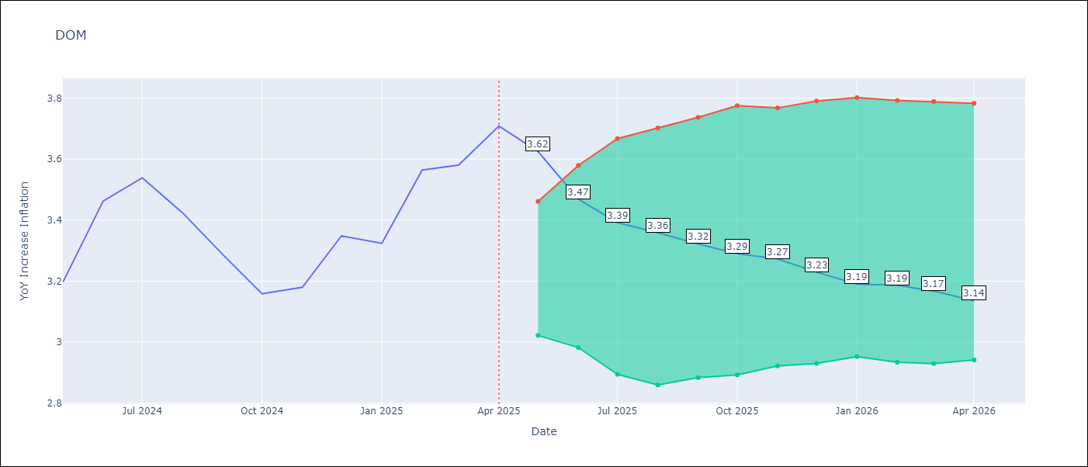

Test Set
RMSE | 0.07
Naive RMSE | 0.4
MAPE | 1.52%

Test Predictions
Date | Predicted | Actual | Bias Vector | Bias Corrected
2025-05-01 | 3.3 | 3.2
2025-06-01 | 3.43 | 3.46
2025-07-01 | 3.5 | 3.54
2025-08-01 | 3.4 | 3.42
2025-09-01 | 3.31 | 3.29
2025-10-01 | 3.18 | 3.16
2025-11-01 | 3.15 | 3.18
2025-12-01 | 3.36 | 3.35
2026-01-01 | 3.24 | 3.32
2026-02-01 | 3.59 | 3.56
2026-03-01 | 3.43 | 3.58
2026-04-01 | 3.62 | 3.71

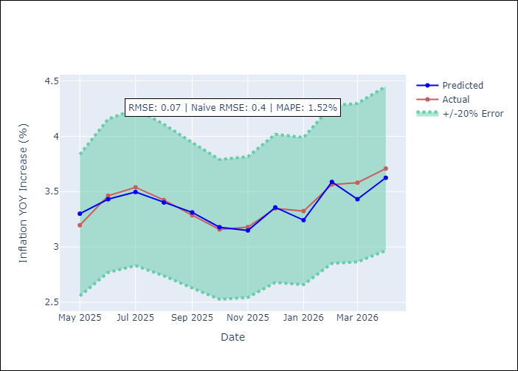
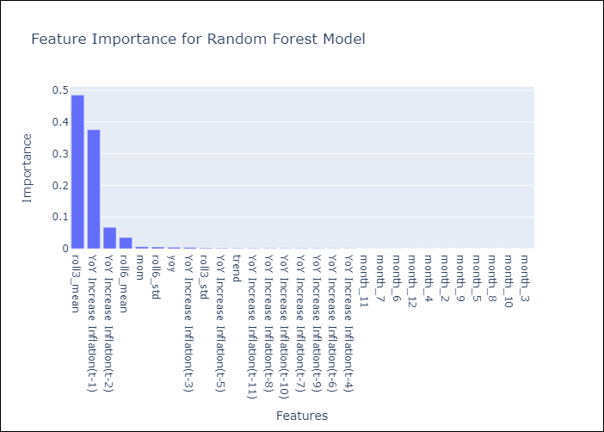

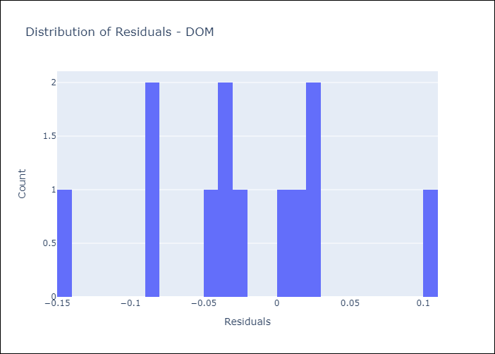
Appendix A: Model Summary
Model | Random Forest w/ Lags
Sample | 1990-01-01 to 2025-04-01
No. of Observations | 424
Residuals
Mean | -0.02170634153
St Dev | 0.062622131641
Kurtosis | 0.016279758603
Skewness | -0.085751609587

Assumptions | P-value

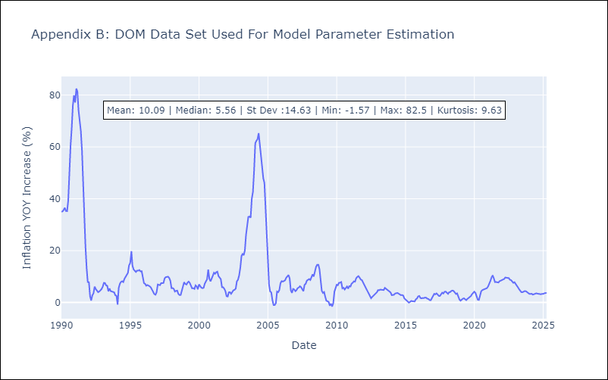

Appendix C: Residuals Analysis
Mean

GTM
GTM - Inflation - Next 12 months forecast as of: 2025-05-01

Model | Random Forest w/ Lags - None
Training Data | 1990-01-01 to 2024-06-01
Test Data | 2024-06-01 to 2025-05-01

Date | Inflation Change YoY % | Lower Bound - 95% Confidence Interval | Upper Bound - 95% Confidence Interval | Bias Corrected Forecast
2025-06-01 | 2 | 3.45 | 4.14
2025-07-01 | 2.25 | 3.43 | 4.2
2025-08-01 | 2.38 | 3.4 | 4.32
2025-09-01 | 2.55 | 3.4 | 4.4
2025-10-01 | 2.77 | 3.38 | 4.4
2025-11-01 | 2.87 | 3.3 | 4.49
2025-12-01 | 2.92 | 3.3 | 4.54
2026-01-01 | 3 | 3.24 | 4.61
2026-02-01 | 3.11 | 3.31 | 4.62
2026-03-01 | 3.15 | 3.31 | 4.63
2026-04-01 | 3.3 | 3.33 | 4.63
2026-05-01 | 3.71 | 3.3 | 4.59

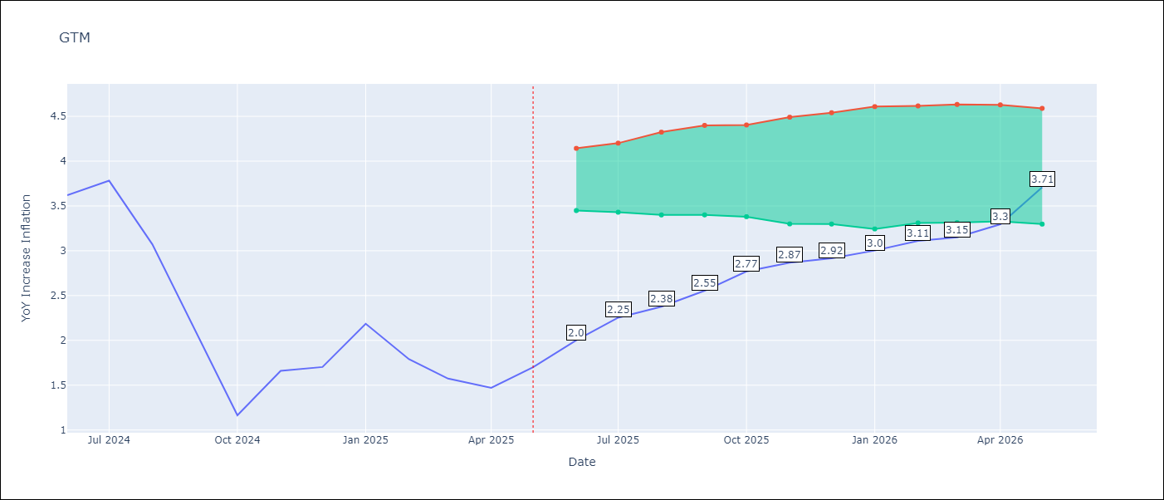

Test Set
RMSE | 0.36
Naive RMSE | 1.81
MAPE | 19.4%

Test Predictions
Date | Predicted | Actual | Bias Vector | Bias Corrected
2025-06-01 | 3.5 | 3.62
2025-07-01 | 3.65 | 3.78
2025-08-01 | 3.18 | 3.07
2025-09-01 | 2.45 | 2.11
2025-10-01 | 1.87 | 1.16
2025-11-01 | 2 | 1.66
2025-12-01 | 1.99 | 1.7
2026-01-01 | 2.27 | 2.19
2026-02-01 | 2.19 | 1.79
2026-03-01 | 2.06 | 1.57
2026-04-01 | 1.96 | 1.47
2026-05-01 | 2 | 1.7

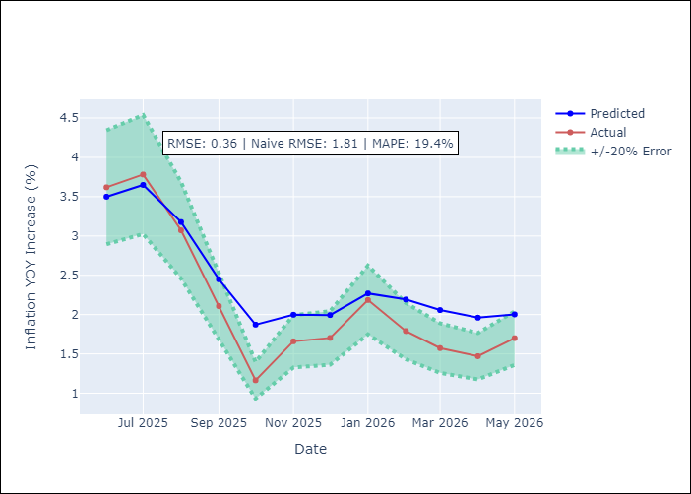
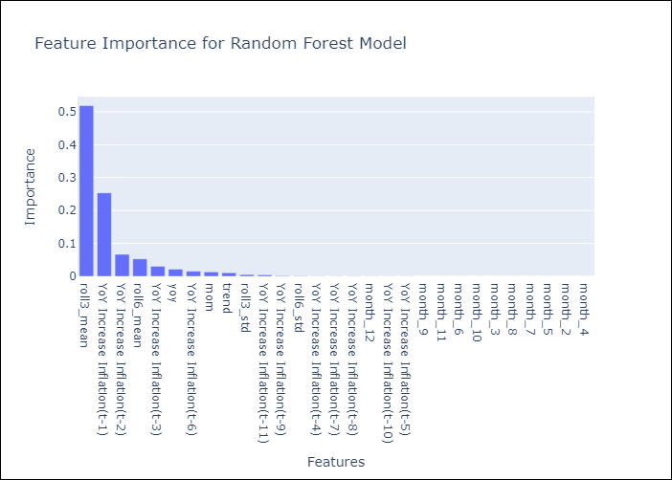

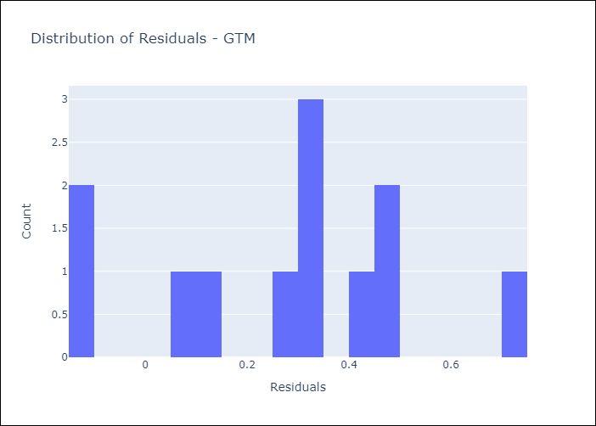
Appendix A: Model Summary
Model | Random Forest w/ Lags
Sample | 1990-01-01 to 2025-05-01
No. of Observations | 425
Residuals
Mean | 0.27434238975
St Dev | 0.23983302303
Kurtosis | -0.6468565824
Skewness | -0.22377674717

Assumptions | P-value

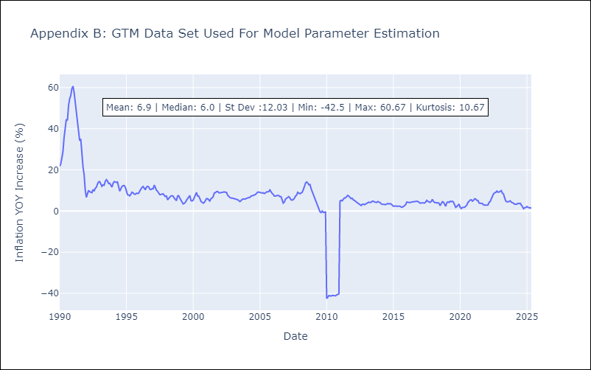

Appendix C: Residuals Analysis
Mean

HTI
HTI - Inflation - Next 12 months forecast as of: 2025-04-01

Model | Random Forest w/ Lags - None
Training Data | 1990-01-01 to 2024-05-01
Test Data | 2024-05-01 to 2025-04-01

Date | Inflation Change YoY % | Lower Bound - 95% Confidence Interval | Upper Bound - 95% Confidence Interval | Bias Corrected Forecast
2025-05-01 | 27.33 | 26 | 28.32
2025-06-01 | 27.53 | 25.44 | 29.11
2025-07-01 | 27.36 | 25.16 | 29.43
2025-08-01 | 27.19 | 24.42 | 30.38
2025-09-01 | 26.99 | 24.34 | 30.52
2025-10-01 | 26.91 | 24.29 | 30.82
2025-11-01 | 27.08 | 23.99 | 30.95
2025-12-01 | 27.34 | 23.56 | 31.05
2026-01-01 | 27.34 | 23.39 | 31.55
2026-02-01 | 27.13 | 23.47 | 31.62
2026-03-01 | 26.82 | 23.53 | 31.52
2026-04-01 | 26.76 | 23.41 | 31.32

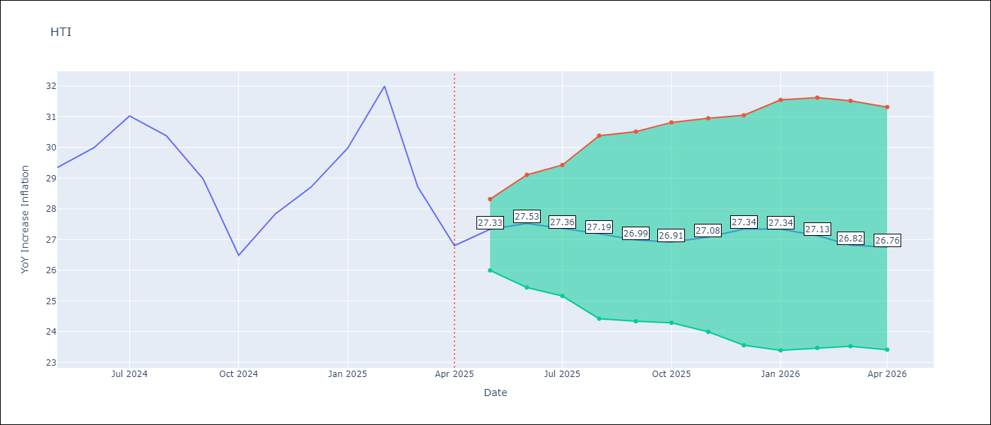

Test Set
RMSE | 1.28
Naive RMSE | 1.6
MAPE | 3.74%

Test Predictions
Date | Predicted | Actual | Bias Vector | Bias Corrected
2025-05-01 | 27.44 | 29.35
2025-06-01 | 28.1 | 29.99
2025-07-01 | 28.97 | 31.03
2025-08-01 | 28.61 | 30.38
2025-09-01 | 28.51 | 28.98
2025-10-01 | 27.43 | 26.48
2025-11-01 | 28.56 | 27.84
2025-12-01 | 28.14 | 28.71
2026-01-01 | 29.16 | 29.98
2026-02-01 | 30.52 | 32
2026-03-01 | 28.88 | 28.72
2026-04-01 | 27.33 | 26.8

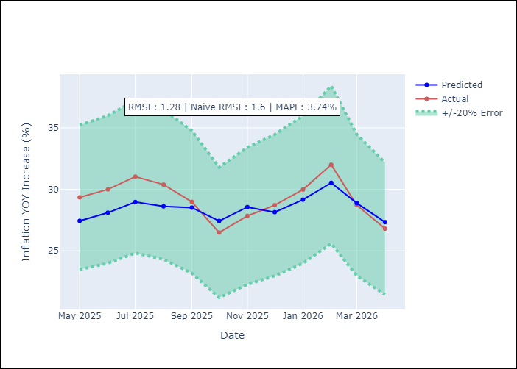
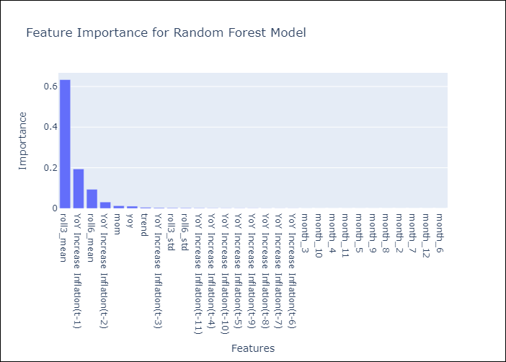

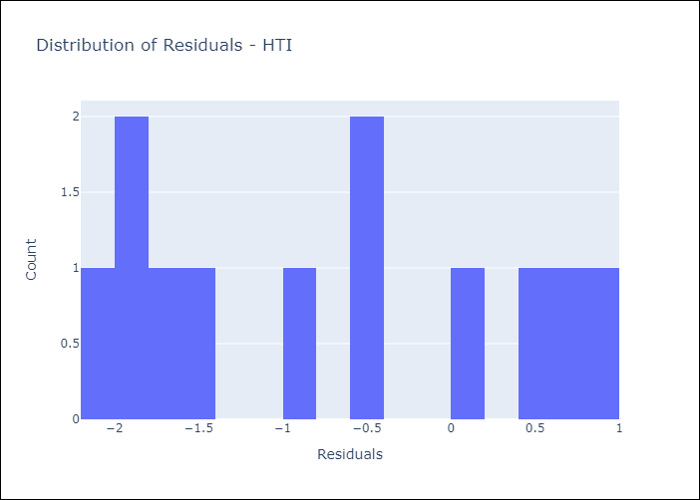
Appendix A: Model Summary
Model | Random Forest w/ Lags
Sample | 1990-01-01 to 2025-04-01
No. of Observations | 424
Residuals
Mean | -0.71678195697
St Dev | 1.0617476254
Kurtosis | -1.4501117348
Skewness | 0.19836374145

Assumptions | P-value

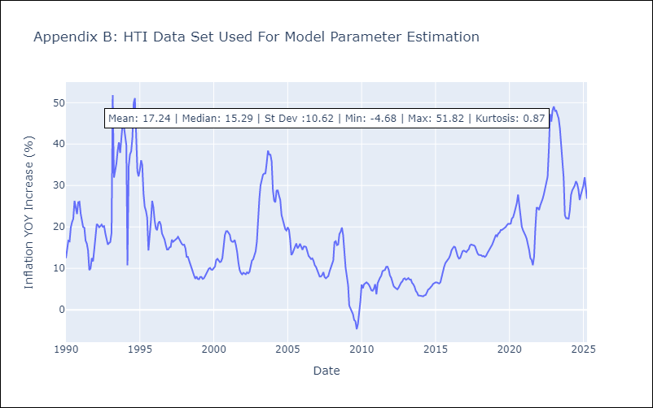

Appendix C: Residuals Analysis
Mean

MEX
MEX - Inflation - Next 12 months forecast as of: 2025-05-01

Model | Random Forest w/ Lags - None
Training Data | 1990-01-01 to 2024-06-01
Test Data | 2024-06-01 to 2025-05-01

Date | Inflation Change YoY % | Lower Bound - 95% Confidence Interval | Upper Bound - 95% Confidence Interval | Bias Corrected Forecast
2025-06-01 | 4.25 | 3.78 | 3.96
2025-07-01 | 4.15 | 3.73 | 4.05
2025-08-01 | 4.17 | 3.72 | 4.12
2025-09-01 | 4.09 | 3.67 | 4.11
2025-10-01 | 4.01 | 3.66 | 4.04
2025-11-01 | 3.95 | 3.62 | 4.05
2025-12-01 | 3.93 | 3.6 | 4.06
2026-01-01 | 3.91 | 3.6 | 4.09
2026-02-01 | 3.91 | 3.59 | 4.09
2026-03-01 | 3.92 | 3.61 | 4.15
2026-04-01 | 3.91 | 3.6 | 4.15
2026-05-01 | 3.9 | 3.58 | 4.14

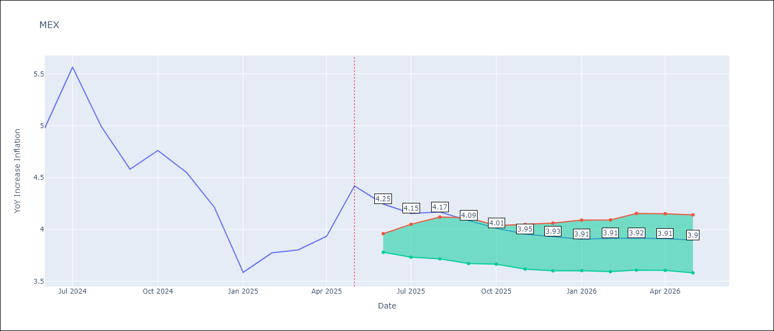

Test Set
RMSE | 0.16
Naive RMSE | 0.62
MAPE | 2.9%

Test Predictions
Date | Predicted | Actual | Bias Vector | Bias Corrected
2025-06-01 | 4.95 | 4.98
2025-07-01 | 5.32 | 5.57
2025-08-01 | 5.03 | 4.99
2025-09-01 | 4.88 | 4.58
2025-10-01 | 4.87 | 4.76
2025-11-01 | 4.56 | 4.55
2025-12-01 | 4.27 | 4.21
2026-01-01 | 3.76 | 3.59
2026-02-01 | 4.03 | 3.77
2026-03-01 | 3.73 | 3.8
2026-04-01 | 3.98 | 3.93
2026-05-01 | 4.25 | 4.42

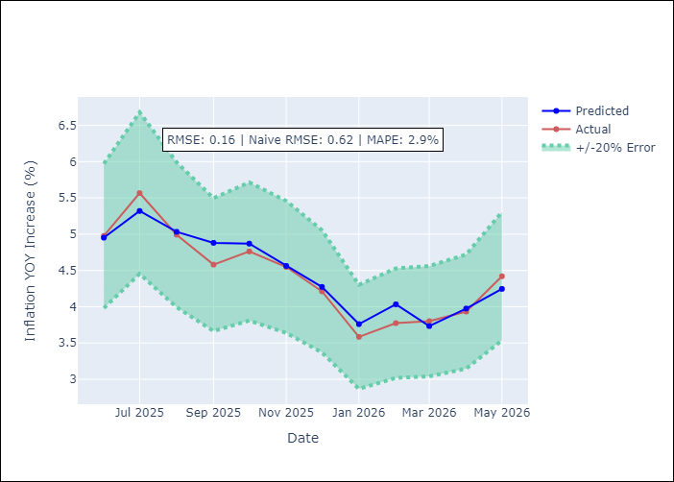
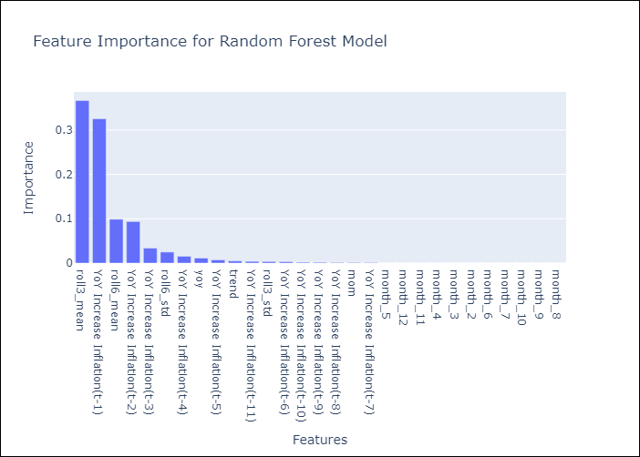

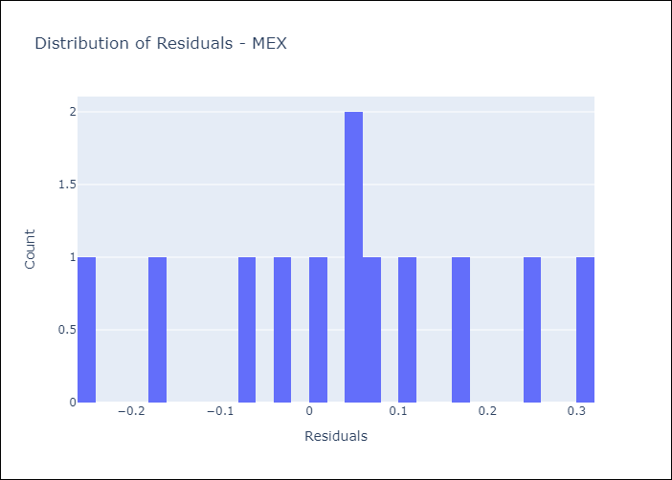
Appendix A: Model Summary
Model | Random Forest w/ Lags
Sample | 1990-01-01 to 2025-05-01
No. of Observations | 425
Residuals
Mean | 0.04054409278
St Dev | 0.15371756115
Kurtosis | -0.57641839435
Skewness | -0.10065773831

Assumptions | P-value

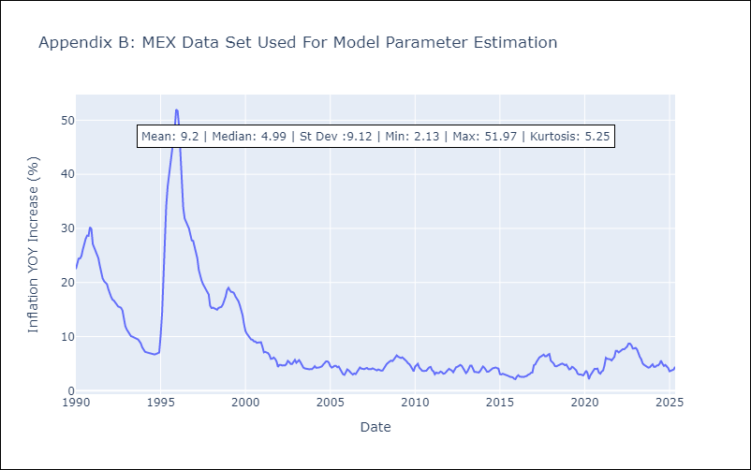

Appendix C: Residuals Analysis
Mean

NIC
NIC - Inflation - Next 12 months forecast as of: 2025-04-01

Model | Random Forest w/ Lags - None
Training Data | 1990-01-01 to 2024-05-01
Test Data | 2024-05-01 to 2025-04-01

Date | Inflation Change YoY % | Lower Bound - 95% Confidence Interval | Upper Bound - 95% Confidence Interval | Bias Corrected Forecast
2025-05-01 | 2.39 | 3.47 | 3.92
2025-06-01 | 2.41 | 3.4 | 4.04
2025-07-01 | 2.83 | 3.39 | 4.12
2025-08-01 | 3.21 | 3.38 | 4.16
2025-09-01 | 3.48 | 3.32 | 4.21
2025-10-01 | 3.49 | 3.28 | 4.23
2025-11-01 | 3.56 | 3.25 | 4.28
2025-12-01 | 3.62 | 3.23 | 4.33
2026-01-01 | 3.66 | 3.25 | 4.34
2026-02-01 | 3.65 | 3.24 | 4.38
2026-03-01 | 3.63 | 3.24 | 4.51
2026-04-01 | 3.64 | 3.27 | 4.65

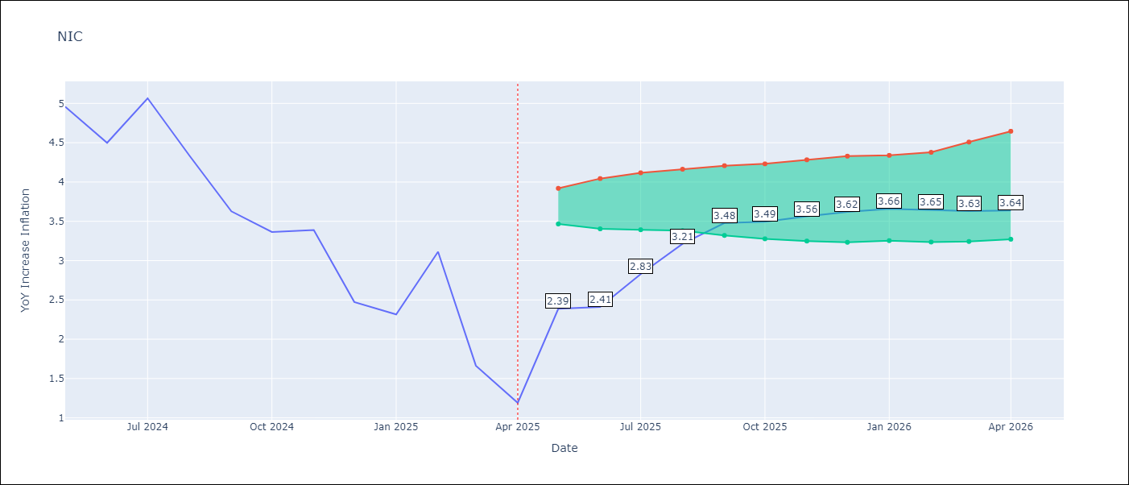

Test Set
RMSE | 0.49
Naive RMSE | 1.92
MAPE | 18.87%

Test Predictions
Date | Predicted | Actual | Bias Vector | Bias Corrected
2025-05-01 | 4.82 | 4.96
2025-06-01 | 4.5 | 4.5
2025-07-01 | 4.8 | 5.07
2025-08-01 | 4.17 | 4.33
2025-09-01 | 3.98 | 3.63
2025-10-01 | 3.57 | 3.36
2025-11-01 | 3.51 | 3.39
2025-12-01 | 2.87 | 2.47
2026-01-01 | 2.8 | 2.32
2026-02-01 | 3.35 | 3.11
2026-03-01 | 2.5 | 1.66
2026-04-01 | 2.39 | 1.19

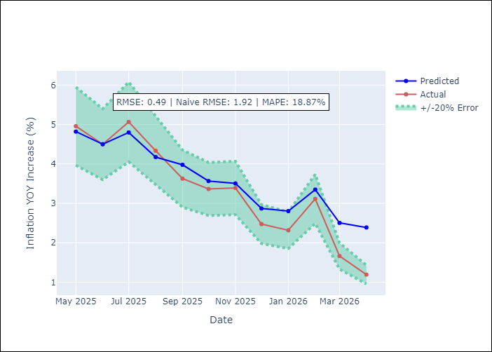
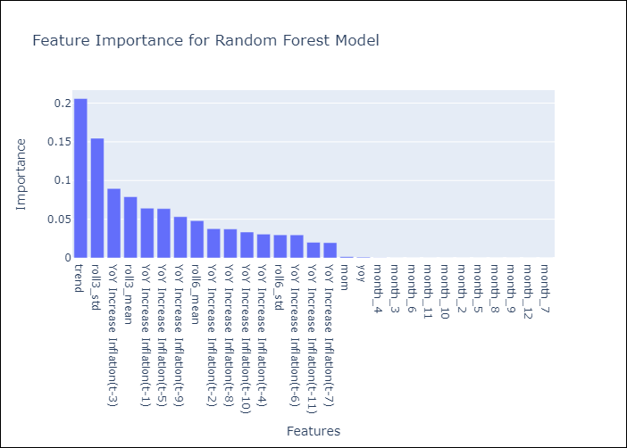

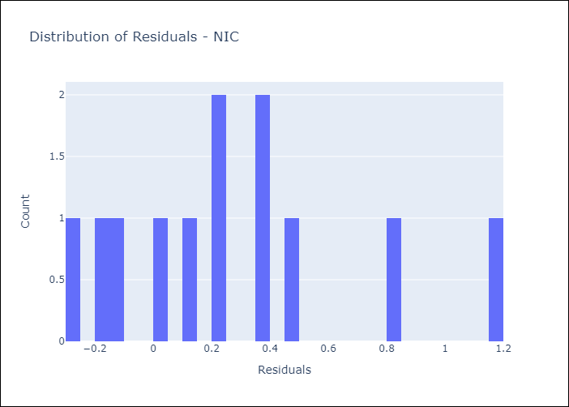
Appendix A: Model Summary
Model | Random Forest w/ Lags
Sample | 1990-01-01 to 2025-04-01
No. of Observations | 424
Residuals
Mean | 0.2714338731
St Dev | 0.40781627083
Kurtosis | -0.012347218416
Skewness | 0.80838732754

Assumptions | P-value

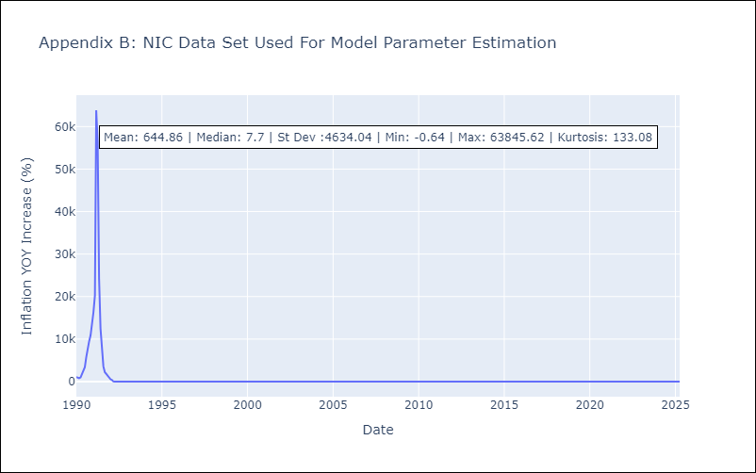

Appendix C: Residuals Analysis
Mean

SLV
SLV - Inflation - Next 12 months forecast as of: 2025-05-01

Model | Random Forest w/ Lags - None
Training Data | 1990-01-01 to 2024-06-01
Test Data | 2024-06-01 to 2025-05-01

Date | Inflation Change YoY % | Lower Bound - 95% Confidence Interval | Upper Bound - 95% Confidence Interval | Bias Corrected Forecast
2025-06-01 | -0.32 | -0.29 | -0.09
2025-07-01 | -0.38 | -0.23 | 0.02
2025-08-01 | -0.45 | -0.27 | 0.04
2025-09-01 | -0.45 | -0.26 | 0.08
2025-10-01 | -0.42 | -0.24 | 0.13
2025-11-01 | -0.29 | -0.26 | 0.09
2025-12-01 | -0.23 | -0.24 | 0.16
2026-01-01 | -0.33 | -0.23 | 0.17
2026-02-01 | -0.29 | -0.24 | 0.24
2026-03-01 | -0.4 | -0.25 | 0.23
2026-04-01 | -0.33 | -0.25 | 0.28
2026-05-01 | -0.27 | -0.27 | 0.3

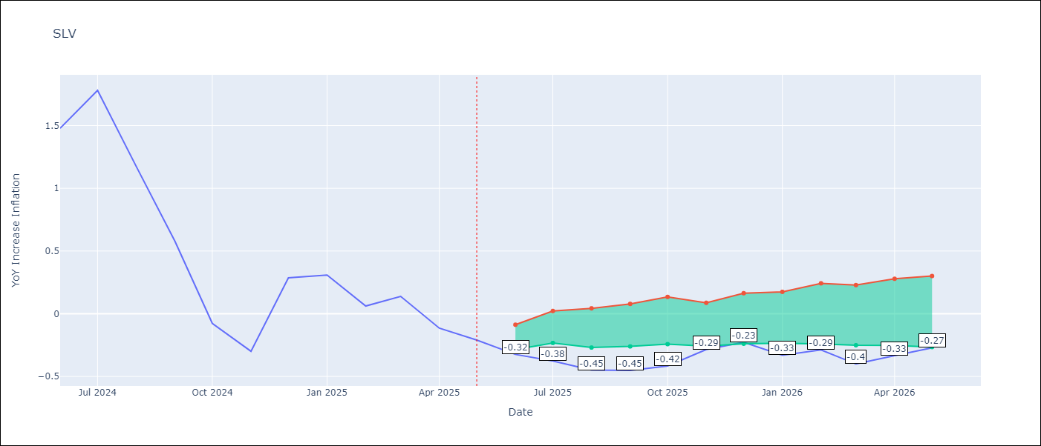

Test Set
RMSE | 0.13
Naive RMSE | 1.19
MAPE | 42.09%

Test Predictions
Date | Predicted | Actual | Bias Vector | Bias Corrected
2025-06-01 | 1.47 | 1.48
2025-07-01 | 1.69 | 1.78
2025-08-01 | 1.21 | 1.17
2025-09-01 | 0.66 | 0.58
2025-10-01 | 0.05 | -0.08
2025-11-01 | -0.3 | -0.3
2025-12-01 | -0.07 | 0.29
2026-01-01 | 0.19 | 0.31
2026-02-01 | 0.06 | 0.06
2026-03-01 | 0.23 | 0.14
2026-04-01 | -0.16 | -0.11
2026-05-01 | -0.32 | -0.21

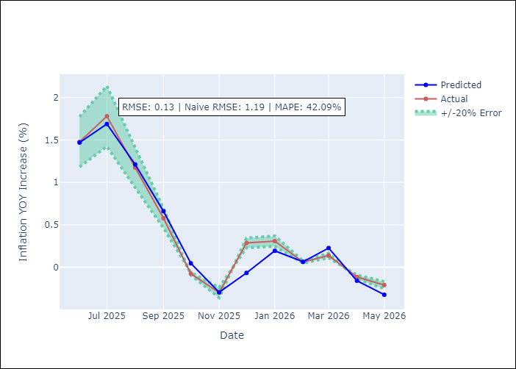
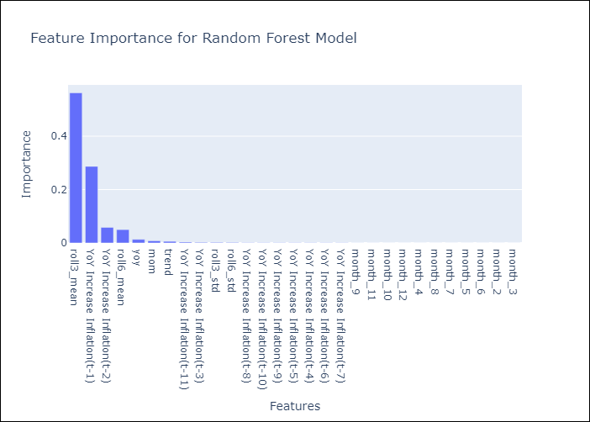

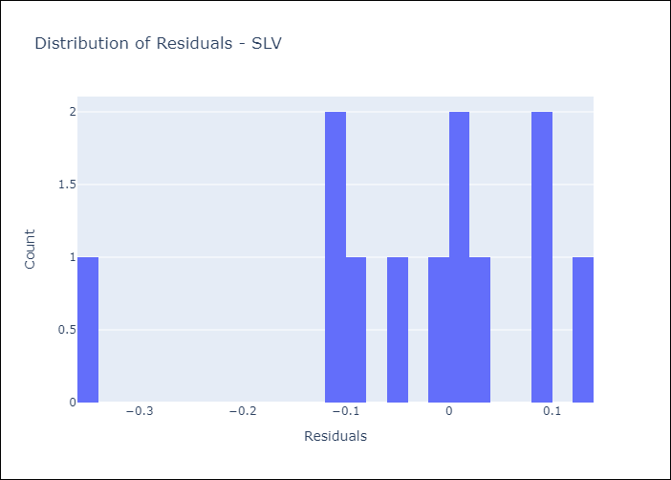
Appendix A: Model Summary
Model | Random Forest w/ Lags
Sample | 1990-01-01 to 2025-05-01
No. of Observations | 425
Residuals
Mean | -0.032558782259
St Dev | 0.12233209835
Kurtosis | 1.3307231418
Skewness | -1.2178914513

Assumptions | P-value

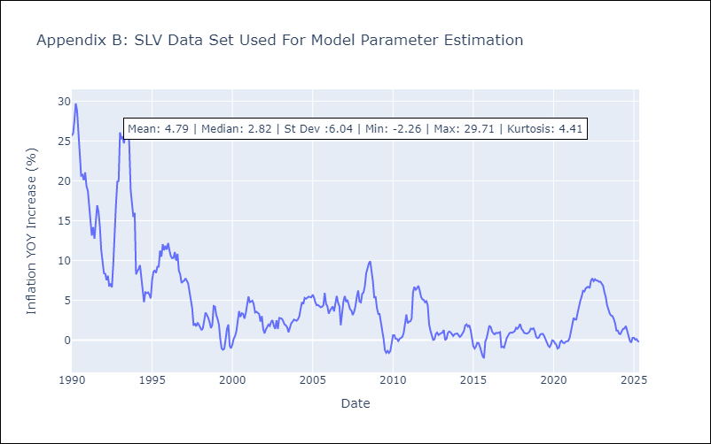

Appendix C: Residuals Analysis
Mean

