GRD
GRD - Inflation - Next 12 months forecast as of: 2025-01-01

Model | Random Forest w/ Lags - None
Training Data | 1990-01-01 to 2024-02-01
Test Data | 2024-02-01 to 2025-01-01

Date | Inflation Change YoY % | Lower Bound - 95% Confidence Interval | Upper Bound - 95% Confidence Interval | Bias Corrected Forecast
2025-02-01 | 0.79 | 0.59 | 0.77
2025-03-01 | 0.73 | 0.57 | 0.84
2025-04-01 | 0.67 | 0.55 | 1.01
2025-05-01 | 0.64 | 0.55 | 1.04
2025-06-01 | 0.54 | 0.56 | 1.06
2025-07-01 | 0.53 | 0.58 | 1.08
2025-08-01 | 0.57 | 0.58 | 1.1
2025-09-01 | 0.57 | 0.57 | 1.1
2025-10-01 | 0.59 | 0.56 | 1.1
2025-11-01 | 0.63 | 0.55 | 1.11
2025-12-01 | 0.64 | 0.57 | 1.09
2026-01-01 | 0.63 | 0.57 | 1.08

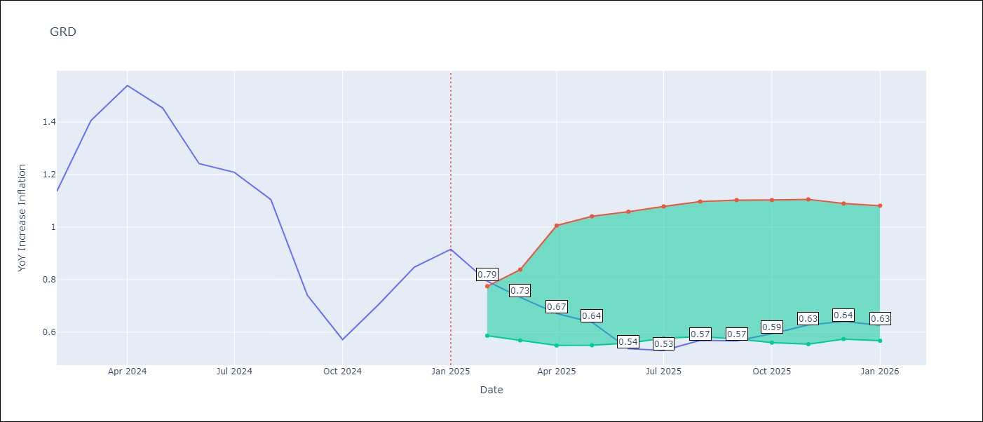

Test Set
RMSE | 0.11
Naive RMSE | 0.3
MAPE | 9.1%

Test Predictions
Date | Predicted | Actual | Bias Vector | Bias Corrected
2025-02-01 | 1.3 | 1.14
2025-03-01 | 1.38 | 1.41
2025-04-01 | 1.54 | 1.54
2025-05-01 | 1.49 | 1.45
2025-06-01 | 1.32 | 1.24
2025-07-01 | 1.33 | 1.21
2025-08-01 | 1.14 | 1.11
2025-09-01 | 0.67 | 0.74
2025-10-01 | 0.58 | 0.57
2025-11-01 | 0.57 | 0.71
2025-12-01 | 0.62 | 0.85
2026-01-01 | 0.79 | 0.92

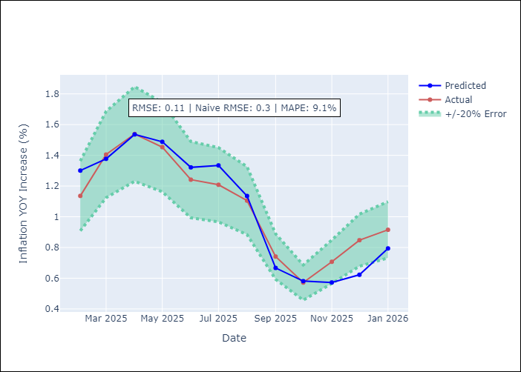
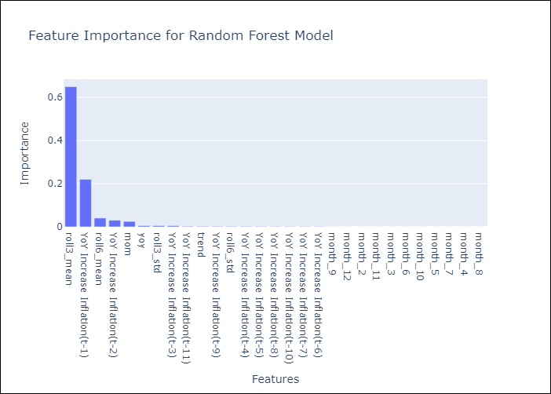

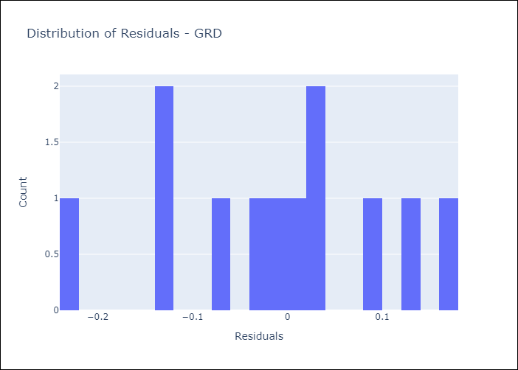
Appendix A: Model Summary
Model | Random Forest w/ Lags
Sample | 1990-01-01 to 2025-01-01
No. of Observations | 421
Residuals
Mean | -0.011714163793
St Dev | 0.10792584153
Kurtosis | -0.62381080676
Skewness | -0.26944710672

Assumptions | P-value

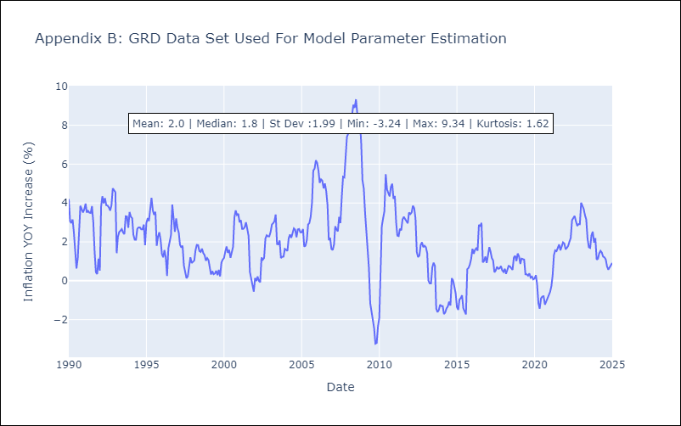

Appendix C: Residuals Analysis
Mean

JAM
JAM - Inflation - Next 12 months forecast as of: 2025-04-01

Model | Random Forest w/ Lags - None
Training Data | 1990-01-01 to 2024-05-01
Test Data | 2024-05-01 to 2025-04-01

Date | Inflation Change YoY % | Lower Bound - 95% Confidence Interval | Upper Bound - 95% Confidence Interval | Bias Corrected Forecast
2025-05-01 | 5.15 | 4.63 | 5.17
2025-06-01 | 5 | 4.49 | 5.27
2025-07-01 | 4.97 | 4.42 | 5.23
2025-08-01 | 4.9 | 4.31 | 5.26
2025-09-01 | 4.94 | 4.26 | 5.28
2025-10-01 | 4.98 | 4.27 | 5.27
2025-11-01 | 4.98 | 4.29 | 5.32
2025-12-01 | 4.99 | 4.29 | 5.32
2026-01-01 | 5 | 4.3 | 5.32
2026-02-01 | 4.98 | 4.29 | 5.33
2026-03-01 | 4.96 | 4.26 | 5.4
2026-04-01 | 4.98 | 4.28 | 5.44

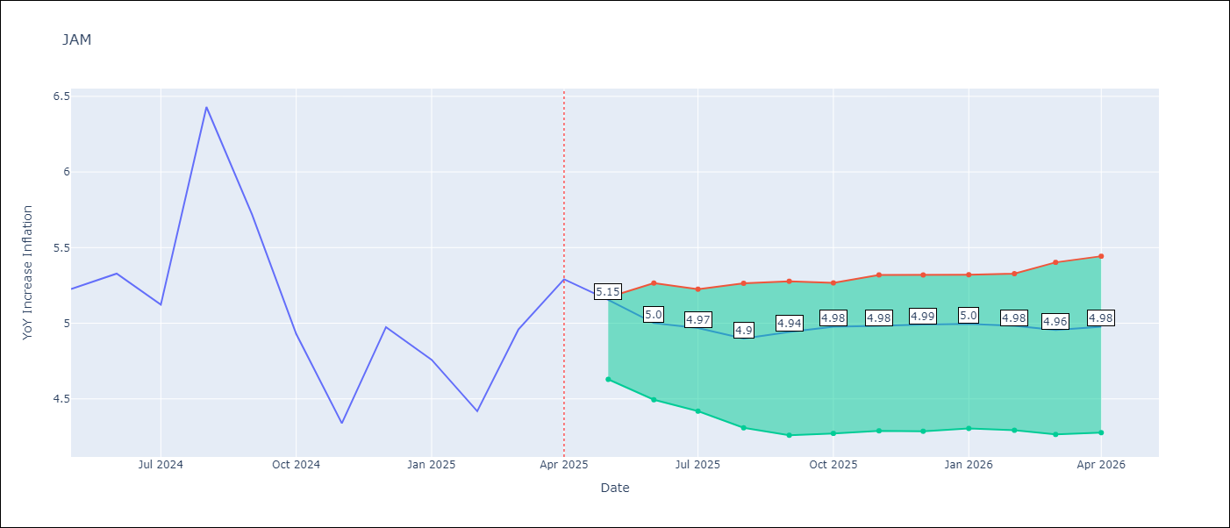

Test Set
RMSE | 0.22
Naive RMSE | 0.58
MAPE | 3.41%

Test Predictions
Date | Predicted | Actual | Bias Vector | Bias Corrected
2025-05-01 | 5.17 | 5.23
2025-06-01 | 5.18 | 5.33
2025-07-01 | 5.03 | 5.12
2025-08-01 | 6.27 | 6.43
2025-09-01 | 5.79 | 5.72
2025-10-01 | 5.47 | 4.93
2025-11-01 | 4.69 | 4.34
2025-12-01 | 5.13 | 4.97
2026-01-01 | 4.73 | 4.76
2026-02-01 | 4.6 | 4.42
2026-03-01 | 5.05 | 4.96
2026-04-01 | 5.15 | 5.29

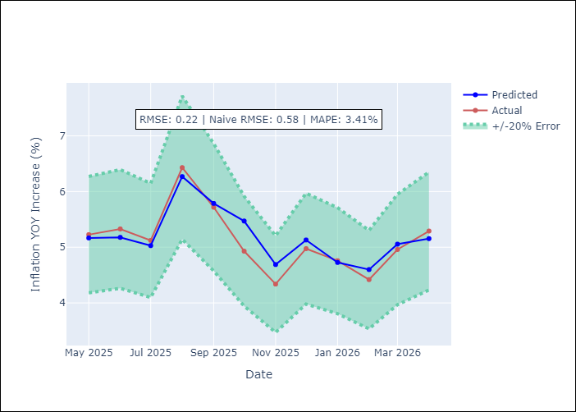
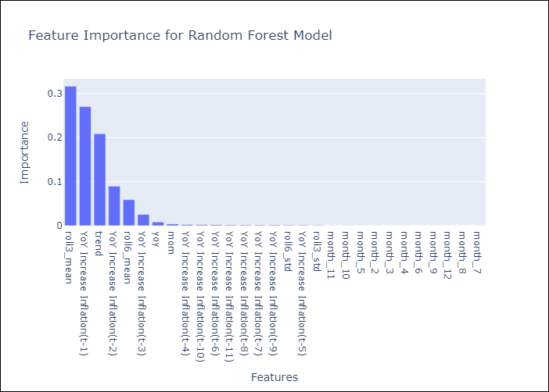

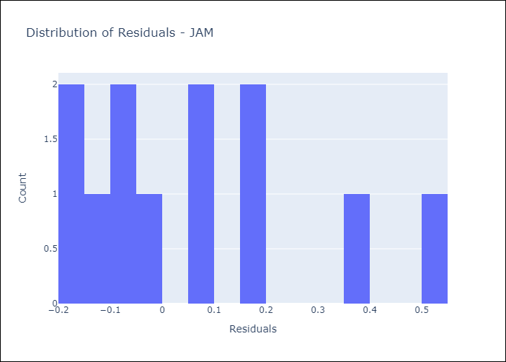
Appendix A: Model Summary
Model | Random Forest w/ Lags
Sample | 1990-01-01 to 2025-04-01
No. of Observations | 424
Residuals
Mean | 0.063232606126
St Dev | 0.20821271846
Kurtosis | -0.040255551092
Skewness | 0.92530300015

Assumptions | P-value

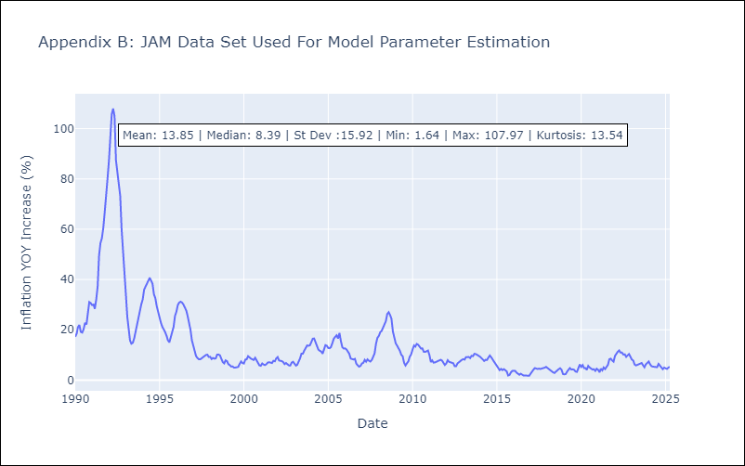

Appendix C: Residuals Analysis
Mean

TTO
TTO - Inflation - Next 12 months forecast as of: 2025-04-01

Model | Random Forest w/ Lags - None
Training Data | 1990-01-01 to 2024-05-01
Test Data | 2024-05-01 to 2025-04-01

Date | Inflation Change YoY % | Lower Bound - 95% Confidence Interval | Upper Bound - 95% Confidence Interval | Bias Corrected Forecast
2025-05-01 | 1.14 | 0.99 | 1.2
2025-06-01 | 1.16 | 0.95 | 1.22
2025-07-01 | 1.23 | 0.92 | 1.23
2025-08-01 | 1.22 | 0.87 | 1.21
2025-09-01 | 1.24 | 0.86 | 1.21
2025-10-01 | 1.25 | 0.86 | 1.23
2025-11-01 | 1.27 | 0.83 | 1.23
2025-12-01 | 1.24 | 0.83 | 1.22
2026-01-01 | 1.22 | 0.82 | 1.21
2026-02-01 | 1.19 | 0.81 | 1.21
2026-03-01 | 1.19 | 0.79 | 1.22
2026-04-01 | 1.15 | 0.79 | 1.22

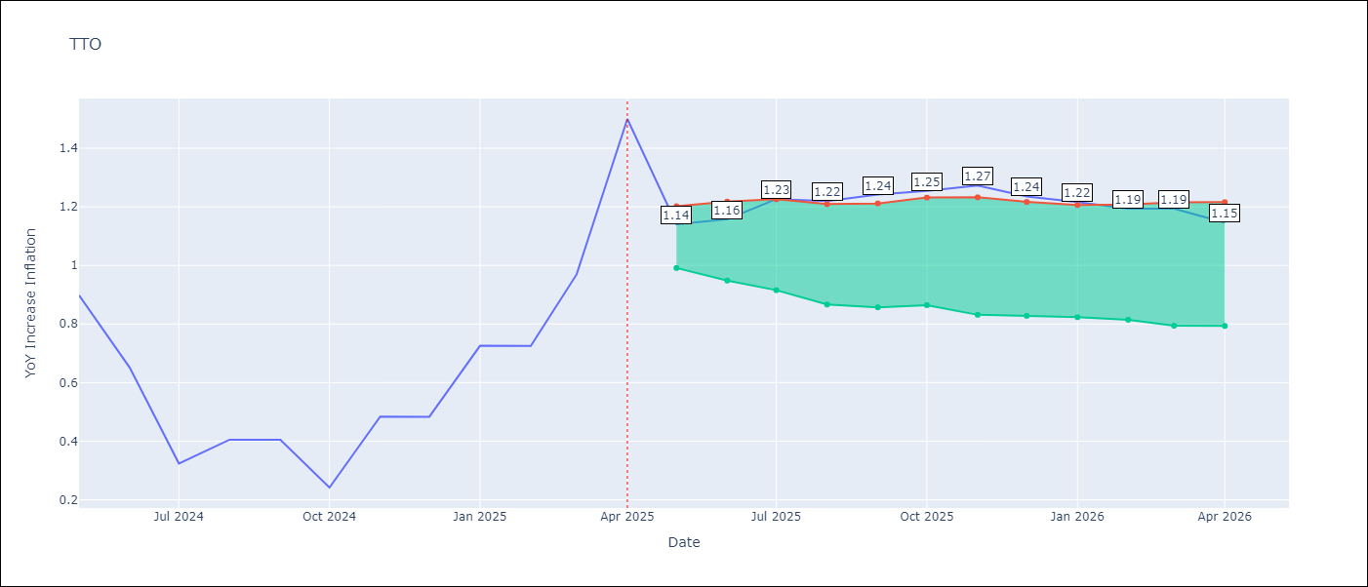

Test Set
RMSE | 0.19
Naive RMSE | 0.37
MAPE | 30.33%

Test Predictions
Date | Predicted | Actual | Bias Vector | Bias Corrected
2025-05-01 | 0.6 | 0.9
2025-06-01 | 0.61 | 0.65
2025-07-01 | 0.49 | 0.32
2025-08-01 | 0.54 | 0.41
2025-09-01 | 0.51 | 0.4
2025-10-01 | 0.49 | 0.24
2025-11-01 | 0.62 | 0.48
2025-12-01 | 0.68 | 0.48
2026-01-01 | 0.77 | 0.73
2026-02-01 | 0.73 | 0.73
2026-03-01 | 0.84 | 0.97
2026-04-01 | 1.14 | 1.5

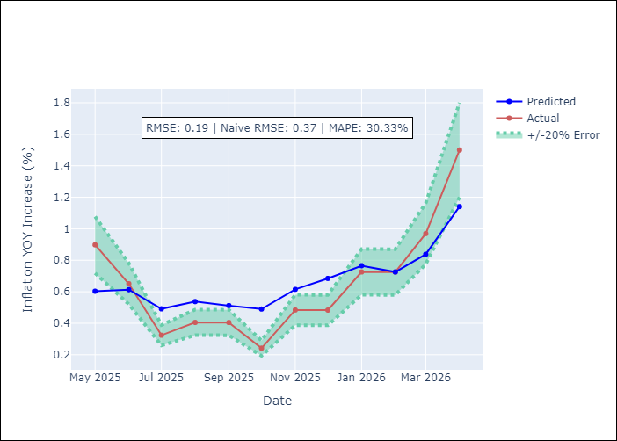
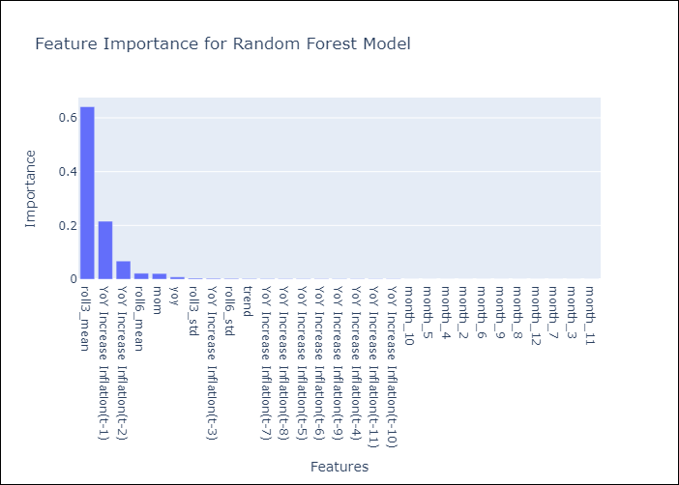

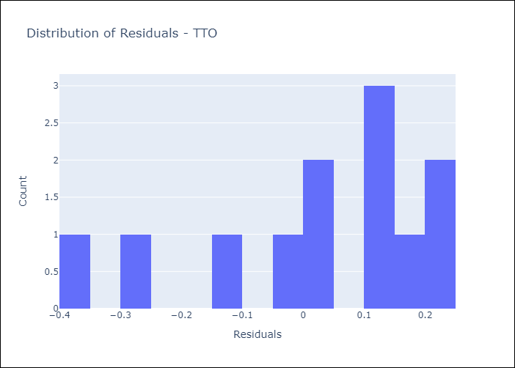
Appendix A: Model Summary
Model | Random Forest w/ Lags
Sample | 1990-01-01 to 2025-04-01
No. of Observations | 424
Residuals
Mean | 0.01715078892
St Dev | 0.18460165018
Kurtosis | -0.4932558192
Skewness | -0.81199991261

Assumptions | P-value

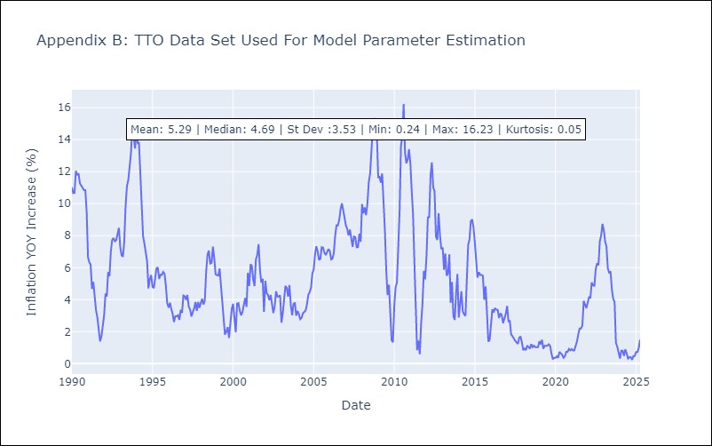

Appendix C: Residuals Analysis
Mean

