md_CEN09
md_CEN09 - Inflation - Next 12 months forecast as of: 2025-04-01

Model | Random Forest w/ Lags - ((2, 1, 3), (0, 0, 1, 12))
Training Data | 1990-01-01 to 2024-05-01
Test Data | 2024-05-01 to 2025-04-01

Date | Inflation Change YoY % | Lower Bound - 95% Confidence Interval | Upper Bound - 95% Confidence Interval | Bias Corrected Forecast
2025-05-01 | 2 | 1.8 | 2.37
2025-06-01 | 2.01 | 1.69 | 2.45
2025-07-01 | 1.94 | 1.66 | 2.57
2025-08-01 | 1.97 | 1.61 | 2.69
2025-09-01 | 2.01 | 1.57 | 2.73
2025-10-01 | 1.98 | 1.5 | 2.74
2025-11-01 | 1.92 | 1.51 | 2.72
2025-12-01 | 1.87 | 1.53 | 2.77
2026-01-01 | 1.87 | 1.47 | 2.93
2026-02-01 | 1.94 | 1.49 | 2.93
2026-03-01 | 1.91 | 1.49 | 2.96
2026-04-01 | 1.99 | 1.49 | 3.09

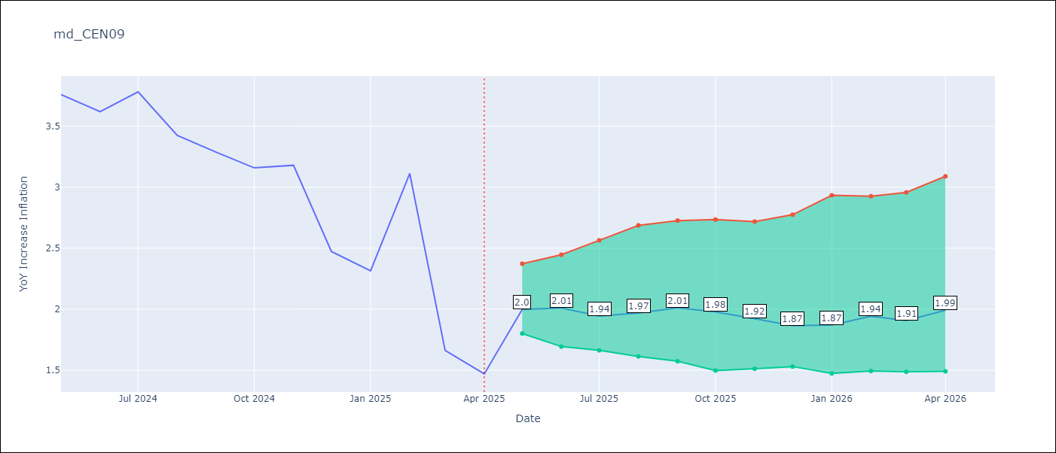

Test Set
RMSE | 0.29
Naive RMSE | 0.86
MAPE | 9.75%

Test Predictions
Date | Predicted | Actual | Bias Vector | Bias Corrected
2025-05-01 | 3.64 | 3.76
2025-06-01 | 3.52 | 3.62
2025-07-01 | 3.75 | 3.78
2025-08-01 | 3.41 | 3.42
2025-09-01 | 3.43 | 3.29
2025-10-01 | 3.32 | 3.16
2025-11-01 | 3.25 | 3.18
2025-12-01 | 2.67 | 2.47
2026-01-01 | 2.34 | 2.32
2026-02-01 | 2.63 | 3.11
2026-03-01 | 2.29 | 1.66
2026-04-01 | 2 | 1.47

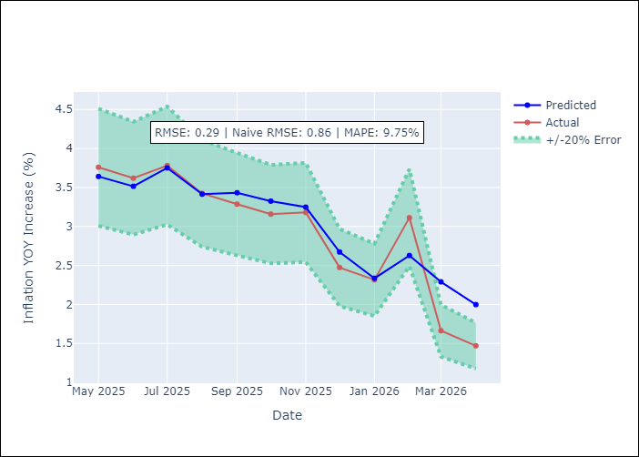
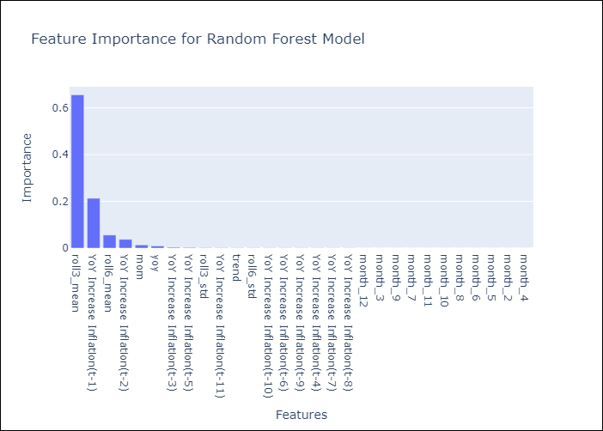

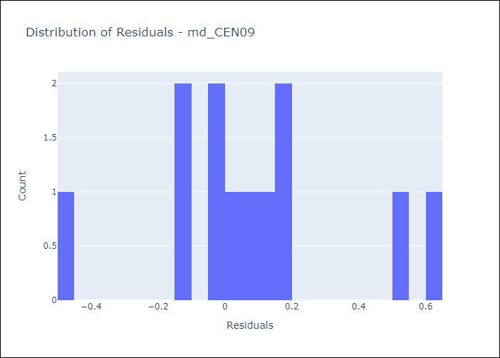
Appendix A: Model Summary
Model | Random Forest w/ Lags
Sample | 1990-01-01 to 2025-04-01
No. of Observations | 424
Residuals
Mean | 0.083818684716
St Dev | 0.28014338517
Kurtosis | 0.16503739005
Skewness | 0.18312961983

Assumptions | P-value

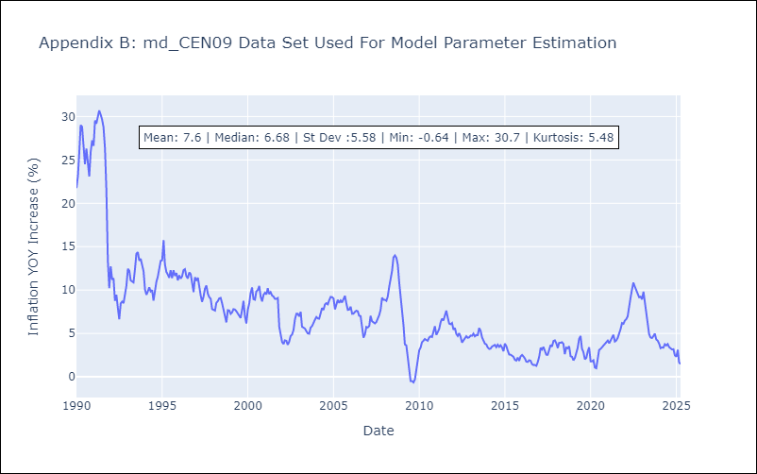

Appendix C: Residuals Analysis
Mean

md_CEN10
md_CEN10 - Inflation - Next 12 months forecast as of: 2025-04-01

Model | Random Forest w/ Lags - ((2, 1, 3), (0, 0, 1, 12))
Training Data | 1990-01-01 to 2024-05-01
Test Data | 2024-05-01 to 2025-04-01

Date | Inflation Change YoY % | Lower Bound - 95% Confidence Interval | Upper Bound - 95% Confidence Interval | Bias Corrected Forecast
2025-05-01 | 2.01 | 1.77 | 2.3
2025-06-01 | 2.02 | 1.7 | 2.39
2025-07-01 | 1.96 | 1.68 | 2.43
2025-08-01 | 1.97 | 1.63 | 2.6
2025-09-01 | 2.02 | 1.61 | 2.67
2025-10-01 | 1.98 | 1.58 | 2.74
2025-11-01 | 1.93 | 1.55 | 2.75
2025-12-01 | 1.88 | 1.5 | 2.74
2026-01-01 | 1.87 | 1.5 | 2.98
2026-02-01 | 1.95 | 1.54 | 3.03
2026-03-01 | 1.96 | 1.52 | 3.16
2026-04-01 | 2.01 | 1.5 | 3.2

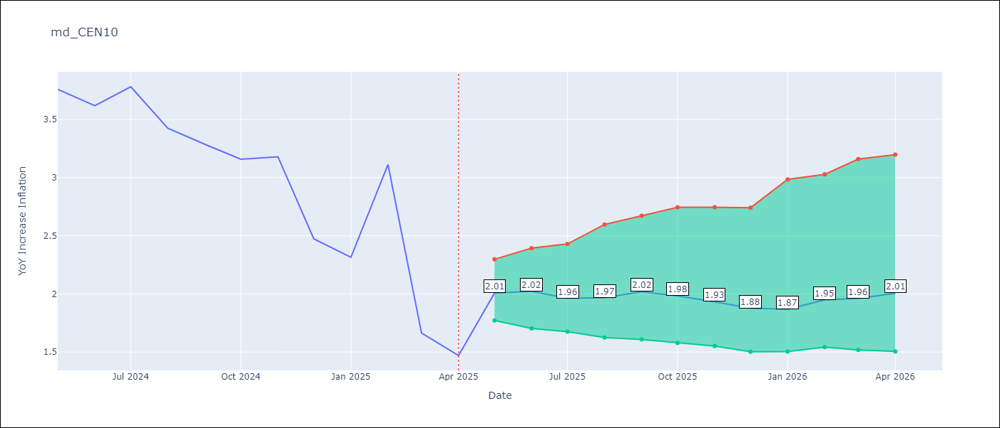

Test Set
RMSE | 0.3
Naive RMSE | 0.86
MAPE | 9.84%

Test Predictions
Date | Predicted | Actual | Bias Vector | Bias Corrected
2025-05-01 | 3.63 | 3.76
2025-06-01 | 3.53 | 3.62
2025-07-01 | 3.76 | 3.78
2025-08-01 | 3.42 | 3.42
2025-09-01 | 3.44 | 3.29
2025-10-01 | 3.34 | 3.16
2025-11-01 | 3.24 | 3.18
2025-12-01 | 2.67 | 2.47
2026-01-01 | 2.35 | 2.32
2026-02-01 | 2.61 | 3.11
2026-03-01 | 2.28 | 1.66
2026-04-01 | 2.01 | 1.47




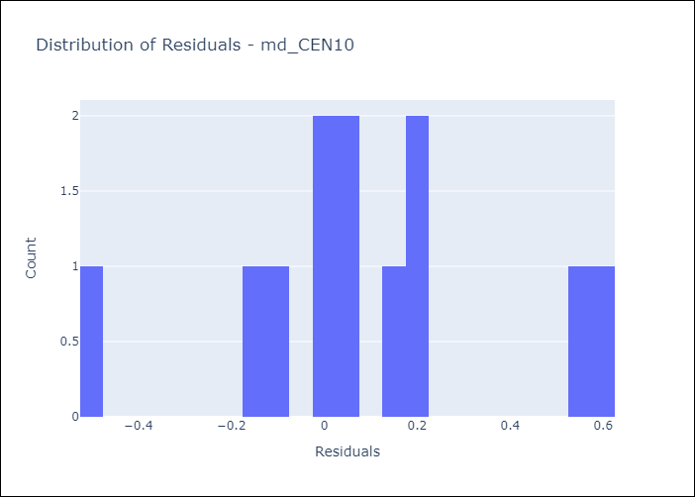
Appendix A: Model Summary
Model | Random Forest w/ Lags
Sample | 1990-01-01 to 2025-04-01
No. of Observations | 424
Residuals
Mean | 0.086757977926
St Dev | 0.2820768449
Kurtosis | 0.18573348143
Skewness | 0.086960059453

Assumptions | P-value



Appendix C: Residuals Analysis
Mean

md_R01
md_R01 - Inflation - Next 12 months forecast as of: 2025-04-01

Model | Random Forest w/ Lags - ((1, 1, 1), (0, 0, 1, 12))
Training Data | 1990-01-01 to 2024-05-01
Test Data | 2024-05-01 to 2025-04-01

Date | Inflation Change YoY % | Lower Bound - 95% Confidence Interval | Upper Bound - 95% Confidence Interval | Bias Corrected Forecast
2025-05-01 | 3.95 | 3.64 | 3.78
2025-06-01 | 3.89 | 3.63 | 3.82
2025-07-01 | 3.88 | 3.63 | 3.83
2025-08-01 | 3.85 | 3.63 | 3.82
2025-09-01 | 3.82 | 3.64 | 3.82
2025-10-01 | 3.81 | 3.64 | 3.85
2025-11-01 | 3.78 | 3.64 | 3.85
2025-12-01 | 3.73 | 3.64 | 3.85
2026-01-01 | 3.7 | 3.62 | 3.86
2026-02-01 | 3.69 | 3.64 | 3.86
2026-03-01 | 3.69 | 3.63 | 3.86
2026-04-01 | 3.68 | 3.63 | 3.86

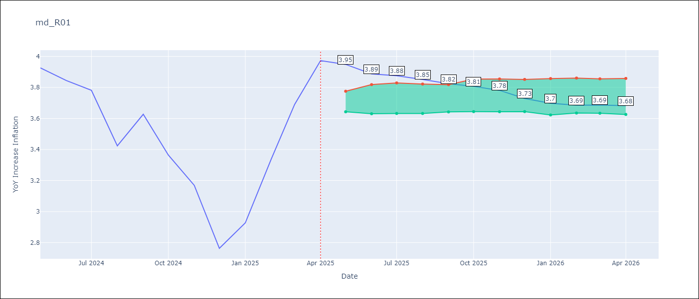

Test Set
RMSE | 0.17
Naive RMSE | 0.42
MAPE | 3.74%

Test Predictions
Date | Predicted | Actual | Bias Vector | Bias Corrected
2025-05-01 | 3.81 | 3.93
2025-06-01 | 3.78 | 3.84
2025-07-01 | 3.79 | 3.78
2025-08-01 | 3.51 | 3.42
2025-09-01 | 3.72 | 3.63
2025-10-01 | 3.34 | 3.36
2025-11-01 | 3.24 | 3.17
2025-12-01 | 3.08 | 2.76
2026-01-01 | 2.9 | 2.93
2026-02-01 | 2.99 | 3.34
2026-03-01 | 3.37 | 3.69
2026-04-01 | 3.95 | 3.97

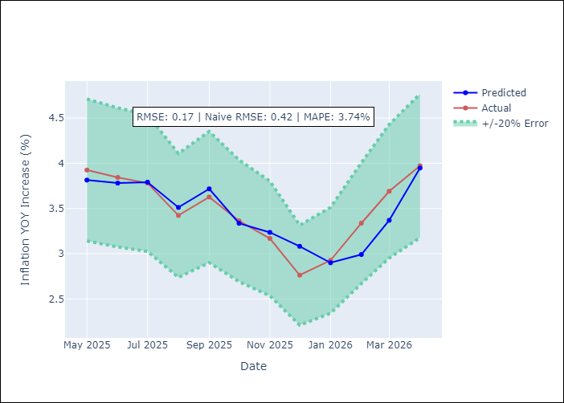
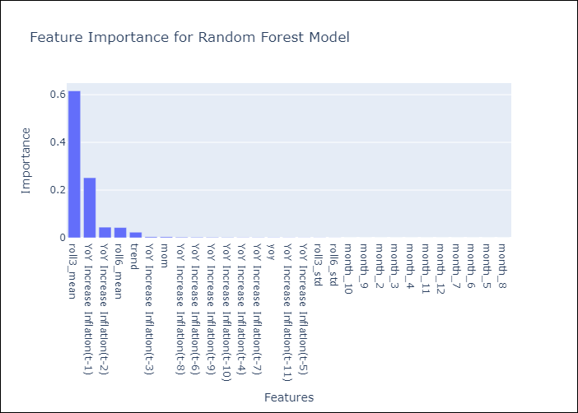

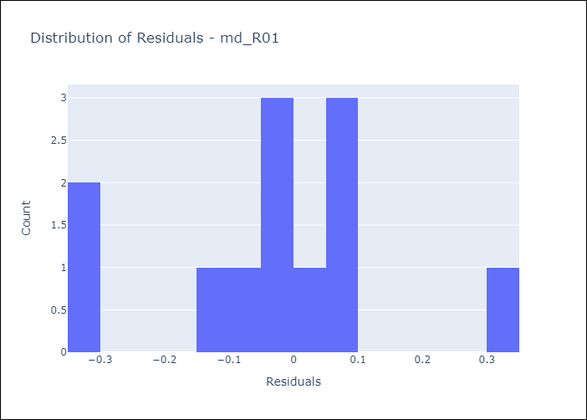
Appendix A: Model Summary
Model | Random Forest w/ Lags
Sample | 1990-01-01 to 2025-04-01
No. of Observations | 421
Residuals
Mean | -0.028788788633
St Dev | 0.17187269977
Kurtosis | 0.12449916216
Skewness | -0.18772312234

Assumptions | P-value

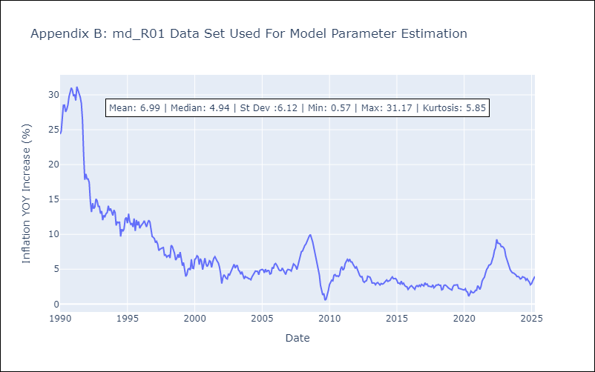

Appendix C: Residuals Analysis
Mean

md_R02
md_R02 - Inflation - Next 12 months forecast as of: 2025-04-01

Model | Random Forest w/ Lags - ((0, 1, 1), (0, 0, 1, 12))
Training Data | 1990-01-01 to 2024-05-01
Test Data | 2024-05-01 to 2025-04-01

Date | Inflation Change YoY % | Lower Bound - 95% Confidence Interval | Upper Bound - 95% Confidence Interval | Bias Corrected Forecast
2025-05-01 | 4.17 | 3.57 | 3.67
2025-06-01 | 4.15 | 3.55 | 3.75
2025-07-01 | 4.01 | 3.48 | 3.76
2025-08-01 | 3.96 | 3.39 | 3.73
2025-09-01 | 3.9 | 3.34 | 3.73
2025-10-01 | 3.85 | 3.34 | 3.73
2025-11-01 | 3.8 | 3.35 | 3.72
2025-12-01 | 3.76 | 3.35 | 3.73
2026-01-01 | 3.69 | 3.35 | 3.76
2026-02-01 | 3.66 | 3.35 | 3.77
2026-03-01 | 3.63 | 3.39 | 3.8
2026-04-01 | 3.6 | 3.4 | 3.81

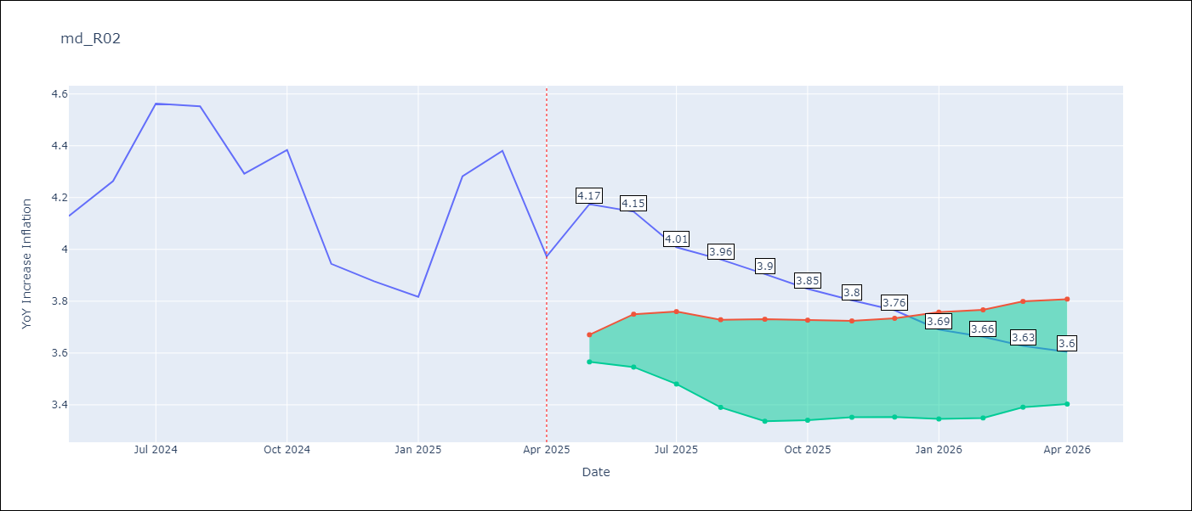

Test Set
RMSE | 0.17
Naive RMSE | 0.45
MAPE | 3.21%

Test Predictions
Date | Predicted | Actual | Bias Vector | Bias Corrected
2025-05-01 | 3.9 | 4.13
2025-06-01 | 4.05 | 4.26
2025-07-01 | 4.49 | 4.56
2025-08-01 | 4.44 | 4.55
2025-09-01 | 4.3 | 4.29
2025-10-01 | 4.37 | 4.38
2025-11-01 | 4.15 | 3.94
2025-12-01 | 3.9 | 3.88
2026-01-01 | 3.79 | 3.82
2026-02-01 | 3.99 | 4.28
2026-03-01 | 4.18 | 4.38
2026-04-01 | 4.17 | 3.97

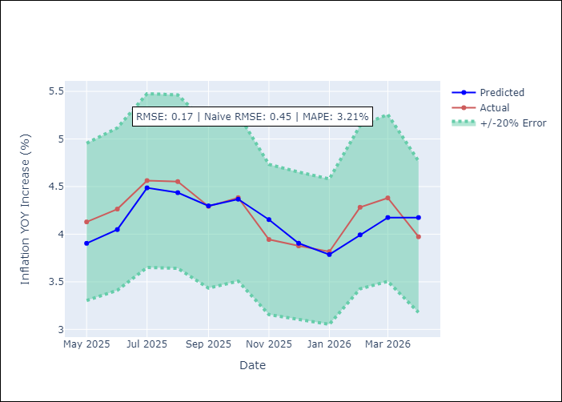
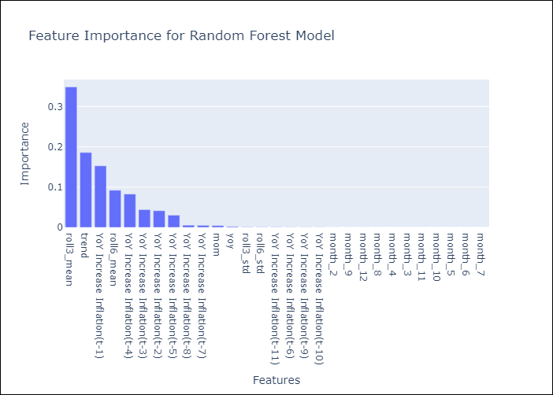

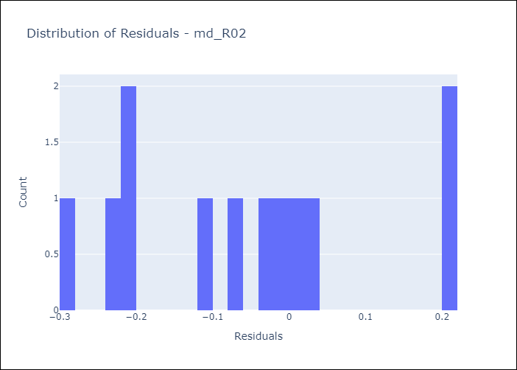
Appendix A: Model Summary
Model | Random Forest w/ Lags
Sample | 1990-01-01 to 2025-04-01
No. of Observations | 424
Residuals
Mean | -0.060830104778
St Dev | 0.15391377606
Kurtosis | -0.82868334212
Skewness | 0.35734962036

Assumptions | P-value

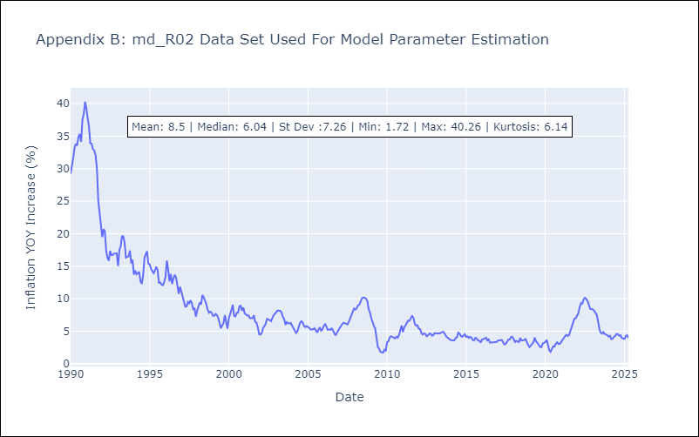

Appendix C: Residuals Analysis
Mean

md_SUR10
md_SUR10 - Inflation - Next 12 months forecast as of: 2025-04-01

Model | Random Forest w/ Lags - ((1, 1, 0), (0, 0, 1, 12))
Training Data | 1990-01-01 to 2024-05-01
Test Data | 2024-05-01 to 2025-04-01

Date | Inflation Change YoY % | Lower Bound - 95% Confidence Interval | Upper Bound - 95% Confidence Interval | Bias Corrected Forecast
2025-05-01 | 4.9 | 4.61 | 4.82
2025-06-01 | 4.92 | 4.58 | 4.85
2025-07-01 | 4.9 | 4.5 | 4.85
2025-08-01 | 4.85 | 4.46 | 4.88
2025-09-01 | 4.84 | 4.45 | 4.89
2025-10-01 | 4.83 | 4.4 | 4.9
2025-11-01 | 4.81 | 4.39 | 4.88
2025-12-01 | 4.8 | 4.36 | 4.89
2026-01-01 | 4.79 | 4.36 | 4.89
2026-02-01 | 4.78 | 4.33 | 4.89
2026-03-01 | 4.77 | 4.32 | 4.9
2026-04-01 | 4.76 | 4.27 | 4.89

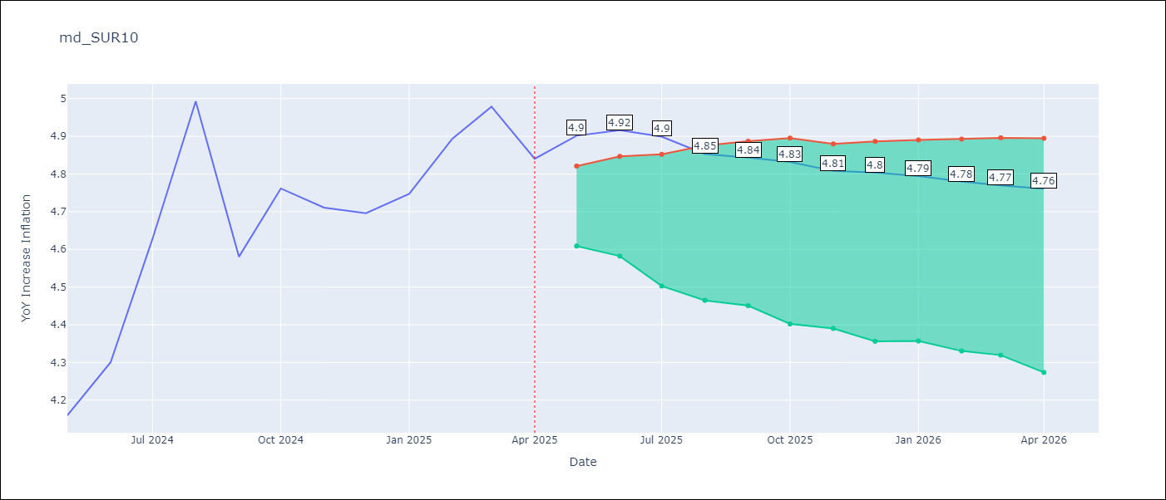

Test Set
RMSE | 0.1
Naive RMSE | 0.76
MAPE | 1.61%

Test Predictions
Date | Predicted | Actual | Bias Vector | Bias Corrected
2025-05-01 | 4.02 | 4.16
2025-06-01 | 4.15 | 4.3
2025-07-01 | 4.48 | 4.63
2025-08-01 | 4.79 | 4.99
2025-09-01 | 4.59 | 4.58
2025-10-01 | 4.76 | 4.76
2025-11-01 | 4.68 | 4.71
2025-12-01 | 4.72 | 4.7
2026-01-01 | 4.73 | 4.75
2026-02-01 | 4.81 | 4.89
2026-03-01 | 4.99 | 4.98
2026-04-01 | 4.9 | 4.84

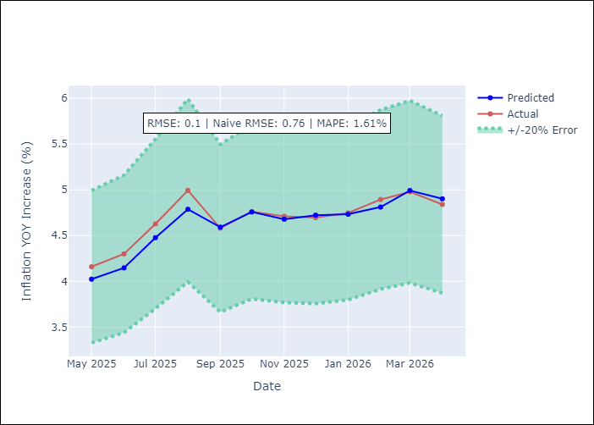
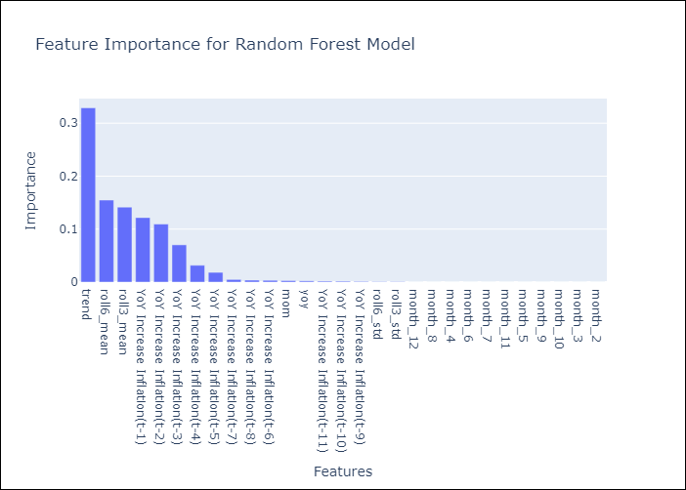

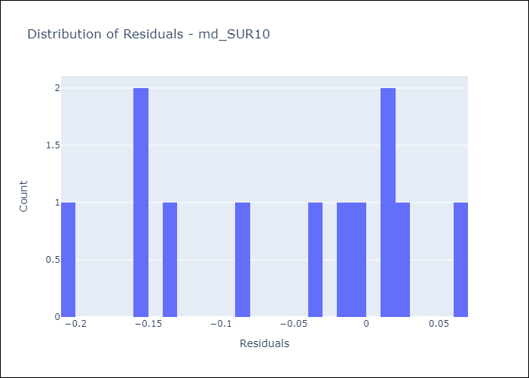
Appendix A: Model Summary
Model | Random Forest w/ Lags
Sample | 1990-01-01 to 2025-04-01
No. of Observations | 424
Residuals
Mean | -0.055348543623
St Dev | 0.083113499758
Kurtosis | -1.2394045515
Skewness | -0.39732299494

Assumptions | P-value

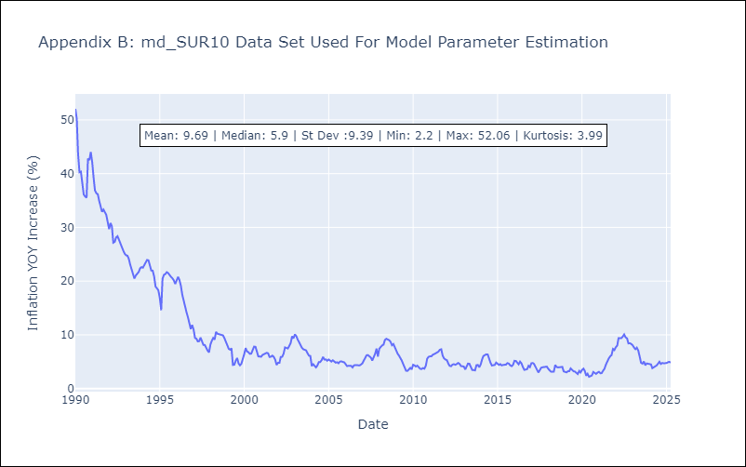

Appendix C: Residuals Analysis
Mean

