ARG
ARG - Inflation - Next 12 months forecast as of: 2025-05-01

Model | Random Forest w/ Lags - None
Training Data | 1990-01-01 to 2024-06-01
Test Data | 2024-06-01 to 2025-05-01

Date | Inflation Change YoY % | Lower Bound - 95% Confidence Interval | Upper Bound - 95% Confidence Interval | Bias Corrected Forecast
2025-06-01 | 88.53 | 72.69 | 131.91
2025-07-01 | 84.05 | 67.48 | 136.31
2025-08-01 | 109.72 | 77.81 | 161.63
2025-09-01 | 117.61 | 83.17 | 180.22
2025-10-01 | 135.04 | 89.25 | 189.69
2025-11-01 | 141.77 | 95.46 | 215.04
2025-12-01 | 137.84 | 104.47 | 229.26
2026-01-01 | 139.25 | 107.83 | 248.45
2026-02-01 | 154.51 | 112.33 | 253.62
2026-03-01 | 179.39 | 121.05 | 261.71
2026-04-01 | 208.72 | 126.27 | 266.57
2026-05-01 | 231.38 | 141.31 | 272.06

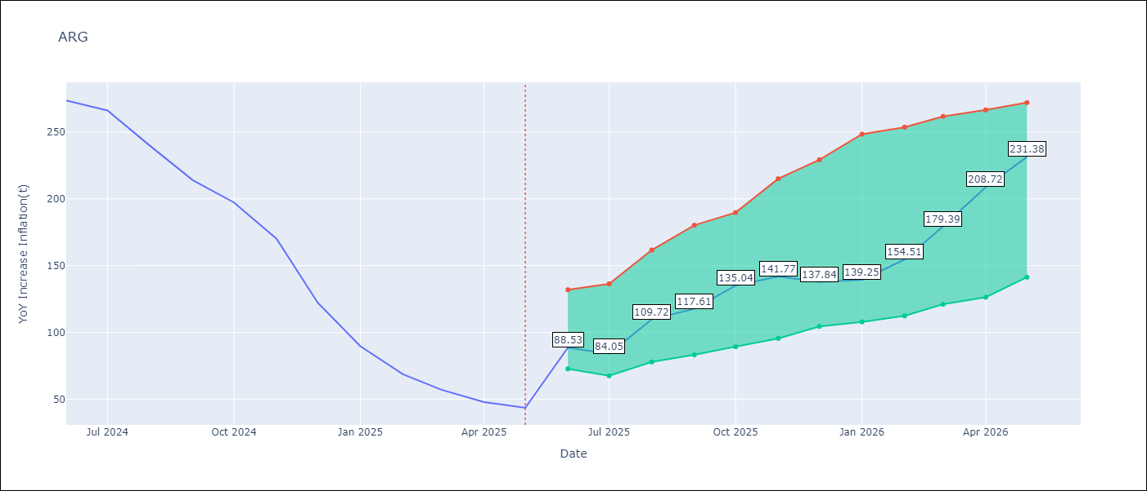

Test Set
RMSE | 73.38
Naive RMSE | 154.73
MAPE | 71.17%

Test Predictions
Date | Predicted | Actual | Bias Vector | Bias Corrected
2025-06-01 | 263.9 | 273.68
2025-07-01 | 263.86 | 266.11
2025-08-01 | 239.24 | 239.62
2025-09-01 | 243.55 | 214.01
2025-10-01 | 243.22 | 197.26
2025-11-01 | 241.19 | 170.13
2025-12-01 | 239.89 | 122.15
2026-01-01 | 225.32 | 89.58
2026-02-01 | 183.37 | 68.57
2026-03-01 | 133.3 | 57.04
2026-04-01 | 104.04 | 47.74
2026-05-01 | 88.55 | 43.5

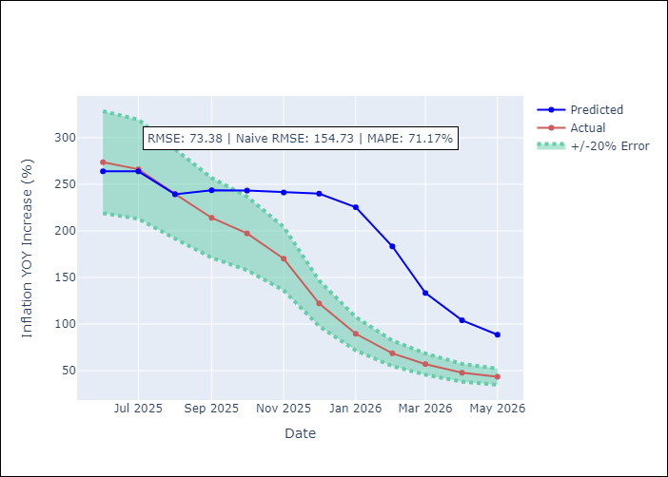
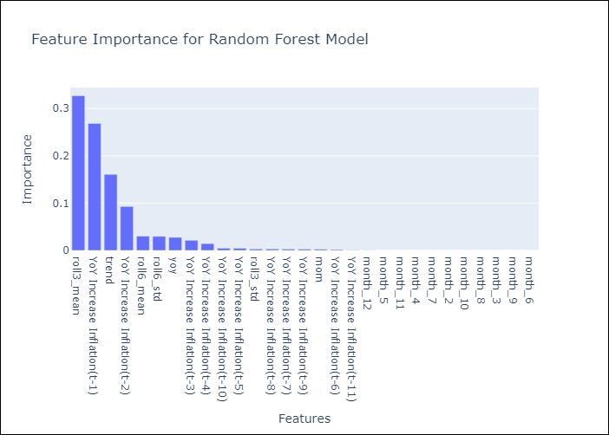

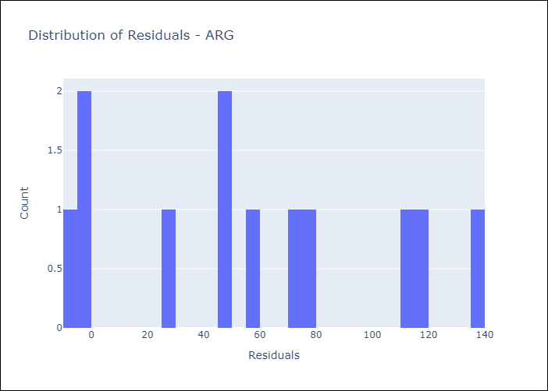
Appendix A: Model Summary
Model | Random Forest w/ Lags
Sample | 1990-01-01 to 2025-05-01
No. of Observations | 425
Residuals
Mean | 56.670757838
St Dev | 46.619547665
Kurtosis | -1.1064451923
Skewness | 0.18303842279

Assumptions | P-value

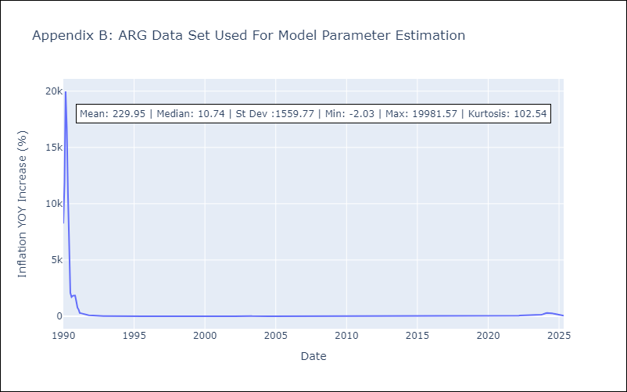

Appendix C: Residuals Analysis
Mean

