ARG
ARG - Inflation - Next 12 months forecast as of: 2025-05-01

Model | Random Forest w/ Lags - None
Training Data | 1990-01-01 to 2024-06-01
Test Data | 2024-06-01 to 2025-05-01

Date | Inflation Change YoY % | Lower Bound - 95% Confidence Interval | Upper Bound - 95% Confidence Interval | Bias Corrected Forecast
2025-06-01 | 88.53 | 70.01 | 139.21
2025-07-01 | 84.05 | 65.03 | 137.62
2025-08-01 | 109.72 | 75.57 | 168.77
2025-09-01 | 117.61 | 92.61 | 185.08
2025-10-01 | 135.04 | 97.47 | 190.33
2025-11-01 | 141.77 | 108.44 | 211.89
2025-12-01 | 137.84 | 113.26 | 222.03
2026-01-01 | 139.25 | 114.58 | 220.94
2026-02-01 | 154.51 | 116.53 | 249.35
2026-03-01 | 179.39 | 119.52 | 249.55
2026-04-01 | 208.72 | 122.67 | 259.71
2026-05-01 | 231.38 | 140.44 | 271.18

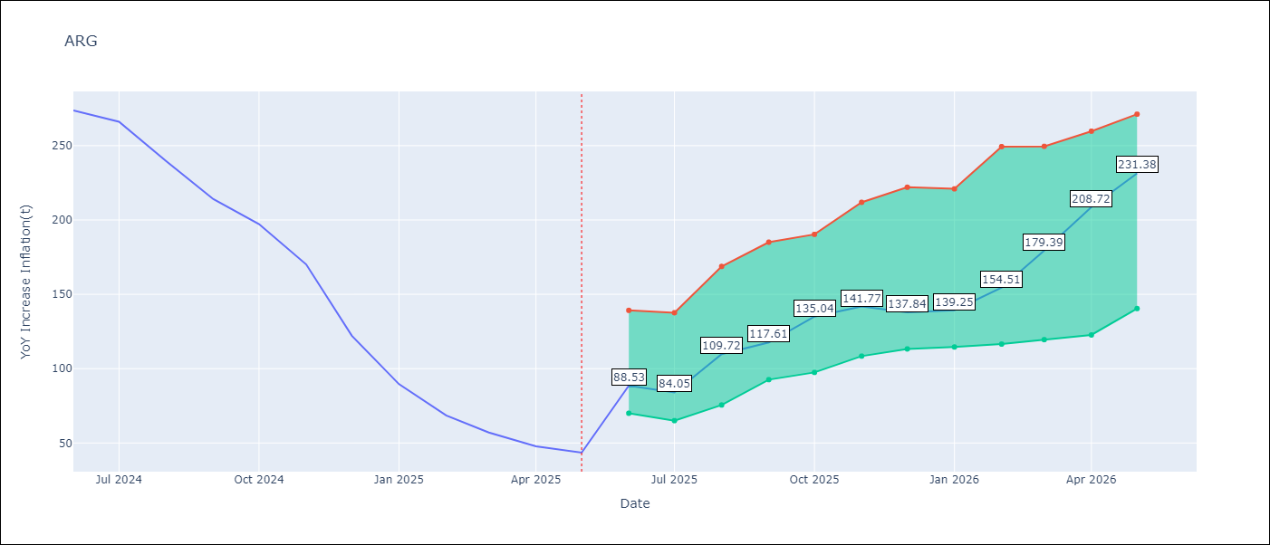

Test Set
RMSE | 73.38
Naive RMSE | 154.73
MAPE | 71.17%

Test Predictions
Date | Predicted | Actual | Bias Vector | Bias Corrected
2025-06-01 | 263.9 | 273.68
2025-07-01 | 263.86 | 266.11
2025-08-01 | 239.24 | 239.62
2025-09-01 | 243.55 | 214.01
2025-10-01 | 243.22 | 197.26
2025-11-01 | 241.19 | 170.13
2025-12-01 | 239.89 | 122.15
2026-01-01 | 225.32 | 89.58
2026-02-01 | 183.37 | 68.57
2026-03-01 | 133.3 | 57.04
2026-04-01 | 104.04 | 47.74
2026-05-01 | 88.55 | 43.5

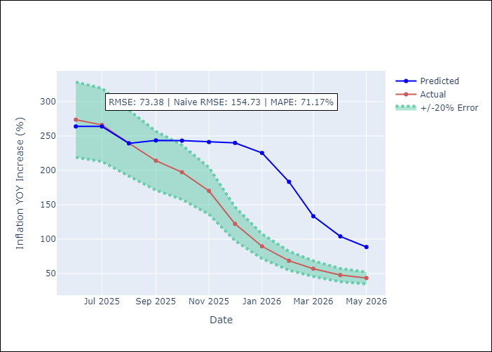
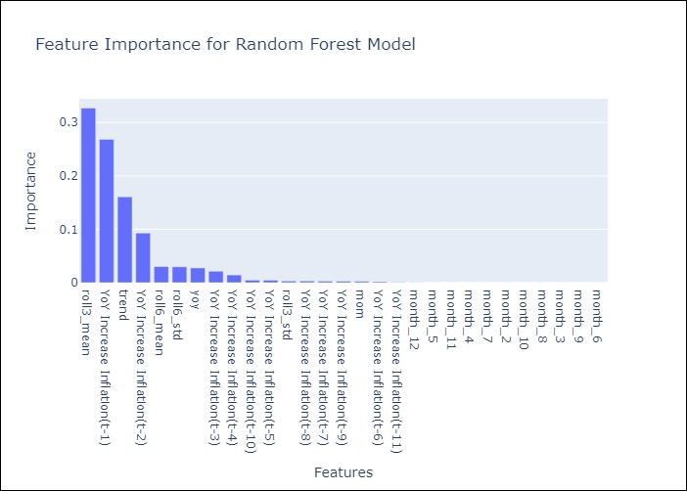

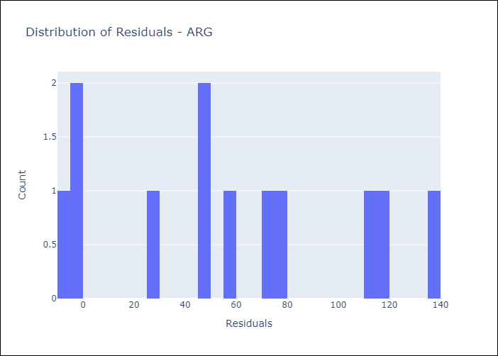
Appendix A: Model Summary
Model | Random Forest w/ Lags
Sample | 1990-01-01 to 2025-05-01
No. of Observations | 425
Residuals
Mean | 56.670757838
St Dev | 46.619547665
Kurtosis | -1.1064451923
Skewness | 0.18303842279

Assumptions | P-value

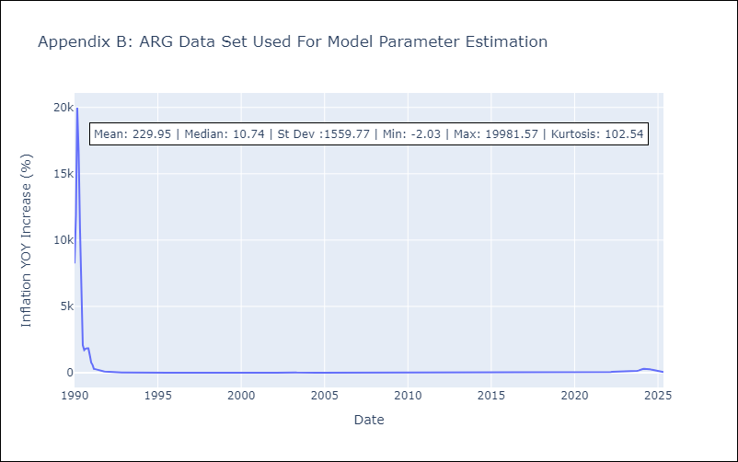

Appendix C: Residuals Analysis
Mean

BOL
BOL - Inflation - Next 12 months forecast as of: 2025-05-01

Model | Random Forest w/ Lags - None
Training Data | 1990-01-01 to 2024-06-01
Test Data | 2024-06-01 to 2025-05-01

Date | Inflation Change YoY % | Lower Bound - 95% Confidence Interval | Upper Bound - 95% Confidence Interval | Bias Corrected Forecast
2025-06-01 | 15.93 | 14.26 | 16.57
2025-07-01 | 15.96 | 13.57 | 16.61
2025-08-01 | 15.76 | 13.59 | 16.39
2025-09-01 | 15.67 | 13.32 | 16.33
2025-10-01 | 15.64 | 13.08 | 16.37
2025-11-01 | 15.07 | 13.04 | 15.68
2025-12-01 | 14.51 | 12.71 | 15.13
2026-01-01 | 14.18 | 12.57 | 14.95
2026-02-01 | 13.78 | 12.19 | 14.81
2026-03-01 | 13.52 | 12 | 14.75
2026-04-01 | 12.72 | 11.92 | 14.42
2026-05-01 | 12.43 | 11.58 | 14.34

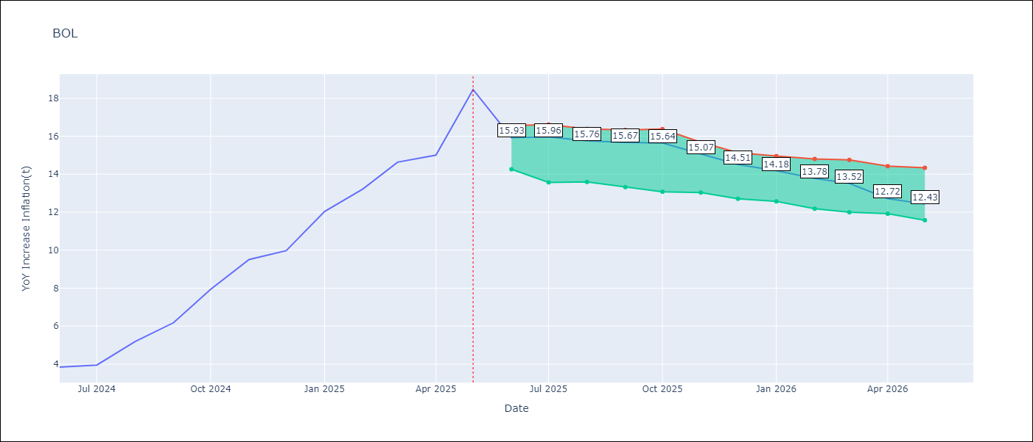

Test Set
RMSE | 1.0
Naive RMSE | 7.92
MAPE | 6.4%

Test Predictions
Date | Predicted | Actual | Bias Vector | Bias Corrected
2025-06-01 | 3.78 | 3.84
2025-07-01 | 3.85 | 3.95
2025-08-01 | 4.82 | 5.19
2025-09-01 | 6.06 | 6.18
2025-10-01 | 7.23 | 7.94
2025-11-01 | 8.54 | 9.51
2025-12-01 | 9.72 | 9.97
2026-01-01 | 10.89 | 12.03
2026-02-01 | 11.88 | 13.22
2026-03-01 | 13.68 | 14.63
2026-04-01 | 15.31 | 15.01
2026-05-01 | 15.97 | 18.46

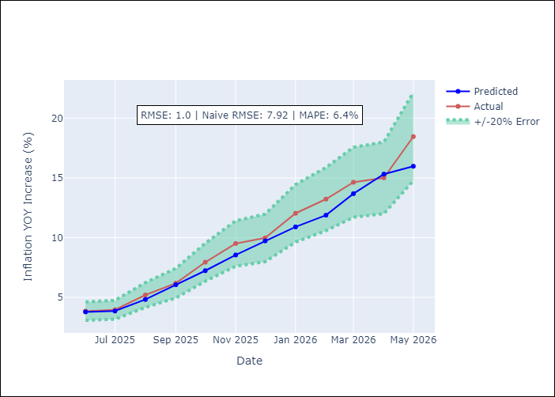
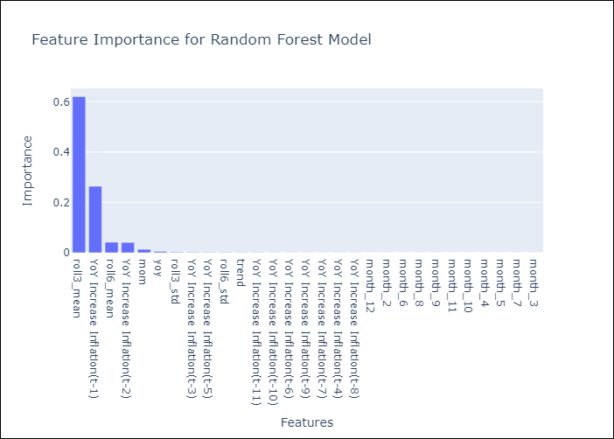

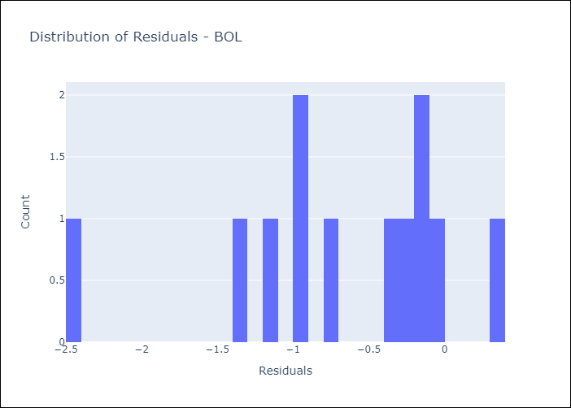
Appendix A: Model Summary
Model | Random Forest w/ Lags
Sample | 1990-01-01 to 2025-05-01
No. of Observations | 425
Residuals
Mean | -0.68384197803
St Dev | 0.72662555094
Kurtosis | 0.61593037307
Skewness | -0.98908674537

Assumptions | P-value

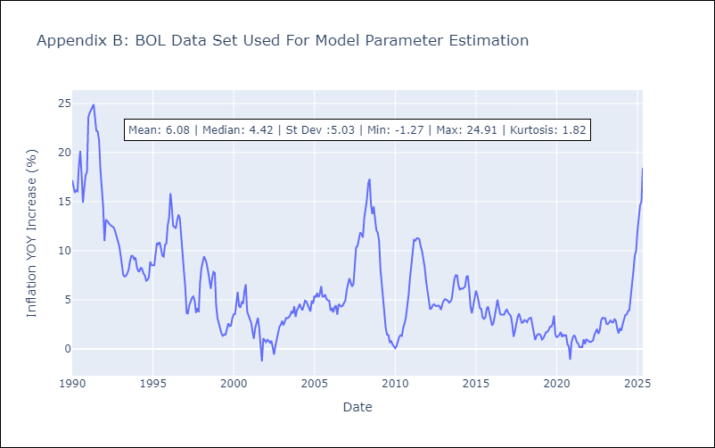

Appendix C: Residuals Analysis
Mean

BRA
BRA - Inflation - Next 12 months forecast as of: 2025-05-01

Model | Random Forest w/ Lags - None
Training Data | 1990-01-01 to 2024-06-01
Test Data | 2024-06-01 to 2025-05-01

Date | Inflation Change YoY % | Lower Bound - 95% Confidence Interval | Upper Bound - 95% Confidence Interval | Bias Corrected Forecast
2025-06-01 | 5.28 | 5.1 | 5.57
2025-07-01 | 5.37 | 4.96 | 5.68
2025-08-01 | 5.45 | 4.9 | 5.81
2025-09-01 | 5.45 | 4.92 | 5.94
2025-10-01 | 5.42 | 4.87 | 6
2025-11-01 | 5.41 | 4.87 | 6.04
2025-12-01 | 5.4 | 4.83 | 6.16
2026-01-01 | 5.4 | 4.79 | 6.24
2026-02-01 | 5.4 | 4.8 | 6.3
2026-03-01 | 5.39 | 4.75 | 6.3
2026-04-01 | 5.38 | 4.73 | 6.33
2026-05-01 | 5.38 | 4.73 | 6.34

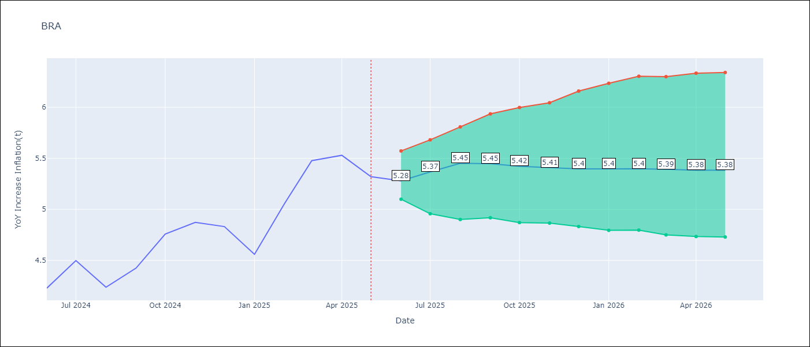

Test Set
RMSE | 0.1
Naive RMSE | 0.99
MAPE | 1.51%

Test Predictions
Date | Predicted | Actual | Bias Vector | Bias Corrected
2025-06-01 | 4.21 | 4.23
2025-07-01 | 4.35 | 4.5
2025-08-01 | 4.08 | 4.24
2025-09-01 | 4.43 | 4.42
2025-10-01 | 4.76 | 4.76
2025-11-01 | 4.83 | 4.87
2025-12-01 | 4.8 | 4.83
2026-01-01 | 4.7 | 4.56
2026-02-01 | 5.05 | 5.06
2026-03-01 | 5.3 | 5.48
2026-04-01 | 5.43 | 5.53
2026-05-01 | 5.28 | 5.32

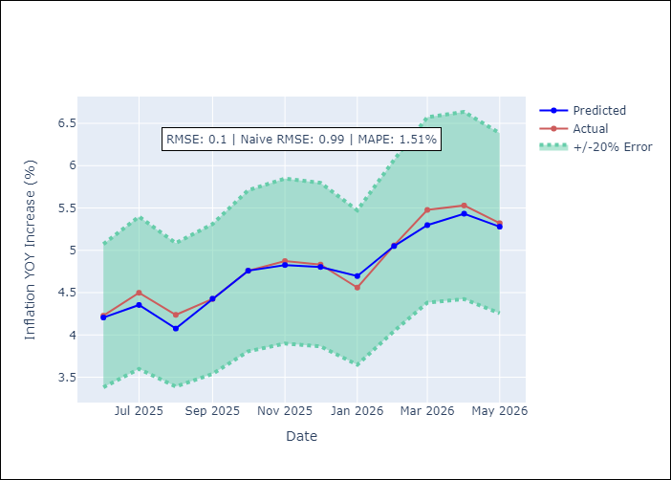
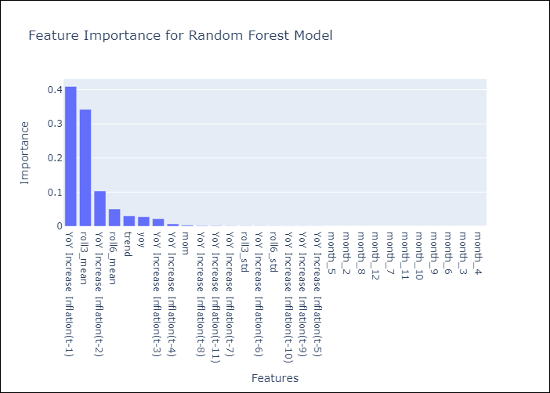

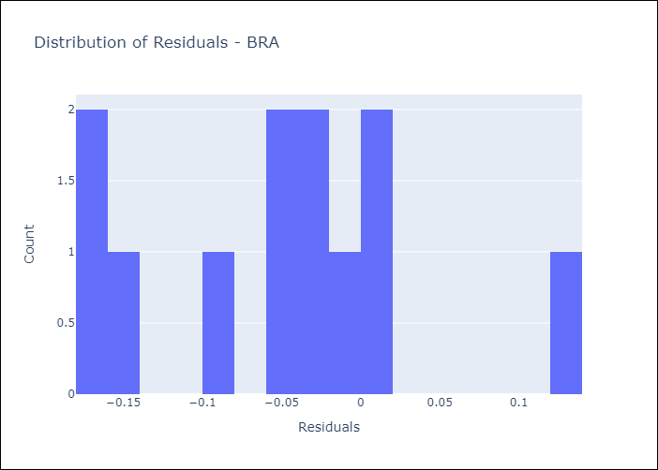
Appendix A: Model Summary
Model | Random Forest w/ Lags
Sample | 1990-01-01 to 2025-05-01
No. of Observations | 425
Residuals
Mean | -0.049017548245
St Dev | 0.08350909403
Kurtosis | -0.039311018353
Skewness | 0.28935665691

Assumptions | P-value

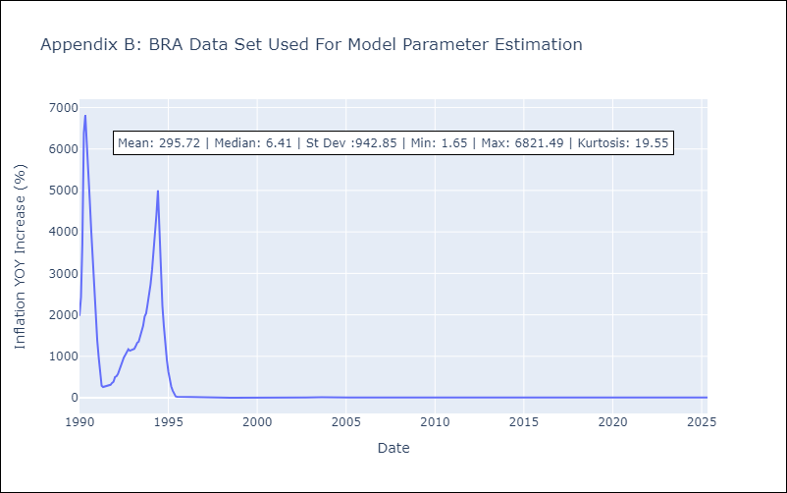

Appendix C: Residuals Analysis
Mean

CHL
CHL - Inflation - Next 12 months forecast as of: 2025-05-01

Model | Random Forest w/ Lags - None
Training Data | 1990-01-01 to 2024-06-01
Test Data | 2024-06-01 to 2025-05-01

Date | Inflation Change YoY % | Lower Bound - 95% Confidence Interval | Upper Bound - 95% Confidence Interval | Bias Corrected Forecast
2025-06-01 | 4.4 | 4.26 | 4.55
2025-07-01 | 4.34 | 4.22 | 4.58
2025-08-01 | 4.34 | 4.18 | 4.59
2025-09-01 | 4.34 | 4.14 | 4.58
2025-10-01 | 4.29 | 4.06 | 4.59
2025-11-01 | 4.27 | 4.03 | 4.59
2025-12-01 | 4.25 | 4.02 | 4.6
2026-01-01 | 4.24 | 4 | 4.62
2026-02-01 | 4.22 | 3.99 | 4.62
2026-03-01 | 4.22 | 3.97 | 4.64
2026-04-01 | 4.22 | 3.95 | 4.65
2026-05-01 | 4.23 | 3.93 | 4.65

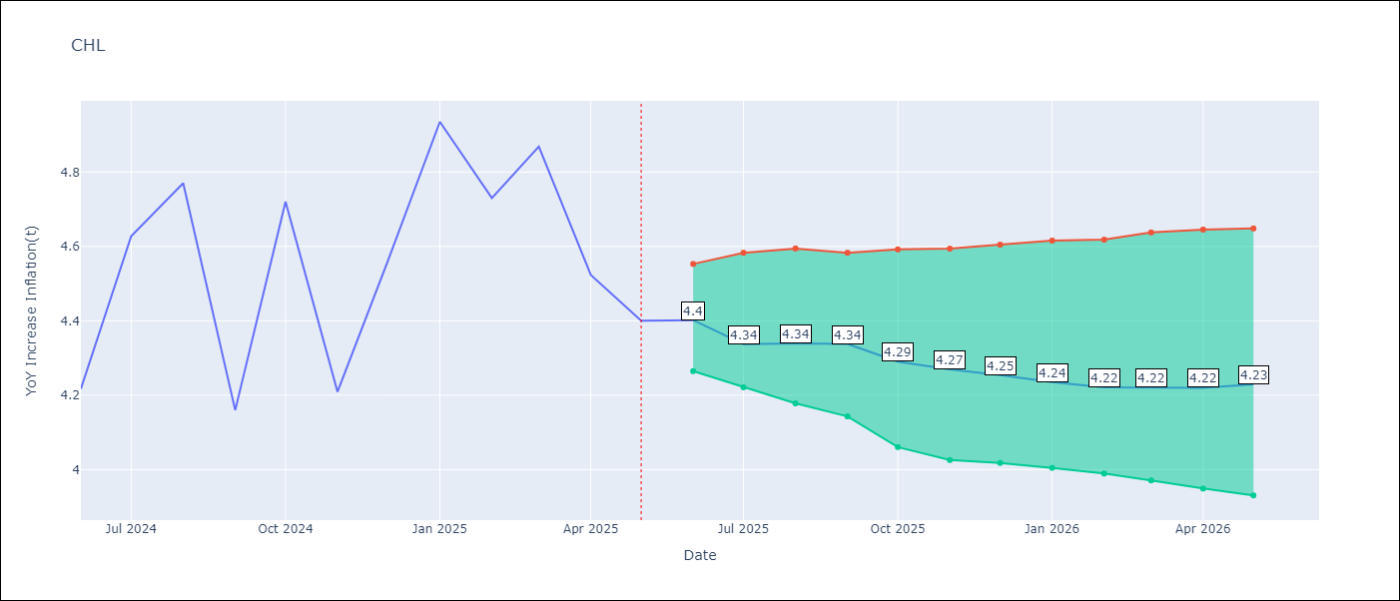

Test Set
RMSE | 0.13
Naive RMSE | 0.47
MAPE | 2.09%

Test Predictions
Date | Predicted | Actual | Bias Vector | Bias Corrected
2025-06-01 | 4.06 | 4.22
2025-07-01 | 4.47 | 4.63
2025-08-01 | 4.57 | 4.77
2025-09-01 | 4.25 | 4.16
2025-10-01 | 4.57 | 4.72
2025-11-01 | 4.23 | 4.21
2025-12-01 | 4.55 | 4.56
2026-01-01 | 4.68 | 4.94
2026-02-01 | 4.7 | 4.73
2026-03-01 | 4.84 | 4.87
2026-04-01 | 4.58 | 4.52
2026-05-01 | 4.4 | 4.4

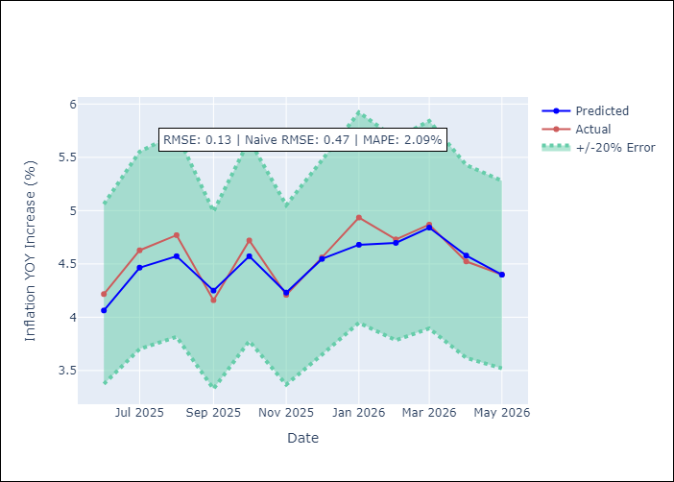
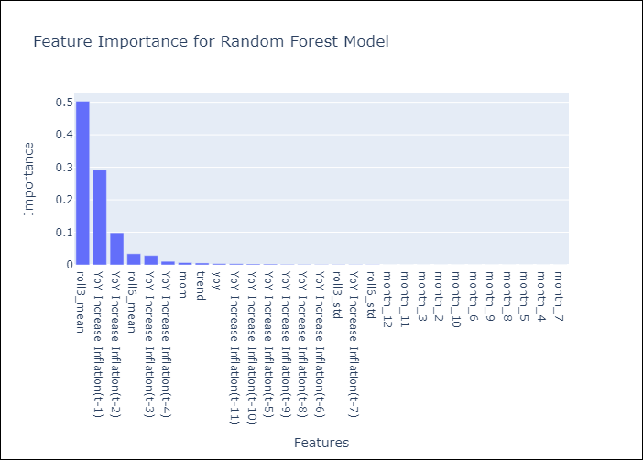

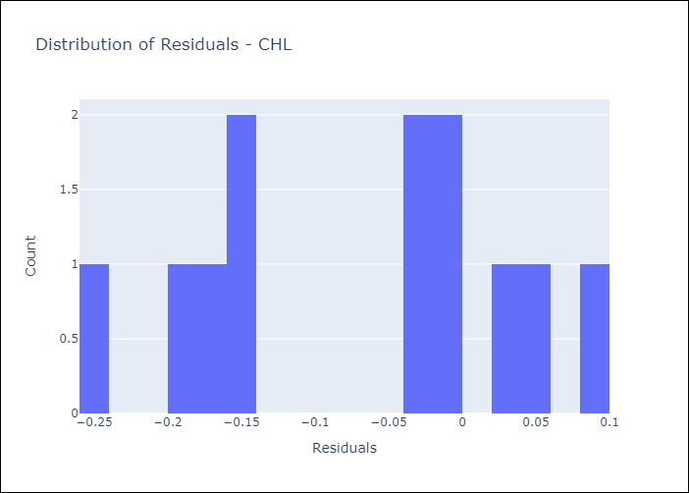
Appendix A: Model Summary
Model | Random Forest w/ Lags
Sample | 1990-01-01 to 2025-05-01
No. of Observations | 425
Residuals
Mean | -0.068872415688
St Dev | 0.10533037836
Kurtosis | -1.2158611333
Skewness | -0.23515297517

Assumptions | P-value

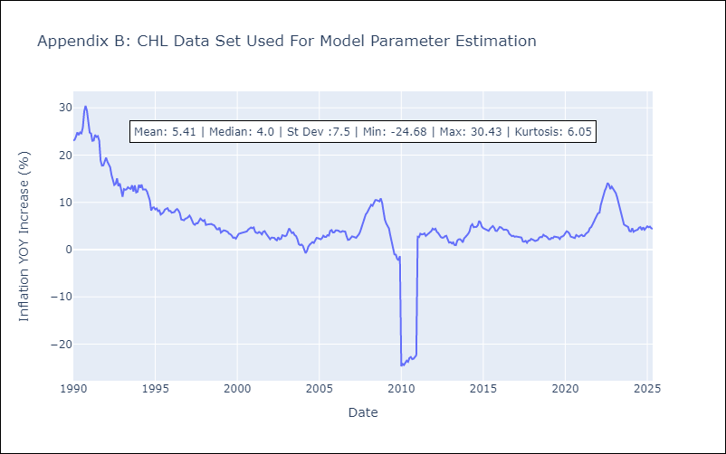

Appendix C: Residuals Analysis
Mean

COL
COL - Inflation - Next 12 months forecast as of: 2025-05-01

Model | Random Forest w/ Lags - None
Training Data | 1990-01-01 to 2024-06-01
Test Data | 2024-06-01 to 2025-05-01

Date | Inflation Change YoY % | Lower Bound - 95% Confidence Interval | Upper Bound - 95% Confidence Interval | Bias Corrected Forecast
2025-06-01 | 4.9 | 4.84 | 5.06
2025-07-01 | 4.89 | 4.82 | 5.06
2025-08-01 | 4.91 | 4.8 | 5.08
2025-09-01 | 4.93 | 4.74 | 5.08
2025-10-01 | 4.96 | 4.61 | 5.1
2025-11-01 | 5 | 4.52 | 5.11
2025-12-01 | 5 | 4.52 | 5.11
2026-01-01 | 5 | 4.53 | 5.11
2026-02-01 | 5 | 4.5 | 5.11
2026-03-01 | 5 | 4.5 | 5.11
2026-04-01 | 5 | 4.46 | 5.12
2026-05-01 | 5 | 4.45 | 5.12

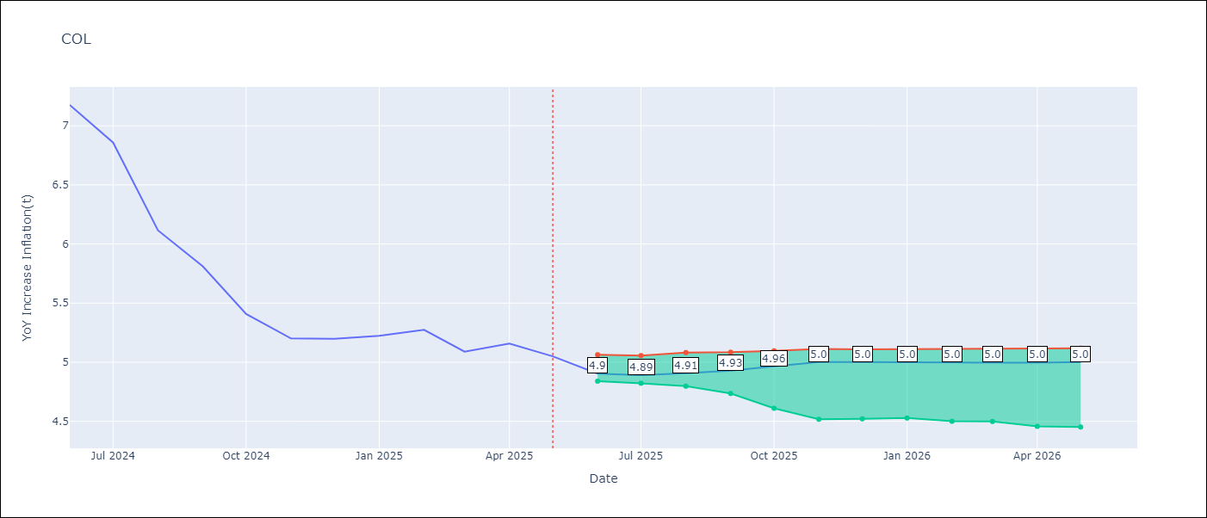

Test Set
RMSE | 0.16
Naive RMSE | 1.67
MAPE | 2.5%

Test Predictions
Date | Predicted | Actual | Bias Vector | Bias Corrected
2025-06-01 | 7.12 | 7.18
2025-07-01 | 6.97 | 6.86
2025-08-01 | 6.36 | 6.12
2025-09-01 | 5.89 | 5.81
2025-10-01 | 5.65 | 5.41
2025-11-01 | 5.17 | 5.2
2025-12-01 | 5.06 | 5.2
2026-01-01 | 5.03 | 5.22
2026-02-01 | 5.07 | 5.27
2026-03-01 | 5.15 | 5.09
2026-04-01 | 5.02 | 5.16
2026-05-01 | 4.9 | 5.05

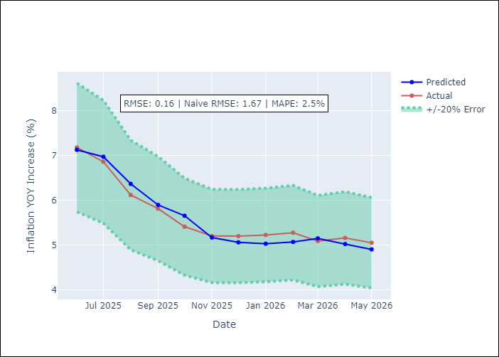
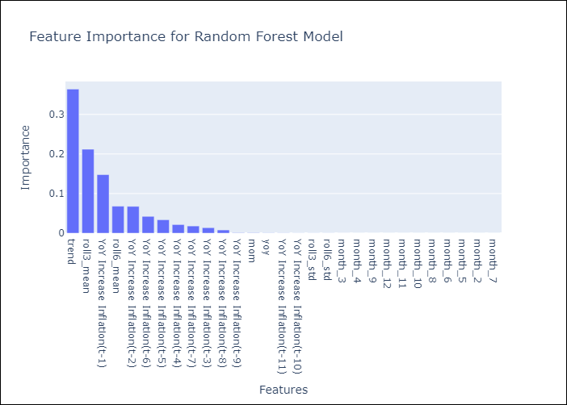

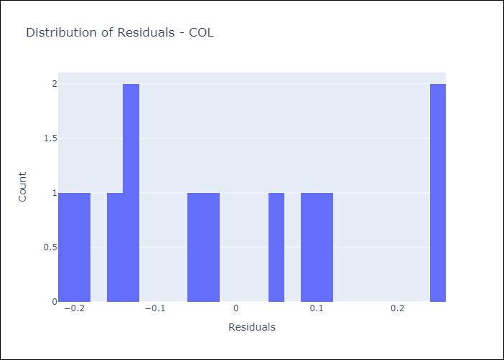
Appendix A: Model Summary
Model | Random Forest w/ Lags
Sample | 1990-01-01 to 2025-05-01
No. of Observations | 425
Residuals
Mean | -0.013695897277
St Dev | 0.15444562385
Kurtosis | -1.1207265887
Skewness | 0.43491516752

Assumptions | P-value

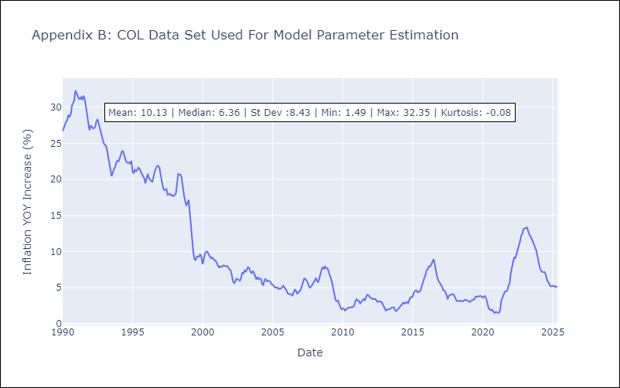

Appendix C: Residuals Analysis
Mean

ECU
ECU - Inflation - Next 12 months forecast as of: 2025-05-01

Model | Random Forest w/ Lags - None
Training Data | 1990-01-01 to 2024-06-01
Test Data | 2024-06-01 to 2025-05-01

Date | Inflation Change YoY % | Lower Bound - 95% Confidence Interval | Upper Bound - 95% Confidence Interval | Bias Corrected Forecast
2025-06-01 | -0.15 | -0.45 | 0.13
2025-07-01 | 0.02 | -0.16 | 0.28
2025-08-01 | -0.02 | -0.38 | 0.28
2025-09-01 | -0.06 | -0.43 | 0.3
2025-10-01 | -0.1 | -0.48 | 0.36
2025-11-01 | -0.12 | -0.62 | 0.43
2025-12-01 | -0.15 | -0.7 | 0.44
2026-01-01 | -0.17 | -0.76 | 0.46
2026-02-01 | -0.13 | -0.86 | 0.5
2026-03-01 | -0.1 | -0.83 | 0.48
2026-04-01 | -0.06 | -0.88 | 0.53
2026-05-01 | -0.13 | -0.86 | 0.47

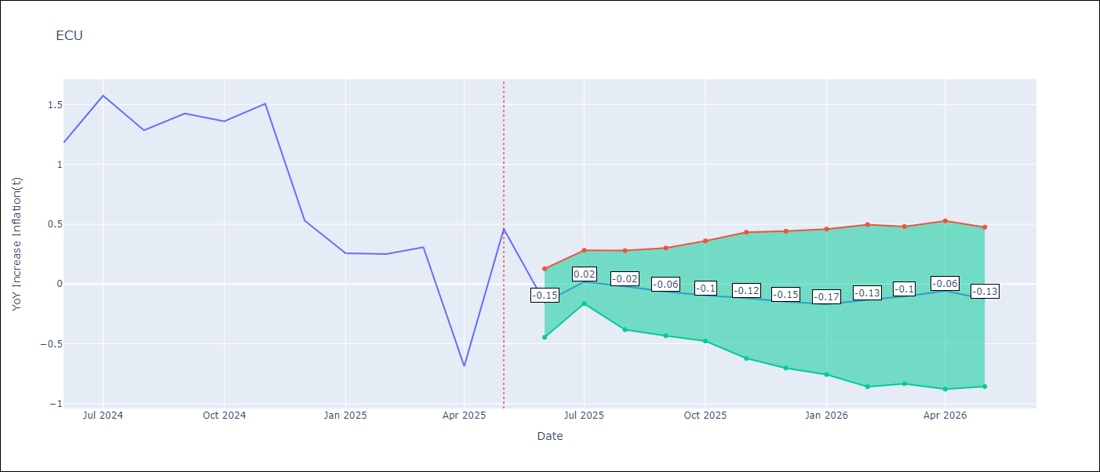

Test Set
RMSE | 0.47
Naive RMSE | 1.87
MAPE | 50.82%

Test Predictions
Date | Predicted | Actual | Bias Vector | Bias Corrected
2025-06-01 | 2.27 | 1.18
2025-07-01 | 1.92 | 1.57
2025-08-01 | 1.36 | 1.28
2025-09-01 | 1.43 | 1.42
2025-10-01 | 1.47 | 1.36
2025-11-01 | 1.49 | 1.51
2025-12-01 | 1.15 | 0.53
2026-01-01 | 0.43 | 0.26
2026-02-01 | 0.36 | 0.25
2026-03-01 | 0.36 | 0.31
2026-04-01 | 0.01 | -0.69
2026-05-01 | -0.15 | 0.46

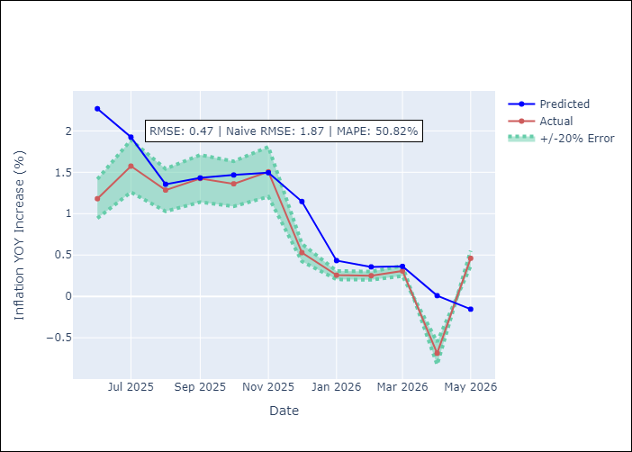
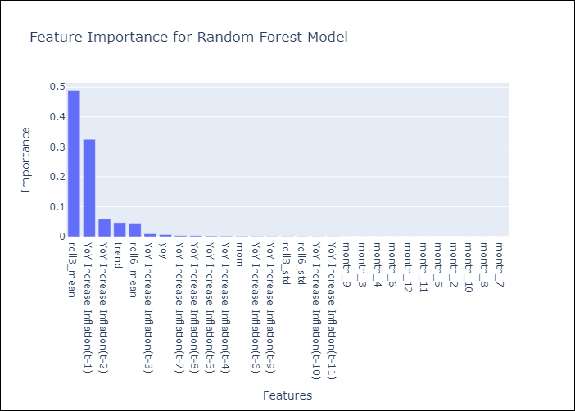

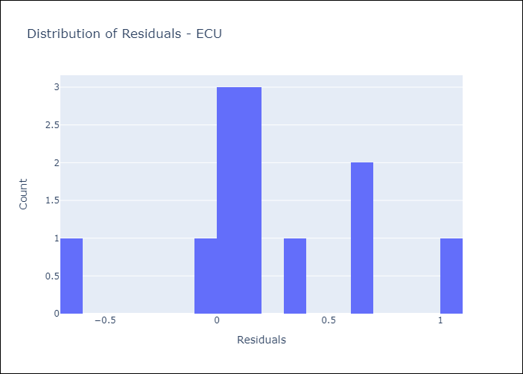
Appendix A: Model Summary
Model | Random Forest w/ Lags
Sample | 1990-01-01 to 2025-05-01
No. of Observations | 425
Residuals
Mean | 0.22072616024
St Dev | 0.4110034601
Kurtosis | 0.31256811724
Skewness | 0.24964483751

Assumptions | P-value

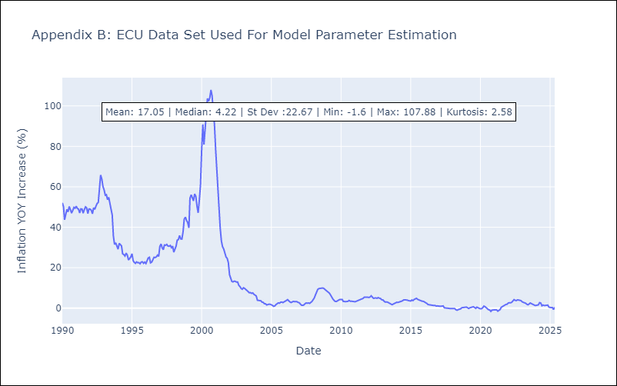

Appendix C: Residuals Analysis
Mean

PER
PER - Inflation - Next 12 months forecast as of: 2025-05-01

Model | Random Forest w/ Lags - None
Training Data | 1990-01-01 to 2024-06-01
Test Data | 2024-06-01 to 2025-05-01

Date | Inflation Change YoY % | Lower Bound - 95% Confidence Interval | Upper Bound - 95% Confidence Interval | Bias Corrected Forecast
2025-06-01 | 1.74 | 1.54 | 1.86
2025-07-01 | 1.78 | 1.65 | 1.86
2025-08-01 | 1.82 | 1.64 | 1.91
2025-09-01 | 1.84 | 1.66 | 1.95
2025-10-01 | 1.9 | 1.64 | 2.03
2025-11-01 | 1.9 | 1.67 | 2.07
2025-12-01 | 1.9 | 1.68 | 2.05
2026-01-01 | 1.92 | 1.7 | 2.07
2026-02-01 | 1.94 | 1.71 | 2.1
2026-03-01 | 1.99 | 1.75 | 2.17
2026-04-01 | 2 | 1.78 | 2.18
2026-05-01 | 1.98 | 1.79 | 2.17

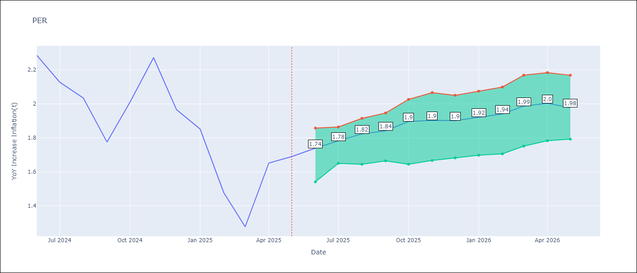

Test Set
RMSE | 0.14
Naive RMSE | 0.33
MAPE | 6.2%

Test Predictions
Date | Predicted | Actual | Bias Vector | Bias Corrected
2025-06-01 | 2.19 | 2.29
2025-07-01 | 2.07 | 2.13
2025-08-01 | 1.89 | 2.03
2025-09-01 | 1.6 | 1.78
2025-10-01 | 1.79 | 2.01
2025-11-01 | 1.95 | 2.27
2025-12-01 | 2.03 | 1.97
2026-01-01 | 1.91 | 1.85
2026-02-01 | 1.52 | 1.48
2026-03-01 | 1.4 | 1.28
2026-04-01 | 1.6 | 1.65
2026-05-01 | 1.74 | 1.69

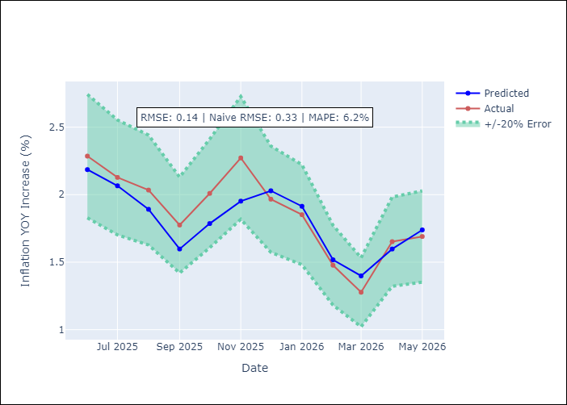
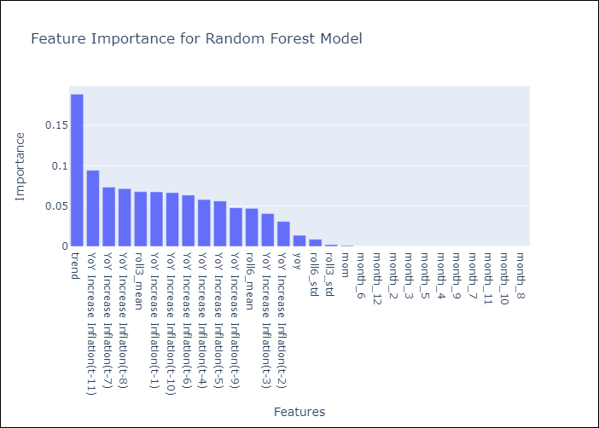

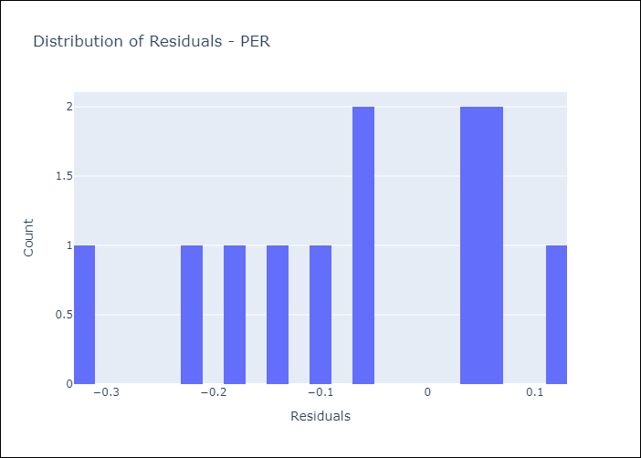
Appendix A: Model Summary
Model | Random Forest w/ Lags
Sample | 1990-01-01 to 2025-05-01
No. of Observations | 425
Residuals
Mean | -0.062143083214
St Dev | 0.12943804527
Kurtosis | -0.86611668548
Skewness | -0.42406363749

Assumptions | P-value

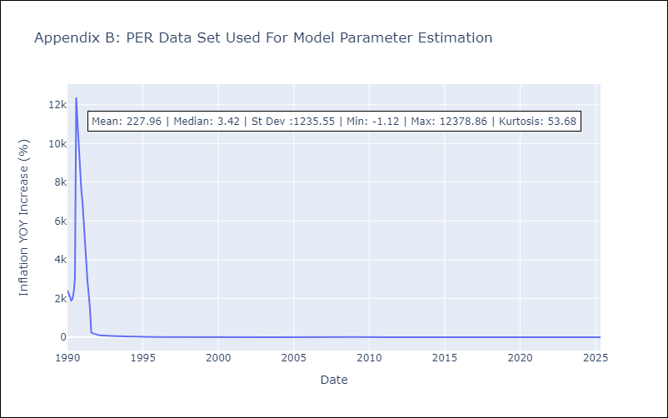

Appendix C: Residuals Analysis
Mean

PRY
PRY - Inflation - Next 12 months forecast as of: 2025-05-01

Model | Random Forest w/ Lags - None
Training Data | 1990-01-01 to 2024-06-01
Test Data | 2024-06-01 to 2025-05-01

Date | Inflation Change YoY % | Lower Bound - 95% Confidence Interval | Upper Bound - 95% Confidence Interval | Bias Corrected Forecast
2025-06-01 | 3.7 | 3.51 | 3.95
2025-07-01 | 3.9 | 3.59 | 4.12
2025-08-01 | 3.94 | 3.57 | 4.1
2025-09-01 | 4 | 3.58 | 4.08
2025-10-01 | 4.01 | 3.59 | 4.07
2025-11-01 | 4.06 | 3.63 | 4.12
2025-12-01 | 4.08 | 3.7 | 4.14
2026-01-01 | 4.07 | 3.68 | 4.13
2026-02-01 | 4.07 | 3.64 | 4.14
2026-03-01 | 4.05 | 3.62 | 4.09
2026-04-01 | 4.05 | 3.6 | 4.09
2026-05-01 | 4.05 | 3.62 | 4.09

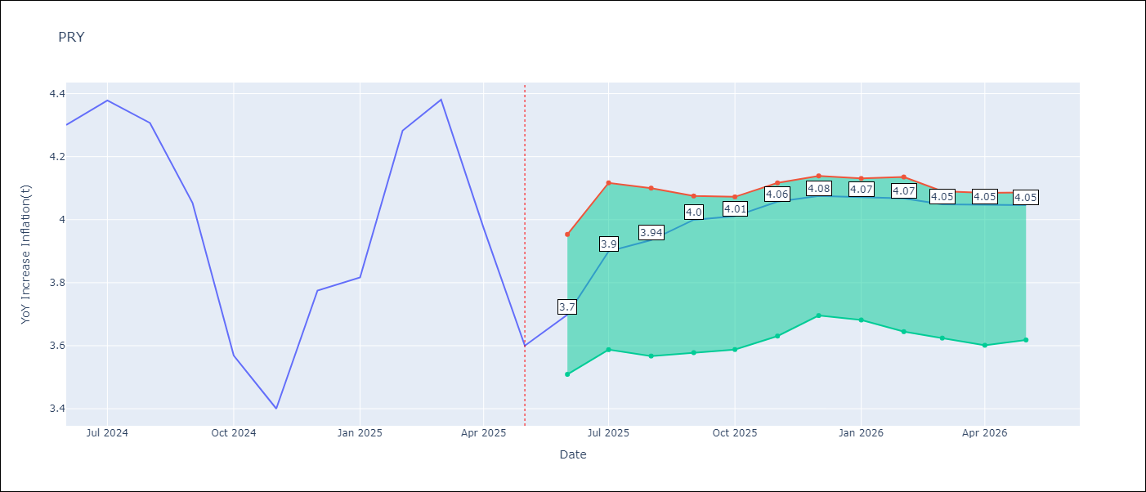

Test Set
RMSE | 0.15
Naive RMSE | 0.51
MAPE | 3.04%

Test Predictions
Date | Predicted | Actual | Bias Vector | Bias Corrected
2025-06-01 | 4.13 | 4.3
2025-07-01 | 4.25 | 4.38
2025-08-01 | 4.24 | 4.31
2025-09-01 | 4.09 | 4.05
2025-10-01 | 3.7 | 3.57
2025-11-01 | 3.69 | 3.4
2025-12-01 | 3.77 | 3.78
2026-01-01 | 3.87 | 3.82
2026-02-01 | 4.17 | 4.28
2026-03-01 | 4.09 | 4.38
2026-04-01 | 3.93 | 3.97
2026-05-01 | 3.71 | 3.6

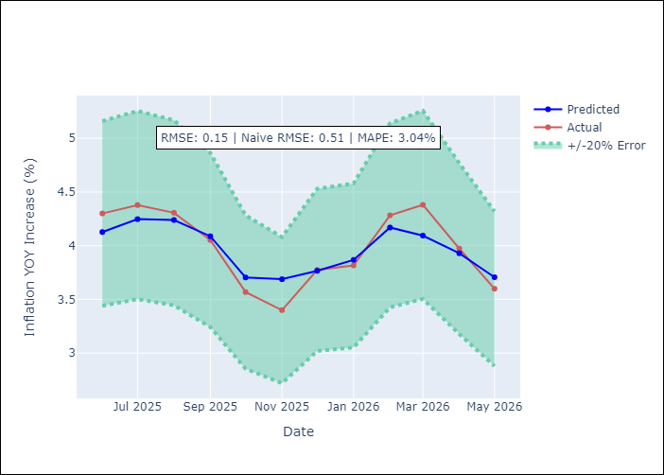
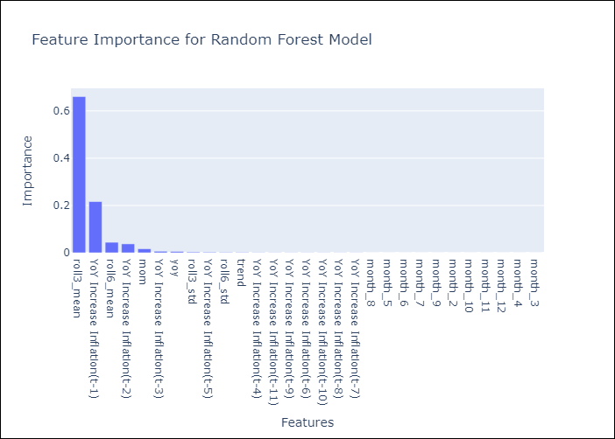

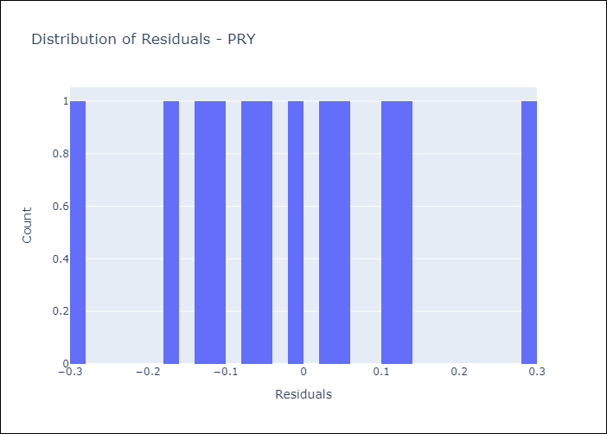
Appendix A: Model Summary
Model | Random Forest w/ Lags
Sample | 1990-01-01 to 2025-05-01
No. of Observations | 425
Residuals
Mean | -0.017181274146
St Dev | 0.14765032615
Kurtosis | -0.26273810567
Skewness | 0.22308082489

Assumptions | P-value

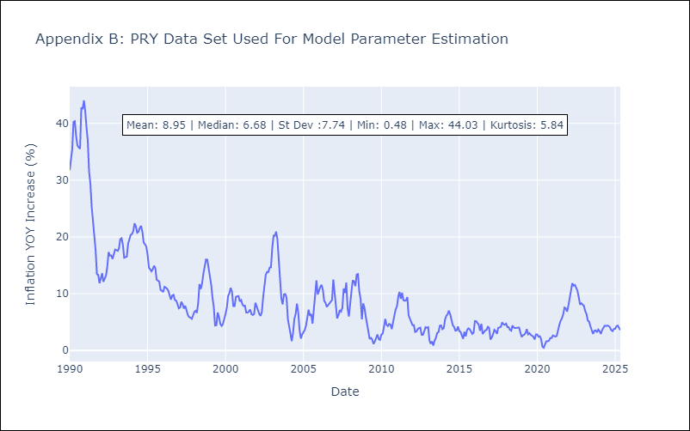

Appendix C: Residuals Analysis
Mean

URY
URY - Inflation - Next 12 months forecast as of: 2025-05-01

Model | Random Forest w/ Lags - None
Training Data | 1990-01-01 to 2024-06-01
Test Data | 2024-06-01 to 2025-05-01

Date | Inflation Change YoY % | Lower Bound - 95% Confidence Interval | Upper Bound - 95% Confidence Interval | Bias Corrected Forecast
2025-06-01 | 5.35 | 5.06 | 5.74
2025-07-01 | 5.45 | 4.96 | 5.76
2025-08-01 | 5.49 | 5.04 | 5.87
2025-09-01 | 5.55 | 4.91 | 6.02
2025-10-01 | 5.57 | 4.83 | 6.08
2025-11-01 | 5.56 | 4.8 | 6.24
2025-12-01 | 5.59 | 4.81 | 6.35
2026-01-01 | 5.61 | 4.78 | 6.46
2026-02-01 | 5.62 | 4.8 | 6.53
2026-03-01 | 5.63 | 4.8 | 6.6
2026-04-01 | 5.6 | 4.78 | 6.67
2026-05-01 | 5.59 | 4.77 | 6.72

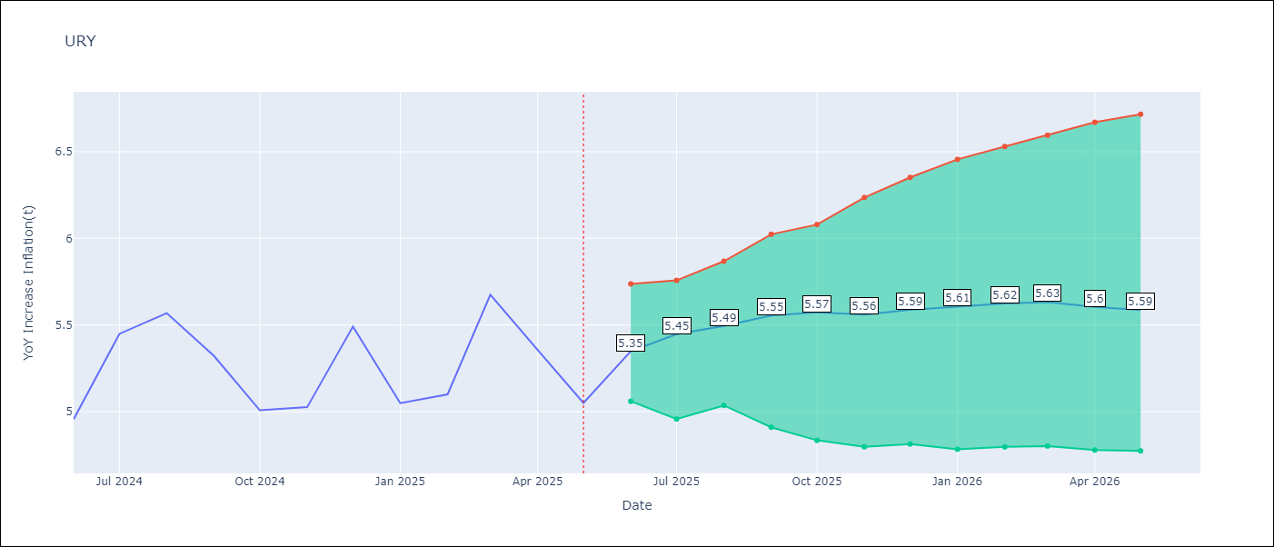

Test Set
RMSE | 0.29
Naive RMSE | 1.18
MAPE | 4.67%

Test Predictions
Date | Predicted | Actual | Bias Vector | Bias Corrected
2025-06-01 | 4.41 | 4.96
2025-07-01 | 5 | 5.45
2025-08-01 | 5.56 | 5.57
2025-09-01 | 5.5 | 5.32
2025-10-01 | 5.4 | 5.01
2025-11-01 | 5.21 | 5.03
2025-12-01 | 5.49 | 5.49
2026-01-01 | 5.32 | 5.05
2026-02-01 | 5.36 | 5.1
2026-03-01 | 5.46 | 5.67
2026-04-01 | 5.43 | 5.36
2026-05-01 | 5.35 | 5.05

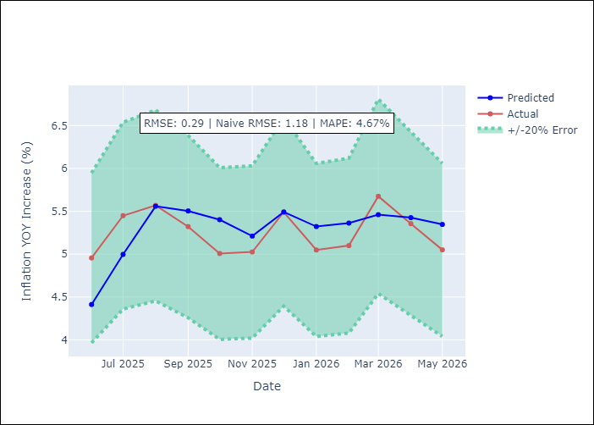
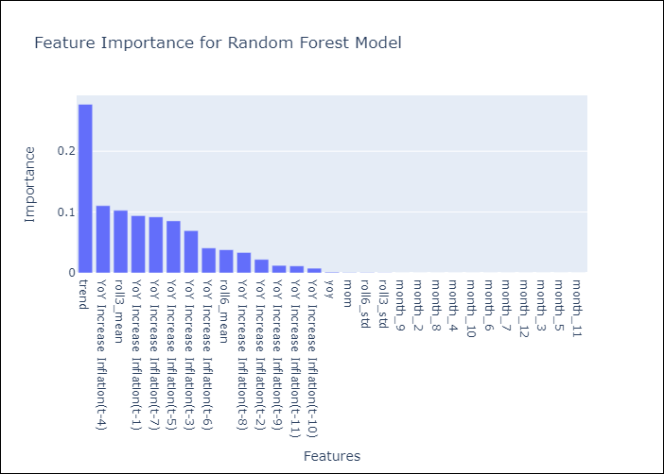

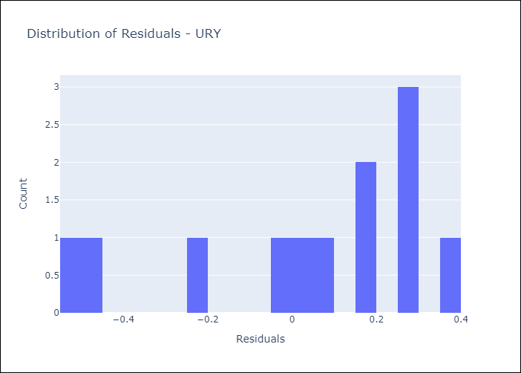
Appendix A: Model Summary
Model | Random Forest w/ Lags
Sample | 1990-01-01 to 2025-05-01
No. of Observations | 425
Residuals
Mean | 0.03728630575
St Dev | 0.2871004502
Kurtosis | -0.51785010651
Skewness | -0.82652736924

Assumptions | P-value

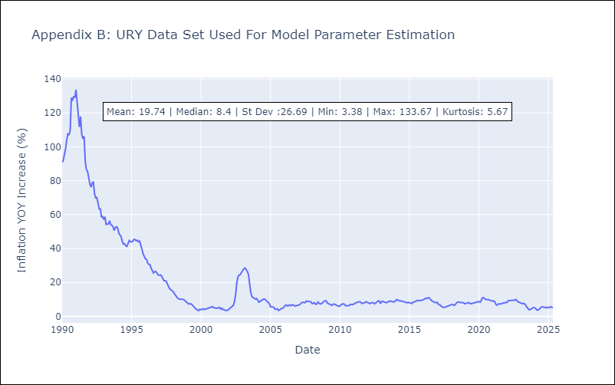

Appendix C: Residuals Analysis
Mean

VEN
VEN - Inflation - Next 12 months forecast as of: 2024-10-01

Model | Random Forest w/ Lags - None
Training Data | 1990-01-01 to 2023-11-01
Test Data | 2023-11-01 to 2024-10-01

Date | Inflation Change YoY % | Lower Bound - 95% Confidence Interval | Upper Bound - 95% Confidence Interval | Bias Corrected Forecast
2024-11-01 | 27.21 | 26.37 | 47.35
2024-12-01 | 25.98 | 24.79 | 671.04
2025-01-01 | 25.85 | 24.09 | 1639.98
2025-02-01 | 26.46 | 24.16 | 1851.24
2025-03-01 | 26.42 | 23.8 | 1926.3
2025-04-01 | 26.41 | 23.74 | 4030.52
2025-05-01 | 26.42 | 23.69 | 6737.65
2025-06-01 | 26.33 | 23.52 | 10444.09
2025-07-01 | 26.28 | 23.53 | 18885.97
2025-08-01 | 26.14 | 23.41 | 25167.61
2025-09-01 | 26.36 | 23.45 | 35005.43
2025-10-01 | 27.77 | 23.88 | 39662.59

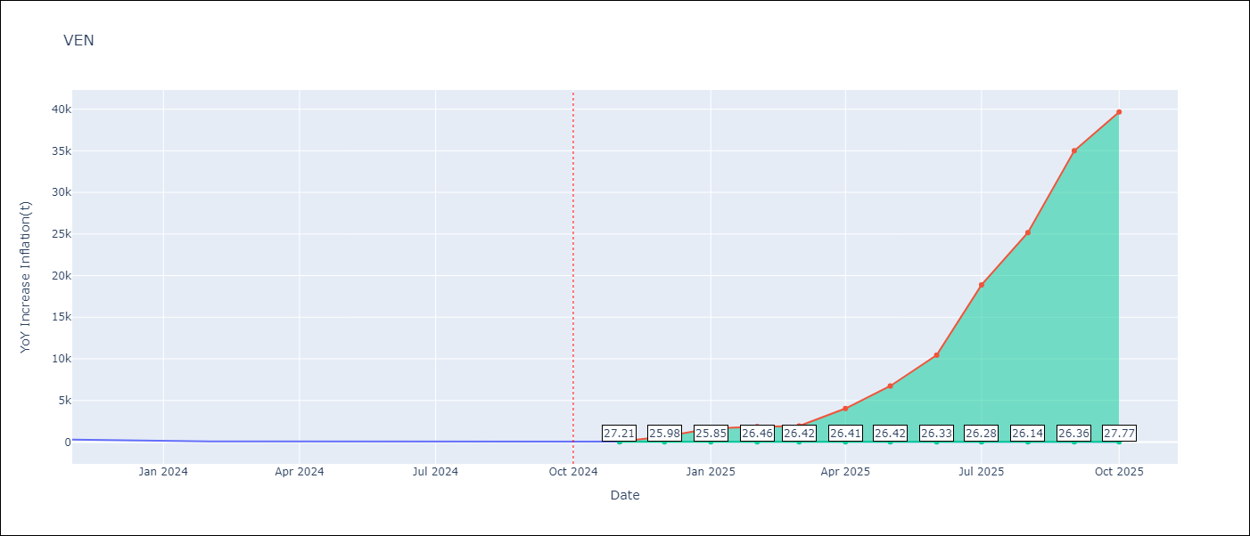

Test Set
RMSE | 48.38
Naive RMSE | 242.21
MAPE | 34.09%

Test Predictions
Date | Predicted | Actual | Bias Vector | Bias Corrected
2024-11-01 | 304.74 | 282.78
2024-12-01 | 298.18 | 189.78
2025-01-01 | 211.97 | 107.36
2025-02-01 | 138.91 | 75.91
2025-03-01 | 91.26 | 67.76
2025-04-01 | 74.35 | 64.91
2025-05-01 | 61.29 | 59.16
2025-06-01 | 57 | 51.37
2025-07-01 | 51.11 | 43.6
2025-08-01 | 44.23 | 35.55
2025-09-01 | 36.85 | 25.75
2025-10-01 | 27.19 | 23.58

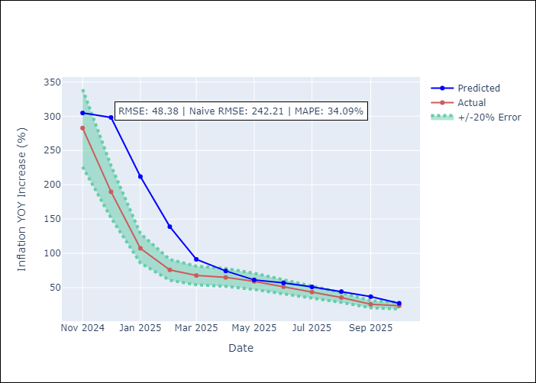
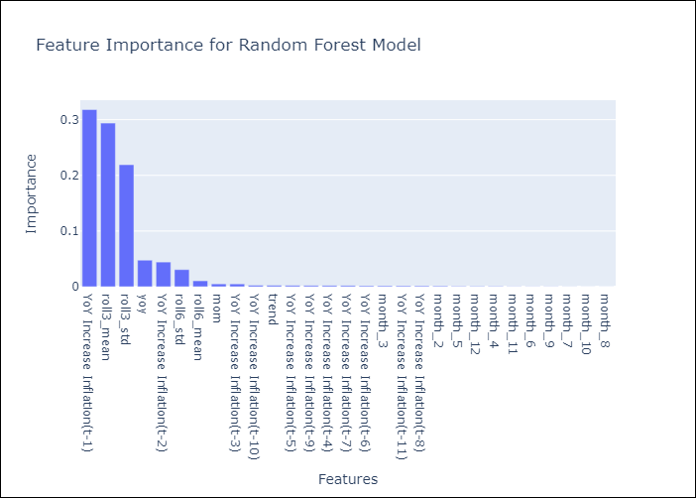

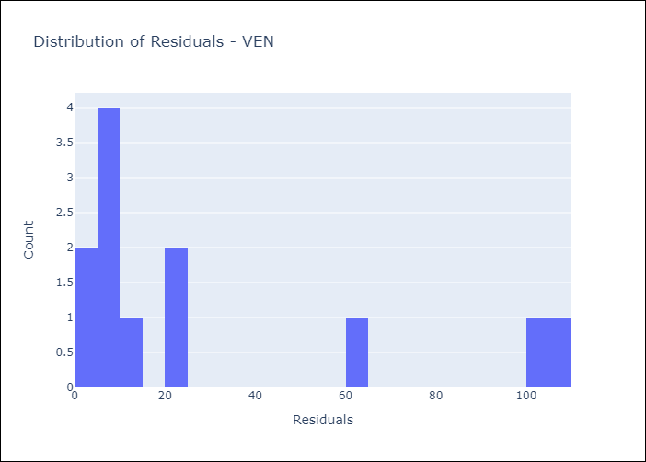
Appendix A: Model Summary
Model | Random Forest w/ Lags
Sample | 1990-01-01 to 2024-10-01
No. of Observations | 418
Residuals
Mean | 30.797550656
St Dev | 37.315088938
Kurtosis | -0.010763054386
Skewness | 1.2852220234

Assumptions | P-value

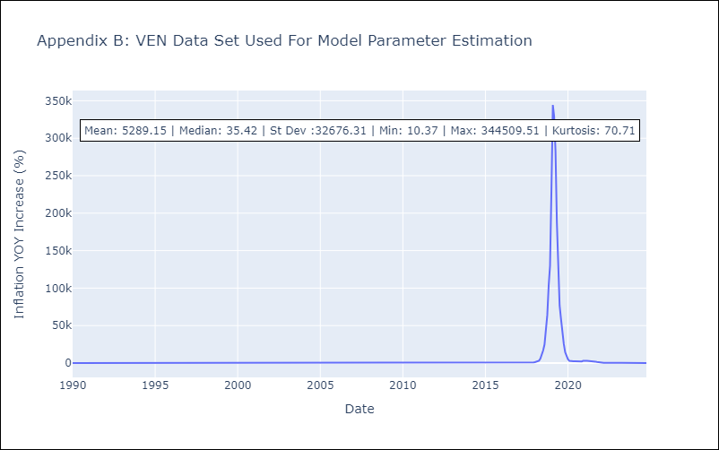

Appendix C: Residuals Analysis
Mean

