CRI
CRI - Inflation - Next 12 months forecast as of: 2025-05-01

Model | Random Forest w/ Lags - None
Training Data | 1990-01-01 to 2024-06-01
Test Data | 2024-06-01 to 2025-05-01

Date | Inflation Change YoY % | Lower Bound - 95% Confidence Interval | Upper Bound - 95% Confidence Interval | Bias Corrected Forecast
2025-06-01 | 0.42 | 0.09 | 0.69
2025-07-01 | 0.26 | -0.31 | 0.49
2025-08-01 | 0.54 | -0.17 | 0.95
2025-09-01 | 0.65 | -0.38 | 1.02
2025-10-01 | 0.49 | -0.12 | 0.71
2025-11-01 | 0.46 | -0.48 | 0.92
2025-12-01 | 0.51 | -0.12 | 0.97
2026-01-01 | 0.63 | -0.51 | 1.23
2026-02-01 | 0.68 | -0.57 | 1.35
2026-03-01 | 0.69 | -0.71 | 1.54
2026-04-01 | 0.73 | -0.85 | 1.71
2026-05-01 | 0.82 | -0.83 | 1.83

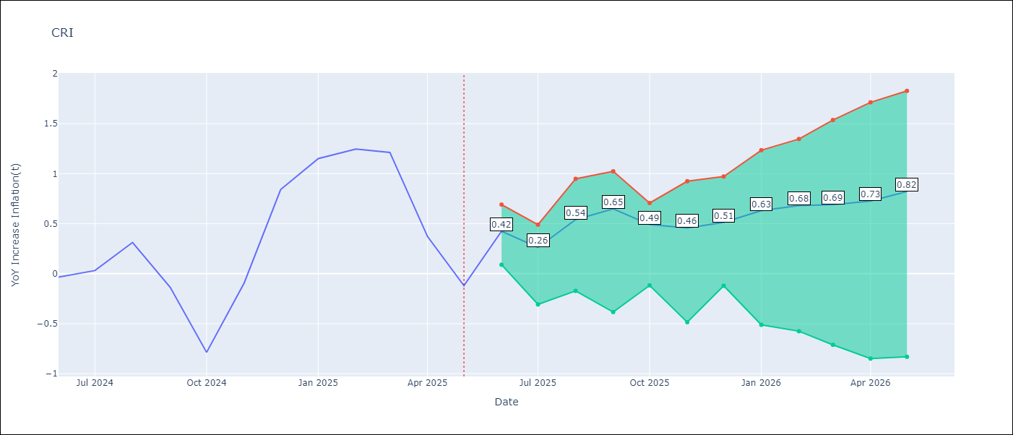

Test Set
RMSE | 0.5
Naive RMSE | 0.91
MAPE | 175.95%

Test Predictions
Date | Predicted | Actual | Bias Vector | Bias Corrected
2025-06-01 | 0.01 | -0.03
2025-07-01 | 0.19 | 0.03
2025-08-01 | 0.2 | 0.31
2025-09-01 | 0.31 | -0.14
2025-10-01 | 0.31 | -0.79
2025-11-01 | 0.11 | -0.09
2025-12-01 | 0.23 | 0.84
2026-01-01 | 0.5 | 1.15
2026-02-01 | 1.26 | 1.25
2026-03-01 | 1.37 | 1.21
2026-04-01 | 1.03 | 0.37
2026-05-01 | 0.42 | -0.12

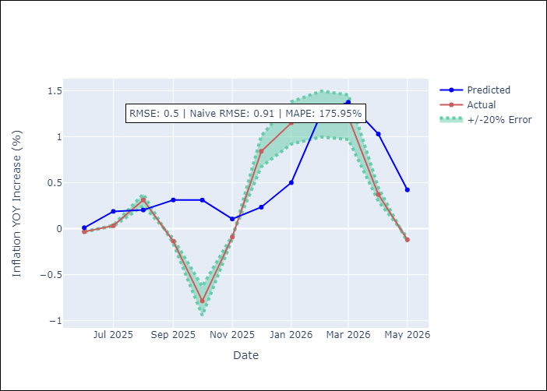
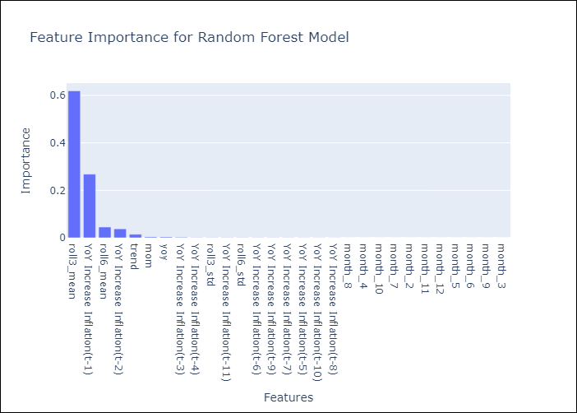

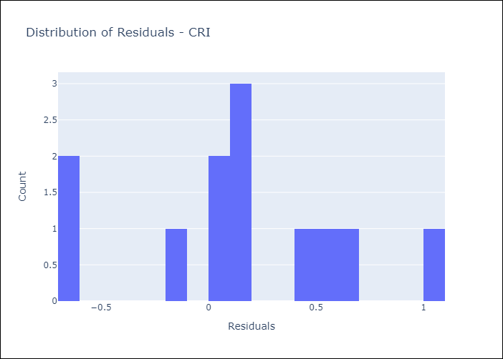
Appendix A: Model Summary
Model | Random Forest w/ Lags
Sample | 1990-01-01 to 2025-05-01
No. of Observations | 425
Residuals
Mean | 0.1622945497
St Dev | 0.47526765607
Kurtosis | -0.31196526142
Skewness | -0.00054139899086

Assumptions | P-value

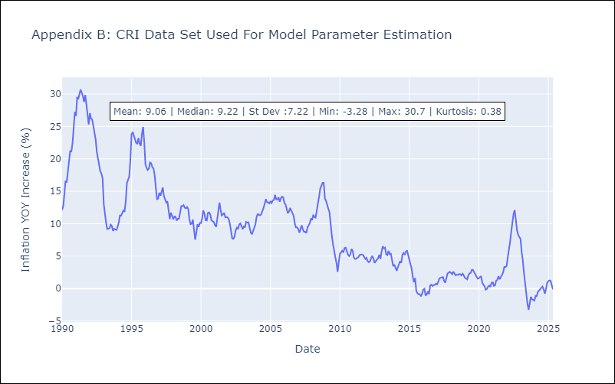

Appendix C: Residuals Analysis
Mean

DOM
DOM - Inflation - Next 12 months forecast as of: 2025-04-01

Model | Random Forest w/ Lags - None
Training Data | 1990-01-01 to 2024-05-01
Test Data | 2024-05-01 to 2025-04-01

Date | Inflation Change YoY % | Lower Bound - 95% Confidence Interval | Upper Bound - 95% Confidence Interval | Bias Corrected Forecast
2025-05-01 | 3.57 | 3.39 | 3.8
2025-06-01 | 3.41 | 3.25 | 3.87
2025-07-01 | 3.34 | 3.16 | 3.93
2025-08-01 | 3.31 | 3.05 | 3.94
2025-09-01 | 3.28 | 3 | 3.99
2025-10-01 | 3.26 | 2.98 | 4
2025-11-01 | 3.17 | 2.98 | 4.03
2025-12-01 | 3.15 | 2.92 | 4.05
2026-01-01 | 3.13 | 2.93 | 4.05
2026-02-01 | 3.13 | 2.94 | 4.05
2026-03-01 | 3.14 | 2.98 | 4.07
2026-04-01 | 3.13 | 2.99 | 4.11

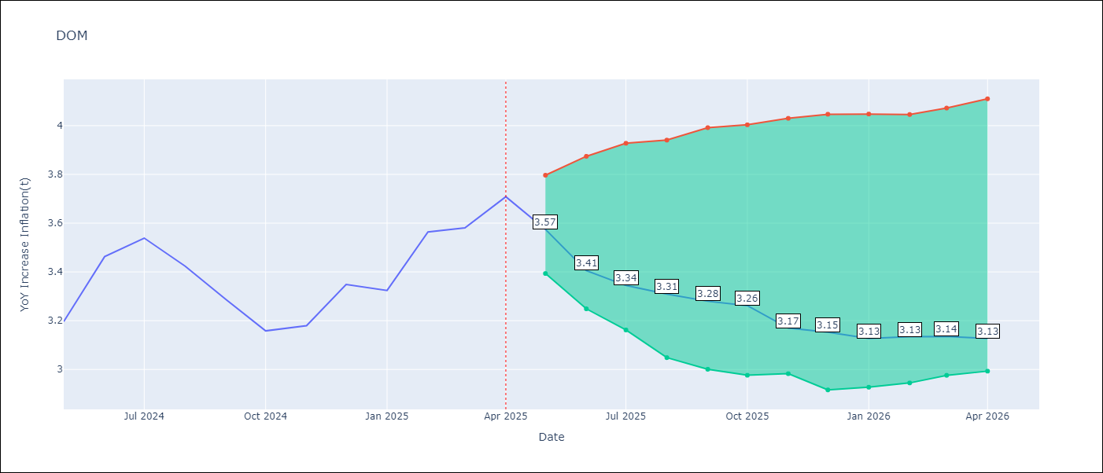

Test Set
RMSE | 0.08
Naive RMSE | 0.4
MAPE | 1.85%

Test Predictions
Date | Predicted | Actual | Bias Vector | Bias Corrected
2025-05-01 | 3.29 | 3.2
2025-06-01 | 3.42 | 3.46
2025-07-01 | 3.44 | 3.54
2025-08-01 | 3.37 | 3.42
2025-09-01 | 3.27 | 3.29
2025-10-01 | 3.17 | 3.16
2025-11-01 | 3.14 | 3.18
2025-12-01 | 3.34 | 3.35
2026-01-01 | 3.24 | 3.32
2026-02-01 | 3.57 | 3.56
2026-03-01 | 3.4 | 3.58
2026-04-01 | 3.58 | 3.71

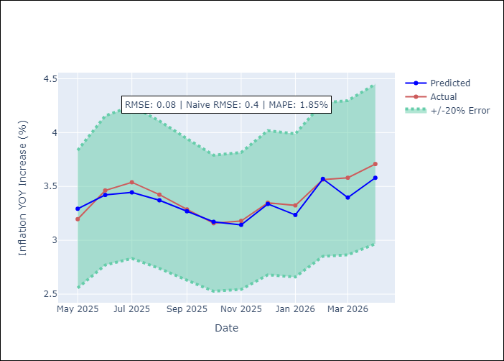
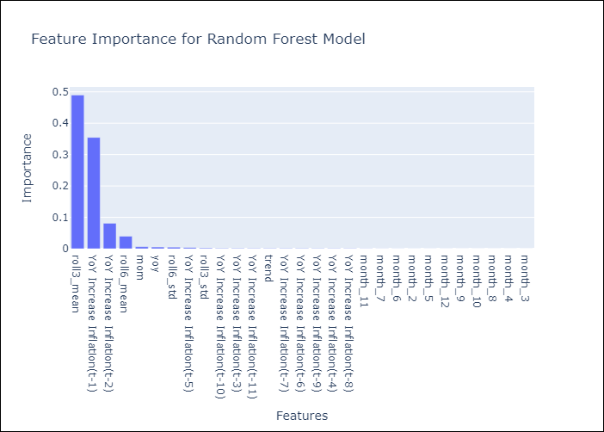

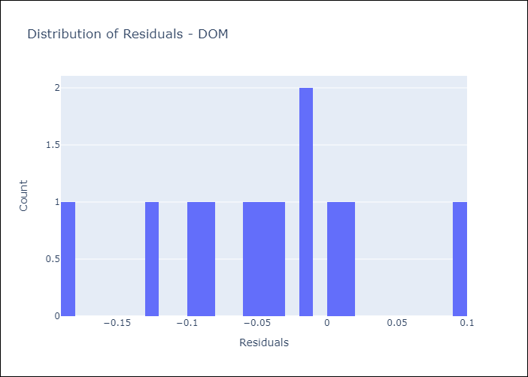
Appendix A: Model Summary
Model | Random Forest w/ Lags
Sample | 1990-01-01 to 2025-04-01
No. of Observations | 424
Residuals
Mean | -0.044836685833
St Dev | 0.069835011226
Kurtosis | -0.021670622947
Skewness | -0.062883750917

Assumptions | P-value

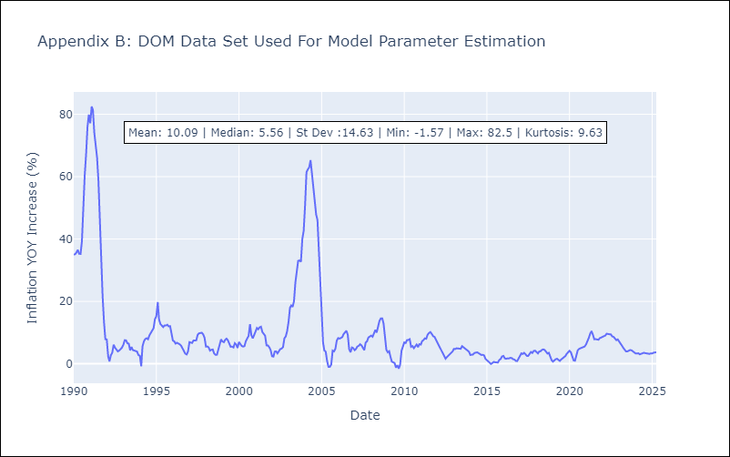

Appendix C: Residuals Analysis
Mean

GTM
GTM - Inflation - Next 12 months forecast as of: 2025-05-01

Model | Random Forest w/ Lags - None
Training Data | 1990-01-01 to 2024-06-01
Test Data | 2024-06-01 to 2025-05-01

Date | Inflation Change YoY % | Lower Bound - 95% Confidence Interval | Upper Bound - 95% Confidence Interval | Bias Corrected Forecast
2025-06-01 | 2.03 | 1.68 | 2.57
2025-07-01 | 2.25 | 1.84 | 2.7
2025-08-01 | 2.39 | 1.97 | 2.85
2025-09-01 | 2.57 | 2.09 | 3.23
2025-10-01 | 2.84 | 2.18 | 3.45
2025-11-01 | 2.94 | 2.26 | 3.73
2025-12-01 | 3.05 | 2.32 | 4.01
2026-01-01 | 3.17 | 2.38 | 4.06
2026-02-01 | 3.22 | 2.42 | 4.2
2026-03-01 | 3.64 | 2.48 | 4.31
2026-04-01 | 3.91 | 2.44 | 4.4
2026-05-01 | 3.97 | 2.5 | 4.43

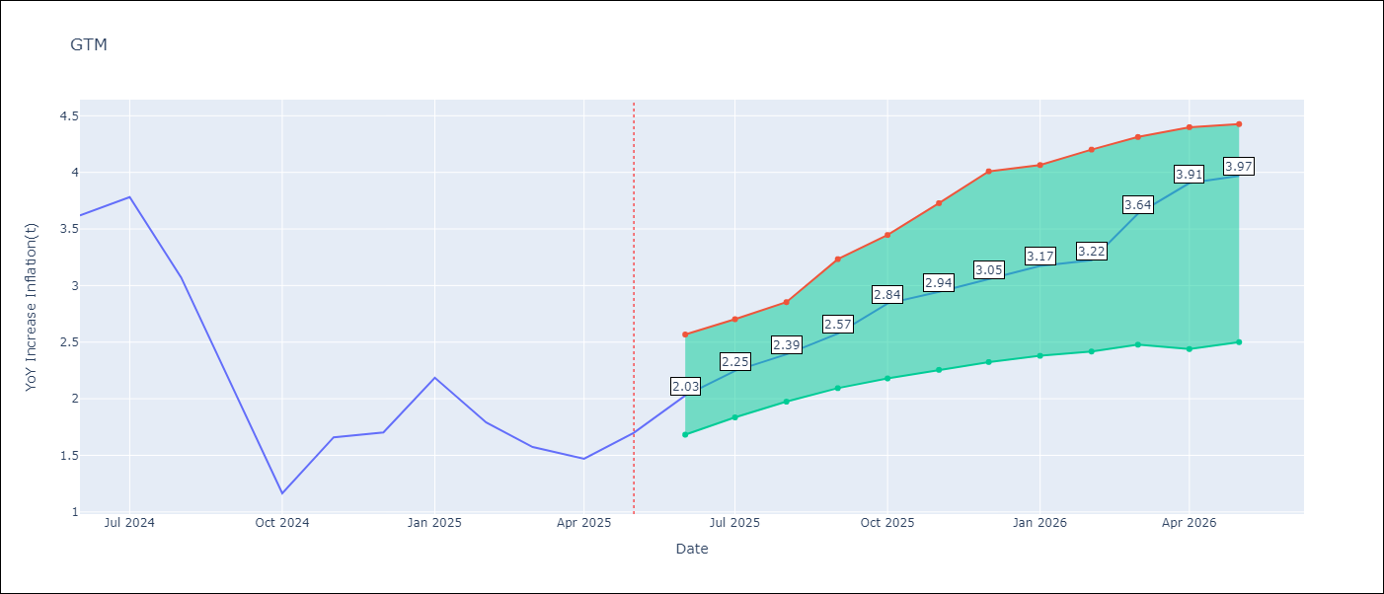

Test Set
RMSE | 0.37
Naive RMSE | 1.81
MAPE | 19.57%

Test Predictions
Date | Predicted | Actual | Bias Vector | Bias Corrected
2025-06-01 | 3.51 | 3.62
2025-07-01 | 3.64 | 3.78
2025-08-01 | 3.19 | 3.07
2025-09-01 | 2.47 | 2.11
2025-10-01 | 1.86 | 1.16
2025-11-01 | 2.02 | 1.66
2025-12-01 | 2.02 | 1.7
2026-01-01 | 2.28 | 2.19
2026-02-01 | 2.18 | 1.79
2026-03-01 | 2.05 | 1.57
2026-04-01 | 1.94 | 1.47
2026-05-01 | 2.03 | 1.7

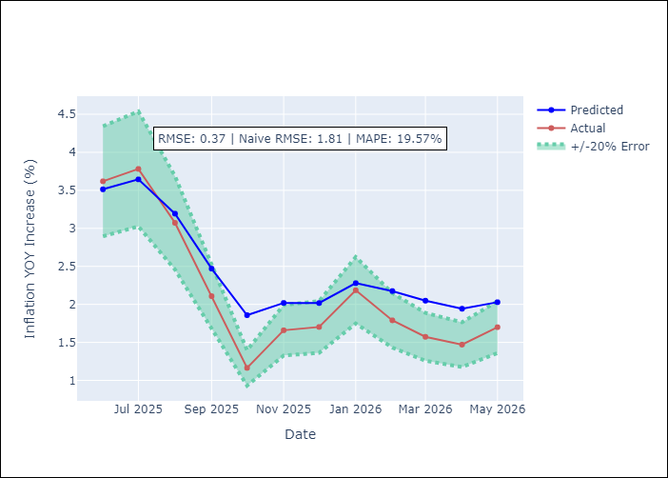
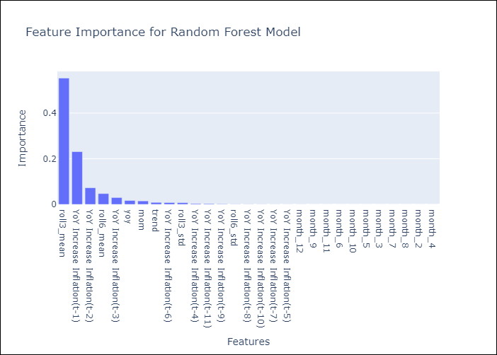

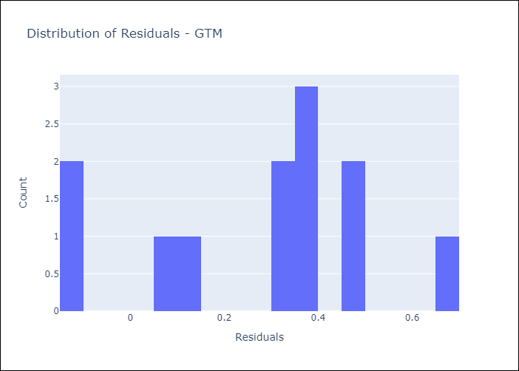
Appendix A: Model Summary
Model | Random Forest w/ Lags
Sample | 1990-01-01 to 2025-05-01
No. of Observations | 425
Residuals
Mean | 0.28016156513
St Dev | 0.23401456779
Kurtosis | -0.58912035137
Skewness | -0.34719121137

Assumptions | P-value

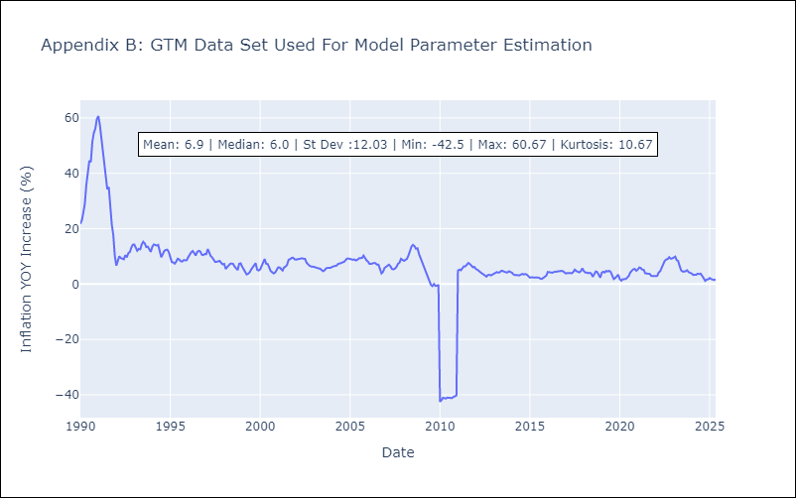

Appendix C: Residuals Analysis
Mean

HTI
HTI - Inflation - Next 12 months forecast as of: 2025-04-01

Model | Random Forest w/ Lags - None
Training Data | 1990-01-01 to 2024-05-01
Test Data | 2024-05-01 to 2025-04-01

Date | Inflation Change YoY % | Lower Bound - 95% Confidence Interval | Upper Bound - 95% Confidence Interval | Bias Corrected Forecast
2025-05-01 | 27.25 | 25.91 | 29.95
2025-06-01 | 27.54 | 25.91 | 31.89
2025-07-01 | 27.33 | 25.42 | 32.02
2025-08-01 | 26.94 | 25.07 | 31.77
2025-09-01 | 26.87 | 24.73 | 32.18
2025-10-01 | 27.17 | 24.07 | 32.37
2025-11-01 | 27.39 | 24.04 | 33.19
2025-12-01 | 27.35 | 24 | 33.99
2026-01-01 | 27.16 | 23.63 | 34.31
2026-02-01 | 26.89 | 23.45 | 34.76
2026-03-01 | 26.81 | 23.42 | 35.03
2026-04-01 | 27.12 | 23.48 | 35.28

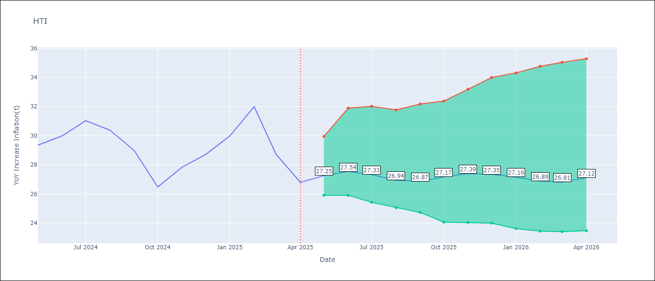

Test Set
RMSE | 1.28
Naive RMSE | 1.6
MAPE | 3.72%

Test Predictions
Date | Predicted | Actual | Bias Vector | Bias Corrected
2025-05-01 | 27.53 | 29.35
2025-06-01 | 28.16 | 29.99
2025-07-01 | 28.96 | 31.03
2025-08-01 | 28.63 | 30.38
2025-09-01 | 28.52 | 28.98
2025-10-01 | 27.42 | 26.48
2025-11-01 | 28.58 | 27.84
2025-12-01 | 28.16 | 28.71
2026-01-01 | 29.11 | 29.98
2026-02-01 | 30.34 | 32
2026-03-01 | 28.78 | 28.72
2026-04-01 | 27.33 | 26.8

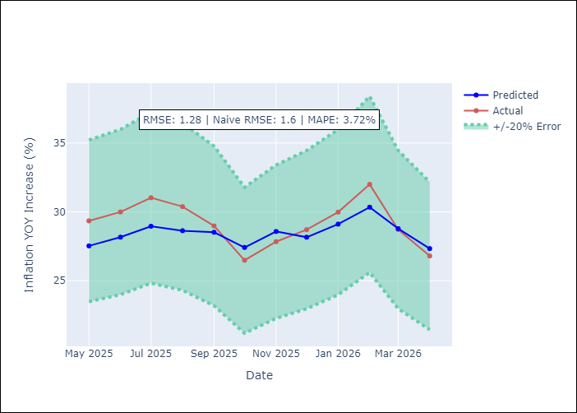
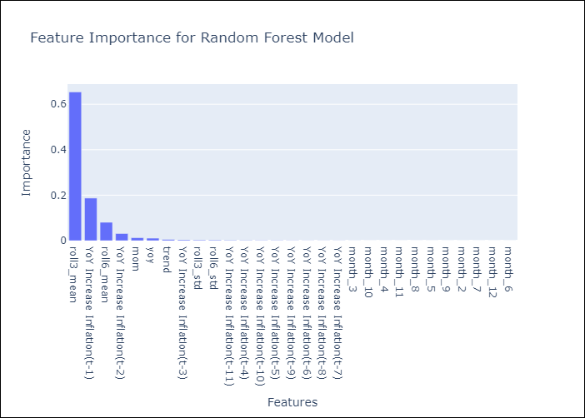

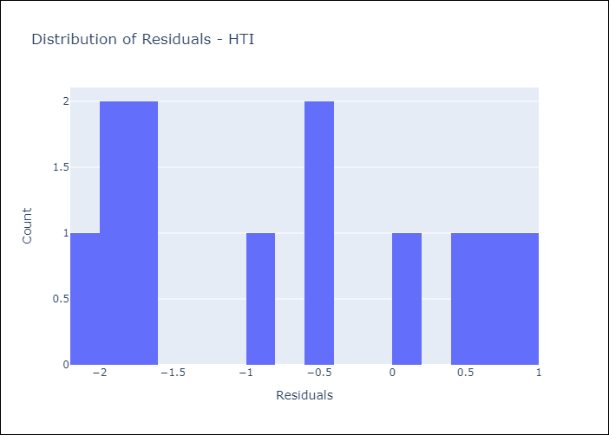
Appendix A: Model Summary
Model | Random Forest w/ Lags
Sample | 1990-01-01 to 2025-04-01
No. of Observations | 424
Residuals
Mean | -0.72815016002
St Dev | 1.0549066836
Kurtosis | -1.4464456919
Skewness | 0.23624782887

Assumptions | P-value

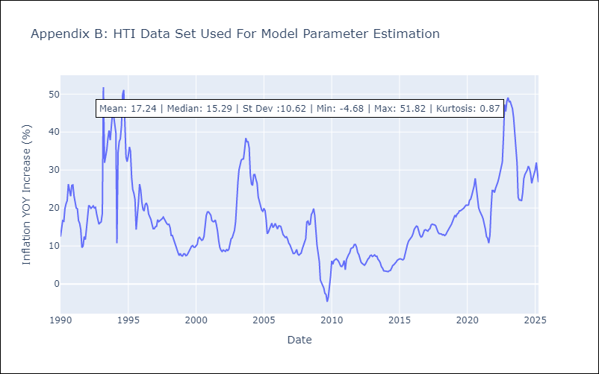

Appendix C: Residuals Analysis
Mean

MEX
MEX - Inflation - Next 12 months forecast as of: 2025-05-01

Model | Random Forest w/ Lags - None
Training Data | 1990-01-01 to 2024-06-01
Test Data | 2024-06-01 to 2025-05-01

Date | Inflation Change YoY % | Lower Bound - 95% Confidence Interval | Upper Bound - 95% Confidence Interval | Bias Corrected Forecast
2025-06-01 | 4.22 | 4.05 | 4.33
2025-07-01 | 4.12 | 3.94 | 4.23
2025-08-01 | 4.15 | 3.85 | 4.27
2025-09-01 | 4.07 | 3.82 | 4.29
2025-10-01 | 4 | 3.71 | 4.3
2025-11-01 | 3.97 | 3.69 | 4.33
2025-12-01 | 3.96 | 3.68 | 4.35
2026-01-01 | 3.94 | 3.6 | 4.37
2026-02-01 | 3.99 | 3.65 | 4.39
2026-03-01 | 4.02 | 3.66 | 4.41
2026-04-01 | 4.04 | 3.67 | 4.41
2026-05-01 | 4.02 | 3.62 | 4.42

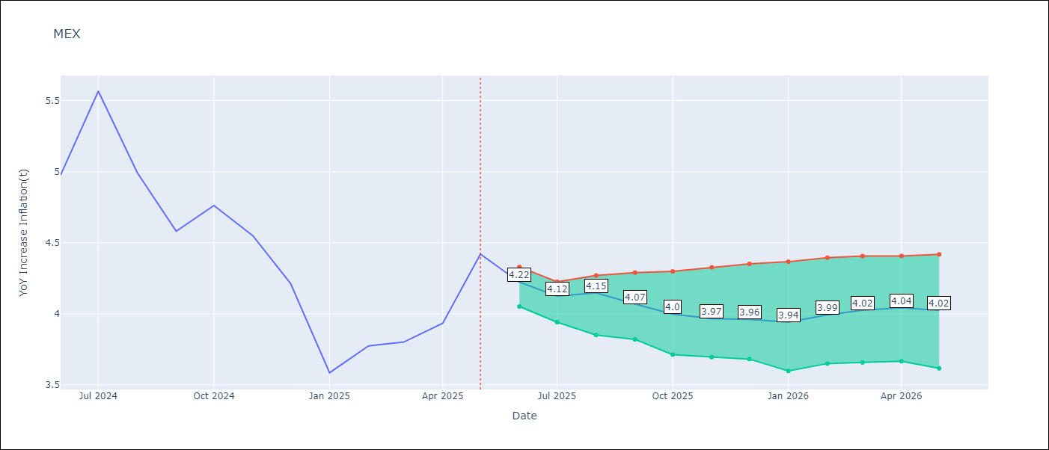

Test Set
RMSE | 0.17
Naive RMSE | 0.62
MAPE | 3.08%

Test Predictions
Date | Predicted | Actual | Bias Vector | Bias Corrected
2025-06-01 | 4.95 | 4.98
2025-07-01 | 5.31 | 5.57
2025-08-01 | 5.07 | 4.99
2025-09-01 | 4.88 | 4.58
2025-10-01 | 4.89 | 4.76
2025-11-01 | 4.54 | 4.55
2025-12-01 | 4.29 | 4.21
2026-01-01 | 3.78 | 3.59
2026-02-01 | 4.04 | 3.77
2026-03-01 | 3.77 | 3.8
2026-04-01 | 3.99 | 3.93
2026-05-01 | 4.22 | 4.42

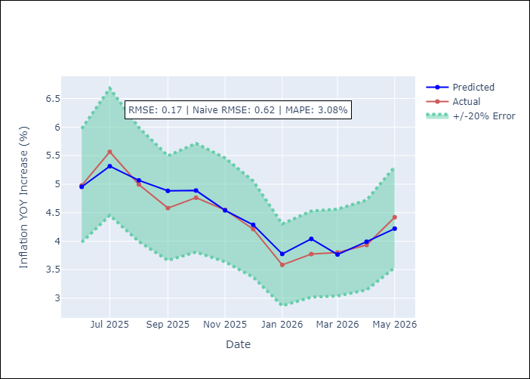
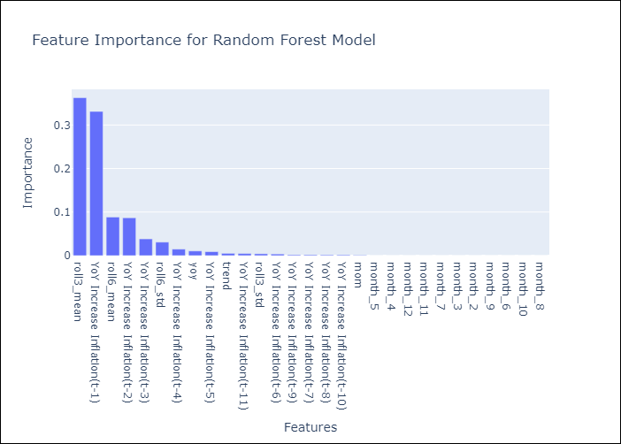

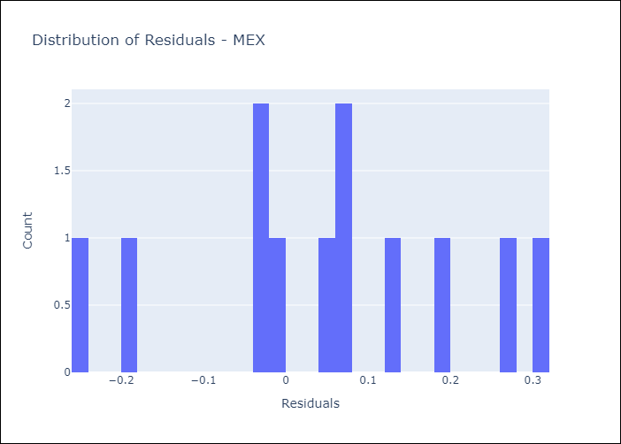
Appendix A: Model Summary
Model | Random Forest w/ Lags
Sample | 1990-01-01 to 2025-05-01
No. of Observations | 425
Residuals
Mean | 0.047631491811
St Dev | 0.15991517519
Kurtosis | -0.59893706754
Skewness | -0.26139639289

Assumptions | P-value

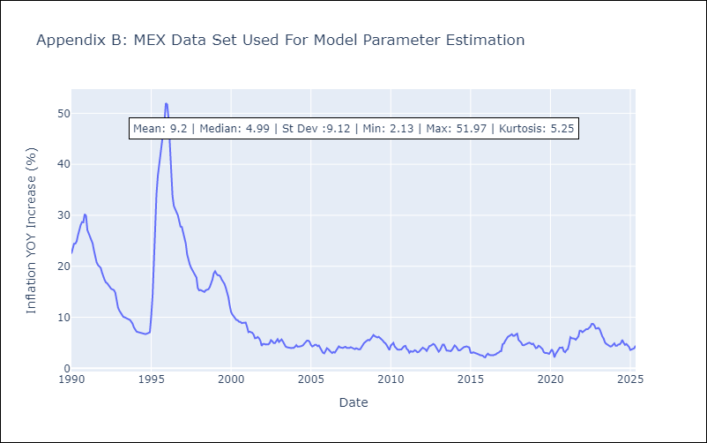

Appendix C: Residuals Analysis
Mean

NIC
NIC - Inflation - Next 12 months forecast as of: 2025-04-01

Model | Random Forest w/ Lags - None
Training Data | 1990-01-01 to 2024-05-01
Test Data | 2024-05-01 to 2025-04-01

Date | Inflation Change YoY % | Lower Bound - 95% Confidence Interval | Upper Bound - 95% Confidence Interval | Bias Corrected Forecast
2025-05-01 | 2.38 | 1.93 | 2.91
2025-06-01 | 2.39 | 1.82 | 3.4
2025-07-01 | 2.8 | 2.11 | 3.56
2025-08-01 | 3.17 | 2.47 | 3.67
2025-09-01 | 3.47 | 2.76 | 3.74
2025-10-01 | 3.53 | 3.01 | 3.84
2025-11-01 | 3.56 | 3.15 | 3.96
2025-12-01 | 3.62 | 3.22 | 4.02
2026-01-01 | 3.64 | 3.25 | 4.07
2026-02-01 | 3.64 | 3.27 | 4.17
2026-03-01 | 3.62 | 3.26 | 4.15
2026-04-01 | 3.6 | 3.27 | 4.28

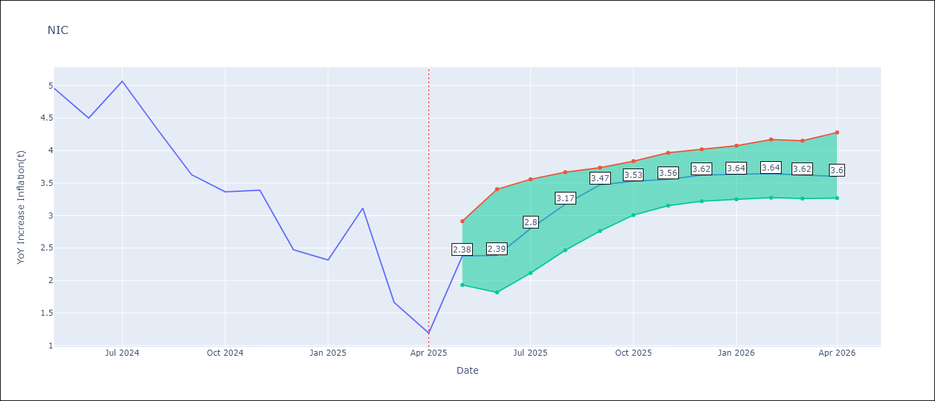

Test Set
RMSE | 0.49
Naive RMSE | 1.92
MAPE | 18.77%

Test Predictions
Date | Predicted | Actual | Bias Vector | Bias Corrected
2025-05-01 | 4.82 | 4.96
2025-06-01 | 4.51 | 4.5
2025-07-01 | 4.82 | 5.07
2025-08-01 | 4.17 | 4.33
2025-09-01 | 3.97 | 3.63
2025-10-01 | 3.56 | 3.36
2025-11-01 | 3.5 | 3.39
2025-12-01 | 2.88 | 2.47
2026-01-01 | 2.81 | 2.32
2026-02-01 | 3.35 | 3.11
2026-03-01 | 2.49 | 1.66
2026-04-01 | 2.38 | 1.19

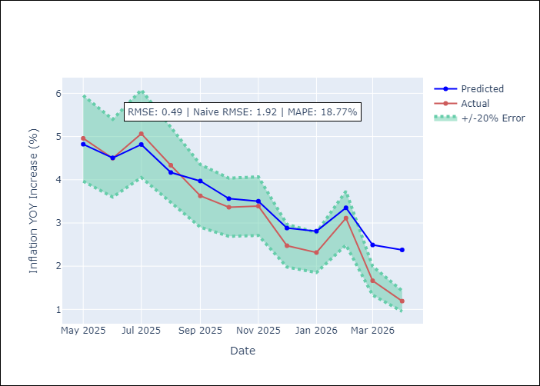
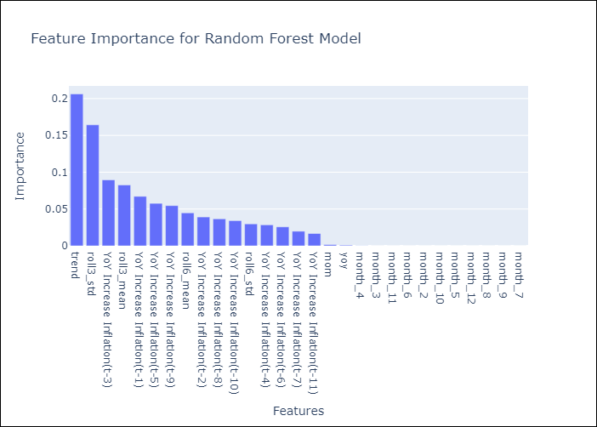

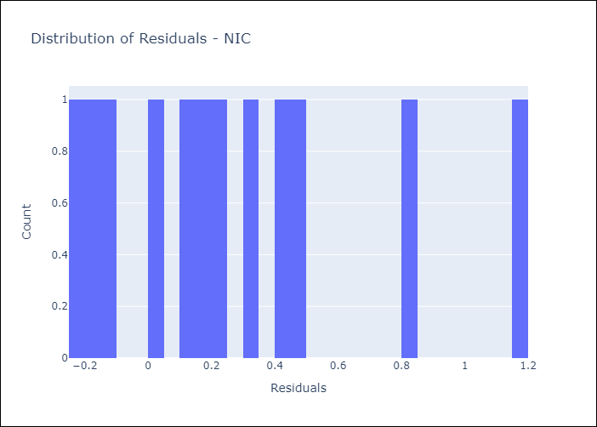
Appendix A: Model Summary
Model | Random Forest w/ Lags
Sample | 1990-01-01 to 2025-04-01
No. of Observations | 424
Residuals
Mean | 0.27213584234
St Dev | 0.40298416055
Kurtosis | -0.035235613371
Skewness | 0.80179414335

Assumptions | P-value

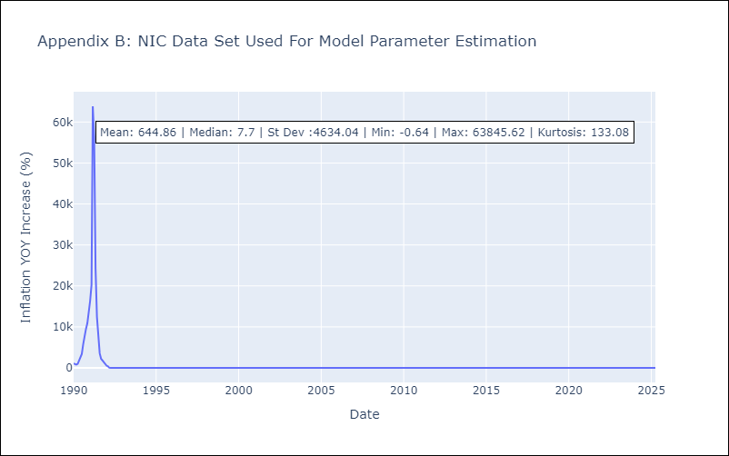

Appendix C: Residuals Analysis
Mean

SLV
SLV - Inflation - Next 12 months forecast as of: 2025-05-01

Model | Random Forest w/ Lags - None
Training Data | 1990-01-01 to 2024-06-01
Test Data | 2024-06-01 to 2025-05-01

Date | Inflation Change YoY % | Lower Bound - 95% Confidence Interval | Upper Bound - 95% Confidence Interval | Bias Corrected Forecast
2025-06-01 | -0.34 | -0.54 | 0.02
2025-07-01 | -0.43 | -0.67 | -0.06
2025-08-01 | -0.48 | -0.68 | 0
2025-09-01 | -0.51 | -0.71 | 0.06
2025-10-01 | -0.47 | -0.7 | 0.08
2025-11-01 | -0.29 | -0.44 | 0.13
2025-12-01 | -0.22 | -0.38 | 0.08
2026-01-01 | -0.35 | -0.64 | 0.13
2026-02-01 | -0.3 | -0.63 | 0.13
2026-03-01 | -0.46 | -0.71 | 0.2
2026-04-01 | -0.39 | -0.71 | 0.29
2026-05-01 | -0.29 | -0.46 | 0.21

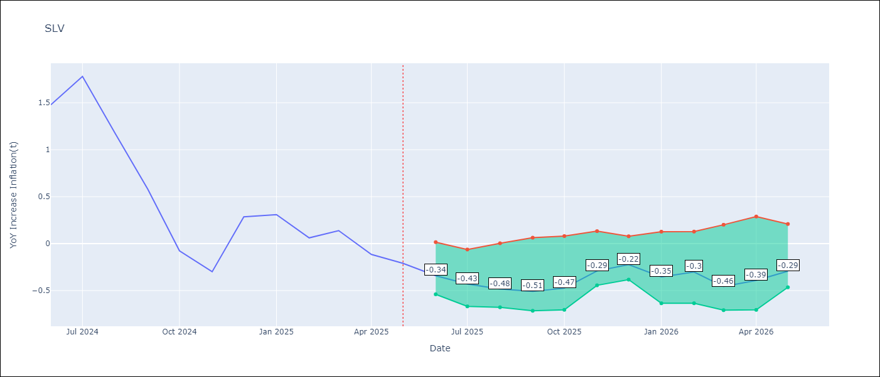

Test Set
RMSE | 0.12
Naive RMSE | 1.19
MAPE | 45.76%

Test Predictions
Date | Predicted | Actual | Bias Vector | Bias Corrected
2025-06-01 | 1.44 | 1.48
2025-07-01 | 1.66 | 1.78
2025-08-01 | 1.21 | 1.17
2025-09-01 | 0.68 | 0.58
2025-10-01 | 0.06 | -0.08
2025-11-01 | -0.3 | -0.3
2025-12-01 | -0.03 | 0.29
2026-01-01 | 0.21 | 0.31
2026-02-01 | 0.1 | 0.06
2026-03-01 | 0.22 | 0.14
2026-04-01 | -0.12 | -0.11
2026-05-01 | -0.34 | -0.21

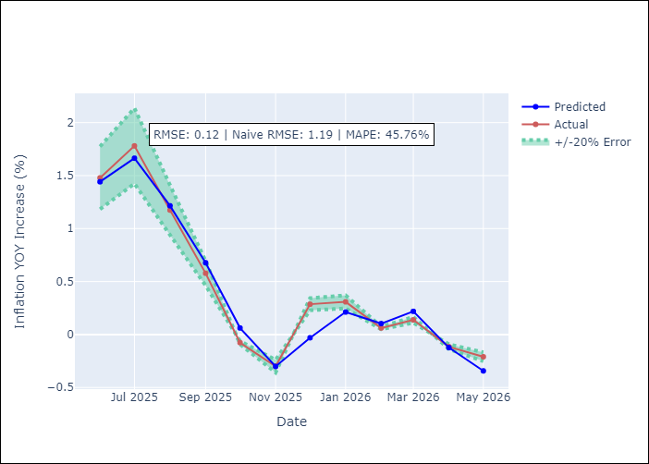
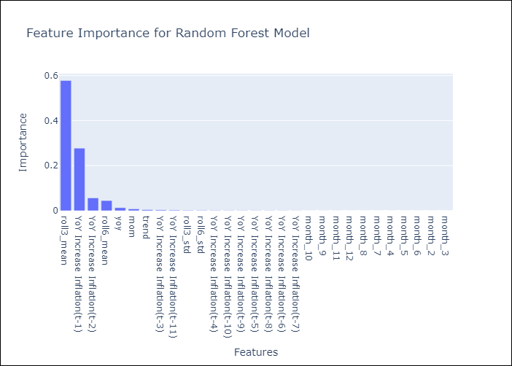

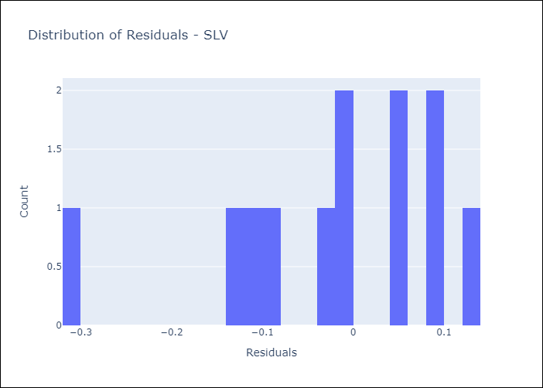
Appendix A: Model Summary
Model | Random Forest w/ Lags
Sample | 1990-01-01 to 2025-05-01
No. of Observations | 425
Residuals
Mean | -0.025813149566
St Dev | 0.12006480828
Kurtosis | 0.41597656786
Skewness | -0.90194110294

Assumptions | P-value

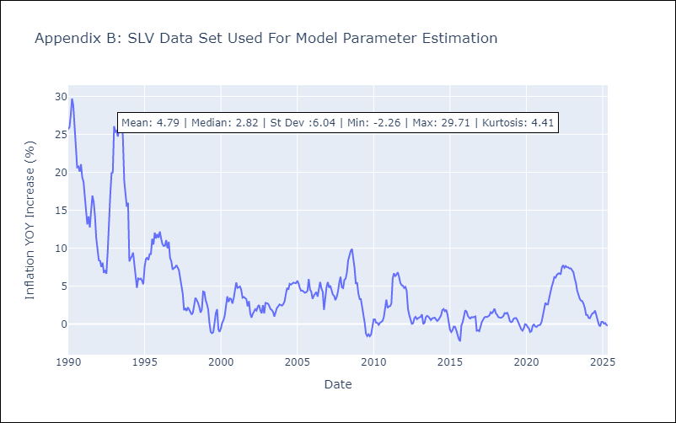

Appendix C: Residuals Analysis
Mean

