GRD
GRD - Inflation - Next 12 months forecast as of: 2025-01-01

Model | Random Forest w/ Lags - None
Training Data | 1990-01-01 to 2024-02-01
Test Data | 2024-02-01 to 2025-01-01

Date | Inflation Change YoY % | Lower Bound - 95% Confidence Interval | Upper Bound - 95% Confidence Interval | Bias Corrected Forecast
2025-02-01 | 0.8 | 0.67 | 0.99
2025-03-01 | 0.74 | 0.59 | 0.99
2025-04-01 | 0.69 | 0.52 | 0.98
2025-05-01 | 0.65 | 0.46 | 0.94
2025-06-01 | 0.54 | 0.47 | 0.95
2025-07-01 | 0.53 | 0.49 | 0.96
2025-08-01 | 0.57 | 0.5 | 0.97
2025-09-01 | 0.57 | 0.5 | 0.98
2025-10-01 | 0.6 | 0.52 | 1.01
2025-11-01 | 0.63 | 0.54 | 1.05
2025-12-01 | 0.63 | 0.54 | 1.02
2026-01-01 | 0.62 | 0.54 | 1.04

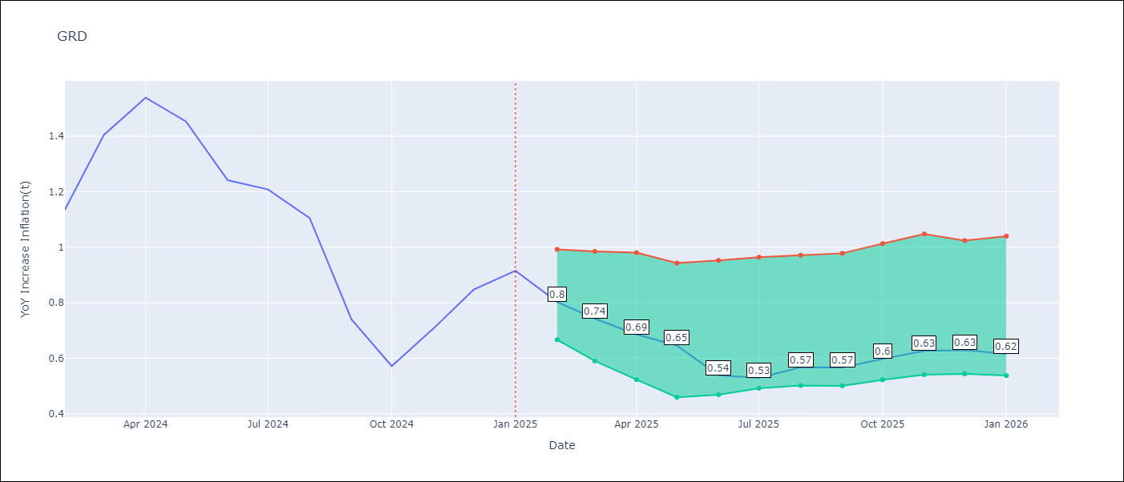

Test Set
RMSE | 0.11
Naive RMSE | 0.3
MAPE | 9.16%

Test Predictions
Date | Predicted | Actual | Bias Vector | Bias Corrected
2025-02-01 | 1.3 | 1.14
2025-03-01 | 1.38 | 1.41
2025-04-01 | 1.53 | 1.54
2025-05-01 | 1.49 | 1.45
2025-06-01 | 1.32 | 1.24
2025-07-01 | 1.33 | 1.21
2025-08-01 | 1.14 | 1.11
2025-09-01 | 0.67 | 0.74
2025-10-01 | 0.58 | 0.57
2025-11-01 | 0.57 | 0.71
2025-12-01 | 0.62 | 0.85
2026-01-01 | 0.8 | 0.92

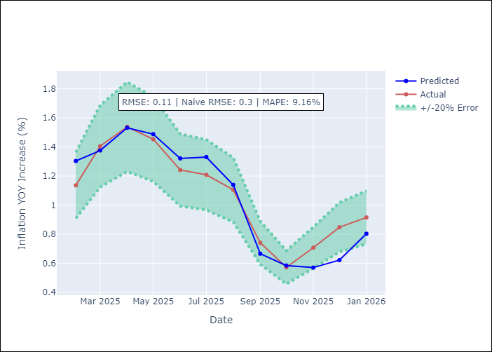
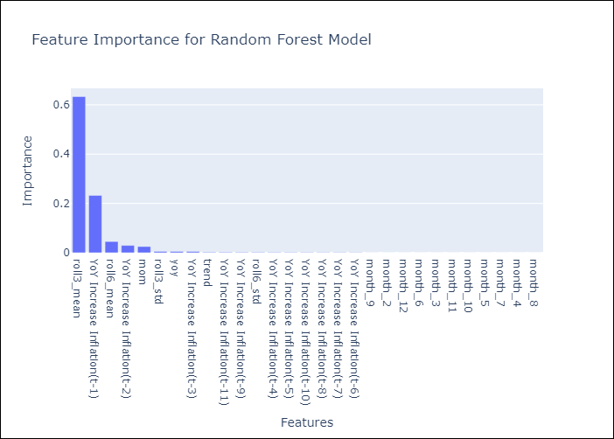

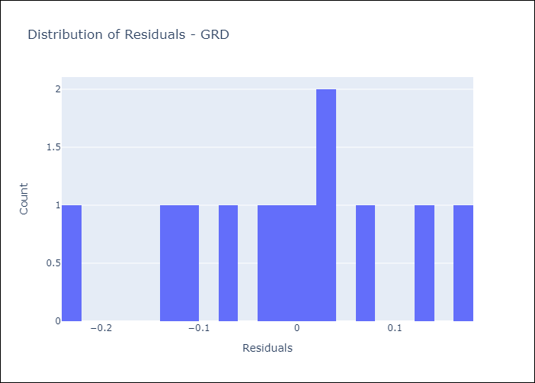
Appendix A: Model Summary
Model | Random Forest w/ Lags
Sample | 1990-01-01 to 2025-01-01
No. of Observations | 421
Residuals
Mean | -0.011270007809
St Dev | 0.10777171176
Kurtosis | -0.57910866478
Skewness | -0.27353136332

Assumptions | P-value

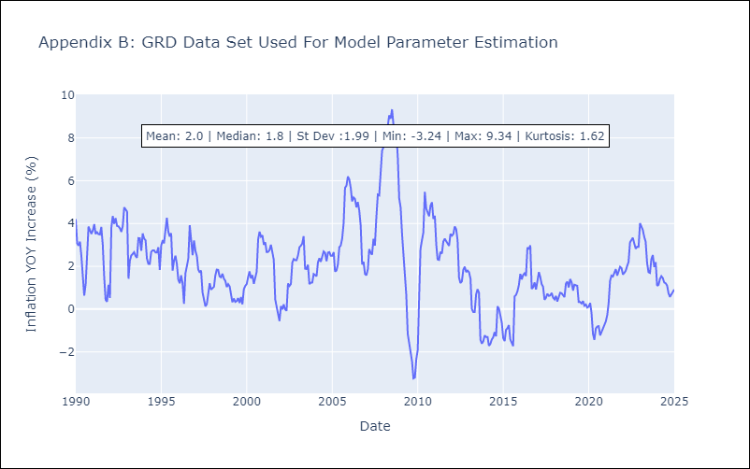

Appendix C: Residuals Analysis
Mean

JAM
JAM - Inflation - Next 12 months forecast as of: 2025-04-01

Model | Random Forest w/ Lags - None
Training Data | 1990-01-01 to 2024-05-01
Test Data | 2024-05-01 to 2025-04-01

Date | Inflation Change YoY % | Lower Bound - 95% Confidence Interval | Upper Bound - 95% Confidence Interval | Bias Corrected Forecast
2025-05-01 | 5.14 | 4.83 | 5.39
2025-06-01 | 5.01 | 4.75 | 5.26
2025-07-01 | 4.99 | 4.64 | 5.35
2025-08-01 | 4.89 | 4.52 | 5.45
2025-09-01 | 4.94 | 4.44 | 5.57
2025-10-01 | 4.99 | 4.3 | 5.63
2025-11-01 | 4.98 | 4.28 | 5.85
2025-12-01 | 5 | 4.32 | 5.88
2026-01-01 | 5 | 4.28 | 5.91
2026-02-01 | 4.98 | 4.28 | 5.89
2026-03-01 | 4.97 | 4.33 | 5.92
2026-04-01 | 4.98 | 4.3 | 6

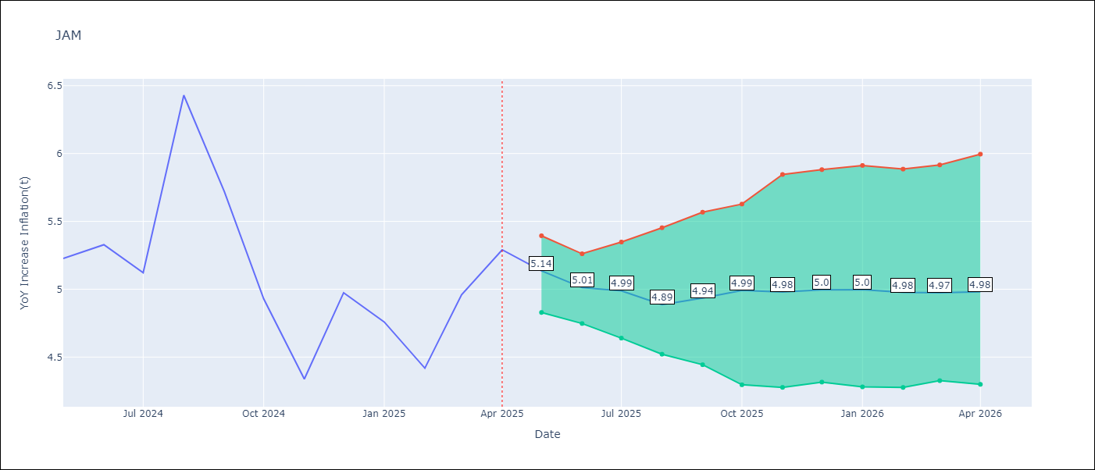

Test Set
RMSE | 0.23
Naive RMSE | 0.58
MAPE | 3.57%

Test Predictions
Date | Predicted | Actual | Bias Vector | Bias Corrected
2025-05-01 | 5.15 | 5.23
2025-06-01 | 5.15 | 5.33
2025-07-01 | 5.02 | 5.12
2025-08-01 | 6.25 | 6.43
2025-09-01 | 5.85 | 5.72
2025-10-01 | 5.48 | 4.93
2025-11-01 | 4.69 | 4.34
2025-12-01 | 5.09 | 4.97
2026-01-01 | 4.72 | 4.76
2026-02-01 | 4.61 | 4.42
2026-03-01 | 5.02 | 4.96
2026-04-01 | 5.14 | 5.29

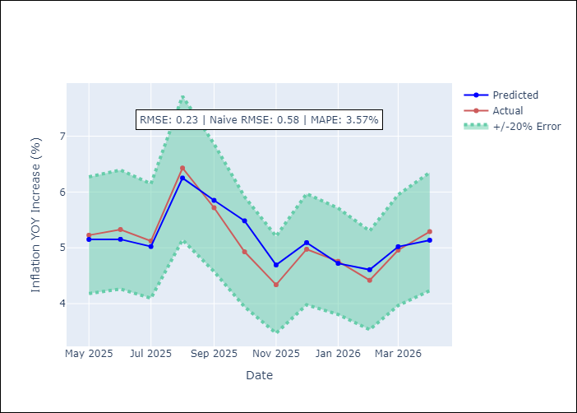
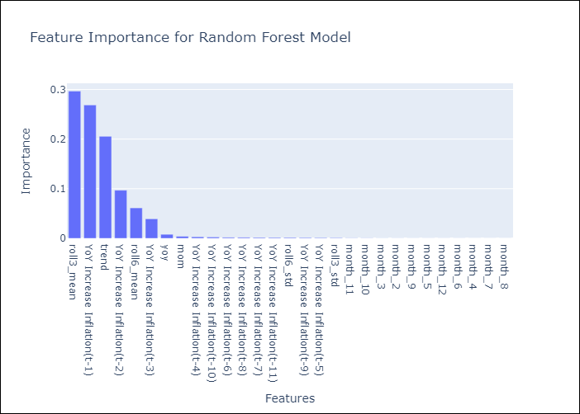

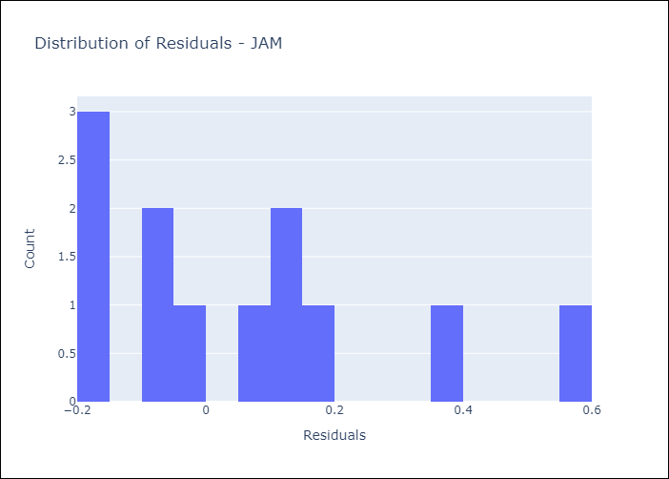
Appendix A: Model Summary
Model | Random Forest w/ Lags
Sample | 1990-01-01 to 2025-04-01
No. of Observations | 424
Residuals
Mean | 0.057552171499
St Dev | 0.21771640614
Kurtosis | -0.091216546637
Skewness | 0.88674121546

Assumptions | P-value

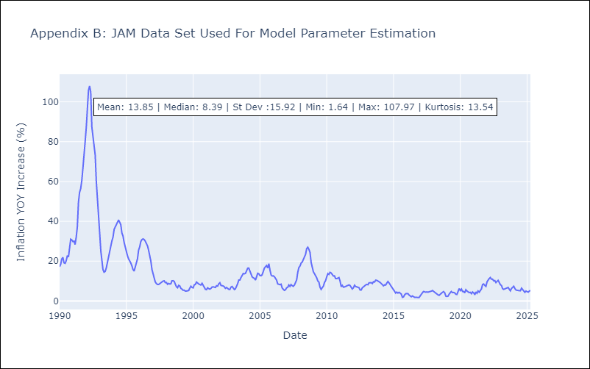

Appendix C: Residuals Analysis
Mean

TTO
TTO - Inflation - Next 12 months forecast as of: 2025-04-01

Model | Random Forest w/ Lags - None
Training Data | 1990-01-01 to 2024-05-01
Test Data | 2024-05-01 to 2025-04-01

Date | Inflation Change YoY % | Lower Bound - 95% Confidence Interval | Upper Bound - 95% Confidence Interval | Bias Corrected Forecast
2025-05-01 | 1.15 | 0.95 | 1.31
2025-06-01 | 1.17 | 0.93 | 1.46
2025-07-01 | 1.25 | 0.98 | 1.57
2025-08-01 | 1.24 | 0.94 | 1.77
2025-09-01 | 1.25 | 0.93 | 1.78
2025-10-01 | 1.26 | 0.94 | 1.78
2025-11-01 | 1.26 | 0.94 | 1.83
2025-12-01 | 1.23 | 0.92 | 1.86
2026-01-01 | 1.22 | 0.92 | 1.9
2026-02-01 | 1.2 | 0.89 | 1.93
2026-03-01 | 1.2 | 0.87 | 1.96
2026-04-01 | 1.15 | 0.86 | 2.03

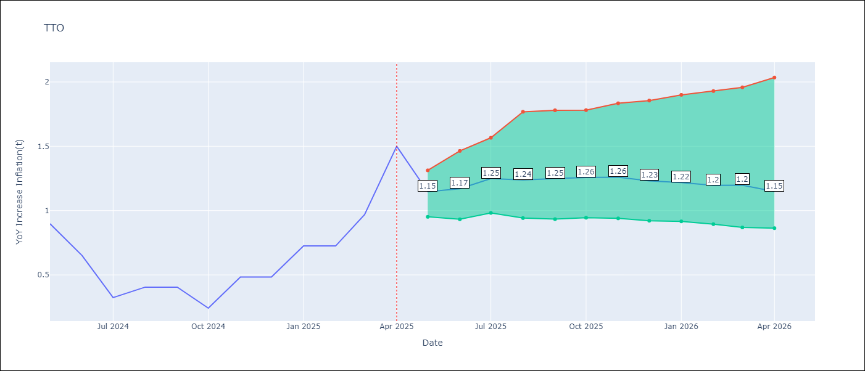

Test Set
RMSE | 0.18
Naive RMSE | 0.37
MAPE | 28.43%

Test Predictions
Date | Predicted | Actual | Bias Vector | Bias Corrected
2025-05-01 | 0.62 | 0.9
2025-06-01 | 0.63 | 0.65
2025-07-01 | 0.49 | 0.32
2025-08-01 | 0.52 | 0.41
2025-09-01 | 0.5 | 0.4
2025-10-01 | 0.48 | 0.24
2025-11-01 | 0.61 | 0.48
2025-12-01 | 0.66 | 0.48
2026-01-01 | 0.72 | 0.73
2026-02-01 | 0.7 | 0.73
2026-03-01 | 0.82 | 0.97
2026-04-01 | 1.15 | 1.5

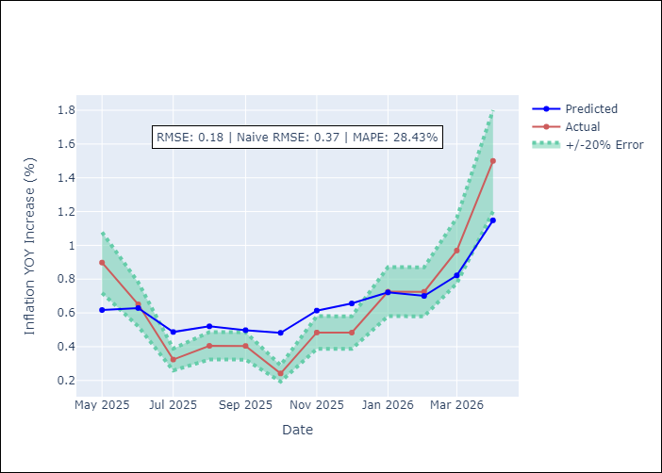
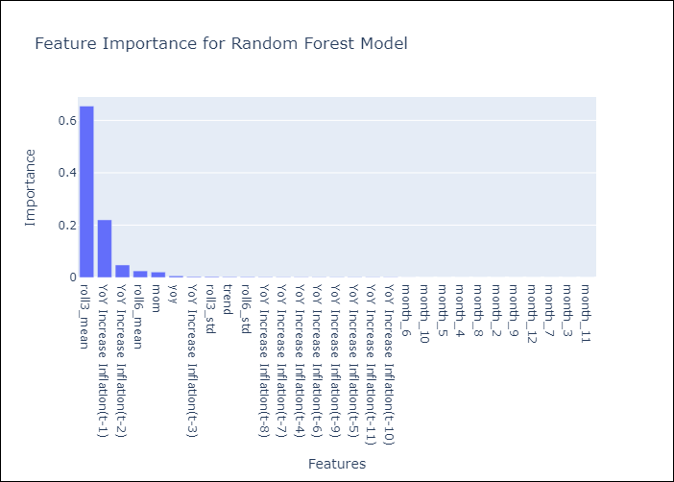

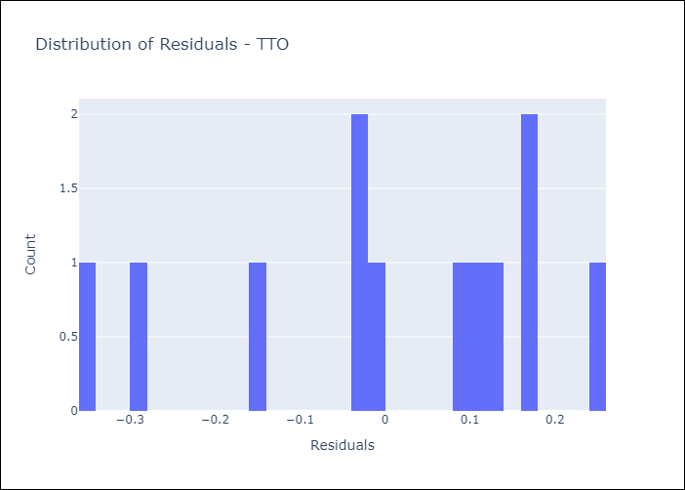
Appendix A: Model Summary
Model | Random Forest w/ Lags
Sample | 1990-01-01 to 2025-04-01
No. of Observations | 424
Residuals
Mean | 0.0070488031802
St Dev | 0.17742744011
Kurtosis | -0.58472684349
Skewness | -0.72969312122

Assumptions | P-value

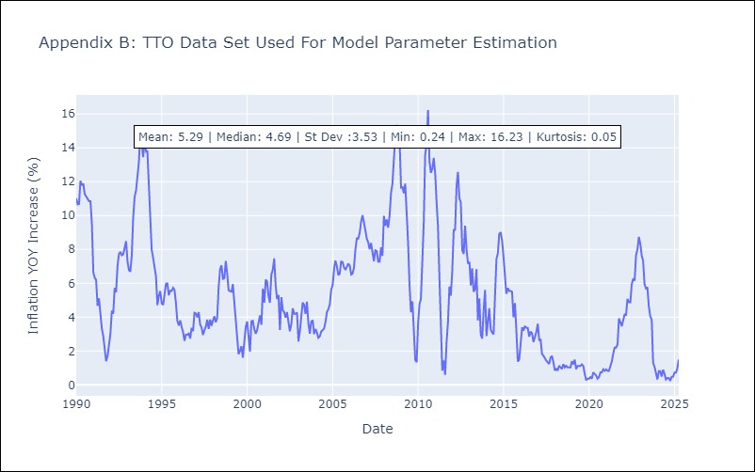

Appendix C: Residuals Analysis
Mean

