md_CEN09
md_CEN09 - Inflation - Next 12 months forecast as of: 2025-04-01

Model | Random Forest w/ Lags - ((2, 1, 3), (0, 0, 1, 12))
Training Data | 1990-01-01 to 2024-05-01
Test Data | 2024-05-01 to 2025-04-01

Date | Inflation Change YoY % | Lower Bound - 95% Confidence Interval | Upper Bound - 95% Confidence Interval | Bias Corrected Forecast
2025-05-01 | 1.99 | 1.79 | 2.22
2025-06-01 | 2.04 | 1.63 | 2.32
2025-07-01 | 2.02 | 1.46 | 2.39
2025-08-01 | 1.99 | 1.43 | 2.34
2025-09-01 | 1.95 | 1.46 | 2.33
2025-10-01 | 1.96 | 1.42 | 2.32
2025-11-01 | 1.93 | 1.43 | 2.26
2025-12-01 | 1.88 | 1.41 | 2.16
2026-01-01 | 1.84 | 1.42 | 2.18
2026-02-01 | 1.9 | 1.45 | 2.28
2026-03-01 | 1.8 | 1.45 | 2.21
2026-04-01 | 1.84 | 1.46 | 2.36

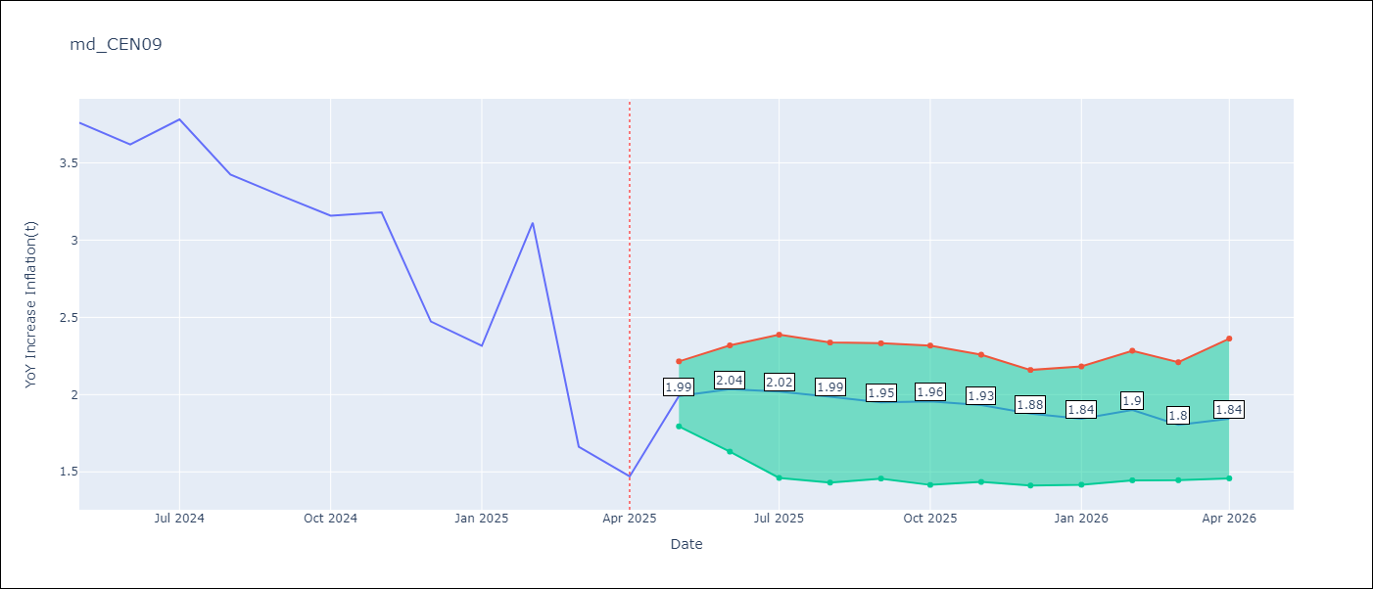

Test Set
RMSE | 0.29
Naive RMSE | 0.86
MAPE | 9.49%

Test Predictions
Date | Predicted | Actual | Bias Vector | Bias Corrected
2025-05-01 | 3.64 | 3.76
2025-06-01 | 3.52 | 3.62
2025-07-01 | 3.76 | 3.78
2025-08-01 | 3.42 | 3.42
2025-09-01 | 3.44 | 3.29
2025-10-01 | 3.3 | 3.16
2025-11-01 | 3.24 | 3.18
2025-12-01 | 2.67 | 2.47
2026-01-01 | 2.33 | 2.32
2026-02-01 | 2.62 | 3.11
2026-03-01 | 2.27 | 1.66
2026-04-01 | 1.99 | 1.47

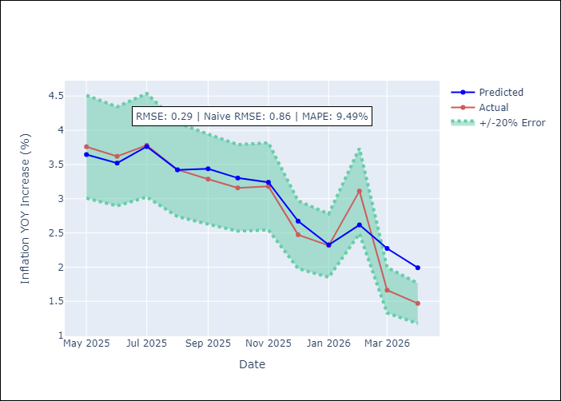
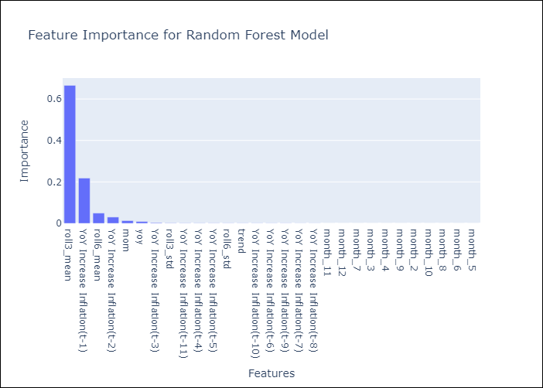

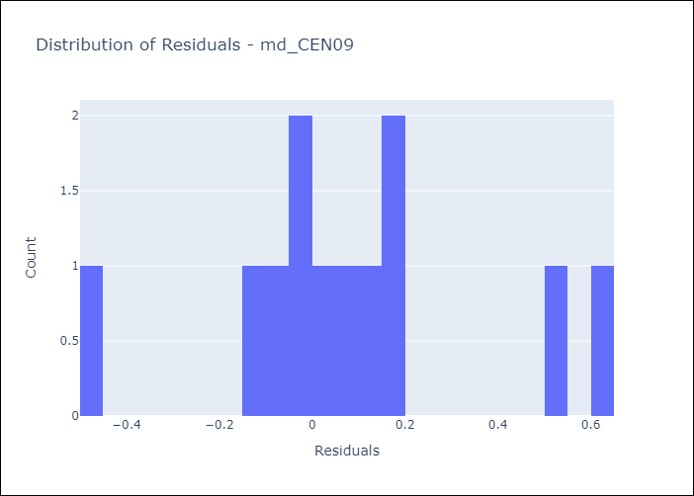
Appendix A: Model Summary
Model | Random Forest w/ Lags
Sample | 1990-01-01 to 2025-04-01
No. of Observations | 424
Residuals
Mean | 0.080440503811
St Dev | 0.27691947375
Kurtosis | 0.23980256772
Skewness | 0.11724714409

Assumptions | P-value

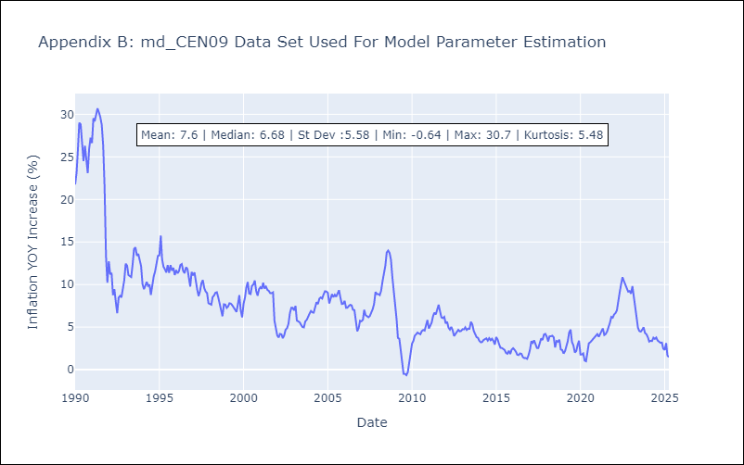

Appendix C: Residuals Analysis
Mean

md_CEN10
md_CEN10 - Inflation - Next 12 months forecast as of: 2025-04-01

Model | Random Forest w/ Lags - ((2, 1, 3), (0, 0, 1, 12))
Training Data | 1990-01-01 to 2024-05-01
Test Data | 2024-05-01 to 2025-04-01

Date | Inflation Change YoY % | Lower Bound - 95% Confidence Interval | Upper Bound - 95% Confidence Interval | Bias Corrected Forecast
2025-05-01 | 1.99 | 1.8 | 2.16
2025-06-01 | 2.04 | 1.61 | 2.33
2025-07-01 | 2.02 | 1.64 | 2.3
2025-08-01 | 1.99 | 1.63 | 2.21
2025-09-01 | 1.95 | 1.52 | 2.2
2025-10-01 | 1.96 | 1.48 | 2.2
2025-11-01 | 1.93 | 1.48 | 2.2
2025-12-01 | 1.88 | 1.48 | 2.15
2026-01-01 | 1.84 | 1.46 | 2.28
2026-02-01 | 1.9 | 1.51 | 2.38
2026-03-01 | 1.8 | 1.49 | 2.26
2026-04-01 | 1.84 | 1.51 | 2.42

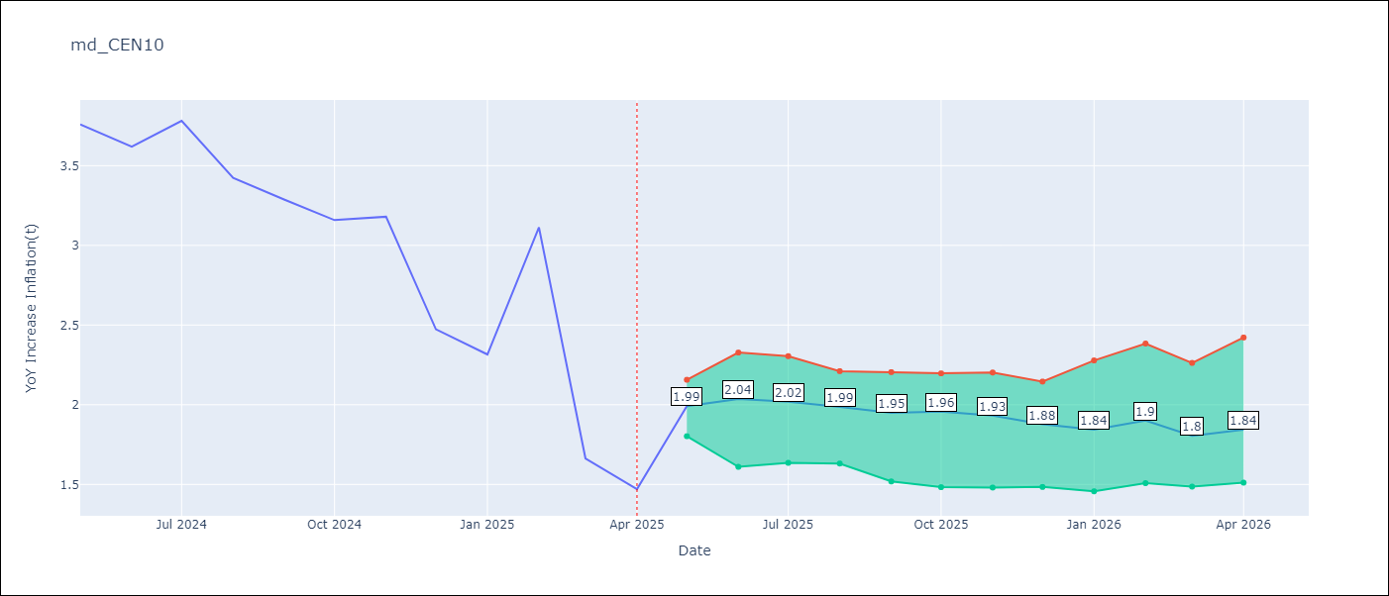

Test Set
RMSE | 0.29
Naive RMSE | 0.86
MAPE | 9.49%

Test Predictions
Date | Predicted | Actual | Bias Vector | Bias Corrected
2025-05-01 | 3.64 | 3.76
2025-06-01 | 3.52 | 3.62
2025-07-01 | 3.76 | 3.78
2025-08-01 | 3.42 | 3.42
2025-09-01 | 3.44 | 3.29
2025-10-01 | 3.3 | 3.16
2025-11-01 | 3.24 | 3.18
2025-12-01 | 2.67 | 2.47
2026-01-01 | 2.33 | 2.32
2026-02-01 | 2.62 | 3.11
2026-03-01 | 2.27 | 1.66
2026-04-01 | 1.99 | 1.47


Appendix A: Model Summary
Model | Random Forest w/ Lags
Sample | 1990-01-01 to 2025-04-01
No. of Observations | 424
Residuals
Mean | 0.080440503811
St Dev | 0.27691947375
Kurtosis | 0.23980256772
Skewness | 0.11724714409

Assumptions | P-value



Appendix C: Residuals Analysis
Mean

md_R01
md_R01 - Inflation - Next 12 months forecast as of: 2025-04-01

Model | Random Forest w/ Lags - ((1, 1, 1), (0, 0, 1, 12))
Training Data | 1990-01-01 to 2024-05-01
Test Data | 2024-05-01 to 2025-04-01

Date | Inflation Change YoY % | Lower Bound - 95% Confidence Interval | Upper Bound - 95% Confidence Interval | Bias Corrected Forecast
2025-05-01 | 3.95 | 3.74 | 3.98
2025-06-01 | 3.89 | 3.71 | 3.94
2025-07-01 | 3.88 | 3.69 | 3.98
2025-08-01 | 3.85 | 3.65 | 4.01
2025-09-01 | 3.83 | 3.65 | 3.98
2025-10-01 | 3.81 | 3.65 | 4
2025-11-01 | 3.79 | 3.65 | 4.01
2025-12-01 | 3.73 | 3.65 | 4.01
2026-01-01 | 3.7 | 3.66 | 4
2026-02-01 | 3.69 | 3.66 | 3.98
2026-03-01 | 3.68 | 3.64 | 3.97
2026-04-01 | 3.68 | 3.64 | 3.97

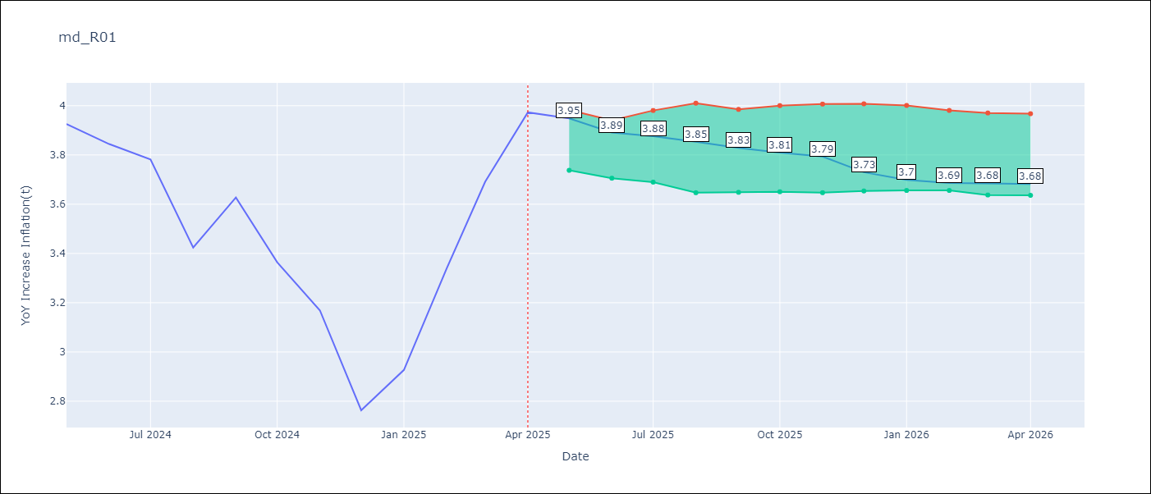

Test Set
RMSE | 0.17
Naive RMSE | 0.42
MAPE | 3.74%

Test Predictions
Date | Predicted | Actual | Bias Vector | Bias Corrected
2025-05-01 | 3.81 | 3.93
2025-06-01 | 3.78 | 3.84
2025-07-01 | 3.79 | 3.78
2025-08-01 | 3.51 | 3.42
2025-09-01 | 3.72 | 3.63
2025-10-01 | 3.34 | 3.36
2025-11-01 | 3.24 | 3.17
2025-12-01 | 3.08 | 2.76
2026-01-01 | 2.9 | 2.93
2026-02-01 | 2.99 | 3.34
2026-03-01 | 3.37 | 3.69
2026-04-01 | 3.95 | 3.97

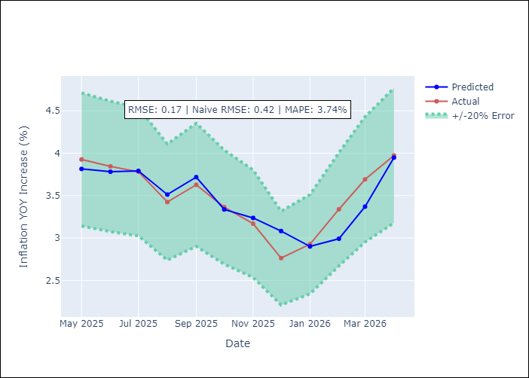
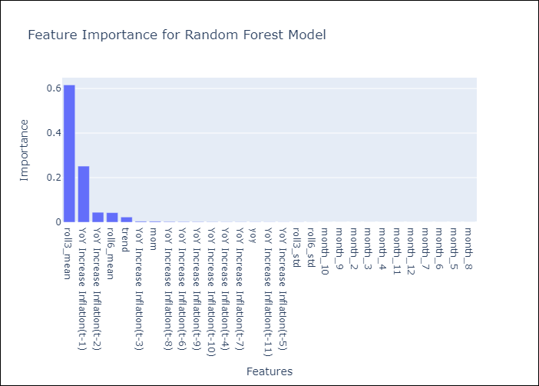

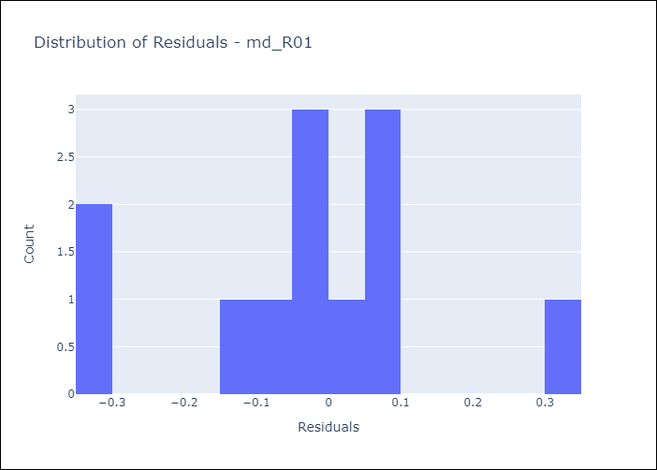
Appendix A: Model Summary
Model | Random Forest w/ Lags
Sample | 1990-01-01 to 2025-04-01
No. of Observations | 421
Residuals
Mean | -0.028788788633
St Dev | 0.17187269977
Kurtosis | 0.12449916216
Skewness | -0.18772312234

Assumptions | P-value

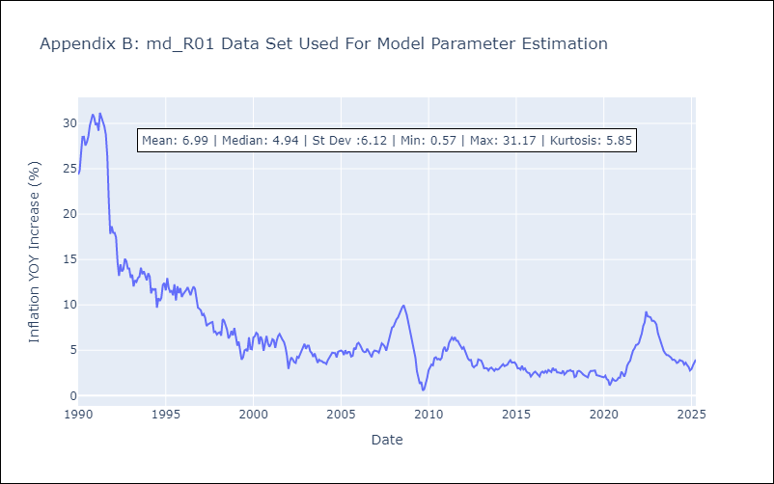

Appendix C: Residuals Analysis
Mean

md_R02
md_R02 - Inflation - Next 12 months forecast as of: 2025-04-01

Model | Random Forest w/ Lags - ((0, 1, 1), (0, 0, 1, 12))
Training Data | 1990-01-01 to 2024-05-01
Test Data | 2024-05-01 to 2025-04-01

Date | Inflation Change YoY % | Lower Bound - 95% Confidence Interval | Upper Bound - 95% Confidence Interval | Bias Corrected Forecast
2025-05-01 | 4.16 | 3.96 | 4.3
2025-06-01 | 4.14 | 3.92 | 4.4
2025-07-01 | 4 | 3.81 | 4.4
2025-08-01 | 3.94 | 3.77 | 4.46
2025-09-01 | 3.88 | 3.68 | 4.46
2025-10-01 | 3.83 | 3.65 | 4.45
2025-11-01 | 3.79 | 3.62 | 4.46
2025-12-01 | 3.71 | 3.6 | 4.48
2026-01-01 | 3.68 | 3.6 | 4.5
2026-02-01 | 3.65 | 3.6 | 4.51
2026-03-01 | 3.63 | 3.59 | 4.52
2026-04-01 | 3.62 | 3.59 | 4.53

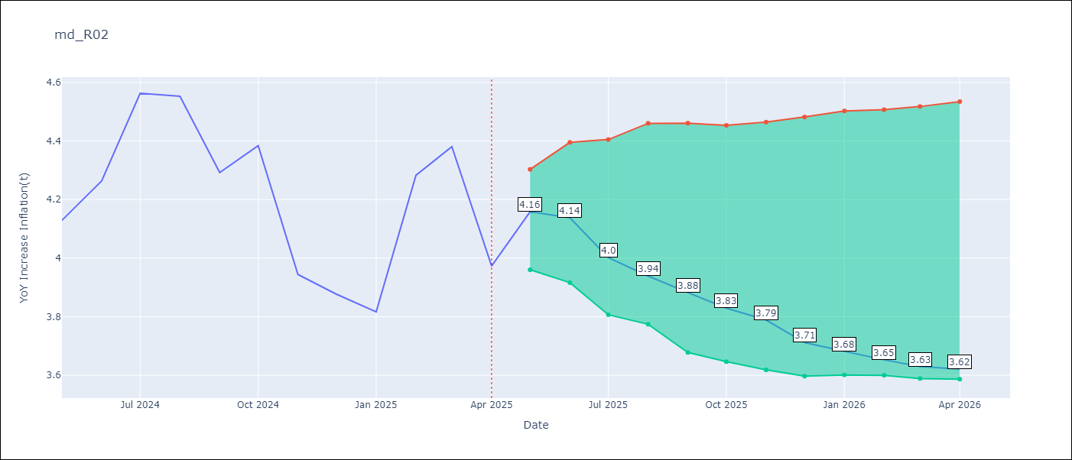

Test Set
RMSE | 0.17
Naive RMSE | 0.45
MAPE | 3.24%

Test Predictions
Date | Predicted | Actual | Bias Vector | Bias Corrected
2025-05-01 | 3.91 | 4.13
2025-06-01 | 4.04 | 4.26
2025-07-01 | 4.5 | 4.56
2025-08-01 | 4.4 | 4.55
2025-09-01 | 4.3 | 4.29
2025-10-01 | 4.35 | 4.38
2025-11-01 | 4.15 | 3.94
2025-12-01 | 3.9 | 3.88
2026-01-01 | 3.78 | 3.82
2026-02-01 | 3.99 | 4.28
2026-03-01 | 4.18 | 4.38
2026-04-01 | 4.16 | 3.97

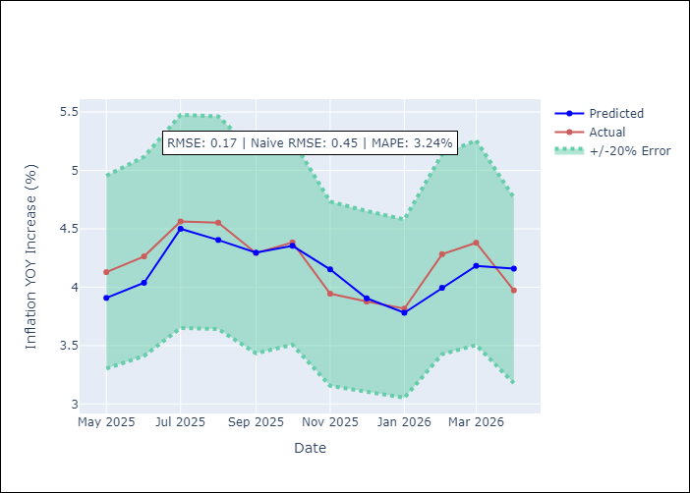
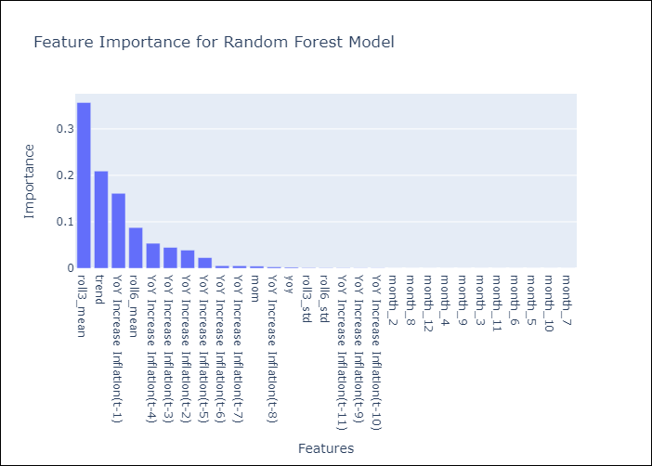

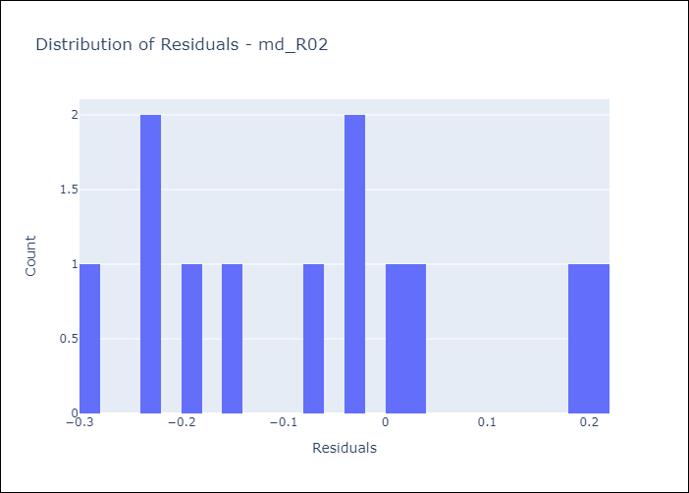
Appendix A: Model Summary
Model | Random Forest w/ Lags
Sample | 1990-01-01 to 2025-04-01
No. of Observations | 424
Residuals
Mean | -0.06516472659
St Dev | 0.15211490383
Kurtosis | -0.85711769942
Skewness | 0.37075653352

Assumptions | P-value

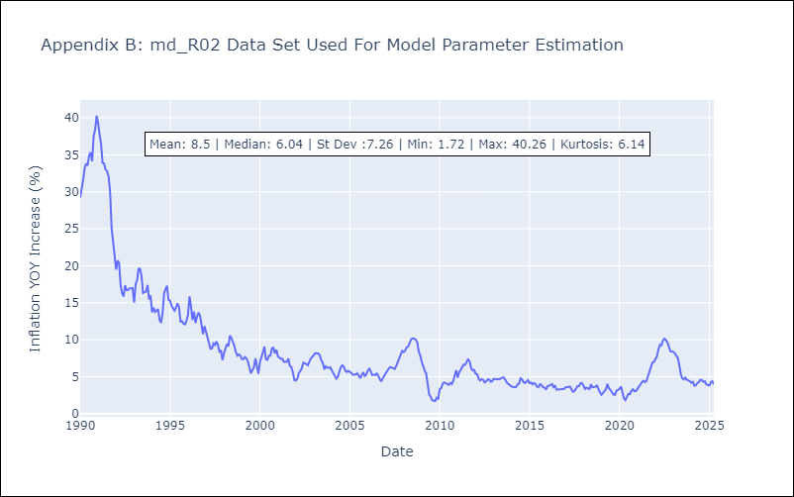

Appendix C: Residuals Analysis
Mean

md_SUR10
md_SUR10 - Inflation - Next 12 months forecast as of: 2025-04-01

Model | Random Forest w/ Lags - ((1, 1, 0), (0, 0, 1, 12))
Training Data | 1990-01-01 to 2024-05-01
Test Data | 2024-05-01 to 2025-04-01

Date | Inflation Change YoY % | Lower Bound - 95% Confidence Interval | Upper Bound - 95% Confidence Interval | Bias Corrected Forecast
2025-05-01 | 4.9 | 4.78 | 5.02
2025-06-01 | 4.9 | 4.72 | 5.03
2025-07-01 | 4.88 | 4.67 | 5.03
2025-08-01 | 4.85 | 4.61 | 5.02
2025-09-01 | 4.83 | 4.56 | 5
2025-10-01 | 4.82 | 4.54 | 4.99
2025-11-01 | 4.81 | 4.51 | 4.99
2025-12-01 | 4.8 | 4.49 | 4.99
2026-01-01 | 4.8 | 4.46 | 4.99
2026-02-01 | 4.78 | 4.42 | 4.98
2026-03-01 | 4.77 | 4.39 | 4.98
2026-04-01 | 4.76 | 4.38 | 4.98

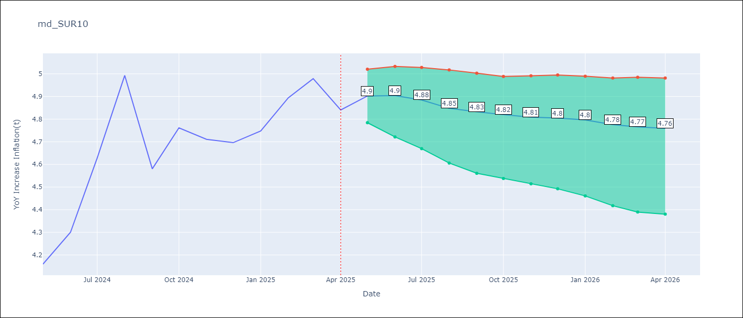

Test Set
RMSE | 0.1
Naive RMSE | 0.76
MAPE | 1.6%

Test Predictions
Date | Predicted | Actual | Bias Vector | Bias Corrected
2025-05-01 | 4.04 | 4.16
2025-06-01 | 4.15 | 4.3
2025-07-01 | 4.47 | 4.63
2025-08-01 | 4.79 | 4.99
2025-09-01 | 4.59 | 4.58
2025-10-01 | 4.76 | 4.76
2025-11-01 | 4.67 | 4.71
2025-12-01 | 4.73 | 4.7
2026-01-01 | 4.73 | 4.75
2026-02-01 | 4.8 | 4.89
2026-03-01 | 4.99 | 4.98
2026-04-01 | 4.9 | 4.84

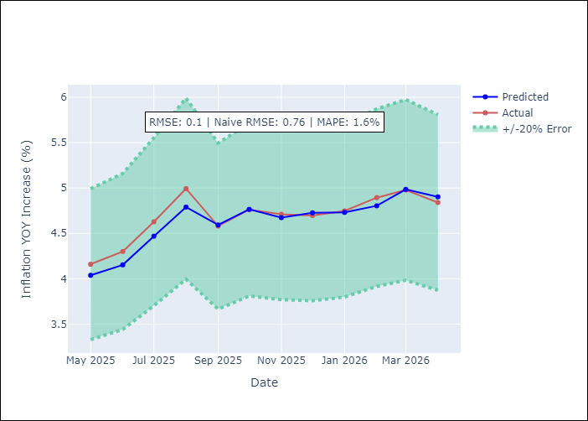
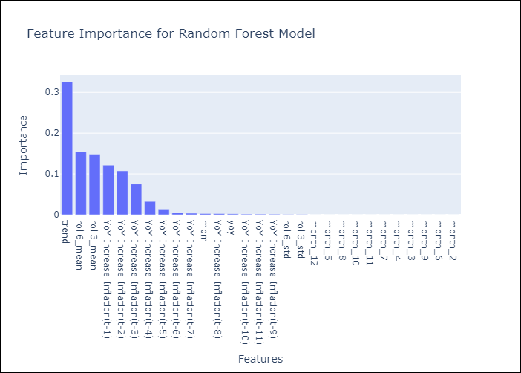

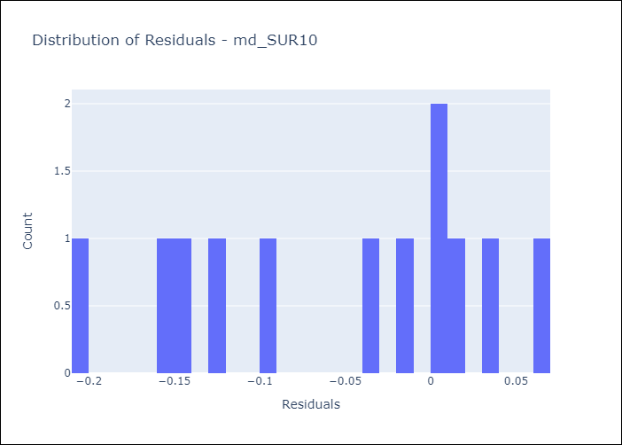
Appendix A: Model Summary
Model | Random Forest w/ Lags
Sample | 1990-01-01 to 2025-04-01
No. of Observations | 424
Residuals
Mean | -0.055192225751
St Dev | 0.082481326198
Kurtosis | -1.2310455843
Skewness | -0.36709396312

Assumptions | P-value

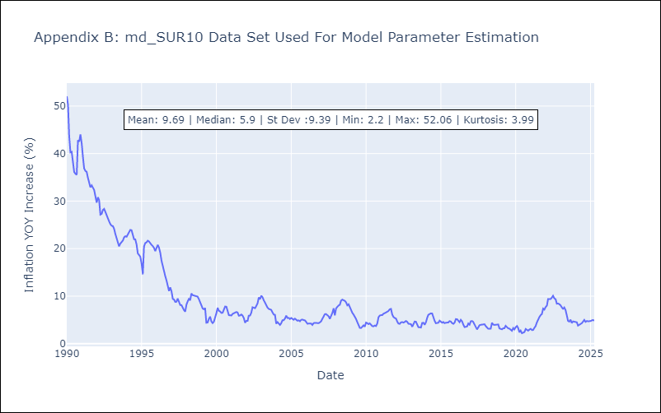

Appendix C: Residuals Analysis
Mean

