CAR13
CAR13 - Inflation - Next 12 months forecast as of: 2025-04-01

Model | Random Forest w/ Lags - {'min_samples_split': 5, 'min_samples_leaf': 2, 'max_features': 0.7, 'max_depth': 300, 'n_estimators': 1200, 'n_jobs': -1}
Training Data | 1991-01-01 to 2024-05-01
Test Data | 2024-05-01 to 2025-04-01

Date | Inflation Change YoY % | Lower Bound - 95% Confidence Interval | Upper Bound - 95% Confidence Interval | Bias Corrected Forecast
2025-05-01 | 2.46 | 2.34 | 2.63
2025-06-01 | 2.45 | 2.24 | 2.68
2025-07-01 | 2.4 | 2.16 | 2.68
2025-08-01 | 2.4 | 2.08 | 2.7
2025-09-01 | 2.35 | 1.95 | 2.71
2025-10-01 | 2.33 | 1.97 | 2.73
2025-11-01 | 2.39 | 2.02 | 2.75
2025-12-01 | 2.43 | 2.02 | 2.76
2026-01-01 | 2.41 | 2.01 | 2.77
2026-02-01 | 2.39 | 1.98 | 2.77
2026-03-01 | 2.43 | 1.99 | 2.75
2026-04-01 | 2.44 | 1.97 | 2.75

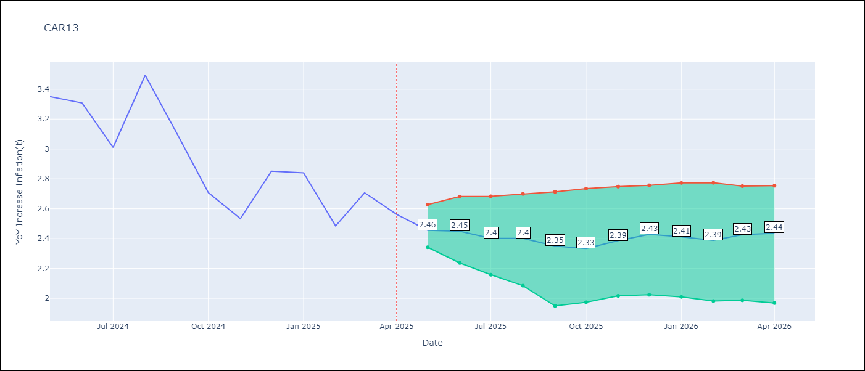

Test Set
RMSE | 0.13
Naive RMSE | 0.49
MAPE | 3.34%

Test Predictions
Date | Predicted | Actual | Bias Vector | Bias Corrected
2025-05-01 | 3.38 | 3.35
2025-06-01 | 3.3 | 3.31
2025-07-01 | 3.1 | 3.01
2025-08-01 | 3.16 | 3.49
2025-09-01 | 3.19 | 3.1
2025-10-01 | 2.83 | 2.71
2025-11-01 | 2.65 | 2.53
2025-12-01 | 2.84 | 2.85
2026-01-01 | 2.72 | 2.84
2026-02-01 | 2.6 | 2.48
2026-03-01 | 2.68 | 2.71
2026-04-01 | 2.46 | 2.56

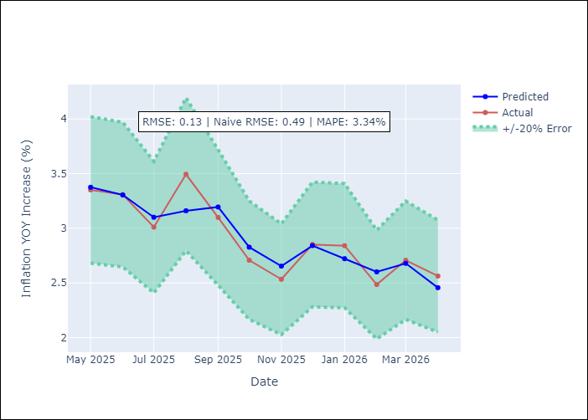
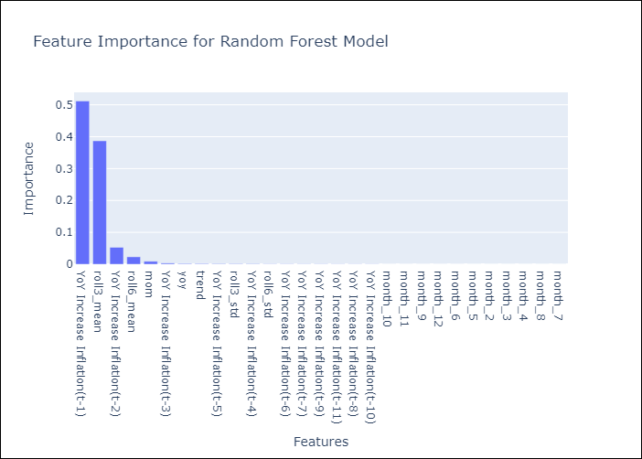

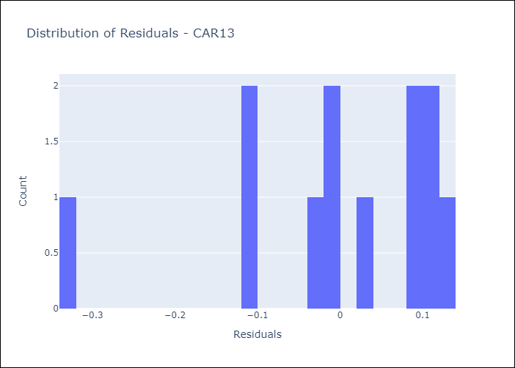
Appendix A: Model Summary
Model | Random Forest w/ Lags
Sample | 1991-01-01 to 2025-04-01
No. of Observations | 409
Residuals
Mean | -0.0030173097404
St Dev | 0.12840082904
Kurtosis | 1.027943677
Skewness | -1.2519349436

Assumptions | P-value

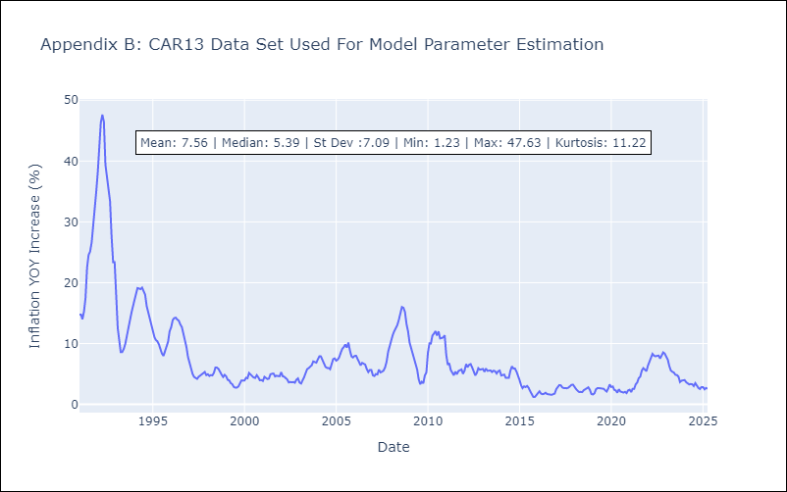

Appendix C: Residuals Analysis
Mean

CEN09
CEN09 - Inflation - Next 12 months forecast as of: 2025-05-01

Model | Random Forest w/ Lags - {'min_samples_split': 5, 'min_samples_leaf': 4, 'max_features': 0.7, 'max_depth': 300, 'n_estimators': 300, 'n_jobs': -1}
Training Data | 1990-01-01 to 2024-06-01
Test Data | 2024-06-01 to 2025-05-01

Date | Inflation Change YoY % | Lower Bound - 95% Confidence Interval | Upper Bound - 95% Confidence Interval | Bias Corrected Forecast
2025-06-01 | 1.75 | 1.35 | 3.81
2025-07-01 | 1.85 | 1.45 | 2.42
2025-08-01 | 1.94 | 1.38 | 4.88
2025-09-01 | 2.21 | 1.47 | 3.3
2025-10-01 | 2.38 | 1.64 | 5.18
2025-11-01 | 2.62 | 1.58 | 4.08
2025-12-01 | 2.66 | 1.53 | 4.68
2026-01-01 | 2.65 | 1.6 | 4.42
2026-02-01 | 2.65 | 1.6 | 4.43
2026-03-01 | 2.62 | 1.59 | 4.48
2026-04-01 | 2.65 | 1.61 | 4.48
2026-05-01 | 2.62 | 1.62 | 4.53

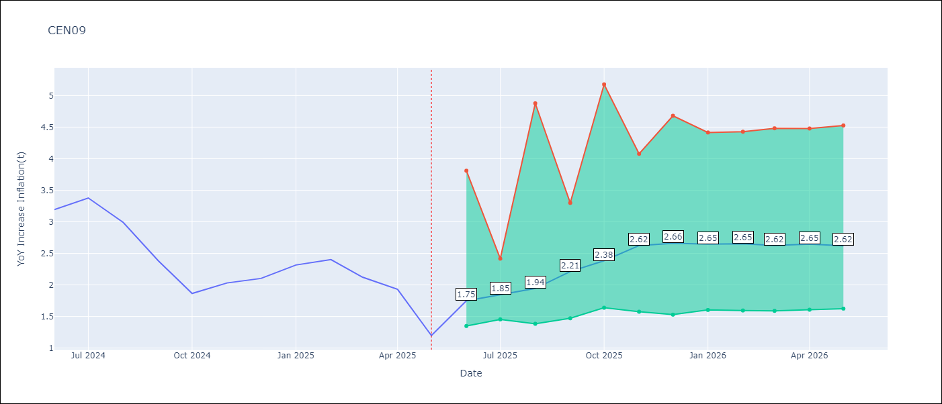

Test Set
RMSE | 0.23
Naive RMSE | 1.09
MAPE | 9.23%

Test Predictions
Date | Predicted | Actual | Bias Vector | Bias Corrected
2025-06-01 | 3.12 | 3.19
2025-07-01 | 3.2 | 3.38
2025-08-01 | 2.98 | 2.99
2025-09-01 | 2.71 | 2.38
2025-10-01 | 2.09 | 1.87
2025-11-01 | 2.04 | 2.03
2025-12-01 | 2.01 | 2.1
2026-01-01 | 2.3 | 2.32
2026-02-01 | 2.45 | 2.4
2026-03-01 | 2.37 | 2.12
2026-04-01 | 2.16 | 1.93
2026-05-01 | 1.75 | 1.2

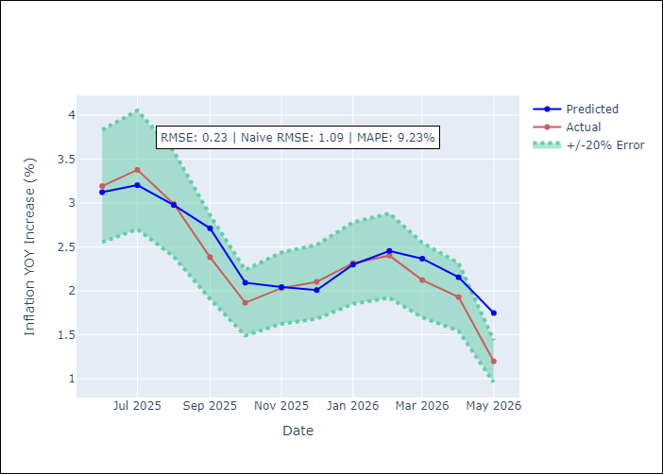
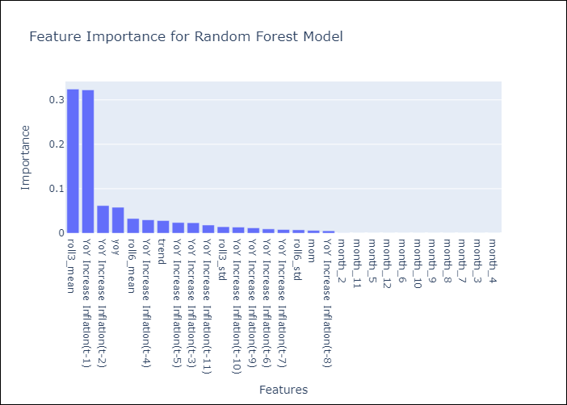

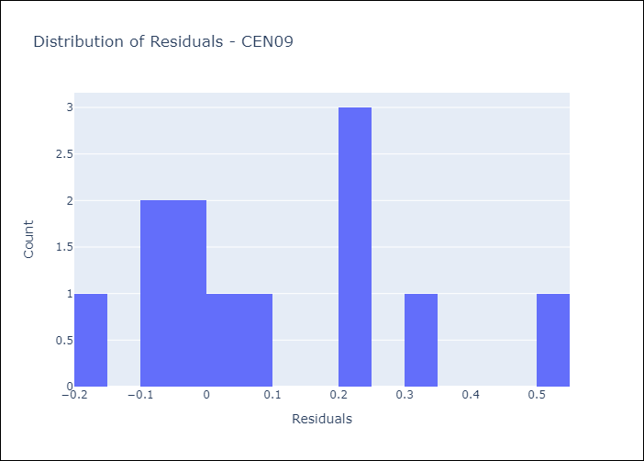
Appendix A: Model Summary
Model | Random Forest w/ Lags
Sample | 1990-01-01 to 2025-05-01
No. of Observations | 422
Residuals
Mean | 0.10596110259
St Dev | 0.20104128153
Kurtosis | -0.38192471583
Skewness | 0.66107845495

Assumptions | P-value

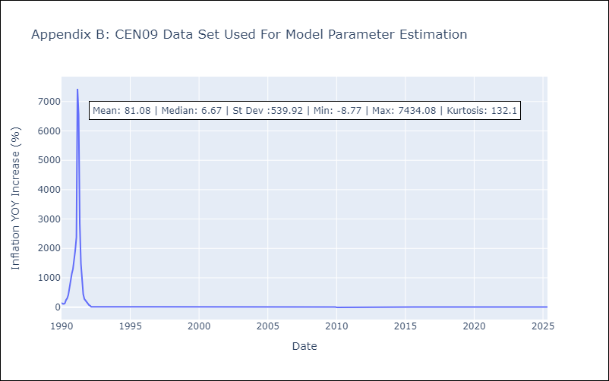

Appendix C: Residuals Analysis
Mean

CEN10
CEN10 - Inflation - Next 12 months forecast as of: 2025-05-01

Model | Random Forest w/ Lags - {'min_samples_split': 5, 'min_samples_leaf': 2, 'max_features': 0.5, 'max_depth': 600, 'n_estimators': 1000, 'n_jobs': -1}
Training Data | 1990-01-01 to 2024-06-01
Test Data | 2024-06-01 to 2025-05-01

Date | Inflation Change YoY % | Lower Bound - 95% Confidence Interval | Upper Bound - 95% Confidence Interval | Bias Corrected Forecast
2025-06-01 | 3.37 | 3.11 | 3.54
2025-07-01 | 3.36 | 3.04 | 3.57
2025-08-01 | 3.33 | 3 | 3.57
2025-09-01 | 3.36 | 3.03 | 3.62
2025-10-01 | 3.44 | 3.02 | 3.67
2025-11-01 | 3.47 | 3.01 | 3.71
2025-12-01 | 3.47 | 3.02 | 3.72
2026-01-01 | 3.48 | 3.02 | 3.73
2026-02-01 | 3.49 | 3.02 | 3.78
2026-03-01 | 3.49 | 3.02 | 3.79
2026-04-01 | 3.51 | 3.01 | 3.8
2026-05-01 | 3.52 | 3.01 | 3.81

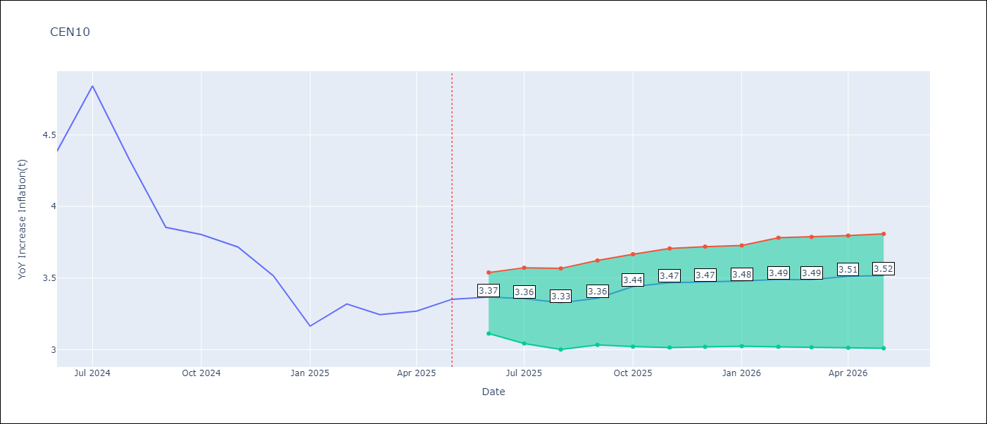

Test Set
RMSE | 0.14
Naive RMSE | 0.7
MAPE | 2.99%

Test Predictions
Date | Predicted | Actual | Bias Vector | Bias Corrected
2025-06-01 | 4.31 | 4.39
2025-07-01 | 4.53 | 4.84
2025-08-01 | 4.4 | 4.33
2025-09-01 | 4.09 | 3.85
2025-10-01 | 3.88 | 3.8
2025-11-01 | 3.81 | 3.72
2025-12-01 | 3.54 | 3.52
2026-01-01 | 3.3 | 3.16
2026-02-01 | 3.46 | 3.32
2026-03-01 | 3.35 | 3.24
2026-04-01 | 3.35 | 3.27
2026-05-01 | 3.37 | 3.35

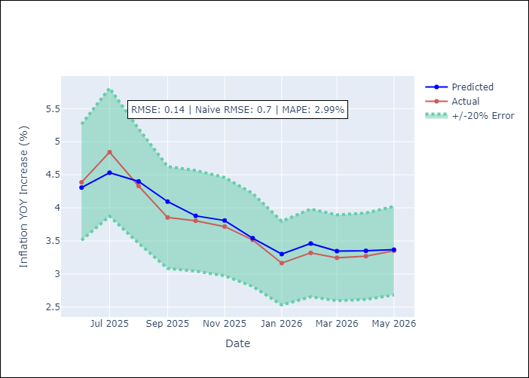
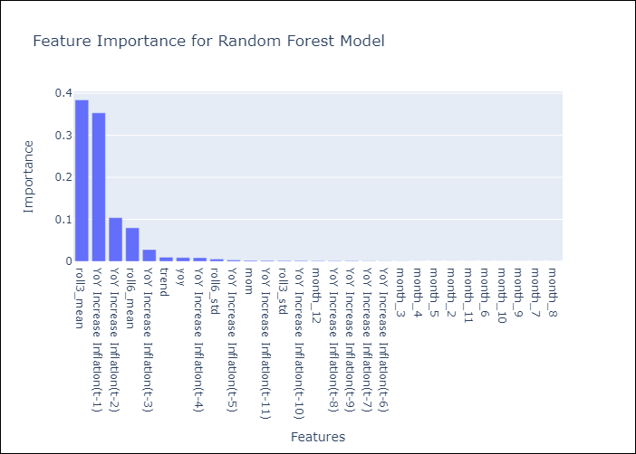

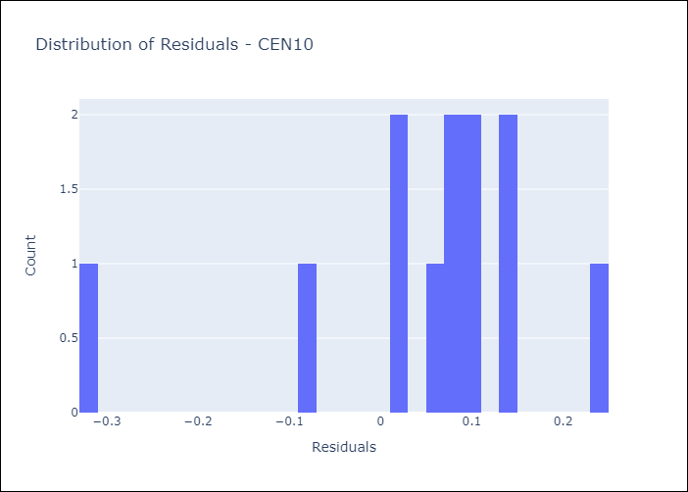
Appendix A: Model Summary
Model | Random Forest w/ Lags
Sample | 1990-01-01 to 2025-05-01
No. of Observations | 422
Residuals
Mean | 0.049065031923
St Dev | 0.13127895841
Kurtosis | 2.1829073798
Skewness | -1.4734814081

Assumptions | P-value



Appendix C: Residuals Analysis
Mean

R01
R01 - Inflation - Next 12 months forecast as of: 2025-05-01

Model | Random Forest w/ Lags - {'min_samples_split': 5, 'min_samples_leaf': 2, 'max_features': 0.5, 'max_depth': 600, 'n_estimators': 800, 'n_jobs': -1}
Training Data | 1990-01-01 to 2024-06-01
Test Data | 2024-06-01 to 2025-05-01

Date | Inflation Change YoY % | Lower Bound - 95% Confidence Interval | Upper Bound - 95% Confidence Interval | Bias Corrected Forecast
2025-06-01 | 4.59 | 4.44 | 4.69
2025-07-01 | 4.65 | 4.47 | 4.8
2025-08-01 | 4.7 | 4.47 | 4.83
2025-09-01 | 4.8 | 4.5 | 4.88
2025-10-01 | 4.85 | 4.53 | 4.92
2025-11-01 | 4.87 | 4.52 | 4.97
2025-12-01 | 4.91 | 4.54 | 5
2026-01-01 | 4.94 | 4.54 | 5.03
2026-02-01 | 4.95 | 4.54 | 5.06
2026-03-01 | 4.95 | 4.52 | 5.11
2026-04-01 | 4.96 | 4.49 | 5.16
2026-05-01 | 4.96 | 4.48 | 5.21

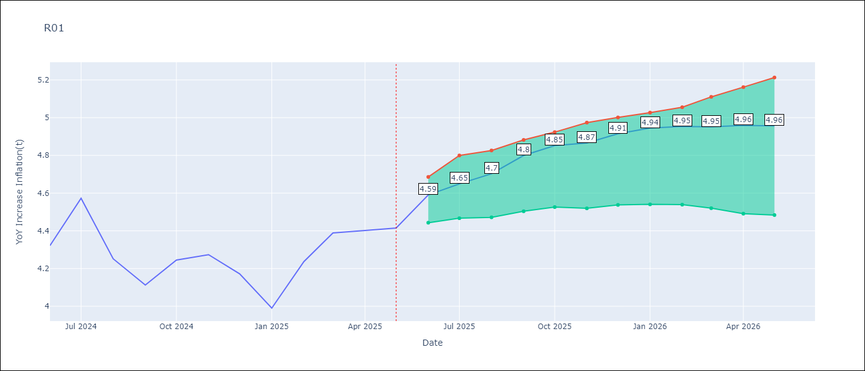

Test Set
RMSE | 0.12
Naive RMSE | 0.19
MAPE | 2.53%

Test Predictions
Date | Predicted | Actual | Bias Vector | Bias Corrected
2025-06-01 | 4.2 | 4.32
2025-07-01 | 4.37 | 4.57
2025-08-01 | 4.4 | 4.25
2025-09-01 | 4.2 | 4.11
2025-10-01 | 4.25 | 4.24
2025-11-01 | 4.26 | 4.27
2025-12-01 | 4.25 | 4.17
2026-01-01 | 4.14 | 3.99
2026-02-01 | 4.12 | 4.24
2026-03-01 | 4.31 | 4.39
2026-04-01 | 4.51 | 4.4
2026-05-01 | 4.59 | 4.41

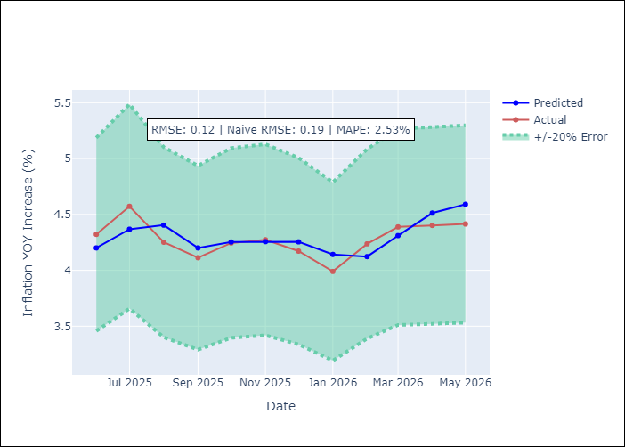
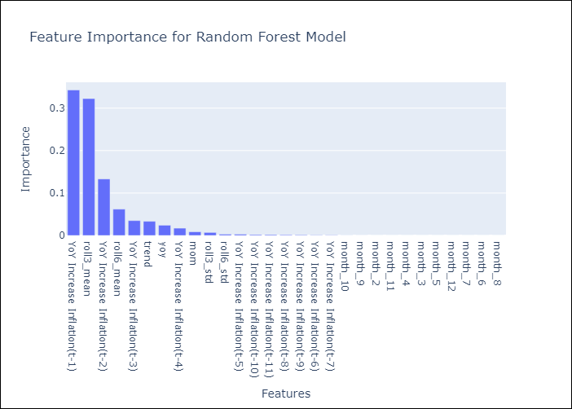

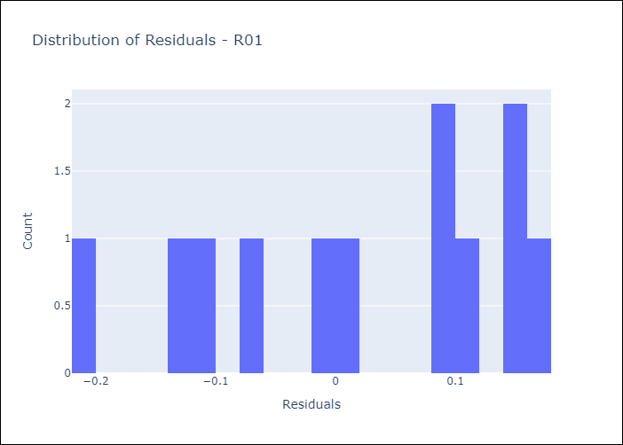
Appendix A: Model Summary
Model | Random Forest w/ Lags
Sample | 1990-01-01 to 2025-05-01
No. of Observations | 421
Residuals
Mean | 0.019634379421
St Dev | 0.12089740461
Kurtosis | -1.1855437732
Skewness | -0.35981582406

Assumptions | P-value

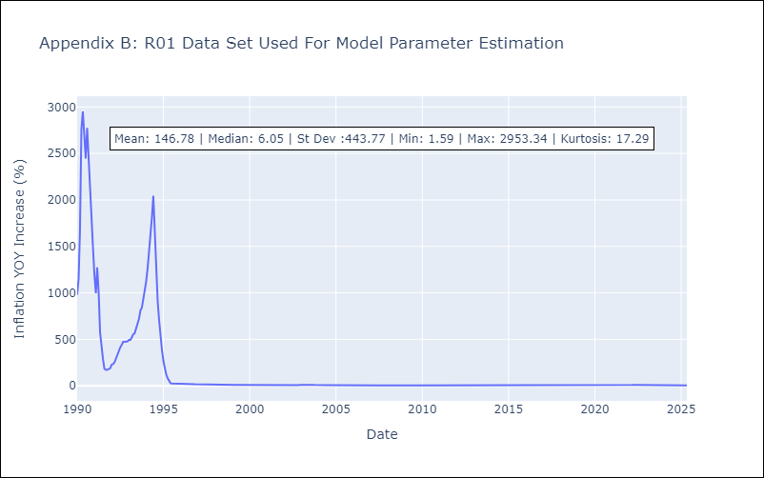

Appendix C: Residuals Analysis
Mean

R02
R02 - Inflation - Next 12 months forecast as of: 2025-05-01

Model | Random Forest w/ Lags - {'min_samples_split': 2, 'min_samples_leaf': 1, 'max_features': 0.7, 'max_depth': 900, 'n_estimators': 150, 'n_jobs': -1}
Training Data | 1990-01-01 to 2024-06-01
Test Data | 2024-06-01 to 2025-05-01

Date | Inflation Change YoY % | Lower Bound - 95% Confidence Interval | Upper Bound - 95% Confidence Interval | Bias Corrected Forecast
2025-06-01 | 4.64 | 4.48 | 4.77
2025-07-01 | 4.67 | 4.47 | 4.86
2025-08-01 | 4.77 | 4.47 | 4.84
2025-09-01 | 4.83 | 4.48 | 4.92
2025-10-01 | 4.85 | 4.49 | 4.99
2025-11-01 | 4.87 | 4.48 | 4.98
2025-12-01 | 4.87 | 4.49 | 5.11
2026-01-01 | 4.86 | 4.48 | 5.22
2026-02-01 | 4.85 | 4.48 | 5.28
2026-03-01 | 4.84 | 4.47 | 5.32
2026-04-01 | 4.81 | 4.47 | 5.34
2026-05-01 | 4.78 | 4.47 | 5.35

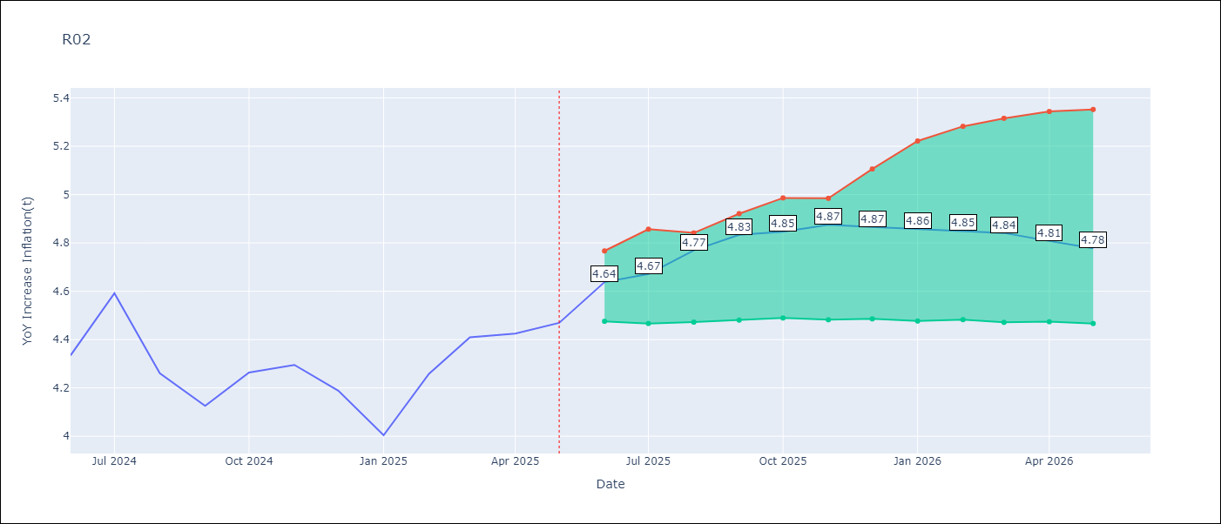

Test Set
RMSE | 0.14
Naive RMSE | 0.2
MAPE | 2.89%

Test Predictions
Date | Predicted | Actual | Bias Vector | Bias Corrected
2025-06-01 | 4.2 | 4.33
2025-07-01 | 4.37 | 4.59
2025-08-01 | 4.47 | 4.26
2025-09-01 | 4.25 | 4.13
2025-10-01 | 4.22 | 4.26
2025-11-01 | 4.26 | 4.3
2025-12-01 | 4.27 | 4.19
2026-01-01 | 4.21 | 4
2026-02-01 | 4.17 | 4.26
2026-03-01 | 4.32 | 4.41
2026-04-01 | 4.52 | 4.42
2026-05-01 | 4.64 | 4.47

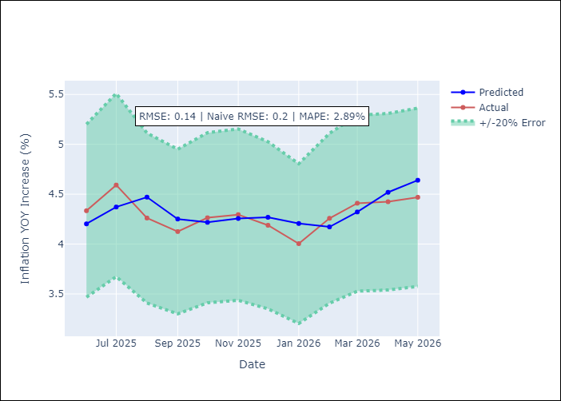
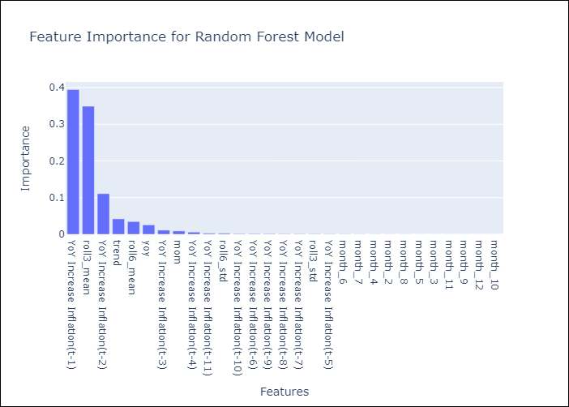

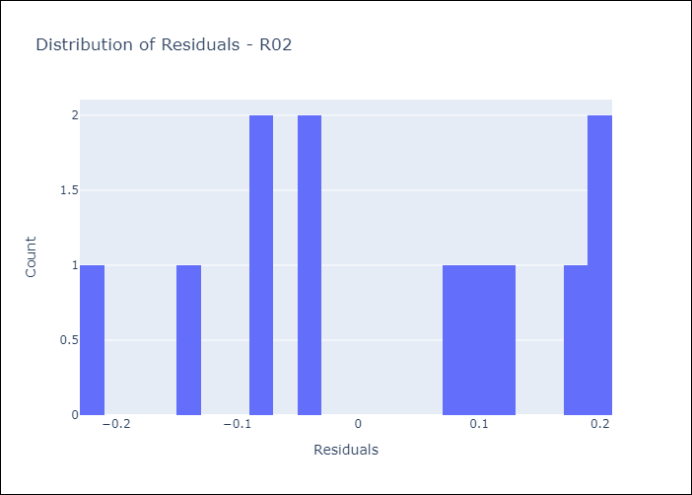
Appendix A: Model Summary
Model | Random Forest w/ Lags
Sample | 1990-01-01 to 2025-05-01
No. of Observations | 422
Residuals
Mean | 0.022650968454
St Dev | 0.13643198143
Kurtosis | -1.2548898272
Skewness | -0.13081517689

Assumptions | P-value

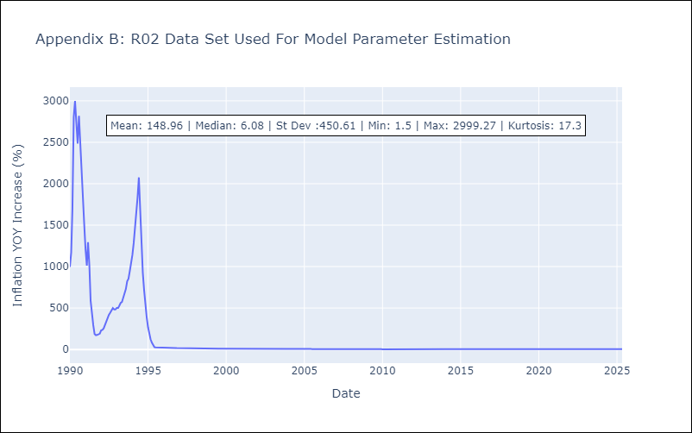

Appendix C: Residuals Analysis
Mean

R07
R07 - Inflation - Next 12 months forecast as of: 2025-04-01

Model | Random Forest w/ Lags - {'min_samples_split': 5, 'min_samples_leaf': 2, 'max_features': 0.7, 'max_depth': 300, 'n_estimators': 1000, 'n_jobs': -1}
Training Data | 1991-01-01 to 2024-05-01
Test Data | 2024-05-01 to 2025-04-01

Date | Inflation Change YoY % | Lower Bound - 95% Confidence Interval | Upper Bound - 95% Confidence Interval | Bias Corrected Forecast
2025-05-01 | 2.46 | 2.33 | 2.67
2025-06-01 | 2.45 | 2.28 | 2.83
2025-07-01 | 2.4 | 2.19 | 2.88
2025-08-01 | 2.41 | 2.09 | 2.87
2025-09-01 | 2.35 | 1.98 | 2.8
2025-10-01 | 2.33 | 1.97 | 2.78
2025-11-01 | 2.39 | 1.99 | 2.78
2025-12-01 | 2.43 | 2.01 | 2.78
2026-01-01 | 2.42 | 1.97 | 2.81
2026-02-01 | 2.4 | 1.95 | 2.8
2026-03-01 | 2.43 | 1.94 | 2.79
2026-04-01 | 2.44 | 1.92 | 2.82

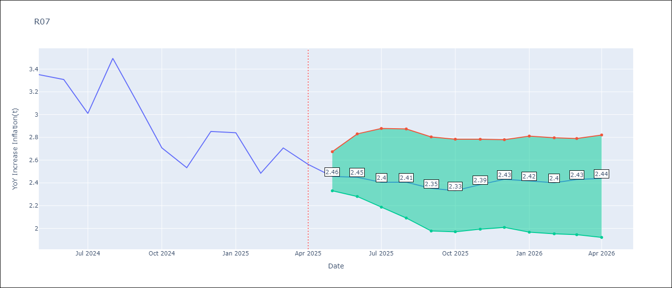

Test Set
RMSE | 0.13
Naive RMSE | 0.49
MAPE | 3.36%

Test Predictions
Date | Predicted | Actual | Bias Vector | Bias Corrected
2025-05-01 | 3.39 | 3.35
2025-06-01 | 3.3 | 3.31
2025-07-01 | 3.1 | 3.01
2025-08-01 | 3.16 | 3.49
2025-09-01 | 3.19 | 3.1
2025-10-01 | 2.83 | 2.71
2025-11-01 | 2.66 | 2.53
2025-12-01 | 2.84 | 2.85
2026-01-01 | 2.72 | 2.84
2026-02-01 | 2.6 | 2.48
2026-03-01 | 2.68 | 2.71
2026-04-01 | 2.46 | 2.56


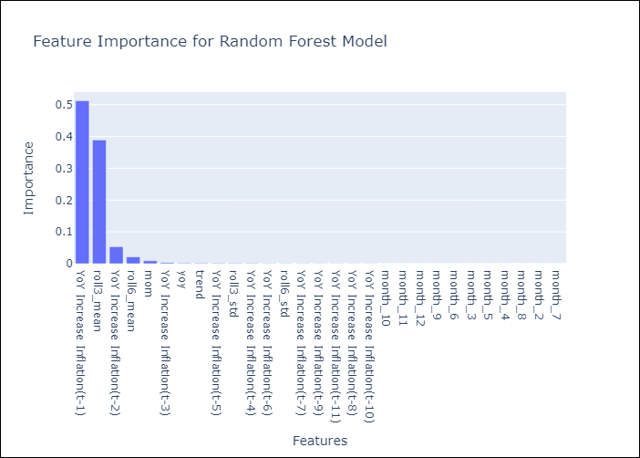

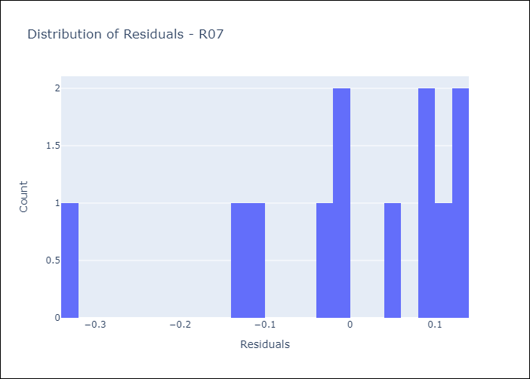
Appendix A: Model Summary
Model | Random Forest w/ Lags
Sample | 1991-01-01 to 2025-04-01
No. of Observations | 409
Residuals
Mean | -0.0012312124215
St Dev | 0.12856995821
Kurtosis | 1.0126944485
Skewness | -1.2688306272

Assumptions | P-value

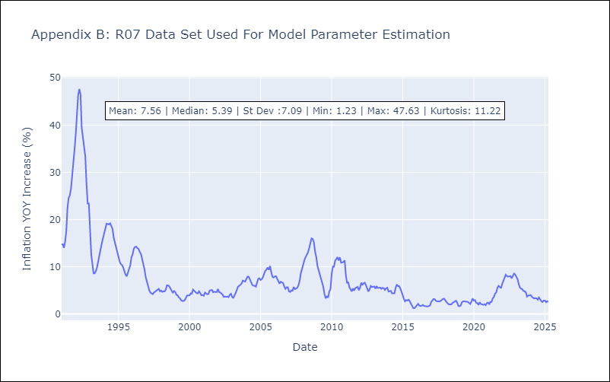

Appendix C: Residuals Analysis
Mean

SUR10
SUR10 - Inflation - Next 12 months forecast as of: 2025-05-01

Model | Random Forest w/ Lags - {'min_samples_split': 2, 'min_samples_leaf': 2, 'max_features': 0.7, 'max_depth': None, 'n_estimators': 300, 'n_jobs': -1}
Training Data | 1990-01-01 to 2024-06-01
Test Data | 2024-06-01 to 2025-05-01

Date | Inflation Change YoY % | Lower Bound - 95% Confidence Interval | Upper Bound - 95% Confidence Interval | Bias Corrected Forecast
2025-06-01 | 5.09 | 4.98 | 5.23
2025-07-01 | 5.08 | 4.94 | 5.31
2025-08-01 | 5.04 | 4.93 | 5.37
2025-09-01 | 5.02 | 4.92 | 5.42
2025-10-01 | 5.02 | 4.92 | 5.43
2025-11-01 | 5.03 | 4.91 | 5.41
2025-12-01 | 5.02 | 4.9 | 5.44
2026-01-01 | 5.01 | 4.88 | 5.48
2026-02-01 | 5.02 | 4.86 | 5.5
2026-03-01 | 4.98 | 4.83 | 5.49
2026-04-01 | 4.94 | 4.72 | 5.49
2026-05-01 | 4.94 | 4.7 | 5.47

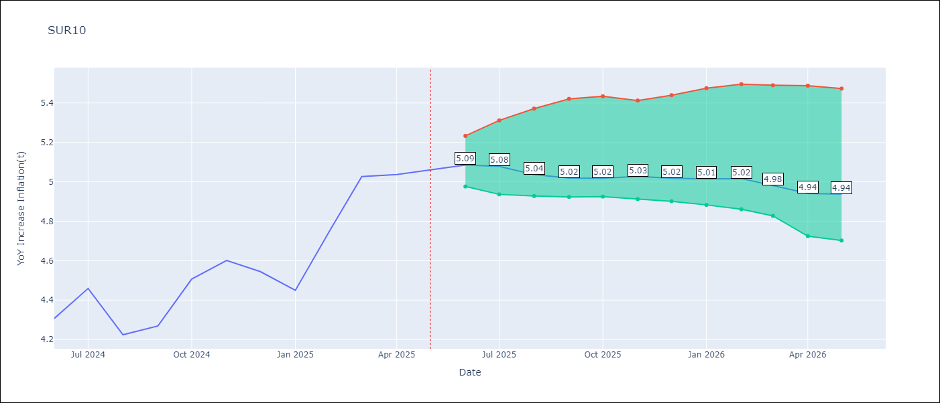

Test Set
RMSE | 0.1
Naive RMSE | 0.54
MAPE | 1.78%

Test Predictions
Date | Predicted | Actual | Bias Vector | Bias Corrected
2025-06-01 | 4.28 | 4.31
2025-07-01 | 4.42 | 4.46
2025-08-01 | 4.4 | 4.22
2025-09-01 | 4.28 | 4.27
2025-10-01 | 4.38 | 4.51
2025-11-01 | 4.53 | 4.6
2025-12-01 | 4.65 | 4.54
2026-01-01 | 4.64 | 4.45
2026-02-01 | 4.79 | 4.76
2026-03-01 | 4.9 | 5.03
2026-04-01 | 5.09 | 5.04
2026-05-01 | 5.09 | 5.06

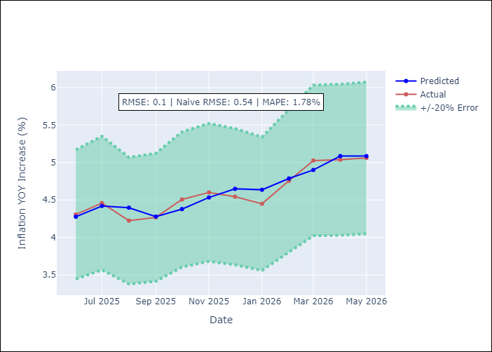
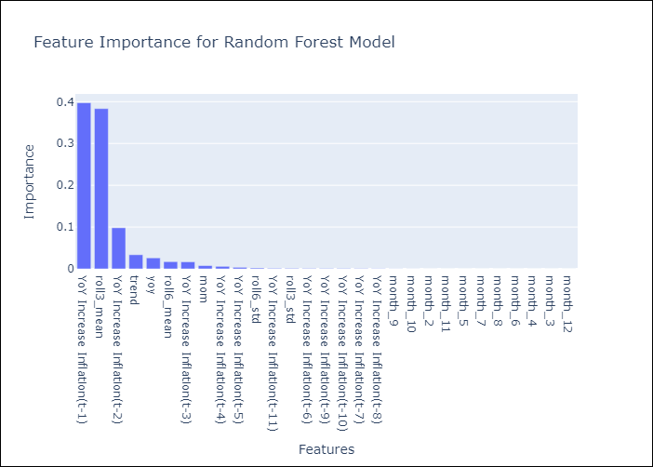

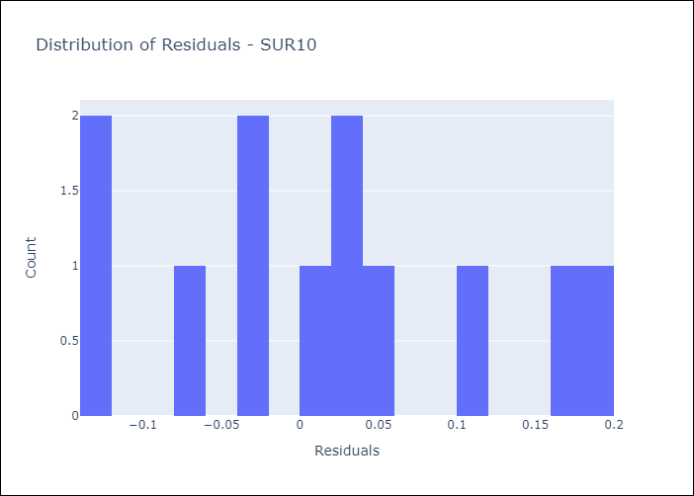
Appendix A: Model Summary
Model | Random Forest w/ Lags
Sample | 1990-01-01 to 2025-05-01
No. of Observations | 422
Residuals
Mean | 0.015609869412
St Dev | 0.098459622518
Kurtosis | -0.83883401269
Skewness | 0.263527542

Assumptions | P-value

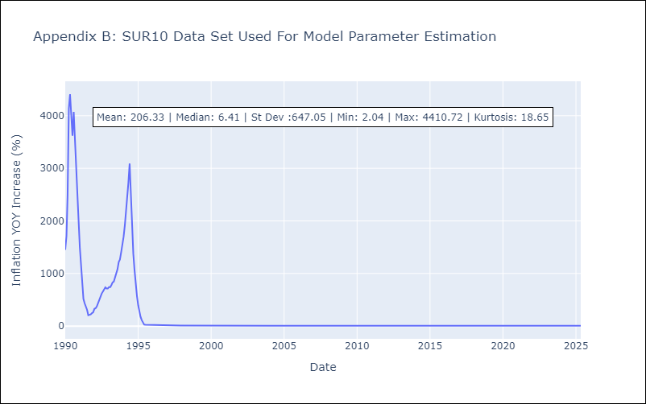

Appendix C: Residuals Analysis
Mean

