CAR13
CAR13 - Inflation - Next 12 months forecast as of: 2025-04-01

Model | Random Forest w/ Lags - {'min_samples_split': 5, 'min_samples_leaf': 2, 'max_features': 0.7, 'max_depth': 300, 'n_estimators': 800, 'n_jobs': -1}
Training Data | 1991-01-01 to 2024-05-01
Test Data | 2024-05-01 to 2025-04-01

Date | Inflation Change YoY % | Lower Bound - 95% Confidence Interval | Upper Bound - 95% Confidence Interval | Bias Corrected Forecast
2025-05-01 | 2.46 | 2.29 | 2.64
2025-06-01 | 2.45 | 2.2 | 2.68
2025-07-01 | 2.4 | 2.15 | 2.71
2025-08-01 | 2.4 | 2.07 | 2.79
2025-09-01 | 2.34 | 1.96 | 2.78
2025-10-01 | 2.33 | 1.97 | 2.82
2025-11-01 | 2.38 | 2.02 | 2.82
2025-12-01 | 2.43 | 2.01 | 2.78
2026-01-01 | 2.41 | 1.98 | 2.77
2026-02-01 | 2.38 | 1.99 | 2.78
2026-03-01 | 2.42 | 1.99 | 2.82
2026-04-01 | 2.43 | 1.95 | 2.85

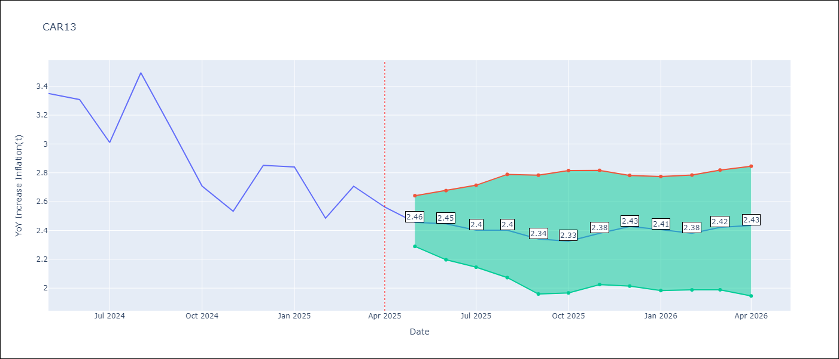

Test Set
RMSE | 0.13
Naive RMSE | 0.49
MAPE | 3.4%

Test Predictions
Date | Predicted | Actual | Bias Vector | Bias Corrected
2025-05-01 | 3.4 | 3.35
2025-06-01 | 3.31 | 3.31
2025-07-01 | 3.1 | 3.01
2025-08-01 | 3.16 | 3.49
2025-09-01 | 3.19 | 3.1
2025-10-01 | 2.83 | 2.71
2025-11-01 | 2.66 | 2.53
2025-12-01 | 2.85 | 2.85
2026-01-01 | 2.72 | 2.84
2026-02-01 | 2.6 | 2.48
2026-03-01 | 2.69 | 2.71
2026-04-01 | 2.46 | 2.56

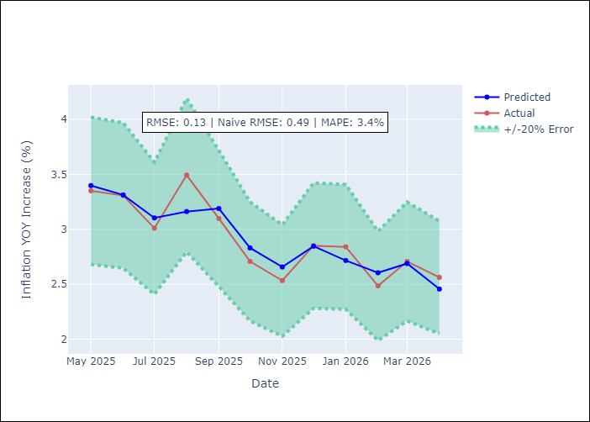
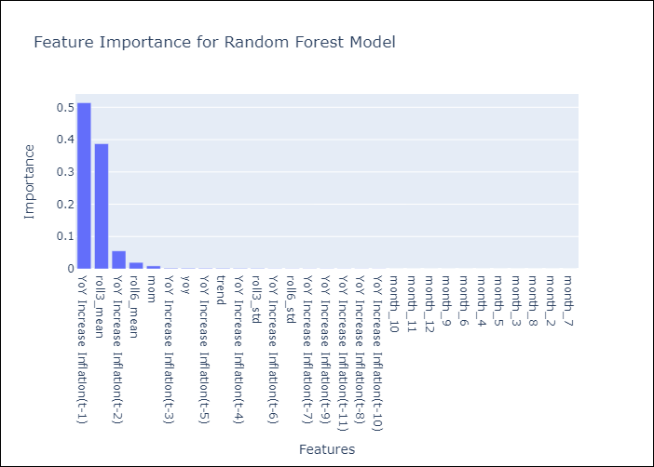

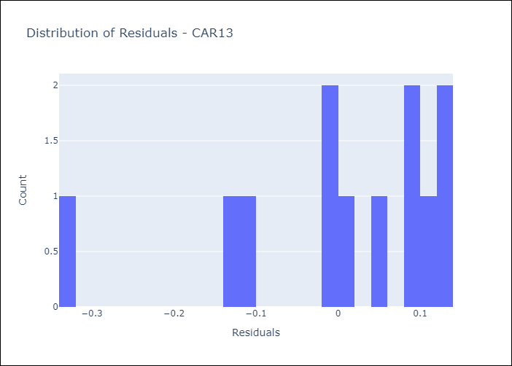
Appendix A: Model Summary
Model | Random Forest w/ Lags
Sample | 1991-01-01 to 2025-04-01
No. of Observations | 409
Residuals
Mean | 0.001481608346
St Dev | 0.12956626371
Kurtosis | 1.0063739141
Skewness | -1.2834909364

Assumptions | P-value

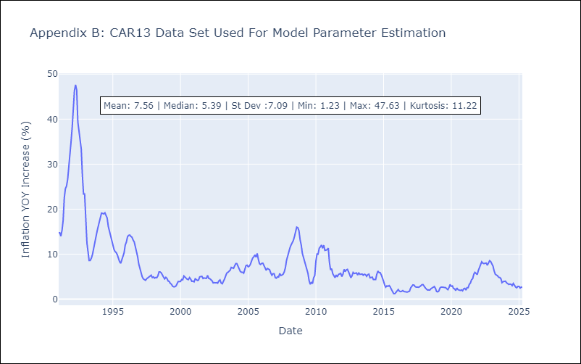

Appendix C: Residuals Analysis
Mean

CEN09
CEN09 - Inflation - Next 12 months forecast as of: 2025-05-01

Model | Random Forest w/ Lags - {'min_samples_split': 5, 'min_samples_leaf': 4, 'max_features': 0.7, 'max_depth': 300, 'n_estimators': 1000, 'n_jobs': -1}
Training Data | 1990-01-01 to 2024-06-01
Test Data | 2024-06-01 to 2025-05-01

Date | Inflation Change YoY % | Lower Bound - 95% Confidence Interval | Upper Bound - 95% Confidence Interval | Bias Corrected Forecast
2025-06-01 | 1.67 | 1.35 | 3.04
2025-07-01 | 1.83 | 1.57 | 2.4
2025-08-01 | 1.94 | 1.59 | 2.75
2025-09-01 | 2.23 | 1.65 | 2.78
2025-10-01 | 2.39 | 1.73 | 2.9
2025-11-01 | 2.62 | 1.74 | 3.04
2025-12-01 | 2.68 | 1.68 | 3.06
2026-01-01 | 2.65 | 1.7 | 3.14
2026-02-01 | 2.65 | 1.71 | 3.22
2026-03-01 | 2.63 | 1.73 | 3.29
2026-04-01 | 2.64 | 1.74 | 3.29
2026-05-01 | 2.62 | 1.73 | 3.32

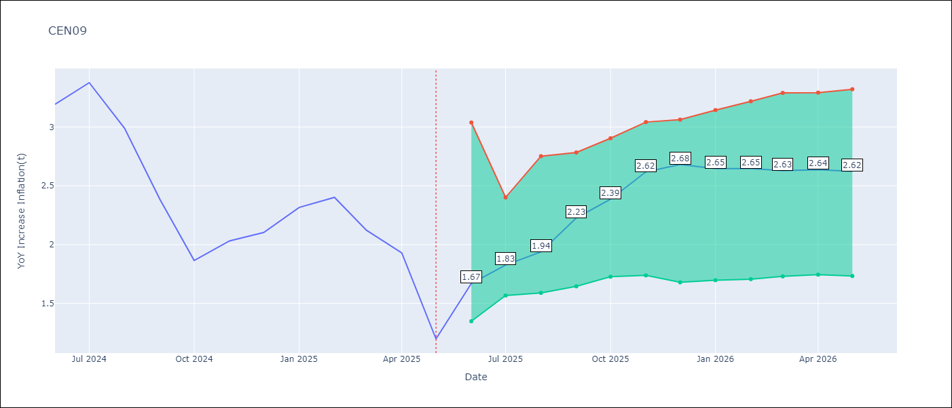

Test Set
RMSE | 0.21
Naive RMSE | 1.09
MAPE | 8.85%

Test Predictions
Date | Predicted | Actual | Bias Vector | Bias Corrected
2025-06-01 | 3.13 | 3.19
2025-07-01 | 3.21 | 3.38
2025-08-01 | 2.97 | 2.99
2025-09-01 | 2.68 | 2.38
2025-10-01 | 2.08 | 1.87
2025-11-01 | 2.07 | 2.03
2025-12-01 | 2 | 2.1
2026-01-01 | 2.32 | 2.32
2026-02-01 | 2.48 | 2.4
2026-03-01 | 2.38 | 2.12
2026-04-01 | 2.18 | 1.93
2026-05-01 | 1.67 | 1.2

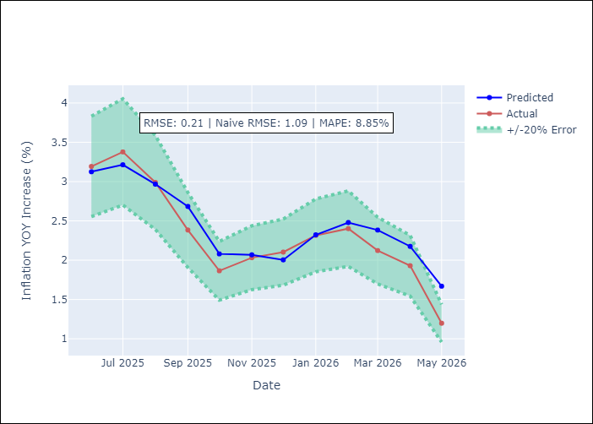
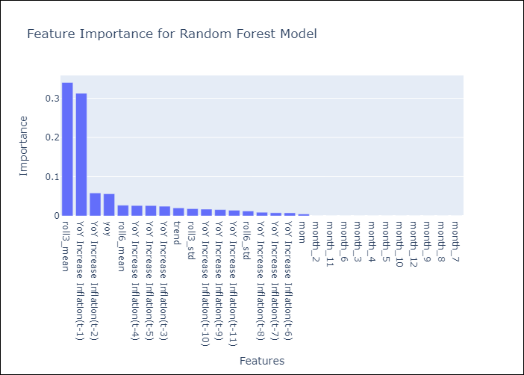

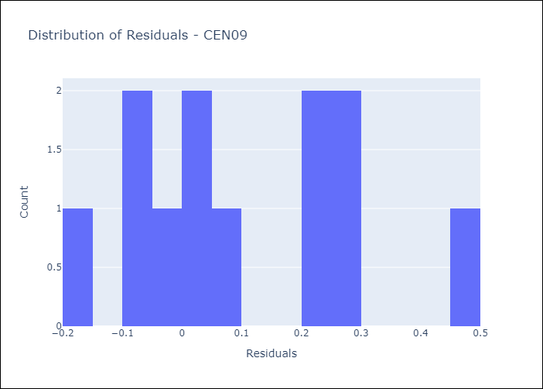
Appendix A: Model Summary
Model | Random Forest w/ Lags
Sample | 1990-01-01 to 2025-05-01
No. of Observations | 422
Residuals
Mean | 0.10510252481
St Dev | 0.18323623559
Kurtosis | -0.87417076086
Skewness | 0.37854633158

Assumptions | P-value

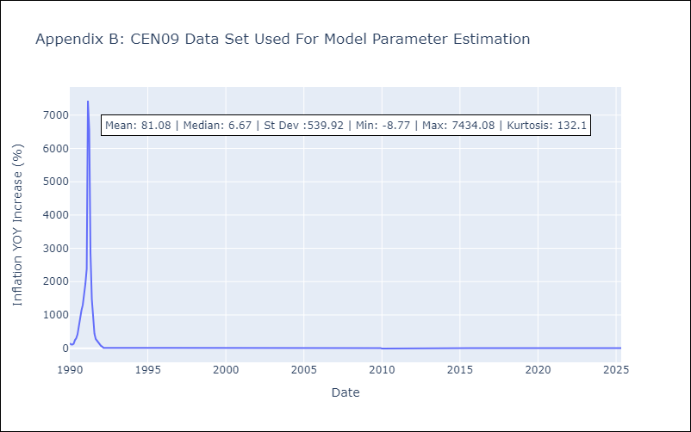

Appendix C: Residuals Analysis
Mean

CEN10
CEN10 - Inflation - Next 12 months forecast as of: 2025-05-01

Model | Random Forest w/ Lags - {'min_samples_split': 5, 'min_samples_leaf': 2, 'max_features': 0.5, 'max_depth': 600, 'n_estimators': 1000, 'n_jobs': -1}
Training Data | 1990-01-01 to 2024-06-01
Test Data | 2024-06-01 to 2025-05-01

Date | Inflation Change YoY % | Lower Bound - 95% Confidence Interval | Upper Bound - 95% Confidence Interval | Bias Corrected Forecast
2025-06-01 | 3.37 | 3.07 | 3.53
2025-07-01 | 3.36 | 3.01 | 3.6
2025-08-01 | 3.33 | 2.96 | 3.66
2025-09-01 | 3.36 | 2.97 | 3.71
2025-10-01 | 3.44 | 2.97 | 3.75
2025-11-01 | 3.47 | 2.99 | 3.78
2025-12-01 | 3.47 | 3.01 | 3.79
2026-01-01 | 3.48 | 3.01 | 3.84
2026-02-01 | 3.49 | 3 | 3.9
2026-03-01 | 3.49 | 3 | 3.94
2026-04-01 | 3.51 | 3 | 4
2026-05-01 | 3.52 | 3 | 4.07

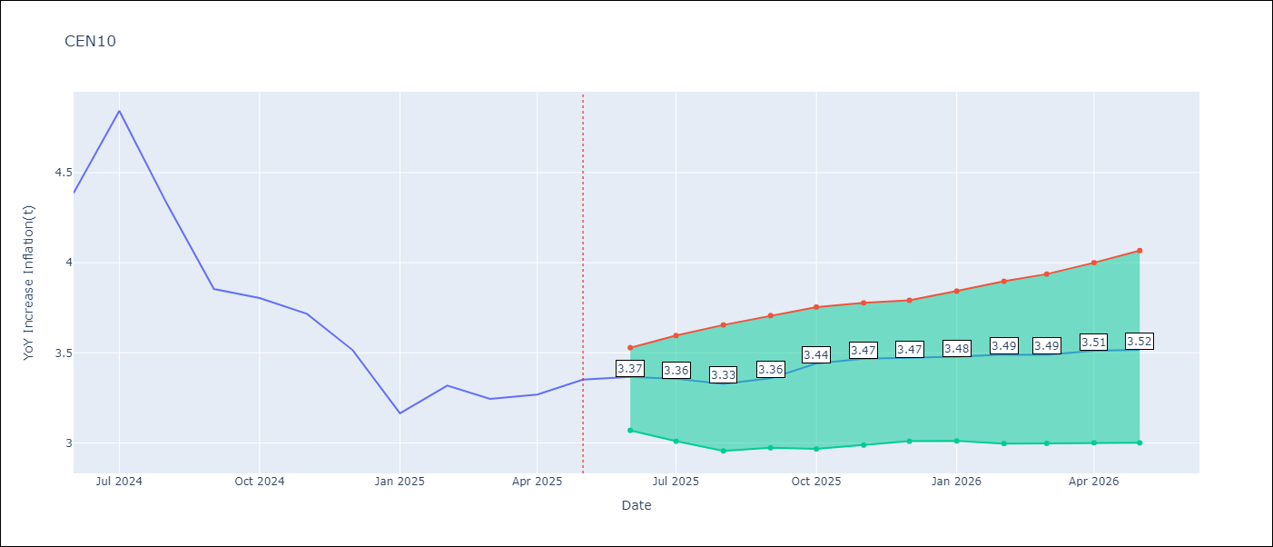

Test Set
RMSE | 0.14
Naive RMSE | 0.7
MAPE | 2.99%

Test Predictions
Date | Predicted | Actual | Bias Vector | Bias Corrected
2025-06-01 | 4.31 | 4.39
2025-07-01 | 4.53 | 4.84
2025-08-01 | 4.4 | 4.33
2025-09-01 | 4.09 | 3.85
2025-10-01 | 3.88 | 3.8
2025-11-01 | 3.81 | 3.72
2025-12-01 | 3.54 | 3.52
2026-01-01 | 3.3 | 3.16
2026-02-01 | 3.46 | 3.32
2026-03-01 | 3.35 | 3.24
2026-04-01 | 3.35 | 3.27
2026-05-01 | 3.37 | 3.35

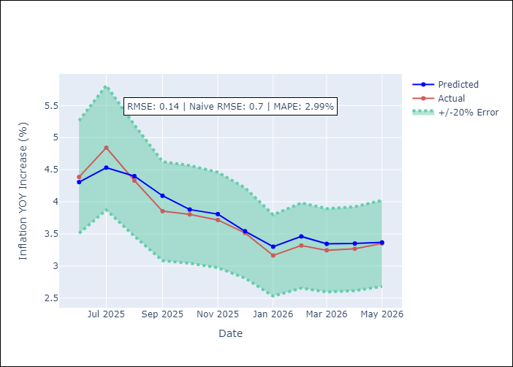
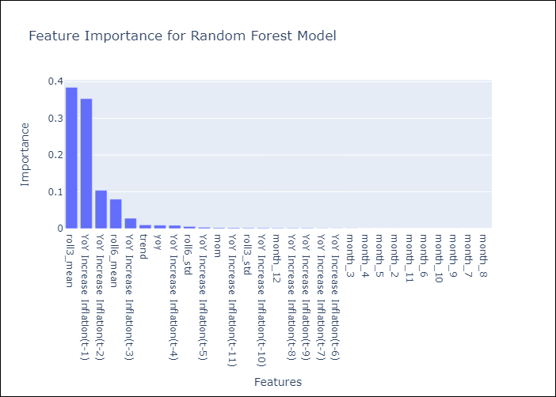

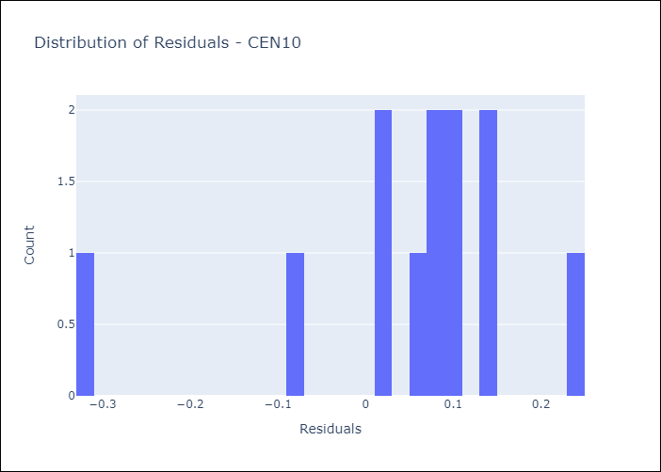
Appendix A: Model Summary
Model | Random Forest w/ Lags
Sample | 1990-01-01 to 2025-05-01
No. of Observations | 422
Residuals
Mean | 0.049065031923
St Dev | 0.13127895841
Kurtosis | 2.1829073798
Skewness | -1.4734814081

Assumptions | P-value



Appendix C: Residuals Analysis
Mean

R01
R01 - Inflation - Next 12 months forecast as of: 2025-05-01

Model | Random Forest w/ Lags - {'min_samples_split': 5, 'min_samples_leaf': 2, 'max_features': 0.5, 'max_depth': 600, 'n_estimators': 500, 'n_jobs': -1}
Training Data | 1990-01-01 to 2024-06-01
Test Data | 2024-06-01 to 2025-05-01

Date | Inflation Change YoY % | Lower Bound - 95% Confidence Interval | Upper Bound - 95% Confidence Interval | Bias Corrected Forecast
2025-06-01 | 4.6 | 4.46 | 4.67
2025-07-01 | 4.65 | 4.47 | 4.77
2025-08-01 | 4.7 | 4.5 | 4.81
2025-09-01 | 4.81 | 4.51 | 4.88
2025-10-01 | 4.85 | 4.54 | 4.97
2025-11-01 | 4.86 | 4.55 | 4.99
2025-12-01 | 4.91 | 4.53 | 5.03
2026-01-01 | 4.94 | 4.54 | 5.07
2026-02-01 | 4.95 | 4.55 | 5.09
2026-03-01 | 4.95 | 4.55 | 5.14
2026-04-01 | 4.96 | 4.53 | 5.19
2026-05-01 | 4.96 | 4.5 | 5.22

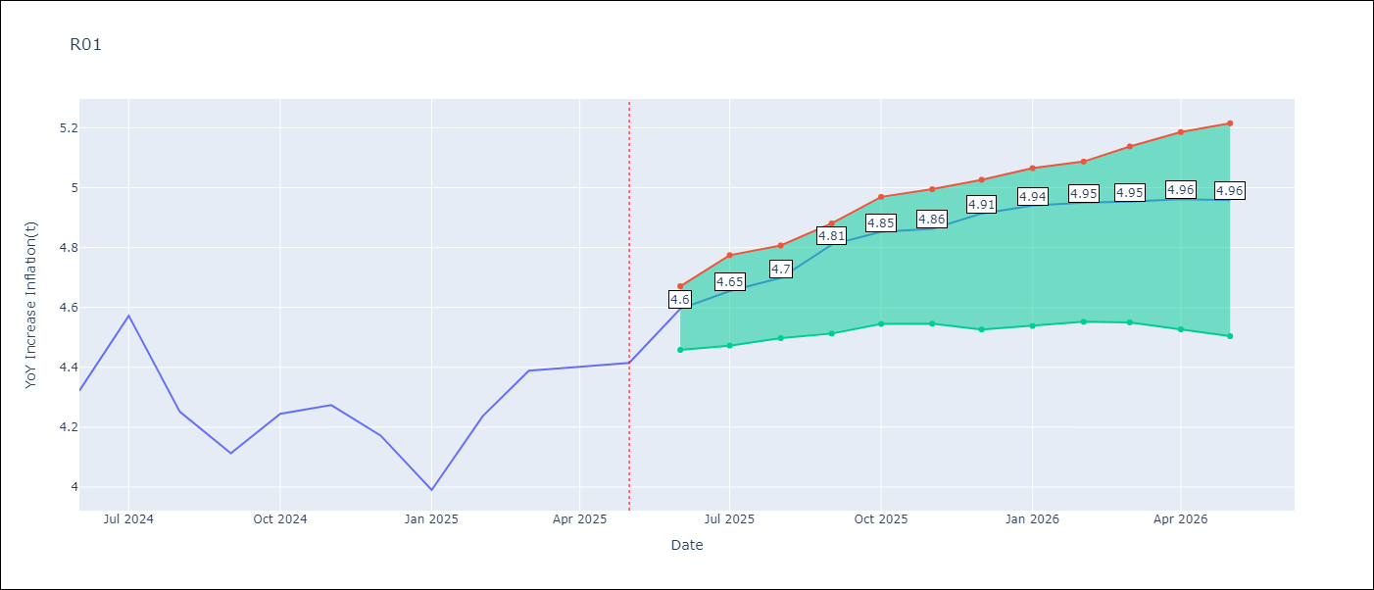

Test Set
RMSE | 0.13
Naive RMSE | 0.19
MAPE | 2.61%

Test Predictions
Date | Predicted | Actual | Bias Vector | Bias Corrected
2025-06-01 | 4.2 | 4.32
2025-07-01 | 4.39 | 4.57
2025-08-01 | 4.42 | 4.25
2025-09-01 | 4.22 | 4.11
2025-10-01 | 4.26 | 4.24
2025-11-01 | 4.27 | 4.27
2025-12-01 | 4.27 | 4.17
2026-01-01 | 4.15 | 3.99
2026-02-01 | 4.12 | 4.24
2026-03-01 | 4.32 | 4.39
2026-04-01 | 4.53 | 4.4
2026-05-01 | 4.6 | 4.41

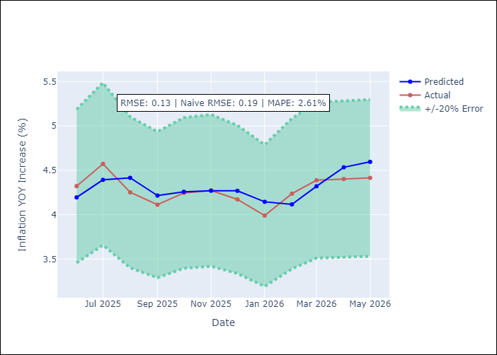
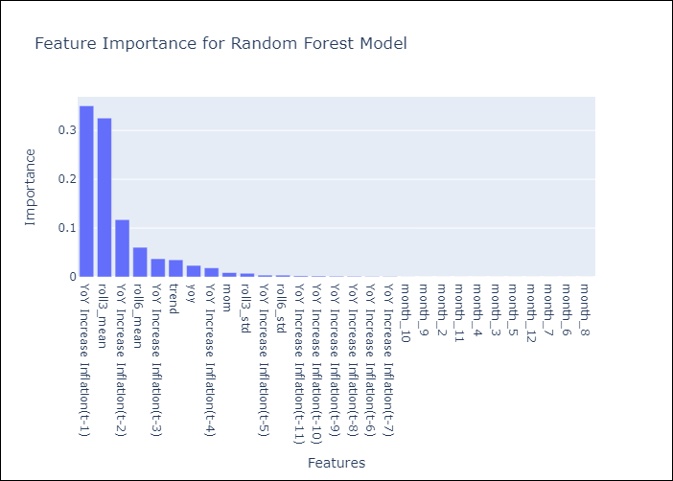

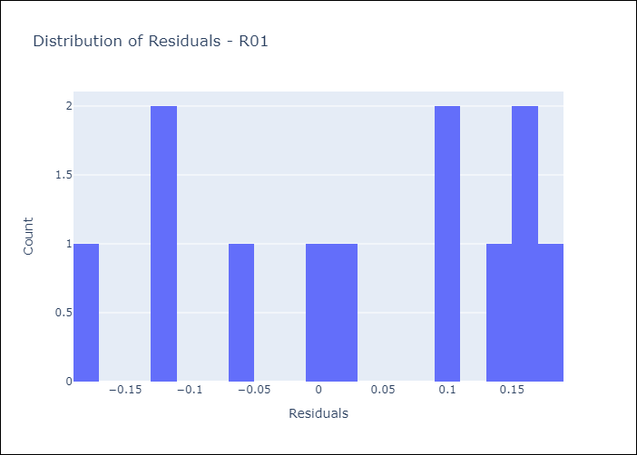
Appendix A: Model Summary
Model | Random Forest w/ Lags
Sample | 1990-01-01 to 2025-05-01
No. of Observations | 421
Residuals
Mean | 0.02881911111
St Dev | 0.12211159238
Kurtosis | -1.3663795168
Skewness | -0.3361823901

Assumptions | P-value

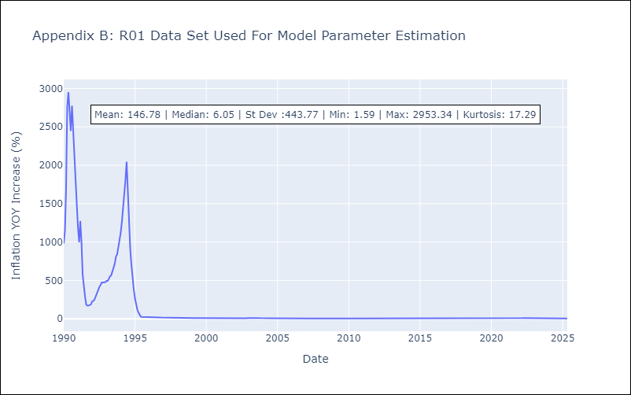

Appendix C: Residuals Analysis
Mean

R02
R02 - Inflation - Next 12 months forecast as of: 2025-05-01

Model | Random Forest w/ Lags - {'min_samples_split': 2, 'min_samples_leaf': 1, 'max_features': 0.7, 'max_depth': 900, 'n_estimators': 1200, 'n_jobs': -1}
Training Data | 1990-01-01 to 2024-06-01
Test Data | 2024-06-01 to 2025-05-01

Date | Inflation Change YoY % | Lower Bound - 95% Confidence Interval | Upper Bound - 95% Confidence Interval | Bias Corrected Forecast
2025-06-01 | 4.65 | 4.47 | 4.79
2025-07-01 | 4.68 | 4.47 | 4.86
2025-08-01 | 4.76 | 4.47 | 4.86
2025-09-01 | 4.83 | 4.48 | 4.9
2025-10-01 | 4.86 | 4.5 | 4.94
2025-11-01 | 4.9 | 4.49 | 4.97
2025-12-01 | 4.89 | 4.48 | 4.99
2026-01-01 | 4.88 | 4.48 | 5.03
2026-02-01 | 4.87 | 4.49 | 5.08
2026-03-01 | 4.86 | 4.47 | 5.11
2026-04-01 | 4.83 | 4.45 | 5.15
2026-05-01 | 4.81 | 4.45 | 5.21

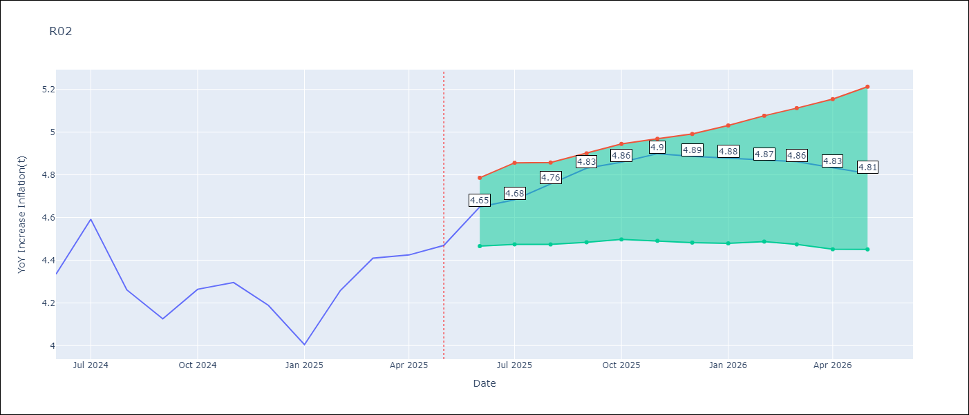

Test Set
RMSE | 0.14
Naive RMSE | 0.2
MAPE | 2.89%

Test Predictions
Date | Predicted | Actual | Bias Vector | Bias Corrected
2025-06-01 | 4.21 | 4.33
2025-07-01 | 4.37 | 4.59
2025-08-01 | 4.46 | 4.26
2025-09-01 | 4.22 | 4.13
2025-10-01 | 4.21 | 4.26
2025-11-01 | 4.24 | 4.3
2025-12-01 | 4.26 | 4.19
2026-01-01 | 4.17 | 4
2026-02-01 | 4.15 | 4.26
2026-03-01 | 4.31 | 4.41
2026-04-01 | 4.55 | 4.42
2026-05-01 | 4.65 | 4.47


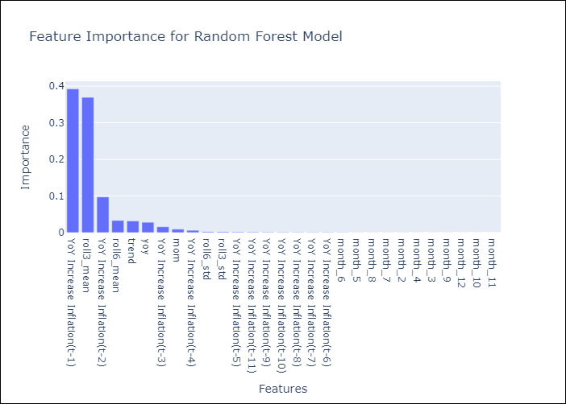

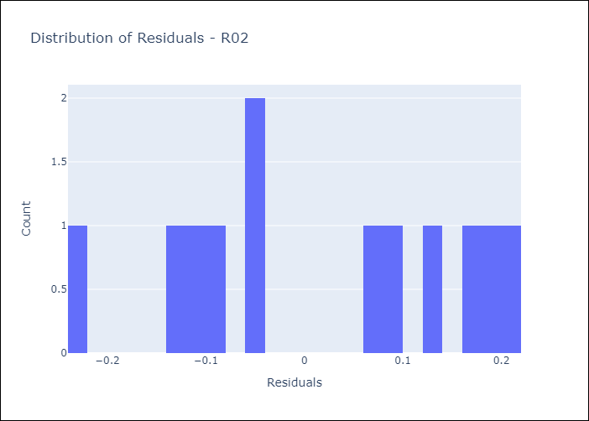
Appendix A: Model Summary
Model | Random Forest w/ Lags
Sample | 1990-01-01 to 2025-05-01
No. of Observations | 422
Residuals
Mean | 0.014814180072
St Dev | 0.13514359816
Kurtosis | -1.3365084356
Skewness | -0.12874603763

Assumptions | P-value

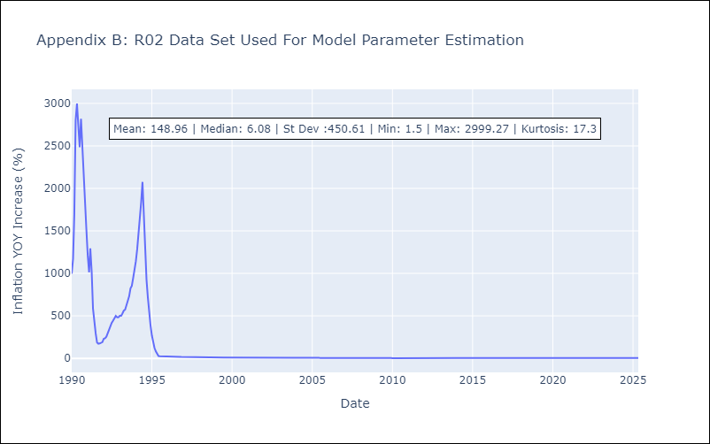

Appendix C: Residuals Analysis
Mean

R07
R07 - Inflation - Next 12 months forecast as of: 2025-04-01

Model | Random Forest w/ Lags - {'min_samples_split': 5, 'min_samples_leaf': 2, 'max_features': 0.7, 'max_depth': 300, 'n_estimators': 800, 'n_jobs': -1}
Training Data | 1991-01-01 to 2024-05-01
Test Data | 2024-05-01 to 2025-04-01

Date | Inflation Change YoY % | Lower Bound - 95% Confidence Interval | Upper Bound - 95% Confidence Interval | Bias Corrected Forecast
2025-05-01 | 2.46 | 2.29 | 2.63
2025-06-01 | 2.45 | 2.27 | 2.68
2025-07-01 | 2.4 | 2.2 | 2.7
2025-08-01 | 2.4 | 2.12 | 2.75
2025-09-01 | 2.34 | 1.98 | 2.82
2025-10-01 | 2.33 | 1.97 | 2.85
2025-11-01 | 2.38 | 2 | 2.84
2025-12-01 | 2.43 | 1.98 | 2.81
2026-01-01 | 2.41 | 1.97 | 2.81
2026-02-01 | 2.38 | 1.96 | 2.82
2026-03-01 | 2.42 | 1.92 | 2.82
2026-04-01 | 2.43 | 1.9 | 2.78

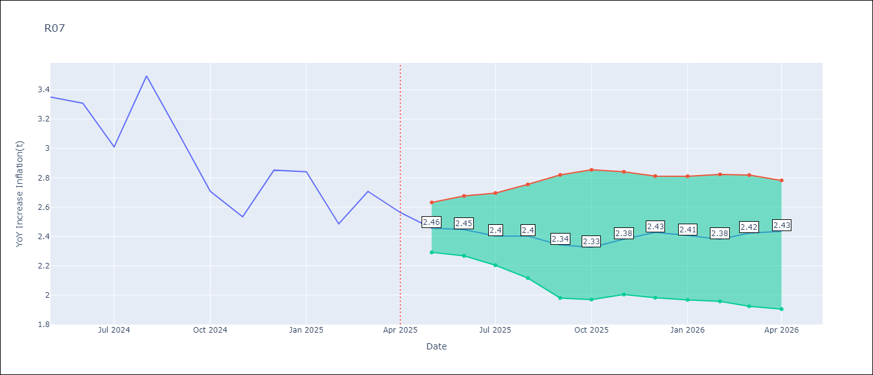

Test Set
RMSE | 0.13
Naive RMSE | 0.49
MAPE | 3.4%

Test Predictions
Date | Predicted | Actual | Bias Vector | Bias Corrected
2025-05-01 | 3.4 | 3.35
2025-06-01 | 3.31 | 3.31
2025-07-01 | 3.1 | 3.01
2025-08-01 | 3.16 | 3.49
2025-09-01 | 3.19 | 3.1
2025-10-01 | 2.83 | 2.71
2025-11-01 | 2.66 | 2.53
2025-12-01 | 2.85 | 2.85
2026-01-01 | 2.72 | 2.84
2026-02-01 | 2.6 | 2.48
2026-03-01 | 2.69 | 2.71
2026-04-01 | 2.46 | 2.56

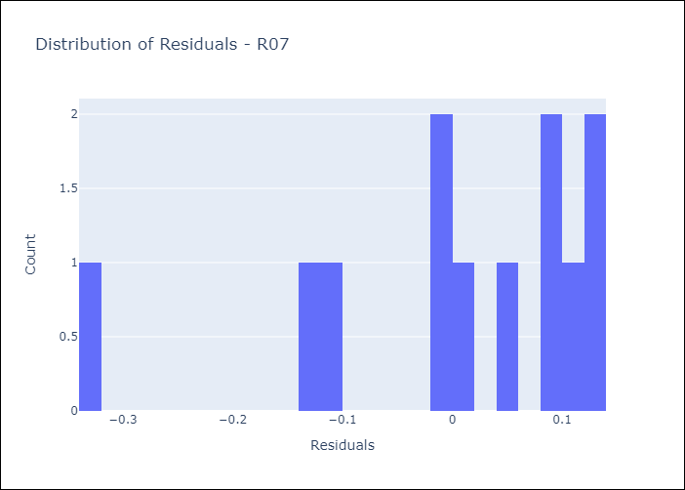
Appendix A: Model Summary
Model | Random Forest w/ Lags
Sample | 1991-01-01 to 2025-04-01
No. of Observations | 409
Residuals
Mean | 0.001481608346
St Dev | 0.12956626371
Kurtosis | 1.0063739141
Skewness | -1.2834909364

Assumptions | P-value

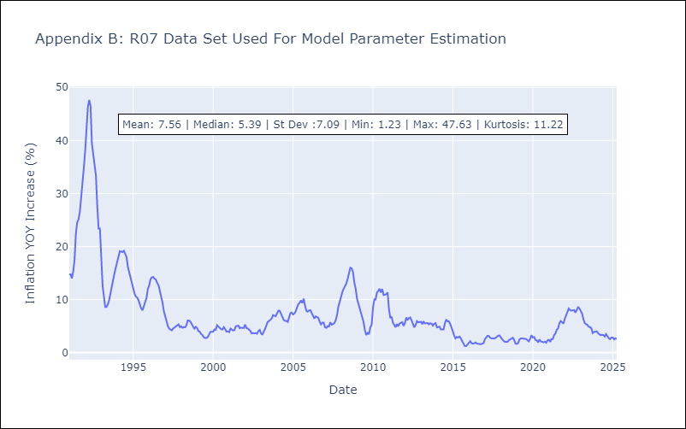

Appendix C: Residuals Analysis
Mean

SUR10
SUR10 - Inflation - Next 12 months forecast as of: 2025-05-01

Model | Random Forest w/ Lags - {'min_samples_split': 2, 'min_samples_leaf': 2, 'max_features': 0.7, 'max_depth': None, 'n_estimators': 1500, 'n_jobs': -1}
Training Data | 1990-01-01 to 2024-06-01
Test Data | 2024-06-01 to 2025-05-01

Date | Inflation Change YoY % | Lower Bound - 95% Confidence Interval | Upper Bound - 95% Confidence Interval | Bias Corrected Forecast
2025-06-01 | 5.07 | 4.95 | 5.24
2025-07-01 | 5.04 | 4.91 | 5.33
2025-08-01 | 5.01 | 4.91 | 5.43
2025-09-01 | 5 | 4.9 | 5.5
2025-10-01 | 5.01 | 4.88 | 5.54
2025-11-01 | 5.02 | 4.86 | 5.56
2025-12-01 | 5.02 | 4.8 | 5.56
2026-01-01 | 5.02 | 4.77 | 5.55
2026-02-01 | 5 | 4.77 | 5.6
2026-03-01 | 4.95 | 4.76 | 5.61
2026-04-01 | 4.94 | 4.74 | 5.58
2026-05-01 | 4.95 | 4.73 | 5.59

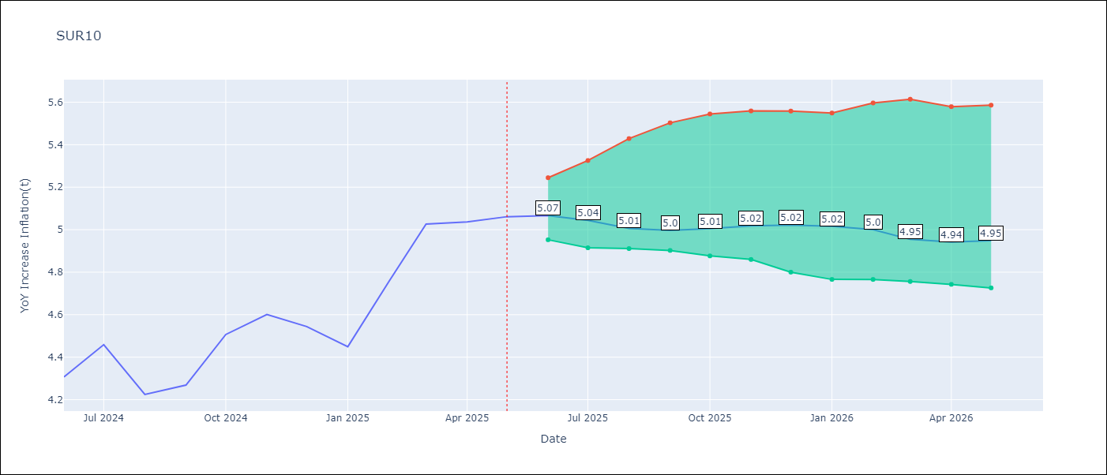

Test Set
RMSE | 0.1
Naive RMSE | 0.54
MAPE | 1.72%

Test Predictions
Date | Predicted | Actual | Bias Vector | Bias Corrected
2025-06-01 | 4.28 | 4.31
2025-07-01 | 4.41 | 4.46
2025-08-01 | 4.41 | 4.22
2025-09-01 | 4.29 | 4.27
2025-10-01 | 4.39 | 4.51
2025-11-01 | 4.55 | 4.6
2025-12-01 | 4.66 | 4.54
2026-01-01 | 4.65 | 4.45
2026-02-01 | 4.78 | 4.76
2026-03-01 | 4.92 | 5.03
2026-04-01 | 5.06 | 5.04
2026-05-01 | 5.07 | 5.06

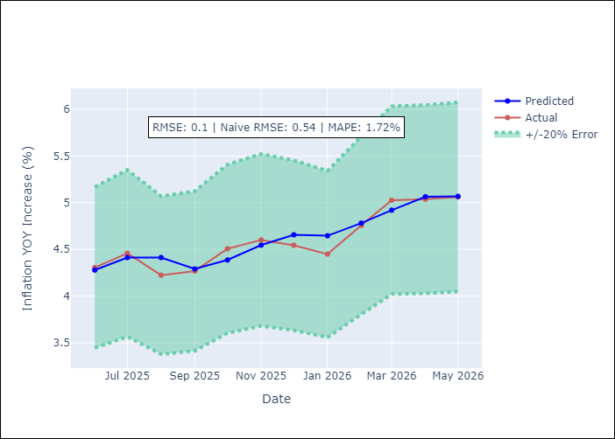
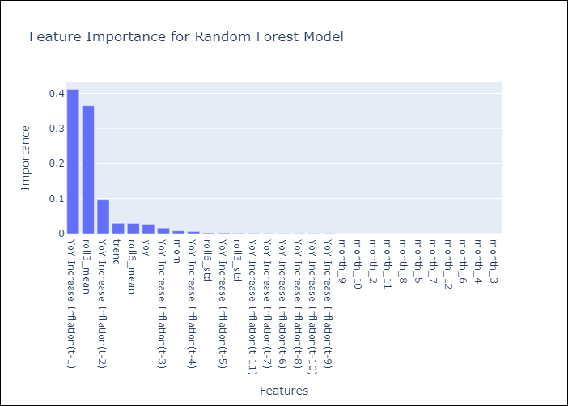

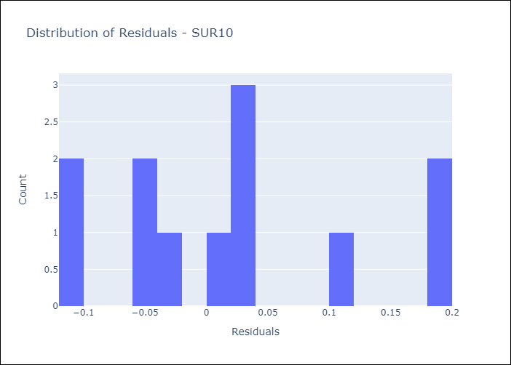
Appendix A: Model Summary
Model | Random Forest w/ Lags
Sample | 1990-01-01 to 2025-05-01
No. of Observations | 422
Residuals
Mean | 0.018612492349
St Dev | 0.098389334948
Kurtosis | -0.70104624253
Skewness | 0.52706451189

Assumptions | P-value

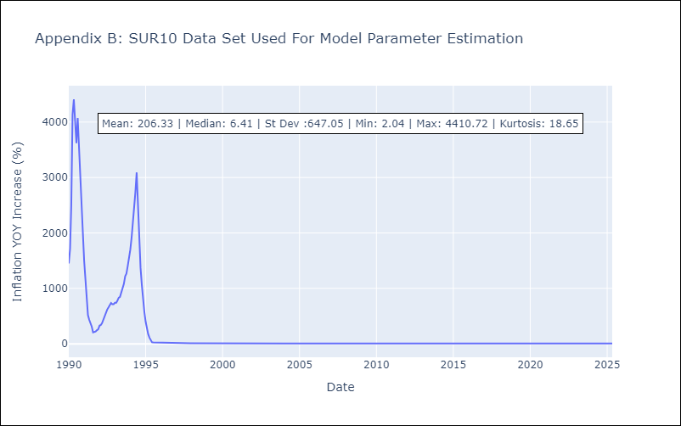

Appendix C: Residuals Analysis
Mean

