R01
R01 - Inflation - Next 12 months forecast as of: 2025-05-01

Model | Random Forest w/ Lags - {'min_samples_split': 2, 'min_samples_leaf': 2, 'max_features': 0.7, 'max_depth': None, 'n_estimators': 500, 'n_jobs': -1}
Training Data | 1990-01-01 to 2024-06-01
Test Data | 2024-06-01 to 2025-05-01

Date | Inflation Change YoY % | Lower Bound - 95% Confidence Interval | Upper Bound - 95% Confidence Interval | Bias Corrected Forecast
2025-05-01 | 4.58 | 4.25 | 4.69
2025-06-01 | 4.68 | 4.23 | 4.86
2025-07-01 | 4.71 | 4.15 | 4.93
2025-08-01 | 4.77 | 4.08 | 4.93
2025-09-01 | 4.83 | 4.04 | 4.98
2025-10-01 | 4.85 | 4.03 | 5
2025-11-01 | 4.87 | 3.98 | 5.07
2025-12-01 | 4.89 | 3.91 | 5.19
2026-01-01 | 4.92 | 3.87 | 5.24
2026-02-01 | 4.92 | 3.75 | 5.33
2026-03-01 | 4.91 | 3.69 | 5.34
2026-04-01 | 4.91 | 3.67 | 5.37

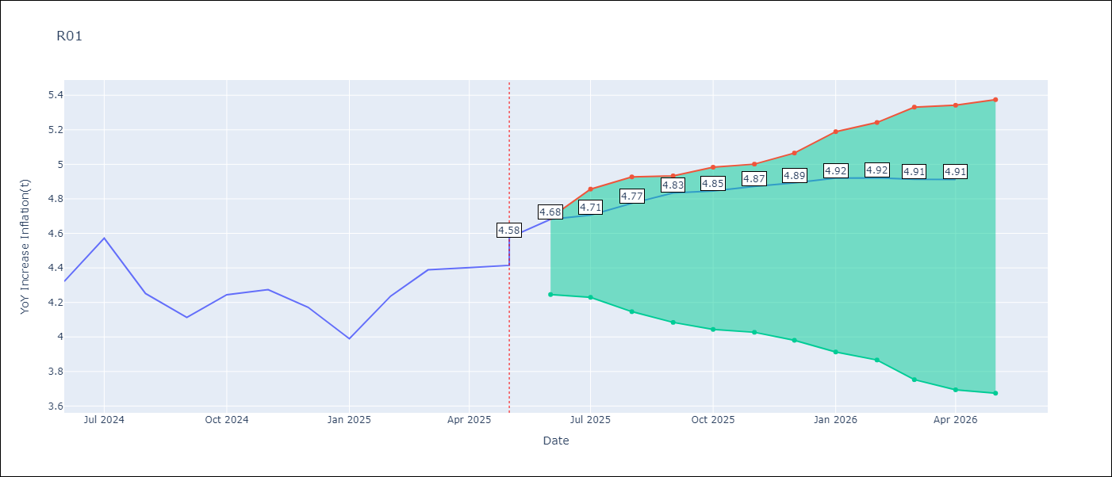

Test Set
RMSE | 0.13
Naive RMSE | 0.25
MAPE | 2.4%

Test Predictions
Date | Predicted | Actual | Bias Vector | Bias Corrected
2025-05-01 | 4.16 | 4.16
2025-06-01 | 4.28 | 4.32
2025-07-01 | 4.42 | 4.57
2025-08-01 | 4.48 | 4.25
2025-09-01 | 4.25 | 4.11
2025-10-01 | 4.3 | 4.24
2025-11-01 | 4.3 | 4.27
2025-12-01 | 4.3 | 4.17
2026-01-01 | 4.21 | 3.99
2026-02-01 | 4.21 | 4.24
2026-03-01 | 4.36 | 4.39
2026-04-01 | 4.58 | 4.4

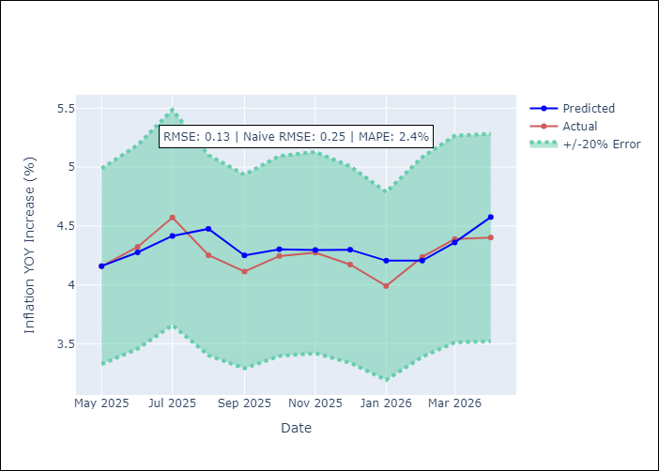
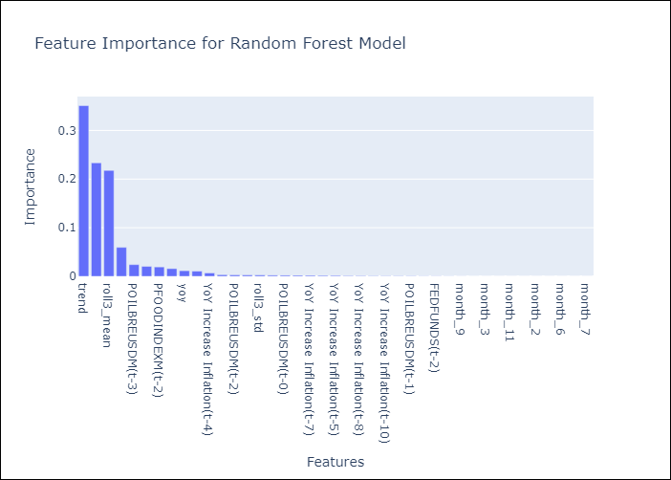

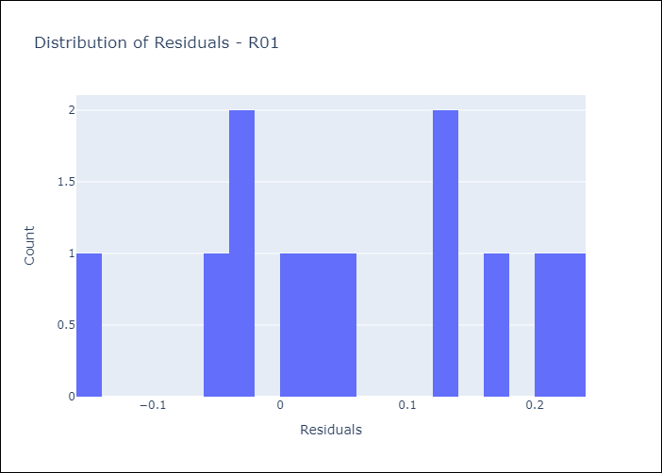
Appendix A: Model Summary
Model | Random Forest w/ Lags
Sample | 1990-01-01 to 2025-05-01
No. of Observations | 421
Residuals
Mean | 0.058007391644
St Dev | 0.11313233419
Kurtosis | -0.96672959725
Skewness | -0.10382161648

Assumptions | P-value

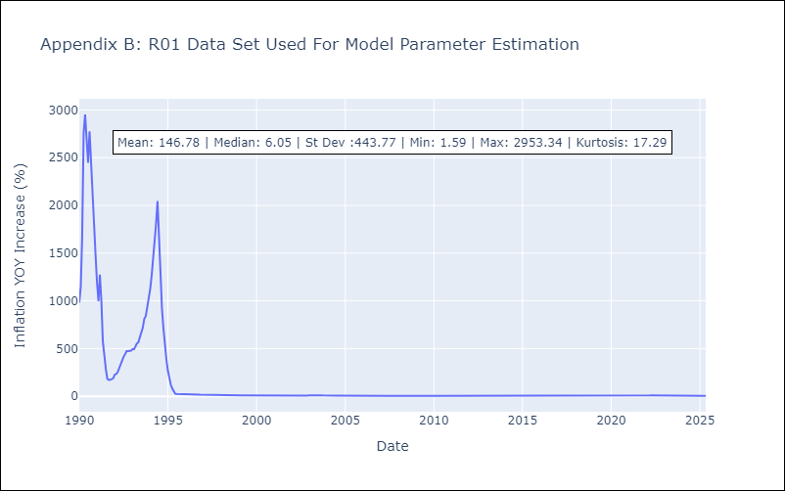

Appendix C: Residuals Analysis
Mean

