R02
R02 - Inflation - Next 12 months forecast as of: 2025-05-01

Model | Random Forest w/ Lags - {'min_samples_split': 2, 'min_samples_leaf': 1, 'max_features': 0.7, 'max_depth': 900, 'n_estimators': 150, 'n_jobs': -1}
Training Data | 1990-01-01 to 2024-06-01
Test Data | 2024-06-01 to 2025-05-01

Date | Inflation Change YoY % | Lower Bound - 95% Confidence Interval | Upper Bound - 95% Confidence Interval | Bias Corrected Forecast
2025-05-01 | 4.49 | 4.25 | 26.04
2025-06-01 | 4.62 | 4.25 | 27.36
2025-07-01 | 4.66 | 4.14 | 10.71
2025-08-01 | 4.7 | 4 | 14.22
2025-09-01 | 4.78 | 3.91 | 11.32
2025-10-01 | 4.83 | 3.8 | 14.72
2025-11-01 | 4.84 | 3.73 | 11.76
2025-12-01 | 4.87 | 3.71 | 13.43
2026-01-01 | 4.9 | 3.62 | 11.34
2026-02-01 | 4.9 | 3.55 | 11.47
2026-03-01 | 4.89 | 3.51 | 11.68
2026-04-01 | 4.85 | 3.5 | 11.54

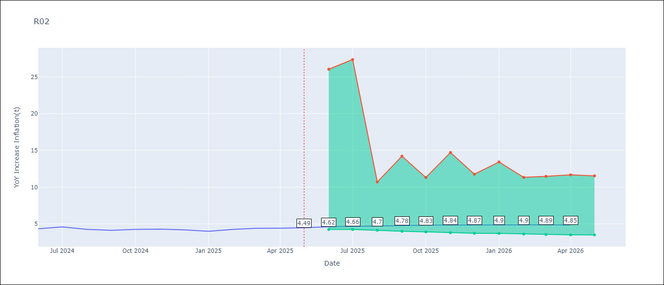

Test Set
RMSE | 0.13
Naive RMSE | 0.26
MAPE | 2.4%

Test Predictions
Date | Predicted | Actual | Bias Vector | Bias Corrected
2025-05-01 | 4.18 | 4.17
2025-06-01 | 4.25 | 4.33
2025-07-01 | 4.38 | 4.59
2025-08-01 | 4.49 | 4.26
2025-09-01 | 4.27 | 4.13
2025-10-01 | 4.27 | 4.26
2025-11-01 | 4.25 | 4.3
2025-12-01 | 4.26 | 4.19
2026-01-01 | 4.22 | 4
2026-02-01 | 4.23 | 4.26
2026-03-01 | 4.31 | 4.41
2026-04-01 | 4.52 | 4.42

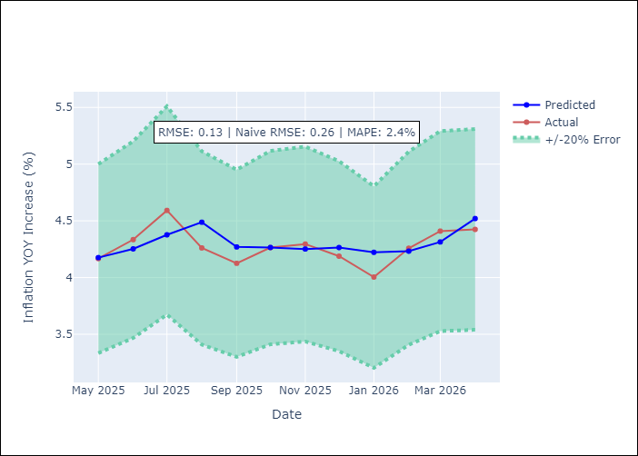
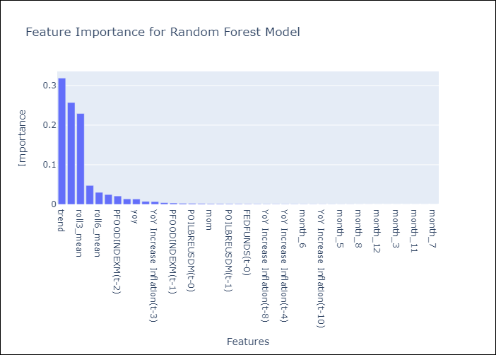

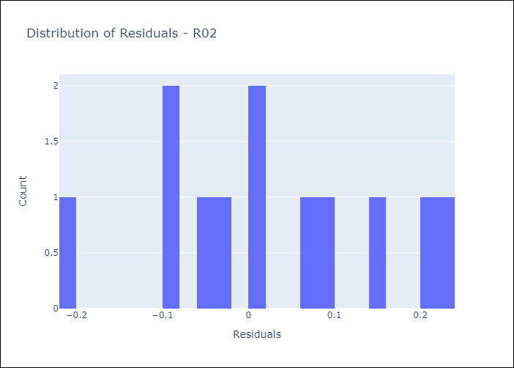
Appendix A: Model Summary
Model | Random Forest w/ Lags
Sample | 1990-01-01 to 2025-05-01
No. of Observations | 422
Residuals
Mean | 0.025768681294
St Dev | 0.1263064773
Kurtosis | -0.71726160001
Skewness | -0.0056431669567

Assumptions | P-value

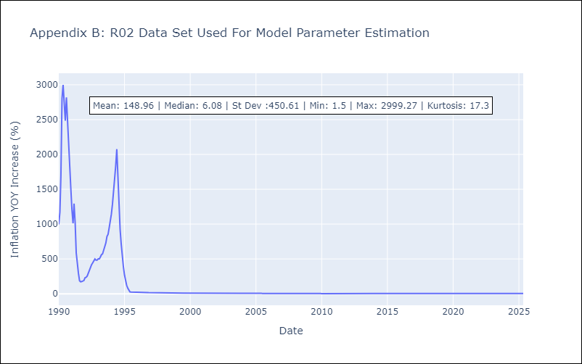

Appendix C: Residuals Analysis
Mean

R07
R07 - Inflation - Next 12 months forecast as of: 2025-04-01

Model | Random Forest w/ Lags - {'min_samples_split': 5, 'min_samples_leaf': 4, 'max_features': 0.7, 'max_depth': 300, 'n_estimators': 500, 'n_jobs': -1}
Training Data | 1991-01-01 to 2024-05-01
Test Data | 2024-05-01 to 2025-04-01

Date | Inflation Change YoY % | Lower Bound - 95% Confidence Interval | Upper Bound - 95% Confidence Interval | Bias Corrected Forecast
2025-05-01 | 2.47 | 2.33 | 2.74
2025-06-01 | 2.54 | 2.26 | 2.94
2025-07-01 | 2.41 | 2.18 | 2.92
2025-08-01 | 2.44 | 2.04 | 2.98
2025-09-01 | 2.34 | 1.93 | 2.99
2025-10-01 | 2.34 | 1.93 | 2.93
2025-11-01 | 2.4 | 2 | 2.91
2025-12-01 | 2.44 | 2.01 | 2.91
2026-01-01 | 2.43 | 1.96 | 2.9
2026-02-01 | 2.44 | 1.94 | 2.9
2026-03-01 | 2.45 | 1.98 | 2.9
2026-04-01 | 2.46 | 1.95 | 2.9

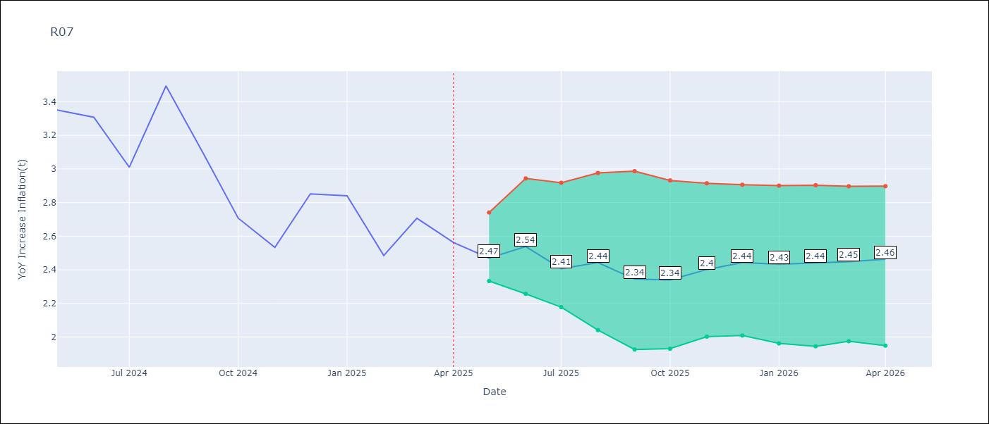

Test Set
RMSE | 0.15
Naive RMSE | 0.49
MAPE | 4.15%

Test Predictions
Date | Predicted | Actual | Bias Vector | Bias Corrected
2025-05-01 | 3.4 | 3.35
2025-06-01 | 3.31 | 3.31
2025-07-01 | 3.13 | 3.01
2025-08-01 | 3.1 | 3.49
2025-09-01 | 3.19 | 3.1
2025-10-01 | 2.83 | 2.71
2025-11-01 | 2.63 | 2.53
2025-12-01 | 2.75 | 2.85
2026-01-01 | 2.66 | 2.84
2026-02-01 | 2.6 | 2.48
2026-03-01 | 2.61 | 2.71
2026-04-01 | 2.46 | 2.56

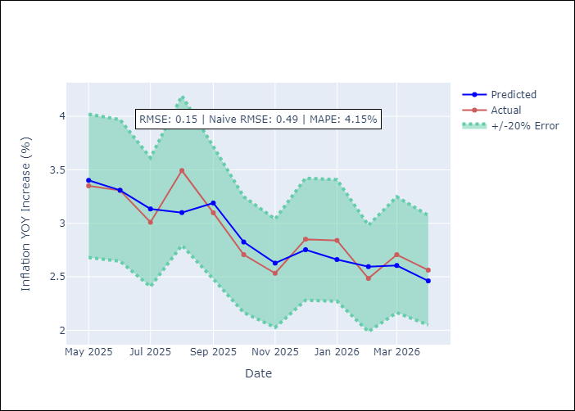
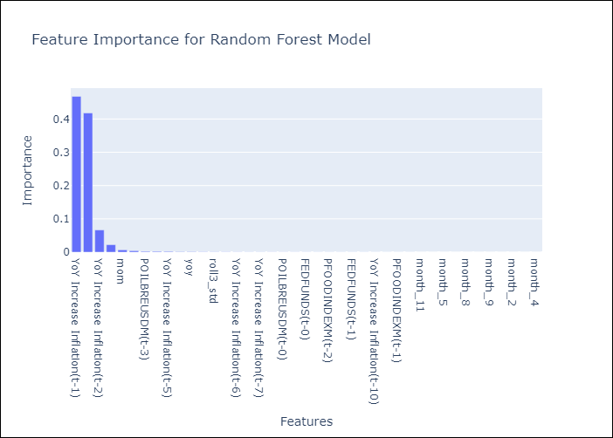

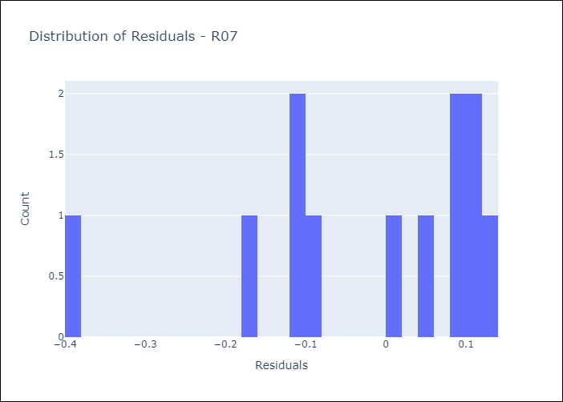
Appendix A: Model Summary
Model | Random Forest w/ Lags
Sample | 1991-01-01 to 2025-04-01
No. of Observations | 409
Residuals
Mean | -0.023265155444
St Dev | 0.15044661193
Kurtosis | 0.42070519269
Skewness | -1.0705666363

Assumptions | P-value

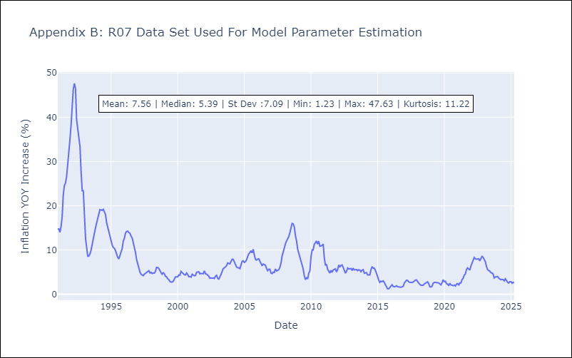

Appendix C: Residuals Analysis
Mean

