R02
R02 - Inflation - Next 12 months forecast as of: 2025-05-01

Model | Random Forest w/ Lags - {'min_samples_split': 2, 'min_samples_leaf': 1, 'max_features': 0.7, 'max_depth': 700, 'n_estimators': 300, 'n_jobs': -1}
Training Data | 2000-01-01 to 2024-06-01
Test Data | 2024-06-01 to 2025-05-01

Date | Inflation Change YoY % | Lower Bound - 95% Confidence Interval | Upper Bound - 95% Confidence Interval | Bias Corrected Forecast
2025-05-01 | 4.54 | 4.25 | 4.66
2025-06-01 | 4.66 | 4.24 | 4.8
2025-07-01 | 4.72 | 4.17 | 4.9
2025-08-01 | 4.76 | 4.13 | 4.93
2025-09-01 | 4.84 | 4.13 | 4.98
2025-10-01 | 4.85 | 4.12 | 5.03
2025-11-01 | 4.88 | 4.12 | 5.06
2025-12-01 | 4.89 | 4.11 | 5.16
2026-01-01 | 4.88 | 4.1 | 5.18
2026-02-01 | 4.87 | 4.1 | 5.19
2026-03-01 | 4.87 | 4.02 | 5.18
2026-04-01 | 4.84 | 3.94 | 5.18

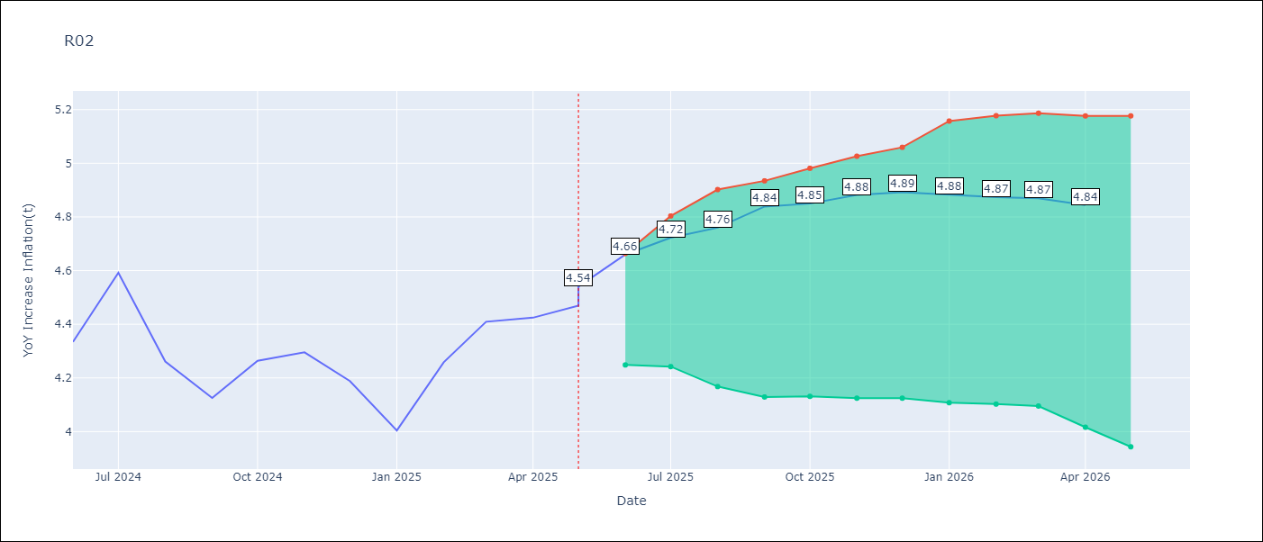

Test Set
RMSE | 0.13
Naive RMSE | 0.26
MAPE | 2.45%

Test Predictions
Date | Predicted | Actual | Bias Vector | Bias Corrected
2025-05-01 | 4.16 | 4.17
2025-06-01 | 4.25 | 4.33
2025-07-01 | 4.4 | 4.59
2025-08-01 | 4.48 | 4.26
2025-09-01 | 4.26 | 4.13
2025-10-01 | 4.24 | 4.26
2025-11-01 | 4.26 | 4.3
2025-12-01 | 4.29 | 4.19
2026-01-01 | 4.21 | 4
2026-02-01 | 4.19 | 4.26
2026-03-01 | 4.36 | 4.41
2026-04-01 | 4.55 | 4.42

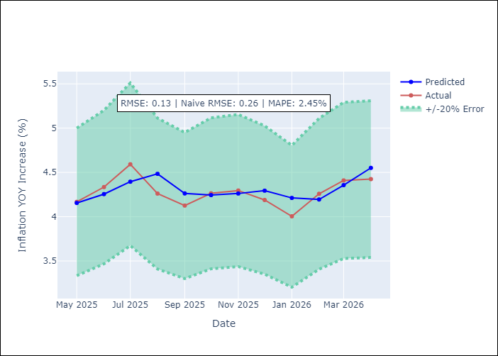
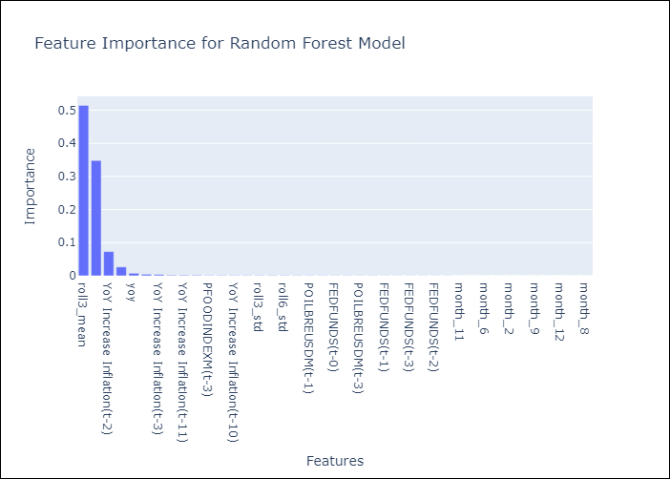

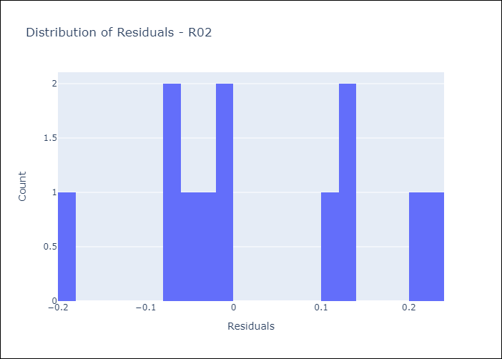
Appendix A: Model Summary
Model | Random Forest w/ Lags
Sample | 2000-01-01 to 2025-05-01
No. of Observations | 303
Residuals
Mean | 0.028403996778
St Dev | 0.12328713385
Kurtosis | -0.99508474817
Skewness | 0.061923546585

Assumptions | P-value

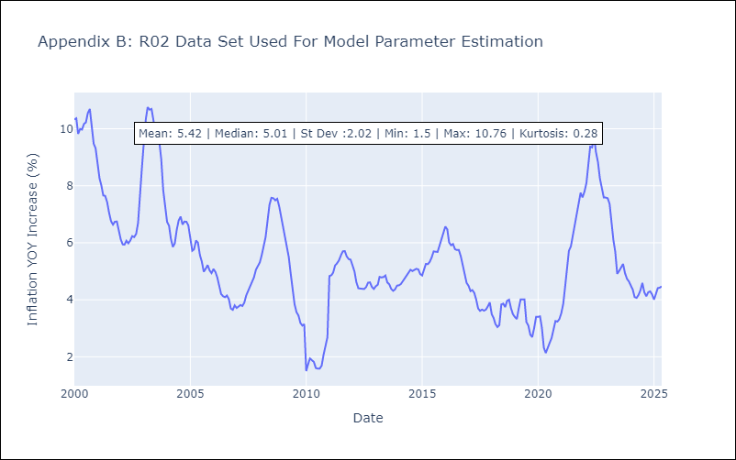

Appendix C: Residuals Analysis
Mean

R07
R07 - Inflation - Next 12 months forecast as of: 2025-04-01

Model | Random Forest w/ Lags - {'min_samples_split': 5, 'min_samples_leaf': 4, 'max_features': 0.7, 'max_depth': 300, 'n_estimators': 300, 'n_jobs': -1}
Training Data | 2000-01-01 to 2024-05-01
Test Data | 2024-05-01 to 2025-04-01

Date | Inflation Change YoY % | Lower Bound - 95% Confidence Interval | Upper Bound - 95% Confidence Interval | Bias Corrected Forecast
2025-05-01 | 2.46 | 2.24 | 2.79
2025-06-01 | 2.48 | 2.22 | 2.93
2025-07-01 | 2.33 | 2.11 | 2.93
2025-08-01 | 2.3 | 2.01 | 3.02
2025-09-01 | 2.22 | 1.94 | 3.1
2025-10-01 | 2.12 | 1.92 | 3.11
2025-11-01 | 2.08 | 1.99 | 3.12
2025-12-01 | 2.09 | 1.99 | 3.15
2026-01-01 | 2.05 | 1.95 | 3.21
2026-02-01 | 2.06 | 1.94 | 3.26
2026-03-01 | 2.08 | 1.94 | 3.42
2026-04-01 | 2.07 | 1.91 | 3.49

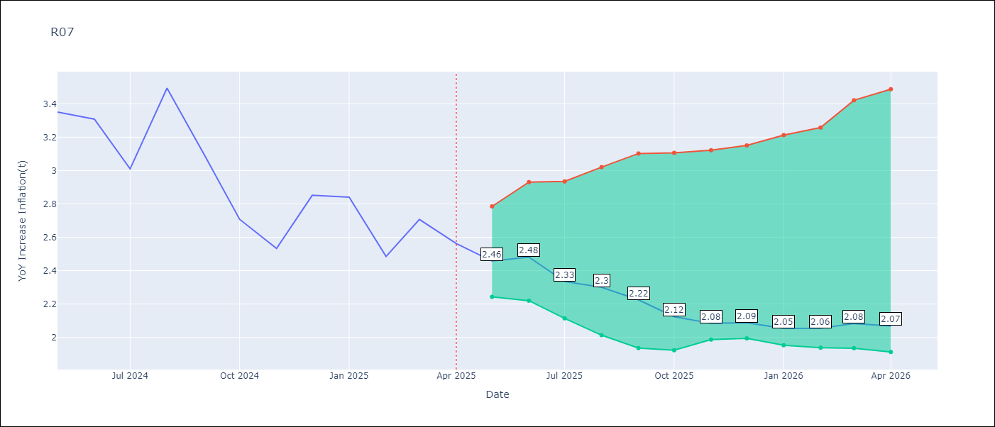

Test Set
RMSE | 0.19
Naive RMSE | 0.49
MAPE | 5.68%

Test Predictions
Date | Predicted | Actual | Bias Vector | Bias Corrected
2025-05-01 | 3.32 | 3.35
2025-06-01 | 3.36 | 3.31
2025-07-01 | 3.34 | 3.01
2025-08-01 | 3.2 | 3.49
2025-09-01 | 3.31 | 3.1
2025-10-01 | 2.95 | 2.71
2025-11-01 | 2.74 | 2.53
2025-12-01 | 2.75 | 2.85
2026-01-01 | 2.69 | 2.84
2026-02-01 | 2.62 | 2.48
2026-03-01 | 2.61 | 2.71
2026-04-01 | 2.44 | 2.56

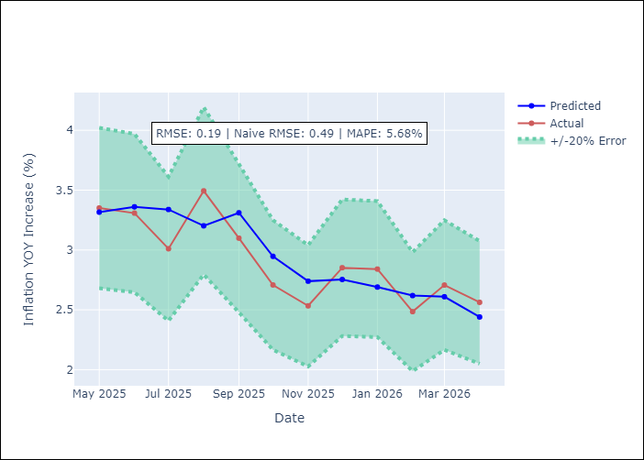
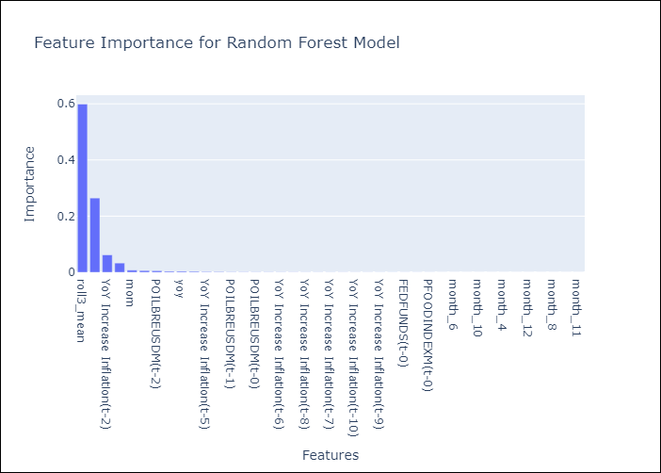

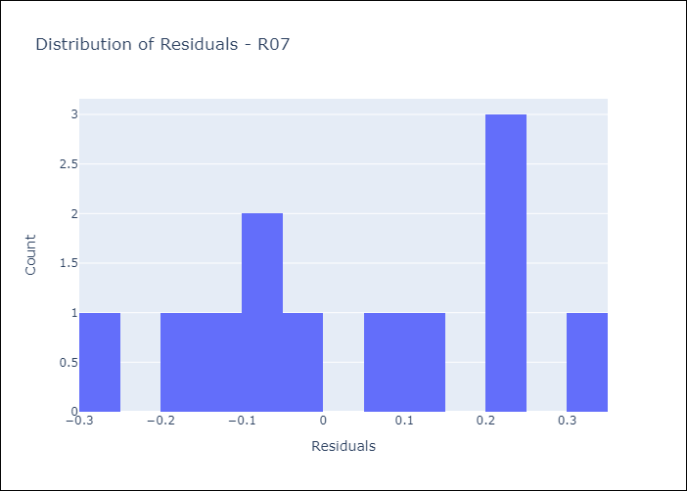
Appendix A: Model Summary
Model | Random Forest w/ Lags
Sample | 2000-01-01 to 2025-04-01
No. of Observations | 302
Residuals
Mean | 0.031387989041
St Dev | 0.1835517285
Kurtosis | -1.1728199829
Skewness | -0.0099126894048

Assumptions | P-value

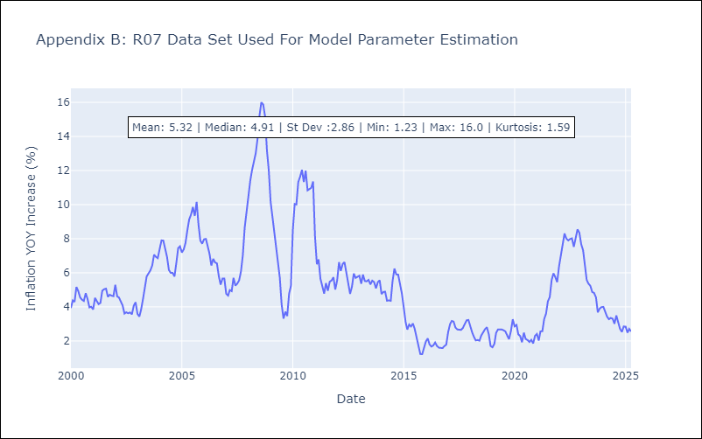

Appendix C: Residuals Analysis
Mean

