R02
R02 - Inflation - Next 12 months forecast as of: 2025-05-01

Model | Random Forest w/ Lags - {'min_samples_split': 5, 'min_samples_leaf': 4, 'max_features': 0.7, 'max_depth': 300, 'n_estimators': 300, 'n_jobs': -1}
Training Data | 2010-01-01 to 2024-06-01
Test Data | 2024-06-01 to 2025-05-01

Date | Inflation Change YoY % | Lower Bound - 95% Confidence Interval | Upper Bound - 95% Confidence Interval | Bias Corrected Forecast
2025-05-01 | 4.54 | 4.01 | 5.23
2025-06-01 | 4.63 | 3.97 | 5.33
2025-07-01 | 4.65 | 3.82 | 5.81
2025-08-01 | 4.68 | 3.67 | 5.94
2025-09-01 | 4.76 | 3.58 | 6.17
2025-10-01 | 4.79 | 3.51 | 6.36
2025-11-01 | 4.8 | 3.48 | 6.52
2025-12-01 | 4.81 | 3.43 | 6.74
2026-01-01 | 4.81 | 3.42 | 6.81
2026-02-01 | 4.82 | 3.33 | 6.97
2026-03-01 | 4.82 | 3.27 | 7.02
2026-04-01 | 4.8 | 3.3 | 7.19

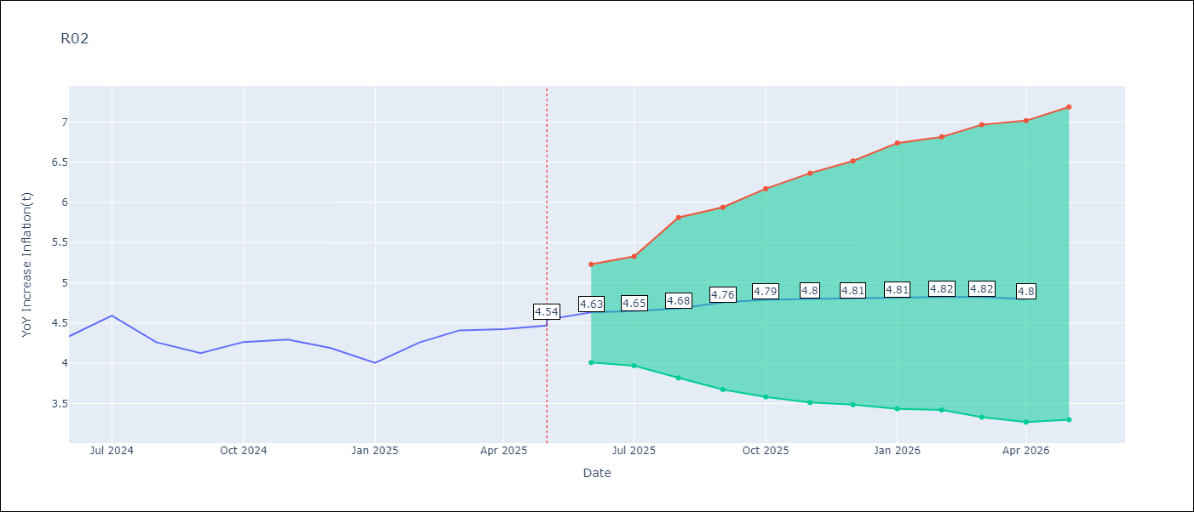

Test Set
RMSE | 0.17
Naive RMSE | 0.26
MAPE | 3.62%

Test Predictions
Date | Predicted | Actual | Bias Vector | Bias Corrected
2025-05-01 | 4.04 | 4.17
2025-06-01 | 4.1 | 4.33
2025-07-01 | 4.39 | 4.59
2025-08-01 | 4.43 | 4.26
2025-09-01 | 4.19 | 4.13
2025-10-01 | 4.07 | 4.26
2025-11-01 | 4.12 | 4.3
2025-12-01 | 4.26 | 4.19
2026-01-01 | 4.04 | 4
2026-02-01 | 4.04 | 4.26
2026-03-01 | 4.17 | 4.41
2026-04-01 | 4.56 | 4.42

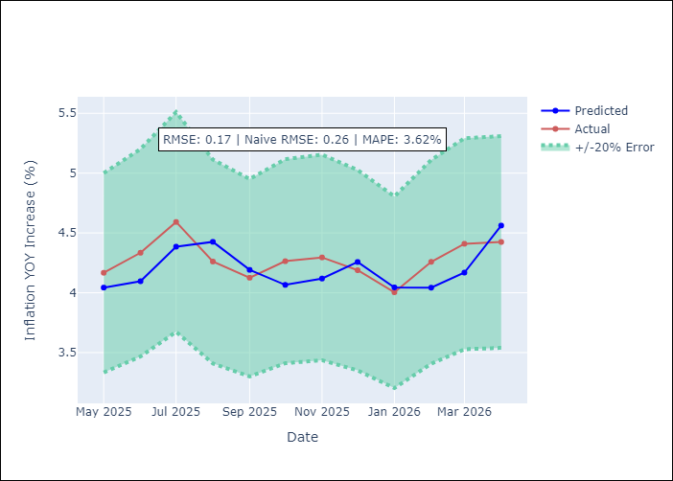
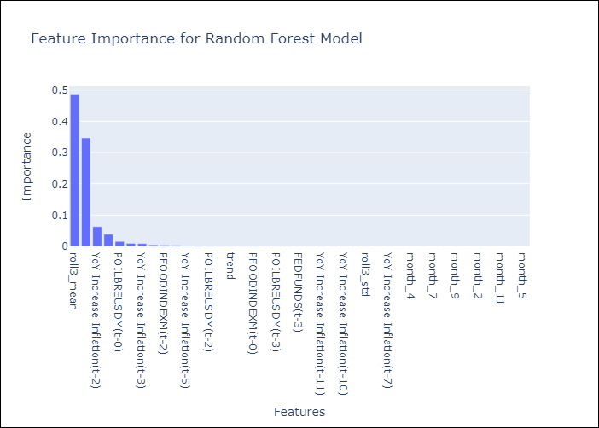

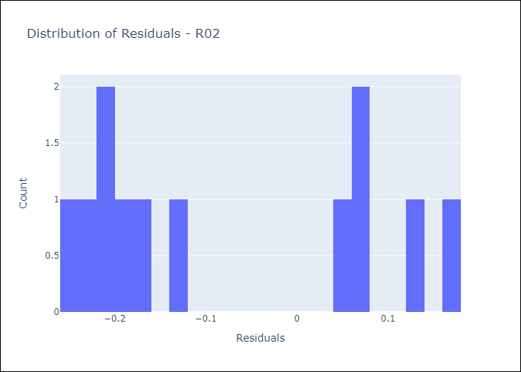
Appendix A: Model Summary
Model | Random Forest w/ Lags
Sample | 2010-01-01 to 2025-05-01
No. of Observations | 183
Residuals
Mean | -0.076857438405
St Dev | 0.15145999142
Kurtosis | -1.5863833722
Skewness | 0.36393855585

Assumptions | P-value

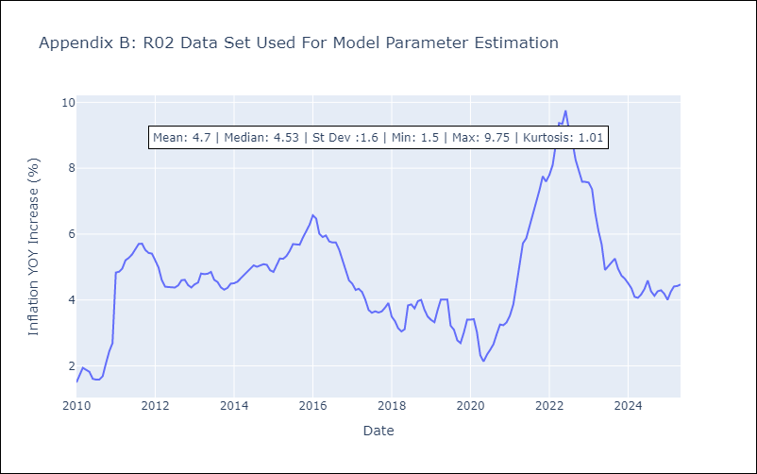

Appendix C: Residuals Analysis
Mean

R07
R07 - Inflation - Next 12 months forecast as of: 2025-04-01

Model | Random Forest w/ Lags - {'min_samples_split': 5, 'min_samples_leaf': 2, 'max_features': 0.5, 'max_depth': 600, 'n_estimators': 1200, 'n_jobs': -1}
Training Data | 2010-01-01 to 2024-05-01
Test Data | 2024-05-01 to 2025-04-01

Date | Inflation Change YoY % | Lower Bound - 95% Confidence Interval | Upper Bound - 95% Confidence Interval | Bias Corrected Forecast
2025-05-01 | 2.88 | 2.52 | 3.82
2025-06-01 | 3.13 | 2.51 | 4.28
2025-07-01 | 3.42 | 2.52 | 4.91
2025-08-01 | 3.49 | 2.57 | 5.11
2025-09-01 | 3.56 | 2.55 | 5.22
2025-10-01 | 3.6 | 2.56 | 5.54
2025-11-01 | 3.64 | 2.62 | 5.64
2025-12-01 | 3.67 | 2.62 | 5.66
2026-01-01 | 3.67 | 2.61 | 5.74
2026-02-01 | 3.68 | 2.62 | 5.76
2026-03-01 | 3.66 | 2.6 | 5.77
2026-04-01 | 3.65 | 2.59 | 5.83

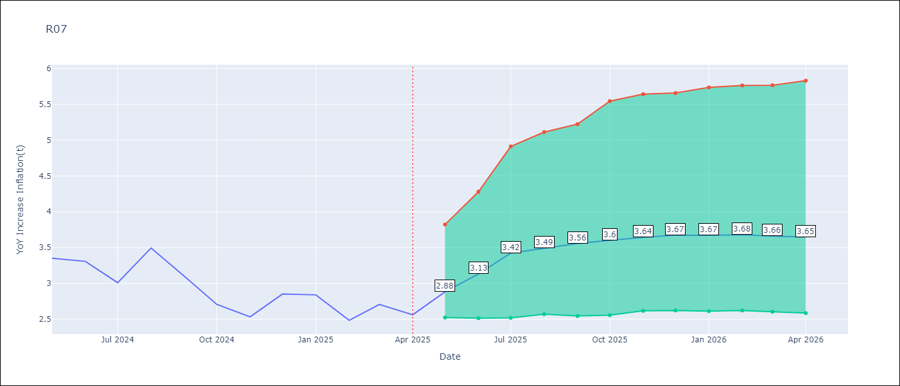

Test Set
RMSE | 0.52
Naive RMSE | 0.49
MAPE | 16.78%

Test Predictions
Date | Predicted | Actual | Bias Vector | Bias Corrected
2025-05-01 | 3.49 | 3.35
2025-06-01 | 3.56 | 3.31
2025-07-01 | 3.56 | 3.01
2025-08-01 | 3.54 | 3.49
2025-09-01 | 3.57 | 3.1
2025-10-01 | 3.47 | 2.71
2025-11-01 | 3.35 | 2.53
2025-12-01 | 3.28 | 2.85
2026-01-01 | 3.29 | 2.84
2026-02-01 | 3.26 | 2.48
2026-03-01 | 3.07 | 2.71
2026-04-01 | 3.03 | 2.56

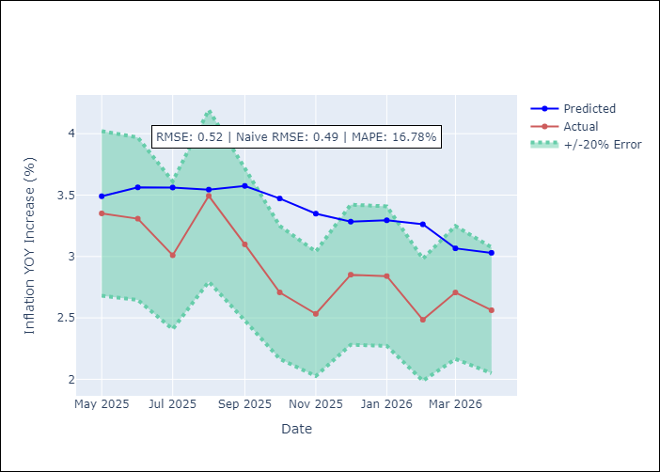
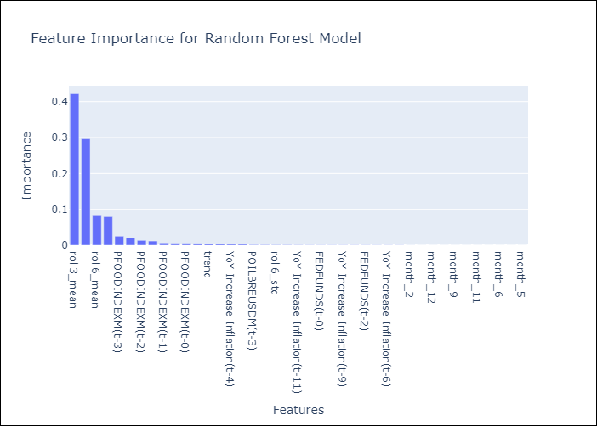

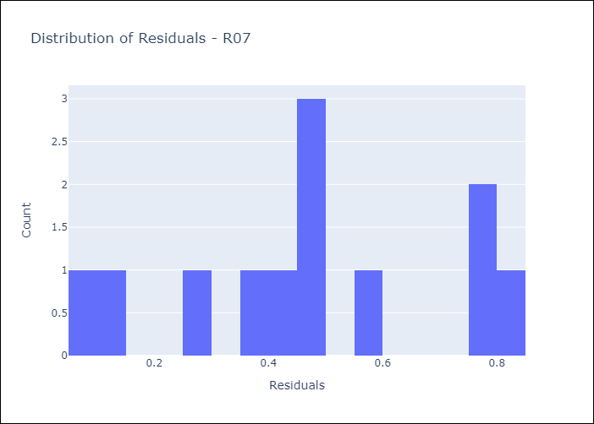
Appendix A: Model Summary
Model | Random Forest w/ Lags
Sample | 2010-01-01 to 2025-04-01
No. of Observations | 182
Residuals
Mean | 0.46197101202
St Dev | 0.23302946036
Kurtosis | -0.87072839466
Skewness | -0.059504343153

Assumptions | P-value

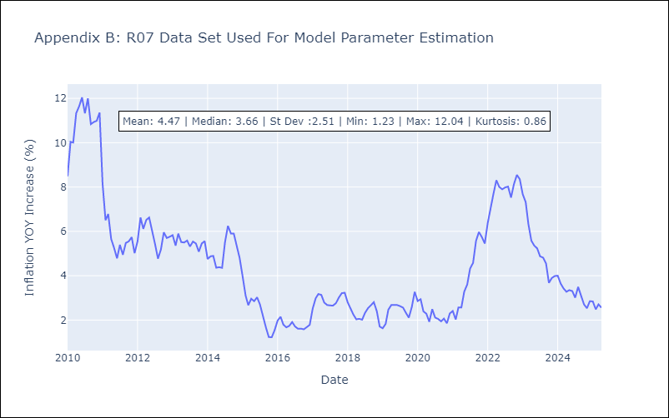

Appendix C: Residuals Analysis
Mean

