Forecasts - All
PROYECCIONES DE INFLACIÓN (DE AQUÍ A 12 MESES) - LATINOAMERICA Y EL CARIBE

Fecha | SUR10 | R01 | R02 | CEN10 | CAR13 | R07 | CEN09
2025-05-01 | 5.05 | 4.54 | 4.54 | 3.49 | 2.88 | 2.88 | 2.21
2025-06-01 | 5.15 | 4.65 | 4.63 | 3.57 | 3.13 | 3.13 | 2.31
2025-07-01 | 5.22 | 4.68 | 4.65 | 3.55 | 3.42 | 3.42 | 2.36
2025-08-01 | 5.26 | 4.72 | 4.68 | 3.53 | 3.49 | 3.49 | 2.53
2025-09-01 | 5.32 | 4.8 | 4.76 | 3.55 | 3.56 | 3.56 | 2.67
2025-10-01 | 5.39 | 4.84 | 4.79 | 3.58 | 3.6 | 3.6 | 2.63
2025-11-01 | 5.4 | 4.87 | 4.8 | 3.6 | 3.64 | 3.64 | 2.67
2025-12-01 | 5.45 | 4.89 | 4.81 | 3.63 | 3.67 | 3.67 | 2.67
2026-01-01 | 5.5 | 4.88 | 4.81 | 3.66 | 3.67 | 3.67 | 2.63
2026-02-01 | 5.64 | 4.89 | 4.82 | 3.73 | 3.68 | 3.68 | 2.62
2026-03-01 | 5.63 | 4.88 | 4.82 | 3.8 | 3.66 | 3.66 | 2.62
2026-04-01 | 5.57 | 4.87 | 4.8 | 3.81 | 3.65 | 3.65 | 2.6

45778.00

CAR13
CAR13 - Inflation - Next 12 months forecast as of: 2025-04-01

Model | Random Forest w/ Lags - {'min_samples_split': 5, 'min_samples_leaf': 2, 'max_features': 0.5, 'max_depth': 600, 'n_estimators': 1200, 'n_jobs': -1}
Training Data | 2010-01-01 to 2024-05-01
Test Data | 2024-05-01 to 2025-04-01

Date | Inflation Change YoY % | Lower Bound - 95% Confidence Interval | Upper Bound - 95% Confidence Interval | Bias Corrected Forecast
2025-05-01 | 2.88 | 2.54 | 3.78
2025-06-01 | 3.13 | 2.49 | 4.18
2025-07-01 | 3.42 | 2.56 | 4.82
2025-08-01 | 3.49 | 2.56 | 5.01
2025-09-01 | 3.56 | 2.54 | 5.15
2025-10-01 | 3.6 | 2.54 | 5.44
2025-11-01 | 3.64 | 2.64 | 5.63
2025-12-01 | 3.67 | 2.66 | 5.7
2026-01-01 | 3.67 | 2.68 | 5.72
2026-02-01 | 3.68 | 2.69 | 5.78
2026-03-01 | 3.66 | 2.72 | 5.84
2026-04-01 | 3.65 | 2.72 | 5.87

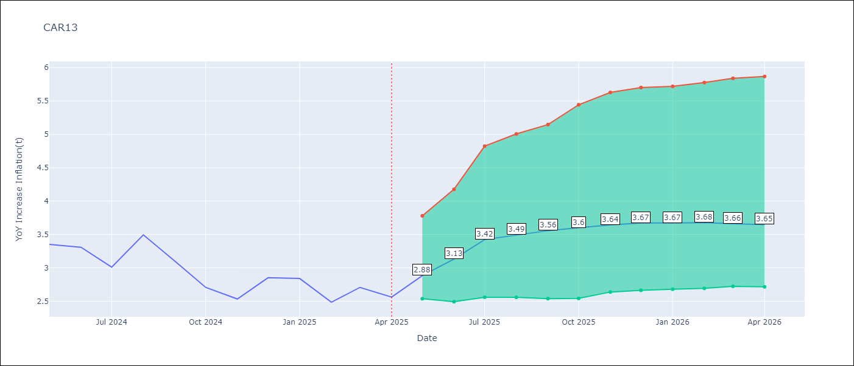

Test Set
RMSE | 0.52
Naive RMSE | 0.49
MAPE | 16.78%

Test Predictions
Date | Predicted | Actual | Bias Vector | Bias Corrected
2025-05-01 | 3.49 | 3.35
2025-06-01 | 3.56 | 3.31
2025-07-01 | 3.56 | 3.01
2025-08-01 | 3.54 | 3.49
2025-09-01 | 3.57 | 3.1
2025-10-01 | 3.47 | 2.71
2025-11-01 | 3.35 | 2.53
2025-12-01 | 3.28 | 2.85
2026-01-01 | 3.29 | 2.84
2026-02-01 | 3.26 | 2.48
2026-03-01 | 3.07 | 2.71
2026-04-01 | 3.03 | 2.56

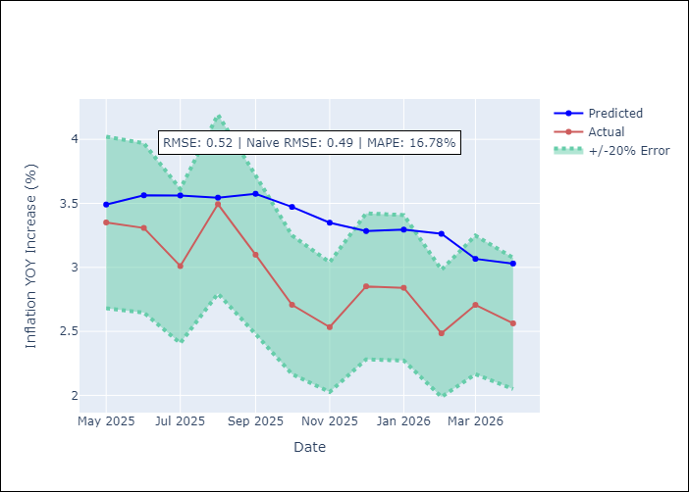
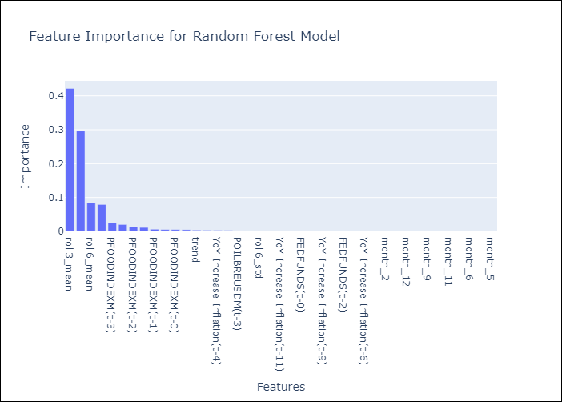

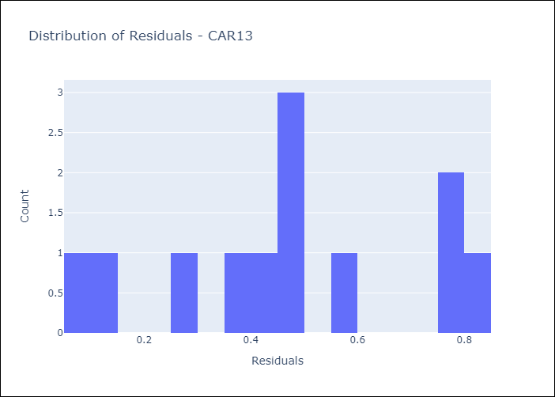
Appendix A: Model Summary
Model | Random Forest w/ Lags
Sample | 2010-01-01 to 2025-04-01
No. of Observations | 182
Residuals
Mean | 0.46197101202
St Dev | 0.23302946036
Kurtosis | -0.87072839466
Skewness | -0.059504343153

Assumptions | P-value

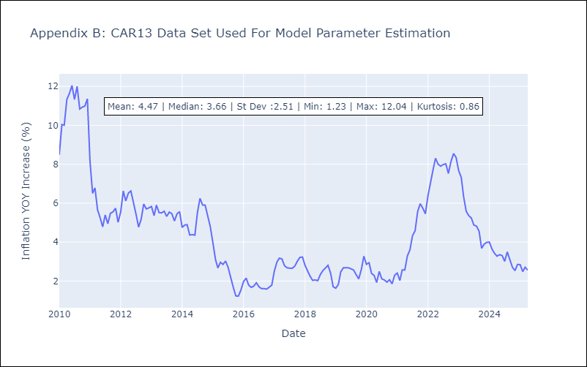

Appendix C: Residuals Analysis
Mean

CEN09
CEN09 - Inflation - Next 12 months forecast as of: 2025-05-01

Model | Random Forest w/ Lags - {'min_samples_split': 2, 'min_samples_leaf': 1, 'max_features': 0.7, 'max_depth': 900, 'n_estimators': 500, 'n_jobs': -1}
Training Data | 2010-01-01 to 2024-06-01
Test Data | 2024-06-01 to 2025-05-01

Date | Inflation Change YoY % | Lower Bound - 95% Confidence Interval | Upper Bound - 95% Confidence Interval | Bias Corrected Forecast
2025-05-01 | 2.21 | 2.15 | 3.99
2025-06-01 | 2.31 | 2.18 | 4.02
2025-07-01 | 2.36 | 2.19 | 4.58
2025-08-01 | 2.53 | 2.19 | 5.42
2025-09-01 | 2.67 | 2.29 | 5.62
2025-10-01 | 2.63 | 2.36 | 5.88
2025-11-01 | 2.67 | 2.39 | 6.05
2025-12-01 | 2.67 | 2.44 | 6.86
2026-01-01 | 2.63 | 2.49 | 7.08
2026-02-01 | 2.62 | 2.52 | 7.28
2026-03-01 | 2.62 | 2.52 | 7.41
2026-04-01 | 2.6 | 2.52 | 7.56

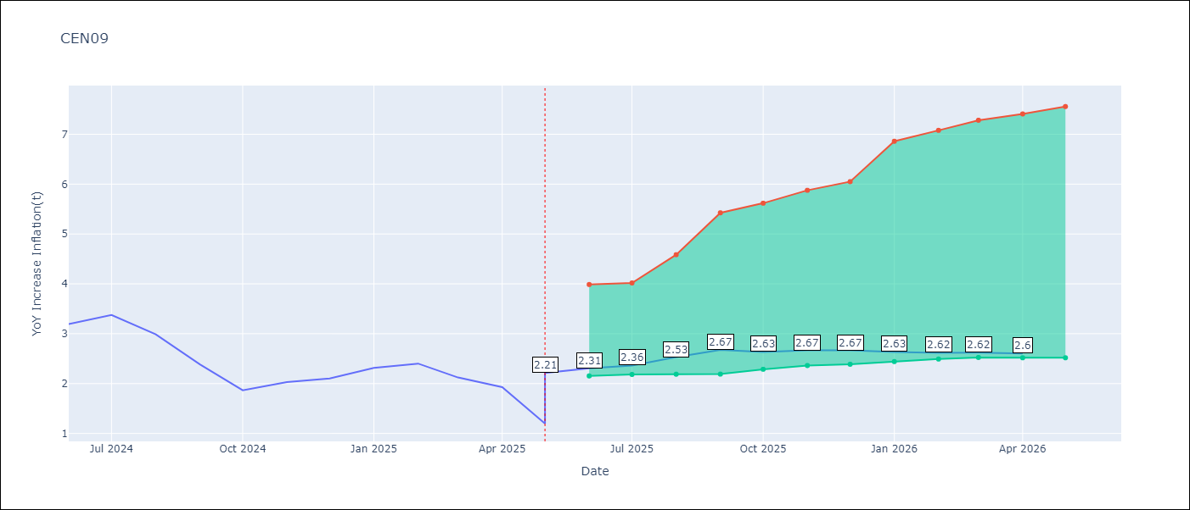

Test Set
RMSE | 0.23
Naive RMSE | 0.77
MAPE | 8.07%

Test Predictions
Date | Predicted | Actual | Bias Vector | Bias Corrected
2025-05-01 | 3.08 | 3.24
2025-06-01 | 3.15 | 3.19
2025-07-01 | 3.23 | 3.38
2025-08-01 | 3 | 2.99
2025-09-01 | 2.75 | 2.38
2025-10-01 | 2.26 | 1.87
2025-11-01 | 2.12 | 2.03
2025-12-01 | 2.05 | 2.1
2026-01-01 | 2.37 | 2.32
2026-02-01 | 2.56 | 2.4
2026-03-01 | 2.51 | 2.12
2026-04-01 | 2.21 | 1.93

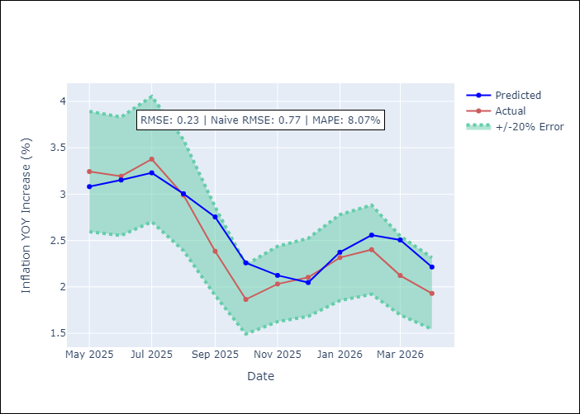
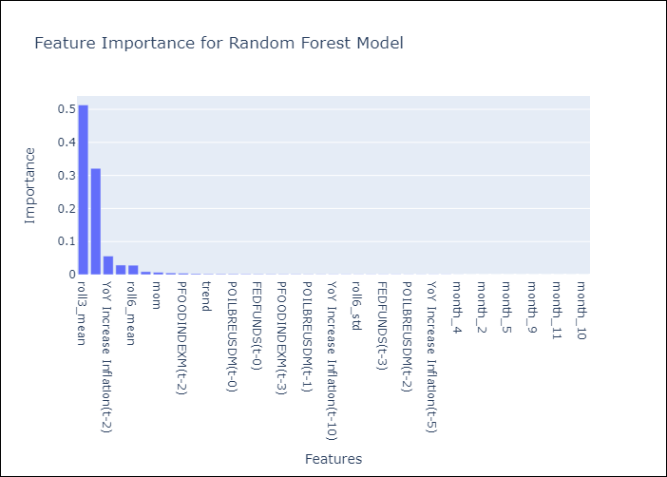

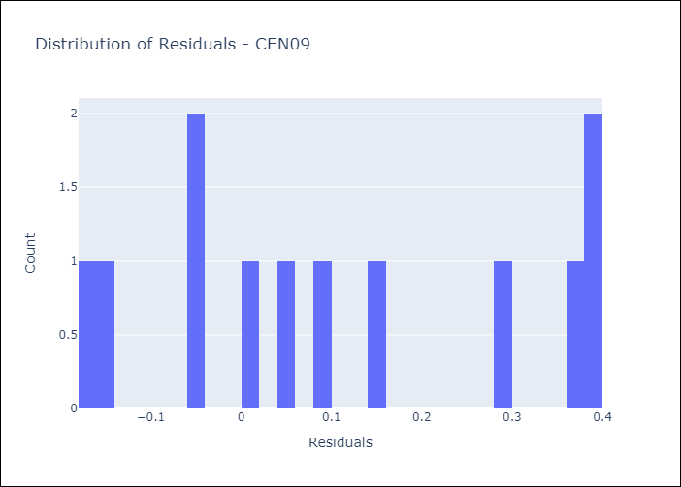
Appendix A: Model Summary
Model | Random Forest w/ Lags
Sample | 2010-01-01 to 2025-05-01
No. of Observations | 183
Residuals
Mean | 0.11231842431
St Dev | 0.19538537583
Kurtosis | -1.3611300263
Skewness | 0.18836706276

Assumptions | P-value

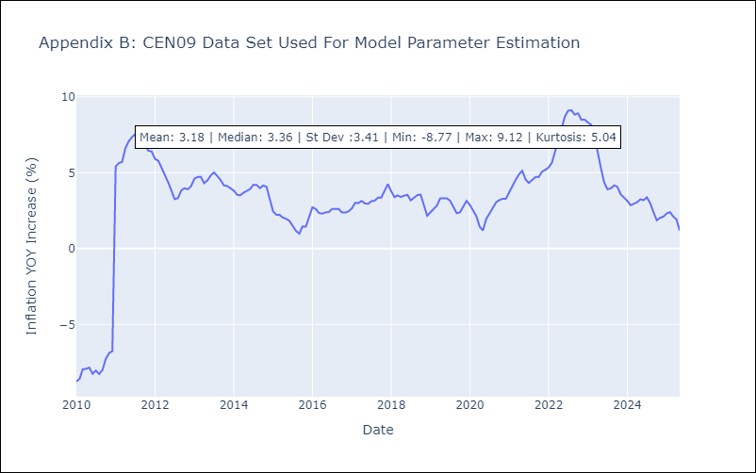

Appendix C: Residuals Analysis
Mean

CEN10
CEN10 - Inflation - Next 12 months forecast as of: 2025-05-01

Model | Random Forest w/ Lags - {'min_samples_split': 2, 'min_samples_leaf': 1, 'max_features': 0.7, 'max_depth': 900, 'n_estimators': 1000, 'n_jobs': -1}
Training Data | 2010-01-01 to 2024-06-01
Test Data | 2024-06-01 to 2025-05-01

Date | Inflation Change YoY % | Lower Bound - 95% Confidence Interval | Upper Bound - 95% Confidence Interval | Bias Corrected Forecast
2025-05-01 | 3.49 | 3.21 | 4.57
2025-06-01 | 3.57 | 3.19 | 4.74
2025-07-01 | 3.55 | 3.16 | 5.21
2025-08-01 | 3.53 | 3.13 | 5.58
2025-09-01 | 3.55 | 3.12 | 5.75
2025-10-01 | 3.58 | 3.18 | 5.91
2025-11-01 | 3.6 | 3.24 | 6.16
2025-12-01 | 3.63 | 3.24 | 6.32
2026-01-01 | 3.66 | 3.24 | 6.36
2026-02-01 | 3.73 | 3.19 | 6.47
2026-03-01 | 3.8 | 3.15 | 6.56
2026-04-01 | 3.81 | 3.12 | 6.72

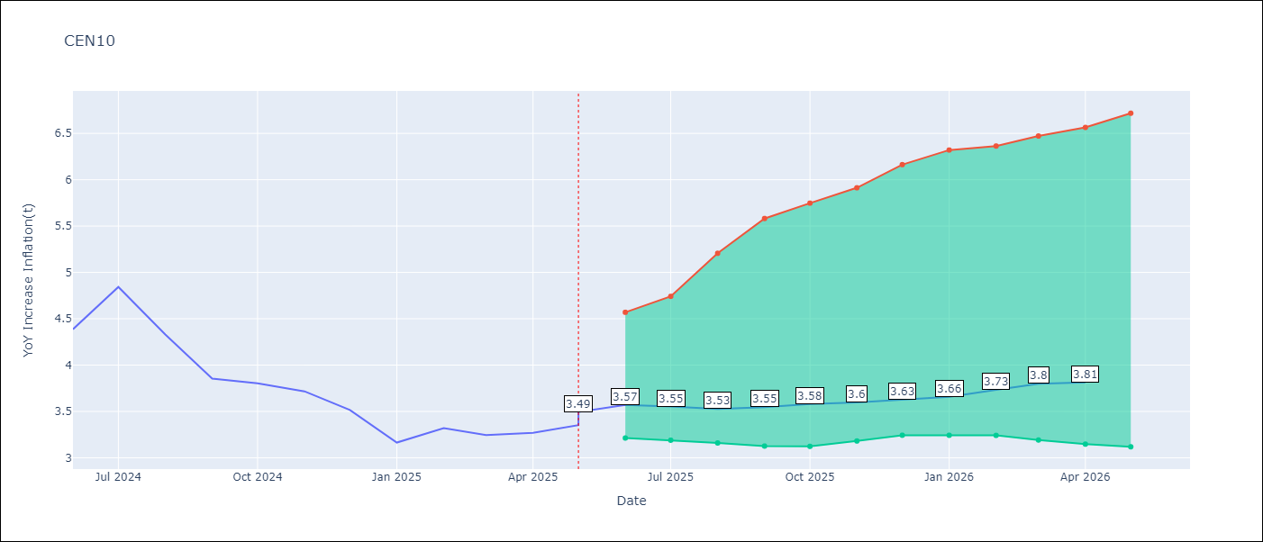

Test Set
RMSE | 0.21
Naive RMSE | 0.61
MAPE | 5.0%

Test Predictions
Date | Predicted | Actual | Bias Vector | Bias Corrected
2025-05-01 | 4.13 | 4.21
2025-06-01 | 4.28 | 4.39
2025-07-01 | 4.44 | 4.84
2025-08-01 | 4.42 | 4.33
2025-09-01 | 4.11 | 3.85
2025-10-01 | 3.88 | 3.8
2025-11-01 | 3.83 | 3.72
2025-12-01 | 3.63 | 3.52
2026-01-01 | 3.44 | 3.16
2026-02-01 | 3.61 | 3.32
2026-03-01 | 3.42 | 3.24
2026-04-01 | 3.52 | 3.27

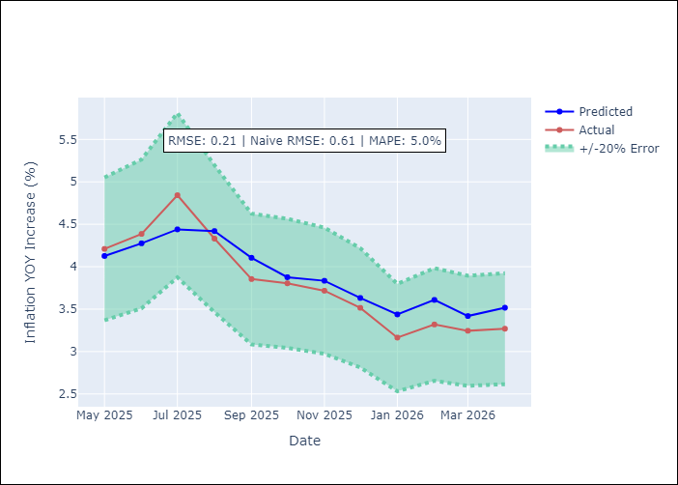
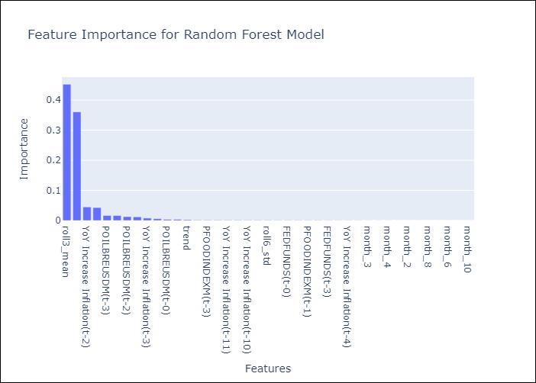

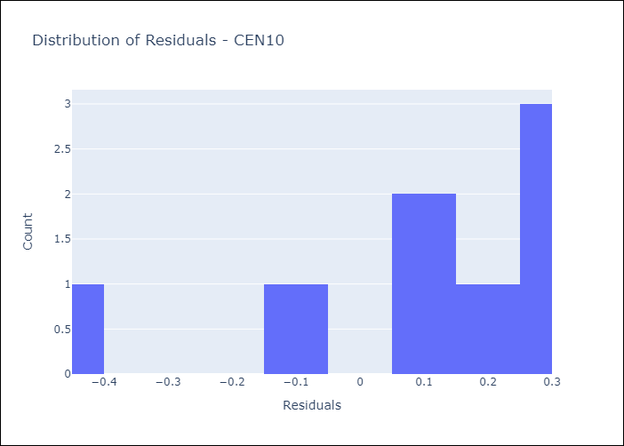
Appendix A: Model Summary
Model | Random Forest w/ Lags
Sample | 2010-01-01 to 2025-05-01
No. of Observations | 183
Residuals
Mean | 0.085990132089
St Dev | 0.19285473707
Kurtosis | 0.85251363903
Skewness | -1.2202228554

Assumptions | P-value

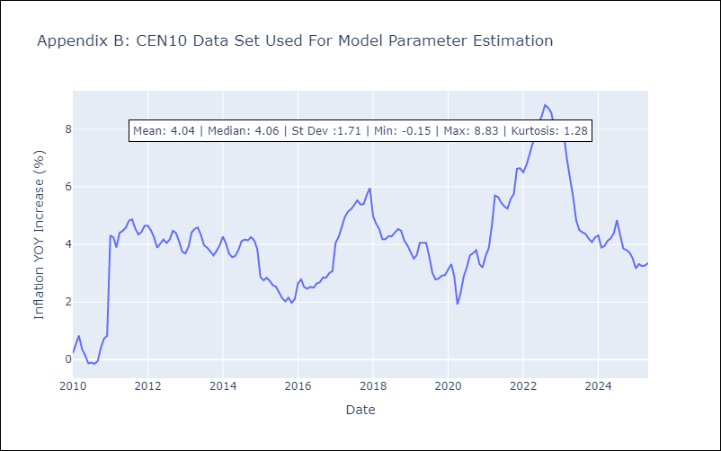

Appendix C: Residuals Analysis
Mean

R01
R01 - Inflation - Next 12 months forecast as of: 2025-05-01

Model | Random Forest w/ Lags - {'min_samples_split': 5, 'min_samples_leaf': 4, 'max_features': 0.7, 'max_depth': 300, 'n_estimators': 300, 'n_jobs': -1}
Training Data | 2010-01-01 to 2024-06-01
Test Data | 2024-06-01 to 2025-05-01

Date | Inflation Change YoY % | Lower Bound - 95% Confidence Interval | Upper Bound - 95% Confidence Interval | Bias Corrected Forecast
2025-05-01 | 4.54 | 3.99 | 5.14
2025-06-01 | 4.65 | 3.9 | 5.25
2025-07-01 | 4.68 | 3.81 | 5.58
2025-08-01 | 4.72 | 3.73 | 5.78
2025-09-01 | 4.8 | 3.66 | 6.06
2025-10-01 | 4.84 | 3.59 | 6.23
2025-11-01 | 4.87 | 3.55 | 6.51
2025-12-01 | 4.89 | 3.52 | 6.64
2026-01-01 | 4.88 | 3.5 | 6.83
2026-02-01 | 4.89 | 3.4 | 7.03
2026-03-01 | 4.88 | 3.33 | 7.23
2026-04-01 | 4.87 | 3.3 | 7.4

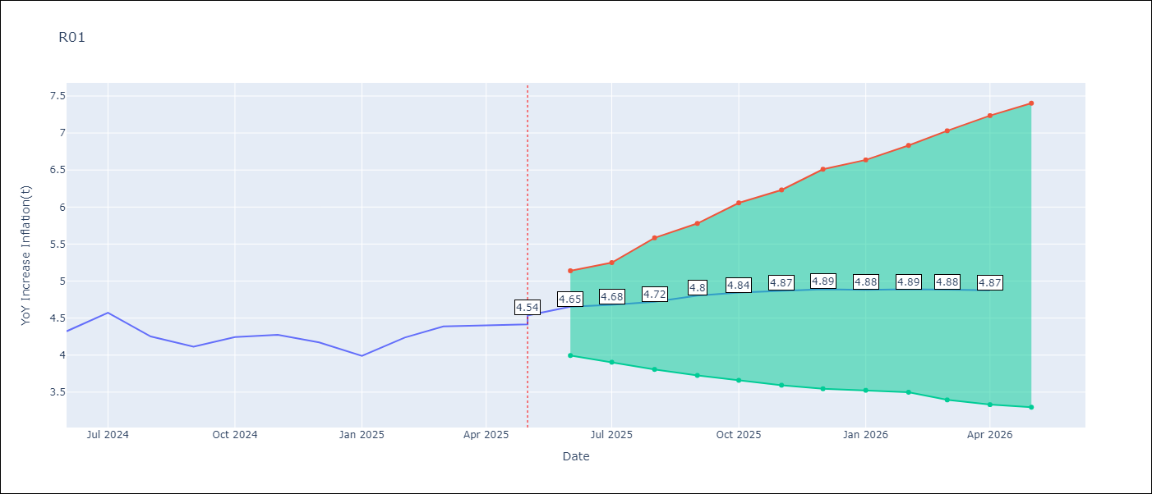

Test Set
RMSE | 0.17
Naive RMSE | 0.25
MAPE | 3.52%

Test Predictions
Date | Predicted | Actual | Bias Vector | Bias Corrected
2025-05-01 | 4.03 | 4.16
2025-06-01 | 4.07 | 4.32
2025-07-01 | 4.37 | 4.57
2025-08-01 | 4.42 | 4.25
2025-09-01 | 4.17 | 4.11
2025-10-01 | 4.05 | 4.24
2025-11-01 | 4.1 | 4.27
2025-12-01 | 4.16 | 4.17
2026-01-01 | 4.03 | 3.99
2026-02-01 | 4.03 | 4.24
2026-03-01 | 4.15 | 4.39
2026-04-01 | 4.55 | 4.4

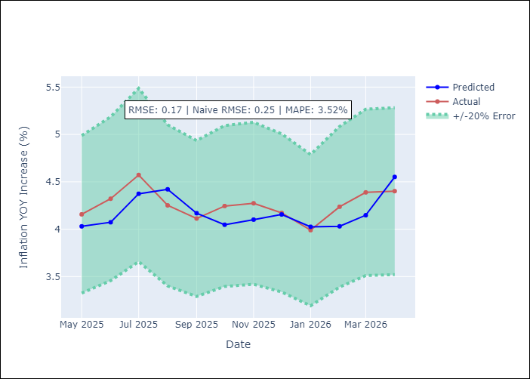
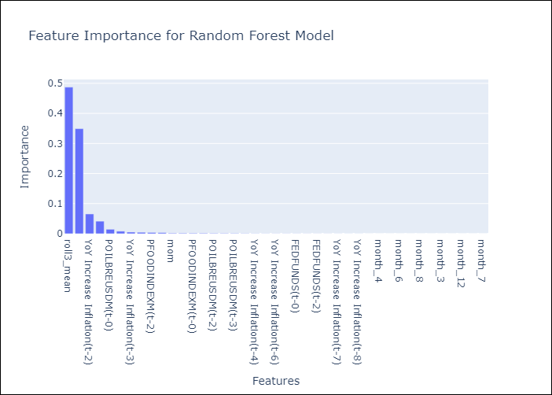

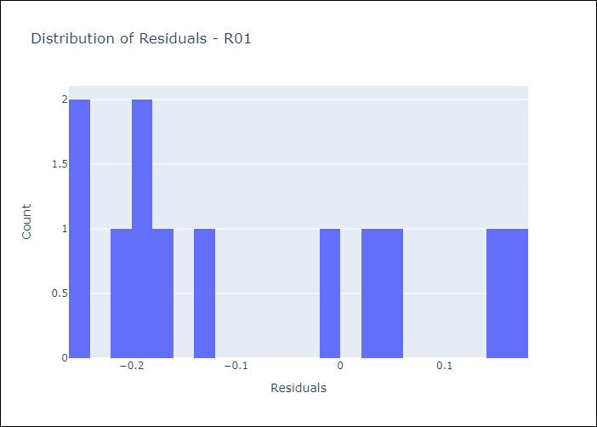
Appendix A: Model Summary
Model | Random Forest w/ Lags
Sample | 2010-01-01 to 2025-05-01
No. of Observations | 183
Residuals
Mean | -0.083002895927
St Dev | 0.14709049303
Kurtosis | -1.2887205214
Skewness | 0.50253687378

Assumptions | P-value

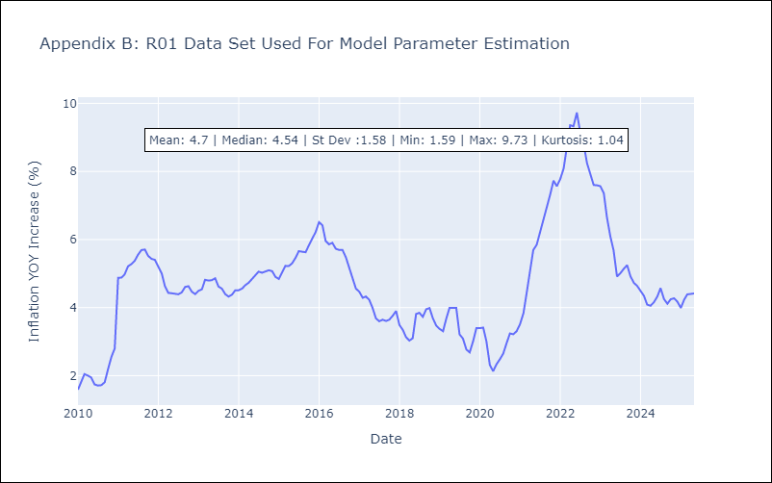

Appendix C: Residuals Analysis
Mean

R02
R02 - Inflation - Next 12 months forecast as of: 2025-05-01

Model | Random Forest w/ Lags - {'min_samples_split': 5, 'min_samples_leaf': 4, 'max_features': 0.7, 'max_depth': 300, 'n_estimators': 300, 'n_jobs': -1}
Training Data | 2010-01-01 to 2024-06-01
Test Data | 2024-06-01 to 2025-05-01

Date | Inflation Change YoY % | Lower Bound - 95% Confidence Interval | Upper Bound - 95% Confidence Interval | Bias Corrected Forecast
2025-05-01 | 4.54 | 3.96 | 5.19
2025-06-01 | 4.63 | 3.9 | 5.27
2025-07-01 | 4.65 | 3.74 | 5.54
2025-08-01 | 4.68 | 3.63 | 5.75
2025-09-01 | 4.76 | 3.55 | 5.8
2025-10-01 | 4.79 | 3.52 | 5.91
2025-11-01 | 4.8 | 3.47 | 6.13
2025-12-01 | 4.81 | 3.46 | 6.18
2026-01-01 | 4.81 | 3.39 | 6.44
2026-02-01 | 4.82 | 3.31 | 6.55
2026-03-01 | 4.82 | 3.28 | 6.71
2026-04-01 | 4.8 | 3.28 | 7.06

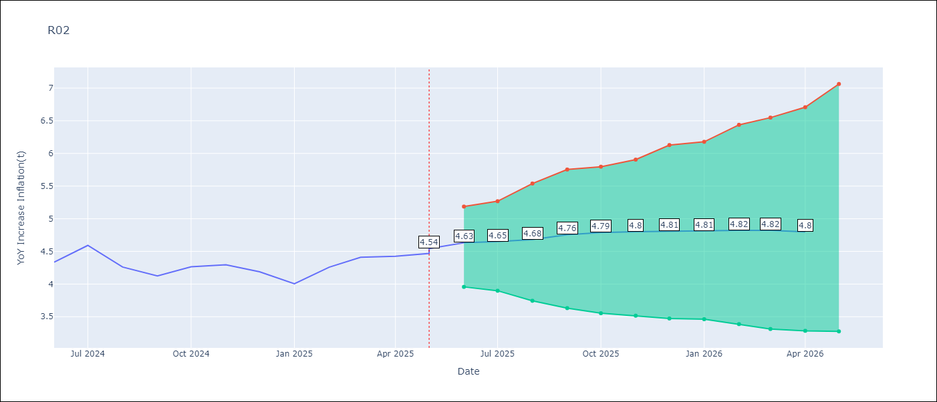

Test Set
RMSE | 0.17
Naive RMSE | 0.26
MAPE | 3.62%

Test Predictions
Date | Predicted | Actual | Bias Vector | Bias Corrected
2025-05-01 | 4.04 | 4.17
2025-06-01 | 4.1 | 4.33
2025-07-01 | 4.39 | 4.59
2025-08-01 | 4.43 | 4.26
2025-09-01 | 4.19 | 4.13
2025-10-01 | 4.07 | 4.26
2025-11-01 | 4.12 | 4.3
2025-12-01 | 4.26 | 4.19
2026-01-01 | 4.04 | 4
2026-02-01 | 4.04 | 4.26
2026-03-01 | 4.17 | 4.41
2026-04-01 | 4.56 | 4.42

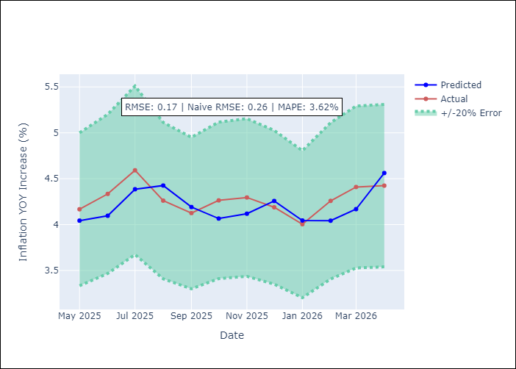
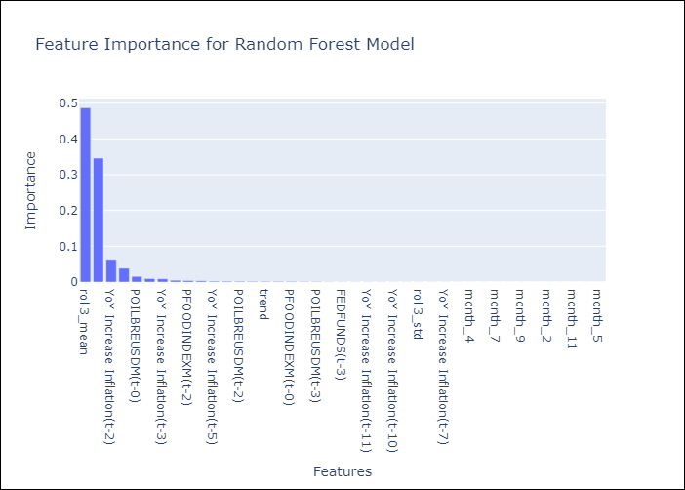

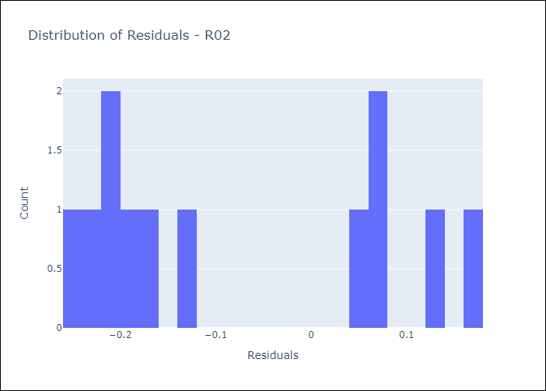
Appendix A: Model Summary
Model | Random Forest w/ Lags
Sample | 2010-01-01 to 2025-05-01
No. of Observations | 183
Residuals
Mean | -0.076857438405
St Dev | 0.15145999142
Kurtosis | -1.5863833722
Skewness | 0.36393855585

Assumptions | P-value

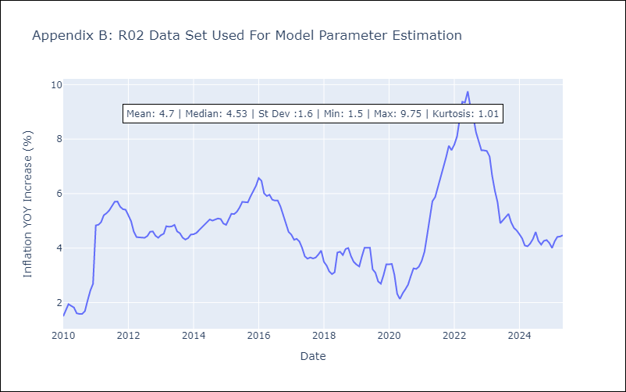

Appendix C: Residuals Analysis
Mean

R07
R07 - Inflation - Next 12 months forecast as of: 2025-04-01

Model | Random Forest w/ Lags - {'min_samples_split': 5, 'min_samples_leaf': 2, 'max_features': 0.5, 'max_depth': 600, 'n_estimators': 1200, 'n_jobs': -1}
Training Data | 2010-01-01 to 2024-05-01
Test Data | 2024-05-01 to 2025-04-01

Date | Inflation Change YoY % | Lower Bound - 95% Confidence Interval | Upper Bound - 95% Confidence Interval | Bias Corrected Forecast
2025-05-01 | 2.88 | 2.5 | 3.91
2025-06-01 | 3.13 | 2.47 | 4.31
2025-07-01 | 3.42 | 2.51 | 5.04
2025-08-01 | 3.49 | 2.56 | 5.2
2025-09-01 | 3.56 | 2.51 | 5.38
2025-10-01 | 3.6 | 2.52 | 5.48
2025-11-01 | 3.64 | 2.61 | 5.69
2025-12-01 | 3.67 | 2.62 | 5.8
2026-01-01 | 3.67 | 2.66 | 5.91
2026-02-01 | 3.68 | 2.65 | 5.96
2026-03-01 | 3.66 | 2.65 | 6.05
2026-04-01 | 3.65 | 2.65 | 6.08

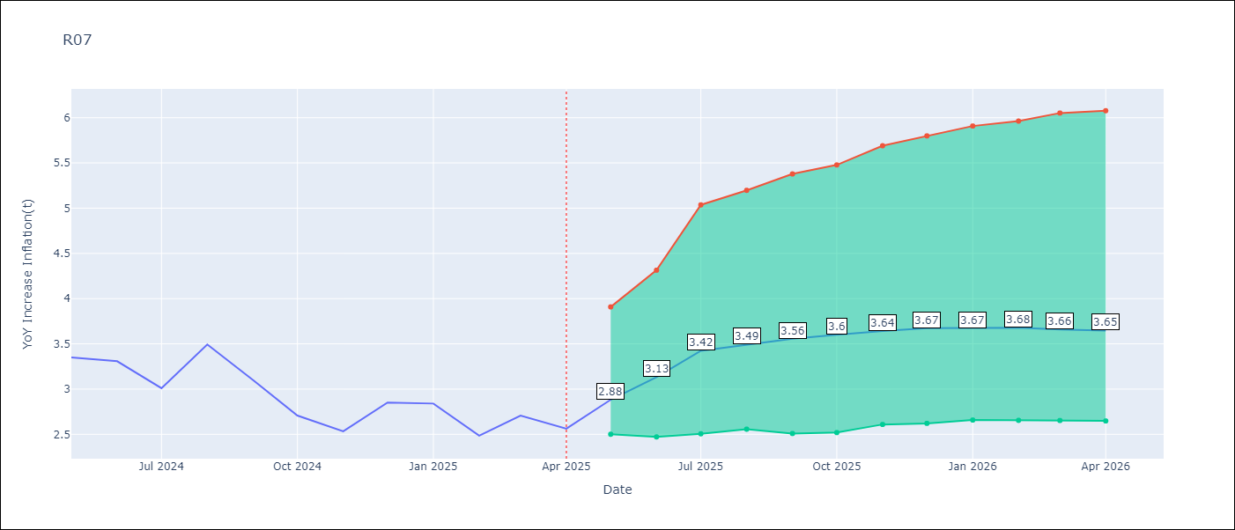

Test Set
RMSE | 0.52
Naive RMSE | 0.49
MAPE | 16.78%

Test Predictions
Date | Predicted | Actual | Bias Vector | Bias Corrected
2025-05-01 | 3.49 | 3.35
2025-06-01 | 3.56 | 3.31
2025-07-01 | 3.56 | 3.01
2025-08-01 | 3.54 | 3.49
2025-09-01 | 3.57 | 3.1
2025-10-01 | 3.47 | 2.71
2025-11-01 | 3.35 | 2.53
2025-12-01 | 3.28 | 2.85
2026-01-01 | 3.29 | 2.84
2026-02-01 | 3.26 | 2.48
2026-03-01 | 3.07 | 2.71
2026-04-01 | 3.03 | 2.56


Appendix A: Model Summary
Model | Random Forest w/ Lags
Sample | 2010-01-01 to 2025-04-01
No. of Observations | 182
Residuals
Mean | 0.46197101202
St Dev | 0.23302946036
Kurtosis | -0.87072839466
Skewness | -0.059504343153

Assumptions | P-value



Appendix C: Residuals Analysis
Mean

SUR10
SUR10 - Inflation - Next 12 months forecast as of: 2025-05-01

Model | Random Forest w/ Lags - {'min_samples_split': 5, 'min_samples_leaf': 4, 'max_features': 0.7, 'max_depth': 300, 'n_estimators': 1200, 'n_jobs': -1}
Training Data | 2010-01-01 to 2024-06-01
Test Data | 2024-06-01 to 2025-05-01

Date | Inflation Change YoY % | Lower Bound - 95% Confidence Interval | Upper Bound - 95% Confidence Interval | Bias Corrected Forecast
2025-05-01 | 5.05 | 4.25 | 5.63
2025-06-01 | 5.15 | 4.21 | 5.7
2025-07-01 | 5.22 | 4.19 | 5.83
2025-08-01 | 5.26 | 3.93 | 5.91
2025-09-01 | 5.32 | 3.65 | 6.04
2025-10-01 | 5.39 | 3.5 | 6.24
2025-11-01 | 5.4 | 3.45 | 6.47
2025-12-01 | 5.45 | 3.36 | 6.61
2026-01-01 | 5.5 | 3.23 | 6.63
2026-02-01 | 5.64 | 3.2 | 6.76
2026-03-01 | 5.63 | 3.19 | 7.03
2026-04-01 | 5.57 | 3.18 | 7.19

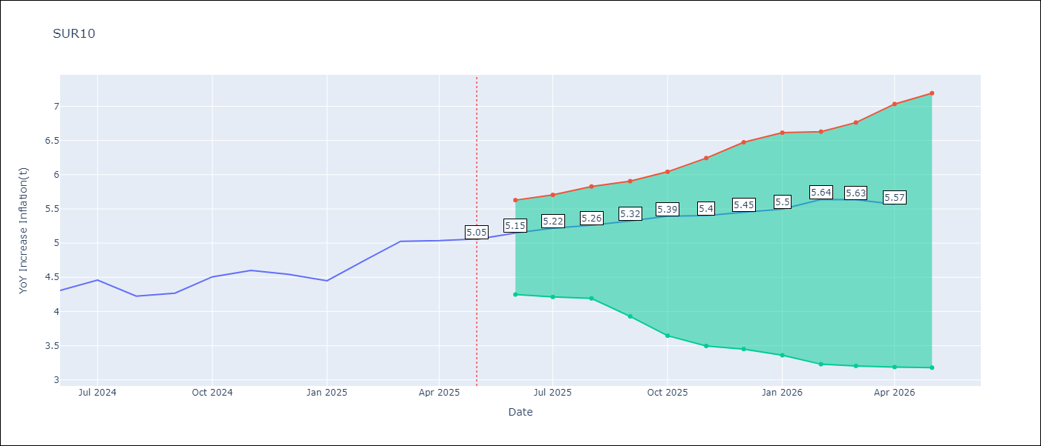

Test Set
RMSE | 0.13
Naive RMSE | 0.57
MAPE | 2.43%

Test Predictions
Date | Predicted | Actual | Bias Vector | Bias Corrected
2025-05-01 | 4.05 | 4.14
2025-06-01 | 4.11 | 4.31
2025-07-01 | 4.45 | 4.46
2025-08-01 | 4.46 | 4.22
2025-09-01 | 4.33 | 4.27
2025-10-01 | 4.43 | 4.51
2025-11-01 | 4.47 | 4.6
2025-12-01 | 4.56 | 4.54
2026-01-01 | 4.56 | 4.45
2026-02-01 | 4.65 | 4.76
2026-03-01 | 4.8 | 5.03
2026-04-01 | 5.09 | 5.04

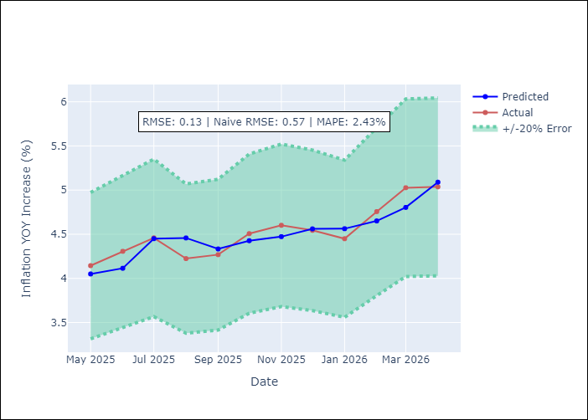
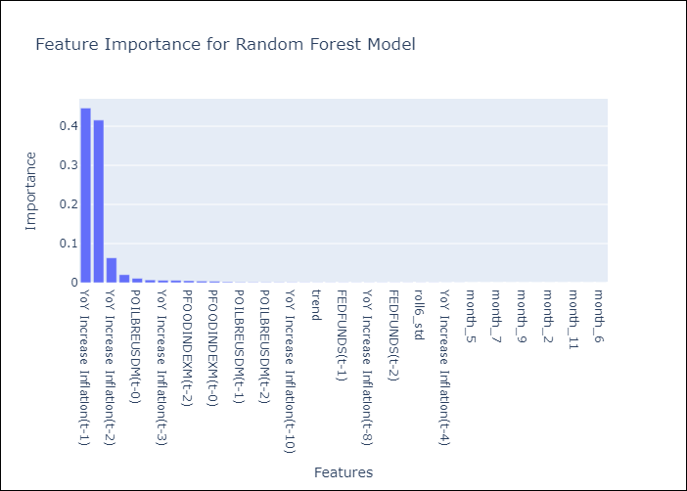

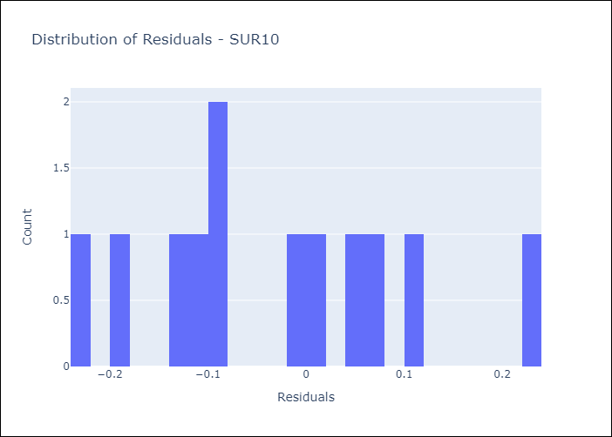
Appendix A: Model Summary
Model | Random Forest w/ Lags
Sample | 2010-01-01 to 2025-05-01
No. of Observations | 183
Residuals
Mean | -0.029311632764
St Dev | 0.12712649364
Kurtosis | -0.58029184297
Skewness | 0.37103411403

Assumptions | P-value

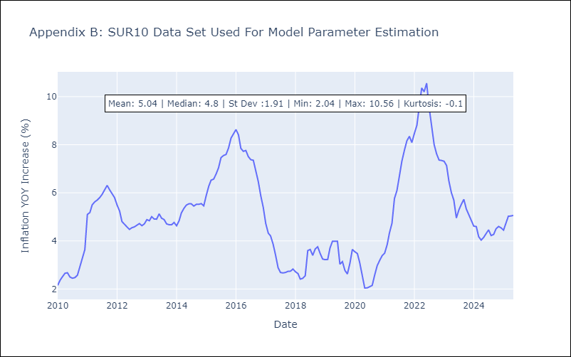

Appendix C: Residuals Analysis
Mean

