ARG
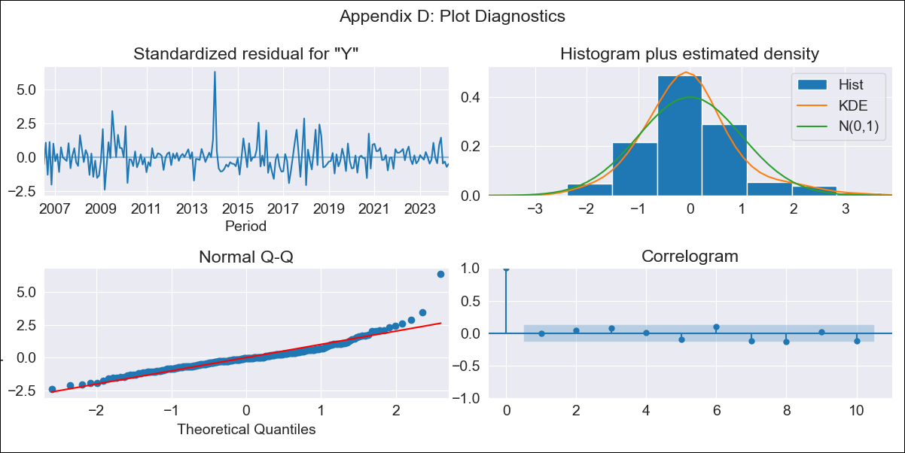
ARG - Inflation - Next 12 months forecast as of: 2024-04-01

Model | ARIMA - [(0, 2, 3), (0, 0, 1, 12)]
Training Data | 2005-01-01 to 2023-05-01
Test Data | 2023-05-01 to 2024-04-01

Date | Inflation Change YoY % | Lower Bound - 95% Confidence Interval | Upper Bound - 95% Confidence Interval
2024-05-01 | 307.15 | 247.19 | 390.45
2024-06-01 | 339.56 | 219.06 | 584.36
2024-07-01 | 380.83 | 198.56 | 950.65
2024-08-01 | 405.13 | 174.03 | 1573.72
2024-09-01 | 435.53 | 153.93 | 3115.95
2024-10-01 | 487.08 | 139.23 | 9868.54
2024-11-01 | 522.74 | 122.61 | 81736.48
2024-12-01 | 522.88 | 104.26
2025-01-01 | 551.97 | 91.34
2025-02-01 | 607.01 | 81.52
2025-03-01 | 694.64 | 73.76
2025-04-01 | 810.89 | 66.96
2025-05-01 | 934.81 | 61.29
2025-06-01 | 1072.01 | 56.36
2025-07-01 | 1236.39 | 51.94
2025-08-01 | 1439.71 | 47.92

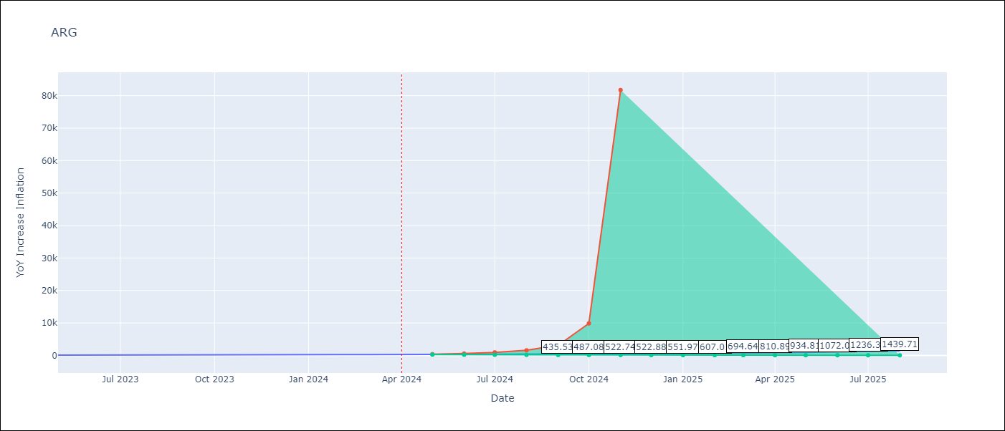

Test Metrics
RMSE | 55.57
Naive RMSE | 21.55
MAPE | 15.08%

Test Predictions
Date | Predicted | Actual
2023-05-01 | 116.04 | 116.26
2023-06-01 | 120.92 | 116.97
2023-07-01 | 123.49 | 114.59
2023-08-01 | 127.63 | 125.24
2023-09-01 | 134.7 | 138.29
2023-10-01 | 141.41 | 142.9
2023-11-01 | 149.88 | 161.19
2023-12-01 | 159.94 | 210.14
2024-01-01 | 169.21 | 249.92
2024-02-01 | 178.98 | 277.09
2024-03-01 | 190.77 | 289.9
2024-04-01 | 200.94 | 292.21

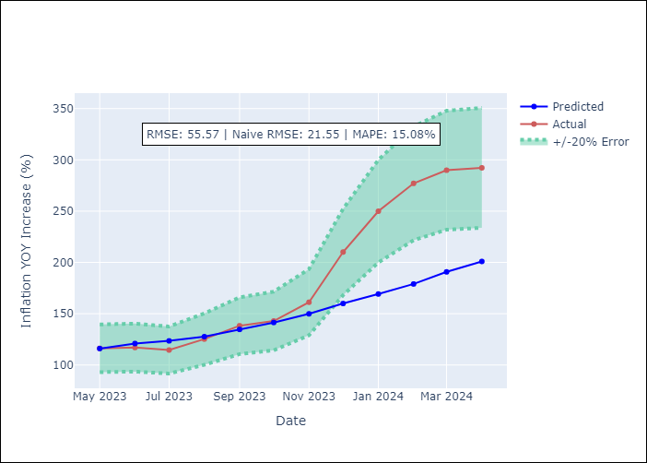

Appendix A: Model Summary
Model | ARIMA(0, 2, 3)x(0, 0, [1], 12)
Sample | 01-01-2005- 04-01-2024
No. of Observations | 232
Terms | P-value (Statistical significance)
ma.L1 | 0.000
ma.L2 | 0.000
ma.L3 | 0.246
ma.S.L12 | 0.000
sigma2 | 0.000
Assumptions | P-value

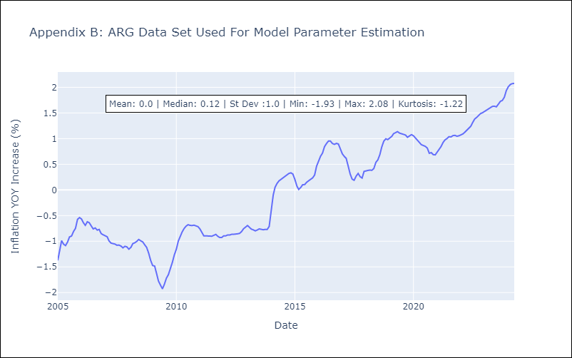

Appendix C: Residuals Analysis
Mean | -0.0

Normal? | No

BOL
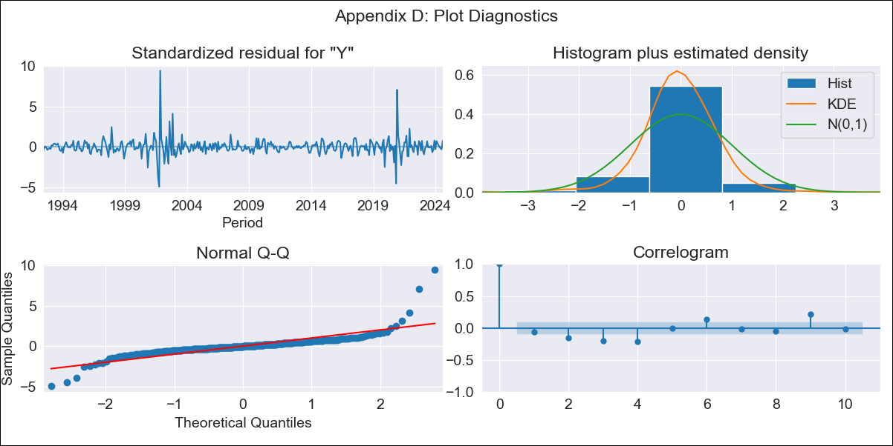
BOL - Inflation - Next 12 months forecast as of: 2024-08-01

Model | ARIMA - [(3, 2, 0), (2, 0, 0, 12)]
Training Data | 1990-01-01 to 2023-09-01
Test Data | 2023-09-01 to 2024-08-01

Date | Inflation Change YoY % | Lower Bound - 95% Confidence Interval | Upper Bound - 95% Confidence Interval
2024-09-01 | 5.79 | 3.35 | 9.19
2024-10-01 | 6.75 | 2.88 | 13.17
2024-11-01 | 8.06 | 2.51 | 18.94
2024-12-01 | 8.68 | 1.66 | 25.59
2025-01-01 | 9.95 | 1.01 | 36.92
2025-02-01 | 10.61 | 0.33 | 49.76
2025-03-01 | 11.33 | -0.18 | 66.94
2025-04-01 | 12.17 | -0.59 | 90.33
2025-05-01 | 13.36 | -0.92 | 122.87
2025-06-01 | 14.58 | -1.23 | 165.11
2025-07-01 | 16.05 | -1.52 | 221.6
2025-08-01 | 16.26 | -1.86 | 282.6
2025-09-01 | 17.52 | -2.09 | 358.82
2025-10-01 | 18.96 | -2.32 | 454
2025-11-01 | 20.14 | -2.55 | 564.97
2025-12-01 | 21.18 | -2.77 | 693.06

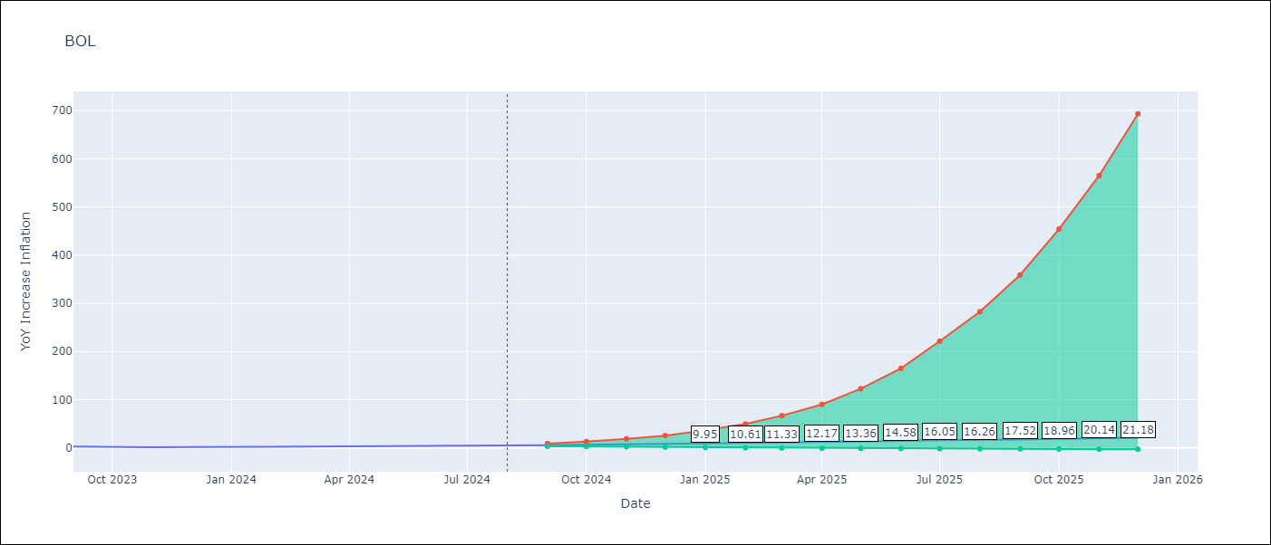

Test Metrics
RMSE | 0.82
Naive RMSE | 0.56
MAPE | 22.05%

Test Predictions
Date | Predicted | Actual
2023-09-01 | 2.74 | 2.85
2023-10-01 | 2.52 | 2.08
2023-11-01 | 2.38 | 1.59
2023-12-01 | 2.5 | 2.12
2024-01-01 | 2.63 | 1.86
2024-02-01 | 2.96 | 2.52
2024-03-01 | 3.05 | 3.06
2024-04-01 | 3.05 | 3.46
2024-05-01 | 2.92 | 3.52
2024-06-01 | 3 | 3.85
2024-07-01 | 3.06 | 3.95
2024-08-01 | 3.12 | 5.2

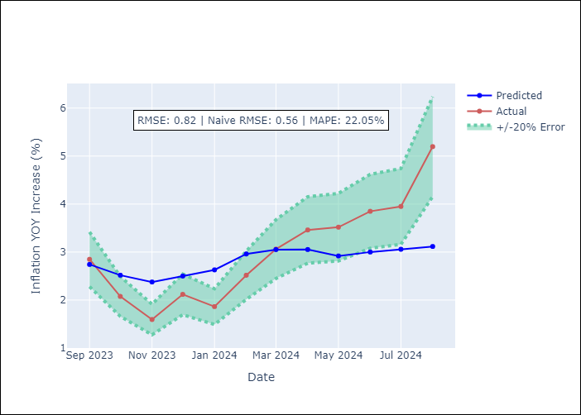

Appendix A: Model Summary
Model | ARIMA(3, 2, 0)x(2, 0, 0, 12)
Sample | 01-01-1990- 08-01-2024
No. of Observations | 416
Terms | P-value (Statistical significance)
ar.L1 | 0.000
ar.L2 | 0.000
ar.L3 | 0.000
ar.S.L12 | 0.000
ar.S.L24 | 0.021
sigma2 | 0.000
Assumptions | P-value

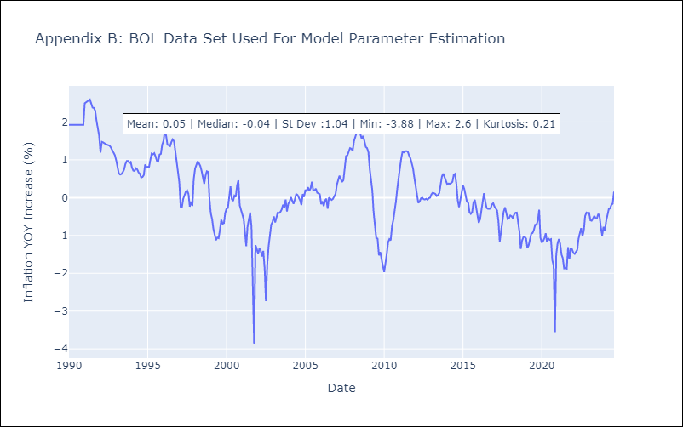

Appendix C: Residuals Analysis
Mean | 0.0

Normal? | No

BRA
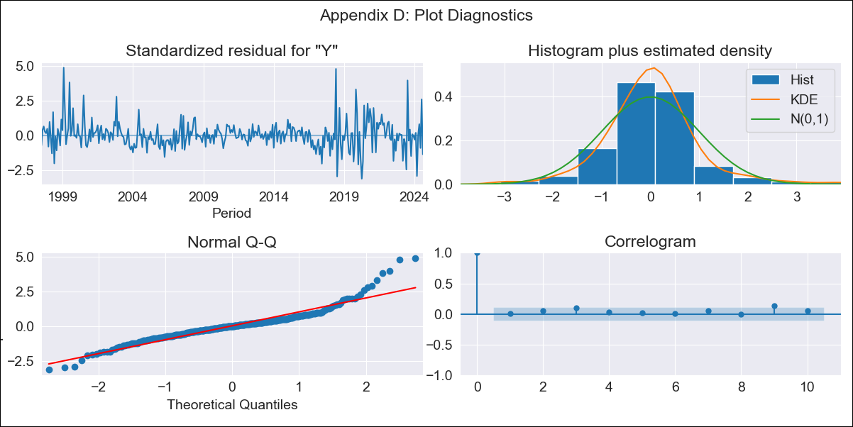
BRA - Inflation - Next 12 months forecast as of: 2024-08-01

Model | ARIMA - [(0, 2, 3), (0, 0, 1, 12)]
Training Data | 1996-01-01 to 2023-09-01
Test Data | 2023-09-01 to 2024-08-01

Date | Inflation Change YoY % | Lower Bound - 95% Confidence Interval | Upper Bound - 95% Confidence Interval
2024-09-01 | 4 | 3.48 | 4.6
2024-10-01 | 4.13 | 3.2 | 5.35
2024-11-01 | 4.23 | 2.98 | 6.03
2024-12-01 | 4.25 | 2.78 | 6.53
2025-01-01 | 4.29 | 2.63 | 7.04
2025-02-01 | 4.27 | 2.47 | 7.44
2025-03-01 | 4.76 | 2.62 | 8.79
2025-04-01 | 5.03 | 2.64 | 9.83
2025-05-01 | 4.95 | 2.48 | 10.14
2025-06-01 | 5.03 | 2.42 | 10.79
2025-07-01 | 4.61 | 2.12 | 10.26
2025-08-01 | 4.62 | 2.04 | 10.71
2025-09-01 | 4.67 | 2.03 | 11.06
2025-10-01 | 4.7 | 2.02 | 11.27
2025-11-01 | 4.7 | 2 | 11.37
2025-12-01 | 4.69 | 1.98 | 11.47

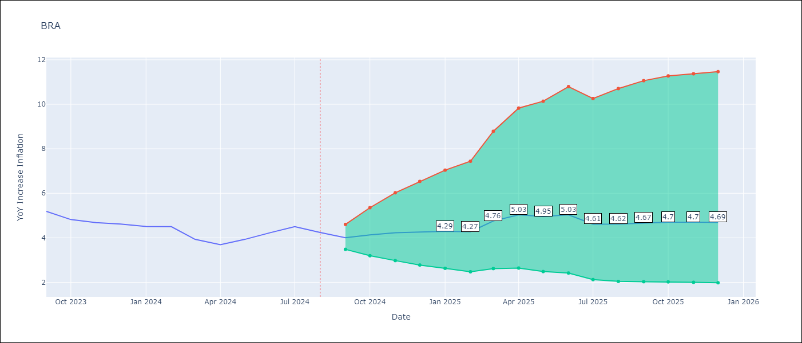

Test Metrics
RMSE | 1.42
Naive RMSE | 0.31
MAPE | 28.01%

Test Predictions
Date | Predicted | Actual
2023-09-01 | 4.96 | 5.19
2023-10-01 | 5.03 | 4.82
2023-11-01 | 5.09 | 4.68
2023-12-01 | 5.08 | 4.62
2024-01-01 | 5.08 | 4.51
2024-02-01 | 5.05 | 4.5
2024-03-01 | 5.44 | 3.93
2024-04-01 | 5.77 | 3.69
2024-05-01 | 6.05 | 3.93
2024-06-01 | 6.83 | 4.23
2024-07-01 | 6.15 | 4.5
2024-08-01 | 5.81 | 4.24

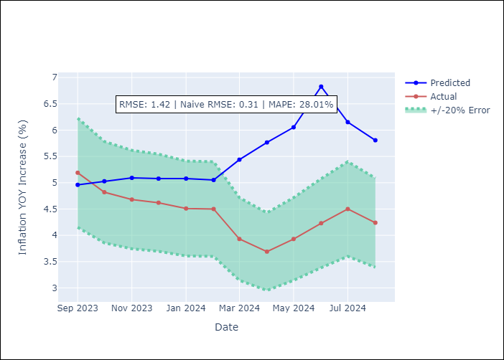

Appendix A: Model Summary
Model | ARIMA(0, 2, 3)x(0, 0, [1], 12)
Sample | 01-01-1996- 08-01-2024
No. of Observations | 344
Terms | P-value (Statistical significance)
ma.L1 | 0.981
ma.L2 | 0.970
ma.L3 | 0.958
ma.S.L12 | 0.000
sigma2 | 0.958
Assumptions | P-value

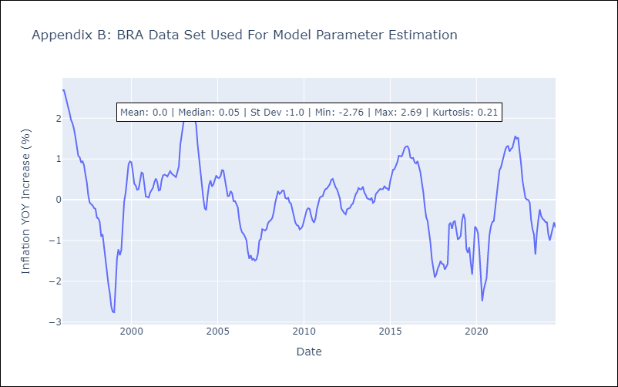

Appendix C: Residuals Analysis
Mean | 0.01

Normal? | No

CHL
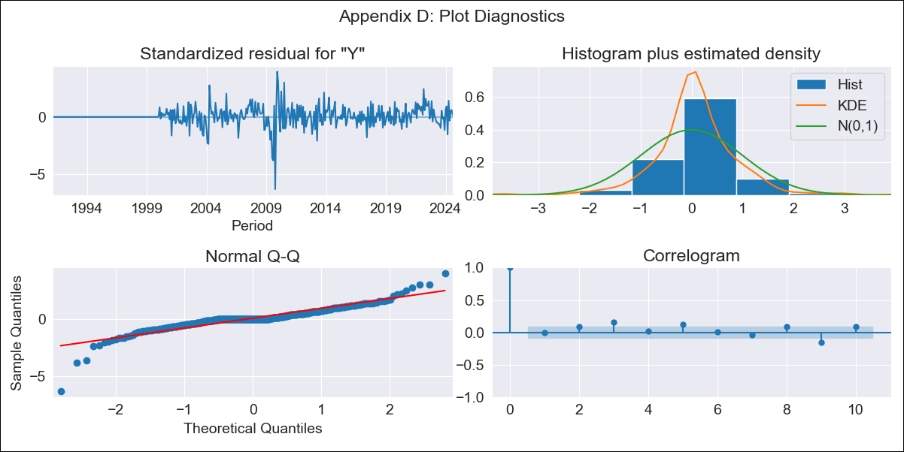
CHL - Inflation - Next 12 months forecast as of: 2024-08-01

Model | ARIMA - [(1, 0, 1), (0, 0, 1, 12)]
Training Data | 1990-01-01 to 2023-09-01
Test Data | 2023-09-01 to 2024-08-01

Date | Inflation Change YoY % | Lower Bound - 95% Confidence Interval | Upper Bound - 95% Confidence Interval
2024-09-01 | 4.66 | 3.51 | 5.94
2024-10-01 | 4.51 | 2.56 | 6.88
2024-11-01 | 4.37 | 2 | 7.4
2024-12-01 | 4.22 | 1.59 | 7.73
2025-01-01 | 4.1 | 1.29 | 7.98
2025-02-01 | 4.01 | 1.06 | 8.19
2025-03-01 | 3.9 | 0.86 | 8.3
2025-04-01 | 3.81 | 0.7 | 8.41
2025-05-01 | 3.73 | 0.57 | 8.49
2025-06-01 | 3.65 | 0.46 | 8.54
2025-07-01 | 3.59 | 0.37 | 8.59
2025-08-01 | 3.53 | 0.29 | 8.62
2025-09-01 | 3.46 | 0.21 | 8.63
2025-10-01 | 3.4 | 0.15 | 8.64
2025-11-01 | 3.35 | 0.09 | 8.64
2025-12-01 | 3.29 | 0.03 | 8.63

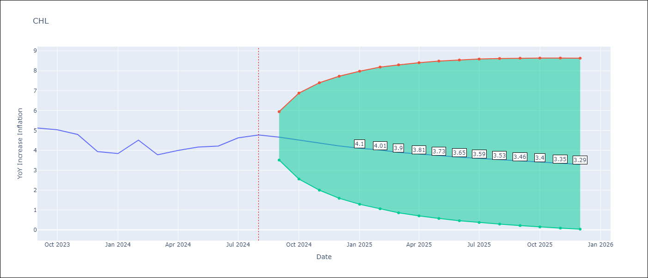

Test Metrics
RMSE | 0.28
Naive RMSE | 0.42
MAPE | 5.45%

Test Predictions
Date | Predicted | Actual
2023-09-01 | 4.81 | 5.12
2023-10-01 | 4.76 | 5.03
2023-11-01 | 4.35 | 4.8
2023-12-01 | 4.23 | 3.94
2024-01-01 | 4.1 | 3.84
2024-02-01 | 4.05 | 4.51
2024-03-01 | 3.92 | 3.78
2024-04-01 | 3.96 | 4
2024-05-01 | 4.06 | 4.16
2024-06-01 | 4.19 | 4.22
2024-07-01 | 4.32 | 4.63
2024-08-01 | 4.51 | 4.77

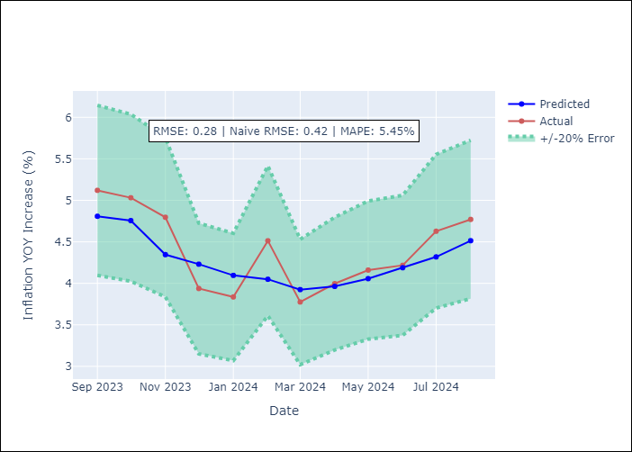

Appendix A: Model Summary
Model | ARIMA(1, 0, 1)x(0, 0, 1, 12)
Sample | 01-01-1990- 08-01-2024
No. of Observations | 416
Terms | P-value (Statistical significance)
const | 0.232
ar.L1 | 0.000
ma.L1 | 0.000
ma.S.L12 | 0.000
sigma2 | 0.000
Assumptions | P-value

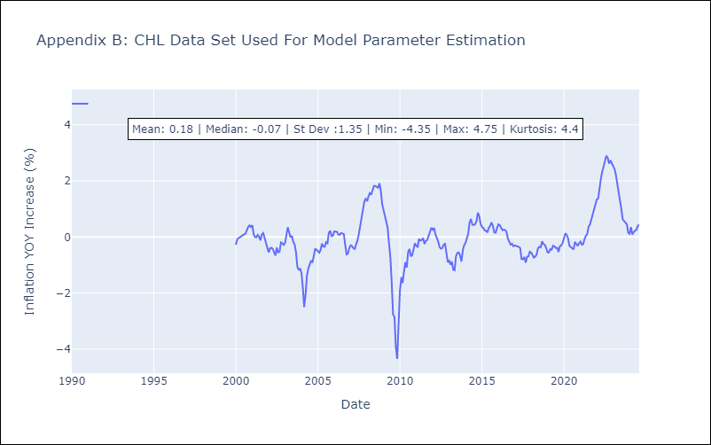

Appendix C: Residuals Analysis
Mean | 0.05

Normal? | Yes

COL
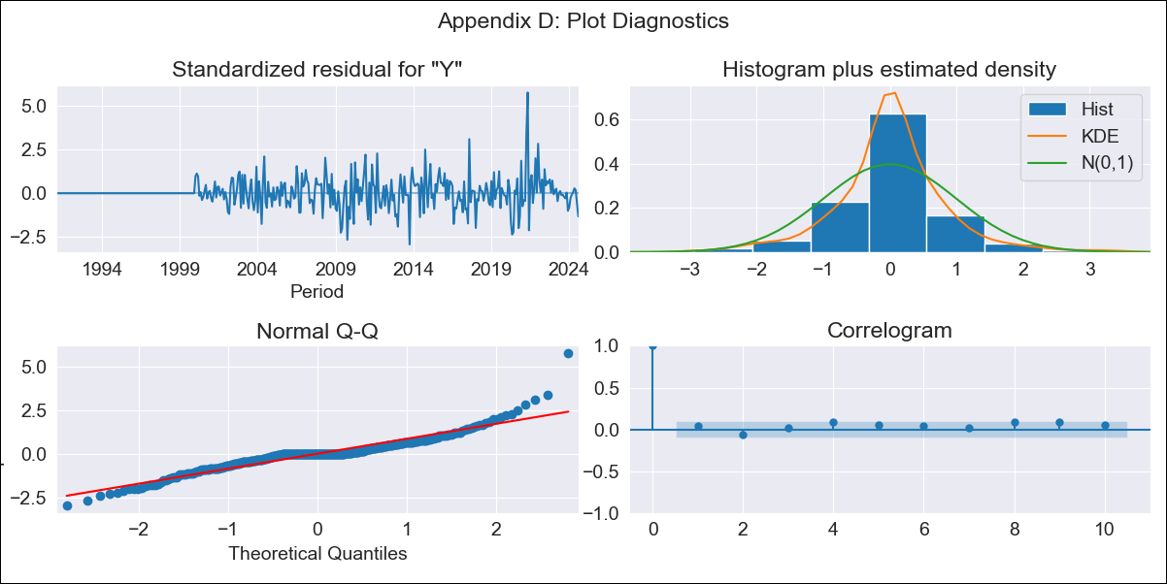
COL - Inflation - Next 12 months forecast as of: 2024-08-01

Model | ARIMA - [(2, 0, 0), (0, 0, 1, 12)]
Training Data | 1990-01-01 to 2023-09-01
Test Data | 2023-09-01 to 2024-08-01

Date | Inflation Change YoY % | Lower Bound - 95% Confidence Interval | Upper Bound - 95% Confidence Interval
2024-09-01 | 5.75 | 5.06 | 6.53
2024-10-01 | 5.56 | 4.42 | 6.97
2024-11-01 | 5.44 | 3.97 | 7.42
2024-12-01 | 5.35 | 3.62 | 7.85
2025-01-01 | 5.28 | 3.35 | 8.24
2025-02-01 | 5.23 | 3.13 | 8.61
2025-03-01 | 5.18 | 2.95 | 8.94
2025-04-01 | 5.14 | 2.79 | 9.25
2025-05-01 | 5.11 | 2.66 | 9.54
2025-06-01 | 5.07 | 2.54 | 9.81
2025-07-01 | 5.03 | 2.44 | 10.05
2025-08-01 | 4.99 | 2.34 | 10.24
2025-09-01 | 4.95 | 2.25 | 10.45
2025-10-01 | 4.91 | 2.17 | 10.65
2025-11-01 | 4.88 | 2.09 | 10.84
2025-12-01 | 4.85 | 2.02 | 11.02

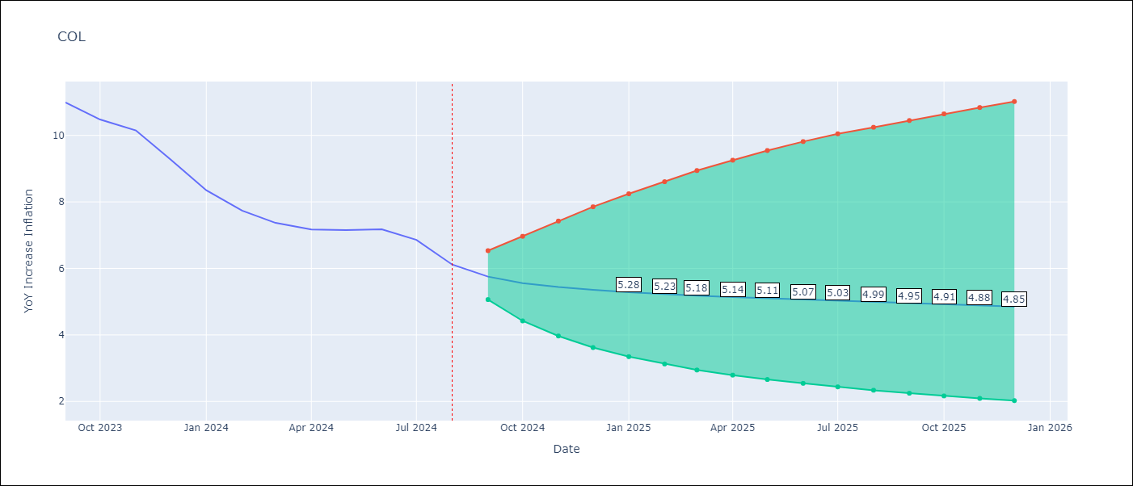

Test Metrics
RMSE | 1.32
Naive RMSE | 0.53
MAPE | 15.71%

Test Predictions
Date | Predicted | Actual
2023-09-01 | 11.06 | 10.99
2023-10-01 | 10.71 | 10.48
2023-11-01 | 10.36 | 10.15
2023-12-01 | 10.03 | 9.28
2024-01-01 | 9.72 | 8.35
2024-02-01 | 9.43 | 7.74
2024-03-01 | 9.16 | 7.37
2024-04-01 | 8.89 | 7.17
2024-05-01 | 8.65 | 7.15
2024-06-01 | 8.42 | 7.18
2024-07-01 | 8.21 | 6.86
2024-08-01 | 8.01 | 6.12

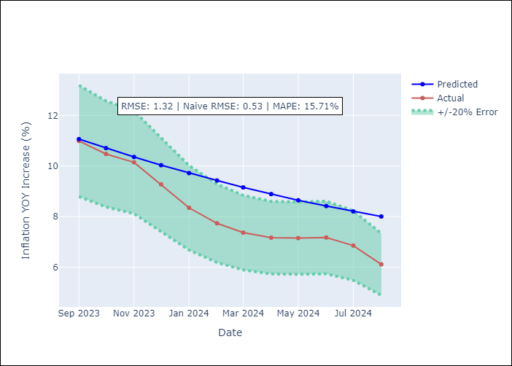

Appendix A: Model Summary
Model | ARIMA(2, 0, 0)x(0, 0, [1], 12)
Sample | 01-01-1990- 08-01-2024
No. of Observations | 416
Terms | P-value (Statistical significance)
const | 0.444
ar.L1 | 0.000
ar.L2 | 0.000
ma.S.L12 | 0.000
sigma2 | 0.000
Assumptions | P-value

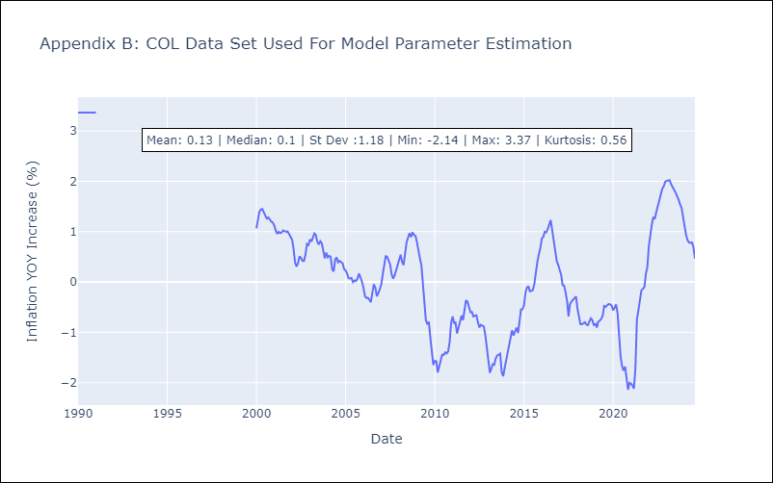

Appendix C: Residuals Analysis
Mean | 0.02

Normal? | Yes

ECU
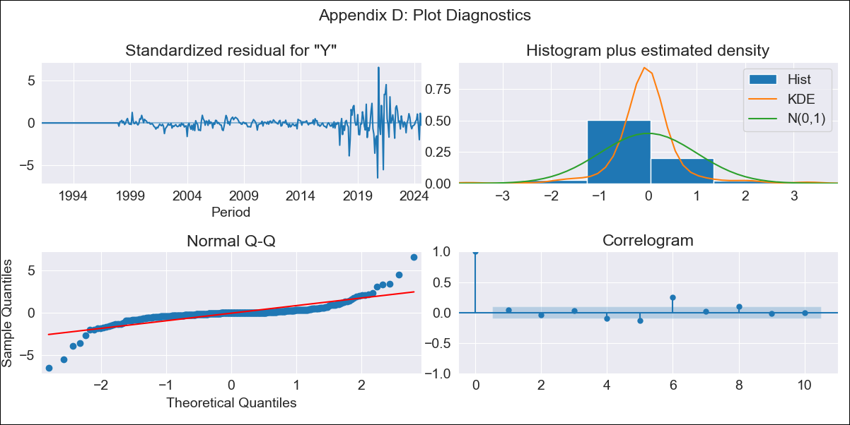
ECU - Inflation - Next 12 months forecast as of: 2024-08-01

Model | ARIMA - [(0, 1, 0), (0, 0, 1, 12)]
Training Data | 1990-01-01 to 2023-09-01
Test Data | 2023-09-01 to 2024-08-01

Date | Inflation Change YoY % | Lower Bound - 95% Confidence Interval | Upper Bound - 95% Confidence Interval
2024-09-01 | 1.35 | 0.5 | 2.71
2024-10-01 | 1.5 | 0.33 | 3.77
2024-11-01 | 1.57 | 0.19 | 4.69
2024-12-01 | 1.63 | 0.08 | 5.62
2025-01-01 | 1.67 | -0.01 | 6.52
2025-02-01 | 1.63 | -0.11 | 7.18
2025-03-01 | 1.55 | -0.21 | 7.68
2025-04-01 | 1.33 | -0.34 | 7.6
2025-05-01 | 1.37 | -0.38 | 8.53
2025-06-01 | 1.82 | -0.31 | 11.34
2025-07-01 | 1.55 | -0.43 | 10.96
2025-08-01 | 1.61 | -0.46 | 12.15
2025-09-01 | 1.61 | -0.48 | 12.51
2025-10-01 | 1.61 | -0.49 | 12.87
2025-11-01 | 1.61 | -0.51 | 13.23
2025-12-01 | 1.61 | -0.52 | 13.6

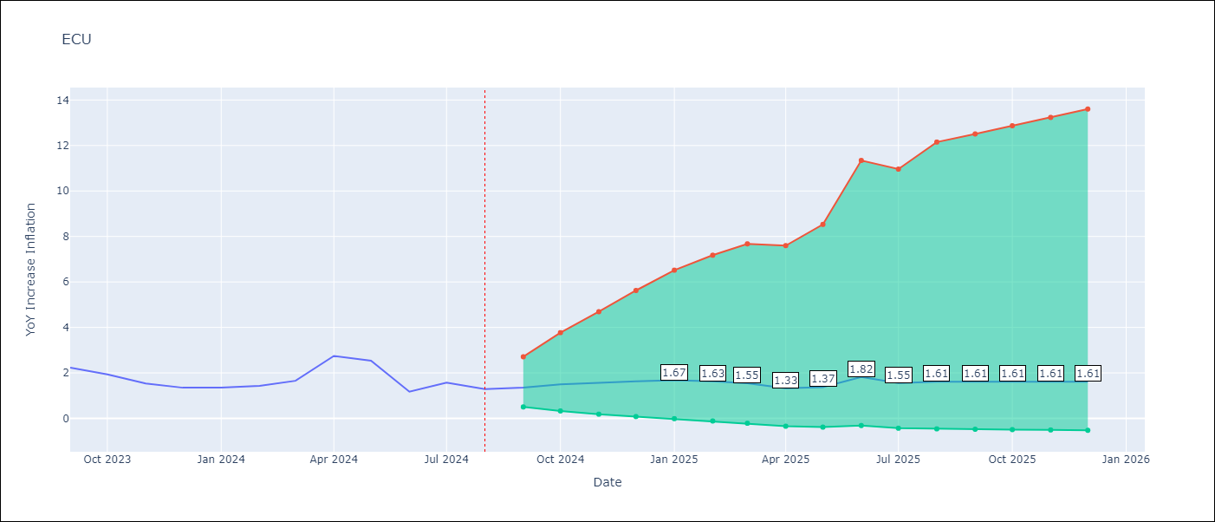

Test Metrics
RMSE | 0.95
Naive RMSE | 0.56
MAPE | 58.66%

Test Predictions
Date | Predicted | Actual
2023-09-01 | 2.48 | 2.23
2023-10-01 | 2.69 | 1.93
2023-11-01 | 2.45 | 1.53
2023-12-01 | 2.43 | 1.35
2024-01-01 | 2.57 | 1.35
2024-02-01 | 2.54 | 1.43
2024-03-01 | 2.55 | 1.65
2024-04-01 | 2.9 | 2.75
2024-05-01 | 2.9 | 2.54
2024-06-01 | 2.8 | 1.18
2024-07-01 | 2.47 | 1.57
2024-08-01 | 2.28 | 1.29

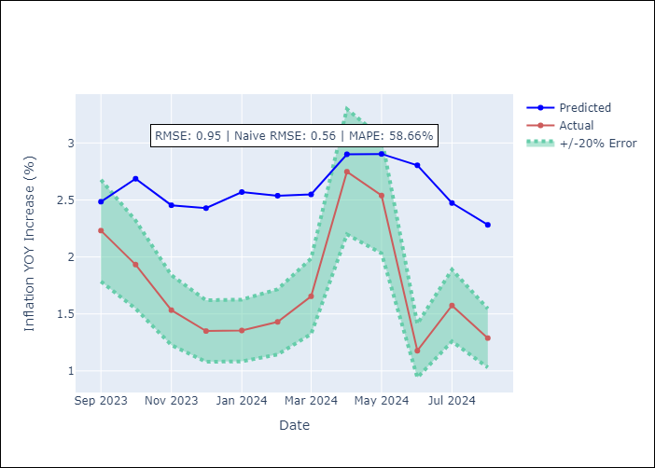

Appendix A: Model Summary
Model | ARIMA(0, 1, 0)x(0, 0, [1], 12)
Sample | 01-01-1990- 08-01-2024
No. of Observations | 416
Terms | P-value (Statistical significance)
ma.S.L12 | 0.000
sigma2 | 0.000
Assumptions | P-value

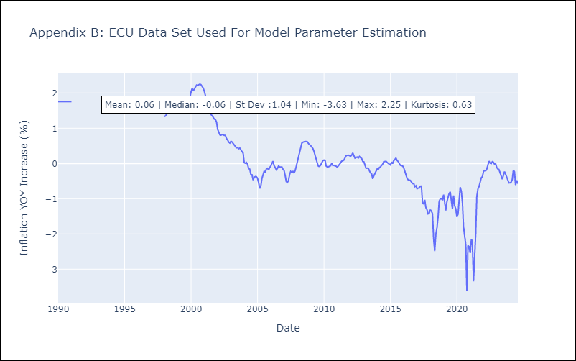

Appendix C: Residuals Analysis
Mean | -0.0

Normal? | Yes

PER
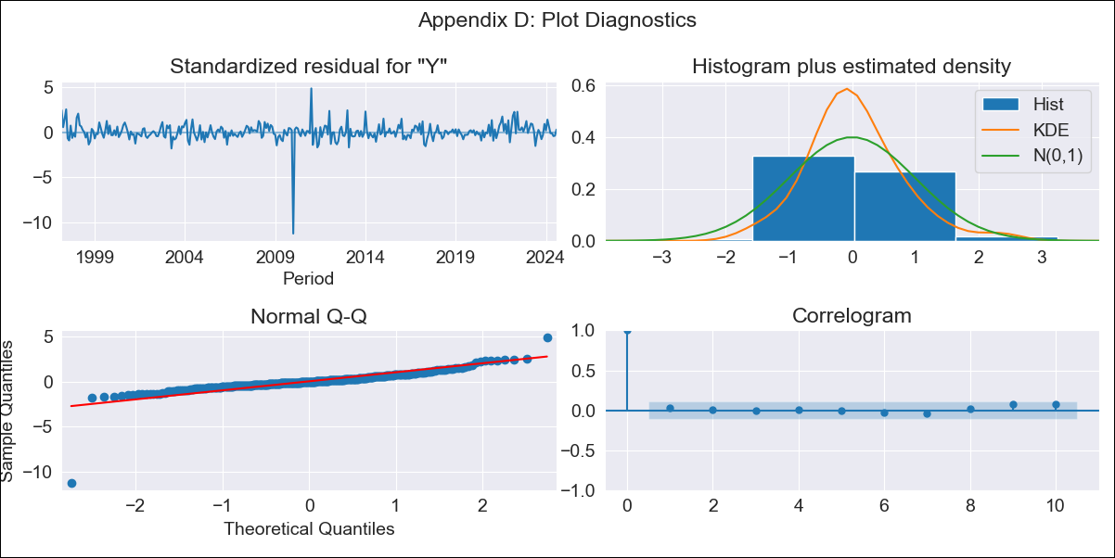
PER - Inflation - Next 12 months forecast as of: 2024-08-01

Model | ARIMA - [(2, 0, 1), (0, 0, 1, 12)]
Training Data | 1996-01-01 to 2023-09-01
Test Data | 2023-09-01 to 2024-08-01

Date | Inflation Change YoY % | Lower Bound - 95% Confidence Interval | Upper Bound - 95% Confidence Interval
2024-09-01 | 1.99 | 0.69 | 3.08
2024-10-01 | 2.27 | 0.29 | 3.8
2024-11-01 | 2.38 | -0.29 | 4.28
2024-12-01 | 1.97 | -2.24 | 4.29
2025-01-01 | 1.84 | -3.82 | 4.51
2025-02-01 | 1.09 | -7.74 | 4.27
2025-03-01 | 0.59 | -11.08 | 4.23
2025-04-01 | 0.52 | -12.96 | 4.45
2025-05-01 | 0.5 | -14.66 | 4.67
2025-06-01 | 0.7 | -15.38 | 5
2025-07-01 | 0.91 | -15.9 | 5.32
2025-08-01 | 0.78 | -17.91 | 5.42
2025-09-01 | 0.8 | -18.04 | 5.46
2025-10-01 | 0.83 | -18.03 | 5.5
2025-11-01 | 0.88 | -17.91 | 5.54
2025-12-01 | 0.93 | -17.71 | 5.57

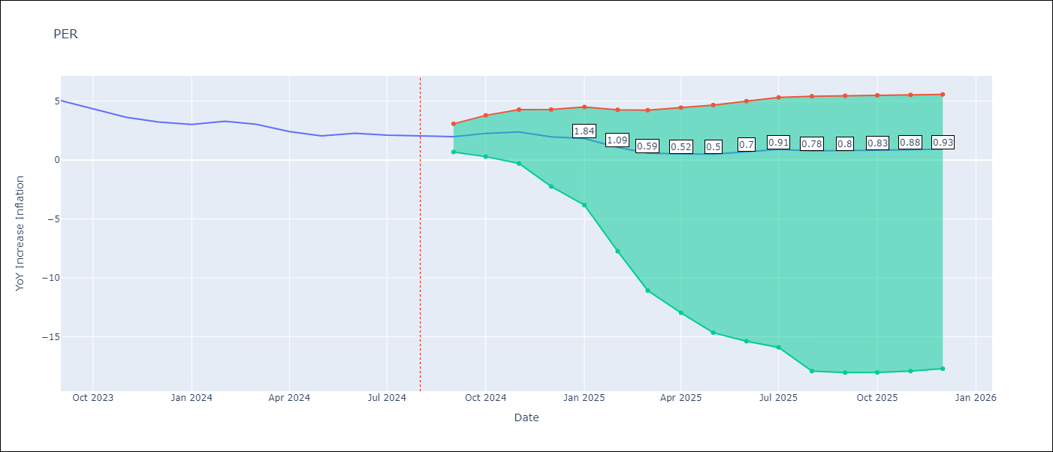

Test Metrics
RMSE | 1.08
Naive RMSE | 0.43
MAPE | 36.64%

Test Predictions
Date | Predicted | Actual
2023-09-01 | 5.07 | 5.04
2023-10-01 | 4.71 | 4.34
2023-11-01 | 4.19 | 3.64
2023-12-01 | 3.39 | 3.24
2024-01-01 | 3.05 | 3.02
2024-02-01 | 2.54 | 3.29
2024-03-01 | 1.75 | 3.05
2024-04-01 | 0.89 | 2.42
2024-05-01 | 0.33 | 2.06
2024-06-01 | 0.85 | 2.28
2024-07-01 | 0.85 | 2.12
2024-08-01 | 0.52 | 2.05

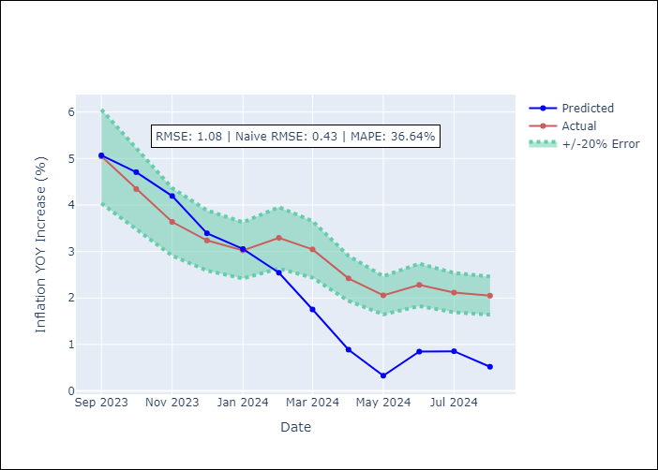

Appendix A: Model Summary
Model | ARIMA(2, 0, 1)x(0, 0, 1, 12)
Sample | 01-01-1996- 08-01-2024
No. of Observations | 344
Terms | P-value (Statistical significance)
const | 0.021
ar.L1 | 0.000
ar.L2 | 0.000
ma.L1 | 0.000
ma.S.L12 | 0.000
sigma2 | 0.000
Assumptions | P-value

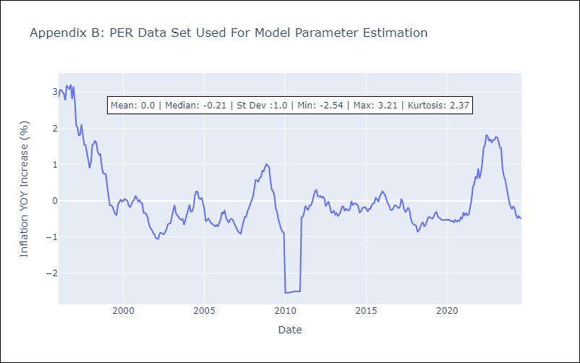

Appendix C: Residuals Analysis
Mean | 0.0

Normal? | No

PRY
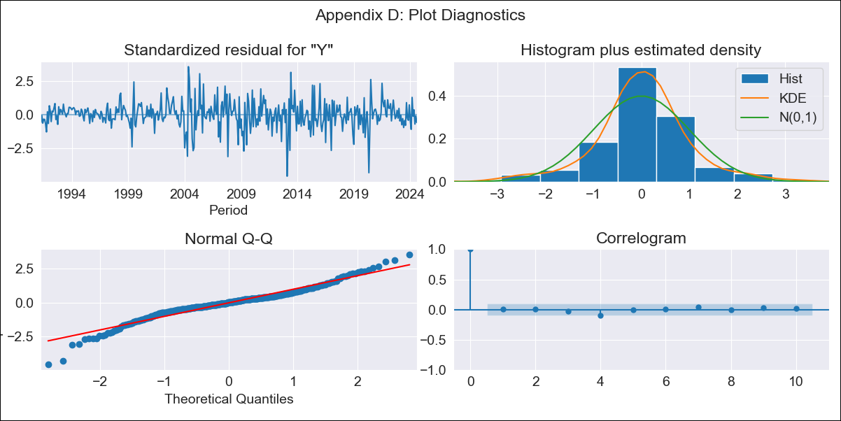
PRY - Inflation - Next 12 months forecast as of: 2024-08-01

Model | ARIMA - [(2, 0, 2), (0, 0, 1, 12)]
Training Data | 1990-01-01 to 2023-09-01
Test Data | 2023-09-01 to 2024-08-01

Date | Inflation Change YoY % | Lower Bound - 95% Confidence Interval | Upper Bound - 95% Confidence Interval
2024-09-01 | 3.96 | 2.83 | 5.47
2024-10-01 | 4.02 | 2.4 | 6.53
2024-11-01 | 4.23 | 2.24 | 7.63
2024-12-01 | 3.99 | 1.89 | 7.86
2025-01-01 | 4.11 | 1.8 | 8.69
2025-02-01 | 4.6 | 1.9 | 10.29
2025-03-01 | 4.16 | 1.57 | 9.88
2025-04-01 | 4.12 | 1.45 | 10.3
2025-05-01 | 4.02 | 1.32 | 10.53
2025-06-01 | 4.29 | 1.36 | 11.67
2025-07-01 | 4.39 | 1.33 | 12.41
2025-08-01 | 4.64 | 1.36 | 13.56
2025-09-01 | 4.68 | 1.37 | 13.74
2025-10-01 | 4.68 | 1.36 | 13.75
2025-11-01 | 4.68 | 1.36 | 13.8
2025-12-01 | 4.69 | 1.36 | 13.85

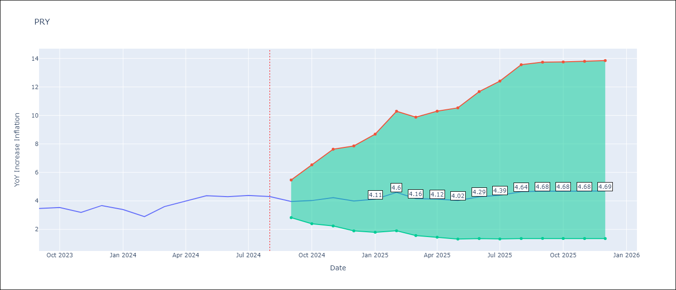

Test Metrics
RMSE | 0.39
Naive RMSE | 0.39
MAPE | 9.51%

Test Predictions
Date | Predicted | Actual
2023-09-01 | 2.98 | 3.47
2023-10-01 | 3.12 | 3.53
2023-11-01 | 3.07 | 3.19
2023-12-01 | 3.16 | 3.67
2024-01-01 | 3.07 | 3.39
2024-02-01 | 3.21 | 2.9
2024-03-01 | 3.28 | 3.6
2024-04-01 | 3.54 | 3.98
2024-05-01 | 3.7 | 4.36
2024-06-01 | 4.07 | 4.3
2024-07-01 | 4.29 | 4.38
2024-08-01 | 4.63 | 4.31

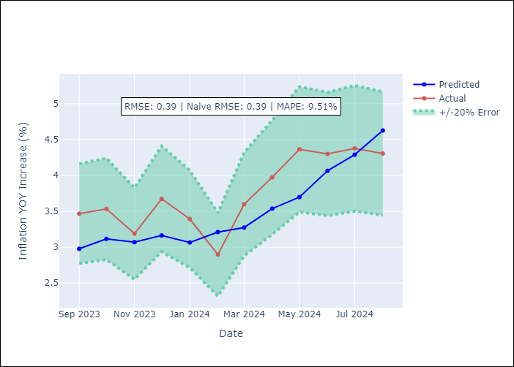

Appendix A: Model Summary
Model | ARIMA(2, 0, 2)x(0, 0, [1], 12)
Sample | 01-01-1990- 08-01-2024
No. of Observations | 416
Terms | P-value (Statistical significance)
const | 0.266
ar.L1 | 0.158
ar.L2 | 0.725
ma.L1 | 0.641
ma.L2 | 0.693
ma.S.L12 | 0.000
sigma2 | 0.801
Assumptions | P-value

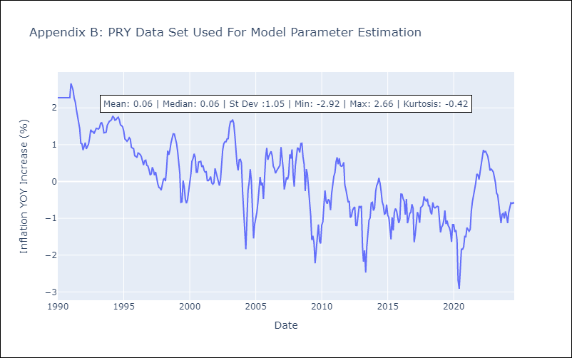

Appendix C: Residuals Analysis
Mean | 0.01

Normal? | No

URY
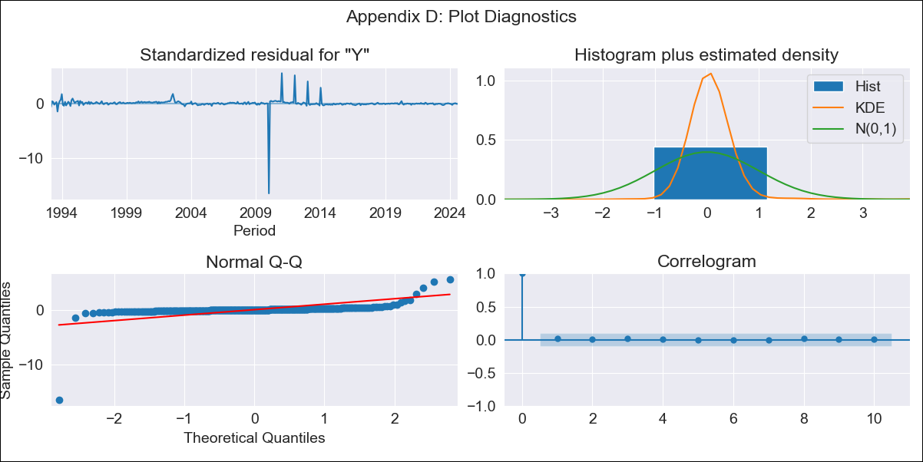
URY - Inflation - Next 12 months forecast as of: 2024-08-01

Model | ARIMA - [(0, 2, 1), (3, 0, 0, 12)]
Training Data | 1990-01-01 to 2023-09-01
Test Data | 2023-09-01 to 2024-08-01

Date | Inflation Change YoY % | Lower Bound - 95% Confidence Interval | Upper Bound - 95% Confidence Interval
2024-09-01 | 5.49 | -2.22 | 13.14
2024-10-01 | 5.36 | -5.75 | 16.34
2024-11-01 | 5.03 | -8.82 | 18.67
2024-12-01 | 4.86 | -11.39 | 20.85
2025-01-01 | 4.84 | -13.62 | 22.97
2025-02-01 | 5.07 | -15.46 | 25.21
2025-03-01 | 5.6 | -16.89 | 27.66
2025-04-01 | 5.47 | -18.94 | 29.38
2025-05-01 | 5.27 | -21.01 | 30.99
2025-06-01 | 5.01 | -23.09 | 32.5
2025-07-01 | 4.98 | -24.91 | 34.21
2025-08-01 | 5.06 | -26.6 | 36
2025-09-01 | 5.03 | -27.06 | 36.38
2025-10-01 | 4.99 | -27.54 | 36.76
2025-11-01 | 4.95 | -28.01 | 37.15
2025-12-01 | 4.93 | -28.49 | 37.56

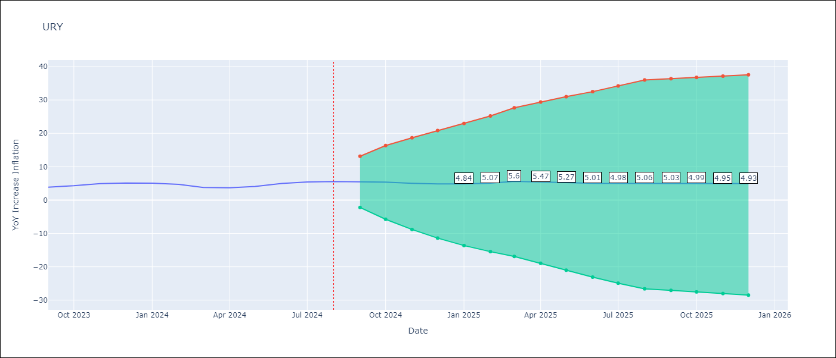

Test Metrics
RMSE | 0.82
Naive RMSE | 0.49
MAPE | 14.52%

Test Predictions
Date | Predicted | Actual
2023-09-01 | 3.82 | 3.87
2023-10-01 | 4.25 | 4.3
2023-11-01 | 4.65 | 4.96
2023-12-01 | 4.71 | 5.11
2024-01-01 | 4.85 | 5.09
2024-02-01 | 4.82 | 4.71
2024-03-01 | 4.84 | 3.79
2024-04-01 | 4.87 | 3.68
2024-05-01 | 5.2 | 4.1
2024-06-01 | 5.87 | 4.96
2024-07-01 | 6.55 | 5.45
2024-08-01 | 6.95 | 5.57

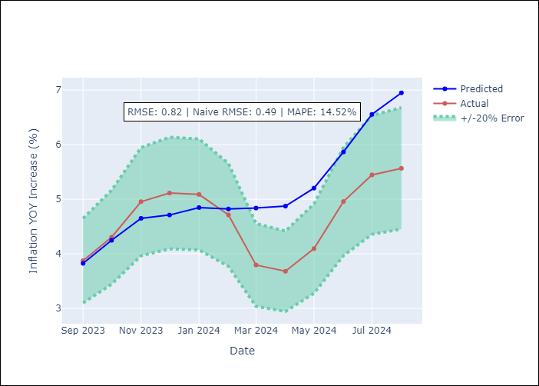

Appendix A: Model Summary
Model | ARIMA(0, 2, 1)x(3, 0, [], 12)
Sample | 01-01-1990- 08-01-2024
No. of Observations | 416
Terms | P-value (Statistical significance)
ma.L1 | 0.000
ar.S.L12 | 0.000
ar.S.L24 | 0.000
ar.S.L36 | 0.000
sigma2 | 0.000
Assumptions | P-value

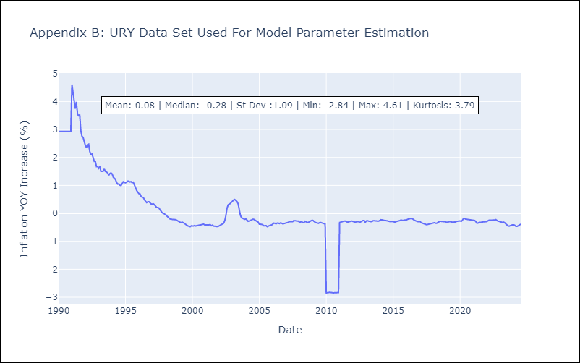

Appendix C: Residuals Analysis
Mean | 0.01

Normal? | No

VEN
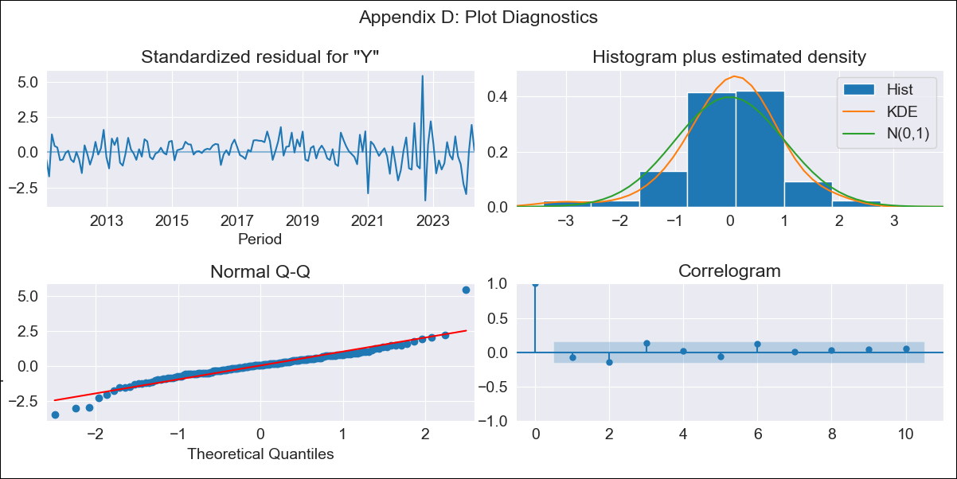
VEN - Inflation - Next 12 months forecast as of: 2024-04-01

Model | ARIMA - [(2, 0, 0), (2, 0, 0, 12)]
Training Data | 2009-01-01 to 2023-05-01
Test Data | 2023-05-01 to 2024-04-01

Date | Inflation Change YoY % | Lower Bound - 95% Confidence Interval | Upper Bound - 95% Confidence Interval
2024-05-01 | 64.12 | 56.53 | 73
2024-06-01 | 62.71 | 48.52 | 82.29
2024-07-01 | 61.98 | 41.83 | 95.27
2024-08-01 | 62.35 | 36.68 | 113.6
2024-09-01 | 61.95 | 31.94 | 134.38
2024-10-01 | 60.98 | 27.76 | 157.58
2024-11-01 | 62.19 | 25.04 | 193.43
2024-12-01 | 68.61 | 24.22 | 264.84
2025-01-01 | 84.6 | 25.64 | 431.24
2025-02-01 | 99.76 | 26.21 | 678.67
2025-03-01 | 106.06 | 24.84 | 927.18
2025-04-01 | 109.44 | 23.16 | 1215.26
2025-05-01 | 111.15 | 21.89 | 1479.79
2025-06-01 | 114.68 | 21.26 | 1794.96
2025-07-01 | 116.78 | 20.7 | 2073.36
2025-08-01 | 117.53 | 20.15 | 2296.52

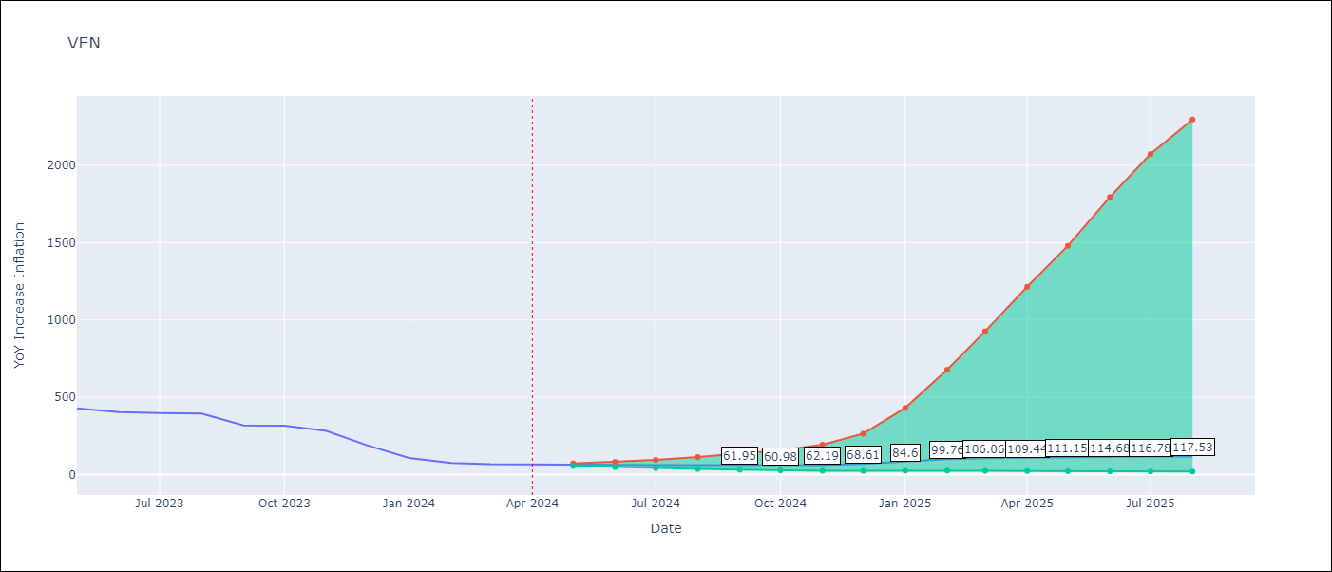

Test Metrics
RMSE | 132.46
Naive RMSE | 45.01
MAPE | 106.62%

Test Predictions
Date | Predicted | Actual
2023-05-01 | 469.92 | 429.21
2023-06-01 | 442.07 | 404.37
2023-07-01 | 445.11 | 398.19
2023-08-01 | 477.58 | 394.76
2023-09-01 | 363.02 | 317.63
2023-10-01 | 364.78 | 316.45
2023-11-01 | 358.91 | 282.78
2023-12-01 | 322.13 | 189.78
2024-01-01 | 278.77 | 107.36
2024-02-01 | 274.63 | 75.91
2024-03-01 | 279.22 | 67.76
2024-04-01 | 303.88 | 64.91

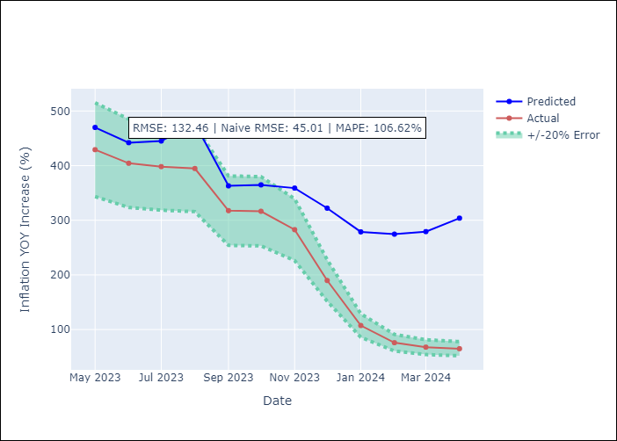

Appendix A: Model Summary
Model | ARIMA(2, 0, 0)x(2, 0, 0, 12)
Sample | 01-01-2009- 04-01-2024
No. of Observations | 184
Terms | P-value (Statistical significance)
const | 0.916
ar.L1 | 0.000
ar.L2 | 0.000
ar.S.L12 | 0.000
ar.S.L24 | 0.032
sigma2 | 0.000
Assumptions | P-value

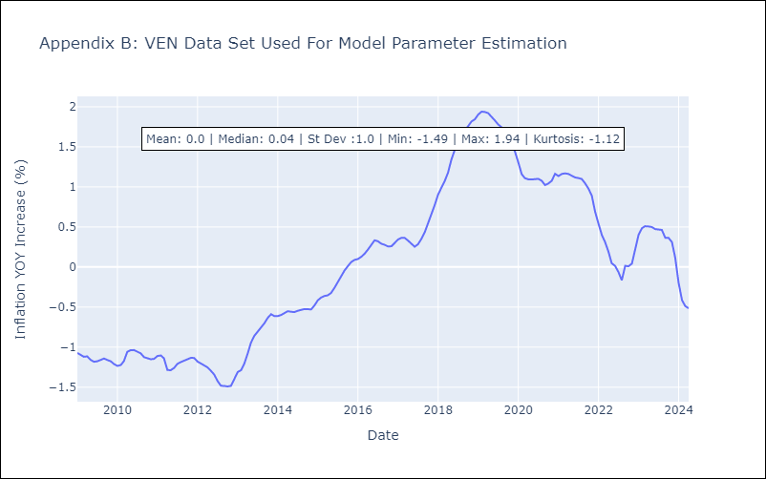

Appendix C: Residuals Analysis
Mean | -0.0

Normal? | No

