BOL
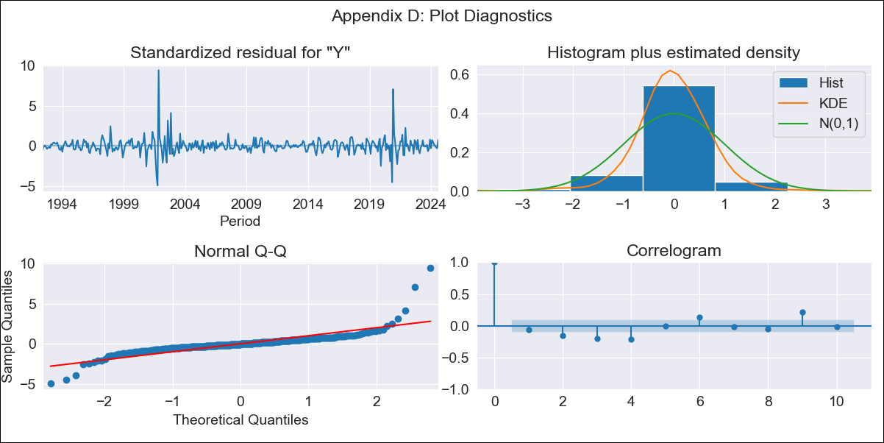
BOL - Inflation - Next 12 months forecast as of: 2024-08-01

Model | ARIMA - [(3, 2, 0), (2, 0, 0, 12)]
Training Data | 1990-01-01 to 2023-09-01
Test Data | 2023-09-01 to 2024-08-01

Date | Inflation Change YoY % | Lower Bound - 95% Confidence Interval | Upper Bound - 95% Confidence Interval
2024-09-01 | 5.79 | 3.35 | 9.19
2024-10-01 | 6.75 | 2.88 | 13.17
2024-11-01 | 8.06 | 2.51 | 18.94
2024-12-01 | 8.68 | 1.66 | 25.59
2025-01-01 | 9.95 | 1.01 | 36.92
2025-02-01 | 10.61 | 0.33 | 49.76
2025-03-01 | 11.33 | -0.18 | 66.94
2025-04-01 | 12.17 | -0.59 | 90.33
2025-05-01 | 13.36 | -0.92 | 122.87
2025-06-01 | 14.58 | -1.23 | 165.11
2025-07-01 | 16.05 | -1.52 | 221.6
2025-08-01 | 16.26 | -1.86 | 282.6
2025-09-01 | 17.52 | -2.09 | 358.82
2025-10-01 | 18.96 | -2.32 | 454
2025-11-01 | 20.14 | -2.55 | 564.97
2025-12-01 | 21.18 | -2.77 | 693.06

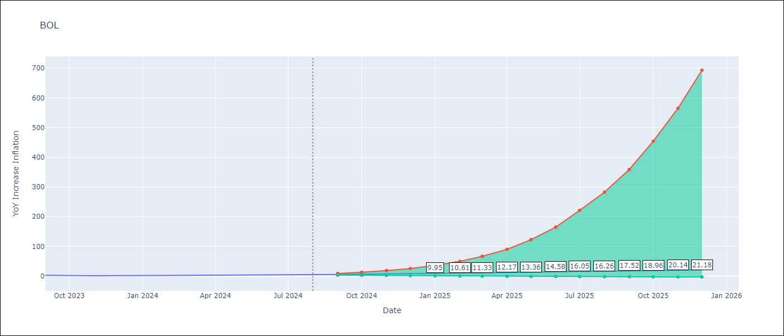

Test Metrics
RMSE | 0.82
Naive RMSE | 0.56
MAPE | 22.05%

Test Predictions
Date | Predicted | Actual
2023-09-01 | 2.74 | 2.85
2023-10-01 | 2.52 | 2.08
2023-11-01 | 2.38 | 1.59
2023-12-01 | 2.5 | 2.12
2024-01-01 | 2.63 | 1.86
2024-02-01 | 2.96 | 2.52
2024-03-01 | 3.05 | 3.06
2024-04-01 | 3.05 | 3.46
2024-05-01 | 2.92 | 3.52
2024-06-01 | 3 | 3.85
2024-07-01 | 3.06 | 3.95
2024-08-01 | 3.12 | 5.2

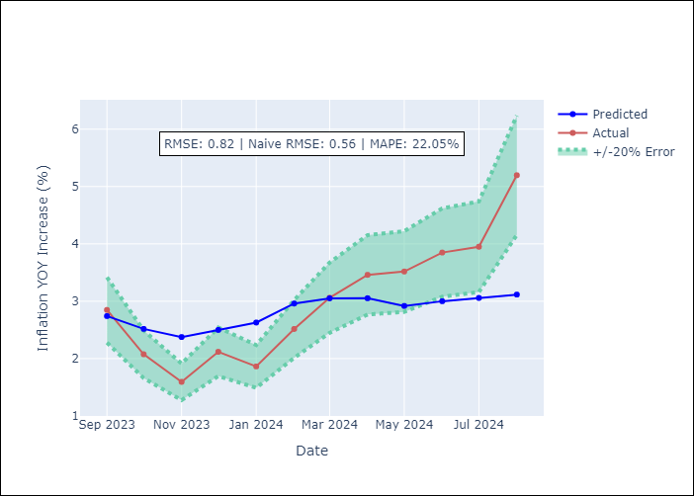

Appendix A: Model Summary
Model | ARIMA(3, 2, 0)x(2, 0, 0, 12)
Sample | 01-01-1990- 08-01-2024
No. of Observations | 416
Terms | P-value (Statistical significance)
ar.L1 | 0.000
ar.L2 | 0.000
ar.L3 | 0.000
ar.S.L12 | 0.000
ar.S.L24 | 0.021
sigma2 | 0.000
Assumptions | P-value

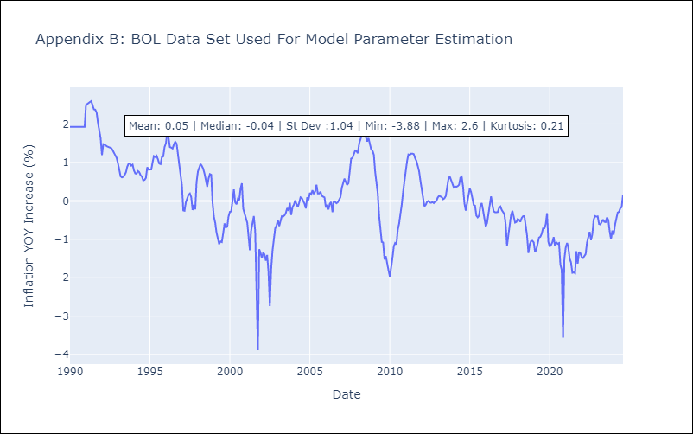

Appendix C: Residuals Analysis
Mean | 0.0

Normal? | No

