BOL
BOL - Inflation - Next 12 months forecast as of: 2024-08-01

Model | ARIMA - [(1, 1, 2), (0, 0, 2, 12)]
Training Data | 1990-01-01 to 2023-09-01
Test Data | 2023-09-01 to 2024-08-01

Date | Inflation Change YoY % | Lower Bound - 95% Confidence Interval | Upper Bound - 95% Confidence Interval
2024-09-01 | 5.77 | 4.69 | 6.86
2024-10-01 | 6.35 | 4.56 | 8.15
2024-11-01 | 6.82 | 4.46 | 9.18
2024-12-01 | 6.68 | 3.81 | 9.55
2025-01-01 | 7.2 | 3.84 | 10.55
2025-02-01 | 7.44 | 3.63 | 11.26
2025-03-01 | 7.13 | 2.86 | 11.39
2025-04-01 | 6.75 | 2.05 | 11.45
2025-05-01 | 6.51 | 1.38 | 11.64
2025-06-01 | 6.38 | 0.82 | 11.93
2025-07-01 | 6.49 | 0.52 | 12.45
2025-08-01 | 5.51 | -0.86 | 11.89
2025-09-01 | 5.23 | -1.28 | 11.73
2025-10-01 | 5.15 | -1.44 | 11.74
2025-11-01 | 5.08 | -1.58 | 11.74
2025-12-01 | 5.02 | -1.7 | 11.75

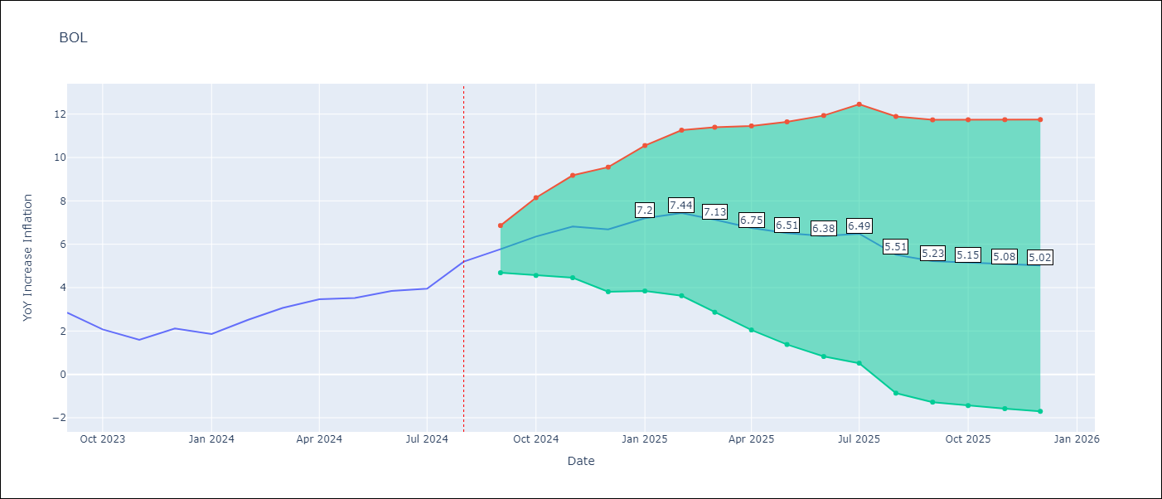

Test Metrics
RMSE | 1.12
Naive RMSE | 0.56
MAPE | 14.87%

Test Predictions
Date | Predicted | Actual
1990-01-01 | 0 | 17.21
1991-01-01 | 25.04 | 23.61
1991-02-01 | 29.44 | 24.06
1991-03-01 | 24.46 | 24.4
1991-04-01 | 24.72 | 24.61
1991-05-01 | 24.81 | 24.91
1991-06-01 | 25.17 | 23.37
1991-07-01 | 21.97 | 22.23
1991-08-01 | 21.2 | 22.13
1991-09-01 | 22.04 | 21.23
1991-10-01 | 20.4 | 18.31
1991-11-01 | 15.66 | 16
1991-12-01 | 13.9 | 14.52
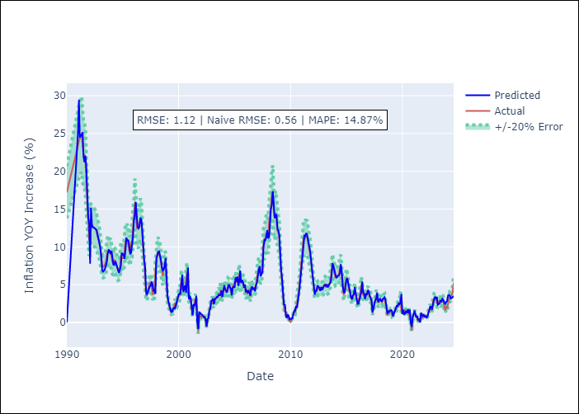
1992-01-01 | 13.16 | 10.98
1992-02-01 | 7.77 | 13.17
1992-03-01 | 15.15 | 13.04
1992-04-01 | 12.93 | 12.79
1992-05-01 | 12.55 | 12.68
1992-06-01 | 12.58 | 12.56
1992-07-01 | 12.46 | 12.46
1992-08-01 | 12.36 | 12.34
1992-09-01 | 12.23 | 11.95
1992-10-01 | 11.59 | 11.45
1992-11-01 | 10.99 | 11.07
1992-12-01 | 10.73 | 10.46
1993-01-01 | 9.91 | 9.52
1993-02-01 | 8.67 | 8.15
1993-03-01 | 6.89 | 7.53
1993-04-01 | 6.73 | 7.37
1993-05-01 | 6.86 | 7.45
1993-06-01 | 7.12 | 7.71
1993-07-01 | 7.53 | 8.09
1993-08-01 | 8.02 | 8.99
1993-09-01 | 9.15 | 9.49
1993-10-01 | 9.58 | 9.48
1993-11-01 | 9.48 | 9.15
1993-12-01 | 9.06 | 9.31
1994-01-01 | 9.45 | 8.37
1994-02-01 | 8.55 | 7.93
1994-03-01 | 7.66 | 7.9
Appendix A: Model Summary |  | 8.3
Model | ARIMA(1, 1, 2)x(0, 0, 2, 12) | 8.14
Sample | 01-01-1990- 08-01-2024 | 7.68
No. of Observations | 416 | 7.5
Terms | P-value (Statistical significance) | 6.95
ar.L1 | 0.000 | 7.03
ma.L1 | 0.000 | 7.3
ma.L2 | 0.000 | 8.9
ma.S.L12 | 0.000 | 8.52
ma.S.L24 | 0.857 | 8.52
sigma2 | 0.000 | 8.53
Assumptions | P-value | 9.63
1995-04-01 | 9.57 | 10.8
1995-05-01 | 11.22 | 10.64
1995-06-01 | 10.79 | 10.88
1995-07-01 | 10.93 | 10.27
1995-08-01 | 10.18 | 9.5
1995-09-01 | 9.03 | 9.4
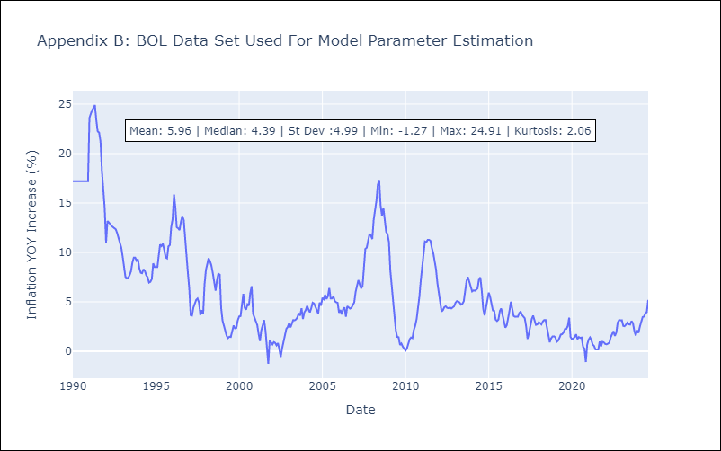
1995-10-01 | 9.22 | 10.62
1995-11-01 | 10.01 | 10.74
1995-12-01 | 11.26 | 12.57
1996-01-01 | 13.52 | 13.38
1996-02-01 | 14.1 | 15.86
1996-03-01 | 15.94 | 14.55
1996-04-01 | 13.46 | 12.54
1996-05-01 | 12.63 | 12.45
1996-06-01 | 12.44 | 12.26
1996-07-01 | 12.71 | 13.1
1996-08-01 | 13.87 | 13.69
1996-09-01 | 13.59 | 13.27
1996-10-01 | 12.15 | 11.1
1996-11-01 | 9.97 | 9.7
1996-12-01 | 8.26 | 7.95
1997-01-01 | 7.37 | 6.3
1997-02-01 | 4.19 | 3.64
1997-03-01 | 3.69 | 3.61
1997-04-01 | 4.03 | 4.42
1997-05-01 | 4.43 | 4.77
1997-06-01 | 4.75 | 5.2
1997-07-01 | 4.83 | 5.34
1997-08-01 | 5.4 | 4.94
1997-09-01 | 5 | 3.68
1997-10-01 | 4.1 | 4.15
1997-11-01 | 4.41 | 3.75
1997-12-01 | 3.77 | 6.73
1998-01-01 | 8.42 | 8.23
Appendix C: Residuals Analysis |  | 8.92
Mean | -0.01 | 9.42
1998-04-01 | 9.39 | 9.11
Normal? | No | 8.67
1998-06-01 | 8.31 | 7.91
1998-07-01 | 7.35 | 6.81
1998-08-01 | 6.9 | 6.13
1998-09-01 | 7.02 | 7.2
1998-10-01 | 7.39 | 7.84
1998-11-01 | 8.54 | 7.74
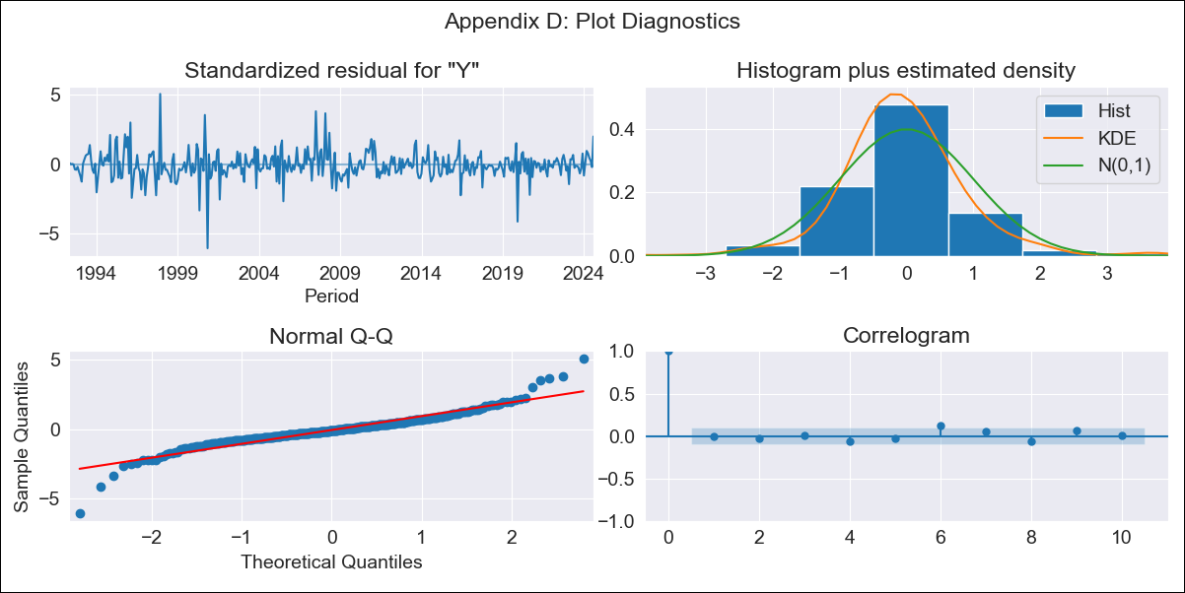
1998-12-01 | 5.24 | 4.39
1999-01-01 | 3.56 | 3.1
1999-02-01 | 2.83 | 2.64
1999-03-01 | 2.2 | 2
1999-04-01 | 1.83 | 1.56
1999-05-01 | 1.43 | 1.33
1999-06-01 | 1.42 | 1.48
1999-07-01 | 1.82 | 1.44
1999-08-01 | 1.94 | 1.94
1999-09-01 | 1.81 | 2.6
1999-10-01 | 2.32 | 2.33
1999-11-01 | 2.88 | 2.37
1999-12-01 | 3.15 | 3.13
2000-01-01 | 3.73 | 3.52
2000-02-01 | 3.8 | 3.56
2000-03-01 | 3.79 | 4.63
2000-04-01 | 5.24 | 5.8
2000-05-01 | 6.3 | 4.4
2000-06-01 | 4.03 | 4.21
2000-07-01 | 4.59 | 4.75
2000-08-01 | 4.91 | 4.62
2000-09-01 | 3.91 | 5.92
2000-10-01 | 6.36 | 6.58
2000-11-01 | 7.26 | 3.79
2000-12-01 | 3.07 | 3.41
2001-01-01 | 3.53 | 3.1
2001-02-01 | 3.14 | 2.65
2001-03-01 | 1.68 | 1.79
2001-04-01 | 0.94 | 1.04
2001-05-01 | 2.4 | 2.13
2001-06-01 | 2.16 | 2.68
2001-07-01 | 2.58 | 3.17
2001-08-01 | 3.54 | 2.09
2001-09-01 | -0.01 | -0.02
2001-10-01 | -0.85 | -1.27
2001-11-01 | 1.34 | 1.08
2001-12-01 | 1.3 | 0.92
2002-01-01 | 1.11 | 0.69
2002-02-01 | 1.05 | 0.93
2002-03-01 | 0.88 | 0.85
2002-04-01 | 0.72 | 0.6
2002-05-01 | 0.72 | 0.83
2002-06-01 | 0.41 | 0.2
2002-07-01 | -0.54 | -0.58
2002-08-01 | 0.48 | 0.3
2002-09-01 | 0.55 | 1.03
2002-10-01 | 1.57 | 1.5
2002-11-01 | 1.83 | 2.27
2002-12-01 | 2.88 | 2.45
2003-01-01 | 2.93 | 2.86
2003-02-01 | 3.16 | 2.42
2003-03-01 | 2.39 | 2.8
2003-04-01 | 3.1 | 3.16
2003-05-01 | 3.21 | 3.13
2003-06-01 | 3.38 | 3.22
2003-07-01 | 3.36 | 3.42
2003-08-01 | 3.66 | 3.85
2003-09-01 | 3.59 | 3.62
2003-10-01 | 3.65 | 4.35
2003-11-01 | 4.22 | 3.26
2003-12-01 | 3.37 | 3.94
2004-01-01 | 4.26 | 4.17
2004-02-01 | 4.91 | 4.59
2004-03-01 | 4.39 | 4.24
2004-04-01 | 4.13 | 3.94
2004-05-01 | 3.98 | 4.35
2004-06-01 | 4.63 | 4.92
2004-07-01 | 5.04 | 4.84
2004-08-01 | 4.68 | 4.54
2004-09-01 | 4.49 | 4.27
2004-10-01 | 3.58 | 3.82
2004-11-01 | 4.58 | 4.93
2004-12-01 | 4.72 | 4.62
2005-01-01 | 4.6 | 5.41
2005-02-01 | 5.96 | 5.26
2005-03-01 | 5.39 | 5.71
2005-04-01 | 6.08 | 5.29
2005-05-01 | 4.86 | 5.57
2005-06-01 | 5.43 | 6.4
2005-07-01 | 6.85 | 5.35
2005-08-01 | 5.22 | 5.35
2005-09-01 | 5.61 | 5.53
2005-10-01 | 5.37 | 5.07
2005-11-01 | 4.6 | 4.96
2005-12-01 | 5.02 | 4.91
2006-01-01 | 4.13 | 3.91
2006-02-01 | 4.23 | 4.18
2006-03-01 | 3.92 | 3.72
2006-04-01 | 4.24 | 4.26
2006-05-01 | 3.73 | 4.43
2006-06-01 | 3.55 | 3.49
2006-07-01 | 4.58 | 4.55
2006-08-01 | 4.73 | 4.38
2006-09-01 | 4.35 | 4.32
2006-10-01 | 4.6 | 4.41
2006-11-01 | 4.12 | 4.74
2006-12-01 | 4.94 | 4.95
2007-01-01 | 5.24 | 6.02
2007-02-01 | 6.4 | 6.57
2007-03-01 | 6.97 | 7.19
2007-04-01 | 7.44 | 6.76
2007-05-01 | 6.11 | 6.36
2007-06-01 | 6.41 | 6.6
2007-07-01 | 6.71 | 8.84
2007-08-01 | 9.86 | 10.36
2007-09-01 | 10.93 | 10.48
2007-10-01 | 10.87 | 11.33
2007-11-01 | 11.23 | 11.86
2007-12-01 | 12.19 | 11.72
2008-01-01 | 11.15 | 11.35
2008-02-01 | 11.25 | 13.32
2008-03-01 | 13.83 | 14.08
2008-04-01 | 15.06 | 15.22
2008-05-01 | 15.55 | 16.84
2008-06-01 | 17.36 | 17.32
2008-07-01 | 15.74 | 14.79
2008-08-01 | 13.84 | 13.73
2008-09-01 | 14.02 | 14.51
2008-10-01 | 14.33 | 13.31
2008-11-01 | 12.37 | 12.08
2008-12-01 | 12.17 | 11.85
2009-01-01 | 11.54 | 11.04
2009-02-01 | 8.78 | 8.13
2009-03-01 | 6.93 | 6.56
2009-04-01 | 5.76 | 5.33
2009-05-01 | 3.46 | 3.2
2009-06-01 | 2.29 | 2.12
2009-07-01 | 2.38 | 1.45
2009-08-01 | 0.97 | 1.42
2009-09-01 | 0.59 | 0.64
2009-10-01 | 1.05 | 0.78
2009-11-01 | 0.84 | 0.46
2009-12-01 | 0.4 | 0.27
2010-01-01 | 0.48 | 0.08
2010-02-01 | 0.48 | 0.31
2010-03-01 | 0.57 | 0.68
2010-04-01 | 1.07 | 1.22
2010-05-01 | 1.56 | 1.39
2010-06-01 | 1.56 | 1.33
2010-07-01 | 2.15 | 2.16
2010-08-01 | 1.98 | 2.59
2010-09-01 | 2.69 | 3.27
2010-10-01 | 3.76 | 4.2
2010-11-01 | 4.9 | 5.57
2010-12-01 | 6.19 | 7.18
2011-01-01 | 8.18 | 8.38
2011-02-01 | 9.09 | 10
2011-03-01 | 10.62 | 11.11
2011-04-01 | 11.57 | 11.03
2011-05-01 | 11.47 | 11.27
2011-06-01 | 11.84 | 11.27
2011-07-01 | 11.47 | 11.18
2011-08-01 | 10.78 | 10.44
2011-09-01 | 9.83 | 9.93
2011-10-01 | 9.47 | 9.12
2011-11-01 | 8.29 | 8.26
2011-12-01 | 7.09 | 6.9
2012-01-01 | 6.25 | 5.86
2012-02-01 | 4.6 | 4.65
2012-03-01 | 3.68 | 4.03
2012-04-01 | 4.17 | 4.17
2012-05-01 | 4.18 | 4.47
2012-06-01 | 4.9 | 4.55
2012-07-01 | 4.71 | 4.39
2012-08-01 | 4.58 | 4.36
2012-09-01 | 4.18 | 4.43
2012-10-01 | 4.72 | 4.33
2012-11-01 | 4.28 | 4.49
2012-12-01 | 4.69 | 4.55
2013-01-01 | 4.89 | 4.91
2013-02-01 | 4.97 | 5.08
2013-03-01 | 4.8 | 5.03
2013-04-01 | 5.02 | 4.94
2013-05-01 | 4.66 | 4.72
2013-06-01 | 4.98 | 4.81
2013-07-01 | 5.13 | 5.05
2013-08-01 | 5.31 | 6.09
2013-09-01 | 6.17 | 7.13
2013-10-01 | 7.83 | 7.51
2013-11-01 | 7.51 | 6.96
2013-12-01 | 7.04 | 6.48
2014-01-01 | 6.4 | 6.05
2014-02-01 | 5.88 | 6.16
2014-03-01 | 5.99 | 6.13
2014-04-01 | 6.19 | 6.22
2014-05-01 | 6.2 | 6.38
2014-06-01 | 6.57 | 7.33
2014-07-01 | 7.7 | 7.46
2014-08-01 | 6.81 | 6.11
2014-09-01 | 4.88 | 4.3
2014-10-01 | 4.08 | 3.63
2014-11-01 | 3.89 | 4.4
2014-12-01 | 5.02 | 5.2
2015-01-01 | 5.64 | 5.93
2015-02-01 | 5.84 | 5.49
2015-03-01 | 5.25 | 4.75
2015-04-01 | 4.52 | 4.14
2015-05-01 | 3.78 | 4.08
2015-06-01 | 3.3 | 3.2
2015-07-01 | 3.08 | 3.06
2015-08-01 | 3.62 | 3.2
2015-09-01 | 3.71 | 4.08
2015-10-01 | 4.67 | 4.33
2015-11-01 | 3.87 | 3.64
2015-12-01 | 3.28 | 2.95
2016-01-01 | 2.46 | 2.39
2016-02-01 | 2.51 | 2.64
2016-03-01 | 3.11 | 3.28
2016-04-01 | 3.75 | 4.12
2016-05-01 | 4.06 | 5.02
2016-06-01 | 5.41 | 4.16
2016-07-01 | 3.97 | 3.56
2016-08-01 | 3.83 | 3.49
2016-09-01 | 3.11 | 3.47
2016-10-01 | 3.75 | 3.5
2016-11-01 | 3.71 | 3.88
2016-12-01 | 4.28 | 4
2017-01-01 | 4.11 | 3.67
2017-02-01 | 3.46 | 3.46
2017-03-01 | 3.24 | 3.34
2017-04-01 | 2.94 | 2.51
2017-05-01 | 1.35 | 1.25
2017-06-01 | 2.01 | 1.83
2017-07-01 | 2.31 | 2.57
2017-08-01 | 2.99 | 3.25
2017-09-01 | 3.09 | 3.61
2017-10-01 | 3.96 | 3.01
2017-11-01 | 2.71 | 2.67
2017-12-01 | 2.86 | 2.71
2018-01-01 | 3.13 | 2.93
2018-02-01 | 2.98 | 2.87
2018-03-01 | 2.75 | 2.73
2018-04-01 | 3.09 | 3.01
2018-05-01 | 3.21 | 3.15
2018-06-01 | 3.33 | 3.17
2018-07-01 | 2.93 | 2.45
2018-08-01 | 2 | 1.81
2018-09-01 | 1.14 | 0.91
2018-10-01 | 1.48 | 1.31
2018-11-01 | 1.4 | 1.5
2018-12-01 | 1.59 | 1.51
2019-01-01 | 1.65 | 1.42
2019-02-01 | 1.47 | 0.96
2019-03-01 | 0.82 | 1.07
2019-04-01 | 1.13 | 1.34
2019-05-01 | 1.43 | 1.69
2019-06-01 | 1.92 | 1.73
2019-07-01 | 2.2 | 1.91
2019-08-01 | 2.16 | 2.26
2019-09-01 | 2.59 | 2.26
2019-10-01 | 2.43 | 2.54
2019-11-01 | 2.56 | 3.4
2019-12-01 | 3.76 | 1.46
2020-01-01 | 1.13 | 1.21
2020-02-01 | 1.66 | 1.3
2020-03-01 | 1.02 | 1.43
2020-04-01 | 1.23 | 1.72
2020-05-01 | 1.53 | 1.23
2020-06-01 | 1.24 | 1.44
2020-07-01 | 1.76 | 1.35
2020-08-01 | 1.2 | 1.39
2020-09-01 | 1.69 | 0.46
2020-10-01 | 0.06 | 0.28
2020-11-01 | -0.59 | -1.09
2020-12-01 | 0.59 | 0.68
2021-01-01 | 1.05 | 1.18
2021-02-01 | 1.56 | 1.4
2021-03-01 | 1.11 | 1.16
2021-04-01 | 0.67 | 0.68
2021-05-01 | 0.85 | 0.54
2021-06-01 | 0.31 | 0.19
2021-07-01 | 0.44 | 0.2
2021-08-01 | 0 | 0.18
2021-09-01 | 1.29 | 0.99
2021-10-01 | 1.01 | 0.49
2021-11-01 | 0.82 | 0.96
2021-12-01 | 1 | 0.9
2022-01-01 | 0.77 | 0.74
2022-02-01 | 0.86 | 0.7
2022-03-01 | 0.66 | 0.77
2022-04-01 | 0.79 | 0.87
2022-05-01 | 1.18 | 1.41
2022-06-01 | 1.7 | 1.79
2022-07-01 | 2.14 | 2.04
2022-08-01 | 2 | 1.55
2022-09-01 | 1.71 | 1.89
2022-10-01 | 2.53 | 2.89
2022-11-01 | 3.06 | 3.17
2022-12-01 | 3.4 | 3.12
2023-01-01 | 3.22 | 3.14
2023-02-01 | 3.37 | 2.57
2023-03-01 | 2.34 | 2.53
2023-04-01 | 2.5 | 2.7
2023-05-01 | 2.52 | 2.9
2023-06-01 | 2.88 | 2.73
2023-07-01 | 2.79 | 2.7
2023-08-01 | 3.14 | 3.06
2023-09-01 | 3 | 2.85
2023-10-01 | 2.64 | 2.08
2023-11-01 | 2.46 | 1.59
2023-12-01 | 2.68 | 2.12
2024-01-01 | 2.81 | 1.86
2024-02-01 | 3.59 | 2.52
2024-03-01 | 3.66 | 3.06
2024-04-01 | 3.51 | 3.46
2024-05-01 | 3.18 | 3.52
2024-06-01 | 3.26 | 3.85
2024-07-01 | 3.38 | 3.95
2024-08-01 | 3.48 | 5.2

