R01
R01 - Inflation - Next 12 months forecast as of: 2024-08-01

Model | ARIMA - [(1, 2, 1), (1, 0, 1, 12)]
Training Data | 1996-01-01 to 2023-09-01
Test Data | 2023-09-01 to 2024-08-01

Date | Inflation Change YoY % | Lower Bound - 95% Confidence Interval | Upper Bound - 95% Confidence Interval
2024-09-01 | 4.18 | 3.72 | 4.63
2024-10-01 | 4.24 | 3.46 | 5.03
2024-11-01 | 4.33 | 3.23 | 5.42
2024-12-01 | 4.3 | 2.9 | 5.7
2025-01-01 | 4.16 | 2.46 | 5.87
2025-02-01 | 4.1 | 2.08 | 6.12
2025-03-01 | 4.17 | 1.83 | 6.51
2025-04-01 | 4.1 | 1.43 | 6.77
2025-05-01 | 4.02 | 1.01 | 7.03
2025-06-01 | 3.98 | 0.62 | 7.34
2025-07-01 | 3.79 | 0.07 | 7.52
2025-08-01 | 3.89 | -0.2 | 7.99
2025-09-01 | 3.91 | -0.43 | 8.25
2025-10-01 | 3.92 | -0.65 | 8.48
2025-11-01 | 3.92 | -0.86 | 8.7
2025-12-01 | 3.9 | -1.08 | 8.89

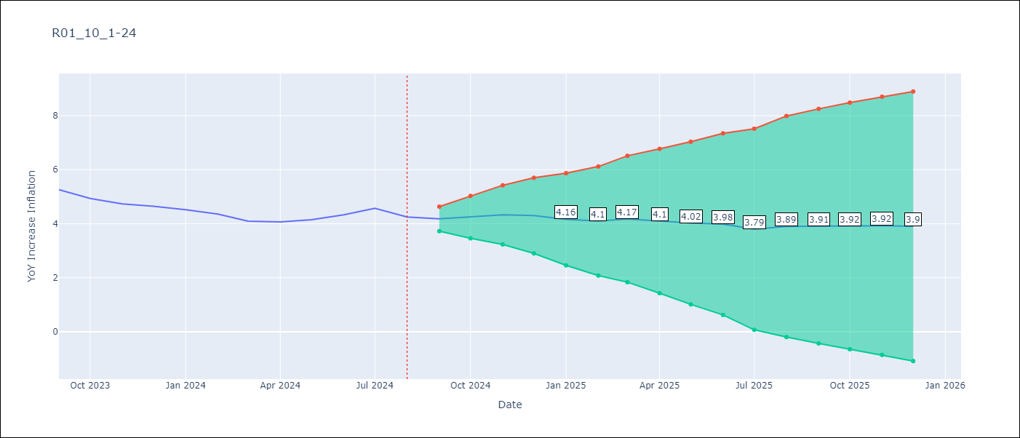

Test Metrics
RMSE | 1.58
Naive RMSE | 0.2
MAPE | 4.03%

Test Predictions
Date | Predicted | Actual
1996-01-01 | 0 | 22.94
1996-02-01 | 40.04 | 22.37
1996-03-01 | 19.72 | 20.57
1996-04-01 | 18.48 | 18.43
1996-05-01 | 16.21 | 17.02
1996-06-01 | 15.79 | 16.04
1996-07-01 | 15.15 | 15.36
1996-08-01 | 14.75 | 15.04
1996-09-01 | 14.8 | 14.43
1996-10-01 | 13.77 | 13.6
1996-11-01 | 12.7 | 12.69
1996-12-01 | 11.78 | 12.22
1997-01-01 | 12.39 | 11.87
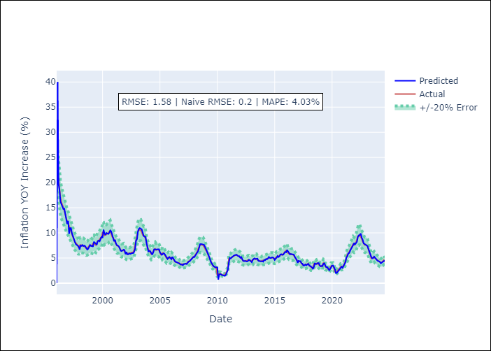
1997-02-01 | 9.82 | 11.35
1997-03-01 | 10.94 | 11.11
1997-04-01 | 10.93 | 10.39
1997-05-01 | 9.96 | 9.73
1997-06-01 | 9.28 | 9.24
1997-07-01 | 8.86 | 8.65
1997-08-01 | 8.24 | 8.21
1997-09-01 | 7.78 | 8.01
1997-10-01 | 7.65 | 7.78
1997-11-01 | 7.44 | 7.54
1997-12-01 | 7.3 | 7.03
1998-01-01 | 6.68 | 7.52
1998-02-01 | 7.51 | 7.59
1998-03-01 | 7.4 | 7.58
1998-04-01 | 7.59 | 7.41
1998-05-01 | 7.36 | 7.48
1998-06-01 | 7.48 | 7.34
1998-07-01 | 7.33 | 7.13
1998-08-01 | 7.04 | 6.9
1998-09-01 | 6.68 | 6.94
1998-10-01 | 6.83 | 7.24
1998-11-01 | 7.27 | 7.43
1998-12-01 | 7.6 | 7.56
1999-01-01 | 7.37 | 7.48
1999-02-01 | 7.44 | 7.37
1999-03-01 | 7.25 | 7.9
1999-04-01 | 8.24 | 7.99
Appendix A: Model Summary |  | 7.73
Model | ARIMA(1, 2, 1)x(1, 0, 1, 12) | 7.57
Sample | 01-01-1996- 08-01-2024 | 8.06
No. of Observations | 344 | 8.41
Terms | P-value (Statistical significance) | 8.44
ar.L1 | 0.000 | 8.71
ma.L1 | 0.000 | 9.03
ar.S.L12 | 0.000 | 9.01
ma.S.L12 | 0.997 | 10.08
sigma2 | 0.997 | 10.09
Assumptions | P-value | 9.51
2000-04-01 | 9.57 | 9.68
2000-05-01 | 9.99 | 9.67
2000-06-01 | 9.85 | 9.86
2000-07-01 | 9.78 | 9.93
2000-08-01 | 10 | 10.28
2000-09-01 | 10.48 | 10.43
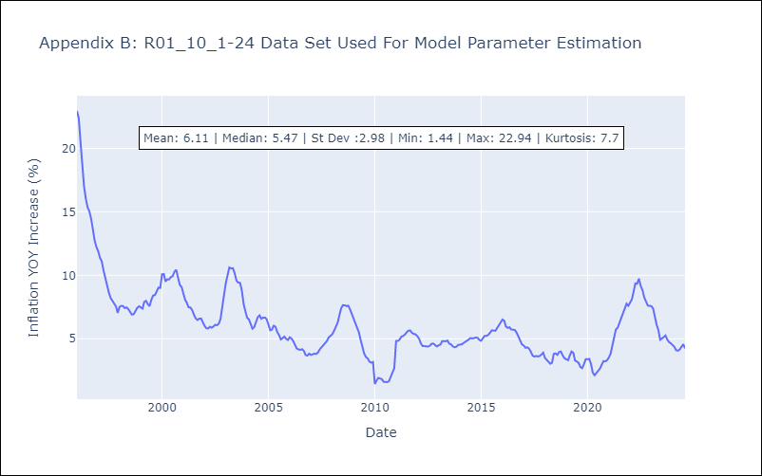
2000-10-01 | 10.32 | 9.83
2000-11-01 | 9.53 | 9.24
2000-12-01 | 9.17 | 9.08
2001-01-01 | 8.34 | 8.58
2001-02-01 | 8.63 | 8.06
2001-03-01 | 7.91 | 7.84
2001-04-01 | 7.56 | 7.48
2001-05-01 | 7.43 | 7.46
2001-06-01 | 7.32 | 7.26
2001-07-01 | 6.92 | 6.9
2001-08-01 | 6.45 | 6.6
2001-09-01 | 6.38 | 6.48
2001-10-01 | 6.53 | 6.59
2001-11-01 | 6.66 | 6.6
2001-12-01 | 6.59 | 6.25
2002-01-01 | 5.76 | 6
2002-02-01 | 6.21 | 5.83
2002-03-01 | 5.72 | 5.81
2002-04-01 | 5.74 | 5.95
2002-05-01 | 5.93 | 5.87
2002-06-01 | 5.81 | 5.96
2002-07-01 | 5.93 | 6.1
2002-08-01 | 5.99 | 6.07
2002-09-01 | 5.98 | 6.19
2002-10-01 | 6.23 | 6.56
2002-11-01 | 6.78 | 7.72
2002-12-01 | 8.47 | 8.48
2003-01-01 | 8.74 | 9.42
Appendix C: Residuals Analysis |  | 10.21
Mean | 0.03 | 10.61
2003-04-01 | 10.95 | 10.53
Normal? | No | 10.55
2003-06-01 | 10.7 | 10.16
2003-07-01 | 10.07 | 9.58
2003-08-01 | 9.38 | 9.42
2003-09-01 | 9.24 | 9.41
2003-10-01 | 9.2 | 8.82
2003-11-01 | 7.97 | 7.75
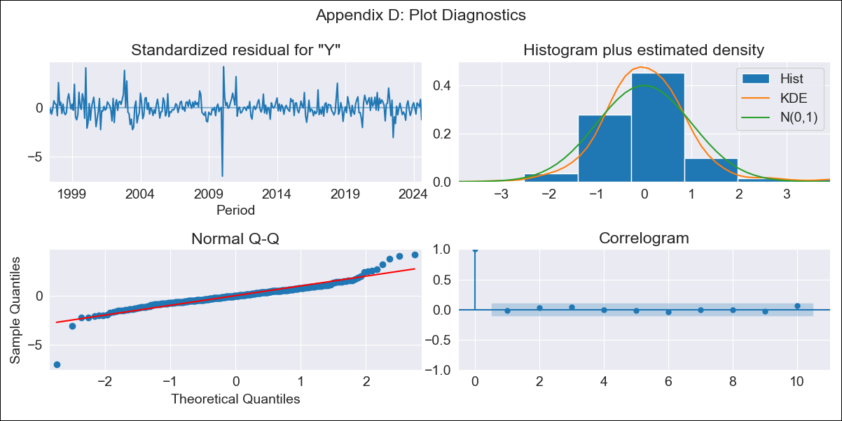
2003-12-01 | 7.3 | 7.17
2004-01-01 | 6.29 | 6.66
2004-02-01 | 6.39 | 6.52
2004-03-01 | 6.35 | 6.08
2004-04-01 | 5.97 | 5.79
2004-05-01 | 5.68 | 5.91
2004-06-01 | 6.12 | 6.38
2004-07-01 | 6.74 | 6.7
2004-08-01 | 6.71 | 6.84
2004-09-01 | 6.72 | 6.57
2004-10-01 | 6.67 | 6.67
2004-11-01 | 6.71 | 6.66
2004-12-01 | 6.73 | 6.54
2005-01-01 | 6.13 | 6.09
2005-02-01 | 5.81 | 5.67
2005-03-01 | 5.63 | 5.72
2005-04-01 | 5.81 | 6.03
2005-05-01 | 5.95 | 5.95
2005-06-01 | 5.78 | 5.52
2005-07-01 | 5.4 | 5.3
2005-08-01 | 5.04 | 4.95
2005-09-01 | 4.8 | 5.05
2005-10-01 | 5.02 | 5.18
2005-11-01 | 5.19 | 4.99
2005-12-01 | 5.02 | 4.9
2006-01-01 | 4.77 | 5.12
2006-02-01 | 5.23 | 5.01
2006-03-01 | 4.92 | 4.83
2006-04-01 | 4.6 | 4.49
2006-05-01 | 4.28 | 4.23
2006-06-01 | 4.22 | 4.16
2006-07-01 | 4.13 | 4.12
2006-08-01 | 4.08 | 4.18
2006-09-01 | 3.97 | 4.04
2006-10-01 | 3.83 | 3.72
2006-11-01 | 3.68 | 3.67
2006-12-01 | 3.69 | 3.83
2007-01-01 | 3.57 | 3.73
2007-02-01 | 3.82 | 3.78
2007-03-01 | 3.81 | 3.83
2007-04-01 | 3.88 | 3.8
2007-05-01 | 3.79 | 3.92
2007-06-01 | 4.02 | 4.17
2007-07-01 | 4.29 | 4.32
2007-08-01 | 4.34 | 4.54
2007-09-01 | 4.58 | 4.66
2007-10-01 | 4.83 | 4.82
2007-11-01 | 4.97 | 5.1
2007-12-01 | 5.2 | 5.22
2008-01-01 | 5.19 | 5.35
2008-02-01 | 5.54 | 5.62
2008-03-01 | 5.8 | 5.93
2008-04-01 | 6.23 | 6.25
2008-05-01 | 6.4 | 6.81
2008-06-01 | 7.06 | 7.38
2008-07-01 | 7.76 | 7.64
2008-08-01 | 7.79 | 7.64
2008-09-01 | 7.75 | 7.57
2008-10-01 | 7.71 | 7.61
2008-11-01 | 7.65 | 7.32
2008-12-01 | 7.28 | 6.94
2009-01-01 | 6.68 | 6.58
2009-02-01 | 6.39 | 6.23
2009-03-01 | 5.97 | 5.79
2009-04-01 | 5.55 | 5.53
2009-05-01 | 5 | 4.94
2009-06-01 | 4.34 | 4.35
2009-07-01 | 4.04 | 3.85
2009-08-01 | 3.54 | 3.56
2009-09-01 | 3.36 | 3.45
2009-10-01 | 3.29 | 3.19
2009-11-01 | 3.13 | 3.12
2009-12-01 | 3.16 | 3.17
2010-01-01 | 3.1 | 1.44
2010-02-01 | 0.71 | 1.71
2010-03-01 | 1.66 | 1.92
2010-04-01 | 1.82 | 1.87
2010-05-01 | 1.69 | 1.82
2010-06-01 | 1.62 | 1.61
2010-07-01 | 1.57 | 1.58
2010-08-01 | 1.46 | 1.59
2010-09-01 | 1.45 | 1.66
2010-10-01 | 1.7 | 2.06
2010-11-01 | 2.22 | 2.43
2010-12-01 | 2.62 | 2.69
2011-01-01 | 4.07 | 4.82
2011-02-01 | 5.03 | 4.83
2011-03-01 | 4.93 | 4.92
2011-04-01 | 5.15 | 5.16
2011-05-01 | 5.35 | 5.23
2011-06-01 | 5.43 | 5.33
2011-07-01 | 5.55 | 5.5
2011-08-01 | 5.62 | 5.64
2011-09-01 | 5.66 | 5.65
2011-10-01 | 5.53 | 5.47
2011-11-01 | 5.34 | 5.38
2011-12-01 | 5.37 | 5.35
2012-01-01 | 5.05 | 5.2
2012-02-01 | 5.19 | 5
2012-03-01 | 4.9 | 4.63
2012-04-01 | 4.45 | 4.43
2012-05-01 | 4.38 | 4.42
2012-06-01 | 4.43 | 4.39
2012-07-01 | 4.37 | 4.39
2012-08-01 | 4.31 | 4.44
2012-09-01 | 4.4 | 4.6
2012-10-01 | 4.65 | 4.62
2012-11-01 | 4.57 | 4.47
2012-12-01 | 4.41 | 4.39
2013-01-01 | 4.16 | 4.5
2013-02-01 | 4.67 | 4.54
2013-03-01 | 4.75 | 4.82
2013-04-01 | 4.94 | 4.79
2013-05-01 | 4.79 | 4.8
2013-06-01 | 4.87 | 4.86
2013-07-01 | 4.89 | 4.62
2013-08-01 | 4.43 | 4.56
2013-09-01 | 4.37 | 4.4
2013-10-01 | 4.33 | 4.33
2013-11-01 | 4.34 | 4.37
2013-12-01 | 4.38 | 4.51
2014-01-01 | 4.27 | 4.51
2014-02-01 | 4.63 | 4.56
2014-03-01 | 4.56 | 4.65
2014-04-01 | 4.81 | 4.73
2014-05-01 | 4.76 | 4.83
2014-06-01 | 4.91 | 4.94
2014-07-01 | 5.21 | 5.06
2014-08-01 | 5.03 | 5.02
2014-09-01 | 5 | 5.06
2014-10-01 | 5.11 | 5.09
2014-11-01 | 5.12 | 5.07
2014-12-01 | 4.99 | 4.9
2015-01-01 | 4.62 | 4.84
2015-02-01 | 4.89 | 5.04
2015-03-01 | 5.04 | 5.23
2015-04-01 | 5.4 | 5.22
2015-05-01 | 5.19 | 5.3
2015-06-01 | 5.34 | 5.46
2015-07-01 | 5.72 | 5.66
2015-08-01 | 5.76 | 5.64
2015-09-01 | 5.64 | 5.63
2015-10-01 | 5.68 | 5.84
2015-11-01 | 5.99 | 6.04
2015-12-01 | 6.23 | 6.22
2016-01-01 | 6.14 | 6.51
2016-02-01 | 6.6 | 6.42
2016-03-01 | 6.31 | 5.96
2016-04-01 | 5.99 | 5.86
2016-05-01 | 5.73 | 5.91
2016-06-01 | 5.83 | 5.73
2016-07-01 | 5.73 | 5.7
2016-08-01 | 5.75 | 5.69
2016-09-01 | 5.67 | 5.48
2016-10-01 | 5.25 | 5.17
2016-11-01 | 4.98 | 4.84
2016-12-01 | 4.66 | 4.56
2017-01-01 | 4.03 | 4.46
2017-02-01 | 4.45 | 4.29
2017-03-01 | 4.36 | 4.32
2017-04-01 | 4.38 | 4.23
2017-05-01 | 3.96 | 3.99
2017-06-01 | 3.88 | 3.68
2017-07-01 | 3.51 | 3.6
2017-08-01 | 3.52 | 3.64
2017-09-01 | 3.72 | 3.61
2017-10-01 | 3.56 | 3.64
2017-11-01 | 3.7 | 3.76
2017-12-01 | 3.84 | 3.91
2018-01-01 | 3.55 | 3.48
2018-02-01 | 3.45 | 3.34
2018-03-01 | 3.3 | 3.13
2018-04-01 | 3.13 | 3.03
2018-05-01 | 2.87 | 3.1
2018-06-01 | 3.23 | 3.82
2018-07-01 | 4 | 3.85
2018-08-01 | 3.81 | 3.73
2018-09-01 | 3.83 | 3.95
2018-10-01 | 4 | 3.99
2018-11-01 | 4.01 | 3.69
2018-12-01 | 3.56 | 3.47
2019-01-01 | 3.36 | 3.38
2019-02-01 | 3.43 | 3.31
2019-03-01 | 3.4 | 3.67
2019-04-01 | 3.88 | 4
2019-05-01 | 3.96 | 3.91
2019-06-01 | 3.49 | 3.28
2019-07-01 | 3.16 | 3.22
2019-08-01 | 3.19 | 3.09
2019-09-01 | 2.92 | 2.77
2019-10-01 | 2.58 | 2.68
2019-11-01 | 2.82 | 3.01
2019-12-01 | 3.13 | 3.39
2020-01-01 | 3.51 | 3.39
2020-02-01 | 3.52 | 3.41
2020-03-01 | 3.26 | 3.01
2020-04-01 | 2.79 | 2.32
2020-05-01 | 2.01 | 2.13
2020-06-01 | 2.03 | 2.33
2020-07-01 | 2.3 | 2.48
2020-08-01 | 2.57 | 2.65
2020-09-01 | 2.79 | 2.96
2020-10-01 | 3 | 3.24
2020-11-01 | 3.28 | 3.22
2020-12-01 | 3.06 | 3.31
2021-01-01 | 3.47 | 3.52
2021-02-01 | 3.75 | 3.84
2021-03-01 | 4.18 | 4.44
2021-04-01 | 5.11 | 5.06
2021-05-01 | 5.35 | 5.72
2021-06-01 | 5.94 | 5.87
2021-07-01 | 6 | 6.23
2021-08-01 | 6.51 | 6.61
2021-09-01 | 6.84 | 7.03
2021-10-01 | 7.2 | 7.34
2021-11-01 | 7.7 | 7.76
2021-12-01 | 7.91 | 7.59
2022-01-01 | 7.72 | 7.81
2022-02-01 | 8 | 8.11
2022-03-01 | 8.22 | 8.69
2022-04-01 | 9.19 | 9.36
2022-05-01 | 9.52 | 9.33
2022-06-01 | 9.55 | 9.73
2022-07-01 | 9.88 | 9.17
2022-08-01 | 9.05 | 8.83
2022-09-01 | 8.63 | 8.25
2022-10-01 | 7.92 | 7.96
2022-11-01 | 7.77 | 7.61
2022-12-01 | 7.62 | 7.6
2023-01-01 | 7.45 | 7.57
2023-02-01 | 7.39 | 7.37
2023-03-01 | 6.83 | 6.67
2023-04-01 | 6.2 | 6.1
2023-05-01 | 5.84 | 5.69
2023-06-01 | 5.22 | 4.92
2023-07-01 | 4.94 | 5.01
2023-08-01 | 4.98 | 5.15
2023-09-01 | 5.28 | 5.26
2023-10-01 | 5.12 | 4.93
2023-11-01 | 4.82 | 4.73
2023-12-01 | 4.59 | 4.64
2024-01-01 | 4.39 | 4.51
2024-02-01 | 4.36 | 4.36
2024-03-01 | 4.25 | 4.1
2024-04-01 | 3.95 | 4.06
2024-05-01 | 4.07 | 4.15
2024-06-01 | 4.29 | 4.33
2024-07-01 | 4.37 | 4.57
2024-08-01 | 4.53 | 4.25

