R02
R02 - Inflation - Next 12 months forecast as of: 2024-08-01

Model | ARIMA - [(3, 1, 0), (1, 0, 1, 12)]
Training Data | 1996-01-01 to 2023-09-01
Test Data | 2023-09-01 to 2024-08-01

Date | Inflation Change YoY % | Lower Bound - 95% Confidence Interval | Upper Bound - 95% Confidence Interval
2024-09-01 | 4.23 | 3.78 | 4.68
2024-10-01 | 4.37 | 3.6 | 5.13
2024-11-01 | 4.5 | 3.44 | 5.56
2024-12-01 | 4.53 | 3.16 | 5.9
2025-01-01 | 4.48 | 2.81 | 6.16
2025-02-01 | 4.5 | 2.54 | 6.45
2025-03-01 | 4.67 | 2.43 | 6.9
2025-04-01 | 4.67 | 2.17 | 7.17
2025-05-01 | 4.68 | 1.93 | 7.43
2025-06-01 | 4.76 | 1.77 | 7.75
2025-07-01 | 4.68 | 1.46 | 7.9
2025-08-01 | 4.89 | 1.45 | 8.33
2025-09-01 | 4.99 | 1.44 | 8.54
2025-10-01 | 5.06 | 1.44 | 8.69
2025-11-01 | 5.16 | 1.47 | 8.85
2025-12-01 | 5.22 | 1.49 | 8.95

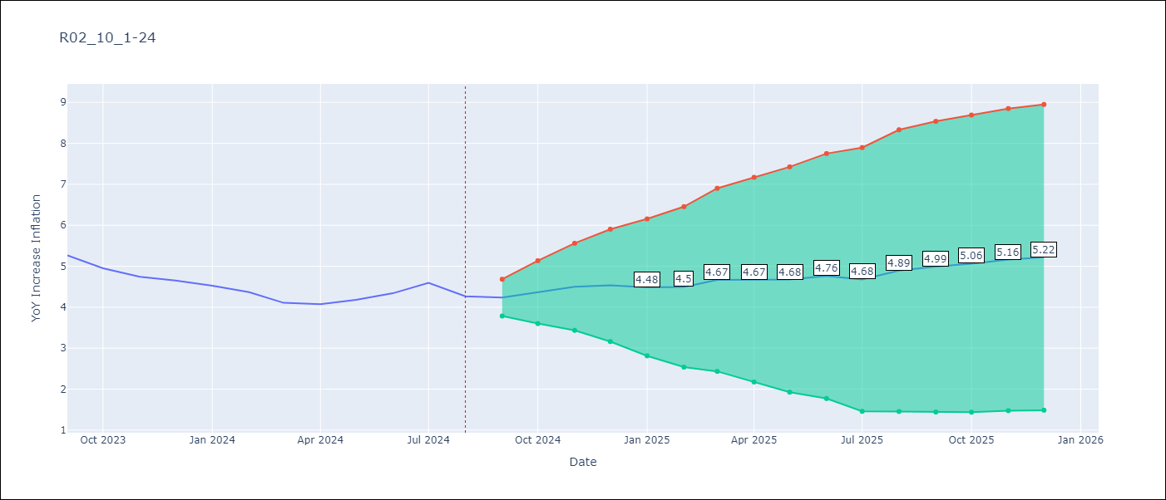

Test Metrics
RMSE | 1.33
Naive RMSE | 0.2
MAPE | 3.96%

Test Predictions
Date | Predicted | Actual
1996-01-01 | 0 | 23.27
1996-02-01 | 27.77 | 22.68
1996-03-01 | 23.58 | 20.86
1996-04-01 | 21.71 | 18.69
1996-05-01 | 17.57 | 17.26
1996-06-01 | 16.21 | 16.26
1996-07-01 | 15.39 | 15.57
1996-08-01 | 14.98 | 15.25
1996-09-01 | 14.89 | 14.64
1996-10-01 | 14.26 | 13.79
1996-11-01 | 13.34 | 12.87
1996-12-01 | 12.33 | 12.38
1997-01-01 | 14.01 | 12.03
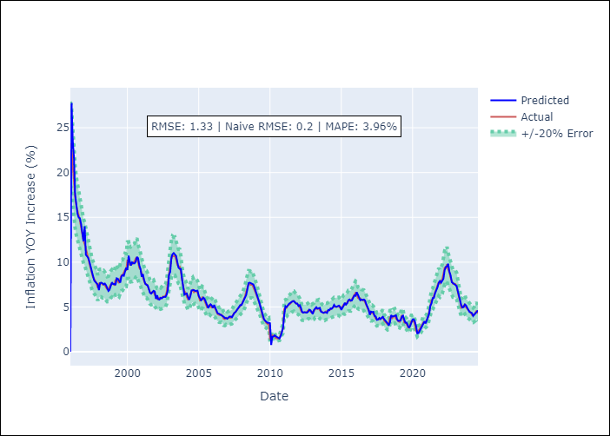
1997-02-01 | 10.82 | 11.5
1997-03-01 | 10.67 | 11.26
1997-04-01 | 10.48 | 10.53
1997-05-01 | 10.08 | 9.86
1997-06-01 | 9.5 | 9.37
1997-07-01 | 9.03 | 8.76
1997-08-01 | 8.42 | 8.32
1997-09-01 | 7.96 | 8.12
1997-10-01 | 7.81 | 7.89
1997-11-01 | 7.62 | 7.64
1997-12-01 | 7.5 | 7.13
1998-01-01 | 6.88 | 7.61
1998-02-01 | 7.67 | 7.69
1998-03-01 | 7.7 | 7.67
1998-04-01 | 7.65 | 7.51
1998-05-01 | 7.51 | 7.56
1998-06-01 | 7.61 | 7.42
1998-07-01 | 7.44 | 7.21
1998-08-01 | 7.17 | 6.98
1998-09-01 | 6.79 | 7.01
1998-10-01 | 6.93 | 7.32
1998-11-01 | 7.38 | 7.52
1998-12-01 | 7.75 | 7.65
1999-01-01 | 7.55 | 7.57
1999-02-01 | 7.57 | 7.46
1999-03-01 | 7.44 | 7.99
1999-04-01 | 8.2 | 8.08
Appendix A: Model Summary |  | 7.83
Model | ARIMA(3, 1, 0)x(1, 0, [1], 12) | 7.67
Sample | 01-01-1996- 08-01-2024 | 8.17
No. of Observations | 344 | 8.52
Terms | P-value (Statistical significance) | 8.55
ar.L1 | 0.000 | 8.83
ar.L2 | 0.073 | 9.15
ar.L3 | 0.017 | 9.12
ar.S.L12 | 0.000 | 10.21
ma.S.L12 | 0.990 | 10.22
sigma2 | 0.990 | 9.64
Assumptions | P-value | 9.81
2000-05-01 | 9.99 | 9.79
2000-06-01 | 9.87 | 9.99
2000-07-01 | 9.87 | 10.06
2000-08-01 | 10.06 | 10.41
2000-09-01 | 10.58 | 10.56
2000-10-01 | 10.44 | 9.95
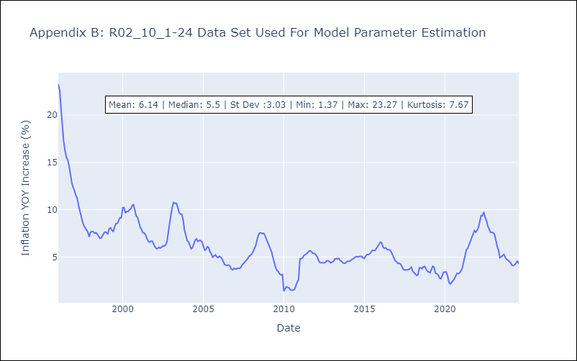
2000-11-01 | 9.65 | 9.36
2000-12-01 | 9.24 | 9.19
2001-01-01 | 8.37 | 8.68
2001-02-01 | 8.67 | 8.15
2001-03-01 | 8.06 | 7.92
2001-04-01 | 7.62 | 7.56
2001-05-01 | 7.47 | 7.55
2001-06-01 | 7.42 | 7.34
2001-07-01 | 7.04 | 6.97
2001-08-01 | 6.58 | 6.67
2001-09-01 | 6.49 | 6.55
2001-10-01 | 6.66 | 6.67
2001-11-01 | 6.8 | 6.67
2001-12-01 | 6.73 | 6.33
2002-01-01 | 5.9 | 6.07
2002-02-01 | 6.3 | 5.89
2002-03-01 | 5.87 | 5.88
2002-04-01 | 5.83 | 6.01
2002-05-01 | 6.02 | 5.93
2002-06-01 | 5.96 | 6.03
2002-07-01 | 6.09 | 6.17
2002-08-01 | 6.12 | 6.14
2002-09-01 | 6.12 | 6.25
2002-10-01 | 6.36 | 6.64
2002-11-01 | 6.9 | 7.81
2002-12-01 | 8.6 | 8.58
2003-01-01 | 8.9 | 9.54
2003-02-01 | 10.5 | 10.34
Appendix C: Residuals Analysis |  | 10.75
Mean | 0.01 | 10.66
2003-05-01 | 10.84 | 10.68
Normal? | No | 10.28
2003-07-01 | 10.06 | 9.7
2003-08-01 | 9.4 | 9.54
2003-09-01 | 9.26 | 9.53
2003-10-01 | 9.24 | 8.93
2003-11-01 | 8.09 | 7.84
2003-12-01 | 7.42 | 7.26
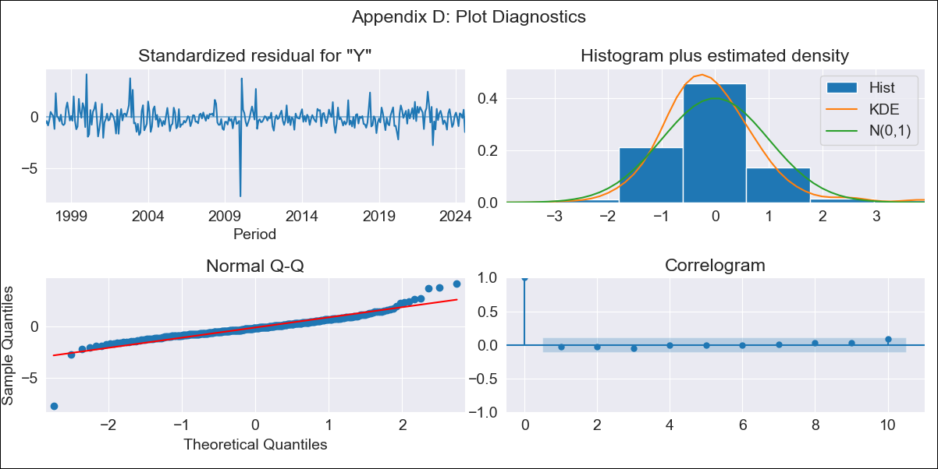
2004-01-01 | 6.37 | 6.73
2004-02-01 | 6.47 | 6.6
2004-03-01 | 6.5 | 6.15
2004-04-01 | 6.09 | 5.86
2004-05-01 | 5.8 | 5.98
2004-06-01 | 6.21 | 6.45
2004-07-01 | 6.84 | 6.78
2004-08-01 | 6.87 | 6.92
2004-09-01 | 6.88 | 6.64
2004-10-01 | 6.78 | 6.75
2004-11-01 | 6.83 | 6.74
2004-12-01 | 6.82 | 6.61
2005-01-01 | 6.24 | 6.15
2005-02-01 | 5.9 | 5.72
2005-03-01 | 5.75 | 5.77
2005-04-01 | 5.87 | 6.08
2005-05-01 | 6.04 | 6
2005-06-01 | 5.9 | 5.57
2005-07-01 | 5.54 | 5.34
2005-08-01 | 5.15 | 4.98
2005-09-01 | 4.88 | 5.09
2005-10-01 | 5.12 | 5.22
2005-11-01 | 5.3 | 5.03
2005-12-01 | 5.16 | 4.94
2006-01-01 | 4.9 | 5.08
2006-02-01 | 5.21 | 4.97
2006-03-01 | 4.97 | 4.79
2006-04-01 | 4.63 | 4.45
2006-05-01 | 4.29 | 4.2
2006-06-01 | 4.26 | 4.12
2006-07-01 | 4.17 | 4.09
2006-08-01 | 4.13 | 4.15
2006-09-01 | 4.03 | 4.02
2006-10-01 | 3.91 | 3.69
2006-11-01 | 3.77 | 3.65
2006-12-01 | 3.76 | 3.8
2007-01-01 | 3.68 | 3.71
2007-02-01 | 3.88 | 3.76
2007-03-01 | 3.93 | 3.82
2007-04-01 | 3.93 | 3.78
2007-05-01 | 3.85 | 3.9
2007-06-01 | 4.08 | 4.15
2007-07-01 | 4.35 | 4.31
2007-08-01 | 4.42 | 4.52
2007-09-01 | 4.65 | 4.64
2007-10-01 | 4.88 | 4.79
2007-11-01 | 5.02 | 5.06
2007-12-01 | 5.2 | 5.16
2008-01-01 | 5.21 | 5.28
2008-02-01 | 5.49 | 5.54
2008-03-01 | 5.77 | 5.85
2008-04-01 | 6.14 | 6.16
2008-05-01 | 6.34 | 6.72
2008-06-01 | 6.99 | 7.3
2008-07-01 | 7.67 | 7.54
2008-08-01 | 7.71 | 7.53
2008-09-01 | 7.64 | 7.45
2008-10-01 | 7.56 | 7.51
2008-11-01 | 7.51 | 7.24
2008-12-01 | 7.17 | 6.87
2009-01-01 | 6.64 | 6.53
2009-02-01 | 6.31 | 6.19
2009-03-01 | 5.94 | 5.76
2009-04-01 | 5.51 | 5.5
2009-05-01 | 5.01 | 4.92
2009-06-01 | 4.38 | 4.34
2009-07-01 | 4.11 | 3.85
2009-08-01 | 3.63 | 3.56
2009-09-01 | 3.45 | 3.45
2009-10-01 | 3.35 | 3.19
2009-11-01 | 3.23 | 3.09
2009-12-01 | 3.24 | 3.14
2010-01-01 | 3.19 | 1.37
2010-02-01 | 0.76 | 1.64
2010-03-01 | 1.68 | 1.84
2010-04-01 | 1.69 | 1.78
2010-05-01 | 1.83 | 1.72
2010-06-01 | 1.71 | 1.5
2010-07-01 | 1.62 | 1.49
2010-08-01 | 1.52 | 1.48
2010-09-01 | 1.47 | 1.57
2010-10-01 | 1.74 | 1.97
2010-11-01 | 2.27 | 2.35
2010-12-01 | 2.67 | 2.61
2011-01-01 | 4.15 | 4.78
2011-02-01 | 5.08 | 4.81
2011-03-01 | 4.99 | 4.9
2011-04-01 | 5.21 | 5.15
2011-05-01 | 5.35 | 5.23
2011-06-01 | 5.45 | 5.33
2011-07-01 | 5.56 | 5.5
2011-08-01 | 5.63 | 5.65
2011-09-01 | 5.66 | 5.65
2011-10-01 | 5.55 | 5.46
2011-11-01 | 5.38 | 5.37
2011-12-01 | 5.39 | 5.35
2012-01-01 | 5.1 | 5.2
2012-02-01 | 5.2 | 4.98
2012-03-01 | 4.93 | 4.61
2012-04-01 | 4.45 | 4.4
2012-05-01 | 4.36 | 4.39
2012-06-01 | 4.42 | 4.37
2012-07-01 | 4.4 | 4.37
2012-08-01 | 4.37 | 4.44
2012-09-01 | 4.45 | 4.59
2012-10-01 | 4.7 | 4.61
2012-11-01 | 4.64 | 4.46
2012-12-01 | 4.46 | 4.37
2013-01-01 | 4.22 | 4.48
2013-02-01 | 4.66 | 4.53
2013-03-01 | 4.79 | 4.8
2013-04-01 | 4.97 | 4.78
2013-05-01 | 4.81 | 4.79
2013-06-01 | 4.9 | 4.85
2013-07-01 | 4.9 | 4.61
2013-08-01 | 4.47 | 4.54
2013-09-01 | 4.4 | 4.38
2013-10-01 | 4.35 | 4.32
2013-11-01 | 4.4 | 4.36
2013-12-01 | 4.41 | 4.5
2014-01-01 | 4.34 | 4.51
2014-02-01 | 4.67 | 4.55
2014-03-01 | 4.63 | 4.65
2014-04-01 | 4.84 | 4.73
2014-05-01 | 4.79 | 4.84
2014-06-01 | 4.95 | 4.95
2014-07-01 | 5.24 | 5.05
2014-08-01 | 5.06 | 5.01
2014-09-01 | 5.01 | 5.05
2014-10-01 | 5.11 | 5.08
2014-11-01 | 5.15 | 5.07
2014-12-01 | 5.02 | 4.9
2015-01-01 | 4.67 | 4.85
2015-02-01 | 4.92 | 5.07
2015-03-01 | 5.11 | 5.26
2015-04-01 | 5.46 | 5.25
2015-05-01 | 5.26 | 5.33
2015-06-01 | 5.41 | 5.5
2015-07-01 | 5.75 | 5.7
2015-08-01 | 5.83 | 5.69
2015-09-01 | 5.7 | 5.68
2015-10-01 | 5.73 | 5.9
2015-11-01 | 6.06 | 6.11
2015-12-01 | 6.29 | 6.28
2016-01-01 | 6.24 | 6.57
2016-02-01 | 6.65 | 6.47
2016-03-01 | 6.37 | 6.01
2016-04-01 | 6.05 | 5.91
2016-05-01 | 5.75 | 5.96
2016-06-01 | 5.83 | 5.78
2016-07-01 | 5.77 | 5.75
2016-08-01 | 5.83 | 5.75
2016-09-01 | 5.72 | 5.53
2016-10-01 | 5.32 | 5.22
2016-11-01 | 5.05 | 4.88
2016-12-01 | 4.7 | 4.59
2017-01-01 | 4.11 | 4.49
2017-02-01 | 4.48 | 4.3
2017-03-01 | 4.43 | 4.34
2017-04-01 | 4.46 | 4.24
2017-05-01 | 4.01 | 4.01
2017-06-01 | 3.94 | 3.69
2017-07-01 | 3.56 | 3.61
2017-08-01 | 3.59 | 3.66
2017-09-01 | 3.77 | 3.62
2017-10-01 | 3.65 | 3.65
2017-11-01 | 3.79 | 3.77
2017-12-01 | 3.9 | 3.92
2018-01-01 | 3.65 | 3.49
2018-02-01 | 3.52 | 3.35
2018-03-01 | 3.39 | 3.14
2018-04-01 | 3.17 | 3.04
2018-05-01 | 2.93 | 3.12
2018-06-01 | 3.29 | 3.84
2018-07-01 | 4.08 | 3.87
2018-08-01 | 3.93 | 3.75
2018-09-01 | 3.96 | 3.97
2018-10-01 | 4.05 | 4.01
2018-11-01 | 4.07 | 3.7
2018-12-01 | 3.63 | 3.49
2019-01-01 | 3.44 | 3.4
2019-02-01 | 3.46 | 3.33
2019-03-01 | 3.47 | 3.68
2019-04-01 | 3.93 | 4.02
2019-05-01 | 4.03 | 3.92
2019-06-01 | 3.59 | 3.29
2019-07-01 | 3.25 | 3.23
2019-08-01 | 3.26 | 3.1
2019-09-01 | 2.96 | 2.77
2019-10-01 | 2.66 | 2.69
2019-11-01 | 2.89 | 3.01
2019-12-01 | 3.18 | 3.4
2020-01-01 | 3.6 | 3.4
2020-02-01 | 3.62 | 3.42
2020-03-01 | 3.36 | 3.02
2020-04-01 | 2.83 | 2.32
2020-05-01 | 2.07 | 2.13
2020-06-01 | 2.08 | 2.33
2020-07-01 | 2.33 | 2.48
2020-08-01 | 2.68 | 2.66
2020-09-01 | 2.92 | 2.97
2020-10-01 | 3.12 | 3.26
2020-11-01 | 3.39 | 3.24
2020-12-01 | 3.16 | 3.33
2021-01-01 | 3.57 | 3.53
2021-02-01 | 3.79 | 3.86
2021-03-01 | 4.27 | 4.46
2021-04-01 | 5.14 | 5.09
2021-05-01 | 5.41 | 5.75
2021-06-01 | 6 | 5.9
2021-07-01 | 6.02 | 6.25
2021-08-01 | 6.55 | 6.64
2021-09-01 | 6.83 | 7.05
2021-10-01 | 7.2 | 7.36
2021-11-01 | 7.69 | 7.79
2021-12-01 | 7.9 | 7.62
2022-01-01 | 7.71 | 7.82
2022-02-01 | 7.93 | 8.13
2022-03-01 | 8.14 | 8.7
2022-04-01 | 9.1 | 9.37
2022-05-01 | 9.47 | 9.34
2022-06-01 | 9.53 | 9.76
2022-07-01 | 9.82 | 9.19
2022-08-01 | 8.95 | 8.84
2022-09-01 | 8.54 | 8.26
2022-10-01 | 7.77 | 7.95
2022-11-01 | 7.67 | 7.59
2022-12-01 | 7.51 | 7.59
2023-01-01 | 7.43 | 7.56
2023-02-01 | 7.35 | 7.37
2023-03-01 | 6.83 | 6.67
2023-04-01 | 6.19 | 6.11
2023-05-01 | 5.83 | 5.69
2023-06-01 | 5.2 | 4.92
2023-07-01 | 4.94 | 5.02
2023-08-01 | 4.98 | 5.15
2023-09-01 | 5.28 | 5.27
2023-10-01 | 5.18 | 4.95
2023-11-01 | 4.9 | 4.74
2023-12-01 | 4.63 | 4.65
2024-01-01 | 4.43 | 4.52
2024-02-01 | 4.39 | 4.37
2024-03-01 | 4.32 | 4.11
2024-04-01 | 4 | 4.07
2024-05-01 | 4.13 | 4.18
2024-06-01 | 4.37 | 4.34
2024-07-01 | 4.43 | 4.59
2024-08-01 | 4.61 | 4.27

